Cover Page
Controlled copy
Controlled copy
Controlled copy
Controlled Copy

Food Delivery App

Product Backlog

 |  | Prepared By / Last Updated By | Reviewed By | Approved By
 | Name | 1. Piyush Das, 2. Ashutosh Mishra, 3. Kanha Sahu, 4. Deviprasad Dash
 | Role | Programmer Analyst Trainee
 | Signature
 | Date | 05-08-2025

Project ID: POD5 | POD 3 |  |  | C3: Protected

Charts
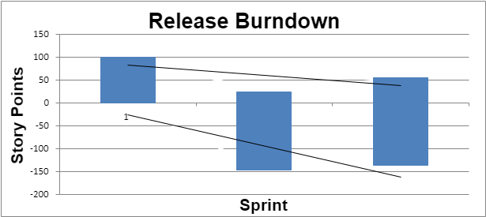
Release Burndown
Only edit shaded columns, others are calculated
Sprint | Story points |  |  | Percent Complete | Min | Max
 | Remaining | Done | Variation
1 | 100 | 75 | 0 | 43% | 0 | 100
2 | 170 | 150 | 145 | 47% | -145 | 25
3 | 190 | 120 | 135 | 39% | -135 | 55

