Meter
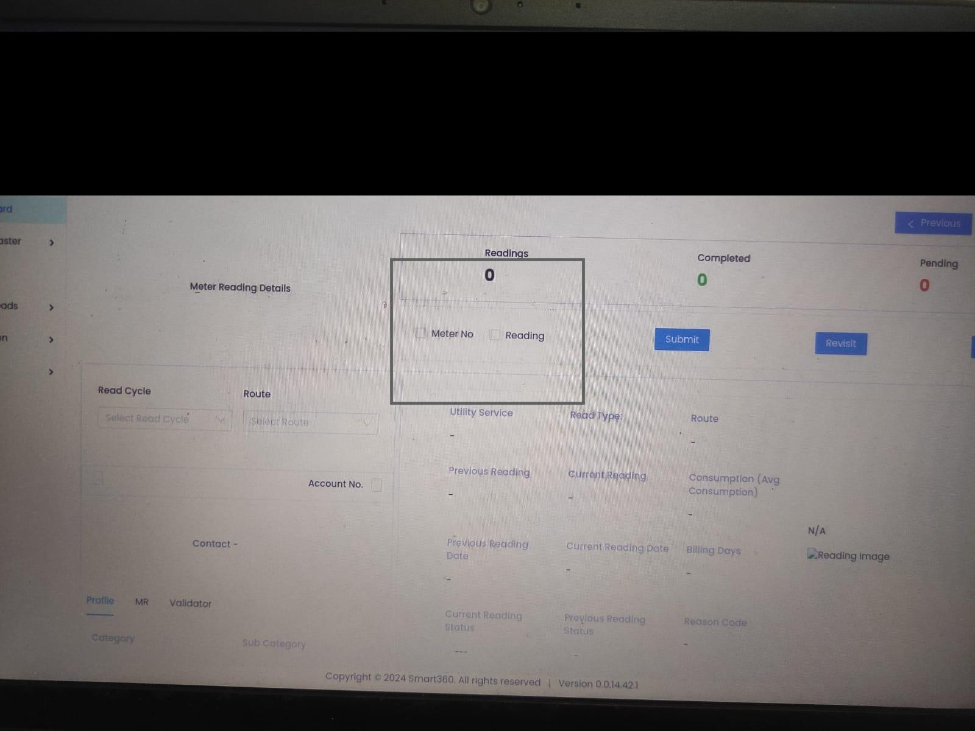
Meter

Field | Mandatory | Type | Validation

Meter No | Yes | Alphanumeric | - Max 30 characters - Only letters, numbers, hyphens - Error: "Enter a valid Meter Number "
Device No | Yes | Alphanumeric | - Max 30 characters - Must be unique - Error: "Enter a valid Device Number."
Utility Service | Yes | Dropdown | - Must select from available services (e.g., Water, Sewer) - Error: "Select utility service."
Read Type | Yes | Dropdown | - Options: Manual, Smart, Photo - Error: "Select a read type."
Premise | Yes | Dropdown | - Must select a registered premise - Error: "Select a premise."
Sub-Area (Auto-Populate as per premise)
Area (Auto-Populate as per premise)
Installation Date | No | Date Picker | - Optional - Must be ≤ today"
Latitude | No | Numeric | - Optional - Range: -180 to +180 - Upto 7 decimal point allowed
Longitude | No | Numeric | - Optional - Range: -180 to +180 - Upto 7 decimal point allowed
Unit | No | Alphanumeric | - Optional - Max 10 characters
Floor | No | Alphanumeric | - Optional - Max 10 characters - Allowed values like G, 1, 2A, B1 etc.
Meter Dial | No | Numeric

Route

Field | Mandatory | Type | Validation

Route Name | Yes | Alphanumeric | - Max 50 characters - Letters, numbers, spaces, dashes allowed - Error: "Enter a route name"
Utility Service | Yes | Multi-select | - Must select at least one service (e.g., Water, Sewer) - Error: "Select at least one utility service."
Read Type | Yes | Dropdown | - Options: Manual, Smart, Photo, Estimated - Error: "Select a read type."
Premise | Yes | Dropdown | - Must select a registered premise - Error: "Select a premise."
Sub-Area (Auto-Populate as per premise) | Yes
Area (Auto-Populate as per premise) | Yes
Meter Count (Auto-Populate as per meter associated to premise) | Yes

Read Cycle

Field | Mandatory | Type | Validation

Cycle Name | Yes | Alphanumeric | - Max 50 characters - Letters, numbers, spaces, dashes allowed - Error: "Enter a cycle name"
Utility Service | Yes | Multi-select | - Must select at least one service (e.g., Water, Sewer) - Error: "Select at least one utility service."
Read Type | Yes | Dropdown | - Options: Manual, Smart, Photo, Estimated - Error: "Select a read type."
Route | Yes | Dropdown | - Must select a registered route - Error: "Select a route."
Meter Count (Auto-Populate as per meter associated to Route) | Yes

Schedule

Field | Mandatory | Type | Validation

Cycle Name | Yes | Dropdown | - Must select a valid existing cycle - Error: "Select a cycle."
Recurring | Yes | Dropdown | - Required - Options: Yes, No (Boolean dropdown) - Error: "Specify if the cycle is recurring."
Frequency (If yes then yes, if no then no need) |  |  | - Required only if Recurring = Yes - Options: Daily, Weekly, Monthly, Quarterly - Error: "Select a frequency for recurring cycles."
Start Date | Yes | Date Picker | - Must be today or a future date - Error: "Start date is required"
Due Days | No | Numeric | - Range: 1–60 days
Description | No | Textarea | - Optional - Max 500 characters

Meter Run (No add Form just List View after schedule is done)

Field | Mandatory | Type | Validation

Cycle Name
Premise (Count)
Meters (Count)
Utility Service (Count & on hoare visible)
Template download and meter reading upload functionality

VEE Rules

Field | Mandatory | Type | Validation
Rule Name | Yes | Alphanumeric | - Max 50 characters - Letters, numbers, spaces allowed - Error: "Enter a valid name"
Utility Service | Yes | Dropdown | - Must select at least one utility service (e.g., Water, Gas, Electricity) - Error: "Select utility service."
Read Type | Yes | Dropdown | - Must select one or more valid read types (e.g., Manual, Photo) - Error: "Select read type."
Rule | Yes | Dropdown | - Must choose from predefined rule types (e.g., No Reading, Threshold Alert) - Error: "Select a rule from the list."
Description | No | TextArea

VEE Config

Field | Mandatory | Type | Validation
Config Name | Yes | Alphanumeric | - Max 50 characters - Letters, numbers, spaces allowed - Error: "Enter a valid name"
Utility Service | Yes | Dropdown | - Must select at least one utility service (e.g., Water, Gas, Electricity) - Error: "Select utility service."
Read Type | Yes | Dropdown | - Must select one or more valid read types (e.g., Manual, Photo) - Error: "Select read type."
Rule | Yes | Multi-Select | - Must choose from predefined rule types (e.g., No Reading, Threshold Alert) - Error: "Select a rule from the list."

VEE Schedule

Field | Mandatory | Type | Validation
Config | Yes | Dropdown | - Must select a valid config - Error: "Select a valid configuration."
Utility Service (Auto-popualted from config) | Yes | Dropdown
Read Type (Auto-popualted from config) | Yes | Dropdown
Schedule Start Date | Yes | Date Picker | - Must be today or a future date - Error: "Enter a valid start date." It cannot be in the past."
Repetition Interval | Yes | Dropdown | - Options: Every 15 mins,30mins, 1 hour... etc - Error: "Select a valid repetition interval."
Schedule End Date | Yes | Date Picker | - Must be after start date - Error: "End date must be after the start date."

Breaks & Validations (List View)

Field | Mandatory | Type | Validation
Read Cycle
Schedule Start Date
Schedule End Date
Meters (Total Meters in cycle)
Readings (Readings Received)
Pending (Unique Meter Readings which are not received)
V1 - (readings which are received directly move to v1
V2- (Readings Failed in V1)
Revisit (Readings revisited from v2)
Completed - (Passed by either V1 or V2)

On Clicking Readings & Completed

Field | Mandatory | Type | Validation
Read Cycle
Meter No
Device No
Previous Reading
Prev Date
Current Reading

For V1 & V2 (Main Screen)

Flowcharts
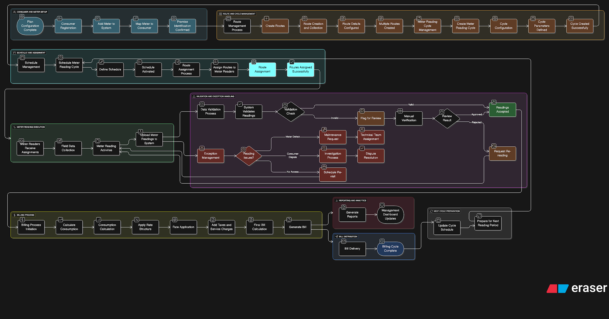
Onboarding Flow
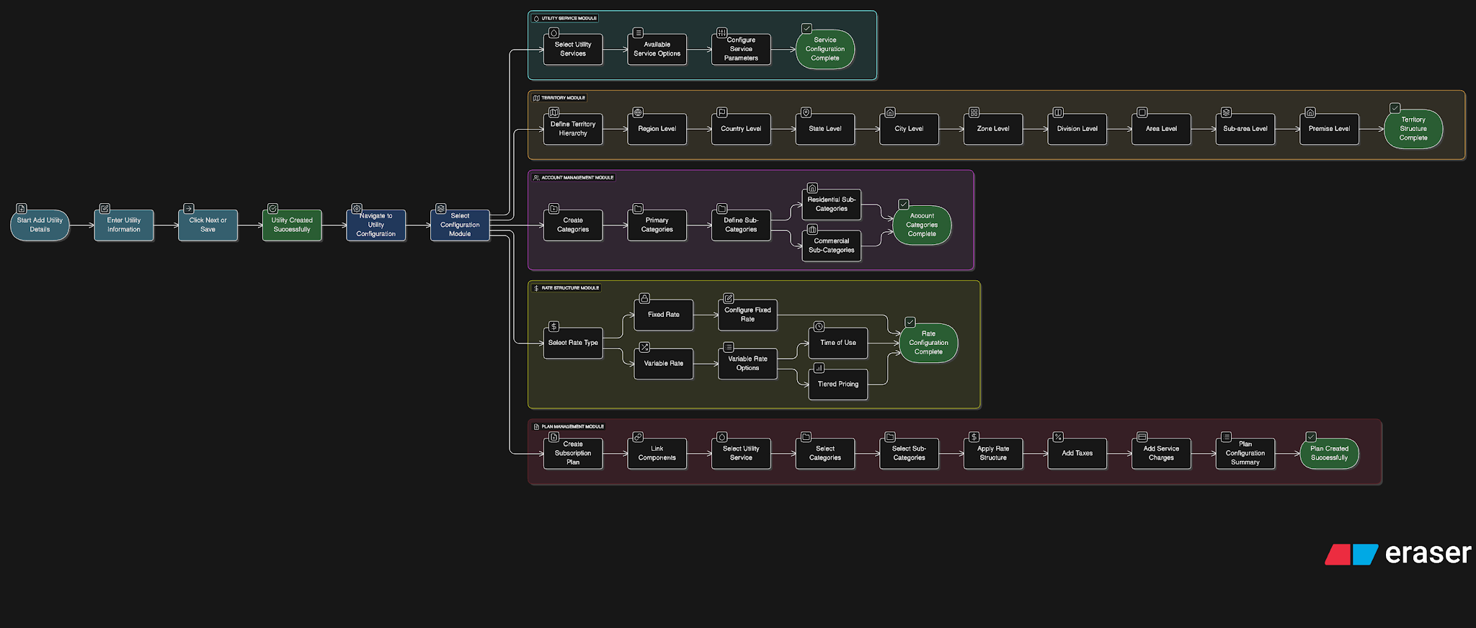

Meter Reading & Billing Flow

