Recap
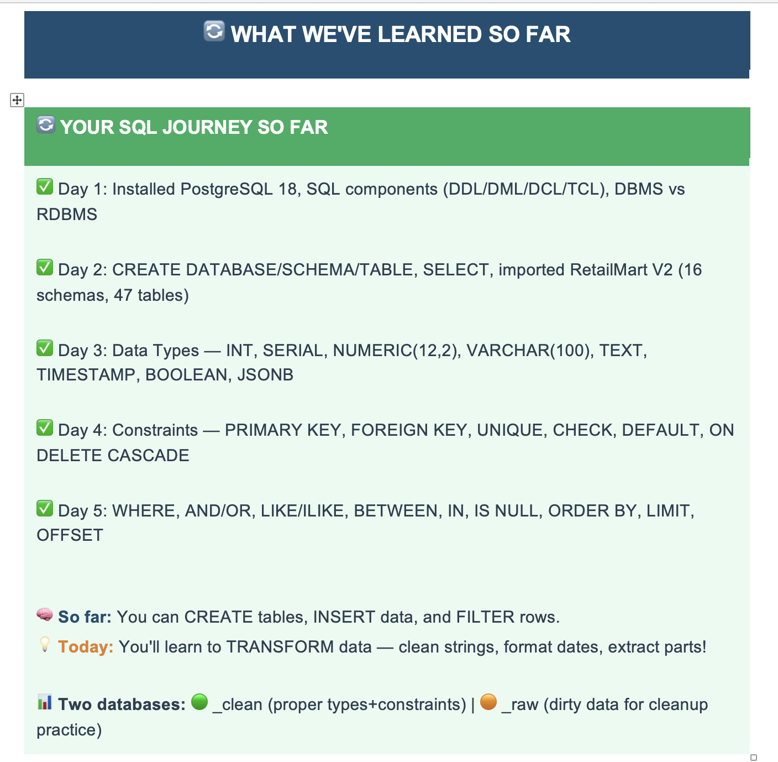

Agenda
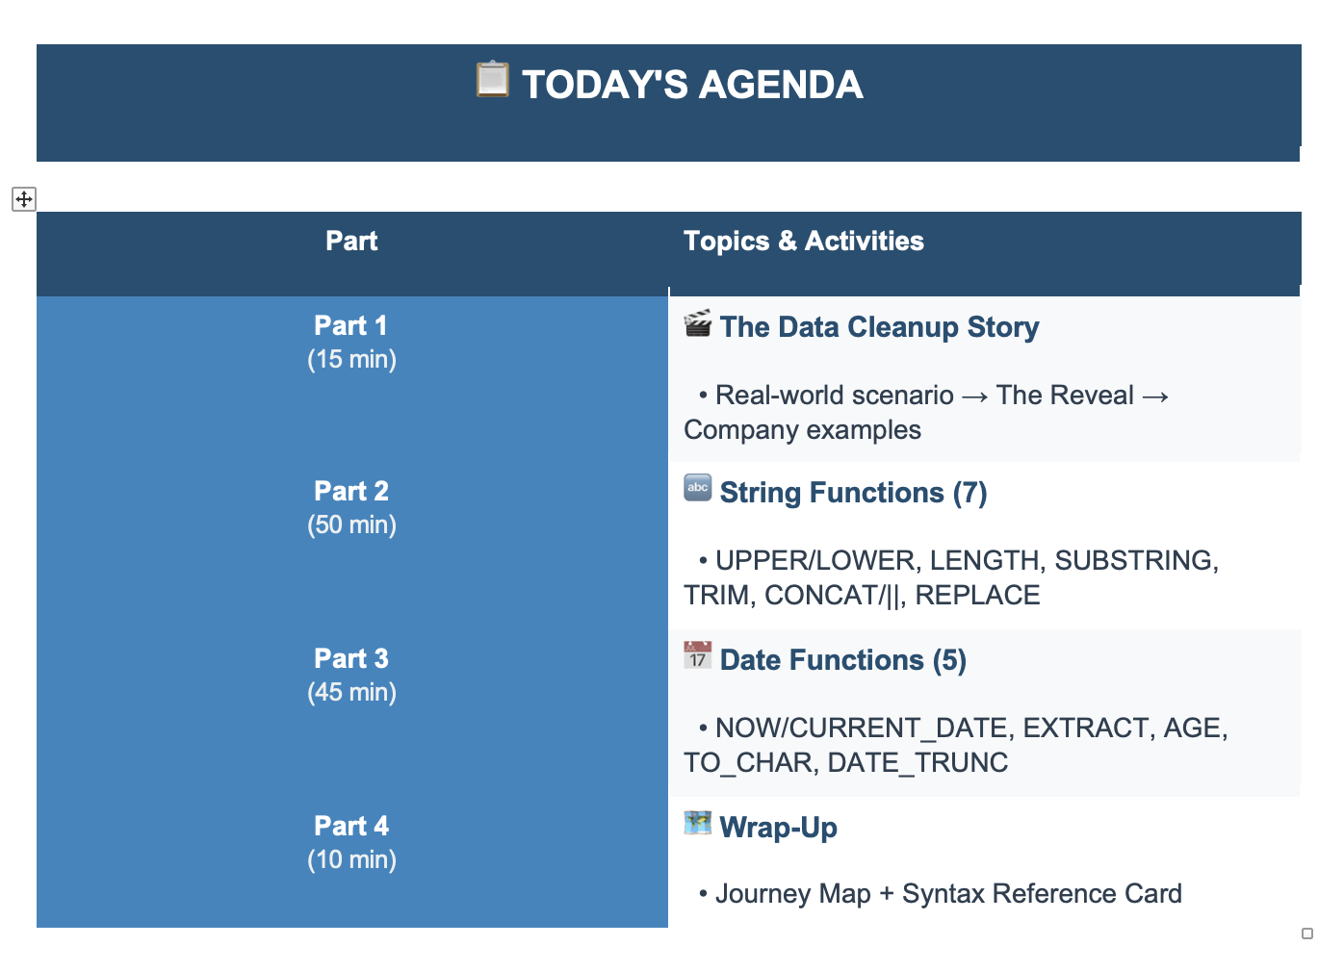

Discussion
College Reunion
 | 500

10 Different Whatsapp Groups

Name | RITIKA | CAPS LOCK | RITIKA SHARMA
 | Deepti | Extra Space | Deepti Patel
 | Rahul |  | rahul Kumar

Date | Date |  | 15, January 2027 | YYYY-MM-DD

Mobile | +91
 | 0

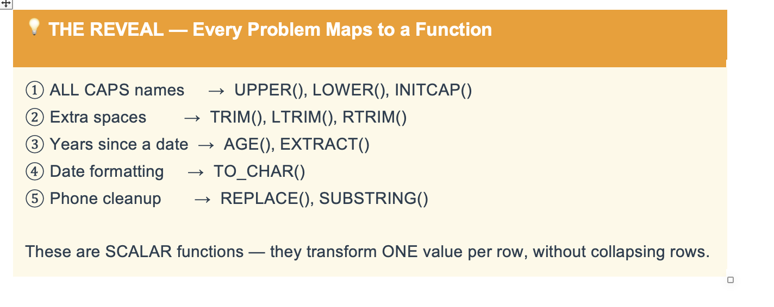

Scalar |  | value per row
Aggregate |  | Summarise and return one row

