Recap
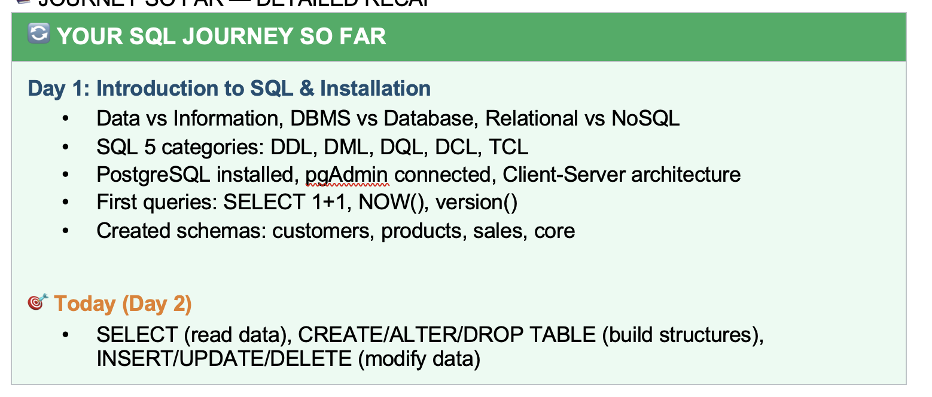

Agenda
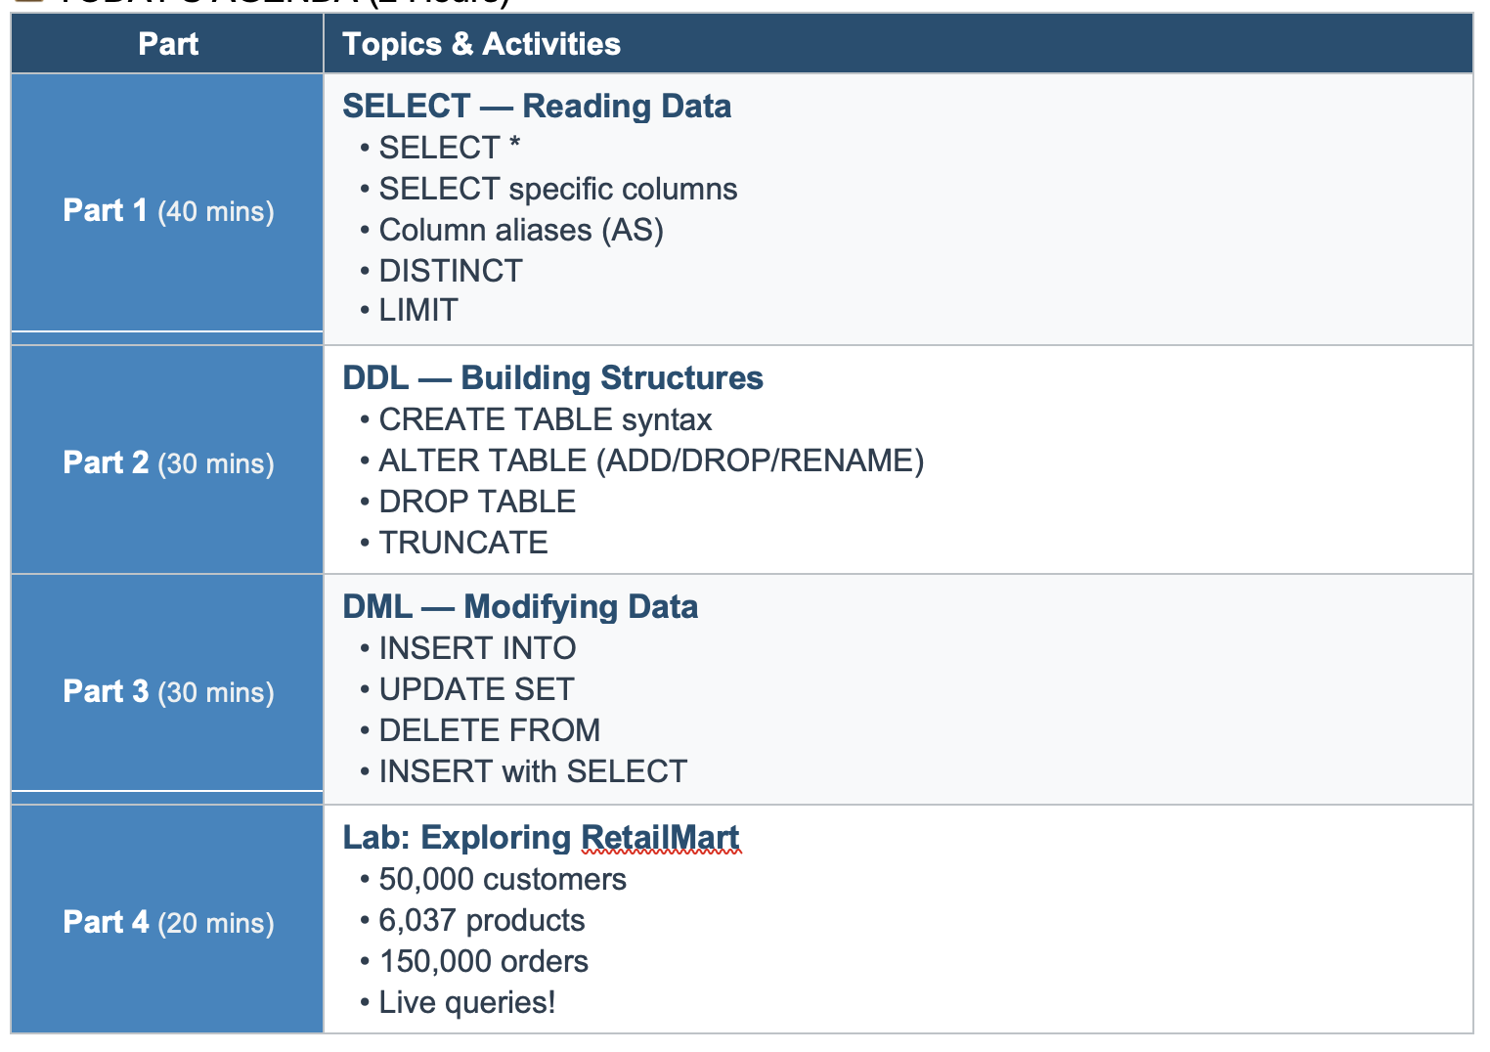

First_Table
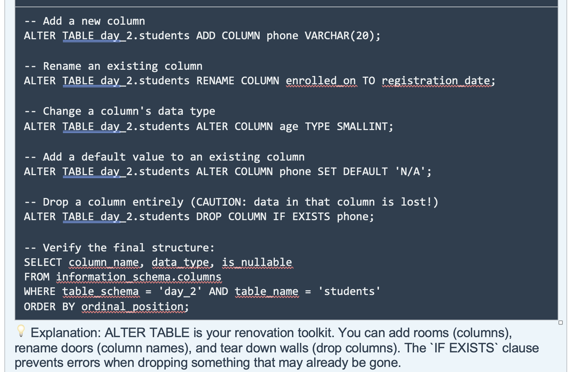
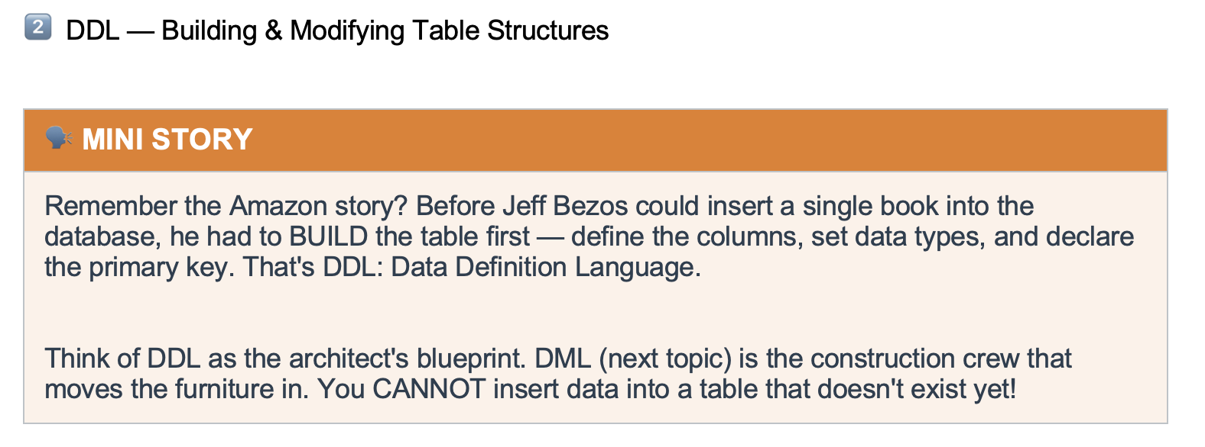

 |  |  |  |  |  |  | Land | Physical Storage
 |  |  |  |  |  |  | BluePrint | DDL
 |  |  |  |  |  |  |  | Database
 |  |  |  |  |  |  |  | Schema
 |  |  |  |  |  |  |  | Table

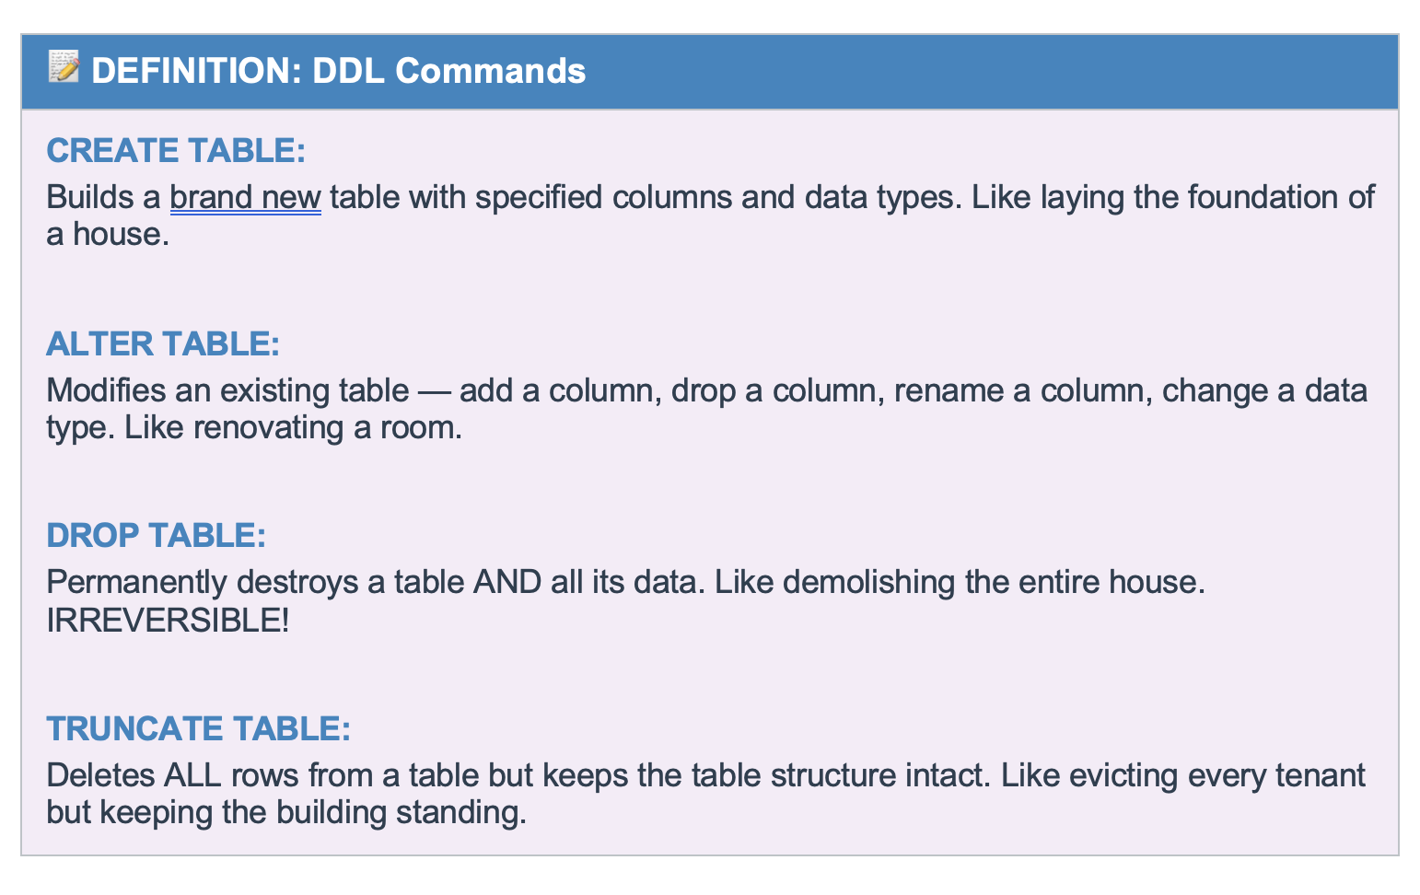

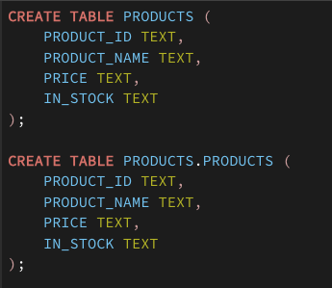

 |  |  |  | Server |  | Postgres
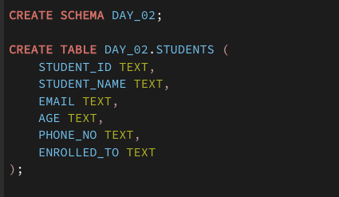
 |  |  |  | database | postgres | accio_25

 |  |  |  | default schema | public | public
 |  |  |  | schema |  | day_02
 |  |  |  | table |  | student

 |  |  |  |  |  | pgadmin4
 |  |  |  | Client

 | Zepto
Schema |  | Warehouse | Delivery | Customer Care |  |  | Supplier

Drop Delete Truncate
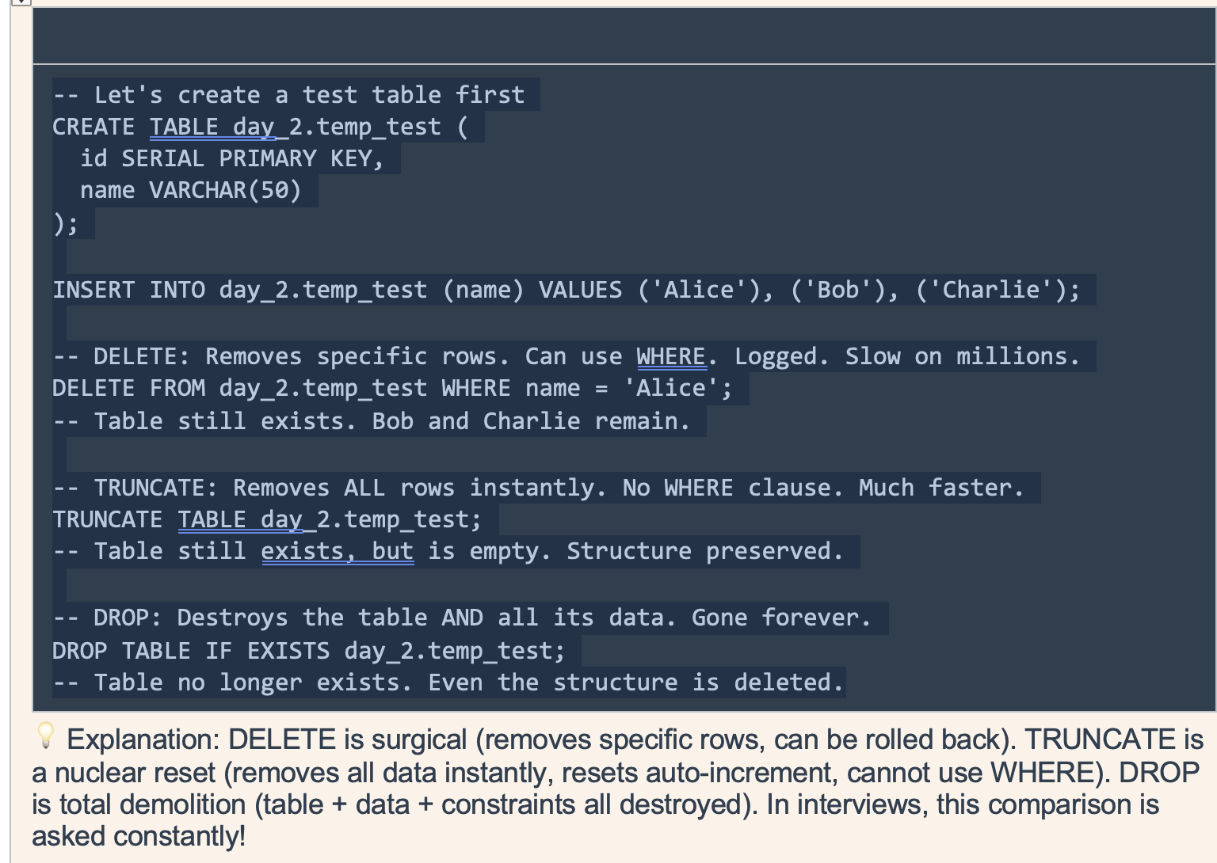
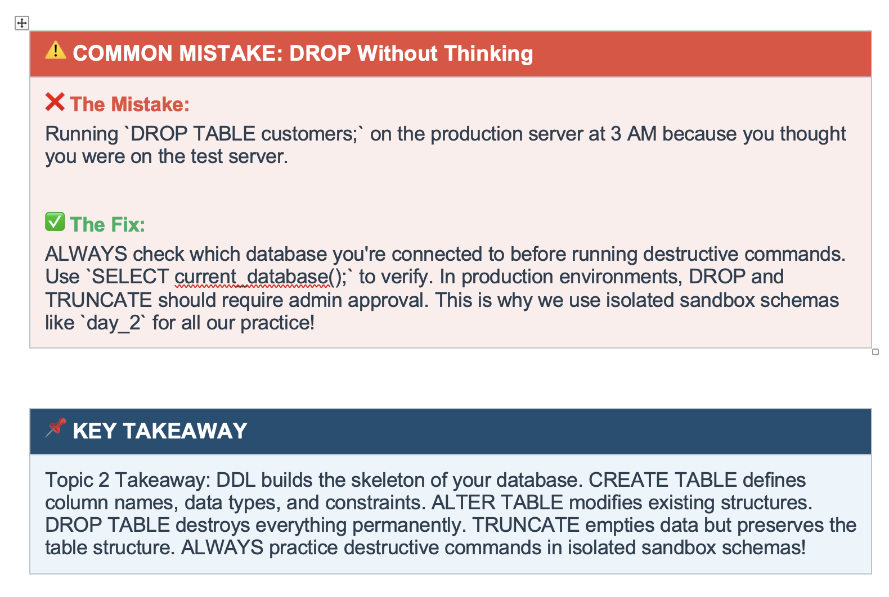
 | Drop | Delete | Truncate
Structure | Remove
Data | Remove | Remove | Remove

 |  | specific value | Deleting all

