Recap
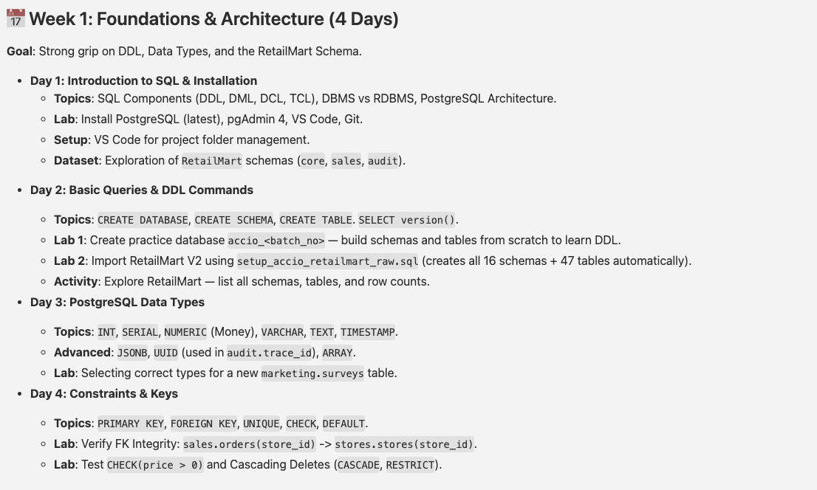

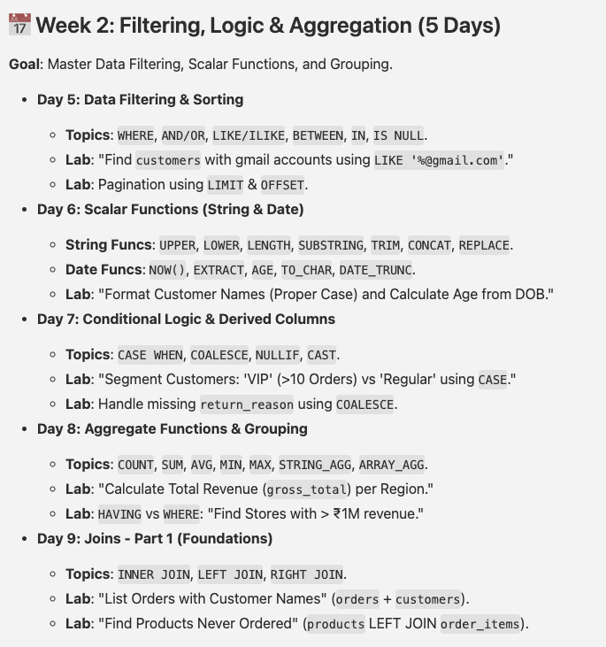

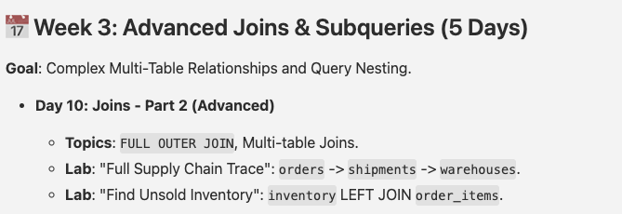

Agenda
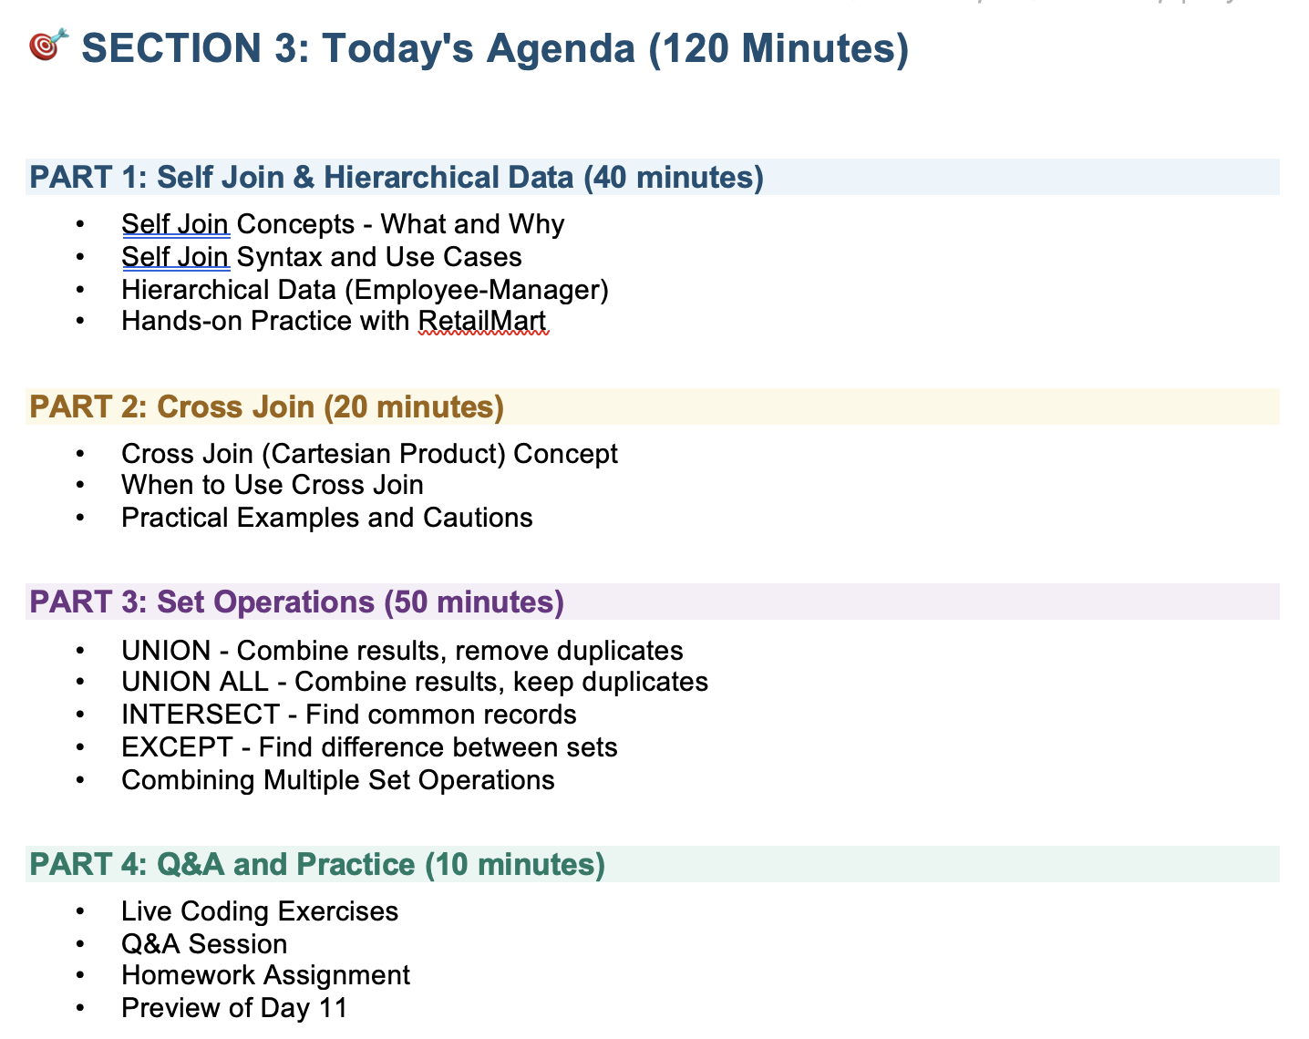

Self Join
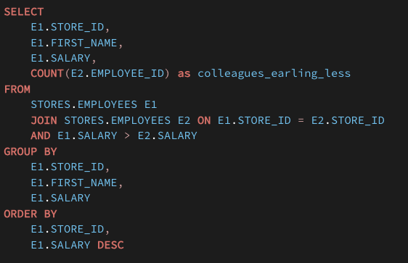
Photo of 50 students from class 12

How many of them live in same city

Name | City
Siraj | Banglore |  | Siraj | Banglore | Siraj | Banglore | Same
Suhas | Banglore |  | Siraj | Banglore | Suhas | Banglore | Same
Jayshree | Chennai |  | Suhas | Banglore | Siraj | Banglore
Tanishq | Sangli |  |  |  | Suhas | Banglore
Suraj | Patna |  |  |  | Jayshree | Chennai
Ira | Bhopal |  |  |  | Tanishq | Sangli
Amandeep | Chandigarh |  |  |  | Suraj | Patna
Aryan | Chandigarh |  |  |  | Ira | Bhopal
 |  |  |  |  | Amandeep | Chandigarh
 |  |  |  |  | Aryan | Chandigarh

Holi Milan

Name | Father |  | Name | Father | GrandFather
Rahul | Amit |  | Rahul | Amit | Suresh
Priya | Amit |  | Priya | Amit | Suresh
Amit | Suresh |  | Amit | Suresh
Sohan | Suresh |  | Sohan | Suresh

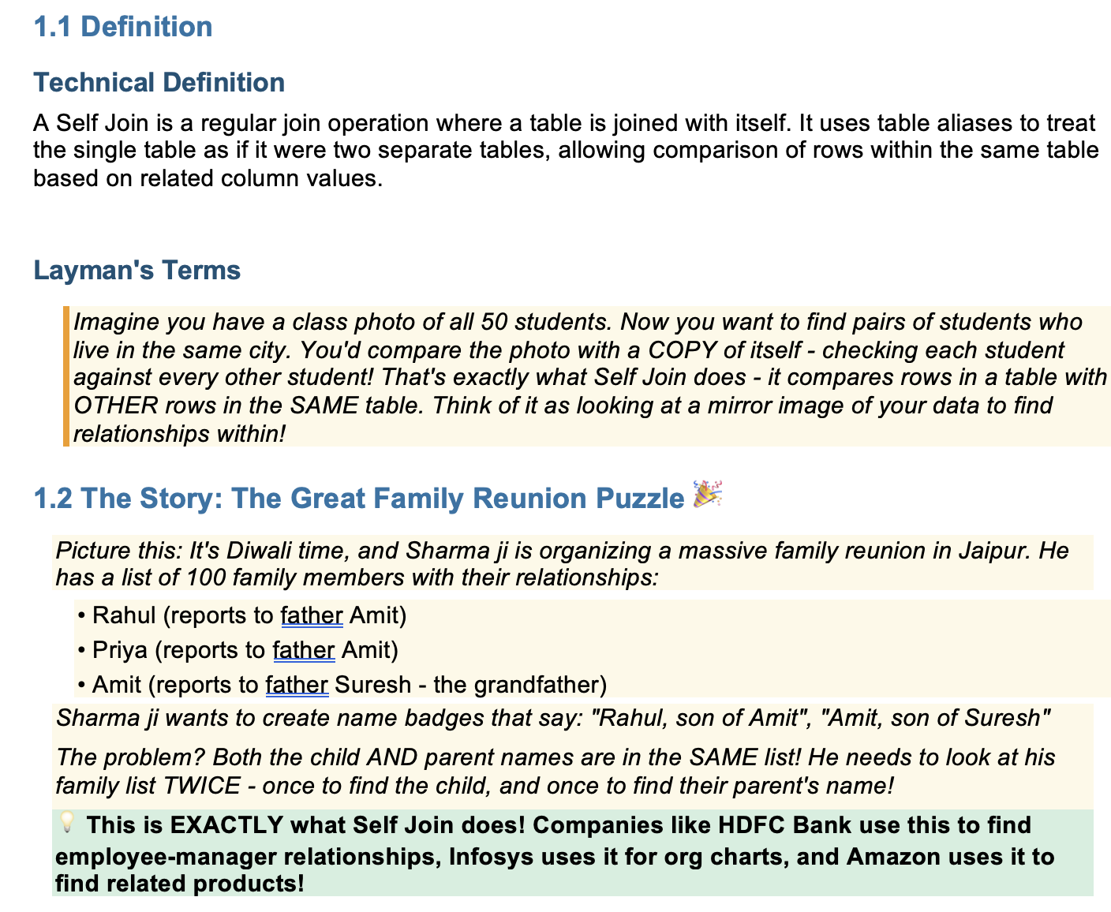

Employee

emp_id | emp_name | manager_id |  | emp_id | emp_name | manager_id
1 | Abhiram | 9 |  | 1 | Abhiram | 9
2 | Ekaraj | 9 |  | 2 | Ekaraj | 9
3 | Bhavna | 7 |  | 3 | Bhavna | 7
4 | Ishwar | 6 |  | 4 | Ishwar | 6
5 | Vasana | 6 |  | 5 | Vasana | 6
6 | Balendra | 8 |  | 6 | Balendra | 8
7 | Devika | 8 |  | 7 | Devika | 8
8 | Gauri | 9 |  | 8 | Gauri | 9
9 | Vasudha | 10 |  | 9 | Vasudha | 10
10 | Rishi | 11 |  | 10 | Rishi | 11

select * from emp_1 a inner join emp_1 b on a.manager_id = b.emp_id

emp_id | emp_name | manager_id | Manager_name
1 | Abhiram | 9 | Vasudha
2 | Ekaraj | 9 | Vasudha
3 | Bhavna | 7 | Devika
4 | Ishwar | 6 | Balendra
5 | Vasana | 6 | Balendra
6 | Balendra | 8 | Gauri
7 | Devika | 8 | Gauri
8 | Gauri | 9 | Vasudha
9 | Vasudha | 10 | Rishi

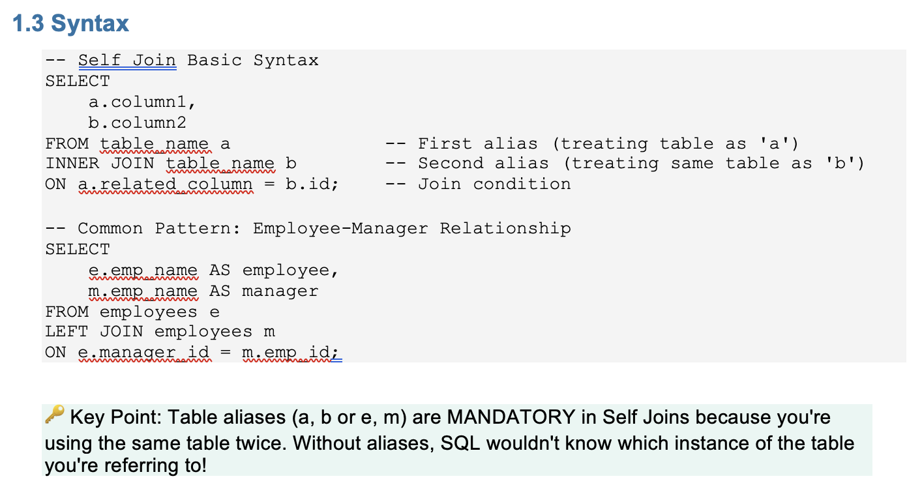

Types Of joins
 | table_1 | table_2 |  | table_1 | table_1
Inner |  |  | Self | inner
Left |  |  | Self | left
Right |  |  | Self | right
Full Outer |  |  | Self | full outer
Self
Cross | ID | ID
 | 1 | 1 |  | inner | 4
 | 2 | 2 |  | left | 4
 | 3 | 3 |  | right | 4
 | 4 | 4 |  | full outer | 4

product_id | brand_id |  | product_id | brand_id | product_id | brand_id
1 | 1 |  | 1 | 1 | 2 | 1 |  | A , B
2 | 1 |  | 1 | 1 | 3 | 1
3 | 1 |  | 1 | 1 | 4 | 1
4 | 1 |  | 2 | 1 | 1 | 1 |  | B , A
5 | 2 |  | 2 | 1 | 3 | 1
6 | 2 |  | 2 | 1 | 4 | 1
7 | 2

product_id | brand_id |  | product_id | brand_id | product_id | brand_id
1 | 1 |  | 1 | 1 | 2 | 1
2 | 1 |  | 1 | 1 | 3 | 1
3 | 1 |  | 1 | 1 | 4 | 1
4 | 1 |  | 2 | 1 | 3 | 1
5 | 2 |  | 2 | 1 | 4 | 1
6 | 2
7 | 2

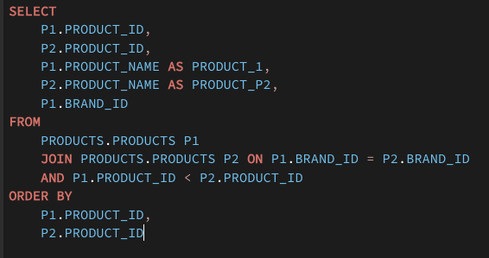

10

Cross Join
Cross Join

Cartesian Product

 |  | Types Of Plan | Types of Billing Cycle
Vikram | SAAS | Basic | Monthly
 |  | Pro | Quartely
 |  | Enterprises | Half-Yearly
 |  |  | Yearly

 | South India | Dosa | Chutney
 |  | Plain | Tomato
 |  | Masala | Coconut
 |  | Rava | Mint
 |  | Onion

Cross Join |  | table1 | table2
 |  | 5 | 4

 |  | 5*4
 |  | 20

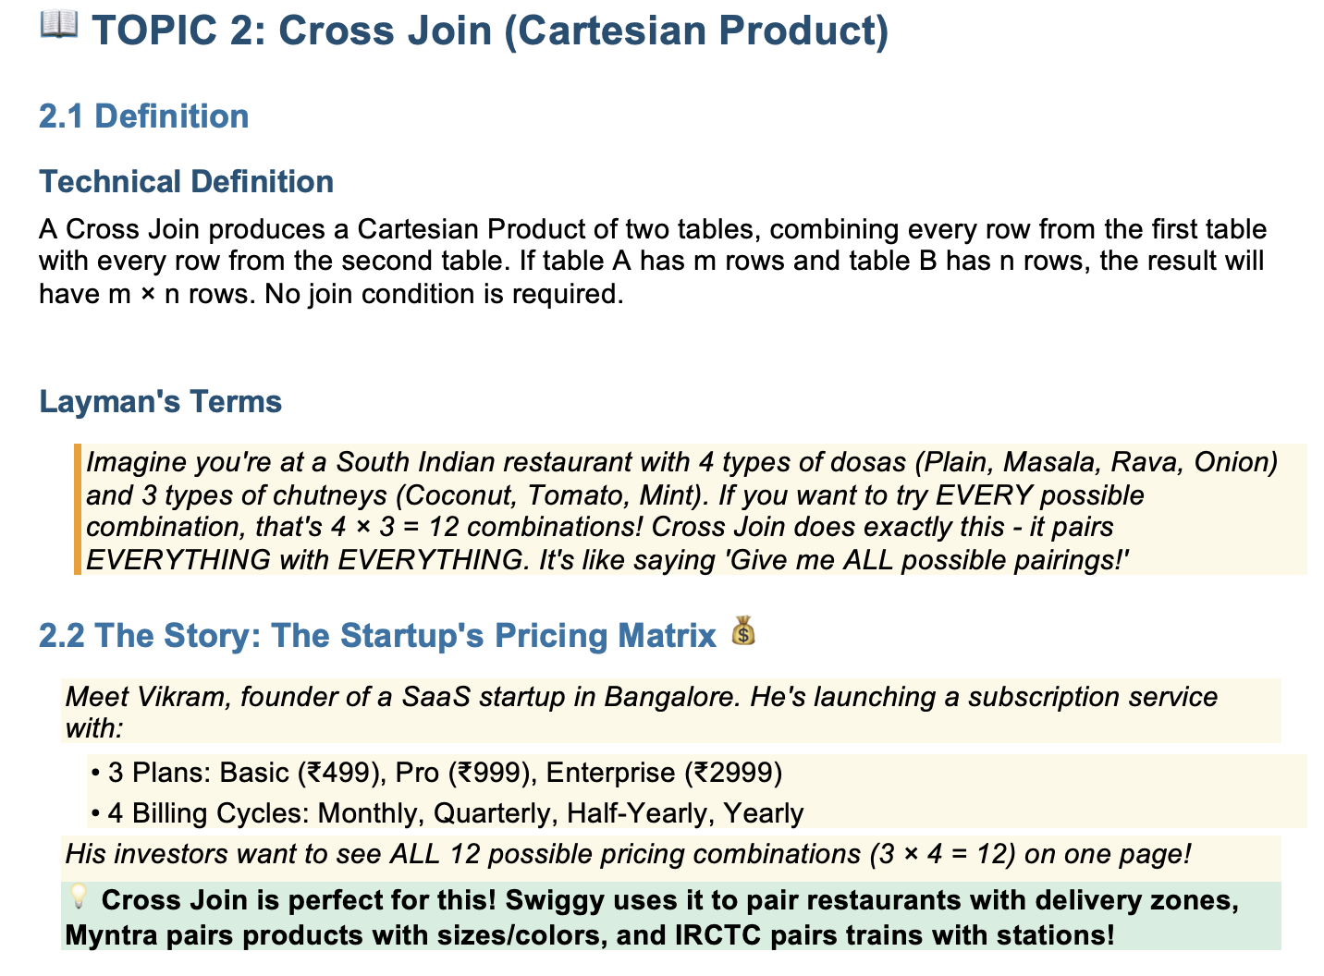

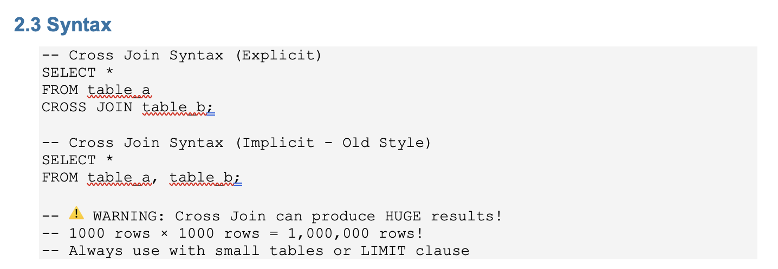

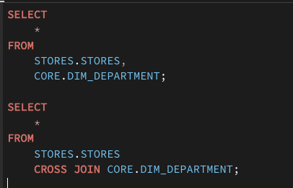

store_id

Union
