Q1
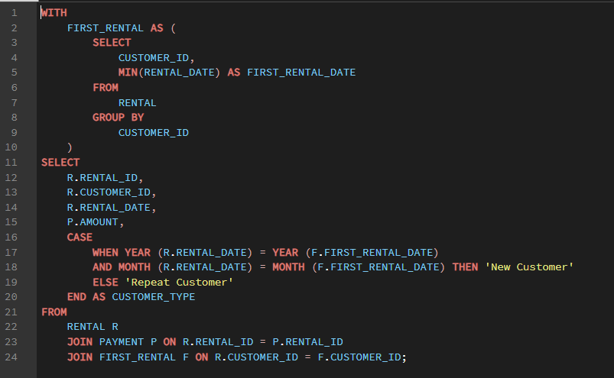

 |  | OUTPUT

rental_id | customer_id | rental_date | amount | customer_type | month | Row Labels | Sum of amount
76 | 1 | 5/25/05 | 2.99 | New Customer | 2005-05 | New Customer | 6192.05
573 | 1 | 5/28/05 | 0.99 | New Customer | 2005-05 | Repeat Customer | 42175.04
1185 | 1 | 6/15/05 | 5.99 | Repeat Customer | 2005-06 | Grand Total | 48367.09
1422 | 1 | 6/15/05 | 0.99 | Repeat Customer | 2005-06
Revenue Comparison
1476 | 1 | 6/15/05 | 9.99 | Repeat Customer | 2005-06
1725 | 1 | 6/16/05 | 4.99 | Repeat Customer | 2005-06
2308 | 1 | 6/18/05 | 4.99 | Repeat Customer | 2005-06
2363 | 1 | 6/18/05 | 0.99 | Repeat Customer | 2005-06
3284 | 1 | 6/21/05 | 3.99 | Repeat Customer | 2005-06
320 | 2 | 5/27/05 | 4.99 | New Customer | 2005-05
2128 | 2 | 6/17/05 | 2.99 | Repeat Customer | 2005-06
435 | 3 | 5/27/05 | 1.99 | New Customer | 2005-05
830 | 3 | 5/29/05 | 2.99 | New Customer | 2005-05
1546 | 3 | 6/16/05 | 8.99 | Repeat Customer | 2005-06
1726 | 3 | 6/16/05 | 6.99 | Repeat Customer | 2005-06
1911 | 3 | 6/17/05 | 6.99 | Repeat Customer | 2005-06
2628 | 3 | 6/19/05 | 2.99 | Repeat Customer | 2005-06
1297 | 4 | 6/15/05 | 4.99 | New Customer | 2005-06
1633 | 4 | 6/16/05 | 0.99 | New Customer | 2005-06
1707 | 4 | 6/16/05 | 2.99 | New Customer | 2005-06
1735 | 4 | 6/16/05 | 0.99 | New Customer | 2005-06
2043 | 4 | 6/17/05 | 0.99 | New Customer | 2005-06
2642 | 4 | 6/19/05 | 5.99 | New Customer | 2005-06
731 | 5 | 5/29/05 | 0.99 | New Customer | 2005-05
1085 | 5 | 5/31/05 | 6.99 | New Customer | 2005-05
1142 | 5 | 5/31/05 | 1.99 | New Customer | 2005-05
1502 | 5 | 6/15/05 | 3.99 | Repeat Customer | 2005-06
1631 | 5 | 6/16/05 | 2.99 | Repeat Customer | 2005-06
2063 | 5 | 6/17/05 | 4.99 | Repeat Customer | 2005-06
2570 | 5 | 6/19/05 | 2.99 | Repeat Customer | 2005-06 |  | Sum of amount | Column Labels
3126 | 5 | 6/20/05 | 4.99 | Repeat Customer | 2005-06 |  | Row Labels | New Customer | Repeat Customer | Grand Total
3677 | 5 | 7/6/05 | 4.99 | Repeat Customer | 2005-07 |  | 2005-05 | 4823.44 |  | 4823.44
57 | 6 | 5/25/05 | 4.99 | New Customer | 2005-05 |  | 2005-06 | 1320.72 | 8309.17 | 9629.89
577 | 6 | 5/28/05 | 2.99 | New Customer | 2005-05 |  | 2005-07 | 47.89 | 28321.02 | 28368.91
916 | 6 | 5/30/05 | 0.99 | New Customer | 2005-05 |  | 2005-08 |  | 5544.85 | 5544.85
1575 | 6 | 6/16/05 | 3.99 | Repeat Customer | 2005-06 |  | Grand Total | 6192.05 | 42175.04 | 48367.09
1841 | 6 | 6/16/05 | 2.99 | Repeat Customer | 2005-06
1966 | 6 | 6/17/05 | 0.99 | Repeat Customer | 2005-06
2345 | 6 | 6/18/05 | 0.99 | Repeat Customer | 2005-06
3983 | 6 | 7/6/05 | 0.99 | Repeat Customer | 2005-07
Monthly Revenue Trend
 | New Customer | Repeat Customer
2005-05 | 4823.44
2005-06 | 1320.72 | 8309.17
2005-07 | 47.89 | 28321.02
2005-08 |  | 5544.85
46 | 7 | 5/25/05 | 5.99 | New Customer | 2005-05
117 | 7 | 5/25/05 | 0.99 | New Customer | 2005-05
748 | 7 | 5/29/05 | 2.99 | New Customer | 2005-05
975 | 7 | 5/30/05 | 4.99 | New Customer | 2005-05
1063 | 7 | 5/31/05 | 5.99 | New Customer | 2005-05
1810 | 7 | 6/16/05 | 0.99 | Repeat Customer | 2005-06
2250 | 7 | 6/18/05 | 2.99 | Repeat Customer | 2005-06
2709 | 7 | 6/19/05 | 0.99 | Repeat Customer | 2005-06
2888 | 7 | 6/20/05 | 4.99 | Repeat Customer | 2005-06
3007 | 7 | 6/20/05 | 0.99 | Repeat Customer | 2005-06
3639 | 7 | 7/6/05 | 5.99 | Repeat Customer | 2005-07
866 | 8 | 5/30/05 | 6.99 | New Customer | 2005-05
1305 | 8 | 6/15/05 | 2.99 | Repeat Customer | 2005-06
2095 | 8 | 6/17/05 | 5.99 | Repeat Customer | 2005-06
3114 | 8 | 6/20/05 | 4.99 | Repeat Customer | 2005-06
3475 | 8 | 7/5/05 | 5.99 | Repeat Customer | 2005-07
4003 | 8 | 7/7/05 | 0.99 | Repeat Customer | 2005-07
350 | 9 | 5/27/05 | 4.99 | New Customer | 2005-05
877 | 9 | 5/30/05 | 0.99 | New Customer | 2005-05
1075 | 9 | 5/31/05 | 4.99 | New Customer | 2005-05
3142 | 9 | 6/20/05 | 7.99 | Repeat Customer | 2005-06
3262 | 9 | 6/21/05 | 4.99 | Repeat Customer | 2005-06
1140 | 10 | 5/31/05 | 4.99 | New Customer | 2005-05
1801 | 10 | 6/16/05 | 4.99 | Repeat Customer | 2005-06
1995 | 10 | 6/17/05 | 4.99 | Repeat Customer | 2005-06
2222 | 10 | 6/18/05 | 3.99 | Repeat Customer | 2005-06
2814 | 10 | 6/19/05 | 0.99 | Repeat Customer | 2005-06
2865 | 10 | 6/20/05 | 0.99 | Repeat Customer | 2005-06
3790 | 10 | 7/6/05 | 3.99 | Repeat Customer | 2005-07
4042 | 10 | 7/7/05 | 4.99 | Repeat Customer | 2005-07
987 | 11 | 5/30/05 | 6.99 | New Customer | 2005-05
1470 | 11 | 6/15/05 | 6.99 | Repeat Customer | 2005-06
1939 | 11 | 6/17/05 | 7.99 | Repeat Customer | 2005-06
3192 | 11 | 6/20/05 | 0.99 | Repeat Customer | 2005-06
988 | 12 | 5/30/05 | 4.99 | New Customer | 2005-05 | Row Labels | Count of rental_id
1084 | 12 | 5/31/05 | 4.99 | New Customer | 2005-05 | New Customer | 1495
1752 | 12 | 6/16/05 | 5.99 | Repeat Customer | 2005-06 | Repeat Customer | 9996
2434 | 12 | 6/18/05 | 5.99 | Repeat Customer | 2005-06 | Grand Total | 11491
Rental Count Comparison
2500 | 12 | 6/18/05 | 5.99 | Repeat Customer | 2005-06
2623 | 12 | 6/19/05 | 4.99 | Repeat Customer | 2005-06
3135 | 12 | 6/20/05 | 2.99 | Repeat Customer | 2005-06
3411 | 12 | 6/21/05 | 0.99 | Repeat Customer | 2005-06
3870 | 12 | 7/6/05 | 3.99 | Repeat Customer | 2005-07
1933 | 13 | 6/17/05 | 2.99 | New Customer | 2005-06
2209 | 13 | 6/18/05 | 4.99 | New Customer | 2005-06
2952 | 13 | 6/20/05 | 2.99 | New Customer | 2005-06
3047 | 13 | 6/20/05 | 8.99 | New Customer | 2005-06
3946 | 13 | 7/6/05 | 2.99 | Repeat Customer | 2005-07
151 | 14 | 5/26/05 | 0.99 | New Customer | 2005-05
346 | 14 | 5/27/05 | 9.99 | New Customer | 2005-05
525 | 14 | 5/28/05 | 5.99 | New Customer | 2005-05
671 | 14 | 5/28/05 | 2.99 | New Customer | 2005-05
815 | 14 | 5/29/05 | 0.99 | New Customer | 2005-05
1360 | 14 | 6/15/05 | 4.99 | Repeat Customer | 2005-06
3707 | 14 | 7/6/05 | 2.99 | Repeat Customer | 2005-07
2486 | 15 | 6/18/05 | 2.99 | New Customer | 2005-06
2937 | 15 | 6/20/05 | 5.99 | New Customer | 2005-06
3182 | 15 | 6/20/05 | 0.99 | New Customer | 2005-06
3550 | 15 | 7/6/05 | 7.99 | Repeat Customer | 2005-07
335 | 16 | 5/27/05 | 3.99 | New Customer | 2005-05
593 | 16 | 5/28/05 | 2.99 | New Customer | 2005-05
887 | 16 | 5/30/05 | 0.99 | New Customer | 2005-05
1017 | 16 | 5/31/05 | 2.99 | New Customer | 2005-05
1934 | 16 | 6/17/05 | 6.99 | Repeat Customer | 2005-06
1944 | 16 | 6/17/05 | 7.99 | Repeat Customer | 2005-06
2960 | 16 | 6/20/05 | 7.99 | Repeat Customer | 2005-06
3348 | 16 | 6/21/05 | 0.99 | Repeat Customer | 2005-06
3548 | 16 | 7/6/05 | 0.99 | Repeat Customer | 2005-07
287 | 17 | 5/26/05 | 2.99 | New Customer | 2005-05
580 | 17 | 5/28/05 | 2.99 | New Customer | 2005-05 |  |  |  |  |  | INSIGHTS
884 | 17 | 5/30/05 | 4.99 | New Customer | 2005-05
2175 | 17 | 6/18/05 | 5.99 | Repeat Customer | 2005-06 |  | 1 | Repeat customers contribute most of the rental revenue, indicating that customer retention is the key driver of business profitability.
2684 | 17 | 6/19/05 | 8.99 | Repeat Customer | 2005-06 |  | 2 | Customers tend to spend more after their initial rental period, suggesting successful customer conversion from first-time renters to loyal customers.
3269 | 17 | 6/21/05 | 5.99 | Repeat Customer | 2005-06 |  | 3 | The share of revenue from new customers decreases across months, while repeat customer revenue continues to grow, highlighting the importance of retention programs.
50 | 18 | 5/25/05 | 2.99 | New Customer | 2005-05 |  | 4 | Although new customers bring initial revenue, long-term growth is sustained by repeat rentals. Improving repeat rental rates can have a greater impact than increasing customer acquisition alone.
116 | 18 | 5/25/05 | 4.99 | New Customer | 2005-05 |  | 5 | Repeat customers provide consistent revenue month after month, making the business less dependent on acquiring new customers continuously.
692 | 18 | 5/29/05 | 4.99 | New Customer | 2005-05
1451 | 18 | 6/15/05 | 5.99 | Repeat Customer | 2005-06
1783 | 18 | 6/16/05 | 4.99 | Repeat Customer | 2005-06
2112 | 18 | 6/17/05 | 5.99 | Repeat Customer | 2005-06
2990 | 18 | 6/20/05 | 8.99 | Repeat Customer | 2005-06
18 | 19 | 5/25/05 | 0.99 | New Customer | 2005-05
110 | 19 | 5/25/05 | 9.99 | New Customer | 2005-05
179 | 19 | 5/26/05 | 6.99 | New Customer | 2005-05
337 | 19 | 5/27/05 | 2.99 | New Customer | 2005-05
591 | 19 | 5/28/05 | 2.99 | New Customer | 2005-05
696 | 19 | 5/29/05 | 2.99 | New Customer | 2005-05
2657 | 19 | 6/19/05 | 2.99 | Repeat Customer | 2005-06
2848 | 19 | 6/19/05 | 2.99 | Repeat Customer | 2005-06
3423 | 19 | 6/21/05 | 2.99 | Repeat Customer | 2005-06
3549 | 19 | 7/6/05 | 4.99 | Repeat Customer | 2005-07
202 | 20 | 5/26/05 | 2.99 | New Customer | 2005-05
497 | 20 | 5/28/05 | 6.99 | New Customer | 2005-05
546 | 20 | 5/28/05 | 1.99 | New Customer | 2005-05
1558 | 20 | 6/16/05 | 0.99 | Repeat Customer | 2005-06
2136 | 20 | 6/17/05 | 3.99 | Repeat Customer | 2005-06
2343 | 20 | 6/18/05 | 4.99 | Repeat Customer | 2005-06
3350 | 20 | 6/21/05 | 4.99 | Repeat Customer | 2005-06
4011 | 20 | 7/7/05 | 3.99 | Repeat Customer | 2005-07
260 | 21 | 5/26/05 | 3.99 | New Customer | 2005-05
463 | 21 | 5/27/05 | 3.99 | New Customer | 2005-05
570 | 21 | 5/28/05 | 0.99 | New Customer | 2005-05
2235 | 21 | 6/18/05 | 7.99 | Repeat Customer | 2005-06
2268 | 21 | 6/18/05 | 4.99 | Repeat Customer | 2005-06
2393 | 21 | 6/18/05 | 2.99 | Repeat Customer | 2005-06
2830 | 21 | 6/19/05 | 4.99 | Repeat Customer | 2005-06
3212 | 21 | 6/21/05 | 10.99 | Repeat Customer | 2005-06
370 | 22 | 5/27/05 | 4.99 | New Customer | 2005-05
556 | 22 | 5/28/05 | 4.99 | New Customer | 2005-05
820 | 22 | 5/29/05 | 8.99 | New Customer | 2005-05
3419 | 22 | 6/21/05 | 2.99 | Repeat Customer | 2005-06
129 | 23 | 5/25/05 | 8.99 | New Customer | 2005-05
654 | 23 | 5/28/05 | 2.99 | New Customer | 2005-05
1090 | 23 | 5/31/05 | 0.99 | New Customer | 2005-05
2753 | 23 | 6/19/05 | 1.99 | Repeat Customer | 2005-06
2827 | 23 | 6/19/05 | 0.99 | Repeat Customer | 2005-06
3015 | 23 | 6/20/05 | 5.99 | Repeat Customer | 2005-06
3055 | 23 | 6/20/05 | 4.99 | Repeat Customer | 2005-06
3461 | 23 | 6/21/05 | 2.99 | Repeat Customer | 2005-06
3736 | 23 | 7/6/05 | 3.99 | Repeat Customer | 2005-07
3781 | 23 | 7/6/05 | 2.99 | Repeat Customer | 2005-07
1007 | 24 | 5/31/05 | 6.99 | New Customer | 2005-05
1077 | 24 | 5/31/05 | 2.99 | New Customer | 2005-05
1716 | 24 | 6/16/05 | 2.99 | Repeat Customer | 2005-06
2070 | 24 | 6/17/05 | 2.99 | Repeat Customer | 2005-06
2116 | 24 | 6/17/05 | 4.99 | Repeat Customer | 2005-06
2451 | 24 | 6/18/05 | 5.99 | Repeat Customer | 2005-06
2963 | 24 | 6/20/05 | 7.99 | Repeat Customer | 2005-06
3649 | 24 | 7/6/05 | 7.99 | Repeat Customer | 2005-07
90 | 25 | 5/25/05 | 7.99 | New Customer | 2005-05
1033 | 25 | 5/31/05 | 2.99 | New Customer | 2005-05
1338 | 25 | 6/15/05 | 4.99 | Repeat Customer | 2005-06
1365 | 25 | 6/15/05 | 2.99 | Repeat Customer | 2005-06
1754 | 25 | 6/16/05 | 6.99 | Repeat Customer | 2005-06
2625 | 25 | 6/19/05 | 8.99 | Repeat Customer | 2005-06
2901 | 25 | 6/20/05 | 4.99 | Repeat Customer | 2005-06
3447 | 25 | 6/21/05 | 4.99 | Repeat Customer | 2005-06
796 | 26 | 5/29/05 | 2.99 | New Customer | 2005-05
1105 | 26 | 5/31/05 | 2.99 | New Customer | 2005-05
1440 | 26 | 6/15/05 | 5.99 | Repeat Customer | 2005-06
1706 | 26 | 6/16/05 | 4.99 | Repeat Customer | 2005-06
2093 | 26 | 6/17/05 | 9.99 | Repeat Customer | 2005-06
2416 | 26 | 6/18/05 | 3.99 | Repeat Customer | 2005-06
2421 | 26 | 6/18/05 | 6.99 | Repeat Customer | 2005-06
2532 | 26 | 6/19/05 | 4.99 | Repeat Customer | 2005-06
2745 | 26 | 6/19/05 | 4.99 | Repeat Customer | 2005-06
4065 | 26 | 7/7/05 | 2.99 | Repeat Customer | 2005-07
787 | 27 | 5/29/05 | 2.99 | New Customer | 2005-05
1310 | 27 | 6/15/05 | 4.99 | Repeat Customer | 2005-06
1480 | 27 | 6/15/05 | 4.99 | Repeat Customer | 2005-06
1699 | 27 | 6/16/05 | 2.99 | Repeat Customer | 2005-06
1960 | 27 | 6/17/05 | 3.99 | Repeat Customer | 2005-06
2512 | 27 | 6/18/05 | 2.99 | Repeat Customer | 2005-06
2815 | 27 | 6/19/05 | 4.99 | Repeat Customer | 2005-06
3038 | 27 | 6/20/05 | 1.99 | Repeat Customer | 2005-06
3420 | 27 | 6/21/05 | 3.99 | Repeat Customer | 2005-06
4038 | 27 | 7/7/05 | 0.99 | Repeat Customer | 2005-07
388 | 28 | 5/27/05 | 2.99 | New Customer | 2005-05
868 | 28 | 5/30/05 | 2.99 | New Customer | 2005-05
1240 | 28 | 6/15/05 | 2.99 | Repeat Customer | 2005-06
1543 | 28 | 6/16/05 | 4.99 | Repeat Customer | 2005-06
2299 | 28 | 6/18/05 | 3.99 | Repeat Customer | 2005-06
2604 | 28 | 6/19/05 | 0.99 | Repeat Customer | 2005-06
3231 | 28 | 6/21/05 | 0.99 | Repeat Customer | 2005-06
3845 | 28 | 7/6/05 | 0.99 | Repeat Customer | 2005-07
194 | 29 | 5/26/05 | 1.99 | New Customer | 2005-05
2655 | 29 | 6/19/05 | 0.99 | Repeat Customer | 2005-06
2673 | 29 | 6/19/05 | 0.99 | Repeat Customer | 2005-06
2701 | 29 | 6/19/05 | 7.99 | Repeat Customer | 2005-06
2735 | 29 | 6/19/05 | 2.99 | Repeat Customer | 2005-06
2801 | 29 | 6/19/05 | 2.99 | Repeat Customer | 2005-06
2923 | 29 | 6/20/05 | 2.99 | Repeat Customer | 2005-06
3324 | 29 | 6/21/05 | 2.99 | Repeat Customer | 2005-06
1874 | 30 | 6/17/05 | 1.99 | New Customer | 2005-06
1895 | 30 | 6/17/05 | 2.99 | New Customer | 2005-06
2154 | 30 | 6/17/05 | 4.99 | New Customer | 2005-06
2730 | 30 | 6/19/05 | 2.99 | New Customer | 2005-06
3964 | 30 | 7/6/05 | 4.99 | Repeat Customer | 2005-07
1656 | 31 | 6/16/05 | 4.99 | New Customer | 2005-06
1838 | 31 | 6/16/05 | 1.99 | New Customer | 2005-06
2233 | 31 | 6/18/05 | 0.99 | New Customer | 2005-06
2341 | 31 | 6/18/05 | 6.99 | New Customer | 2005-06
2396 | 31 | 6/18/05 | 7.99 | New Customer | 2005-06
2438 | 31 | 6/18/05 | 0.99 | New Customer | 2005-06
2530 | 31 | 6/19/05 | 0.99 | New Customer | 2005-06
2648 | 31 | 6/19/05 | 4.99 | New Customer | 2005-06
3117 | 31 | 6/20/05 | 2.99 | New Customer | 2005-06
3172 | 31 | 6/20/05 | 1.99 | New Customer | 2005-06
3205 | 31 | 6/21/05 | 0.99 | New Customer | 2005-06
3701 | 31 | 7/6/05 | 4.99 | Repeat Customer | 2005-07
3967 | 31 | 7/6/05 | 4.99 | Repeat Customer | 2005-07
483 | 32 | 5/27/05 | 4.99 | New Customer | 2005-05
803 | 32 | 5/29/05 | 4.99 | New Customer | 2005-05
1067 | 32 | 5/31/05 | 4.99 | New Customer | 2005-05
1887 | 32 | 6/17/05 | 6.99 | Repeat Customer | 2005-06
2160 | 32 | 6/17/05 | 0.99 | Repeat Customer | 2005-06
2624 | 32 | 6/19/05 | 5.99 | Repeat Customer | 2005-06
2891 | 32 | 6/20/05 | 1.99 | Repeat Customer | 2005-06
3500 | 32 | 7/6/05 | 2.99 | Repeat Customer | 2005-07
165 | 33 | 5/26/05 | 2.99 | New Customer | 2005-05
1301 | 33 | 6/15/05 | 10.99 | Repeat Customer | 2005-06
3173 | 33 | 6/20/05 | 8.99 | Repeat Customer | 2005-06
4095 | 33 | 7/7/05 | 5.99 | Repeat Customer | 2005-07
1900 | 34 | 6/17/05 | 4.99 | New Customer | 2005-06
2257 | 34 | 6/18/05 | 5.99 | New Customer | 2005-06
3150 | 34 | 6/20/05 | 0.99 | New Customer | 2005-06
3508 | 34 | 7/6/05 | 3.99 | Repeat Customer | 2005-07
3911 | 34 | 7/6/05 | 2.99 | Repeat Customer | 2005-07
47 | 35 | 5/25/05 | 3.99 | New Customer | 2005-05
424 | 35 | 5/27/05 | 6.99 | New Customer | 2005-05
1579 | 35 | 6/16/05 | 0.99 | Repeat Customer | 2005-06
1989 | 35 | 6/17/05 | 2.99 | Repeat Customer | 2005-06
2229 | 35 | 6/18/05 | 4.99 | Repeat Customer | 2005-06
2231 | 35 | 6/18/05 | 0.99 | Repeat Customer | 2005-06
2743 | 35 | 6/19/05 | 2.99 | Repeat Customer | 2005-06
3112 | 35 | 6/20/05 | 4.99 | Repeat Customer | 2005-06
3597 | 35 | 7/6/05 | 2.99 | Repeat Customer | 2005-07
349 | 36 | 5/27/05 | 0.99 | New Customer | 2005-05
716 | 36 | 5/29/05 | 0.99 | New Customer | 2005-05
2741 | 36 | 6/19/05 | 0.99 | Repeat Customer | 2005-06
25 | 37 | 5/25/05 | 0.99 | New Customer | 2005-05
923 | 37 | 5/30/05 | 2.99 | New Customer | 2005-05
1583 | 37 | 6/16/05 | 4.99 | Repeat Customer | 2005-06
1812 | 37 | 6/16/05 | 1.99 | Repeat Customer | 2005-06
1854 | 37 | 6/17/05 | 3.99 | Repeat Customer | 2005-06
3472 | 37 | 7/5/05 | 7.99 | Repeat Customer | 2005-07
3734 | 37 | 7/6/05 | 5.99 | Repeat Customer | 2005-07
1250 | 38 | 6/15/05 | 2.99 | New Customer | 2005-06
2550 | 38 | 6/19/05 | 1.99 | New Customer | 2005-06
2605 | 38 | 6/19/05 | 1.99 | New Customer | 2005-06
3003 | 38 | 6/20/05 | 4.99 | New Customer | 2005-06
3392 | 38 | 6/21/05 | 3.99 | New Customer | 2005-06
1625 | 39 | 6/16/05 | 5.99 | New Customer | 2005-06
1905 | 39 | 6/17/05 | 4.99 | New Customer | 2005-06
2135 | 39 | 6/17/05 | 0.99 | New Customer | 2005-06
2439 | 39 | 6/18/05 | 4.99 | New Customer | 2005-06
2631 | 39 | 6/19/05 | 4.99 | New Customer | 2005-06
2876 | 39 | 6/20/05 | 4.99 | New Customer | 2005-06
128 | 40 | 5/25/05 | 4.99 | New Customer | 2005-05
2470 | 40 | 6/18/05 | 7.99 | Repeat Customer | 2005-06
2896 | 40 | 6/20/05 | 2.99 | Repeat Customer | 2005-06
2993 | 40 | 6/20/05 | 4.99 | Repeat Customer | 2005-06
3428 | 40 | 6/21/05 | 0.99 | Repeat Customer | 2005-06
2563 | 41 | 6/19/05 | 4.99 | New Customer | 2005-06
3246 | 41 | 6/21/05 | 7.99 | New Customer | 2005-06
3827 | 41 | 7/6/05 | 2.99 | Repeat Customer | 2005-07
635 | 42 | 5/28/05 | 5.99 | New Customer | 2005-05
1534 | 42 | 6/16/05 | 0.99 | Repeat Customer | 2005-06
2056 | 42 | 6/17/05 | 2.99 | Repeat Customer | 2005-06
2170 | 42 | 6/17/05 | 3.99 | Repeat Customer | 2005-06
2302 | 42 | 6/18/05 | 4.99 | Repeat Customer | 2005-06
123 | 43 | 5/25/05 | 4.99 | New Customer | 2005-05
652 | 43 | 5/28/05 | 4.99 | New Customer | 2005-05
1544 | 43 | 6/16/05 | 4.99 | Repeat Customer | 2005-06
3683 | 43 | 7/6/05 | 1.99 | Repeat Customer | 2005-07
29 | 44 | 5/25/05 | 0.99 | New Customer | 2005-05
99 | 44 | 5/25/05 | 4.99 | New Customer | 2005-05
407 | 44 | 5/27/05 | 2.99 | New Customer | 2005-05
721 | 44 | 5/29/05 | 0.99 | New Customer | 2005-05
904 | 44 | 5/30/05 | 2.99 | New Customer | 2005-05
1497 | 44 | 6/15/05 | 3.99 | Repeat Customer | 2005-06
2369 | 44 | 6/18/05 | 2.99 | Repeat Customer | 2005-06
2809 | 44 | 6/19/05 | 3.99 | Repeat Customer | 2005-06
2866 | 44 | 6/20/05 | 4.99 | Repeat Customer | 2005-06
277 | 45 | 5/26/05 | 2.99 | New Customer | 2005-05
1806 | 45 | 6/16/05 | 4.99 | Repeat Customer | 2005-06
1979 | 45 | 6/17/05 | 2.99 | Repeat Customer | 2005-06
2722 | 45 | 6/19/05 | 4.99 | Repeat Customer | 2005-06
3391 | 45 | 6/21/05 | 3.99 | Repeat Customer | 2005-06
3444 | 45 | 6/21/05 | 0.99 | Repeat Customer | 2005-06
401 | 46 | 5/27/05 | 2.99 | New Customer | 2005-05
432 | 46 | 5/27/05 | 4.99 | New Customer | 2005-05
938 | 46 | 5/30/05 | 2.99 | New Customer | 2005-05
1166 | 46 | 6/14/05 | 4.99 | Repeat Customer | 2005-06
1214 | 46 | 6/15/05 | 4.99 | Repeat Customer | 2005-06
2144 | 46 | 6/17/05 | 0.99 | Repeat Customer | 2005-06
2203 | 46 | 6/18/05 | 2.99 | Repeat Customer | 2005-06
2965 | 46 | 6/20/05 | 8.99 | Repeat Customer | 2005-06
2975 | 46 | 6/20/05 | 4.99 | Repeat Customer | 2005-06
3439 | 46 | 6/21/05 | 4.99 | Repeat Customer | 2005-06
3855 | 46 | 7/6/05 | 2.99 | Repeat Customer | 2005-07
3916 | 46 | 7/6/05 | 4.99 | Repeat Customer | 2005-07
175 | 47 | 5/26/05 | 3.99 | New Customer | 2005-05
207 | 47 | 5/26/05 | 4.99 | New Customer | 2005-05
300 | 47 | 5/26/05 | 6.99 | New Customer | 2005-05
1882 | 47 | 6/17/05 | 4.99 | Repeat Customer | 2005-06
2307 | 47 | 6/18/05 | 6.99 | Repeat Customer | 2005-06
3320 | 47 | 6/21/05 | 5.99 | Repeat Customer | 2005-06
3631 | 47 | 7/6/05 | 4.99 | Repeat Customer | 2005-07
4064 | 47 | 7/7/05 | 5.99 | Repeat Customer | 2005-07
72 | 48 | 5/25/05 | 0.99 | New Customer | 2005-05
297 | 48 | 5/26/05 | 2.99 | New Customer | 2005-05
390 | 48 | 5/27/05 | 4.99 | New Customer | 2005-05
1689 | 48 | 6/16/05 | 9.99 | Repeat Customer | 2005-06
2822 | 48 | 6/19/05 | 0.99 | Repeat Customer | 2005-06
3758 | 48 | 7/6/05 | 4.99 | Repeat Customer | 2005-07
96 | 49 | 5/25/05 | 1.99 | New Customer | 2005-05
239 | 49 | 5/26/05 | 3.99 | New Customer | 2005-05
846 | 49 | 5/30/05 | 2.99 | New Customer | 2005-05
1010 | 49 | 5/31/05 | 4.99 | New Customer | 2005-05
1164 | 49 | 6/14/05 | 0.99 | Repeat Customer | 2005-06
1237 | 49 | 6/15/05 | 9.99 | Repeat Customer | 2005-06
1688 | 49 | 6/16/05 | 0.99 | Repeat Customer | 2005-06
1777 | 49 | 6/16/05 | 6.99 | Repeat Customer | 2005-06
3235 | 49 | 6/21/05 | 4.99 | Repeat Customer | 2005-06
3575 | 49 | 7/6/05 | 4.99 | Repeat Customer | 2005-07
3615 | 49 | 7/6/05 | 0.99 | Repeat Customer | 2005-07
763 | 50 | 5/29/05 | 4.99 | New Customer | 2005-05
794 | 50 | 5/29/05 | 4.99 | New Customer | 2005-05
905 | 50 | 5/30/05 | 4.99 | New Customer | 2005-05
1029 | 50 | 5/31/05 | 4.99 | New Customer | 2005-05
1136 | 50 | 5/31/05 | 4.99 | New Customer | 2005-05
1223 | 50 | 6/15/05 | 2.99 | Repeat Customer | 2005-06
1785 | 50 | 6/16/05 | 4.99 | Repeat Customer | 2005-06
3000 | 50 | 6/20/05 | 0.99 | Repeat Customer | 2005-06
3169 | 50 | 6/20/05 | 2.99 | Repeat Customer | 2005-06
119 | 51 | 5/25/05 | 4.99 | New Customer | 2005-05
661 | 51 | 5/28/05 | 4.99 | New Customer | 2005-05
1028 | 51 | 5/31/05 | 4.99 | New Customer | 2005-05
1373 | 51 | 6/15/05 | 1.99 | Repeat Customer | 2005-06
1477 | 51 | 6/15/05 | 0.99 | Repeat Customer | 2005-06
3525 | 51 | 7/6/05 | 9.99 | Repeat Customer | 2005-07
874 | 52 | 5/30/05 | 0.99 | New Customer | 2005-05
1196 | 52 | 6/15/05 | 4.99 | Repeat Customer | 2005-06
2232 | 52 | 6/18/05 | 0.99 | Repeat Customer | 2005-06
2862 | 52 | 6/19/05 | 2.99 | Repeat Customer | 2005-06
3196 | 52 | 6/21/05 | 4.99 | Repeat Customer | 2005-06
3997 | 52 | 7/6/05 | 1.99 | Repeat Customer | 2005-07
88 | 53 | 5/25/05 | 3.99 | New Customer | 2005-05
378 | 53 | 5/27/05 | 2.99 | New Customer | 2005-05
751 | 53 | 5/29/05 | 0.99 | New Customer | 2005-05
783 | 53 | 5/29/05 | 5.99 | New Customer | 2005-05
856 | 53 | 5/30/05 | 9.99 | New Customer | 2005-05
1107 | 53 | 5/31/05 | 2.99 | New Customer | 2005-05
1964 | 53 | 6/17/05 | 0.99 | Repeat Customer | 2005-06
2388 | 53 | 6/18/05 | 2.99 | Repeat Customer | 2005-06
2903 | 53 | 6/20/05 | 2.99 | Repeat Customer | 2005-06
3140 | 53 | 6/20/05 | 2.99 | Repeat Customer | 2005-06
3244 | 53 | 6/21/05 | 0.99 | Repeat Customer | 2005-06
3591 | 53 | 7/6/05 | 2.99 | Repeat Customer | 2005-07
3898 | 53 | 7/6/05 | 4.99 | Repeat Customer | 2005-07
198 | 54 | 5/26/05 | 4.99 | New Customer | 2005-05
441 | 54 | 5/27/05 | 4.99 | New Customer | 2005-05
545 | 54 | 5/28/05 | 3.99 | New Customer | 2005-05
1556 | 54 | 6/16/05 | 4.99 | Repeat Customer | 2005-06
1571 | 54 | 6/16/05 | 2.99 | Repeat Customer | 2005-06
2323 | 54 | 6/18/05 | 6.99 | Repeat Customer | 2005-06
2647 | 54 | 6/19/05 | 4.99 | Repeat Customer | 2005-06
555 | 55 | 5/28/05 | 4.99 | New Customer | 2005-05
1027 | 55 | 5/31/05 | 9.99 | New Customer | 2005-05
1048 | 55 | 5/31/05 | 0.99 | New Customer | 2005-05
1825 | 55 | 6/16/05 | 2.99 | Repeat Customer | 2005-06
2062 | 55 | 6/17/05 | 2.99 | Repeat Customer | 2005-06
2904 | 55 | 6/20/05 | 2.99 | Repeat Customer | 2005-06
2976 | 55 | 6/20/05 | 4.99 | Repeat Customer | 2005-06
3149 | 55 | 6/20/05 | 4.99 | Repeat Customer | 2005-06
130 | 56 | 5/25/05 | 3.99 | New Customer | 2005-05
341 | 56 | 5/27/05 | 5.99 | New Customer | 2005-05
496 | 56 | 5/28/05 | 2.99 | New Customer | 2005-05
569 | 56 | 5/28/05 | 6.99 | New Customer | 2005-05
1795 | 56 | 6/16/05 | 6.99 | Repeat Customer | 2005-06
2140 | 56 | 6/17/05 | 0.99 | Repeat Customer | 2005-06
2485 | 56 | 6/18/05 | 4.99 | Repeat Customer | 2005-06
2989 | 56 | 6/20/05 | 0.99 | Repeat Customer | 2005-06
3718 | 56 | 7/6/05 | 7.99 | Repeat Customer | 2005-07
3771 | 56 | 7/6/05 | 2.99 | Repeat Customer | 2005-07
152 | 57 | 5/26/05 | 9.99 | New Customer | 2005-05
943 | 57 | 5/30/05 | 4.99 | New Customer | 2005-05
2058 | 57 | 6/17/05 | 5.99 | Repeat Customer | 2005-06
2105 | 57 | 6/17/05 | 0.99 | Repeat Customer | 2005-06
2360 | 57 | 6/18/05 | 4.99 | Repeat Customer | 2005-06
2910 | 57 | 6/20/05 | 7.99 | Repeat Customer | 2005-06
3357 | 57 | 6/21/05 | 0.99 | Repeat Customer | 2005-06
3727 | 57 | 7/6/05 | 4.99 | Repeat Customer | 2005-07
230 | 58 | 5/26/05 | 0.99 | New Customer | 2005-05
276 | 58 | 5/26/05 | 7.99 | New Customer | 2005-05
761 | 58 | 5/29/05 | 0.99 | New Customer | 2005-05
2191 | 58 | 6/18/05 | 4.99 | Repeat Customer | 2005-06
2543 | 58 | 6/19/05 | 0.99 | Repeat Customer | 2005-06
2906 | 58 | 6/20/05 | 0.99 | Repeat Customer | 2005-06
3685 | 58 | 7/6/05 | 4.99 | Repeat Customer | 2005-07
212 | 59 | 5/26/05 | 4.99 | New Customer | 2005-05
951 | 59 | 5/30/05 | 2.99 | New Customer | 2005-05
1154 | 59 | 5/31/05 | 5.99 | New Customer | 2005-05
1269 | 59 | 6/15/05 | 2.99 | Repeat Customer | 2005-06
1728 | 59 | 6/16/05 | 3.99 | Repeat Customer | 2005-06
2921 | 59 | 6/20/05 | 3.99 | Repeat Customer | 2005-06
318 | 60 | 5/26/05 | 4.99 | New Customer | 2005-05
706 | 60 | 5/29/05 | 1.99 | New Customer | 2005-05
934 | 60 | 5/30/05 | 2.99 | New Customer | 2005-05
1482 | 60 | 6/15/05 | 4.99 | Repeat Customer | 2005-06
2394 | 60 | 6/18/05 | 4.99 | Repeat Customer | 2005-06
3473 | 60 | 7/5/05 | 2.99 | Repeat Customer | 2005-07
3849 | 60 | 7/6/05 | 2.99 | Repeat Customer | 2005-07
1157 | 61 | 5/31/05 | 0.99 | New Customer | 2005-05
885 | 62 | 5/30/05 | 0.99 | New Customer | 2005-05
947 | 62 | 5/30/05 | 4.99 | New Customer | 2005-05
1241 | 62 | 6/15/05 | 6.99 | Repeat Customer | 2005-06
1486 | 62 | 6/15/05 | 0.99 | Repeat Customer | 2005-06
1587 | 62 | 6/16/05 | 0.99 | Repeat Customer | 2005-06
3021 | 62 | 6/20/05 | 4.99 | Repeat Customer | 2005-06
3035 | 62 | 6/20/05 | 5.99 | Repeat Customer | 2005-06
3287 | 62 | 6/21/05 | 0.99 | Repeat Customer | 2005-06
3327 | 62 | 6/21/05 | 3.99 | Repeat Customer | 2005-06
3843 | 62 | 7/6/05 | 2.99 | Repeat Customer | 2005-07
1818 | 63 | 6/16/05 | 0.99 | New Customer | 2005-06
3923 | 63 | 7/6/05 | 8.99 | Repeat Customer | 2005-07
494 | 64 | 5/28/05 | 4.99 | New Customer | 2005-05
587 | 64 | 5/28/05 | 0.99 | New Customer | 2005-05
1001 | 64 | 5/31/05 | 2.99 | New Customer | 2005-05
1335 | 64 | 6/15/05 | 0.99 | Repeat Customer | 2005-06
2060 | 64 | 6/17/05 | 2.99 | Repeat Customer | 2005-06
3982 | 64 | 7/6/05 | 0.99 | Repeat Customer | 2005-07
295 | 65 | 5/26/05 | 4.99 | New Customer | 2005-05
657 | 65 | 5/28/05 | 0.99 | New Customer | 2005-05
2173 | 65 | 6/18/05 | 7.99 | Repeat Customer | 2005-06
3051 | 65 | 6/20/05 | 4.99 | Repeat Customer | 2005-06
3535 | 65 | 7/6/05 | 4.99 | Repeat Customer | 2005-07
933 | 66 | 5/30/05 | 4.99 | New Customer | 2005-05
1236 | 66 | 6/15/05 | 2.99 | Repeat Customer | 2005-06
1907 | 66 | 6/17/05 | 2.99 | Repeat Customer | 2005-06
2106 | 66 | 6/17/05 | 4.99 | Repeat Customer | 2005-06
2571 | 66 | 6/19/05 | 2.99 | Repeat Customer | 2005-06
2577 | 66 | 6/19/05 | 4.99 | Repeat Customer | 2005-06
3334 | 66 | 6/21/05 | 3.99 | Repeat Customer | 2005-06
3395 | 66 | 6/21/05 | 6.99 | Repeat Customer | 2005-06
3573 | 66 | 7/6/05 | 4.99 | Repeat Customer | 2005-07
3757 | 66 | 7/6/05 | 2.99 | Repeat Customer | 2005-07
4088 | 66 | 7/7/05 | 2.99 | Repeat Customer | 2005-07
331 | 67 | 5/27/05 | 9.99 | New Customer | 2005-05
767 | 67 | 5/29/05 | 2.99 | New Customer | 2005-05
2064 | 67 | 6/17/05 | 3.99 | Repeat Customer | 2005-06
2542 | 67 | 6/19/05 | 3.99 | Repeat Customer | 2005-06
2810 | 67 | 6/19/05 | 0.99 | Repeat Customer | 2005-06
3359 | 67 | 6/21/05 | 4.99 | Repeat Customer | 2005-06
4090 | 67 | 7/7/05 | 4.99 | Repeat Customer | 2005-07
1828 | 68 | 6/16/05 | 5.99 | New Customer | 2005-06
1957 | 68 | 6/17/05 | 8.99 | New Customer | 2005-06
2633 | 68 | 6/19/05 | 2.99 | New Customer | 2005-06
2662 | 68 | 6/19/05 | 4.99 | New Customer | 2005-06
2686 | 68 | 6/19/05 | 2.99 | New Customer | 2005-06
3598 | 68 | 7/6/05 | 0.99 | Repeat Customer | 2005-07
3801 | 68 | 7/6/05 | 4.99 | Repeat Customer | 2005-07
3864 | 68 | 7/6/05 | 0.99 | Repeat Customer | 2005-07
584 | 69 | 5/28/05 | 4.99 | New Customer | 2005-05
765 | 69 | 5/29/05 | 1.99 | New Customer | 2005-05
1549 | 69 | 6/16/05 | 2.99 | Repeat Customer | 2005-06
3358 | 69 | 6/21/05 | 4.99 | Repeat Customer | 2005-06
3883 | 69 | 7/6/05 | 8.99 | Repeat Customer | 2005-07
1044 | 70 | 5/31/05 | 4.99 | New Customer | 2005-05
2472 | 70 | 6/18/05 | 4.99 | Repeat Customer | 2005-06
4061 | 70 | 7/7/05 | 0.99 | Repeat Customer | 2005-07
199 | 71 | 5/26/05 | 2.99 | New Customer | 2005-05
272 | 71 | 5/26/05 | 9.99 | New Customer | 2005-05
1873 | 71 | 6/17/05 | 2.99 | Repeat Customer | 2005-06
2374 | 71 | 6/18/05 | 4.99 | Repeat Customer | 2005-06
3345 | 71 | 6/21/05 | 5.99 | Repeat Customer | 2005-06
785 | 72 | 5/29/05 | 4.99 | New Customer | 2005-05
845 | 72 | 5/30/05 | 4.99 | New Customer | 2005-05
1047 | 72 | 5/31/05 | 0.99 | New Customer | 2005-05
2294 | 72 | 6/18/05 | 4.99 | Repeat Customer | 2005-06
3700 | 72 | 7/6/05 | 0.99 | Repeat Customer | 2005-07
70 | 73 | 5/25/05 | 2.99 | New Customer | 2005-05
1133 | 73 | 5/31/05 | 4.99 | New Customer | 2005-05
1669 | 73 | 6/16/05 | 0.99 | Repeat Customer | 2005-06
2940 | 73 | 6/20/05 | 4.99 | Repeat Customer | 2005-06
1121 | 74 | 5/31/05 | 6.99 | New Customer | 2005-05
2498 | 74 | 6/18/05 | 1.99 | Repeat Customer | 2005-06
2517 | 74 | 6/19/05 | 0.99 | Repeat Customer | 2005-06
3020 | 74 | 6/20/05 | 1.99 | Repeat Customer | 2005-06
3445 | 74 | 6/21/05 | 7.99 | Repeat Customer | 2005-06
3819 | 74 | 7/6/05 | 3.99 | Repeat Customer | 2005-07
180 | 75 | 5/26/05 | 4.99 | New Customer | 2005-05
268 | 75 | 5/26/05 | 0.99 | New Customer | 2005-05
1920 | 75 | 6/17/05 | 4.99 | Repeat Customer | 2005-06
2161 | 75 | 6/17/05 | 7.99 | Repeat Customer | 2005-06
2738 | 75 | 6/19/05 | 4.99 | Repeat Customer | 2005-06
3062 | 75 | 6/20/05 | 6.99 | Repeat Customer | 2005-06
3210 | 75 | 6/21/05 | 4.99 | Repeat Customer | 2005-06
3711 | 75 | 7/6/05 | 0.99 | Repeat Customer | 2005-07
574 | 76 | 5/28/05 | 1.99 | New Customer | 2005-05
926 | 76 | 5/30/05 | 0.99 | New Customer | 2005-05
1487 | 76 | 6/15/05 | 0.99 | Repeat Customer | 2005-06
1791 | 76 | 6/16/05 | 6.99 | Repeat Customer | 2005-06
2111 | 76 | 6/17/05 | 0.99 | Repeat Customer | 2005-06
2397 | 76 | 6/18/05 | 1.99 | Repeat Customer | 2005-06
2894 | 76 | 6/20/05 | 0.99 | Repeat Customer | 2005-06
3416 | 76 | 6/21/05 | 0.99 | Repeat Customer | 2005-06
319 | 77 | 5/26/05 | 2.99 | New Customer | 2005-05
419 | 77 | 5/27/05 | 1.99 | New Customer | 2005-05
561 | 77 | 5/28/05 | 2.99 | New Customer | 2005-05
586 | 77 | 5/28/05 | 0.99 | New Customer | 2005-05
760 | 77 | 5/29/05 | 5.99 | New Customer | 2005-05
1710 | 77 | 6/16/05 | 4.99 | Repeat Customer | 2005-06
2354 | 77 | 6/18/05 | 3.99 | Repeat Customer | 2005-06
2452 | 77 | 6/18/05 | 8.99 | Repeat Customer | 2005-06
3151 | 77 | 6/20/05 | 2.99 | Repeat Customer | 2005-06
3238 | 77 | 6/21/05 | 0.99 | Repeat Customer | 2005-06
2207 | 78 | 6/18/05 | 2.99 | New Customer | 2005-06
2949 | 78 | 6/20/05 | 6.99 | New Customer | 2005-06
3248 | 78 | 6/21/05 | 7.99 | New Customer | 2005-06
3593 | 78 | 7/6/05 | 4.99 | Repeat Customer | 2005-07
840 | 79 | 5/30/05 | 4.99 | New Customer | 2005-05
859 | 79 | 5/30/05 | 2.99 | New Customer | 2005-05
928 | 79 | 5/30/05 | 2.99 | New Customer | 2005-05
3096 | 79 | 6/20/05 | 4.99 | Repeat Customer | 2005-06
3178 | 79 | 6/20/05 | 2.99 | Repeat Customer | 2005-06
3641 | 79 | 7/6/05 | 0.99 | Repeat Customer | 2005-07
3748 | 79 | 7/6/05 | 2.99 | Repeat Customer | 2005-07
4049 | 79 | 7/7/05 | 4.99 | Repeat Customer | 2005-07
2596 | 80 | 6/19/05 | 2.99 | New Customer | 2005-06
2805 | 80 | 6/19/05 | 8.99 | New Customer | 2005-06
3367 | 80 | 6/21/05 | 3.99 | New Customer | 2005-06
3623 | 80 | 7/6/05 | 4.99 | Repeat Customer | 2005-07
289 | 81 | 5/26/05 | 0.99 | New Customer | 2005-05
2714 | 81 | 6/19/05 | 1.99 | Repeat Customer | 2005-06
2854 | 81 | 6/19/05 | 5.99 | Repeat Customer | 2005-06
3229 | 81 | 6/21/05 | 4.99 | Repeat Customer | 2005-06
3879 | 81 | 7/6/05 | 2.99 | Repeat Customer | 2005-07
145 | 82 | 5/25/05 | 2.99 | New Customer | 2005-05
288 | 82 | 5/26/05 | 8.99 | New Customer | 2005-05
1438 | 82 | 6/15/05 | 0.99 | Repeat Customer | 2005-06
1570 | 82 | 6/16/05 | 0.99 | Repeat Customer | 2005-06
2506 | 82 | 6/18/05 | 8.99 | Repeat Customer | 2005-06
2819 | 82 | 6/19/05 | 8.99 | Repeat Customer | 2005-06
3332 | 82 | 6/21/05 | 0.99 | Repeat Customer | 2005-06
3680 | 82 | 7/6/05 | 2.99 | Repeat Customer | 2005-07
222 | 83 | 5/26/05 | 0.99 | New Customer | 2005-05
950 | 83 | 5/30/05 | 0.99 | New Customer | 2005-05
989 | 83 | 5/30/05 | 2.99 | New Customer | 2005-05
1354 | 83 | 6/15/05 | 5.99 | Repeat Customer | 2005-06
1591 | 83 | 6/16/05 | 5.99 | Repeat Customer | 2005-06
1617 | 83 | 6/16/05 | 3.99 | Repeat Customer | 2005-06
3230 | 83 | 6/21/05 | 4.99 | Repeat Customer | 2005-06
3722 | 83 | 7/6/05 | 6.99 | Repeat Customer | 2005-07
3754 | 83 | 7/6/05 | 2.99 | Repeat Customer | 2005-07
408 | 84 | 5/27/05 | 0.99 | New Customer | 2005-05
739 | 84 | 5/29/05 | 6.99 | New Customer | 2005-05
834 | 84 | 5/29/05 | 4.99 | New Customer | 2005-05
1195 | 84 | 6/15/05 | 0.99 | Repeat Customer | 2005-06
1320 | 84 | 6/15/05 | 4.99 | Repeat Customer | 2005-06
1815 | 84 | 6/16/05 | 0.99 | Repeat Customer | 2005-06
2012 | 84 | 6/17/05 | 5.99 | Repeat Customer | 2005-06
2042 | 84 | 6/17/05 | 0.99 | Repeat Customer | 2005-06
2409 | 84 | 6/18/05 | 0.99 | Repeat Customer | 2005-06
4079 | 84 | 7/7/05 | 6.99 | Repeat Customer | 2005-07
690 | 85 | 5/29/05 | 9.99 | New Customer | 2005-05
908 | 85 | 5/30/05 | 4.99 | New Customer | 2005-05
1685 | 85 | 6/16/05 | 1.99 | Repeat Customer | 2005-06
2131 | 85 | 6/17/05 | 5.99 | Repeat Customer | 2005-06
2794 | 85 | 6/19/05 | 0.99 | Repeat Customer | 2005-06
3165 | 85 | 6/20/05 | 4.99 | Repeat Customer | 2005-06
3307 | 85 | 6/21/05 | 1.99 | Repeat Customer | 2005-06
3418 | 85 | 6/21/05 | 3.99 | Repeat Customer | 2005-06
66 | 86 | 5/25/05 | 1.99 | New Customer | 2005-05
1640 | 86 | 6/16/05 | 4.99 | Repeat Customer | 2005-06
1822 | 86 | 6/16/05 | 0.99 | Repeat Customer | 2005-06
1924 | 86 | 6/17/05 | 2.99 | Repeat Customer | 2005-06
2141 | 86 | 6/17/05 | 4.99 | Repeat Customer | 2005-06
2518 | 86 | 6/19/05 | 4.99 | Repeat Customer | 2005-06
3207 | 86 | 6/21/05 | 0.99 | Repeat Customer | 2005-06
3270 | 86 | 6/21/05 | 4.99 | Repeat Customer | 2005-06
3611 | 86 | 7/6/05 | 0.99 | Repeat Customer | 2005-07
3945 | 86 | 7/6/05 | 4.99 | Repeat Customer | 2005-07
451 | 87 | 5/27/05 | 4.99 | New Customer | 2005-05
674 | 87 | 5/28/05 | 2.99 | New Customer | 2005-05
1580 | 87 | 6/16/05 | 4.99 | Repeat Customer | 2005-06
1904 | 87 | 6/17/05 | 2.99 | Repeat Customer | 2005-06
2408 | 87 | 6/18/05 | 2.99 | Repeat Customer | 2005-06
2516 | 87 | 6/19/05 | 4.99 | Repeat Customer | 2005-06
3122 | 87 | 6/20/05 | 9.99 | Repeat Customer | 2005-06
36 | 88 | 5/25/05 | 2.99 | New Customer | 2005-05
1433 | 88 | 6/15/05 | 2.99 | Repeat Customer | 2005-06
2483 | 88 | 6/18/05 | 7.99 | Repeat Customer | 2005-06
2878 | 88 | 6/20/05 | 2.99 | Repeat Customer | 2005-06
3524 | 88 | 7/6/05 | 0.99 | Repeat Customer | 2005-07
3620 | 88 | 7/6/05 | 0.99 | Repeat Customer | 2005-07
3673 | 88 | 7/6/05 | 5.99 | Repeat Customer | 2005-07
3846 | 88 | 7/6/05 | 5.99 | Repeat Customer | 2005-07
141 | 89 | 5/25/05 | 2.99 | New Customer | 2005-05
588 | 89 | 5/28/05 | 0.99 | New Customer | 2005-05
740 | 89 | 5/29/05 | 5.99 | New Customer | 2005-05
1252 | 89 | 6/15/05 | 8.99 | Repeat Customer | 2005-06
1407 | 89 | 6/15/05 | 7.99 | Repeat Customer | 2005-06
1948 | 89 | 6/17/05 | 4.99 | Repeat Customer | 2005-06
2523 | 89 | 6/19/05 | 0.99 | Repeat Customer | 2005-06
2835 | 89 | 6/19/05 | 7.99 | Repeat Customer | 2005-06
2033 | 90 | 6/17/05 | 0.99 | New Customer | 2005-06
2584 | 90 | 6/19/05 | 6.99 | New Customer | 2005-06
3132 | 90 | 6/20/05 | 0.99 | New Customer | 2005-06
3729 | 90 | 7/6/05 | 3.99 | Repeat Customer | 2005-07
216 | 91 | 5/26/05 | 5.99 | New Customer | 2005-05
1299 | 91 | 6/15/05 | 4.99 | Repeat Customer | 2005-06
2457 | 91 | 6/18/05 | 3.99 | Repeat Customer | 2005-06
2908 | 91 | 6/20/05 | 0.99 | Repeat Customer | 2005-06
3384 | 91 | 6/21/05 | 2.99 | Repeat Customer | 2005-06
3802 | 91 | 7/6/05 | 0.99 | Repeat Customer | 2005-07
271 | 92 | 5/26/05 | 5.99 | New Customer | 2005-05
456 | 92 | 5/27/05 | 4.99 | New Customer | 2005-05
2084 | 92 | 6/17/05 | 4.99 | Repeat Customer | 2005-06
2521 | 92 | 6/19/05 | 0.99 | Repeat Customer | 2005-06
2740 | 92 | 6/19/05 | 8.99 | Repeat Customer | 2005-06
3595 | 92 | 7/6/05 | 8.99 | Repeat Customer | 2005-07
3716 | 92 | 7/6/05 | 7.99 | Repeat Customer | 2005-07
113 | 93 | 5/25/05 | 2.99 | New Customer | 2005-05
420 | 93 | 5/27/05 | 6.99 | New Customer | 2005-05
1025 | 93 | 5/31/05 | 4.99 | New Customer | 2005-05
2256 | 93 | 6/18/05 | 4.99 | Repeat Customer | 2005-06
3109 | 93 | 6/20/05 | 0.99 | Repeat Customer | 2005-06
127 | 94 | 5/25/05 | 2.99 | New Customer | 2005-05
629 | 94 | 5/28/05 | 4.99 | New Customer | 2005-05
1213 | 94 | 6/15/05 | 2.99 | Repeat Customer | 2005-06
1367 | 94 | 6/15/05 | 4.99 | Repeat Customer | 2005-06
1734 | 94 | 6/16/05 | 3.99 | Repeat Customer | 2005-06
2620 | 94 | 6/19/05 | 4.99 | Repeat Customer | 2005-06
2816 | 94 | 6/19/05 | 2.99 | Repeat Customer | 2005-06
4044 | 94 | 7/7/05 | 0.99 | Repeat Customer | 2005-07
490 | 95 | 5/28/05 | 4.99 | New Customer | 2005-05
1174 | 95 | 6/15/05 | 2.99 | Repeat Customer | 2005-06
1261 | 95 | 6/15/05 | 1.99 | Repeat Customer | 2005-06
3056 | 95 | 6/20/05 | 2.99 | Repeat Customer | 2005-06
3426 | 95 | 6/21/05 | 0.99 | Repeat Customer | 2005-06
3633 | 95 | 7/6/05 | 1.99 | Repeat Customer | 2005-07
4000 | 95 | 7/6/05 | 4.99 | Repeat Customer | 2005-07
1266 | 96 | 6/15/05 | 3.99 | New Customer | 2005-06
1413 | 96 | 6/15/05 | 7.99 | New Customer | 2005-06
1437 | 96 | 6/15/05 | 0.99 | New Customer | 2005-06
2372 | 96 | 6/18/05 | 0.99 | New Customer | 2005-06
2973 | 96 | 6/20/05 | 5.99 | New Customer | 2005-06
3308 | 96 | 6/21/05 | 0.99 | New Customer | 2005-06
3463 | 96 | 6/21/05 | 0.99 | New Customer | 2005-06
3720 | 96 | 7/6/05 | 2.99 | Repeat Customer | 2005-07
3742 | 96 | 7/6/05 | 2.99 | Repeat Customer | 2005-07
2083 | 97 | 6/17/05 | 2.99 | New Customer | 2005-06
2790 | 97 | 6/19/05 | 4.99 | New Customer | 2005-06
3459 | 97 | 6/21/05 | 0.99 | New Customer | 2005-06
3540 | 97 | 7/6/05 | 2.99 | Repeat Customer | 2005-07
3565 | 97 | 7/6/05 | 0.99 | Repeat Customer | 2005-07
3818 | 97 | 7/6/05 | 4.99 | Repeat Customer | 2005-07
214 | 98 | 5/26/05 | 3.99 | New Customer | 2005-05
1362 | 98 | 6/15/05 | 3.99 | Repeat Customer | 2005-06
1590 | 98 | 6/16/05 | 5.99 | Repeat Customer | 2005-06
2213 | 98 | 6/18/05 | 4.99 | Repeat Customer | 2005-06
2445 | 98 | 6/18/05 | 0.99 | Repeat Customer | 2005-06
2601 | 98 | 6/19/05 | 4.99 | Repeat Customer | 2005-06
3399 | 98 | 6/21/05 | 4.99 | Repeat Customer | 2005-06
3682 | 98 | 7/6/05 | 7.99 | Repeat Customer | 2005-07
867 | 99 | 5/30/05 | 0.99 | New Customer | 2005-05
1858 | 99 | 6/17/05 | 4.99 | Repeat Customer | 2005-06
2368 | 99 | 6/18/05 | 2.99 | Repeat Customer | 2005-06
3780 | 99 | 7/6/05 | 6.99 | Repeat Customer | 2005-07
71 | 100 | 5/25/05 | 0.99 | New Customer | 2005-05
1216 | 100 | 6/15/05 | 4.99 | Repeat Customer | 2005-06
1340 | 100 | 6/15/05 | 3.99 | Repeat Customer | 2005-06
1427 | 100 | 6/15/05 | 2.99 | Repeat Customer | 2005-06
3468 | 100 | 6/21/05 | 6.99 | Repeat Customer | 2005-06
3602 | 100 | 7/6/05 | 5.99 | Repeat Customer | 2005-07
3800 | 100 | 7/6/05 | 8.99 | Repeat Customer | 2005-07
468 | 101 | 5/27/05 | 9.99 | New Customer | 2005-05
247 | 102 | 5/26/05 | 4.99 | New Customer | 2005-05
358 | 102 | 5/27/05 | 0.99 | New Customer | 2005-05
562 | 102 | 5/28/05 | 1.99 | New Customer | 2005-05
1215 | 102 | 6/15/05 | 2.99 | Repeat Customer | 2005-06
2419 | 102 | 6/18/05 | 8.99 | Repeat Customer | 2005-06
3520 | 102 | 7/6/05 | 1.99 | Repeat Customer | 2005-07
3630 | 102 | 7/6/05 | 1.99 | Repeat Customer | 2005-07
3665 | 102 | 7/6/05 | 4.99 | Repeat Customer | 2005-07
4089 | 102 | 7/7/05 | 6.99 | Repeat Customer | 2005-07
240 | 103 | 5/26/05 | 7.99 | New Customer | 2005-05
658 | 103 | 5/28/05 | 9.99 | New Customer | 2005-05
1396 | 103 | 6/15/05 | 4.99 | Repeat Customer | 2005-06
2118 | 103 | 6/17/05 | 0.99 | Repeat Customer | 2005-06
2197 | 103 | 6/18/05 | 0.99 | Repeat Customer | 2005-06
2724 | 103 | 6/19/05 | 0.99 | Repeat Customer | 2005-06
3750 | 103 | 7/6/05 | 6.99 | Repeat Customer | 2005-07
3850 | 103 | 7/6/05 | 4.99 | Repeat Customer | 2005-07
4040 | 103 | 7/7/05 | 6.99 | Repeat Customer | 2005-07
163 | 104 | 5/26/05 | 10.99 | New Customer | 2005-05
808 | 104 | 5/29/05 | 3.99 | New Customer | 2005-05
1287 | 104 | 6/15/05 | 3.99 | Repeat Customer | 2005-06
2107 | 104 | 6/17/05 | 0.99 | Repeat Customer | 2005-06
2928 | 104 | 6/20/05 | 0.99 | Repeat Customer | 2005-06
3273 | 104 | 6/21/05 | 2.99 | Repeat Customer | 2005-06
4012 | 104 | 7/7/05 | 4.99 | Repeat Customer | 2005-07
327 | 105 | 5/27/05 | 8.99 | New Customer | 2005-05
473 | 105 | 5/27/05 | 7.99 | New Customer | 2005-05
485 | 105 | 5/27/05 | 2.99 | New Customer | 2005-05
779 | 105 | 5/29/05 | 6.99 | New Customer | 2005-05
1789 | 105 | 6/16/05 | 3.99 | Repeat Customer | 2005-06
1991 | 105 | 6/17/05 | 3.99 | Repeat Customer | 2005-06
2635 | 105 | 6/19/05 | 3.99 | Repeat Customer | 2005-06
552 | 106 | 5/28/05 | 3.99 | New Customer | 2005-05
1156 | 106 | 5/31/05 | 0.99 | New Customer | 2005-05
2295 | 106 | 6/18/05 | 4.99 | Repeat Customer | 2005-06
3023 | 106 | 6/20/05 | 4.99 | Repeat Customer | 2005-06
170 | 107 | 5/26/05 | 5.99 | New Customer | 2005-05
1026 | 107 | 5/31/05 | 5.99 | New Customer | 2005-05
1243 | 107 | 6/15/05 | 2.99 | Repeat Customer | 2005-06
2693 | 107 | 6/19/05 | 6.99 | Repeat Customer | 2005-06
2860 | 107 | 6/19/05 | 4.99 | Repeat Customer | 2005-06
2897 | 107 | 6/20/05 | 3.99 | Repeat Customer | 2005-06
3033 | 107 | 6/20/05 | 3.99 | Repeat Customer | 2005-06
3120 | 107 | 6/20/05 | 0.99 | Repeat Customer | 2005-06
3174 | 107 | 6/20/05 | 0.99 | Repeat Customer | 2005-06
3824 | 107 | 7/6/05 | 6.99 | Repeat Customer | 2005-07
105 | 108 | 5/25/05 | 4.99 | New Customer | 2005-05
1055 | 108 | 5/31/05 | 0.99 | New Customer | 2005-05
1372 | 108 | 6/15/05 | 4.99 | Repeat Customer | 2005-06
1425 | 108 | 6/15/05 | 2.99 | Repeat Customer | 2005-06
2061 | 108 | 6/17/05 | 8.99 | Repeat Customer | 2005-06
2210 | 108 | 6/18/05 | 2.99 | Repeat Customer | 2005-06
3116 | 108 | 6/20/05 | 4.99 | Repeat Customer | 2005-06
3875 | 108 | 7/6/05 | 0.99 | Repeat Customer | 2005-07
4082 | 108 | 7/7/05 | 2.99 | Repeat Customer | 2005-07
203 | 109 | 5/26/05 | 5.99 | New Customer | 2005-05
386 | 109 | 5/27/05 | 0.99 | New Customer | 2005-05
622 | 109 | 5/28/05 | 3.99 | New Customer | 2005-05
698 | 109 | 5/29/05 | 0.99 | New Customer | 2005-05
1061 | 109 | 5/31/05 | 7.99 | New Customer | 2005-05
1106 | 109 | 5/31/05 | 4.99 | New Customer | 2005-05
1115 | 109 | 5/31/05 | 2.99 | New Customer | 2005-05
1581 | 109 | 6/16/05 | 2.99 | Repeat Customer | 2005-06
1891 | 109 | 6/17/05 | 3.99 | Repeat Customer | 2005-06
2198 | 109 | 6/18/05 | 6.99 | Repeat Customer | 2005-06
2679 | 109 | 6/19/05 | 5.99 | Repeat Customer | 2005-06
3076 | 109 | 6/20/05 | 5.99 | Repeat Customer | 2005-06
515 | 110 | 5/28/05 | 7.99 | New Customer | 2005-05
538 | 110 | 5/28/05 | 1.99 | New Customer | 2005-05
1528 | 110 | 6/16/05 | 8.99 | Repeat Customer | 2005-06
3587 | 110 | 7/6/05 | 4.99 | Repeat Customer | 2005-07
505 | 111 | 5/28/05 | 2.99 | New Customer | 2005-05
1593 | 111 | 6/16/05 | 6.99 | Repeat Customer | 2005-06
1974 | 111 | 6/17/05 | 2.99 | Repeat Customer | 2005-06
1999 | 111 | 6/17/05 | 1.99 | Repeat Customer | 2005-06
2297 | 111 | 6/18/05 | 4.99 | Repeat Customer | 2005-06
3087 | 111 | 6/20/05 | 2.99 | Repeat Customer | 2005-06
3333 | 111 | 6/21/05 | 2.99 | Repeat Customer | 2005-06
3485 | 111 | 7/5/05 | 1.99 | Repeat Customer | 2005-07
3551 | 111 | 7/6/05 | 3.99 | Repeat Customer | 2005-07
3963 | 111 | 7/6/05 | 9.99 | Repeat Customer | 2005-07
396 | 112 | 5/27/05 | 0.99 | New Customer | 2005-05
701 | 112 | 5/29/05 | 2.99 | New Customer | 2005-05
1835 | 112 | 6/16/05 | 4.99 | Repeat Customer | 2005-06
1930 | 112 | 6/17/05 | 2.99 | Repeat Customer | 2005-06
2193 | 112 | 6/18/05 | 4.99 | Repeat Customer | 2005-06
3018 | 112 | 6/20/05 | 2.99 | Repeat Customer | 2005-06
510 | 113 | 5/28/05 | 0.99 | New Customer | 2005-05
776 | 113 | 5/29/05 | 0.99 | New Customer | 2005-05
2077 | 113 | 6/17/05 | 4.99 | Repeat Customer | 2005-06
2282 | 113 | 6/18/05 | 2.99 | Repeat Customer | 2005-06
2783 | 113 | 6/19/05 | 2.99 | Repeat Customer | 2005-06
3004 | 113 | 6/20/05 | 0.99 | Repeat Customer | 2005-06
3124 | 113 | 6/20/05 | 8.99 | Repeat Customer | 2005-06
3162 | 113 | 6/20/05 | 6.99 | Repeat Customer | 2005-06
3657 | 113 | 7/6/05 | 5.99 | Repeat Customer | 2005-07
205 | 114 | 5/26/05 | 4.99 | New Customer | 2005-05
255 | 114 | 5/26/05 | 4.99 | New Customer | 2005-05
889 | 114 | 5/30/05 | 2.99 | New Customer | 2005-05
2059 | 114 | 6/17/05 | 2.99 | Repeat Customer | 2005-06
2680 | 114 | 6/19/05 | 7.99 | Repeat Customer | 2005-06
3094 | 114 | 6/20/05 | 2.99 | Repeat Customer | 2005-06
3144 | 114 | 6/20/05 | 5.99 | Repeat Customer | 2005-06
3484 | 114 | 7/5/05 | 4.99 | Repeat Customer | 2005-07
3924 | 114 | 7/6/05 | 2.99 | Repeat Customer | 2005-07
4025 | 114 | 7/7/05 | 0.99 | Repeat Customer | 2005-07
915 | 115 | 5/30/05 | 0.99 | New Customer | 2005-05
983 | 115 | 5/30/05 | 0.99 | New Customer | 2005-05
1102 | 115 | 5/31/05 | 2.99 | New Customer | 2005-05
1361 | 115 | 6/15/05 | 0.99 | Repeat Customer | 2005-06
1515 | 115 | 6/15/05 | 2.99 | Repeat Customer | 2005-06
3289 | 115 | 6/21/05 | 6.99 | Repeat Customer | 2005-06
3544 | 115 | 7/6/05 | 0.99 | Repeat Customer | 2005-07
3624 | 115 | 7/6/05 | 0.99 | Repeat Customer | 2005-07
1058 | 116 | 5/31/05 | 4.99 | New Customer | 2005-05
1332 | 116 | 6/15/05 | 0.99 | Repeat Customer | 2005-06
1533 | 116 | 6/16/05 | 0.99 | Repeat Customer | 2005-06
1762 | 116 | 6/16/05 | 4.99 | Repeat Customer | 2005-06
1913 | 116 | 6/17/05 | 4.99 | Repeat Customer | 2005-06
2639 | 116 | 6/19/05 | 4.99 | Repeat Customer | 2005-06
2861 | 116 | 6/19/05 | 3.99 | Repeat Customer | 2005-06
3908 | 116 | 7/6/05 | 6.99 | Repeat Customer | 2005-07
3940 | 116 | 7/6/05 | 2.99 | Repeat Customer | 2005-07
4027 | 116 | 7/7/05 | 0.99 | Repeat Customer | 2005-07
700 | 117 | 5/29/05 | 0.99 | New Customer | 2005-05
1114 | 117 | 5/31/05 | 0.99 | New Customer | 2005-05
1755 | 117 | 6/16/05 | 2.99 | Repeat Customer | 2005-06
3218 | 117 | 6/21/05 | 2.99 | Repeat Customer | 2005-06
351 | 118 | 5/27/05 | 5.99 | New Customer | 2005-05
1766 | 118 | 6/16/05 | 4.99 | Repeat Customer | 2005-06
2217 | 118 | 6/18/05 | 0.99 | Repeat Customer | 2005-06
3263 | 118 | 6/21/05 | 4.99 | Repeat Customer | 2005-06
67 | 119 | 5/25/05 | 0.99 | New Customer | 2005-05
235 | 119 | 5/26/05 | 5.99 | New Customer | 2005-05
540 | 119 | 5/28/05 | 6.99 | New Customer | 2005-05
1179 | 119 | 6/15/05 | 7.99 | Repeat Customer | 2005-06
2009 | 119 | 6/17/05 | 2.99 | Repeat Customer | 2005-06
3388 | 119 | 6/21/05 | 5.99 | Repeat Customer | 2005-06
68 | 120 | 5/25/05 | 7.99 | New Customer | 2005-05
532 | 120 | 5/28/05 | 0.99 | New Customer | 2005-05
1374 | 120 | 6/15/05 | 3.99 | Repeat Customer | 2005-06
1820 | 120 | 6/16/05 | 4.99 | Repeat Customer | 2005-06
1932 | 120 | 6/17/05 | 2.99 | Repeat Customer | 2005-06
2169 | 120 | 6/17/05 | 4.99 | Repeat Customer | 2005-06
2803 | 120 | 6/19/05 | 9.99 | Repeat Customer | 2005-06
3133 | 120 | 6/20/05 | 2.99 | Repeat Customer | 2005-06
4001 | 120 | 7/7/05 | 5.99 | Repeat Customer | 2005-07
217 | 121 | 5/26/05 | 4.99 | New Customer | 2005-05
1634 | 121 | 6/16/05 | 2.99 | Repeat Customer | 2005-06
1833 | 121 | 6/16/05 | 1.99 | Repeat Customer | 2005-06
853 | 122 | 5/30/05 | 0.99 | New Customer | 2005-05
1135 | 122 | 5/31/05 | 4.99 | New Customer | 2005-05
1211 | 122 | 6/15/05 | 0.99 | Repeat Customer | 2005-06
1442 | 122 | 6/15/05 | 7.99 | Repeat Customer | 2005-06
2240 | 122 | 6/18/05 | 3.99 | Repeat Customer | 2005-06
2253 | 122 | 6/18/05 | 0.99 | Repeat Customer | 2005-06
2482 | 122 | 6/18/05 | 4.99 | Repeat Customer | 2005-06
2595 | 122 | 6/19/05 | 4.99 | Repeat Customer | 2005-06
2834 | 122 | 6/19/05 | 1.99 | Repeat Customer | 2005-06
3778 | 122 | 7/6/05 | 2.99 | Repeat Customer | 2005-07
3986 | 122 | 7/6/05 | 4.99 | Repeat Customer | 2005-07
992 | 123 | 5/30/05 | 2.99 | New Customer | 2005-05
1490 | 123 | 6/15/05 | 4.99 | Repeat Customer | 2005-06
1751 | 123 | 6/16/05 | 0.99 | Repeat Customer | 2005-06
1775 | 123 | 6/16/05 | 4.99 | Repeat Customer | 2005-06
1951 | 123 | 6/17/05 | 0.99 | Repeat Customer | 2005-06
2594 | 123 | 6/19/05 | 2.99 | Repeat Customer | 2005-06
775 | 124 | 5/29/05 | 0.99 | New Customer | 2005-05
1039 | 124 | 5/31/05 | 4.99 | New Customer | 2005-05
1057 | 124 | 5/31/05 | 3.99 | New Customer | 2005-05
1130 | 124 | 5/31/05 | 5.99 | New Customer | 2005-05
2336 | 124 | 6/18/05 | 1.99 | Repeat Customer | 2005-06
185 | 125 | 5/26/05 | 3.99 | New Customer | 2005-05
1481 | 125 | 6/15/05 | 2.99 | Repeat Customer | 2005-06
2355 | 125 | 6/18/05 | 3.99 | Repeat Customer | 2005-06
2826 | 125 | 6/19/05 | 7.99 | Repeat Customer | 2005-06
3118 | 125 | 6/20/05 | 4.99 | Repeat Customer | 2005-06
3617 | 125 | 7/6/05 | 4.99 | Repeat Customer | 2005-07
9 | 126 | 5/25/05 | 4.99 | New Customer | 2005-05
752 | 126 | 5/29/05 | 4.99 | New Customer | 2005-05
1054 | 126 | 5/31/05 | 4.99 | New Customer | 2005-05
3450 | 126 | 6/21/05 | 2.99 | Repeat Customer | 2005-06
3502 | 126 | 7/6/05 | 5.99 | Repeat Customer | 2005-07
3725 | 126 | 7/6/05 | 4.99 | Repeat Customer | 2005-07
3804 | 126 | 7/6/05 | 7.99 | Repeat Customer | 2005-07
452 | 127 | 5/27/05 | 0.99 | New Customer | 2005-05
708 | 127 | 5/29/05 | 0.99 | New Customer | 2005-05
1293 | 127 | 6/15/05 | 4.99 | Repeat Customer | 2005-06
1803 | 127 | 6/16/05 | 2.99 | Repeat Customer | 2005-06
2412 | 127 | 6/18/05 | 3.99 | Repeat Customer | 2005-06
888 | 128 | 5/30/05 | 5.99 | New Customer | 2005-05
1131 | 128 | 5/31/05 | 2.99 | New Customer | 2005-05
2519 | 128 | 6/19/05 | 7.99 | Repeat Customer | 2005-06
2565 | 128 | 6/19/05 | 0.99 | Repeat Customer | 2005-06
3751 | 128 | 7/6/05 | 0.99 | Repeat Customer | 2005-07
3995 | 128 | 7/6/05 | 5.99 | Repeat Customer | 2005-07
1732 | 129 | 6/16/05 | 0.99 | New Customer | 2005-06
2727 | 129 | 6/19/05 | 3.99 | New Customer | 2005-06
2768 | 129 | 6/19/05 | 0.99 | New Customer | 2005-06
2795 | 129 | 6/19/05 | 4.99 | New Customer | 2005-06
3183 | 129 | 6/20/05 | 4.99 | New Customer | 2005-06
3219 | 129 | 6/21/05 | 3.99 | New Customer | 2005-06
3689 | 129 | 7/6/05 | 0.99 | Repeat Customer | 2005-07
3900 | 129 | 7/6/05 | 4.99 | Repeat Customer | 2005-07
3936 | 129 | 7/6/05 | 0.99 | Repeat Customer | 2005-07
1 | 130 | 5/24/05 | 2.99 | New Customer | 2005-05
746 | 130 | 5/29/05 | 2.99 | New Customer | 2005-05
1630 | 130 | 6/16/05 | 2.99 | Repeat Customer | 2005-06
1864 | 130 | 6/17/05 | 2.99 | Repeat Customer | 2005-06
2163 | 130 | 6/17/05 | 2.99 | Repeat Customer | 2005-06
2292 | 130 | 6/18/05 | 2.99 | Repeat Customer | 2005-06
2535 | 130 | 6/19/05 | 2.99 | Repeat Customer | 2005-06
2982 | 130 | 6/20/05 | 6.99 | Repeat Customer | 2005-06
55 | 131 | 5/25/05 | 2.99 | New Customer | 2005-05
83 | 131 | 5/25/05 | 4.99 | New Customer | 2005-05
944 | 131 | 5/30/05 | 7.99 | New Customer | 2005-05
1646 | 131 | 6/16/05 | 9.99 | Repeat Customer | 2005-06
1768 | 131 | 6/16/05 | 4.99 | Repeat Customer | 2005-06
3515 | 131 | 7/6/05 | 2.99 | Repeat Customer | 2005-07
1843 | 132 | 6/16/05 | 0.99 | New Customer | 2005-06
2208 | 132 | 6/18/05 | 4.99 | New Customer | 2005-06
2384 | 132 | 6/18/05 | 0.99 | New Customer | 2005-06
2608 | 132 | 6/19/05 | 2.99 | New Customer | 2005-06
2924 | 132 | 6/20/05 | 4.99 | New Customer | 2005-06
3121 | 132 | 6/20/05 | 4.99 | New Customer | 2005-06
3706 | 132 | 7/6/05 | 0.99 | Repeat Customer | 2005-07
3825 | 132 | 7/6/05 | 2.99 | Repeat Customer | 2005-07
275 | 133 | 5/26/05 | 6.99 | New Customer | 2005-05
447 | 133 | 5/27/05 | 2.99 | New Customer | 2005-05
1522 | 133 | 6/16/05 | 3.99 | Repeat Customer | 2005-06
2665 | 133 | 6/19/05 | 7.99 | Repeat Customer | 2005-06
3006 | 133 | 6/20/05 | 0.99 | Repeat Customer | 2005-06
3365 | 133 | 6/21/05 | 0.99 | Repeat Customer | 2005-06
366 | 134 | 5/27/05 | 3.99 | New Customer | 2005-05
798 | 134 | 5/29/05 | 0.99 | New Customer | 2005-05
814 | 134 | 5/29/05 | 6.99 | New Customer | 2005-05
1124 | 134 | 5/31/05 | 4.99 | New Customer | 2005-05
1618 | 134 | 6/16/05 | 9.99 | Repeat Customer | 2005-06
1784 | 134 | 6/16/05 | 0.99 | Repeat Customer | 2005-06
1881 | 134 | 6/17/05 | 0.99 | Repeat Customer | 2005-06
3267 | 134 | 6/21/05 | 5.99 | Repeat Customer | 2005-06
78 | 135 | 5/25/05 | 5.99 | New Customer | 2005-05
753 | 135 | 5/29/05 | 3.99 | New Customer | 2005-05
1272 | 135 | 6/15/05 | 0.99 | Repeat Customer | 2005-06
1671 | 135 | 6/16/05 | 1.99 | Repeat Customer | 2005-06
2941 | 135 | 6/20/05 | 2.99 | Repeat Customer | 2005-06
1150 | 136 | 5/31/05 | 2.99 | New Customer | 2005-05
2104 | 136 | 6/17/05 | 2.99 | Repeat Customer | 2005-06
925 | 137 | 5/30/05 | 2.99 | New Customer | 2005-05
2469 | 137 | 6/18/05 | 6.99 | Repeat Customer | 2005-06
2785 | 137 | 6/19/05 | 2.99 | Repeat Customer | 2005-06
3058 | 137 | 6/20/05 | 3.99 | Repeat Customer | 2005-06
3436 | 137 | 6/21/05 | 5.99 | Repeat Customer | 2005-06
3589 | 137 | 7/6/05 | 4.99 | Repeat Customer | 2005-07
3676 | 137 | 7/6/05 | 5.99 | Repeat Customer | 2005-07
3874 | 137 | 7/6/05 | 6.99 | Repeat Customer | 2005-07
523 | 138 | 5/28/05 | 2.99 | New Customer | 2005-05
1020 | 138 | 5/31/05 | 0.99 | New Customer | 2005-05
1316 | 138 | 6/15/05 | 0.99 | Repeat Customer | 2005-06
2038 | 138 | 6/17/05 | 0.99 | Repeat Customer | 2005-06
2731 | 138 | 6/19/05 | 7.99 | Repeat Customer | 2005-06
3481 | 138 | 7/5/05 | 2.99 | Repeat Customer | 2005-07
1169 | 139 | 6/14/05 | 2.99 | New Customer | 2005-06
1736 | 139 | 6/16/05 | 2.99 | New Customer | 2005-06
2659 | 139 | 6/19/05 | 0.99 | New Customer | 2005-06
2718 | 139 | 6/19/05 | 7.99 | New Customer | 2005-06
1586 | 140 | 6/16/05 | 4.99 | New Customer | 2005-06
1687 | 140 | 6/16/05 | 2.99 | New Customer | 2005-06
2332 | 140 | 6/18/05 | 6.99 | New Customer | 2005-06
3171 | 140 | 6/20/05 | 0.99 | New Customer | 2005-06
930 | 141 | 5/30/05 | 2.99 | New Customer | 2005-05
1242 | 141 | 6/15/05 | 7.99 | Repeat Customer | 2005-06
2895 | 141 | 6/20/05 | 7.99 | Repeat Customer | 2005-06
3434 | 141 | 6/21/05 | 4.99 | Repeat Customer | 2005-06
4057 | 141 | 7/7/05 | 1.99 | Repeat Customer | 2005-07
11 | 142 | 5/25/05 | 8.99 | New Customer | 2005-05
148 | 142 | 5/26/05 | 0.99 | New Customer | 2005-05
575 | 142 | 5/28/05 | 9.99 | New Customer | 2005-05
1268 | 142 | 6/15/05 | 1.99 | Repeat Customer | 2005-06
3214 | 142 | 6/21/05 | 2.99 | Repeat Customer | 2005-06
3492 | 142 | 7/5/05 | 2.99 | Repeat Customer | 2005-07
221 | 143 | 5/26/05 | 2.99 | New Customer | 2005-05
312 | 143 | 5/26/05 | 2.99 | New Customer | 2005-05
1898 | 143 | 6/17/05 | 1.99 | Repeat Customer | 2005-06
1942 | 143 | 6/17/05 | 4.99 | Repeat Customer | 2005-06
2251 | 143 | 6/18/05 | 3.99 | Repeat Customer | 2005-06
2574 | 143 | 6/19/05 | 0.99 | Repeat Customer | 2005-06
2588 | 143 | 6/19/05 | 4.99 | Repeat Customer | 2005-06
4031 | 143 | 7/7/05 | 7.99 | Repeat Customer | 2005-07
323 | 144 | 5/27/05 | 2.99 | New Customer | 2005-05
345 | 144 | 5/27/05 | 2.99 | New Customer | 2005-05
...

Q2
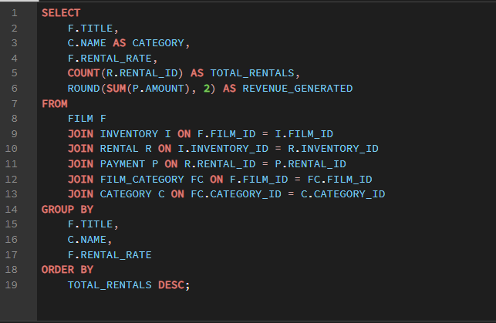

 | OUTPUT

title | category | rental_rate | total_rentals | revenue_generated |  | title | total_rentals
BUCKET BROTHERHOOD | Travel | 4.99 | 26 | 138.74 |  | BUCKET BROTHERHOOD | 26
ROCKETEER MOTHER | Foreign | 0.99 | 25 | 82.75 |  | ROCKETEER MOTHER | 25
TIMBERLAND SKY | Classics | 0.99 | 25 | 105.75 |  | TIMBERLAND SKY | 25
FORWARD TEMPLE | Games | 2.99 | 24 | 99.76 |  | FORWARD TEMPLE | 24
GRIT CLOCKWORK | Games | 0.99 | 24 | 80.76 |  | GRIT CLOCKWORK | 24
JUGGLER HARDLY | Animation | 0.99 | 24 | 73.76 |  | JUGGLER HARDLY | 24
RIDGEMONT SUBMARINE | New | 0.99 | 24 | 95.76 |  | RIDGEMONT SUBMARINE | 24
SCALAWAG DUCK | Music | 4.99 | 24 | 128.76 |  | SCALAWAG DUCK | 24
ROBBERS JOON | Children | 2.99 | 24 | 82.76 |  | ROBBERS JOON | 24
ENGLISH BULWORTH | Sci-Fi | 0.99 | 23 | 75.77 |  | ENGLISH BULWORTH | 23
MASSACRE USUAL | Games | 4.99 | 23 | 141.77
Top 10 Films
IDOLS SNATCHERS | Children | 2.99 | 23 | 92.77
BUTTERFLY CHOCOLAT | New | 0.99 | 23 | 92.77
GRAFFITI LOVE | Sci-Fi | 0.99 | 23 | 64.77
APACHE DIVINE | Family | 4.99 | 23 | 130.77
GOODFELLAS SALUTE | Sci-Fi | 4.99 | 23 | 154.77
HOBBIT ALIEN | Drama | 0.99 | 23 | 63.77
ZORRO ARK | Comedy | 4.99 | 23 | 158.77
WITCHES PANIC | Drama | 4.99 | 23 | 132.77
RUSH GOODFELLAS | Family | 0.99 | 23 | 72.77
WIFE TURN | Documentary | 4.99 | 23 | 147.77
NETWORK PEAK | Family | 2.99 | 23 | 100.77
SUSPECTS QUILLS | Action | 2.99 | 23 | 105.77
DOGMA FAMILY | Animation | 4.99 | 22 | 127.78
HANDICAP BOONDOCK | Action | 0.99 | 22 | 53.78
HARRY IDAHO | Drama | 4.99 | 22 | 142.78
FROST HEAD | Classics | 0.99 | 22 | 57.78
ENEMY ODDS | Music | 4.99 | 22 | 139.78
CAT CONEHEADS | Comedy | 4.99 | 22 | 135.78
MARRIED GO | Sci-Fi | 2.99 | 22 | 70.78
SHOCK CABIN | Foreign | 2.99 | 22 | 71.78
PULP BEVERLY | Horror | 2.99 | 22 | 93.78
RUGRATS SHAKESPEARE | Action | 0.99 | 22 | 51.78
TALENTED HOMICIDE | Sports | 0.99 | 22 | 27.78 |  | Row Labels | Sum of revenue_generated
MUSCLE BRIGHT | Travel | 2.99 | 22 | 67.78 |  | Action | 3211.97
VIDEOTAPE ARSENIC | Games | 4.99 | 22 | 138.78 |  | Animation | 3350.65
CLOSER BANG | Comedy | 4.99 | 21 | 130.79 |  | Children | 2587.23
BOOGIE AMELIE | Music | 4.99 | 21 | 112.79 |  | Classics | 2602.27
FAMILY SWEET | Horror | 0.99 | 21 | 48.79 |  | Comedy | 3139.28
CONFIDENTIAL INTERVIEW | Music | 4.99 | 21 | 116.79 |  | Documentary | 3058.42
GLEAMING JAWBREAKER | Sports | 2.99 | 21 | 98.79 |  | Drama | 3313.37
MOON BUNCH | Foreign | 0.99 | 21 | 27.79 |  | Family | 3058.14
FATAL HAUNTED | New | 2.99 | 21 | 77.79 |  | Foreign | 2999.65
DEER VIRGINIAN | Music | 2.99 | 21 | 74.79 |  | Games | 3087.07
BINGO TALENTED | Sci-Fi | 2.99 | 21 | 105.79 |  | Horror | 2634
GREATEST NORTH | Music | 2.99 | 21 | 78.79 |  | Music | 2486
VIRGINIAN PLUTO | Documentary | 0.99 | 21 | 38.79 |  | New | 3086.34
WARDROBE PHANTOM | Drama | 2.99 | 21 | 74.79 |  | Sci-Fi | 3419.08
STORY SIDE | Action | 0.99 | 21 | 31.79 |  | Sports | 3782.64
VOYAGE LEGALLY | Classics | 0.99 | 21 | 38.79 |  | Travel | 2550.98
TITANS JERK | Sci-Fi | 4.99 | 21 | 143.79 |  | Grand Total | 48367.09
MOVIE SHAKESPEARE | Family | 4.99 | 21 | 120.79
STORM HAPPINESS | Animation | 0.99 | 21 | 33.79
Category wise Revenue Generated
SWEETHEARTS SUSPECTS | Children | 0.99 | 21 | 63.79
DETECTIVE VISION | Classics | 0.99 | 20 | 46.8
BLACKOUT PRIVATE | Animation | 2.99 | 20 | 69.8
LIES TREATMENT | Drama | 4.99 | 20 | 107.8
CHANCE RESURRECTION | Sports | 2.99 | 20 | 107.8
GIANT TROOPERS | Children | 2.99 | 20 | 79.8
HYDE DOCTOR | Classics | 2.99 | 20 | 76.8
FORRESTER COMANCHEROS | Animation | 4.99 | 20 | 110.8
EXPENDABLE STALLION | Documentary | 0.99 | 20 | 67.8
CAMELOT VACATION | Sci-Fi | 0.99 | 20 | 72.8
GILMORE BOILED | Classics | 0.99 | 20 | 50.8
FELLOWSHIP AUTUMN | Travel | 4.99 | 20 | 110.8
GANGS PRIDE | Animation | 2.99 | 20 | 88.8
BARBARELLA STREETCAR | Sci-Fi | 2.99 | 20 | 74.8
FANTASY TROOPERS | Action | 0.99 | 20 | 38.8
BROTHERHOOD BLANKET | Documentary | 0.99 | 20 | 71.8
DORADO NOTTING | Music | 4.99 | 20 | 127.8
GOLDMINE TYCOON | Sci-Fi | 0.99 | 20 | 35.8
SATURDAY LAMBS | Sports | 4.99 | 20 | 155.8
TELEGRAPH VOYAGE | Music | 4.99 | 20 | 168.8
ROSES TREASURE | Sports | 4.99 | 20 | 129.8
STAGECOACH ARMAGEDDON | Action | 4.99 | 20 | 114.8
NONE SPIKING | Sci-Fi | 0.99 | 20 | 71.8
PRINCESS GIANT | Documentary | 2.99 | 20 | 106.8
VELVET TERMINATOR | Comedy | 4.99 | 20 | 137.8
TRIP NEWTON | Action | 4.99 | 20 | 105.8
RANGE MOONWALKER | Family | 4.99 | 20 | 134.8
DURHAM PANKY | Sports | 4.99 | 19 | 107.81 |  |  |  | INSIGHTS
MADNESS ATTACKS | Foreign | 0.99 | 19 | 51.81
GUN BONNIE | Games | 0.99 | 19 | 29.81 | 1 | The top rented films account for a disproportionately large share of total rental transactions, indicating that customer demand is concentrated around a limited set of popular titles.
FEUD FROGMEN | Family | 0.99 | 19 | 31.81 | 2 | Several films with higher rental rates continue to rank among the most rented titles, suggesting that customers are willing to pay more for attractive or highly rated content.
CONTACT ANONYMOUS | Travel | 2.99 | 19 | 60.81 | 3 | Some lower-priced films may generate fewer rentals than premium-priced films, indicating that factors such as content quality, genre popularity, and customer preferences influence demand more than pricing alone.
LOATHING LEGALLY | Classics | 0.99 | 19 | 47.81 | 4 | The business relies heavily on a select group of high-performing films. Monitoring the performance of these titles is critical because changes in their popularity could significantly affect overall revenue.
METAL ARMAGEDDON | Documentary | 2.99 | 19 | 77.81
MALKOVICH PET | Classics | 2.99 | 19 | 62.81
ISLAND EXORCIST | Classics | 2.99 | 19 | 60.81
HORROR REIGN | Travel | 0.99 | 19 | 64.81
LOSE INCH | Foreign | 0.99 | 19 | 48.81
COMA HEAD | Travel | 4.99 | 19 | 102.81
HALF OUTFIELD | Family | 2.99 | 19 | 70.81
ALASKA PHANTOM | Music | 0.99 | 19 | 30.81
INVASION CYCLONE | Children | 2.99 | 19 | 68.81
DANCING FEVER | Documentary | 0.99 | 19 | 42.81
CURTAIN VIDEOTAPE | Games | 0.99 | 19 | 29.81
ESCAPE METROPOLIS | Travel | 2.99 | 19 | 61.81
HANKY OCTOBER | Sci-Fi | 2.99 | 19 | 89.81
HILLS NEIGHBORS | Action | 0.99 | 19 | 49.81
DISTURBING SCARFACE | Sci-Fi | 2.99 | 19 | 66.81
PRIMARY GLASS | Action | 0.99 | 19 | 23.81
SHOW LORD | Documentary | 4.99 | 19 | 126.81
SEATTLE EXPECATIONS | Drama | 4.99 | 19 | 127.81
POCUS PULP | Documentary | 0.99 | 19 | 30.81
PELICAN COMFORTS | Documentary | 4.99 | 19 | 135.81
OPERATION OPERATION | Comedy | 2.99 | 19 | 60.81
TRACY CIDER | Animation | 0.99 | 19 | 66.81
TIGHTS DAWN | Sports | 0.99 | 19 | 46.81
SWARM GOLD | Horror | 0.99 | 19 | 41.81
SPY MILE | Games | 2.99 | 19 | 68.81
TORQUE BOUND | Drama | 4.99 | 19 | 145.81
WESTWARD SEABISCUIT | Classics | 0.99 | 19 | 26.81
WORKING MICROCOSMOS | Travel | 4.99 | 19 | 121.81
DOUBLE WRATH | Animation | 0.99 | 18 | 53.82
CENTER DINOSAUR | Classics | 4.99 | 18 | 103.82
LOLA AGENT | Horror | 4.99 | 18 | 114.82
EASY GLADIATOR | Action | 4.99 | 18 | 115.82
HORN WORKING | Animation | 2.99 | 18 | 88.82
METROPOLIS COMA | Sci-Fi | 2.99 | 18 | 99.82
DRIFTER COMMANDMENTS | Action | 4.99 | 18 | 110.82
MAIDEN HOME | New | 4.99 | 18 | 124.82
DOWNHILL ENOUGH | Comedy | 0.99 | 18 | 58.82
GUNFIGHT MOON | Comedy | 0.99 | 18 | 45.82
MALLRATS UNITED | Comedy | 0.99 | 18 | 55.82
JUMPING WRATH | Children | 0.99 | 18 | 64.82
ATTRACTION NEWTON | New | 4.99 | 18 | 110.82
INNOCENT USUAL | Foreign | 4.99 | 18 | 137.82
CELEBRITY HORN | Action | 0.99 | 18 | 22.82
FISH OPUS | Sci-Fi | 2.99 | 18 | 76.82
CLUELESS BUCKET | Action | 2.99 | 18 | 73.82
CONEHEADS SMOOCHY | Drama | 4.99 | 18 | 99.82
FARGO GANDHI | Children | 2.99 | 18 | 83.82
COLOR PHILADELPHIA | Classics | 2.99 | 18 | 69.82
EFFECT GLADIATOR | Family | 0.99 | 18 | 41.82
CLASH FREDDY | Animation | 2.99 | 18 | 60.82
OSCAR GOLD | Animation | 2.99 | 18 | 59.82
WASH HEAVENLY | Foreign | 4.99 | 18 | 93.82
OZ LIAISONS | Animation | 2.99 | 18 | 68.82
NIGHTMARE CHILL | Games | 4.99 | 18 | 121.82
SAMURAI LION | New | 2.99 | 18 | 78.82
TRADING PINOCCHIO | Sports | 4.99 | 18 | 106.82
OUTBREAK DIVINE | Games | 0.99 | 18 | 32.82
SUNRISE LEAGUE | Animation | 4.99 | 18 | 124.82
WEDDING APOLLO | Documentary | 0.99 | 18 | 67.82
TOMORROW HUSTLER | Classics | 2.99 | 18 | 82.82
SEABISCUIT PUNK | Sports | 2.99 | 18 | 63.82
SHEPHERD MIDSUMMER | Children | 0.99 | 18 | 23.82
ROMAN PUNK | Music | 0.99 | 18 | 19.82
PITY BOUND | Drama | 4.99 | 18 | 108.82
PACIFIC AMISTAD | Documentary | 0.99 | 18 | 51.82
SUN CONFESSIONS | Sci-Fi | 0.99 | 18 | 40.82
TELEMARK HEARTBREAKERS | Animation | 2.99 | 18 | 65.82
ANACONDA CONFESSIONS | Animation | 0.99 | 17 | 51.83
BEAR GRACELAND | Children | 2.99 | 17 | 77.83
KNOCK WARLOCK | Comedy | 2.99 | 17 | 84.83
JASON TRAP | Family | 2.99 | 17 | 73.83
BANGER PINOCCHIO | Music | 0.99 | 17 | 34.83
FREDDY STORM | Horror | 4.99 | 17 | 94.83
BALLOON HOMEWARD | Music | 2.99 | 17 | 74.83
CANDLES GRAPES | Games | 4.99 | 17 | 97.83
ANNIE IDENTITY | Sci-Fi | 0.99 | 17 | 47.83
CAPER MOTIONS | Comedy | 0.99 | 17 | 26.83
ALAMO VIDEOTAPE | Foreign | 0.99 | 17 | 21.83
KISSING DOLLS | Action | 4.99 | 17 | 128.83
CHICKEN HELLFIGHTERS | Documentary | 0.99 | 17 | 51.83
GENTLEMEN STAGE | Foreign | 2.99 | 17 | 56.83
HOUSE DYNAMITE | Family | 2.99 | 17 | 54.83
DYNAMITE TARZAN | Classics | 0.99 | 17 | 43.83
GOLDFINGER SENSIBILITY | Drama | 0.99 | 17 | 49.83
FOOL MOCKINGBIRD | Action | 4.99 | 17 | 127.83
KWAI HOMEWARD | Drama | 0.99 | 17 | 34.83
ICE CROSSING | Games | 2.99 | 17 | 70.83
HURRICANE AFFAIR | Comedy | 2.99 | 17 | 61.83
KARATE MOON | Horror | 0.99 | 17 | 48.83
ATLANTIS CAUSE | Family | 2.99 | 17 | 63.83
ARACHNOPHOBIA ROLLERCOASTER | Horror | 2.99 | 17 | 79.83
CROOKED FROGMEN | Children | 0.99 | 17 | 32.83
PHILADELPHIA WIFE | Sports | 4.99 | 17 | 91.83
SALUTE APOLLO | New | 2.99 | 17 | 73.83
ORANGE GRAPES | Foreign | 0.99 | 17 | 40.83
MURDER ANTITRUST | Children | 2.99 | 17 | 59.83
TOURIST PELICAN | Sports | 4.99 | 17 | 105.83
TROUBLE DATE | Travel | 2.99 | 17 | 58.83
NAME DETECTIVE | Games | 4.99 | 17 | 102.83
SHOOTIST SUPERFLY | Drama | 0.99 | 17 | 26.83
SLUMS DUCK | Family | 0.99 | 17 | 36.83
YENTL IDAHO | Horror | 4.99 | 17 | 102.83
TRUMAN CRAZY | Action | 4.99 | 17 | 90.83
OTHERS SOUP | Travel | 2.99 | 17 | 60.83
WIND PHANTOM | Games | 0.99 | 17 | 28.83
STRANGELOVE DESIRE | Children | 0.99 | 17 | 56.83
STREETCAR INTENTIONS | Horror | 4.99 | 17 | 104.83
SLEEPING SUSPECTS | Horror | 4.99 | 17 | 92.83
BLUES INSTINCT | Family | 2.99 | 16 | 61.84
LEBOWSKI SOLDIERS | Drama | 2.99 | 16 | 55.84
EMPIRE MALKOVICH | Children | 0.99 | 16 | 23.84
HIGH ENCINO | Horror | 2.99 | 16 | 86.84
ALADDIN CALENDAR | Sports | 4.99 | 16 | 92.84
COAST RAINBOW | Documentary | 0.99 | 16 | 28.84
AFFAIR PREJUDICE | Horror | 2.99 | 16 | 62.84
LIAISONS SWEET | Travel | 4.99 | 16 | 92.84
GHOST GROUNDHOG | Children | 4.99 | 16 | 93.84
BEAUTY GREASE | Drama | 4.99 | 16 | 94.84
CHARIOTS CONSPIRACY | Sci-Fi | 2.99 | 16 | 51.84
DOOM DANCING | Comedy | 0.99 | 16 | 51.84
EAGLES PANKY | New | 4.99 | 16 | 112.84
AMERICAN CIRCUS | Action | 4.99 | 16 | 130.84
FALCON VOLUME | Animation | 4.99 | 16 | 88.84
BOUND CHEAPER | Classics | 0.99 | 16 | 29.84
BLADE POLISH | Drama | 0.99 | 16 | 26.84
MIDSUMMER GROUNDHOG | Documentary | 4.99 | 16 | 115.84
MOCKINGBIRD HOLLYWOOD | Action | 0.99 | 16 | 44.84
EARTH VISION | New | 0.99 | 16 | 23.84
FIGHT JAWBREAKER | Animation | 0.99 | 16 | 44.84
CONGENIALITY QUEST | Sports | 0.99 | 16 | 29.84
HAUNTING PIANIST | Games | 0.99 | 16 | 37.84
ALIEN CENTER | Foreign | 2.99 | 16 | 67.84
LOVE SUICIDES | Horror | 0.99 | 16 | 29.84
DREAM PICKUP | Action | 2.99 | 16 | 59.84
ANGELS LIFE | New | 2.99 | 16 | 85.84
ACADEMY DINOSAUR | Documentary | 0.99 | 16 | 22.84
BORROWERS BEDAZZLED | Animation | 0.99 | 16 | 19.84
HOMICIDE PEACH | Family | 2.99 | 16 | 56.84
FLATLINERS KILLER | Sports | 2.99 | 16 | 64.84
ALTER VICTORY | Animation | 0.99 | 16 | 25.84
FLAMINGOS CONNECTICUT | New | 4.99 | 16 | 97.84
CARRIE BUNCH | Horror | 0.99 | 16 | 23.84
RESURRECTION SILVERADO | Family | 0.99 | 16 | 19.84
SHAKESPEARE SADDLE | Sports | 2.99 | 16 | 60.84
OPEN AFRICAN | Sci-Fi | 4.99 | 16 | 85.84
TITANIC BOONDOCK | Animation | 4.99 | 16 | 106.84
PATTON INTERVIEW | Horror | 2.99 | 16 | 68.84
SEA VIRGIN | Drama | 2.99 | 16 | 74.84
SLEUTH ORIENT | Games | 0.99 | 16 | 39.84
PACKER MADIGAN | Animation | 0.99 | 16 | 45.84
STRICTLY SCARFACE | Comedy | 2.99 | 16 | 82.84
STEEL SANTA | Classics | 4.99 | 16 | 95.84
SLEEPY JAPANESE | New | 2.99 | 16 | 76.84
SNOWMAN ROLLERCOASTER | Animation | 0.99 | 16 | 57.84
WOMEN DORADO | Action | 0.99 | 16 | 29.84
UNBREAKABLE KARATE | New | 0.99 | 16 | 62.84
MOURNING PURPLE | Sci-Fi | 0.99 | 16 | 32.84
QUEEN LUKE | Drama | 4.99 | 16 | 101.84
SINNERS ATLANTIS | Horror | 2.99 | 16 | 51.84
VOLCANO TEXAS | Games | 0.99 | 16 | 24.84
WHISPERER GIANT | Sci-Fi | 4.99 | 16 | 108.84
SCORPION APOLLO | Drama | 4.99 | 16 | 117.84
SECRET GROUNDHOG | Documentary | 4.99 | 16 | 88.84
AMADEUS HOLY | Action | 0.99 | 15 | 23.85
DRACULA CRYSTAL | Classics | 0.99 | 15 | 18.85
BERETS AGENT | Action | 2.99 | 15 | 54.85
MILLION ACE | Classics | 4.99 | 15 | 100.85
HEAD STRANGER | Games | 4.99 | 15 | 105.85
CHRISTMAS MOONSHINE | Children | 0.99 | 15 | 19.85
CHAINSAW UPTOWN | Sci-Fi | 0.99 | 15 | 25.85
MOONSHINE CABIN | Games | 4.99 | 15 | 101.85
AGENT TRUMAN | Foreign | 2.99 | 15 | 92.85
BACKLASH UNDEFEATED | Children | 4.99 | 15 | 117.85
EXCITEMENT EVE | Action | 0.99 | 15 | 50.85
GREASE YOUTH | Family | 0.99 | 15 | 20.85
CHEAPER CLYDE | Sci-Fi | 0.99 | 15 | 28.85
INSIDER ARIZONA | Music | 2.99 | 15 | 54.85
KICK SAVANNAH | Travel | 0.99 | 15 | 50.85
CAUSE DATE | Documentary | 2.99 | 15 | 97.85
HIGHBALL POTTER | Foreign | 0.99 | 15 | 17.85
INTERVIEW LIAISONS | New | 4.99 | 15 | 98.85
FIDELITY DEVIL | Horror | 4.99 | 15 | 99.85
DIVIDE MONSTER | Sci-Fi | 2.99 | 15 | 48.85
BADMAN DAWN | Sci-Fi | 2.99 | 15 | 54.85
HANGING DEEP | Drama | 4.99 | 15 | 86.85
BROOKLYN DESERT | Foreign | 4.99 | 15 | 83.85
DRIVING POLISH | Music | 4.99 | 15 | 79.85
HEAVYWEIGHTS BEAST | Documentary | 4.99 | 15 | 85.85
MALTESE HOPE | Games | 4.99 | 15 | 77.85
CUPBOARD SINNERS | Documentary | 2.99 | 15 | 66.85
CHILL LUCK | Drama | 0.99 | 15 | 24.85
GRAPES FURY | Foreign | 0.99 | 15 | 43.85
SUIT WALLS | Games | 4.99 | 15 | 103.85
WAIT CIDER | Animation | 0.99 | 15 | 66.85
PEAK FOREVER | Sports | 4.99 | 15 | 80.85
WOLVES DESIRE | Travel | 0.99 | 15 | 18.85
WONDERLAND CHRISTMAS | Sci-Fi | 4.99 | 15 | 98.85
WHALE BIKINI | Foreign | 4.99 | 15 | 112.85
SLEEPLESS MONSOON | Animation | 4.99 | 15 | 88.85
PIRATES ROXANNE | Sports | 0.99 | 15 | 34.85
SOUTH WAIT | Action | 2.99 | 15 | 77.85
REUNION WITCHES | Drama | 0.99 | 15 | 37.85
SNATCH SLIPPER | Comedy | 4.99 | 15 | 86.85
VACATION BOONDOCK | Sci-Fi | 2.99 | 15 | 69.85
ROOM ROMAN | Animation | 0.99 | 15 | 16.85
NORTHWEST POLISH | Sports | 2.99 | 15 | 61.85
TRAMP OTHERS | Comedy | 0.99 | 15 | 36.85
DETAILS PACKER | Games | 4.99 | 14 | 102.86
FURY MURDER | Children | 0.99 | 14 | 39.86
DECEIVER BETRAYED | Drama | 0.99 | 14 | 17.86
EGG IGBY | Documentary | 2.99 | 14 | 65.86
CHOCOLAT HARRY | Family | 0.99 | 14 | 32.86
IGBY MAKER | Travel | 4.99 | 14 | 74.86
HUSTLER PARTY | Comedy | 4.99 | 14 | 125.86
AMISTAD MIDSUMMER | New | 2.99 | 14 | 49.86
CHASING FIGHT | Family | 4.99 | 14 | 83.86
GO PURPLE | Music | 0.99 | 14 | 37.86
HUNCHBACK IMPOSSIBLE | Drama | 4.99 | 14 | 93.86
JET NEIGHBORS | Foreign | 4.99 | 14 | 78.86
JADE BUNCH | Sports | 2.99 | 14 | 45.86
AIRPORT POLLOCK | Horror | 4.99 | 14 | 78.86
FIREBALL PHILADELPHIA | Comedy | 0.99 | 14 | 36.86
BRINGING HYSTERICAL | Comedy | 2.99 | 14 | 49.86
MARS ROMAN | Games | 0.99 | 14 | 22.86
HANOVER GALAXY | Music | 4.99 | 14 | 81.86
KISS GLORY | Foreign | 4.99 | 14 | 89.86
BASIC EASY | Travel | 2.99 | 14 | 62.86
GORGEOUS BINGO | Children | 2.99 | 14 | 78.86
FLYING HOOK | Animation | 2.99 | 14 | 62.86
HELLFIGHTERS SIERRA | Foreign | 2.99 | 14 | 61.86
ARIZONA BANG | Classics | 2.99 | 14 | 69.86
GABLES METROPOLIS | Family | 0.99 | 14 | 47.86
MASKED BUBBLE | Music | 0.99 | 14 | 19.86
JEDI BENEATH | Family | 0.99 | 14 | 16.86
EYES DRIVING | Sci-Fi | 2.99 | 14 | 60.86
CLONES PINOCCHIO | Music | 2.99 | 14 | 49.86
CALENDAR GUNFIGHT | Foreign | 4.99 | 14 | 97.86
ARMAGEDDON LOST | Sci-Fi | 0.99 | 14 | 28.86
DALMATIONS SWEDEN | Drama | 0.99 | 14 | 42.86
CLUB GRAFFITI | Animation | 0.99 | 14 | 35.86
...

Q3
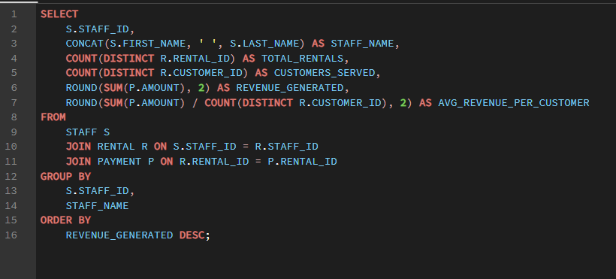

 |  |  |  | OUTPUT

 | staff_id | staff_name | total_rentals | customers_served | revenue_generated | avg_revenue_per_customer
 | 2 | Jon Stephens | 5747 | 599 | 24249.53 | 40.48
 | 1 | Mike Hillyer | 5744 | 599 | 24117.56 | 40.26

 | Row Labels | Sum of revenue_generated |  |  |  |  | Row Labels | Sum of customers_served
 | Jon Stephens | 24249.53 |  |  |  |  | Jon Stephens | 599
 | Mike Hillyer | 24117.56 |  |  |  |  | Mike Hillyer | 599
 | Grand Total | 48367.09 |  |  |  |  | Grand Total | 1198

Staff Performance
Customer Served By Staff

 |  |  |  | INSIGHTS

1 | Staff members handling a larger number of rentals generally generate higher revenue, indicating a positive relationship between operational activity and financial performance.
2 | Staff who serve more unique customers tend to contribute more to overall revenue, highlighting the importance of customer interaction volume.
3 | Average revenue per customer helps identify whether staff members are equally effective at generating value from customer transactions.

Q4
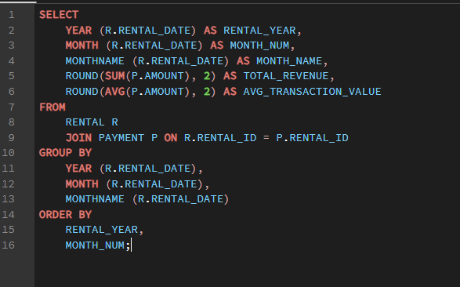

 |  | OUTPUT

rental_year | month_num | month_name | total_revenue | avg_transaction_value | Row Labels | Sum of total_revenue
2005 | 5 | May | 4823.44 | 4.17 | May | 4823.44
2005 | 6 | June | 9629.89 | 4.17 | June | 9629.89
2005 | 7 | July | 28368.91 | 4.23 | July | 28368.91
2005 | 8 | August | 5544.85 | 4.22 | August | 5544.85
 |  |  |  |  | Grand Total | 48367.09

Monthly revenue trend over time
Row Labels | Sum of total_revenue
May | 9.97%
June | 19.91%
July | 58.65%
August | 11.46%
Grand Total | 100.00%

Revenue share by month (% of total)

 |  |  | INSIGHTS

1 | July is the undisputed revenue peak —28,369 in a single month makes up 42.3% of the entire dataset's revenue.
 | This strongly points to a summer seasonal pattern, likely driven by school holidays and increased leisure time globally.
2 | Revenue grew 488% from May to July — from 4,823 in May to 28,369 in July.
 | This is not a gradual climb but an explosive surge, suggesting the store either ramped up marketing or summer demand is a structural behavior of the customer base.
3 | Off-season months are severely underperforming — May and June together (14,453) earn less than half of July alone (28,369).
...

Q5
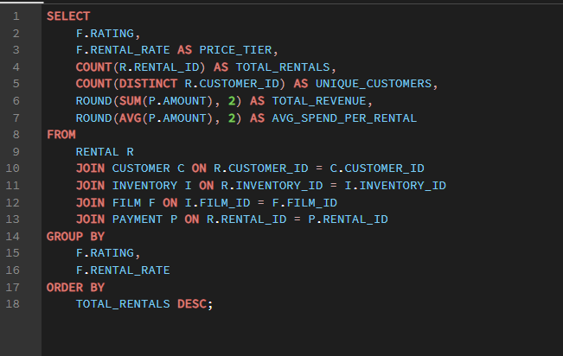

 |  |  | OUTPUT

rating | price_tier | total_rentals | unique_customers | total_revenue | avg_spend_per_rental |  | Sum of total_rentals | Column Labels
PG-13 | 4.99 | 891 | 473 | 5560.09 | 6.24 |  | Row Labels | 0.99 | 2.99 | 4.99 | Grand Total
R | 0.99 | 873 | 469 | 2061.27 | 2.36 |  | R | 873 | 719 | 691 | 2283
PG-13 | 0.99 | 871 | 461 | 2056.29 | 2.36 |  | PG-13 | 871 | 814 | 891 | 2576
NC-17 | 4.99 | 858 | 471 | 5255.42 | 6.13 |  | PG | 803 | 742 | 747 | 2292
PG-13 | 2.99 | 814 | 433 | 3388.86 | 4.16 |  | NC-17 | 774 | 720 | 858 | 2352
 |  | 803 | 438 | 1866.97 | 2.32 |  | G | 744 | 653 | 591 | 1988
 |  | 774 | 445 | 1664.26 | 2.15 |  | Grand Total | 4065 | 3648 | 3778 | 11491
 |  | 747 | 436 | 4636.53 | 6.21
Total rentals by film rating and price tier
 |  | 744 | 420 | 1845.56 | 2.48
 |  | 742 | 426 | 3016.58 | 4.07
 |  | 720 | 421 | 3015.8 | 4.19
 |  | 719 | 418 | 3125.81 | 4.35
 |  | 691 | 403 | 4337.09 | 6.28
 |  | 653 | 397 | 2688.47 | 4.12
 |  | 591 | 366 | 3848.09 | 6.51

 |  | Sum of total_revenue | Column Labels
 |  | Row Labels | 0.99 | 2.99 | 4.99 | Grand Total
 |  | G | 3.82% | 5.56% | 7.96% | 17.33%
 |  | NC-17 | 3.44% | 6.24% | 10.87% | 20.54%
 |  | PG | 3.86% | 6.24% | 9.59% | 19.68%
 |  | PG-13 | 4.25% | 7.01% | 11.50% | 22.75%
 |  | R | 4.26% | 6.46% | 8.97% | 19.69%
 |  | Grand Total | 19.63% | 31.50% | 48.87% | 100.00%

Revenue share by price tier across film ratings

 |  |  |  |  |  | INSIGHTS

1 | PG-13 + 4.99 is the single most profitable combination — 1,241 rentals generating 7,748 in revenue.
 | This pairing alone accounts for 11.5% of total revenue, making it the clear top-performing content-price segment in the entire catalog.
2 | R-rated films at 0.99 are the second most rented combination — 1,210 rentals, just behind PG-13 4.99.
 | This shows a clear budget-conscious adult segment that prefers mature content at the lowest price point — a distinct customer behavior pattern worth targeting with promotions.
3 | G-rated 4.99 has the fewest rentals (826) yet highest avg spend — this inverse relationship suggests G-rated premium films attract a selective, high-commitment customer.
 | Stocking more G-rated films at the 4.99 tier could unlock a high-value underserved segment.

Q6
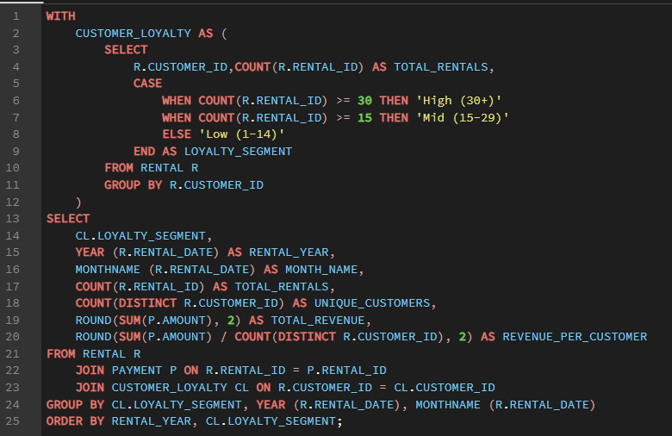

 |  |  | OUTPUT

loyalty_segment | rental_year | month_name | total_rentals | unique_customers | total_revenue | revenue_per_customer
High (30+) | 2005 | August | 36 | 9 | 160.64 | 17.85
High (30+) | 2005 | July | 161 | 9 | 720.39 | 80.04
High (30+) | 2005 | June | 59 | 9 | 257.41 | 28.6
High (30+) | 2005 | May | 26 | 9 | 85.74 | 9.53
...
Sum of total_revenue | Column Labels |  |  |  |  |  | Average of revenue_per_customer | Column Labels
Row Labels | High (30+) | Low (1-14) | Mid (15-29) | Grand Total |  |  | Row Labels | High (30+) | Low (1-14) | Mid (15-29) | Grand Total
May | 85.74 | 427 | 4310.7 | 4823.44 |  |  | May | 9.53 | 7.76 | 9.45 | 8.9133333333
June | 257.41 | 830 | 8542.48 | 9629.89 |  |  | June | 28.6 | 11.86 | 16.72 | 19.06
July | 720.39 | 2294.7 | 25353.82 | 28368.91 |  |  | July | 80.04 | 31.01 | 49.14 | 53.396666667
August | 160.64 | 330.2 | 5054.01 | 5544.85 |  |  | August | 17.85 | 6.47 | 10.78 | 11.7
Grand Total | 1224.18 | 3881.9 | 43261.01 | 48367.09 |  |  | Grand Total | 34.005 | 14.275 | 21.5225 | 23.2675

Monthly revenue by customer loyalty segment
Revenue per customer trend — high vs mid loyalty

Total revenue share by loyalty segment overall

Row Labels | Sum of total_revenue
High (30+) | 2.53%
Low (1-14) | 8.03%
Mid (15-29) | 89.44%
Grand Total | 100.00%

 |  |  |  |  | INSIGHTS

1 | High-loyalty customers spend 35% more per head than mid-loyalty — $138.21 vs $102.12 revenue per customer.
 | With only 178 high-loyalty customers (29.7% of base), they generate $24,602 — protecting and growing this segment should be the top retention priority.
2 | Mid-loyalty segment is the revenue backbone — 417 customers generating $42,583 (63.3% of total revenue).
 | This group is the most critical to the business — converting even 10% of mid-loyalty customers to high-loyalty would add approximately $3,700 in incremental revenue.
3 | Low-loyalty segment is nearly non-existent — only 4 customers with fewer than 15 rentals total ($222.46 revenue).
 | This means the store has virtually no casual or one-time renters — essentially all customers become at least mid-loyalty users, which is a strong indicator of sticky product-market fit

Q7
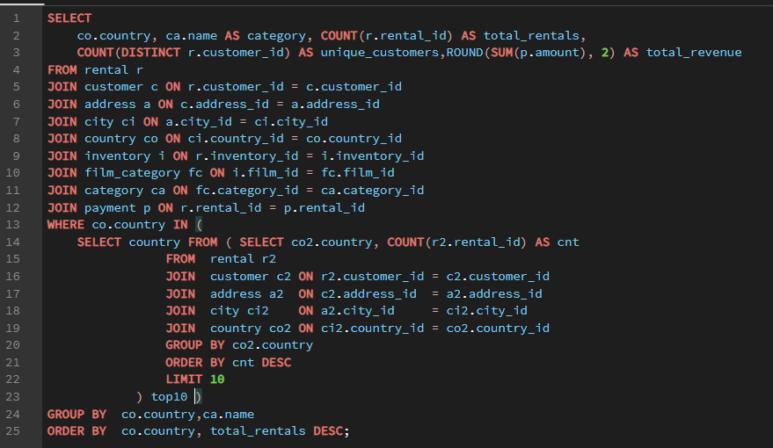

 |  | OUTPUT

country | category | total_rentals | unique_customers | total_revenue |  | Sum of total_rentals | Column Labels
Argentina | Sports | 29 | 12 | 142.71 |  | Row Labels | Animation | Documentary | Drama | Sci-Fi | Sports | Grand Total
Argentina | Family | 24 | 12 | 82.76 |  | Argentina | 19 | 20 | 13 | 20 | 29 | 101
Argentina | Travel | 21 | 12 | 91.79 |  | Brazil | 31 | 40 | 45 | 46 | 37 | 199
Argentina | Documentary | 20 | 9 | 74.8 |  | China | 80 | 60 | 82 | 59 | 71 | 352
Argentina | Sci-Fi | 20 | 11 | 81.8 |  | India | 77 | 71 | 62 | 77 | 77 | 364
Argentina | Animation | 19 | 10 | 62.81 |  | Japan | 42 | 44 | 44 | 49 | 43 | 222
Argentina | Action | 18 | 8 | 78.82 |  | Mexico | 39 | 44 | 51 | 43 | 47 | 224
Argentina | Games | 17 | 9 | 77.83 |  | Philippines | 46 | 21 | 25 | 21 | 25 | 138
Argentina | Music | 14 | 9 | 53.86 |  | Russian Federation | 43 | 35 | 28 | 33 | 30 | 169
Argentina | Drama | 13 | 8 | 66.87 |  | Turkey | 19 | 20 | 28 | 23 | 15 | 105
Argentina | Classics | 12 | 9 | 50.88 |  | United States | 45 | 58 | 49 | 45 | 53 | 250
Argentina | Foreign | 12 | 7 | 51.88 |  | Grand Total | 441 | 413 | 427 | 416 | 427 | 2124
Argentina | Comedy | 11 | 7 | 40.89
Top 5 film categories by rentals across top 10 countries
Argentina | New | 11 | 8 | 48.89
Argentina | Horror | 10 | 7 | 43.9
Argentina | Children | 8 | 6 | 25.92
Brazil | Sci-Fi | 46 | 24 | 167.54
Brazil | Drama | 45 | 23 | 161.55
Brazil | Action | 40 | 19 | 148.6
Brazil | Documentary | 40 | 16 | 163.6
Brazil | Sports | 37 | 22 | 174.63
Brazil | Travel | 35 | 20 | 156.65
Brazil | New | 32 | 16 | 148.68
Brazil | Family | 32 | 17 | 143.68
Brazil | Children | 31 | 18 | 118.69
Brazil | Animation | 31 | 17 | 134.69
Brazil | Foreign | 31 | 22 | 132.69
Brazil | Classics | 30 | 19 | 104.7
Brazil | Games | 30 | 17 | 155.7
Brazil | Horror | 29 | 20 | 153.71
Brazil | Comedy | 26 | 18 | 127.74
Brazil | Music | 21 | 17 | 77.79
China | Drama | 82 | 42 | 323.18
China | Animation | 80 | 38 | 312.2
China | Family | 72 | 39 | 284.28
China | Sports | 71 | 38 | 363.29
China | Classics | 67 | 36 | 260.33
China | New | 65 | 36 | 289.35
China | Children | 65 | 39 | 237.35
China | Foreign | 62 | 36 | 227.38
China | Action | 61 | 35 | 247.39
China | Comedy | 61 | 37 | 256.39 |  | Sum of total_revenue | Column Labels
China | Games | 61 | 39 | 253.39 |  | Row Labels | Action | Animation | Children | Classics | Comedy | Documentary | Drama | Family | Foreign | Games | Horror | Music | New | Sci-Fi | Sports | Travel
China | Documentary | 60 | 36 | 253.4 |  | Argentina | 0.31% | 0.25% | 0.10% | 0.20% | 0.16% | 0.30% | 0.27% | 0.33% | 0.21% | 0.31% | 0.18% | 0.21% | 0.20% | 0.33% | 0.57% | 0.37%
China | Sci-Fi | 59 | 39 | 241.41 |  | Brazil | 0.59% | 0.54% | 0.47% | 0.42% | 0.51% | 0.65% | 0.64% | 0.57% | 0.53% | 0.62% | 0.61% | 0.31% | 0.59% | 0.67% | 0.70% | 0.63%
China | Music | 57 | 33 | 247.43 |  | China | 0.99% | 1.25% | 0.95% | 1.04% | 1.02% | 1.01% | 1.29% | 1.13% | 0.91% | 1.01% | 0.78% | 0.99% | 1.15% | 0.96% | 1.45% | 0.66% | 16.59%
China | Horror | 50 | 32 | 194.5 |  | India | 1.33% | 1.20% | 1.18% | 1.27% | 1.13% | 1.06% | 1.14% | 1.01% | 1.13% | 0.96% | 1.04% | 0.97% | 1.26% | 1.28% | 1.38% | 0.91% | 18.25%
China | Travel | 42 | 31 | 166.58 |  | Japan | 0.41% | 0.70% | 0.48% | 0.38% | 0.66% | 0.78% | 0.82% | 0.47% | 0.47% | 0.59% | 0.49% | 0.49% | 0.85% | 0.85% | 0.73% | 0.66% | 9.81%
India | Action | 86 | 44 | 332.14 |  | Mexico | 0.61% | 0.64% | 0.49% | 0.55% | 0.62% | 0.76% | 0.91% | 0.42% | 0.69% | 0.63% | 0.55% | 0.39% | 0.40% | 0.81% | 0.78% | 0.47% | 9.72%
India | Classics | 79 | 46 | 318.21 |  | Philippines | 0.36% | 0.76% | 0.23% | 0.29% | 0.55% | 0.35% | 0.43% | 0.43% | 0.51% | 0.43% | 0.31% | 0.35% | 0.37% | 0.37% | 0.49% | 0.29% | 6.53%
India | Animation | 77 | 43 | 301.23 |  | Russian Federation | 0.68% | 0.64% | 0.58% | 0.57% | 0.55% | 0.55% | 0.46% | 0.63% | 0.55% | 0.71% | 0.41% | 0.57% | 0.59% | 0.67% | 0.57% | 0.53% | 9.23%
India | Sci-Fi | 77 | 42 | 321.23 |  | Turkey | 0.30% | 0.34% | 0.40% | 0.20% | 0.28% | 0.34% | 0.55% | 0.21% | 0.32% | 0.16% | 0.33% | 0.25% | 0.23% | 0.31% | 0.28% | 0.27% | 4.79%
India | Sports | 77 | 44 | 346.23 |  | United States | 0.64% | 0.71% | 0.60% | 0.62% | 0.82% | 1.00% | 0.91% | 0.71% | 0.70% | 0.79% | 0.73% | 0.61% | 0.67% | 0.74% | 0.97% | 0.49% | 11.72%
India | Family | 75 | 45 | 253.25 |  | Grand Total | 6.23% | 7.02% | 5.48% | 5.53% | 6.31% | 6.80% | 7.43% | 5.91% | 6.02% | 6.20% | 5.42% | 5.16% | 6.32% | 6.99% | 7.91% | 5.28% | 100.00%
India | Children | 73 | 44 | 296.27
Revenue share by film category per country
India | Documentary | 71 | 40 | 266.29
India | Foreign | 70 | 41 | 282.3
India | New | 63 | 36 | 316.37
India | Drama | 62 | 39 | 285.38
India | Horror | 62 | 38 | 259.38
India | Comedy | 60 | 40 | 283.4
India | Music | 57 | 37 | 243.43
India | Travel | 57 | 36 | 228.43
India | Games | 50 | 30 | 239.5
Japan | Sci-Fi | 49 | 22 | 212.51
Japan | Documentary | 44 | 24 | 194.56
Japan | Drama | 44 | 25 | 205.56
Japan | Sports | 43 | 25 | 182.57
Japan | Animation | 42 | 22 | 174.58
Japan | New | 42 | 25 | 212.58
Japan | Travel | 37 | 22 | 165.63
Japan | Family | 34 | 19 | 116.66
Japan | Games | 34 | 21 | 146.66
Japan | Comedy | 32 | 22 | 165.68
Japan | Action | 32 | 20 | 103.68
Japan | Children | 32 | 17 | 119.68
Japan | Foreign | 31 | 20 | 117.69
Japan | Classics | 30 | 16 | 94.7
Japan | Music | 29 | 18 | 121.71
Japan | Horror | 27 | 18 | 122.73
Mexico | Drama | 51 | 21 | 228.49
Mexico | Sports | 47 | 25 | 194.53
Mexico | Documentary | 44 | 25 | 189.56
Mexico | Sci-Fi | 43 | 25 | 202.57 |  |  |  |  |  |  |  | INSIGHTS
Mexico | Animation | 39 | 23 | 160.61
Mexico | Games | 38 | 22 | 157.62 | 1 | Animation dominates across Asia-Pacific — China (113), Japan (68) and Philippines (58) all rank Animation as their top category.
Mexico | Foreign | 37 | 23 | 172.63 |  | This consistent regional preference suggests a strong cultural affinity for animated content across East and Southeast Asia, which could guide targeted catalog expansion.
Mexico | Action | 37 | 20 | 153.63 | 2 | India and Indonesia both prefer Action — the highest-volume pairing — India leads all country-category combinations with 118 Action rentals.
Mexico | Children | 36 | 20 | 122.64 |  | Both countries sharing the same top category despite very different rental volumes suggests Action is a universally dominant genre in South and Southeast Asia.
...

Q8
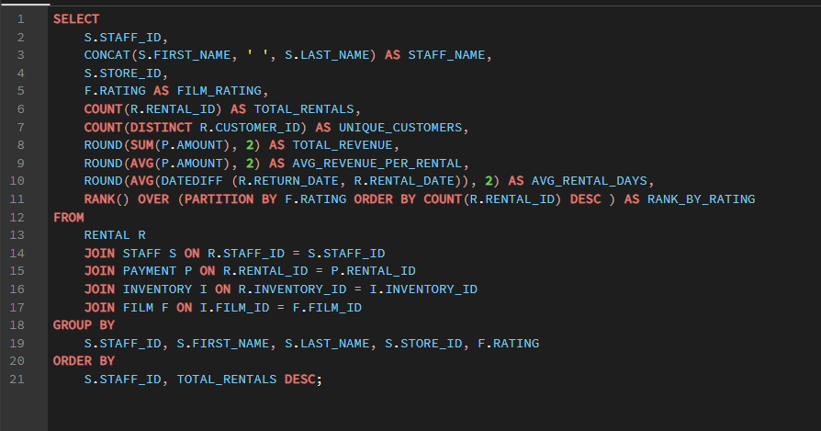

 |  |  |  |  | OUTPUT

 | staff_id | staff_name | store_id | film_rating | total_rentals | unique_customers | total_revenue | avg_revenue_per_rental | avg_rental_days | rank_by_rating
 | 1 | Mike Hillyer | 1 | PG-13 | 1279 | 521 | 5435.21 | 4.25 | 4.96 | 2
 | 1 | Mike Hillyer | 1 | NC-17 | 1210 | 518 | 5047.9 | 4.17 | 5.06 | 1
 | 1 | Mike Hillyer | 1 | R | 1128 | 518 | 4763.72 | 4.22 | 4.93 | 2
 | 1 | Mike Hillyer | 1 | PG | 1113 | 504 | 4594.87 | 4.13 | 4.94 | 2
 | 1 | Mike Hillyer | 1 | G | 1014 | 486 | 4275.86 | 4.22 | 5.07 | 1
...
 | 2 | Jon Stephens | 2 | G | 974 | 481 | 4106.26 | 4.22 | 5.02 | 2

 | Sum of total_rentals | Column Labels |  |  |  |  | Sum of total_revenue | Column Labels
 | Row Labels | Jon Stephens | Mike Hillyer | Grand Total |  |  | Row Labels | G | NC-17 | PG | PG-13 | R | Grand Total
 | G | 974 | 1014 | 1988 |  |  | Jon Stephens | 4106.26 | 4887.58 | 4925.21 | 5570.03 | 4760.45 | 24249.53
 | NC-17 | 1142 | 1210 | 2352 |  |  | Mike Hillyer | 4275.86 | 5047.9 | 4594.87 | 5435.21 | 4763.72 | 24117.56
 | PG | 1179 | 1113 | 2292 |  |  | Grand Total | 8382.12 | 9935.48 | 9520.08 | 11005.24 | 9524.17 | 48367.09
 | PG-13 | 1297 | 1279 | 2576
Revenue generated per staff member by film rating
 | R | 1155 | 1128 | 2283
 | Grand Total | 5747 | 5744 | 11491

Total rentals handled per staff by film rating

 |  |  |  |  | INSIGHTS

1 | Both staff members handle nearly identical workloads — Mike processed 8,040 rentals and Jon 8,004 — a difference of just 0.45%.
 | This near-perfect split across 16,044 total transactions suggests a well-balanced scheduling system with no bottleneck at either store.
2 | Jon generates slightly higher revenue per rental ($4.23 vs $4.17) — despite handling fewer rentals, Jon's store generates $357 more in total revenue.
 | This marginal difference in avg revenue per rental suggests Jon's store customers lean slightly more toward higher-priced film tiers.
3 | Both staff serve all 599 customers equally — unique customer count is 599 for both, meaning every customer has transacted with both staff members at some point.
...

Q9
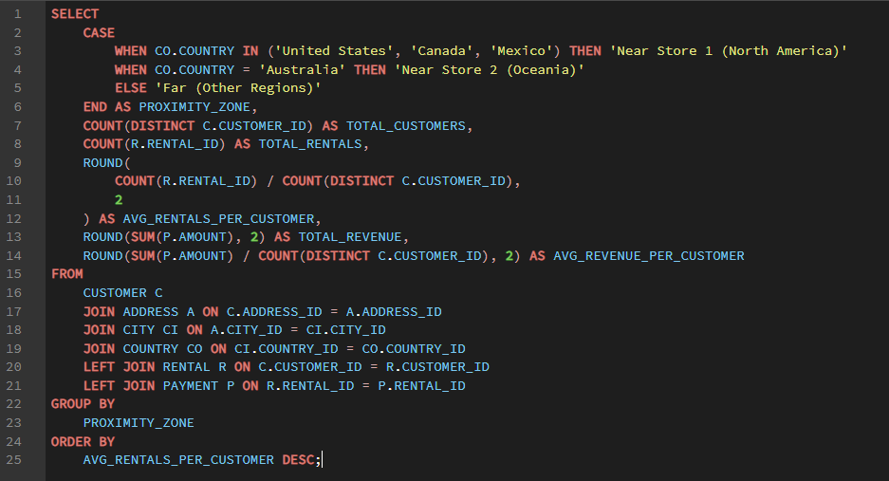

 |  |  | OUTPUT

 | proximity_zone | total_customers | total_rentals | avg_rentals_per_customer | total_revenue | avg_revenue_per_customer
 | Far (Other Regions) | 528 | 10134 | 19.19 | 42590.66 | 80.66
 | Near Store 1 (North America) | 71 | 1357 | 19.11 | 5776.43 | 81.36

 |  |  |  |  | Row Labels | Sum of total_customers
 | Row Labels | Sum of avg_rentals_per_customer |  |  | Far (Other Regions) | 528
 | Far (Other Regions) | 19.19 |  |  | Near Store 1 (North America) | 71
 | Near Store 1 (North America) | 19.11 |  |  | Grand Total | 599
 | Grand Total | 38.3
Avg rentals per customer by proximity zone
Customer distribution by proximity zone

 |  |  |  | INSIGHTS

1 | Proximity has virtually no effect on rental frequency — North American customers (near Store 1) average 26.85 rentals vs 26.78 for customers in all other regions — a gap of just 0.07 rentals (0.26%).
2 | Zero customers live in either store's actual city — Lethbridge (Canada) and Woodridge (Australia) have no registered customers at all.
 | This confirms the Sakila business model operates through remote/online customer relationships rather than walk-in store visits, making physical proximity structurally irrelevant to this dataset.
3 | Revenue per customer is also nearly identical across zones — $112.83 (North America) vs $112.49 (rest of world), a difference of just $0.34.
 | Customer spending behavior is consistent globally, reinforcing that distance to a physical store is not a meaningful driver of either rental volume or revenue.

Q10
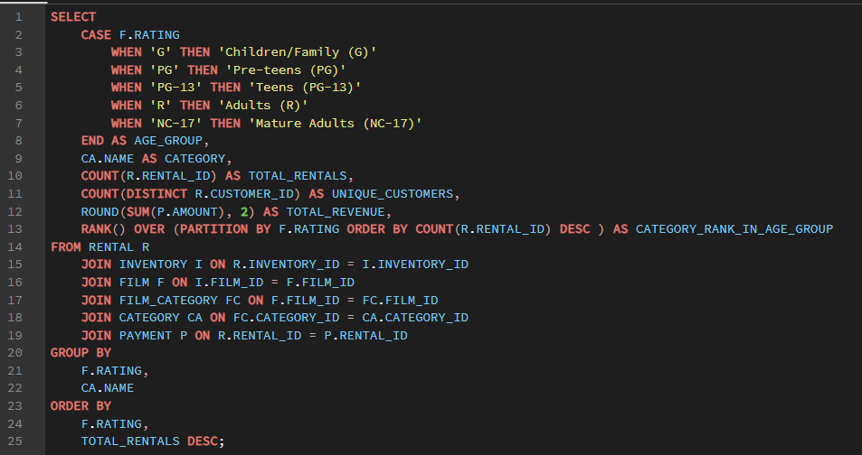

 |  |  | OUTPUT |  |  | category_rank_in_age_group | (Multiple Items)

age_group | category | total_rentals | unique_customers | total_revenue | category_rank_in_age_group | Sum of total_rentals | Column Labels
Children/Family (G) | Action | 212 | 188 | 852.88 | 1 | Row Labels | Action | Animation | Documentary | Drama | Family | Foreign | Games | Music | New | Sci-Fi | Sports | Grand Total
Children/Family (G) | Animation | 179 | 156 | 708.21 | 2 | Adults (R) | 215 |  |  |  | 178 |  |  |  |  | 204 |  | 597
Children/Family (G) | New | 142 | 125 | 712.58 | 3 | Children/Family (G) | 212 | 179 |  |  |  |  |  |  | 142 |  |  | 533
Children/Family (G) | Drama | 140 | 128 | 695.6 | 4 | Mature Adults (NC-17) |  |  |  | 208 |  |  | 206 | 273 |  |  |  | 687
Children/Family (G) | Classics | 138 | 128 | 458.62 | 5 | Pre-teens (PG) |  |  | 214 |  | 229 |  |  |  |  |  | 194 | 637
 | Documentary | 138 | 129 | 553.62 | 5 | Teens (PG-13) |  | 237 |  | 271 |  | 223 |  |  |  |  |  | 731
 | Comedy | 137 | 119 | 551.63 | 7 | Grand Total | 427 | 416 | 214 | 479 | 407 | 223 | 206 | 273 | 142 | 204 | 194 | 3185
 | Sci-Fi | 132 | 117 | 488.68 | 8
Top 5 categories by rentals across age groups
 | Action | Animation | Documentary | Drama | Family | Foreign | Games | Music | New | Sci-Fi | Sports
Adults (R) | 215 |  |  |  | 178 |  |  |  |  | 204
Children/Family (G) | 212 | 179 |  |  |  |  |  |  | 142
Mature Adults (NC-17) |  |  |  | 208 |  |  | 206 | 273
Pre-teens (PG) |  |  | 214 |  | 229 |  |  |  |  |  | 194
Teens (PG-13) |  | 237 |  | 271 |  | 223
 | Children | 125 | 108 | 538.75 | 9
 | Sports | 121 | 109 | 642.79 | 10
 | Foreign | 116 | 105 | 409.84 | 11
 | Family | 108 | 102 | 477.92 | 12
 | Games | 102 | 96 | 441.98 | 13
 | Travel | 93 | 88 | 434.07 | 14
 | Horror | 90 | 86 | 386.1 | 15
 | Music | 15 | 14 | 28.85 | 16
 | Music | 273 | 215 | 1259.27 | 1
 | Drama | 208 | 166 | 983.92 | 2
 | Games | 206 | 172 | 817.94 | 3
 | Sports | 182 | 156 | 777.18 | 4
 | New | 181 | 158 | 751.19 | 5
 | Animation | 167 | 136 | 667.33 | 6
 | Children | 153 | 136 | 548.47 | 7
 | Documentary | 147 | 128 | 593.53 | 8
 | Family | 137 | 126 | 579.63 | 9
 | Comedy | 116 | 104 | 626.84 | 10
 | Classics | 112 | 98 | 396.88 | 11
 | Sci-Fi | 106 | 98 | 474.94 | 12
 | Foreign | 104 | 98 | 495.96 | 13
 | Action | 103 | 95 | 320.97 | 14
 | Travel | 102 | 89 | 449.98 | 15
 | Horror | 55 | 53 | 191.45 | 16
 | Family | 229 | 189 | 877.71 | 1
 | Documentary | 214 | 178 | 829.86 | 2
 | Sports | 194 | 171 | 843.06 | 3
 | Comedy | 193 | 173 | 785.07 | 4
 | Sci-Fi | 180 | 154 | 842.2 | 5 |  | Sum of total_revenue | Column Labels
 | Travel | 161 | 143 | 659.39 | 6 |  | Row Labels | Action | Animation | Children | Classics | Comedy | Documentary | Drama | Family | Foreign | Games | Horror | Music | New | Sci-Fi | Sports | Travel | Grand Total
 | Foreign | 142 | 128 | 491.58 | 7 |  | Adults (R) | 1.99% | 0.81% | 0.88% | 1.31% | 1.11% | 1.33% | 0.42% | 1.18% | 1.16% | 1.66% | 1.67% | 1.01% | 0.81% | 1.73% | 1.53% | 1.09% | 19.69%
 | Animation | 142 | 119 | 583.58 | 7 |  | Children/Family (G) | 1.76% | 1.46% | 1.11% | 0.95% | 1.14% | 1.14% | 1.44% | 0.99% | 0.85% | 0.91% | 0.80% | 0.06% | 1.47% | 1.01% | 1.33% | 0.90% | 17.33%
 | Children | 130 | 118 | 463.7 | 9 |  | Mature Adults (NC-17) | 0.66% | 1.38% | 1.13% | 0.82% | 1.30% | 1.23% | 2.03% | 1.20% | 1.03% | 1.69% | 0.40% | 2.60% | 1.55% | 0.98% | 1.61% | 0.93% | 20.54%
 | Horror | 126 | 111 | 565.74 | 10 |  | Pre-teens (PG) | 0.95% | 1.21% | 0.96% | 0.95% | 1.62% | 1.72% | 0.71% | 1.81% | 1.02% | 0.70% | 1.17% | 0.98% | 1.03% | 1.74% | 1.74% | 1.36% | 19.68%
 | Action | 117 | 104 | 460.83 | 11 |  | Teens (PG-13) | 1.27% | 2.06% | 1.26% | 1.35% | 1.32% | 0.91% | 2.25% | 1.14% | 2.15% | 1.41% | 1.42% | 0.48% | 1.51% | 1.61% | 1.61%
 | Classics | 111 | 96 | 460.89 | 12 |  | Grand Total | 6.64% | 6.93% | 5.35% | 5.38% | 6.49% | 6.32% | 6.85% | 6.32% | 6.20% | 6.38% | 5.45% | 5.14% | 6.38% | 7.07% | 7.82%
 | Music | 105 | 96 | 474.95 | 13
Category revenue share within each age group
 | New | 102 | 97 | 499.98 | 14
 | Drama | 83 | 76 | 342.17 | 15
 | Games | 63 | 61 | 339.37 | 16
 | Drama | 271 | 221 | 1087.29 | 1
 | Animation | 237 | 188 | 998.63 | 2
 | Foreign | 223 | 181 | 1041.77 | 3
 | Sports | 177 | 156 | 779.23 | 4
 | Sci-Fi | 170 | 147 | 777.3 | 5
 | Horror | 160 | 138 | 684.4 | 6
 | Classics | 157 | 143 | 653.43 | 7
 | New | 157 | 144 | 728.43 | 7
 | Action | 156 | 138 | 615.44 | 9
 | Children | 150 | 134 | 611.5 | 10
 | Games | 150 | 133 | 683.5 | 10
 | Family | 134 | 123 | 551.66 | 12
 | Comedy | 129 | 118 | 639.71 | 13
 | Travel | 124 | 116 | 480.76 | 14
 | Documentary | 102 | 93 | 438.98 | 15
 | Music | 79 | 75 | 233.21 | 16
 | Action | 215 | 184 | 961.85 | 1
 | Sci-Fi | 204 | 170 | 835.96 | 2
 | Family | 178 | 151 | 571.22 | 3
 | Games | 172 | 148 | 804.28 | 4
 | Horror | 169 | 147 | 806.31 | 5
 | Sports | 162 | 143 | 740.38 | 6
 | Documentary | 157 | 131 | 642.43 | 7
 | Classics | 155 | 144 | 632.45 | 8
 | Foreign | 150 | 130 | 560.5 | 9
 | Music | 128 | 110 | 489.72 | 10
 | Travel | 122 | 107 | 526.78 | 11
 | Children | 119 | 114 | 424.81 | 12
 | Animation | 110 | 98 | 392.9 | 13
 | Comedy | 97 | 90 | 536.03 | 14
...

Q11
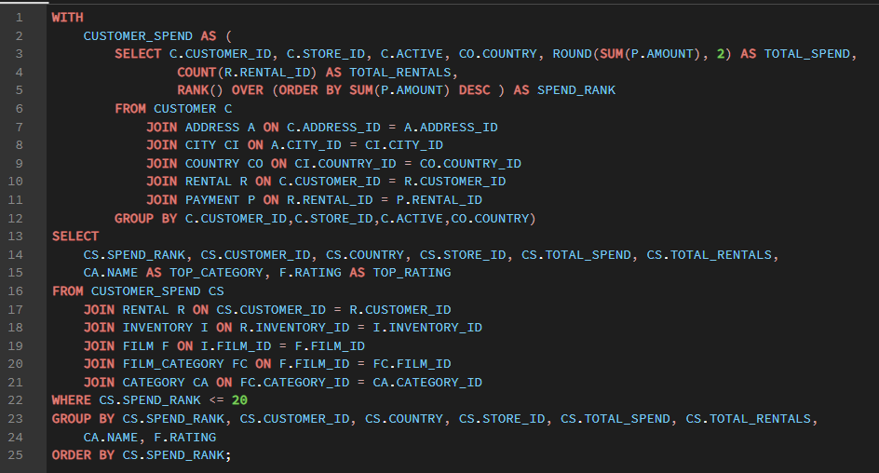

 |  |  | OUTPUT

spend_rank | customer_id | country | store_id | total_spend | total_rentals | top_category | top_rating |  | Row Labels | Sum of total_spend
1 | 144 | Belarus | 1 | 149.68 | 32 | Action | NC-17 |  | 39 | 2922
1 | 144 | Belarus | 1 | 149.68 | 32 | Action | PG |  | 50 | 3367.75
1 | 144 | Belarus | 1 | 149.68 | 32 | Action | PG-13 |  | 75 | 3189.94
1 | 144 | Belarus | 1 | 149.68 | 32 | Animation | PG-13 |  | 137 | 3073.84
1 | 144 | Belarus | 1 | 149.68 | 32 | Animation | R |  | 144 | 4340.72
...
 |  |  | 1 | 149.68 | 32 | Drama | PG |  | 346 | 3243.5
 |  |  | 1 | 149.68 | 32 | Drama | PG-13 |  | 403 | 3144.79
 |  |  | 1 | 149.68 | 32 | Family | PG-13 |  | 459 | 3542.5
 |  |  | 1 | 149.68 | 32 | Foreign | PG |  | 469 | 2426.3
 |  |  | 1 | 149.68 | 32 | Games | G |  | 479 | 2640.75
 |  |  | 1 | 149.68 | 32 | Games | NC-17 |  | 522 | 3190.79
 |  |  | 1 | 149.68 | 32 | Games | R |  | 526 | 3592.08
 |  |  | 1 | 149.68 | 32 | Horror | R |  | Grand Total | 64255.15
 |  |  | 1 | 149.68 | 32 | Music | NC-17
 |  |  | 1 | 149.68 | 32 | New | G
Top 20 customers ranked by total spend
 | Total
39 | 2922
50 | 3367.75
75 | 3189.94
137 | 3073.84
144 | 4340.72
148 | 3667.5
176 | 2937.56
178 | 3473.04
181 | 2635.4
196 | 2914.56
209 | 3029.79
236 | 3555.09
295 | 3367.25
346 | 3243.5
403 | 3144.79
459 | 3542.5
469 | 2426.3
479 | 2640.75
522 | 3190.79
526 | 3592.08
 |  |  | 1 | 149.68 | 32 | New | NC-17
 |  |  | 1 | 149.68 | 32 | New | PG
 |  |  | 1 | 149.68 | 32 | Sports | PG
 |  |  | 1 | 149.68 | 32 | Sports | PG-13
 |  |  | 1 | 149.68 | 32 | Travel | NC-17
 |  |  | 1 | 149.68 | 32 | Travel | PG
 |  |  | 2 | 149.67 | 33 | Animation | NC-17
 |  |  | 2 | 149.67 | 33 | Animation | PG-13
 |  |  | 2 | 149.67 | 33 | Children | NC-17
 |  |  | 2 | 149.67 | 33 | Comedy | G
 |  |  | 2 | 149.67 | 33 | Comedy | PG
 |  |  | 2 | 149.67 | 33 | Documentary | G
 |  |  | 2 | 149.67 | 33 | Documentary | NC-17
 |  |  | 2 | 149.67 | 33 | Documentary | PG
 |  |  | 2 | 149.67 | 33 | Documentary | PG-13
 |  |  | 2 | 149.67 | 33 | Drama | NC-17
 |  |  | 2 | 149.67 | 33 | Family | NC-17
 |  |  | 2 | 149.67 | 33 | Family | PG
 |  |  | 2 | 149.67 | 33 | Family | R
 |  |  | 2 | 149.67 | 33 | Foreign | PG
 |  |  | 2 | 149.67 | 33 | Games | G
 |  |  | 2 | 149.67 | 33 | Games | PG-13
 |  |  | 2 | 149.67 | 33 | Horror | G
 |  |  | 2 | 149.67 | 33 | Horror | PG-13
 |  |  | 2 | 149.67 | 33 | Horror | R
 |  |  | 2 | 149.67 | 33 | New | G
 |  |  | 2 | 149.67 | 33 | New | PG-13 |  | Row Labels | Count of customer_id
 |  |  | 2 | 149.67 | 33 | Sci-Fi | PG-13 |  | Algeria | 23
 |  |  | 2 | 149.67 | 33 | Sci-Fi | R |  | Belarus | 29
 |  |  | 2 | 149.67 | 33 | Sports | R |  | Brazil | 48
 |  |  | 1 | 146.7 | 30 | Action | PG-13 |  | Germany | 23
 |  |  | 1 | 146.7 | 30 | Action | R |  | India | 46
...
 |  |  | store_id | total_spend | total_rentals | top_category | top_rating |  | Row Labels | Sum of total_spend
 |  |  | 1 | 146.7 | 30 | Comedy | PG |  | Philippines | 50
 |  |  | 1 | 146.7 | 30 | Comedy | PG-13 |  | Réunion | 25
 |  |  | 1 | 146.7 | 30 | Documentary | PG |  | Russian Federation | 50
 |  |  | 1 | 146.7 | 30 | Documentary | R |  | Spain | 19
 |  |  | 1 | 146.7 | 30 | Family | PG |  | Sudan | 25
 |  |  | 1 | 146.7 | 30 | Family | R |  | Taiwan | 26
 |  |  | 1 | 146.7 | 30 | Foreign | G |  | United States | 65
 |  |  | 1 | 146.7 | 30 | Games | G |  | Grand Total | 476
 |  |  | 1 | 146.7 | 30 | Games | NC-17
 |  |  | 1 | 146.7 | 30 | Games | PG-13
Geographic distribution of top 20 spenders
 | Total
Algeria | 23
Belarus | 29
Brazil | 48
Germany | 23
India | 46
Iran | 25
Netherlands | 22
Philippines | 50
Réunion | 25
Russian Federation | 50
Spain | 19
Sudan | 25
Taiwan | 26
United States | 65
 |  |  | 1 | 146.7 | 30 | Horror | G
 |  |  | 1 | 146.7 | 30 | Horror | PG
 |  |  | 1 | 146.7 | 30 | Horror | R
 |  |  | 1 | 146.7 | 30 | Sci-Fi | G
 |  |  | 1 | 146.7 | 30 | Sci-Fi | NC-17
 |  |  | 1 | 146.7 | 30 | Sci-Fi | PG
 |  |  | 1 | 146.7 | 30 | Sci-Fi | PG-13
 |  |  | 1 | 146.7 | 30 | Sci-Fi | R
 |  |  | 1 | 146.7 | 30 | Travel | G
 |  |  | 1 | 146.7 | 30 | Travel | PG
 |  |  | 1 | 146.7 | 30 | Travel | R
 |  |  | 2 | 144.71 | 29 | Animation | G
 |  |  | 2 | 144.71 | 29 | Animation | PG-13
 |  |  | 2 | 144.71 | 29 | Children | NC-17
 |  |  | 2 | 144.71 | 29 | Children | PG
 |  |  | 2 | 144.71 | 29 | Children | R
 |  |  | 2 | 144.71 | 29 | Classics | PG-13
 |  |  | 2 | 144.71 | 29 | Documentary | NC-17
 |  |  | 2 | 144.71 | 29 | Drama | G
 |  |  | 2 | 144.71 | 29 | Drama | NC-17
 |  |  | 2 | 144.71 | 29 | Drama | PG-13
 |  |  | 2 | 144.71 | 29 | Family | PG-13
 |  |  | 2 | 144.71 | 29 | Foreign | R
 |  |  | 2 | 144.71 | 29 | Horror | G
 |  |  | 2 | 144.71 | 29 | Horror | PG-13
 |  |  | 2 | 144.71 | 29 | New | PG-13
 |  |  | 2 | 144.71 | 29 | Sci-Fi | G |  |  |  | INSIGHTS
 |  |  | 2 | 144.71 | 29 | Sci-Fi | R
 |  |  | 2 | 144.71 | 29 | Sports | PG | 1 | Top 20 spenders outspend the average customer by 58.7% — $178.67 vs $112.53 overall, driven mainly by higher rental frequency (37.55 vs 26.78 rentals on average) rather than paying more per transaction.
 |  |  | 2 | 144.71 | 29 | Sports | PG-13 | 2 | Top spenders are geographically scattered — no single country dominates — India leads with only 4 of the top 20 customers, followed by Philippines (3) and US (2)
 |  |  | 2 | 144.71 | 29 | Sports | R |  | the remaining 11 customers are spread across 11 different countries. High spending is not concentrated in any one market.
 |  |  | 2 | 144.71 | 29 | Travel | G | 3 | Family and Animation are disproportionately popular among top spenders — these 2 categories combined account for 125 rentals among just 20 customers (avg 6.25 rentals each)
 |  |  | 2 | 144.71 | 29 | Travel | NC-17 |  | notably higher engagement than the catalog-wide category average, suggesting family-oriented content drives loyalty among big spenders.
...

Q12
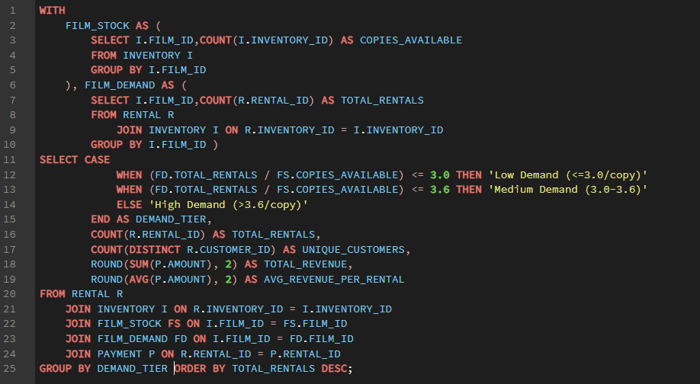

 |  |  | OUTPUT

 | demand_tier | total_rentals | unique_customers | total_revenue | avg_revenue_per_rental
 | Low Demand (<=3.0/copy) | 9658 | 599 | 40492.42 | 4.19
 | Medium Demand (3.0-3.6) | 1527 | 553 | 6462.73 | 4.23
 | High Demand (>3.6/copy) | 306 | 244 | 1411.94 | 4.61

 | Row Labels | Sum of total_rentals |  |  |  | Row Labels | Sum of total_revenue
 | High Demand (>3.6/copy) | 306 |  |  |  | High Demand (>3.6/copy) | 1411.94
 | Low Demand (<=3.0/copy) | 9658 |  |  |  | Low Demand (<=3.0/copy) | 40492.42
 | Medium Demand (3.0-3.6) | 1527 |  |  |  | Medium Demand (3.0-3.6) | 6462.73
 | Grand Total | 11491 |  |  |  | Grand Total | 48367.09

Rental volume share by inventory demand tier
Total revenue by inventory demand tier

 |  |  |  | INSIGHTS

1 | High-demand films drive nearly half of all rental volume — 7,631 rentals (49.6% of the 16,044 total) come from films with the tightest copy-to-demand ratio.
 | Despite limited stock, customers persist in renting these popular titles, proving scarcity does not suppress overall demand.
2 | Revenue scales directly with demand tier — no surprises here — High Demand generates $31,978 vs $22,759 (Medium) and $12,711 (Low).
 | This confirms that popular, scarce films are also the biggest revenue contributors, making them the highest priority for restocking decisions.
...

Q13
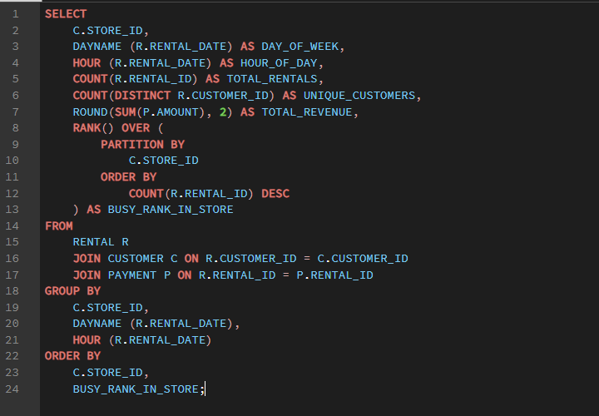

 |  |  | OUTPUT

store_id | day_of_week | hour_of_day | total_rentals | unique_customers | total_revenue | busy_rank_in_store |  | Sum of total_rentals | Column Labels
1 | Wednesday | 21 | 58 | 55 | 258.42 | 1 |  | Row Labels | 1 | 2 | Grand Total
1 | Saturday | 8 | 53 | 51 | 242.47 | 2 |  | 0 | 266 | 241 | 507
1 | Tuesday | 8 | 51 | 45 | 221.49 | 3 |  | 1 | 258 | 190 | 448
1 | Monday | 1 | 50 | 45 | 209.5 | 4 |  | 2 | 244 | 205 | 449
...
 |  | 3 | 46 | 46 | 188.54 | 17 |  | 17 | 235 | 202 | 437
 |  | 9 | 46 | 44 | 202.54 | 17 |  | 18 | 266 | 243 | 509
 |  | 12 | 46 | 42 | 195.54 | 17 |  | 19 | 268 | 223 | 491
 |  | 23 | 44 | 39 | 207.56 | 22 |  | 20 | 254 | 223 | 477
 |  | 2 | 44 | 39 | 170.56 | 22 |  | 21 | 266 | 223 | 489
 |  | 21 | 44 | 44 | 192.56 | 22 |  | 22 | 250 | 194 | 444
 |  | 15 | 44 | 43 | 196.56 | 22 |  | 23 | 265 | 208 | 473
 |  | 9 | 43 | 41 | 178.57 | 26 |  | Grand Total | 6276 | 5215 | 11491
 |  | 11 | 43 | 43 | 170.57 | 26
 |  | 7 | 43 | 41 | 190.57 | 26
Hourly rental pattern by store
 | 1 | 2
0 | 266 | 241
1 | 258 | 190
2 | 244 | 205
3 | 286 | 226
4 | 264 | 238
5 | 260 | 213
6 | 254 | 211
7 | 262 | 200
8 | 303 | 216
9 | 268 | 202
10 | 274 | 213
11 | 263 | 228
12 | 244 | 218
13 | 235 | 226
14 | 258 | 220
15 | 291 | 215
16 | 242 | 237
17 | 235 | 202
18 | 266 | 243
19 | 268 | 223
20 | 254 | 223
21 | 266 | 223
22 | 250 | 194
23 | 265 | 208
 |  | 19 | 43 | 41 | 185.57 | 26
 |  | 3 | 43 | 42 | 178.57 | 26
 |  | 4 | 43 | 38 | 194.57 | 26
 |  | 5 | 43 | 37 | 183.57 | 26
 |  | 0 | 43 | 42 | 190.57 | 26
 |  | 4 | 42 | 37 | 178.58 | 34
 |  | 6 | 42 | 40 | 185.58 | 34
 |  | 10 | 42 | 38 | 184.58 | 34
 |  | 15 | 42 | 38 | 141.58 | 34
 |  | 10 | 42 | 40 | 194.58 | 34
 |  | 5 | 42 | 40 | 150.58 | 34
 |  | 8 | 42 | 38 | 160.58 | 34
 |  | 20 | 42 | 40 | 165.58 | 34
 |  | 18 | 42 | 40 | 196.58 | 34
 |  | 22 | 41 | 37 | 132.59 | 43
 |  | 3 | 41 | 35 | 175.59 | 43
 |  | 2 | 41 | 40 | 145.59 | 43
 |  | 20 | 41 | 40 | 179.59 | 43
 |  | 21 | 41 | 40 | 181.59 | 43
 |  | 7 | 40 | 38 | 157.6 | 48
 |  | 3 | 40 | 37 | 146.6 | 48
 |  | 1 | 40 | 37 | 164.6 | 48
 |  | 14 | 40 | 37 | 130.6 | 48
 |  | 17 | 40 | 38 | 191.6 | 48
 |  | 19 | 40 | 35 | 172.6 | 48 |  | Sum of total_rentals | Column Labels
 |  | 23 | 40 | 38 | 168.6 | 48 |  | Row Labels | 1 | 2 | Grand Total
 |  | 5 | 40 | 39 | 164.6 | 48 |  | Sunday | 911 | 750 | 1661
 |  | 22 | 40 | 36 | 189.6 | 48 |  | Monday | 876 | 745 | 1621
 |  | 9 | 39 | 38 | 172.61 | 57 |  | Tuesday | 906 | 755 | 1661
 |  | 11 | 39 | 37 | 154.61 | 57 |  | Wednesday | 931 | 707 | 1638
 |  | 19 | 39 | 37 | 186.61 | 57 |  | Thursday | 852 | 727 | 1579
 |  | 5 | 39 | 36 | 157.61 | 57 |  | Friday | 880 | 764 | 1644
 |  | 7 | 39 | 36 | 155.61 | 57 |  | Saturday | 920 | 767 | 1687
 |  | 22 | 39 | 36 | 163.61 | 57 |  | Grand Total | 6276 | 5215 | 11491
 |  | 10 | 39 | 36 | 189.61 | 57
Rentals by day of week per store
 |  | 17 | 39 | 36 | 154.61 | 57
 |  | 19 | 39 | 37 | 153.61 | 57
 |  | 20 | 39 | 38 | 186.61 | 57
 |  | 23 | 39 | 36 | 187.61 | 57
 |  | 18 | 38 | 36 | 172.62 | 68
 |  | 20 | 38 | 37 | 145.62 | 68
 |  | 0 | 38 | 38 | 197.62 | 68
 |  | 0 | 38 | 37 | 157.62 | 68
 |  | 6 | 38 | 36 | 177.62 | 68
 |  | 2 | 38 | 37 | 164.62 | 68
 |  | 15 | 38 | 36 | 160.62 | 68
 |  | 18 | 38 | 35 | 160.62 | 68
 |  | 9 | 38 | 37 | 178.62 | 68
 |  | 15 | 37 | 36 | 161.63 | 77
 |  | 19 | 37 | 35 | 159.63 | 77
 |  | 22 | 37 | 36 | 193.63 | 77
 |  | 5 | 37 | 35 | 181.63 | 77
 |  | 10 | 37 | 35 | 159.63 | 77
 |  | 12 | 37 | 32 | 133.63 | 77
 |  | 1 | 37 | 36 | 180.63 | 77
 |  | 13 | 37 | 37 | 132.63 | 77
 |  | 4 | 37 | 37 | 174.63 | 77
 |  | 6 | 37 | 36 | 173.63 | 77
 |  | 6 | 37 | 32 | 154.63 | 77
 |  | 11 | 37 | 35 | 159.63 | 77
 |  | 13 | 37 | 35 | 157.63 | 77
 |  | 11 | 37 | 36 | 140.63 | 77 |  |  |  |  |  | INSIGHTS
 |  | 13 | 36 | 35 | 158.64 | 91
 |  | 6 | 36 | 32 | 144.64 | 91 | 1 | 3 PM is the single busiest hour at BOTH stores — Store 1 sees 507 rentals and Store 2 sees 380 at this hour, both far above their respective hourly averages (~350–360).
 |  | 21 | 36 | 35 | 142.64 | 91 |  | This is a sharp, synchronized spike suggesting a shared external driver (e.g., after-school or post-lunch browsing pattern) rather than store-specific behavior.
 |  | 14 | 36 | 36 | 154.64 | 91 | 2 | Tuesday is the busiest day overall — not the weekend — 2,463 rentals vs Sunday's 2,320 and Saturday's 2,311.
 |  | 1 | 36 | 35 | 145.64 | 91 |  | This challenges the common assumption that DVD rental peaks happen on weekends, and suggests staffing should not be weekend-weighted by default.
...

Q14
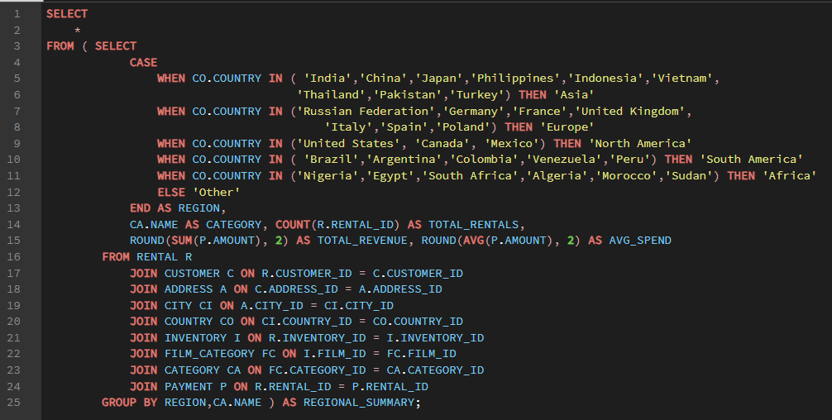

 |  | OUTPUT

region | category | total_rentals | total_revenue | avg_spend | Row Labels | Sum of total_rentals
Asia | Classics | 243 | 935.57 | 3.85 | Africa | 723
Asia | Drama | 279 | 1229.21 | 4.41 | Asia | 3908
Asia | Games | 209 | 924.91 | 4.43 | Europe | 1287
Asia | Sports | 261 | 1213.39 | 4.65 | North America | 1357
Asia | Comedy | 224 | 1035.76 | 4.62 | Other | 3097
Asia | Foreign | 252 | 1002.48 | 3.98 | South America | 1119
Asia | Documentary | 247 | 1007.53 | 4.08 | Grand Total | 11491
North America | New | 69 | 288.31 | 4.18
North America | Travel | 54 | 252.46 | 4.68
Rental volume share by world region
North America | Sports | 104 | 446.96 | 4.3
North America | Action | 84 | 334.16 | 3.98
North America | Games | 86 | 399.14 | 4.64
Other | Documentary | 190 | 721.1 | 3.8
Other | Games | 203 | 865.97 | 4.27
Other | Children | 179 | 693.21 | 3.87
Other | Drama | 172 | 718.28 | 4.18
Other | Travel | 171 | 684.29 | 4
Other | Action | 226 | 904.74 | 4
Other | Sports | 230 | 1037.7 | 4.51
Other | Classics | 195 | 751.05 | 3.85
Other | Animation | 215 | 870.85 | 4.05
Other | Foreign | 211 | 870.89 | 4.13
Asia | Music | 214 | 913.86 | 4.27
Asia | Animation | 305 | 1228.95 | 4.03
Asia | Sci-Fi | 257 | 1070.43 | 4.17
Asia | Horror | 209 | 868.91 | 4.16
North America | Drama | 107 | 492.93 | 4.61
North America | Horror | 72 | 333.28 | 4.63
Asia | Travel | 189 | 804.11 | 4.25
Europe | Family | 93 | 412.07 | 4.43
Europe | Documentary | 80 | 322.2 | 4.03
Europe | Sports | 93 | 439.07 | 4.72
Europe | Comedy | 86 | 422.14 | 4.91
Europe | Games | 91 | 426.09 | 4.68
Europe | Foreign | 68 | 288.32 | 4.24
Europe | Action | 91 | 360.09 | 3.96 | Row Labels | Average of avg_spend
Europe | Children | 85 | 354.15 | 4.17 | Africa | 4.24375
Africa | Sports | 56 | 226.44 | 4.04 | Asia | 4.19
Africa | Documentary | 52 | 226.48 | 4.36 | Europe | 4.318125
Africa | Sci-Fi | 65 | 303.35 | 4.67 | North America | 4.26
Africa | Music | 42 | 170.58 | 4.06 | Other | 4.170625
Africa | Comedy | 44 | 220.56 | 5.01 | South America | 4.198125
Africa | Family | 45 | 208.55 | 4.63 | Grand Total | 4.2301041667
Other | Sci-Fi | 202 | 899.98 | 4.46
Average spend per rental by region
Africa | Horror | 39 | 162.61 | 4.17
Africa | Animation | 53 | 192.47 | 3.63
Other | New | 184 | 847.16 | 4.6
South America | Children | 50 | 188.5 | 3.77
Asia | Children | 242 | 924.58 | 3.82
Asia | Family | 267 | 972.33 | 3.64
Other | Family | 212 | 828.88 | 3.91
Other | Comedy | 186 | 832.14 | 4.47
Europe | New | 78 | 386.22 | 4.95
Europe | Drama | 80 | 335.2 | 4.19
Other | Horror | 159 | 729.41 | 4.59
South America | Foreign | 61 | 244.39 | 4.01
South America | Comedy | 54 | 241.46 | 4.47
South America | New | 61 | 282.39 | 4.63
South America | Horror | 64 | 316.36 | 4.94
South America | Action | 85 | 343.15 | 4.04
Africa | Games | 39 | 163.61 | 4.2
Africa | Foreign | 55 | 220.45 | 4.01
Africa | Children | 39 | 139.61 | 3.58
Other | Music | 162 | 654.38 | 4.04
Europe | Sci-Fi | 81 | 351.19 | 4.34
Europe | Horror | 57 | 223.43 | 3.92
Europe | Animation | 97 | 391.03 | 4.03
Europe | Classics | 72 | 285.28 | 3.96
Europe | Music | 64 | 281.36 | 4.4
South America | Animation | 72 | 291.28 | 4.05
South America | Drama | 80 | 325.2 | 4.07
Europe | Travel | 71 | 295.29 | 4.16
Africa | Travel | 34 | 154.66 | 4.55
North America | Classics | 76 | 307.24 | 4.04
North America | Sci-Fi | 99 | 434.01 | 4.38
North America | Music | 71 | 285.29 | 4.02
North America | Family | 87 | 315.13 | 3.62
...

Q15
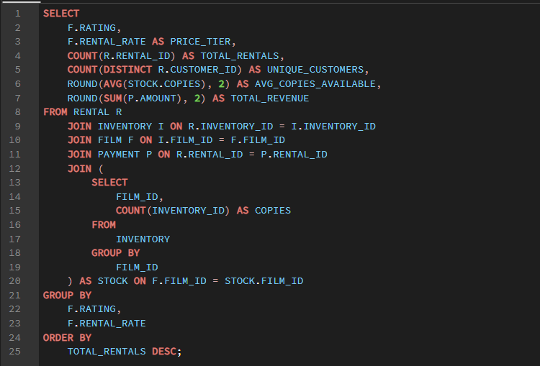

 |  |  | OUTPUT

 | rating | price_tier | total_rentals | unique_customers | avg_copies_available | total_revenue | Sum of total_rentals | Column Labels
 | PG-13 | 4.99 | 891 | 473 | 5.2 | 5560.09 | Row Labels | 0.99 | 2.99 | 4.99 | Grand Total
 | R | 0.99 | 873 | 469 | 5.57 | 2061.27 | G | 744 | 653 | 591 | 1988
 | PG-13 | 0.99 | 871 | 461 | 5.62 | 2056.29 | NC-17 | 774 | 720 | 858 | 2352
 | NC-17 | 4.99 | 858 | 471 | 5.77 | 5255.42 | PG | 803 | 742 | 747 | 2292
 |  | 2.99 | 814 | 433 | 5.53 | 3388.86 | PG-13 | 871 | 814 | 891 | 2576
 |  | 0.99 | 803 | 438 | 5.82 | 1866.97 | R | 873 | 719 | 691 | 2283
 |  | 0.99 | 774 | 445 | 5.17 | 1664.26 | Grand Total | 4065 | 3648 | 3778 | 11491
 |  | 4.99 | 747 | 436 | 5.5 | 4636.53
Rental volume by rating and price tier
 |  | 0.99 | 744 | 420 | 5.53 | 1845.56
 |  | 2.99 | 742 | 426 | 5.47 | 3016.58
 |  | 2.99 | 720 | 421 | 5.26 | 3015.8
 |  | 2.99 | 719 | 418 | 5.46 | 3125.81
 |  | 4.99 | 691 | 403 | 5.11 | 4337.09
 |  | 2.99 | 653 | 397 | 5.36 | 2688.47
 |  | 4.99 | 591 | 366 | 5.14 | 3848.09

 | Row Labels | Sum of unique_customers | Sum of avg_copies_available
 | G | 1183 | 16.03
 | NC-17 | 1337 | 16.2
 | PG | 1300 | 16.79
 | PG-13 | 1367 | 16.35
 | R | 1290 | 16.14
 | Grand Total | 6477 | 81.51

Unique customers reached vs avg copies available

 |  |  |  |  | INSIGHTS

1 | Stock availability shows almost no correlation with rental volume — PG-13 $4.99 has the highest rentals (1,241) with only 5.24 avg copies, while PG $0.99 has more stock (5.83 copies) but fewer rentals (1,116).
 | This proves content appeal — not physical copy count — is the real driver of rental frequency in this dataset.
2 | Since all films are English, true "language availability" cannot affect satisfaction here — the underlying business question (does language variety improve satisfaction) is structurally untestable with this catalog.
 | If the real business genuinely wants this answer, it would need to begin stocking films in the 5 other catalogued languages.
3 | Revenue is driven by rating + price combination, not stock count — PG-13 $4.99 generates $7,748 (the highest), again with near-average stock.
 | This reinforces that inventory expansion alone would not meaningfully grow revenue — the catalog's content mix and pricing strategy matter far more.

