Q1
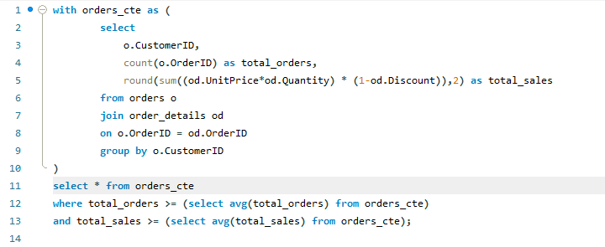

CUSTOMER SEGMENTATION
 | Sum of total_sales | Sum of total_orders
BERGS | 24927.58 | 52
BLONP | 18534.08 | 26
BONAP | 21170.5 | 41
BOTTM | 18089.38 | 30
ERNSH | 88226.08 | 92
FOLKO | 28757.56 | 44
FRANK | 23831.26 | 45
HANAR | 30107.37 | 28
HILAA | 21041.26 | 41
HUNGO | 48636.96 | 52
KOENE | 28748.38 | 37
LEHMS | 17631.44 | 35
LILAS | 15402.68 | 30
LINOD | 13143.38 | 30
MEREP | 28872.19 | 32
QUEEN | 23690.42 | 37
QUICK | 103971.06 | 81
RATTC | 49842.08 | 46
RICSU | 15612.88 | 25
SAVEA | 85023 | 102
SEVES | 16215.32 | 26
SUPRD | 21601.68 | 32
VAFFE | 15843.92 | 31
WARTH | 15378.7 | 35
WHITC | 17532.36 | 34
 | OUTPUT
CustomerID | total_orders | total_sales
HANAR | 28 | 30107.37
SUPRD | 32 | 21601.68
RICSU | 25 | 15612.88
HILAA | 41 | 21041.26
ERNSH | 92 | 88226.08
RATTC | 46 | 49842.08
FOLKO | 44 | 28757.56
BLONP | 26 | 18534.08
WARTH | 35 | 15378.7
FRANK | 45 | 23831.26
WHITC | 34 | 17532.36
QUICK | 81 | 103971.06
BERGS | 52 | 24927.58
LEHMS | 35 | 17631.44
LILAS | 30 | 15402.68
HUNGO | 52 | 48636.96
KOENE | 37 | 28748.38
SAVEA | 102 | 85023
BONAP | 41 | 21170.5
MEREP | 32 | 28872.19
SEVES | 26 | 16215.32
VAFFE | 31 | 15843.92
QUEEN | 37 | 23690.42
BOTTM | 30 | 18089.38
LINOD | 30 | 13143.38

 |  |  | INSIGHTS

 | 1 | A small number of orders is generating a large portion of revenue
 | 2 | Revenue is value-driven, not volume-driven
 | 3 | A few customers may be contributing disproportionately to total sales (possible VIP/high-value segment)
 | 4 | Increasing order frequency may have less impact than increasing average order value

Q2
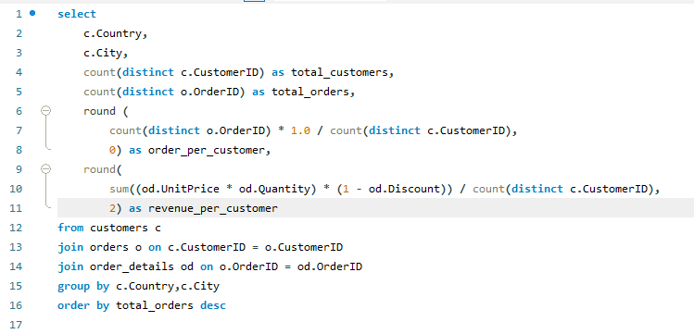

 |  |  | OUTPUT

Country | City | total_customers | total_orders | order_per_customer | revenue_per_customer
UK | London | 6 | 40 | 7 | 7377.3
Brazil | Rio de Janeiro | 3 | 31 | 10 | 15794.99
Brazil | SÃ£o Paulo | 4 | 29 | 7 | 9513.41 | Row Labels | Average of revenue_per_customer
USA | Boise | 1 | 28 | 28 | 85023 | Albuquerque | 49842.08
Austria | Graz | 1 | 27 | 27 | 88226.08 | Boise | 85023
Germany | Cunewalde | 1 | 27 | 27 | 103971.06 | BrÃ¤cke | 28757.56
Mexico | MÃ©xico D.F. | 5 | 26 | 5 | 4584.42 | Brandenburg | 28748.38
Sweden | BrÃ¤cke | 1 | 18 | 18 | 28757.56 | Cork | 48636.96
Sweden | LuleÃ¥ | 1 | 18 | 18 | 24927.58 | Cunewalde | 103971.06
Ireland | Cork | 1 | 18 | 18 | 48636.96 | Graz | 88226.08
USA | Albuquerque | 1 | 17 | 17 | 49842.08 | LuleÃ¥ | 24927.58
Venezuela | San CristÃ³bal | 1 | 17 | 17 | 21041.26 | MÃ¼nchen | 23831.26
France | Marseille | 1 | 16 | 16 | 21170.5 | MontrÃ©al | 28872.19
Argentina | Buenos Aires | 3 | 14 | 5 | 2579.37 | Grand Total | 51083.615
Top 10 Cities by Average Revenue per Customer
Germany | Frankfurt a.M. | 1 | 14 | 14 | 17631.44
Germany | MÃ¼nchen | 1 | 14 | 14 | 23831.26
Finland | Oulu | 1 | 14 | 14 | 15378.7
France | Toulouse | 1 | 13 | 13 | 9292.2
Portugal | Lisboa | 2 | 13 | 7 | 5736.18
Canada | MontrÃ©al | 1 | 13 | 13 | 28872.19
Germany | Brandenburg | 1 | 13 | 13 | 28748.38
USA | Seattle | 1 | 12 | 12 | 17532.36
Venezuela | Barquisimeto | 1 | 12 | 12 | 15402.68
Canada | Tsawassen | 1 | 11 | 11 | 18089.38
USA | Portland | 2 | 11 | 6 | 3022.3
Denmark | Ã…rhus | 1 | 11 | 11 | 15843.92
France | Strasbourg | 1 | 11 | 11 | 18534.08
Venezuela | I. de Margarita | 1 | 10 | 10 | 13143.38
Belgium | Charleroi | 1 | 10 | 10 | 21601.68
Italy | Reggio Emilia | 1 | 10 | 10 | 5996.84
Italy | Bergamo | 1 | 10 | 10 | 7176.22
France | Lyon | 1 | 10 | 10 | 9182.43
UK | Cowes | 1 | 10 | 10 | 6146.3
Brazil | Resende | 1 | 9 | 9 | 6068.2
USA | Anchorage | 1 | 9 | 9 | 14638.06
Austria | Salzburg | 1 | 9 | 9 | 20073.86
Germany | Stuttgart | 1 | 9 | 9 | 8102.62
Germany | KÃ¶ln | 1 | 9 | 9 | 11863.8
USA | Lander | 1 | 9 | 9 | 11441.63
USA | Eugene | 1 | 9 | 9 | 17797.45
Brazil | Campinas | 1 | 8 | 8 | 8140.54 | Row Labels | Sum of total_orders
Switzerland | GenÃ¨ve | 1 | 8 | 8 | 15612.88 | Argentina | 14
Spain | Sevilla | 1 | 8 | 8 | 10769.86 | Austria | 36
Belgium | Bruxelles | 1 | 7 | 7 | 9736.08 | Belgium | 17
Finland | Helsinki | 1 | 7 | 7 | 3161.35 | Brazil | 77
France | Nantes | 2 | 7 | 4 | 2394.03 | Canada | 27
Spain | Madrid | 2 | 7 | 4 | 2669.57 | Denmark | 17
Denmark | KÃ¸benhavn | 1 | 6 | 6 | 16585.01 | Finland | 21
Germany | Mannheim | 1 | 6 | 6 | 2381.8 | France | 74
Switzerland | Bern | 1 | 6 | 6 | 9289.08 | Germany | 112
Germany | MÃ¼nster | 1 | 6 | 6 | 4778.14 | Ireland | 18
Poland | Warszawa | 1 | 6 | 6 | 2940.35 | Italy | 24
France | Lille | 1 | 5 | 5 | 11666.9 | Mexico | 26
USA | Elgin | 1 | 5 | 5 | 3063.2 | Norway | 5
France | Reims | 1 | 5 | 5 | 1480 | Poland | 6
Germany | Berlin | 1 | 5 | 5 | 3339.5 | Portugal | 13
Norway | Stavern | 1 | 5 | 5 | 5112.8 | Spain | 20
Germany | Leipzig | 1 | 5 | 5 | 5042.2 | Sweden | 36
Spain | Barcelona | 1 | 5 | 5 | 836.7 | Switzerland | 14
France | Versailles | 1 | 4 | 4 | 1992.05 | UK | 50
USA | San Francisco | 1 | 4 | 4 | 3076.47 | USA | 112
Germany | Aachen | 1 | 4 | 4 | 1984.36 | Venezuela | 41
Italy | Torino | 1 | 4 | 4 | 249.7 | Grand Total | 760
Country-wise Total Orders
USA | Kirkland | 1 | 3 | 3 | 1571.2
France | Paris | 1 | 3 | 3 | 2213.35
Canada | Vancouver | 1 | 3 | 3 | 522.5
USA | Butte | 1 | 3 | 3 | 1947.24
USA | Walla Walla | 1 | 2 | 2 | 357
Venezuela | Caracas | 1 | 2 | 2 | 1488.7

 |  |  |  | INSIGHTS

1 | London(UK) has the highest customer concentration and contributes significantly to overall order volume, making it a key market for customer acquisition and retention strategies.
2 | Graz (Austria) and Cunewalde (Germany) Show Exceptional Customer Loyalty
 | Both cities have only 1 customer.
 | Each customer placed 27 orders.
3 | Boise (USA) Has the Most Active Individual Customer
 | 1 customer | 28 orders
 | Average orders per customer = 28
4 | Austria has the highest-value customer in the dataset. Although the customer base is small, revenue generation is exceptionally high.
5 | Germany has the widest geographic customer distribution, indicating strong market coverage and diversified revenue sources.

Q3
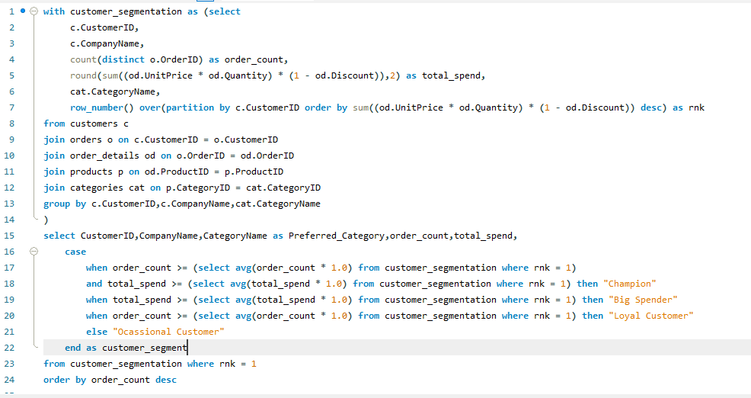

 |  | OUTPUT

CustomerID | CompanyName | Preferred_Category | order_count | total_spend | customer_segment
ERNSH | Ernst Handel | Dairy Products | 16 | 17994.96 | Champion
QUICK | QUICK-Stop | Beverages | 14 | 36059.68 | Champion
BERGS | Berglunds snabbkÃ¶p | Beverages | 11 | 8298.68 | Champion
SAVEA | Save-a-lot Markets | Meat/Poultry | 9 | 18561.53 | Champion | Row Labels | Count of CustomerID
BONAP | Bon app' | Seafood | 8 | 5368.58 | Champion | Big Spender | 5
HILAA | HILARIÃ“N-Abastos | Dairy Products | 8 | 7241.6 | Champion | Champion | 23
VAFFE | Vaffeljernet | Condiments | 7 | 3505.15 | Loyal Customer | Loyal Customer | 20
LILAS | LILA-Supermercado | Dairy Products | 7 | 7360.83 | Champion | Ocassional Customer | 41
KOENE | KÃ¶niglich Essen | Beverages | 7 | 9455.1 | Champion | Grand Total | 89
RATTC | Rattlesnake Canyon Grocery | Beverages | 7 | 18778.15 | Champion
CUSTOMER_SEGMENT VS NUMBER OF CUSTOMER
QUEEN | Queen Cozinha | Beverages | 7 | 9075.9 | Champion
FRANK | Frankenversand | Dairy Products | 7 | 8163.8 | Champion
WARTH | Wartian Herkku | Dairy Products | 7 | 4856.11 | Champion
LINOD | LINO-Delicateses | Seafood | 6 | 3577.5 | Loyal Customer
LEHMS | Lehmanns Marktstand | Dairy Products | 6 | 5224 | Champion
FURIB | Furia Bacalhau e Frutos do Mar | Condiments | 5 | 2203.17 | Loyal Customer
WANDK | Die Wandernde Kuh | Dairy Products | 5 | 2833.5 | Loyal Customer
GODOS | Godos Cocina TÃ­pica | Meat/Poultry | 5 | 3548.6 | Loyal Customer
AROUT | Around the Horn | Confections | 5 | 4807.7 | Champion
BOTTM | Bottom-Dollar Markets | Dairy Products | 5 | 4753.05 | Champion
HANAR | Hanari Carnes | Beverages | 5 | 18980.15 | Champion
TORTU | Tortuga Restaurante | Beverages | 5 | 5070.2 | Champion
HUNGO | Hungry Owl All-Night Grocers | Meat/Poultry | 5 | 20914.23 | Champion
ISLAT | Island Trading | Dairy Products | 5 | 1944.9 | Loyal Customer
QUEDE | Que DelÃ­cia | Condiments | 5 | 2491.04 | Loyal Customer
WHITC | White Clover Markets | Condiments | 5 | 4174.13 | Loyal Customer
ALFKI | Alfreds Futterkiste | Condiments | 4 | 1338.8 | Loyal Customer
ANATR | Ana Trujillo Emparedados y helados | Dairy Products | 4 | 1078.8 | Loyal Customer
ANTON | Antonio Moreno TaquerÃ­a | Dairy Products | 4 | 2182.7 | Loyal Customer
GREAL | Great Lakes Food Market | Beverages | 4 | 11694.38 | Champion
FOLKO | Folk och fÃ¤ HB | Produce | 4 | 6464 | Champion
OLDWO | Old World Delicatessen | Confections | 4 | 3630.88 | Loyal Customer
BSBEV | B's Beverages | Grains/Cereals | 4 | 1405.4 | Loyal Customer | Row Labels | Count of customer_segment
OTTIK | Ottilies KÃ¤seladen | Confections | 4 | 2757.27 | Loyal Customer | Beverages | 18
CHOPS | Chop-suey Chinese | Grains/Cereals | 4 | 3097.6 | Loyal Customer | Condiments | 10
RANCH | Rancho grande | Confections | 4 | 709.1 | Loyal Customer | Confections | 13
REGGC | Reggiani Caseifici | Dairy Products | 4 | 2080.94 | Loyal Customer | Dairy Products | 21
RICSU | Richter Supermarkt | Dairy Products | 4 | 4559.02 | Champion | Grains/Cereals | 3
SEVES | Seven Seas Imports | Dairy Products | 4 | 4540 | Champion | Meat/Poultry | 14
SUPRD | SuprÃªmes dÃ©lices | Dairy Products | 4 | 5043 | Champion | Produce | 4
FAMIA | Familia Arquibaldo | Beverages | 4 | 1157.87 | Loyal Customer | Seafood | 6
WOLZA | Wolski Zajazd | Beverages | 4 | 828.5 | Loyal Customer | Grand Total | 89
VICTE | Victuailles en stock | Confections | 4 | 2396.7 | Loyal Customer
Preferred_Category vs Customer_Segment Count
CACTU | Cactus Comidas para llevar | Beverages | 3 | 811 | Ocassional Customer
BLONP | Blondel pÃ¨re et fils | Meat/Poultry | 3 | 4976.6 | Big Spender
SANTG | SantÃ© Gourmet | Beverages | 3 | 2756 | Ocassional Customer
RICAR | Ricardo Adocicados | Dairy Products | 3 | 3316.9 | Ocassional Customer
MEREP | MÃ¨re Paillarde | Beverages | 3 | 9415.81 | Big Spender
ROMEY | Romero y tomillo | Seafood | 3 | 357.09 | Ocassional Customer
WILMK | Wilman Kala | Condiments | 3 | 753 | Ocassional Customer
LETSS | Let's Stop N Shop | Condiments | 3 | 931.37 | Ocassional Customer
TRADH | TradiÃ§Ã£o Hipermercados | Confections | 3 | 1990.4 | Ocassional Customer
FOLIG | Folies gourmandes | Seafood | 3 | 5208 | Big Spender
MORGK | Morgenstern Gesundkost | Confections | 3 | 1921.8 | Ocassional Customer
MAGAA | Magazzini Alimentari Riuniti | Dairy Products | 3 | 1778.2 | Ocassional Customer
LACOR | La corne d'abondance | Confections | 3 | 1000.15 | Ocassional Customer
PICCO | Piccolo und mehr | Beverages | 3 | 10608 | Big Spender
MAISD | Maison Dewey | Dairy Products | 3 | 2972 | Ocassional Customer
VINET | Vins et alcools Chevalier | Dairy Products | 2 | 880.6 | Ocassional Customer
FRANS | Franchi S.p.A. | Confections | 2 | 143.3 | Ocassional Customer
WELLI | Wellington Importadora | Meat/Poultry | 2 | 1789.8 | Ocassional Customer
LONEP | Lonesome Pine Restaurant | Produce | 2 | 1379.2 | Ocassional Customer
PERIC | Pericles Comidas clÃ¡sicas | Produce | 2 | 1938.4 | Ocassional Customer
PRINI | Princesa Isabel Vinhos | Condiments | 2 | 1485.12 | Ocassional Customer
LAUGB | Laughing Bacchus Wine Cellars | Seafood | 2 | 196 | Ocassional Customer
LAMAI | La maison d'Asie | Meat/Poultry | 2 | 2496.01 | Ocassional Customer
HUNGC | Hungry Coyote Import Store | Confections | 2 | 2095 | Ocassional Customer
SPECD | SpÃ©cialitÃ©s du monde | Beverages | 2 | 1426 | Ocassional Customer
SPLIR | Split Rail Beer & Ale | Beverages | 2 | 4365.2 | Ocassional Customer
NORTS | North/South | Dairy Products | 2 | 328 | Ocassional Customer
OCEAN | OcÃ©ano AtlÃ¡ntico Ltda. | Confections | 2 | 1311 | Ocassional Customer
TRAIH | Trail's Head Gourmet Provisioners | Confections | 2 | 640.9 | Ocassional Customer
GOURL | Gourmet Lanchonetes | Condiments | 2 | 2350 | Ocassional Customer
BOLID | BÃ³lido Comidas preparadas | Meat/Poultry | 1 | 3026.85 | Ocassional Customer
CENTC | Centro comercial Moctezuma | Confections | 1 | 80 | Ocassional Customer
COMMI | ComÃ©rcio Mineiro | Meat/Poultry | 1 | 1485 | Ocassional Customer
TOMSP | Toms SpezialitÃ¤ten | Produce | 1 | 1863.4 | Ocassional Customer
SIMOB | Simons bistro | Beverages | 1 | 10540 | Big Spender
EASTC | Eastern Connection | Meat/Poultry | 1 | 2079 | Ocassional Customer
LAZYK | Lazy K Kountry Store | Dairy Products | 1 | 210 | Ocassional Customer
GROSR | GROSELLA-Restaurante | Meat/Poultry | 1 | 990 | Ocassional Customer
DUMON | Du monde entier | Meat/Poultry | 1 | 585 | Ocassional Customer
CONSH | Consolidated Holdings | Condiments | 1 | 640.5 | Ocassional Customer
BLAUS | Blauer See Delikatessen | Seafood | 1 | 625 | Ocassional Customer
THEBI | The Big Cheese | Beverages | 1 | 2775 | Ocassional Customer
THECR | The Cracker Box | Meat/Poultry | 1 | 742.74 | Ocassional Customer
FRANR | France restauration | Meat/Poultry | 1 | 1733.06 | Ocassional Customer
DRACD | Drachenblut Delikatessen | Meat/Poultry | 1 | 656 | Ocassional Customer
GALED | GalerÃ­a del gastrÃ³nomo | Grains/Cereals | 1 | 338.2 | Ocassional Customer

 |  |  | INSIGHTS
1 | Champion customers contribute a disproportionately large share of total revenue despite representing a smaller percentage of the customer base.
2 | Loyal customers place frequent orders and contribute significantly to business stability through recurring purchases.
3 | Some customers generate above-average revenue despite placing fewer orders, indicating larger order values and premium purchasing behavior.
4 | Most customers belong to the Occasional Customer segment, suggesting opportunities for targeted retention and upselling campaigns.
5 | Preferred Categories Differ Across Segments
 | Examples:
 | Champions → Beverages
 | Big Spenders → Seafood
 | Loyal Customers → Confections

Q4
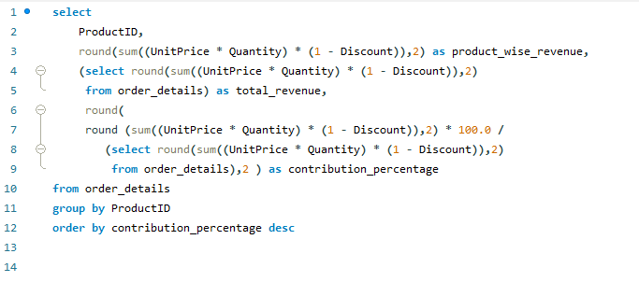

 |  | OUTPUT

ProductID | product_wise_revenue | total_revenue | contribution_percentage | Cumulative % | Row Labels | Sum of product_wise_revenue
38 | 141396.73 | 1265793.04 | 11.17 | 11.17 | 17 | 32698.38
29 | 80368.67 | 1265793.04 | 6.35 | 17.52 | 18 | 29171.88
59 | 71155.7 | 1265793.04 | 5.62 | 23.14 | 28 | 25696.64
62 | 47234.97 | 1265793.04 | 3.73 | 26.87 | 29 | 80368.67
60 | 46825.48 | 1265793.04 | 3.7 | 30.57 | 38 | 141396.73
56 | 42593.06 | 1265793.04 | 3.36 | 33.93 | 51 | 41819.65
51 | 41819.65 | 1265793.04 | 3.3 | 37.23 | 56 | 42593.06
17 | 32698.38 | 1265793.04 | 2.58 | 39.81 | 59 | 71155.7
18 | 29171.88 | 1265793.04 | 2.3 | 42.11 | 60 | 46825.48
28 | 25696.64 | 1265793.04 | 2.03 | 44.14 | 62 | 47234.97
72 | 24900.13 | 1265793.04 | 1.97 | 46.11 | Grand Total | 558961.16
43 | 23526.7 | 1265793.04 | 1.86 | 47.97
Top 10 Products Revenue
20 | 22563.36 | 1265793.04 | 1.78 | 49.75
7 | 22044.3 | 1265793.04 | 1.74 | 51.49
69 | 21942.36 | 1265793.04 | 1.73 | 53.22
64 | 21957.97 | 1265793.04 | 1.73 | 54.95
10 | 20867.34 | 1265793.04 | 1.65 | 56.6
53 | 20574.17 | 1265793.04 | 1.63 | 58.23
26 | 19849.14 | 1265793.04 | 1.57 | 59.8
71 | 19551.02 | 1265793.04 | 1.54 | 61.34
40 | 17910.63 | 1265793.04 | 1.41 | 62.75
55 | 17426.4 | 1265793.04 | 1.38 | 64.13
16 | 17215.78 | 1265793.04 | 1.36 | 65.49
63 | 16701.1 | 1265793.04 | 1.32 | 66.81
2 | 16355.96 | 1265793.04 | 1.29 | 68.1
76 | 15760.44 | 1265793.04 | 1.25 | 69.35
27 | 15099.88 | 1265793.04 | 1.19 | 70.54
31 | 14920.88 | 1265793.04 | 1.18 | 71.72
61 | 14352.6 | 1265793.04 | 1.13 | 72.85
65 | 13869.89 | 1265793.04 | 1.1 | 73.95
35 | 13644 | 1265793.04 | 1.08 | 75.03
36 | 13458.46 | 1265793.04 | 1.06 | 76.09
30 | 13424.2 | 1265793.04 | 1.06 | 77.15
11 | 12901.77 | 1265793.04 | 1.02 | 78.17
1 | 12788.1 | 1265793.04 | 1.01 | 79.18 | Row Labels | Sum of contribution_percentage
8 | 12772 | 1265793.04 | 1.01 | 80.19 | 17 | 2.58
39 | 12294.54 | 1265793.04 | 0.97 | 81.16 | 18 | 2.3
12 | 12257.66 | 1265793.04 | 0.97 | 82.13 | 28 | 2.03
70 | 10672.65 | 1265793.04 | 0.84 | 82.97 | 29 | 6.35
44 | 9915.95 | 1265793.04 | 0.78 | 83.75 | 38 | 11.17
49 | 9244.6 | 1265793.04 | 0.73 | 84.48 | 51 | 3.3
21 | 9104 | 1265793.04 | 0.72 | 85.2 | 56 | 3.36
77 | 9171.63 | 1265793.04 | 0.72 | 85.92 | 59 | 5.62
41 | 8680.35 | 1265793.04 | 0.69 | 86.61 | 60 | 3.7
68 | 8714 | 1265793.04 | 0.69 | 87.3 | 62 | 3.73
42 | 8575 | 1265793.04 | 0.68 | 87.98 | Grand Total | 44.14
4 | 8567.9 | 1265793.04 | 0.68 | 88.66
32 | 8404.16 | 1265793.04 | 0.66 | 89.32
Product Contribution % (Top 10)
75 | 8177.49 | 1265793.04 | 0.65 | 89.97
14 | 7991.49 | 1265793.04 | 0.63 | 90.6
57 | 7661.55 | 1265793.04 | 0.61 | 91.21
9 | 7226.5 | 1265793.04 | 0.57 | 91.78
22 | 7122.36 | 1265793.04 | 0.56 | 92.34
6 | 7137 | 1265793.04 | 0.56 | 92.9
34 | 6350.4 | 1265793.04 | 0.5 | 93.4
46 | 5883 | 1265793.04 | 0.46 | 93.86
19 | 5862.62 | 1265793.04 | 0.46 | 94.32
58 | 5881.67 | 1265793.04 | 0.46 | 94.78
5 | 5347.2 | 1265793.04 | 0.42 | 95.2
13 | 4960.44 | 1265793.04 | 0.39 | 95.59
54 | 4728.24 | 1265793.04 | 0.37 | 95.96
24 | 4504.36 | 1265793.04 | 0.36 | 96.32
23 | 4601.7 | 1265793.04 | 0.36 | 96.68
45 | 4338.18 | 1265793.04 | 0.34 | 97.02
73 | 3997.2 | 1265793.04 | 0.32 | 97.34
Product Contribution % (Top 10)
47 | 3958.08 | 1265793.04 | 0.31 | 97.65
25 | 3704.4 | 1265793.04 | 0.29 | 97.94
66 | 3383 | 1265793.04 | 0.27 | 98.21
50 | 3437.69 | 1265793.04 | 0.27 | 98.48
52 | 3232.95 | 1265793.04 | 0.26 | 98.74
3 | 3044 | 1265793.04 | 0.24 | 98.98
37 | 2688.4 | 1265793.04 | 0.21 | 99.19
74 | 2432.5 | 1265793.04 | 0.19 | 99.38
67 | 2396.8 | 1265793.04 | 0.19 | 99.57
15 | 1784.82 | 1265793.04 | 0.14 | 99.71
33 | 1648.12 | 1265793.04 | 0.13 | 99.84
48 | 1368.71 | 1265793.04 | 0.11 | 99.95

 |  |  |  | INSIGHTS
1 | Product 38 alone contributes more than one-tenth of the company's total revenue, making it the most critical product in the portfolio. (11.17%)
2 | Top 3 Products Generate Nearly 23% Revenue. (11.17 + 6.35 + 5.62 = 23.14%)
3 | A large number of products contribute less than 1% of revenue individually, indicating a long-tail sales distribution.
4 | The business is highly dependent on a small group of products. Any disruption in the availability or demand of these products could significantly impact overall revenue.
5 | Several products generate negligible revenue (<0.5%), presenting opportunities for promotional campaigns, bundling strategies, or inventory rationalization.

 |  | Are there any correlations between orders and customer location or product category?

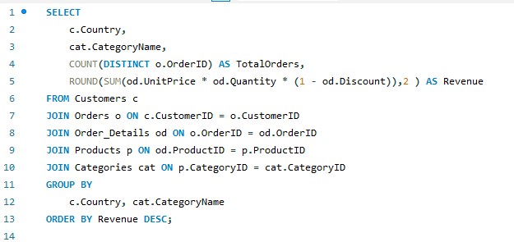

 | Country | CategoryName | TotalOrders | Revenue
 | Germany | Beverages | 48 | 53234.57
 | USA | Beverages | 46 | 50683.98
 | Germany | Dairy Products | 42 | 40492.65
 | USA | Confections | 49 | 34742.07
 | Brazil | Beverages | 34 | 34529.84
 | USA | Meat/Poultry | 30 | 32489.38
 | Germany | Confections | 40 | 31784.13
 | USA | Dairy Products | 39 | 30344.92
 | Austria | Beverages | 17 | 21518.3
 | USA | Seafood | 37 | 21472.47
 | Germany | Seafood | 39 | 21020.97
 | Austria | Dairy Products | 20 | 20965.24
 | Ireland | Meat/Poultry | 5 | 20914.23
 | Germany | Meat/Poultry | 22 | 20615.8
 | USA | Grains/Cereals | 27 | 18339.06
 | Venezuela | Dairy Products | 18 | 17760.85
 | Germany | Condiments | 29 | 16622.53
 | France | Seafood | 30 | 15165.45
 | Austria | Condiments | 14 | 14987.24
 | USA | Condiments | 21 | 14497.13
 | Germany | Produce | 18 | 14264.11
 | Germany | Grains/Cereals | 23 | 13639.8
 | Brazil | Dairy Products | 25 | 13288.85
 | Austria | Confections | 11 | 13176.91
 | France | Beverages | 31 | 12961.47
 | France | Confections | 25 | 12747.27
 | Brazil | Seafood | 31 | 12707.13
 | Denmark | Beverages | 7 | 12025.7
 | Sweden | Beverages | 22 | 11354
 | Canada | Beverages | 9 | 11174.81
 | UK | Dairy Products | 20 | 11120.95
 | Brazil | Confections | 29 | 11114.1
 | France | Meat/Poultry | 13 | 10911.29
 | Austria | Meat/Poultry | 9 | 10821.56
 | Brazil | Condiments | 20 | 10237.61
 | Austria | Produce | 8 | 10088.27
 | USA | Produce | 15 | 9765.28
 | Austria | Grains/Cereals | 10 | 9540.2
 | Canada | Dairy Products | 9 | 9519.67
 | Ireland | Dairy Products | 10 | 9010.11
 | Sweden | Produce | 6 | 8979.2
 | France | Dairy Products | 20 | 8650.39
 | UK | Confections | 15 | 8458.28
 | Venezuela | Seafood | 19 | 8371.47
 | Belgium | Dairy Products | 7 | 8015
 | France | Produce | 13 | 7898.86
 | Sweden | Meat/Poultry | 10 | 7656.63
 | Mexico | Beverages | 13 | 7544
 | Canada | Confections | 13 | 7541
 | Belgium | Confections | 8 | 7479.58
 | Austria | Seafood | 9 | 7202.22
 | Brazil | Meat/Poultry | 12 | 7095.11
 | Spain | Meat/Poultry | 7 | 6866.95
 | Venezuela | Confections | 15 | 6820.82
 | UK | Produce | 8 | 6660.6
 | Sweden | Dairy Products | 11 | 6378.95
 | Switzerland | Dairy Products | 6 | 6322.02
 | Venezuela | Beverages | 18 | 6272.35
 | Sweden | Seafood | 15 | 6232.84
 | Brazil | Grains/Cereals | 14 | 6121.55
 | France | Condiments | 11 | 6111.79
 | Ireland | Seafood | 9 | 5976.23
 | France | Grains/Cereals | 18 | 5873.06
 | Finland | Dairy Products | 9 | 5558.11
 | Canada | Grains/Cereals | 10 | 5557.65
 | UK | Beverages | 21 | 5513.6
 | UK | Meat/Poultry | 8 | 5502.44
 | UK | Grains/Cereals | 18 | 5172.8
 | Sweden | Confections | 10 | 5169.63
 | Switzerland | Meat/Poultry | 2 | 4799.16
 | Canada | Condiments | 10 | 4760.08
 | Sweden | Condiments | 8 | 4717.9
 | Brazil | Produce | 6 | 4553.14
 | Mexico | Dairy Products | 13 | 4511.9
 | UK | Seafood | 15 | 4487.96
 | Denmark | Condiments | 9 | 4325.15
 | Canada | Seafood | 8 | 4324.05
 | Belgium | Beverages | 7 | 4168.68
 | Switzerland | Grains/Cereals | 6 | 4102.6
 | Venezuela | Meat/Poultry | 5 | 4059.48
 | Denmark | Produce | 3 | 3954.9
 | Italy | Dairy Products | 7 | 3859.14
 | Denmark | Seafood | 8 | 3857.26
 | Canada | Meat/Poultry | 4 | 3766.8
 | Portugal | Condiments | 7 | 3688.29
 | UK | Condiments | 6 | 3493.5
 | Ireland | Condiments | 5 | 3477.62
 | Ireland | Produce | 3 | 3414.66
 | Finland | Meat/Poultry | 6 | 3340.78
 | Belgium | Produce | 4 | 3223.2
 | Sweden | Grains/Cereals | 4 | 3196
 | Denmark | Meat/Poultry | 4 | 3162.5
 | Venezuela | Produce | 4 | 3124
 | Switzerland | Confections | 6 | 3067.44
 | Mexico | Meat/Poultry | 5 | 2828.9
 | Belgium | Grains/Cereals | 5 | 2792
 | Switzerland | Seafood | 8 | 2766.1
 | Norway | Beverages | 3 | 2756
 | Ireland | Beverages | 8 | 2725.32
 | Venezuela | Grains/Cereals | 7 | 2712
 | Italy | Confections | 8 | 2674.05
 | Denmark | Dairy Products | 4 | 2644.3
 | Mexico | Produce | 4 | 2517.75
 | Finland | Grains/Cereals | 5 | 2477
 | Belgium | Condiments | 5 | 2454.8
 | Denmark | Confections | 6 | 2359.38
 | Portugal | Grains/Cereals | 4 | 2164.4
 | Switzerland | Produce | 4 | 2132.5
 | Spain | Produce | 1 | 2120
 | Argentina | Confections | 7 | 2095.1
 | Belgium | Meat/Poultry | 3 | 2064
 | Finland | Beverages | 8 | 2020.4
 | Venezuela | Condiments | 8 | 1955.05
 | Mexico | Confections | 7 | 1897.73
 | Finland | Condiments | 5 | 1873
 | Mexico | Seafood | 8 | 1836.6
 | Italy | Grains/Cereals | 5 | 1743.5
 | Spain | Confections | 8 | 1713.75
 | Spain | Condiments | 5 | 1688.45
 | Ireland | Confections | 3 | 1676.38
 | Spain | Grains/Cereals | 6 | 1616.06
 | Argentina | Beverages | 5 | 1518
 | Switzerland | Beverages | 5 | 1501.62
 | Ireland | Grains/Cereals | 3 | 1442.4
 | Spain | Seafood | 6 | 1351.29
 | Portugal | Meat/Poultry | 2 | 1338.2
 | Italy | Condiments | 4 | 1264.22
 | Spain | Beverages | 5 | 1249.2
 | Mexico | Condiments | 5 | 1235.45
 | Italy | Seafood | 7 | 1221
 | Belgium | Seafood | 4 | 1140.5
 | Finland | Seafood | 5 | 1139.3
 | Argentina | Produce | 4 | 1139
 | Argentina | Dairy Products | 5 | 1118.5
 | Finland | Produce | 5 | 1106.41
 | Italy | Produce | 3 | 1056.8
 | Portugal | Beverages | 5 | 1046.4
 | Finland | Confections | 6 | 1025.05
 | Portugal | Dairy Products | 3 | 997.8
 | Portugal | Confections | 5 | 956.15
 | Argentina | Condiments | 3 | 907
 | Canada | Produce | 2 | 840
 | Poland | Beverages | 4 | 828.5
 | Poland | Dairy Products | 2 | 810
 | Italy | Beverages | 4 | 809.94
 | Italy | Meat/Poultry | 2 | 794.1
 | Norway | Dairy Products | 1 | 786
 | Portugal | Produce | 1 | 648.72
 | Portugal | Seafood | 1 | 632.4
 | Poland | Condiments | 2 | 627
 | Norway | Produce | 2 | 578.4
 | Argentina | Seafood | 4 | 570.5
 | Mexico | Grains/Cereals | 4 | 549.75
 | Norway | Seafood | 2 | 548.25
 | Argentina | Grains/Cereals | 1 | 390
 | Spain | Dairy Products | 1 | 340
 | Poland | Produce | 2 | 306
 | Norway | Confections | 2 | 280.15
 | Switzerland | Condiments | 1 | 210.5
 | Poland | Confections | 1 | 187.5
 | Norway | Meat/Poultry | 1 | 164
 | Poland | Seafood | 1 | 159
 | Denmark | Grains/Cereals | 1 | 99.75
 | Poland | Meat/Poultry | 1 | 22.35

Q5
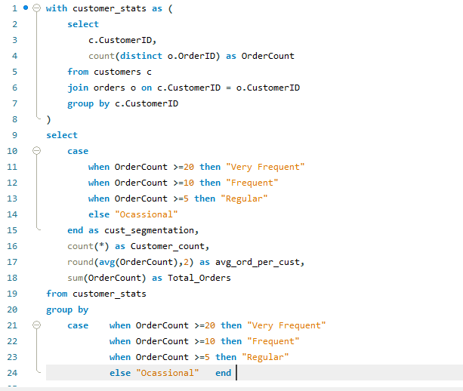

 | OUTPUT |  |  | Row Labels | Sum of avg_ord_per_cust
cust_segmentation | Customer_count | avg_ord_per_cust | Total_Orders | Frequent | 12.89
Regular | 38 | 6.89 | 262 | Ocassional | 3.24
Ocassional | 21 | 3.24 | 68 | Regular | 6.89
Frequent | 27 | 12.89 | 348 | Very Frequent | 27.33
Very Frequent | 3 | 27.33 | 82 | Grand Total | 50.35
AVERAGE ORDERS PER SEGMENT

Row Labels | Sum of Customer_count
Frequent | 27
Ocassional | 21
Regular | 38
Very Frequent | 3
Grand Total | 89

CUSTOMER % PER SEGMENT

 |  |  | INSIGHTS
1 | A small group of customers places orders very frequently.
2 | Most customers are occasional or regular buyers.
3 | Frequent and Very Frequent customers contribute the majority of order volume.
4 | Customer ordering behavior is highly uneven, suggesting opportunities for loyalty programs and targeted retention strategies.

Q6
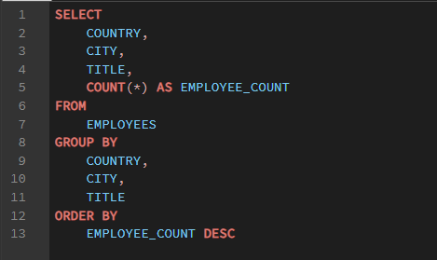
 |  |  |  |  |  | Row Labels | Sum of employee_count
 |  |  |  |  |  | Inside Sales Coordinator | 1
 |  |  |  |  |  | Sales Manager | 1
 |  |  |  |  |  | Sales Representative | 6
 |  |  |  |  |  | Vice President_Sales | 1
 |  |  |  |  |  | Grand Total | 9

Title-wise Employee Distribution

 | OUTPUT
country | city | title | employee_count
UK | London | Sales Representative | 3
USA | Kirkland | Sales Representative | 1
USA | Tacoma | Vice President_Sales | 1
USA | Redmond | Sales Representative | 1
UK | London | Sales Manager | 1 |  |  | Row Labels | Sum of employee_count
USA | Seattle | Sales Representative | 1 |  |  | Kirkland | 1
USA | Seattle | Inside Sales Coordinator | 1 |  |  | London | 4
 |  |  |  |  |  | Redmond | 1
 |  |  |  |  |  | Seattle | 2
 |  |  |  |  |  | Tacoma | 1
Sum of employee_count | Column Labels |  |  |  |  | Grand Total | 9
Row Labels | Inside Sales Coordinator | Sales Manager | Sales Representative | Vice President_Sales | Grand Total
Geographic Distribution
Kirkland |  |  | 1 |  | 1
London |  | 1 | 3 |  | 4
Redmond |  |  | 1 |  | 1
Seattle | 1 |  | 1 |  | 2
Tacoma |  |  |  | 1 | 1
Grand Total | 1 | 1 | 6 | 1 | 9

 | Inside Sales Coordinator | Sales Manager | Sales Representative | Vice President_Sales
Kirkland |  |  | 1
London |  | 1 | 3
Redmond |  |  | 1
Seattle | 1 |  | 1
Tacoma |  |  |  | 1

 |  |  | INSIGHTS
1 | The workforce is heavily concentrated in Sales Representative roles, indicating a sales-driven organization.
2 | Employees are primarily concentrated in a few cities, suggesting centralized operations.
3 | Certain locations host a mix of employee roles, while others are dominated by specific functions.

Q7
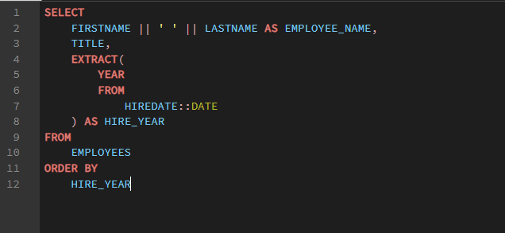

 |  | OUTPUT
 | employee_name | title | hire_year | Row Labels | Count of employee_name
 | Nancy Davolio | Sales Representative | 1992 | 1992 | 3
 | Andrew Fuller | Vice President_Sales | 1992 | 1993 | 3
 | Janet Leverling | Sales Representative | 1992 | 1994 | 3
 | Margaret Peacock | Sales Representative | 1993 | Grand Total | 9
 | Steven Buchanan | Sales Manager | 1993
YEAR WISE EMPLOYEE COUNT
 | Michael Suyama | Sales Representative | 1993
 | Robert King | Sales Representative | 1994
 | Laura Callahan | Inside Sales Coordinator | 1994
 | Anne Dodsworth | Sales Representative | 1994

 | Row Labels | Average of hire_year
 | Inside Sales Coordinator | 1994
 | Sales Manager | 1993
 | Sales Representative | 1993
 | Vice President_Sales | 1992
 | Grand Total | 1993

Title-wise Hire Date Analysis

 |  |  |  | INSIGHTS
1 | Senior leadership roles such as Sales Manager and Vice President were hired earlier than most Sales Representatives, indicating that management positions were established before team expansion.
2 | The majority of hiring occurred within a relatively short time frame, suggesting a period of organizational growth.
3 | Sales Representative roles constitute most of the workforce and were hired across multiple years, reflecting continued investment in sales operations.
4 | Employee tenure varies considerably, with some employees having significantly longer service durations than others, indicating a mix of experienced and newer staff.

Q8
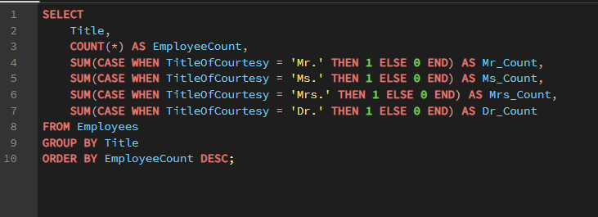

 |  |  | OUTPUT
 | title | employeecount | mr_count | ms_count | mrs_count | dr_count | Row Labels | Sum of employeecount
 | Sales Representative | 6 | 2 | 3 | 1 | 0 | Inside Sales Coordinator | 1
 | Inside Sales Coordinator | 1 | 0 | 1 | 0 | 0 | Sales Manager | 1
 | Vice President_Sales | 1 | 0 | 0 | 0 | 1 | Sales Representative | 6
 | Sales Manager | 1 | 1 | 0 | 0 | 0 | Vice President_Sales | 1
 |  |  |  |  |  |  | Grand Total | 9

Title-Wise Employee Count

 |  |  |  | INSIGHTS
1 | The workforce is heavily concentrated in the Sales Representative role, which accounts for the majority of employees.
2 | The organization appears sales-focused, with most personnel dedicated to customer-facing and revenue-generating activities.
3 | The Northwind organization has a lean management structure, with a single Vice President of Sales overseeing a workforce primarily composed of Sales Representatives.

Q9
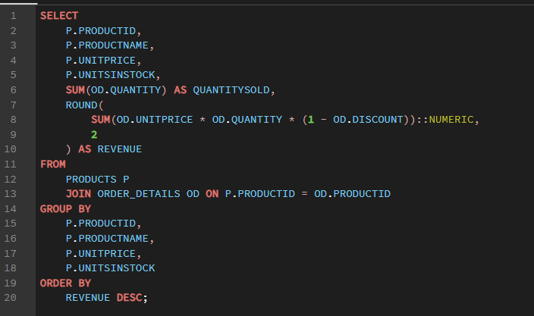

Product Pricing vs Sales Revenue Analysis
 |  | OUTPUT
productid | productname | unitprice | unitsinstock | quantitysold | revenue
38 | Côte de Blaye | 263.5 | 17 | 623 | 141396.74
29 | Thüringer Rostbratwurst | 123.79 | 0 | 746 | 80368.67
59 | Raclette Courdavault | 55 | 79 | 1496 | 71155.7
62 | Tarte au sucre | 49.3 | 17 | 1083 | 47234.97
60 | Camembert Pierrot | 34 | 19 | 1577 | 46825.48
56 | Gnocchi di nonna Alice | 38 | 21 | 1263 | 42593.06
51 | Manjimup Dried Apples | 53 | 20 | 886 | 41819.65
17 | Alice Mutton | 39 | 0 | 978 | 32698.38
18 | Carnarvon Tigers | 62.5 | 42 | 539 | 29171.88
28 | Rössle Sauerkraut | 45.6 | 26 | 640 | 25696.64
72 | Mozzarella di Giovanni | 34.8 | 14 | 806 | 24900.13
43 | Ipoh Coffee | 46 | 17 | 580 | 23526.7
20 | Sir Rodney's Marmalade | 81 | 40 | 313 | 22563.36
7 | Uncle Bob's Organic Dried Pears | 30 | 15 | 763 | 22044.3
64 | Wimmers gute Semmelknödel | 33.25 | 22 | 740 | 21957.97
69 | Gudbrandsdalsost | 36 | 26 | 714 | 21942.36
10 | Ikura | 31 | 31 | 742 | 20867.34
53 | Perth Pasties | 32.8 | 0 | 722 | 20574.17
26 | Gumbär Gummibärchen | 31.23 | 15 | 753 | 19849.14
71 | Fløtemysost | 21.5 | 26 | 1057 | 19551.03
40 | Boston Crab Meat | 18.4 | 123 | 1103 | 17910.63
55 | Pâté chinois | 24 | 115 | 903 | 17426.4 |  |  | INSIGHTS
16 | Pavlova | 17.45 | 29 | 1158 | 17215.78 | 1 | High-priced products generate substantial revenue.
63 | Vegie-spread | 43.9 | 24 | 445 | 16701.1 | 2 | Some low-priced products generate high revenue through volume sales.
2 | Chang | 19 | 17 | 1057 | 16355.96 | 3 | Revenue is influenced by both price and quantity sold.
76 | Lakkalikööri | 18 | 57 | 981 | 15760.44
27 | Schoggi Schokolade | 43.9 | 49 | 365 | 15099.88
31 | Gorgonzola Telino | 12.5 | 0 | 1397 | 14920.88 |  | Row Labels | Sum of revenue
61 | Sirop d'érable | 28.5 | 113 | 603 | 14352.6 |  | Alice Mutton | 32698.38
65 | Louisiana Fiery Hot Pepper Sauce | 21.05 | 76 | 745 | 13869.89 |  | Camembert Pierrot | 46825.48
35 | Steeleye Stout | 18 | 20 | 883 | 13644 |  | Carnarvon Tigers | 29171.88
36 | Inlagd Sill | 19 | 112 | 805 | 13458.46 |  | Côte de Blaye | 141396.74
30 | Nord-Ost Matjeshering | 25.89 | 10 | 612 | 13424.2 |  | Gnocchi di nonna Alice | 42593.06
11 | Queso Cabrales | 21 | 22 | 706 | 12901.77 |  | Manjimup Dried Apples | 41819.65
1 | Chai | 18 | 39 | 828 | 12788.1 |  | Raclette Courdavault | 71155.7
8 | Northwoods Cranberry Sauce | 40 | 6 | 372 | 12772 |  | Rössle Sauerkraut | 25696.64
39 | Chartreuse verte | 18 | 69 | 793 | 12294.54 |  | Tarte au sucre | 47234.97
12 | Queso Manchego La Pastora | 38 | 86 | 344 | 12257.66 |  | Thüringer Rostbratwurst | 80368.67
70 | Outback Lager | 15 | 15 | 817 | 10672.65 |  | Grand Total | 558961.17
44 | Gula Malacca | 19.45 | 27 | 601 | 9915.95
Top 10 Revenue Products
49 | Maxilaku | 20 | 10 | 520 | 9244.6
77 | Original Frankfurter grüne Soße | 13 | 32 | 791 | 9171.63
21 | Sir Rodney's Scones | 10 | 3 | 1016 | 9104
68 | Scottish Longbreads | 12.5 | 6 | 799 | 8714
41 | Jack's New England Clam Chowder | 9.65 | 85 | 981 | 8680.35
42 | Singaporean Hokkien Fried Mee | 14 | 26 | 697 | 8575
4 | Chef Anton's Cajun Seasoning | 22 | 53 | 453 | 8567.9
32 | Mascarpone Fabioli | 32 | 9 | 297 | 8404.16
75 | Rhönbräu Klosterbier | 7.75 | 125 | 1155 | 8177.49
14 | Tofu | 23.25 | 35 | 404 | 7991.49
57 | Ravioli Angelo | 19.5 | 36 | 434 | 7661.55
9 | Mishi Kobe Niku | 97 | 29 | 95 | 7226.5
6 | Grandma's Boysenberry Spread | 25 | 120 | 301 | 7137
22 | Gustaf's Knäckebröd | 21 | 104 | 348 | 7122.36
34 | Sasquatch Ale | 14 | 111 | 506 | 6350.4
46 | Spegesild | 12 | 95 | 548 | 5883
58 | Escargots de Bourgogne | 13.25 | 62 | 534 | 5881.68
19 | Teatime Chocolate Biscuits | 9.2 | 25 | 723 | 5862.62
5 | Chef Anton's Gumbo Mix | 21.35 | 0 | 298 | 5347.2
13 | Konbu | 6 | 24 | 891 | 4960.44
54 | Tourtière | 7.45 | 21 | 755 | 4728.24
23 | Tunnbröd | 9 | 61 | 580 | 4601.7
24 | Guaraná Fantástica | 4.5 | 20 | 1125 | 4504.37
45 | Røgede sild | 9.5 | 5 | 508 | 4338.18
73 | Röd Kaviar | 15 | 101 | 293 | 3997.2 | Useful for identifying best-performing products.
47 | Zaanse koeken | 9.5 | 36 | 485 | 3958.08
25 | NuNuCa Nuß-Nougat-Creme | 14 | 76 | 318 | 3704.4
50 | Valkoinen suklaa | 16.25 | 65 | 235 | 3437.69
66 | Louisiana Hot Spiced Okra | 17 | 4 | 239 | 3383
52 | Filo Mix | 7 | 38 | 500 | 3232.95
3 | Aniseed Syrup | 10 | 13 | 328 | 3044
37 | Gravad lax | 26 | 11 | 125 | 2688.4
74 | Longlife Tofu | 10 | 4 | 297 | 2432.5
67 | Laughing Lumberjack Lager | 14 | 52 | 184 | 2396.8
15 | Genen Shouyu | 15.5 | 39 | 122 | 1784.83
33 | Geitost | 2.5 | 112 | 755 | 1648.13
48 | Chocolade | 12.75 | 15 | 138 | 1368.71

 |  |  |  | INSIGHTS
1 | Product pricing alone does not determine sales performance. Several moderately priced products generate higher revenue than premium-priced products due to stronger demand.
2 | High-revenue products tend to maintain lower inventory levels, suggesting strong sales velocity and possible replenishment requirements.
3 | Certain products have high stock levels but relatively low revenue, indicating potential overstocking or slow-moving inventory.
4 | Revenue appears to be driven by a combination of product price and quantity sold rather than price alone.
5 | Some low-priced products contribute significantly to revenue through high sales volume, making them important products despite lower margins.

Q10
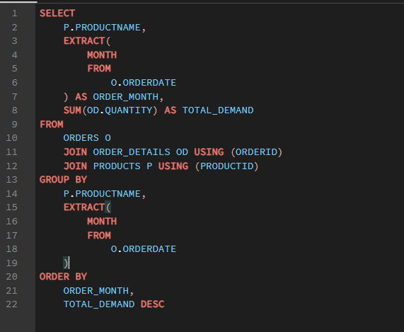

 | OUTPUT
productname | order_month | total_demand
Gorgonzola Telino | 1 | 313 |  | Row Labels | Sum of total_demand
Manjimup Dried Apples | 1 | 206 |  | 1 | 4882
Pâté chinois | 1 | 195 |  | 2 | 5244
Fløtemysost | 1 | 189 |  | 3 | 5870
Chartreuse verte | 1 | 168 |  | 4 | 5687
Scottish Longbreads | 1 | 141 |  | 5 | 7017
Gnocchi di nonna Alice | 1 | 138 |  | 6 | 2808
Longlife Tofu | 1 | 134 |  | 7 | 1635
Perth Pasties | 1 | 130 |  | 8 | 3516
Mozzarella di Giovanni | 1 | 127 |  | 9 | 3183
Camembert Pierrot | 1 | 126 |  | 10 | 3467
Rhönbräu Klosterbier | 1 | 117 |  | 11 | 4326
Chang | 1 | 110 |  | 12 | 3682
Alice Mutton | 1 | 108 |  | Grand Total | 51317
Thüringer Rostbratwurst | 1 | 106
Louisiana Fiery Hot Pepper Sauce | 1 | 102
Outback Lager | 1 | 95
Escargots de Bourgogne | 1 | 95
Monthly Product Demand Trend Analysis
Gumbär Gummibärchen | 1 | 91
Pavlova | 1 | 85
Steeleye Stout | 1 | 85
Queso Cabrales | 1 | 85
Jack's New England Clam Chowder | 1 | 82
Gudbrandsdalsost | 1 | 82
Raclette Courdavault | 1 | 77
Teatime Chocolate Biscuits | 1 | 74
Spegesild | 1 | 73
Tofu | 1 | 72
Tarte au sucre | 1 | 72
Guaraná Fantástica | 1 | 70
NuNuCa Nuß-Nougat-Creme | 1 | 69
Ikura | 1 | 68
Konbu | 1 | 68
Wimmers gute Semmelknödel | 1 | 65
Geitost | 1 | 60
Nord-Ost Matjeshering | 1 | 58
Côte de Blaye | 1 | 55
Rössle Sauerkraut | 1 | 50
Sir Rodney's Scones | 1 | 50
Louisiana Hot Spiced Okra | 1 | 50
Uncle Bob's Organic Dried Pears | 1 | 48
Vegie-spread | 1 | 46 |  |  |  | INSIGHTS
Filo Mix | 1 | 43 | 1 | Demand peaks during specific months, indicating seasonal purchasing behavior.
Røgede sild | 1 | 42 | 2 | Certain months consistently experience lower demand, suggesting opportunities for promotional campaigns.
Tunnbröd | 1 | 40 | 3 | Demand follows a seasonal pattern rather than remaining constant throughout the year.
Schoggi Schokolade | 1 | 40 | 4 | High-demand months should be prioritized for inventory replenishment to avoid stock shortages.
Sir Rodney's Marmalade | 1 | 40
Carnarvon Tigers | 1 | 39
Inlagd Sill | 1 | 36
Lakkalikööri | 1 | 35
Singaporean Hokkien Fried Mee | 1 | 34
Chef Anton's Gumbo Mix | 1 | 32
Northwoods Cranberry Sauce | 1 | 30
Zaanse koeken | 1 | 30
Ipoh Coffee | 1 | 30
Original Frankfurter grüne Soße | 1 | 29
Tourtière | 1 | 29
Aniseed Syrup | 1 | 20
Sasquatch Ale | 1 | 20
Sirop d'érable | 1 | 20
Valkoinen suklaa | 1 | 15
Chai | 1 | 15
Gustaf's Knäckebröd | 1 | 10
Gula Malacca | 1 | 10
Maxilaku | 1 | 4
Laughing Lumberjack Lager | 1 | 3
Boston Crab Meat | 1 | 1
Camembert Pierrot | 2 | 216
Raclette Courdavault | 2 | 192
Gnocchi di nonna Alice | 2 | 179
Tarte au sucre | 2 | 173
Côte de Blaye | 2 | 169
Gumbär Gummibärchen | 2 | 167
Steeleye Stout | 2 | 154
Tunnbröd | 2 | 148
Geitost | 2 | 139
Ikura | 2 | 131
Fløtemysost | 2 | 130
Aniseed Syrup | 2 | 129
Lakkalikööri | 2 | 125
Chang | 2 | 122
Chai | 2 | 118
Wimmers gute Semmelknödel | 2 | 118
Boston Crab Meat | 2 | 117
Scottish Longbreads | 2 | 110
Outback Lager | 2 | 104
Singaporean Hokkien Fried Mee | 2 | 102
Original Frankfurter grüne Soße | 2 | 97
Zaanse koeken | 2 | 95
Konbu | 2 | 93
Escargots de Bourgogne | 2 | 90
Gorgonzola Telino | 2 | 88
Gustaf's Knäckebröd | 2 | 87
Ravioli Angelo | 2 | 84
Chocolade | 2 | 78
Jack's New England Clam Chowder | 2 | 77
Pavlova | 2 | 71
Teatime Chocolate Biscuits | 2 | 71
Gravad lax | 2 | 70
Tofu | 2 | 67
Queso Cabrales | 2 | 65
Vegie-spread | 2 | 65
Maxilaku | 2 | 60
Chartreuse verte | 2 | 59
Spegesild | 2 | 57
Gula Malacca | 2 | 56
Inlagd Sill | 2 | 55
Mozzarella di Giovanni | 2 | 55
Perth Pasties | 2 | 54
NuNuCa Nuß-Nougat-Creme | 2 | 51
Sirop d'érable | 2 | 46
Rössle Sauerkraut | 2 | 42
Sir Rodney's Scones | 2 | 42
Ipoh Coffee | 2 | 41
Tourtière | 2 | 41
Guaraná Fantástica | 2 | 40
Thüringer Rostbratwurst | 2 | 39
Nord-Ost Matjeshering | 2 | 38
Røgede sild | 2 | 36
Carnarvon Tigers | 2 | 35
Longlife Tofu | 2 | 35
Louisiana Fiery Hot Pepper Sauce | 2 | 35
Gudbrandsdalsost | 2 | 35
Chef Anton's Gumbo Mix | 2 | 30
Uncle Bob's Organic Dried Pears | 2 | 25
Mishi Kobe Niku | 2 | 23
Chef Anton's Cajun Seasoning | 2 | 21
Röd Kaviar | 2 | 20
Filo Mix | 2 | 20
Northwoods Cranberry Sauce | 2 | 20
Mascarpone Fabioli | 2 | 20
Rhönbräu Klosterbier | 2 | 20
Manjimup Dried Apples | 2 | 13
Schoggi Schokolade | 2 | 10
Pâté chinois | 2 | 10
Alice Mutton | 2 | 8
Grandma's Boysenberry Spread | 2 | 6
Sir Rodney's Marmalade | 2 | 5
Sir Rodney's Scones | 3 | 230
Pâté chinois | 3 | 220
Alice Mutton | 3 | 200
Thüringer Rostbratwurst | 3 | 188
Tourtière | 3 | 183
Boston Crab Meat | 3 | 173
Guaraná Fantástica | 3 | 166
Sirop d'érable | 3 | 165
Rhönbräu Klosterbier | 3 | 162
Chartreuse verte | 3 | 159
Queso Cabrales | 3 | 157
Nord-Ost Matjeshering | 3 | 154
Gnocchi di nonna Alice | 3 | 150
Pavlova | 3 | 148
Raclette Courdavault | 3 | 146
Fløtemysost | 3 | 137
Louisiana Fiery Hot Pepper Sauce | 3 | 127
Geitost | 3 | 125
Original Frankfurter grüne Soße | 3 | 120
Chang | 3 | 116
Ikura | 3 | 114
Outback Lager | 3 | 108
Maxilaku | 3 | 108
Wimmers gute Semmelknödel | 3 | 106
Teatime Chocolate Biscuits | 3 | 104
Camembert Pierrot | 3 | 100
Gula Malacca | 3 | 100
Côte de Blaye | 3 | 100
Tarte au sucre | 3 | 99
Chai | 3 | 90
Gumbär Gummibärchen | 3 | 81
Tunnbröd | 3 | 80
Scottish Longbreads | 3 | 79
Jack's New England Clam Chowder | 3 | 79
Konbu | 3 | 73
Perth Pasties | 3 | 68
Louisiana Hot Spiced Okra | 3 | 60
Rössle Sauerkraut | 3 | 60
Filo Mix | 3 | 57
Spegesild | 3 | 56
Zaanse koeken | 3 | 51
Schoggi Schokolade | 3 | 50
Grandma's Boysenberry Spread | 3 | 50
Mozzarella di Giovanni | 3 | 50
Gudbrandsdalsost | 3 | 50
Uncle Bob's Organic Dried Pears | 3 | 48
Carnarvon Tigers | 3 | 45
Steeleye Stout | 3 | 45
Escargots de Bourgogne | 3 | 42
Valkoinen suklaa | 3 | 40
Gorgonzola Telino | 3 | 38
Ravioli Angelo | 3 | 35
Vegie-spread | 3 | 35
Northwoods Cranberry Sauce | 3 | 30
Chef Anton's Cajun Seasoning | 3 | 30
Sasquatch Ale | 3 | 30
Longlife Tofu | 3 | 30
Laughing Lumberjack Lager | 3 | 30
Lakkalikööri | 3 | 28
Singaporean Hokkien Fried Mee | 3 | 25
Inlagd Sill | 3 | 20
Sir Rodney's Marmalade | 3 | 20
Ipoh Coffee | 3 | 20
Chocolade | 3 | 15
Queso Manchego La Pastora | 3 | 15
Røgede sild | 3 | 15
Gustaf's Knäckebröd | 3 | 12
Röd Kaviar | 3 | 10
Mascarpone Fabioli | 3 | 6
NuNuCa Nuß-Nougat-Creme | 3 | 5
Manjimup Dried Apples | 3 | 2
Guaraná Fantástica | 4 | 333
Konbu | 4 | 289
Uncle Bob's Organic Dried Pears | 4 | 247
Rhönbräu Klosterbier | 4 | 227
Pavlova | 4 | 226
Gorgonzola Telino | 4 | 188
Sir Rodney's Scones | 4 | 183
Lakkalikööri | 4 | 181
Camembert Pierrot | 4 | 170
Tarte au sucre | 4 | 156
Manjimup Dried Apples | 4 | 120
Raclette Courdavault | 4 | 106
Vegie-spread | 4 | 105
Mozzarella di Giovanni | 4 | 101
Original Frankfurter grüne Soße | 4 | 100
Chai | 4 | 96
Inlagd Sill | 4 | 95
Côte de Blaye | 4 | 95
Ikura | 4 | 95
Maxilaku | 4 | 92
Boston Crab Meat | 4 | 91
Grandma's Boysenberry Spread | 4 | 88
Queso Cabrales | 4 | 82
Gnocchi di nonna Alice | 4 | 80
Scottish Longbreads | 4 | 80
Zaanse koeken | 4 | 79
Rössle Sauerkraut | 4 | 78
Outback Lager | 4 | 72
Sir Rodney's Marmalade | 4 | 70
Chang | 4 | 70
Ipoh Coffee | 4 | 67
Laughing Lumberjack Lager | 4 | 64
Filo Mix | 4 | 63
Pâté chinois | 4 | 61
Louisiana Hot Spiced Okra | 4 | 60
Røgede sild | 4 | 60
Singaporean Hokkien Fried Mee | 4 | 60
Valkoinen suklaa | 4 | 58
Sasquatch Ale | 4 | 55
Schoggi Schokolade | 4 | 55
Steeleye Stout | 4 | 50
Queso Manchego La Pastora | 4 | 50
Wimmers gute Semmelknödel | 4 | 50
Chartreuse verte | 4 | 50
Perth Pasties | 4 | 50
Carnarvon Tigers | 4 | 48
Fløtemysost | 4 | 47
Ravioli Angelo | 4 | 45
Teatime Chocolate Biscuits | 4 | 45
Tunnbröd | 4 | 44
Jack's New England Clam Chowder | 4 | 40
Nord-Ost Matjeshering | 4 | 39
Northwoods Cranberry Sauce | 4 | 36
NuNuCa Nuß-Nougat-Creme | 4 | 36
Gumbär Gummibärchen | 4 | 35
Mascarpone Fabioli | 4 | 35
Geitost | 4 | 34
Thüringer Rostbratwurst | 4 | 32
Sirop d'érable | 4 | 30
Escargots de Bourgogne | 4 | 30
Spegesild | 4 | 29
Alice Mutton | 4 | 27
Gula Malacca | 4 | 26
Tourtière | 4 | 24
Gustaf's Knäckebröd | 4 | 21
Chef Anton's Cajun Seasoning | 4 | 21
Chef Anton's Gumbo Mix | 4 | 20
Aniseed Syrup | 4 | 20
Röd Kaviar | 4 | 20
Gudbrandsdalsost | 4 | 19
Longlife Tofu | 4 | 16
Tofu | 4 | 12
Gravad lax | 4 | 8
Raclette Courdavault | 5 | 386
Camembert Pierrot | 5 | 280
Jack's New England Clam Chowder | 5 | 235
Sasquatch Ale | 5 | 215
Chang | 5 | 213
Konbu | 5 | 203
Fløtemysost | 5 | 197
Pâté chinois | 5 | 185
Singaporean Hokkien Fried Mee | 5 | 182
Gnocchi di nonna Alice | 5 | 179
Guaraná Fantástica | 5 | 177
Uncle Bob's Organic Dried Pears | 5 | 174
Thüringer Rostbratwurst | 5 | 158
Rössle Sauerkraut | 5 | 156
Sir Rodney's Scones | 5 | 155
Rhönbräu Klosterbier | 5 | 152
Lakkalikööri | 5 | 146
Chai | 5 | 144
Sirop d'érable | 5 | 137
Mascarpone Fabioli | 5 | 135
Scottish Longbreads | 5 | 135
Manjimup Dried Apples | 5 | 133
Teatime Chocolate Biscuits | 5 | 127
Perth Pasties | 5 | 126
Schoggi Schokolade | 5 | 120
Steeleye Stout | 5 | 120
Original Frankfurter grüne Soße | 5 | 116
Chef Anton's Gumbo Mix | 5 | 100
Louisiana Fiery Hot Pepper Sauce | 5 | 95
NuNuCa Nuß-Nougat-Creme | 5 | 93
Outback Lager | 5 | 89
Alice Mutton | 5 | 89
Maxilaku | 5 | 87
Boston Crab Meat | 5 | 85
Gumbär Gummibärchen | 5 | 81
Carnarvon Tigers | 5 | 78
Gudbrandsdalsost | 5 | 76
Chef Anton's Cajun Seasoning | 5 | 75
Ipoh Coffee | 5 | 75
Geitost | 5 | 71
Tofu | 5 | 70
Inlagd Sill | 5 | 69
Northwoods Cranberry Sauce | 5 | 64
Mozzarella di Giovanni | 5 | 62
Spegesild | 5 | 57
Sir Rodney's Marmalade | 5 | 54
Pavlova | 5 | 53
Gula Malacca | 5 | 51
Tourtière | 5 | 50
Laughing Lumberjack Lager | 5 | 50
Ravioli Angelo | 5 | 48
Wimmers gute Semmelknödel | 5 | 45
Queso Manchego La Pastora | 5 | 44
Vegie-spread | 5 | 42
Røgede sild | 5 | 41
Ikura | 5 | 40
Côte de Blaye | 5 | 40
Escargots de Bourgogne | 5 | 40
Nord-Ost Matjeshering | 5 | 39
Filo Mix | 5 | 38
Tarte au sucre | 5 | 36
Gorgonzola Telino | 5 | 35
Gustaf's Knäckebröd | 5 | 25
Aniseed Syrup | 5 | 25
Tunnbröd | 5 | 20
Longlife Tofu | 5 | 20
Mishi Kobe Niku | 5 | 16
Chocolade | 5 | 15
Genen Shouyu | 5 | 12
Queso Cabrales | 5 | 10
Louisiana Hot Spiced Okra | 5 | 10
Chartreuse verte | 5 | 10
Zaanse koeken | 5 | 6
Gorgonzola Telino | 6 | 155
Wimmers gute Semmelknödel | 6 | 132
Pavlova | 6 | 130
Ipoh Coffee | 6 | 121
Inlagd Sill | 6 | 120
Queso Cabrales | 6 | 103
Chef Anton's Cajun Seasoning | 6 | 101
Røgede sild | 6 | 100
Tunnbröd | 6 | 92
Alice Mutton | 6 | 73
Jack's New England Clam Chowder | 6 | 72
Aniseed Syrup | 6 | 64
Chang | 6 | 62
Tarte au sucre | 6 | 60
Steeleye Stout | 6 | 56
Guaraná Fantástica | 6 | 55
Mozzarella di Giovanni | 6 | 55
Scottish Longbreads | 6 | 55
Manjimup Dried Apples | 6 | 54
Geitost | 6 | 53
Lakkalikööri | 6 | 52
Tourtière | 6 | 49
Chai | 6 | 48
Queso Manchego La Pastora | 6 | 47
Original Frankfurter grüne Soße | 6 | 40
Gula Malacca | 6 | 40
Gumbär Gummibärchen | 6 | 40
Camembert Pierrot | 6 | 37
Louisiana Fiery Hot Pepper Sauce | 6 | 36
Boston Crab Meat | 6 | 35
Nord-Ost Matjeshering | 6 | 35
Röd Kaviar | 6 | 35
Rhönbräu Klosterbier | 6 | 34
Côte de Blaye | 6 | 34
Spegesild | 6 | 33
Konbu | 6 | 32
Gnocchi di nonna Alice | 6 | 30
Sirop d'érable | 6 | 30
Gudbrandsdalsost | 6 | 28
Uncle Bob's Organic Dried Pears | 6 | 26
Louisiana Hot Spiced Okra | 6 | 25
Mascarpone Fabioli | 6 | 25
Gustaf's Knäckebröd | 6 | 24
Chartreuse verte | 6 | 22
Valkoinen suklaa | 6 | 22
Grandma's Boysenberry Spread | 6 | 21
Tofu | 6 | 21
Sir Rodney's Scones | 6 | 21
Teatime Chocolate Biscuits | 6 | 20
Escargots de Bourgogne | 6 | 20
Gravad lax | 6 | 18
Raclette Courdavault | 6 | 17
Sir Rodney's Marmalade | 6 | 16
Pâté chinois | 6 | 16
Rössle Sauerkraut | 6 | 15
Sasquatch Ale | 6 | 10
Fløtemysost | 6 | 9
Outback Lager | 6 | 7
Laughing Lumberjack Lager | 6 | 7
Maxilaku | 6 | 6
Ravioli Angelo | 6 | 5
Ikura | 6 | 3
Filo Mix | 6 | 2
Northwoods Cranberry Sauce | 6 | 2
Gorgonzola Telino | 7 | 171
Rhönbräu Klosterbier | 7 | 126
Gnocchi di nonna Alice | 7 | 100
Filo Mix | 7 | 100
Manjimup Dried Apples | 7 | 93
Lakkalikööri | 7 | 64
Tofu | 7 | 56
Mozzarella di Giovanni | 7 | 54
Wimmers gute Semmelknödel | 7 | 54
Raclette Courdavault | 7 | 52
Boston Crab Meat | 7 | 52
Queso Cabrales | 7 | 50
Guaraná Fantástica | 7 | 43
Perth Pasties | 7 | 43
Pâté chinois | 7 | 43
Sasquatch Ale | 7 | 40
Teatime Chocolate Biscuits | 7 | 35
Tarte au sucre | 7 | 35
Geitost | 7 | 34
Alice Mutton | 7 | 34
Gula Malacca | 7 | 31
Louisiana Fiery Hot Pepper Sauce | 7 | 30
Singaporean Hokkien Fried Mee | 7 | 28
Inlagd Sill | 7 | 25
Zaanse koeken | 7 | 25
Camembert Pierrot | 7 | 24
Jack's New England Clam Chowder | 7 | 21
Nord-Ost Matjeshering | 7 | 20
Steeleye Stout | 7 | 20
Original Frankfurter grüne Soße | 7 | 18
Carnarvon Tigers | 7 | 18
Pavlova | 7 | 12
Thüringer Rostbratwurst | 7 | 10
Chai | 7 | 10
Mascarpone Fabioli | 7 | 10
Gudbrandsdalsost | 7 | 10
Ravioli Angelo | 7 | 10
Genen Shouyu | 7 | 10
Chartreuse verte | 7 | 10
Vegie-spread | 7 | 6
Ikura | 7 | 5
Röd Kaviar | 7 | 3
Raclette Courdavault | 8 | 185
Camembert Pierrot | 8 | 165
Alice Mutton | 8 | 130
Pavlova | 8 | 125
Sirop d'érable | 8 | 120
Chang | 8 | 115
Original Frankfurter grüne Soße | 8 | 112
Singaporean Hokkien Fried Mee | 8 | 110
Lakkalikööri | 8 | 109
Inlagd Sill | 8 | 101
Geitost | 8 | 99
Boston Crab Meat | 8 | 92
Gudbrandsdalsost | 8 | 85
Ravioli Angelo | 8 | 85
Maxilaku | 8 | 83
Ikura | 8 | 80
Guaraná Fantástica | 8 | 78
Chef Anton's Gumbo Mix | 8 | 77
Schoggi Schokolade | 8 | 75
Manjimup Dried Apples | 8 | 75
Steeleye Stout | 8 | 74
Uncle Bob's Organic Dried Pears | 8 | 70
Rhönbräu Klosterbier | 8 | 70
Konbu | 8 | 68
Sir Rodney's Marmalade | 8 | 61
Nord-Ost Matjeshering | 8 | 60
Longlife Tofu | 8 | 57
Outback Lager | 8 | 56
Tourtière | 8 | 54
Gustaf's Knäckebröd | 8 | 54
Chartreuse verte | 8 | 53
Jack's New England Clam Chowder | 8 | 51
Gnocchi di nonna Alice | 8 | 49
Louisiana Fiery Hot Pepper Sauce | 8 | 47
Pâté chinois | 8 | 46
Sir Rodney's Scones | 8 | 44
Mozzarella di Giovanni | 8 | 41
Carnarvon Tigers | 8 | 40
Fløtemysost | 8 | 39
Tarte au sucre | 8 | 35
Escargots de Bourgogne | 8 | 30
Röd Kaviar | 8 | 30
Chai | 8 | 29
Filo Mix | 8 | 28
Queso Cabrales | 8 | 26
Genen Shouyu | 8 | 25
Vegie-spread | 8 | 24
Chef Anton's Cajun Seasoning | 8 | 20
Gorgonzola Telino | 8 | 20
Côte de Blaye | 8 | 15
Zaanse koeken | 8 | 15
Perth Pasties | 8 | 15
Aniseed Syrup | 8 | 14
Queso Manchego La Pastora | 8 | 12
Gumbär Gummibärchen | 8 | 11
Thüringer Rostbratwurst | 8 | 10
Tofu | 8 | 9
Mascarpone Fabioli | 8 | 6
Chocolade | 8 | 6
Gravad lax | 8 | 1
Boston Crab Meat | 9 | 160
Tarte au sucre | 9 | 147
Steeleye Stout | 9 | 134
Mozzarella di Giovanni | 9 | 109
Camembert Pierrot | 9 | 106
Chai | 9 | 103
Chang | 9 | 100
Sir Rodney's Scones | 9 | 97
Gustaf's Knäckebröd | 9 | 95
Carnarvon Tigers | 9 | 94
Fløtemysost | 9 | 85
Gnocchi di nonna Alice | 9 | 80
Perth Pasties | 9 | 73
Gula Malacca | 9 | 71
Grandma's Boysenberry Spread | 9 | 70
Teatime Chocolate Biscuits | 9 | 69
Lakkalikööri | 9 | 68
Rössle Sauerkraut | 9 | 65
Geitost | 9 | 64
Guaraná Fantástica | 9 | 63
Röd Kaviar | 9 | 60
Ipoh Coffee | 9 | 60
Ikura | 9 | 57
Gorgonzola Telino | 9 | 55
Rhönbräu Klosterbier | 9 | 52
Inlagd Sill | 9 | 45
Original Frankfurter grüne Soße | 9 | 45
Konbu | 9 | 43
Thüringer Rostbratwurst | 9 | 41
Chartreuse verte | 9 | 41
Tourtière | 9 | 40
Pavlova | 9 | 40
Spegesild | 9 | 38
Queso Manchego La Pastora | 9 | 36
Nord-Ost Matjeshering | 9 | 36
Scottish Longbreads | 9 | 36
Uncle Bob's Organic Dried Pears | 9 | 35
Outback Lager | 9 | 35
Chef Anton's Gumbo Mix | 9 | 35
Chef Anton's Cajun Seasoning | 9 | 35
Gumbär Gummibärchen | 9 | 35
Pâté chinois | 9 | 32
Aniseed Syrup | 9 | 30
Alice Mutton | 9 | 30
Sir Rodney's Marmalade | 9 | 26
Valkoinen suklaa | 9 | 25
Tofu | 9 | 24
Raclette Courdavault | 9 | 21
Louisiana Fiery Hot Pepper Sauce | 9 | 21
Røgede sild | 9 | 20
Genen Shouyu | 9 | 20
Gudbrandsdalsost | 9 | 20
Sirop d'érable | 9 | 20
Sasquatch Ale | 9 | 20
Wimmers gute Semmelknödel | 9 | 18
Manjimup Dried Apples | 9 | 17
Maxilaku | 9 | 15
Schoggi Schokolade | 9 | 15
Vegie-spread | 9 | 13
Queso Cabrales | 9 | 10
Tunnbröd | 9 | 10
Escargots de Bourgogne | 9 | 6
Laughing Lumberjack Lager | 9 | 5
Filo Mix | 9 | 5
Singaporean Hokkien Fried Mee | 9 | 5
Ravioli Angelo | 9 | 2
Boston Crab Meat | 10 | 194
Jack's New England Clam Chowder | 10 | 178
Tarte au sucre | 10 | 135
Camembert Pierrot | 10 | 135
Pavlova | 10 | 133
Chartreuse verte | 10 | 113
Escargots de Bourgogne | 10 | 109
Spegesild | 10 | 105
Singaporean Hokkien Fried Mee | 10 | 104
Queso Manchego La Pastora | 10 | 100
Outback Lager | 10 | 95
Inlagd Sill | 10 | 88
Gnocchi di nonna Alice | 10 | 81
Sir Rodney's Scones | 10 | 72
Zaanse koeken | 10 | 71
Thüringer Rostbratwurst | 10 | 71
Original Frankfurter grüne Soße | 10 | 70
Alice Mutton | 10 | 70
Geitost | 10 | 68
Gudbrandsdalsost | 10 | 68
Louisiana Fiery Hot Pepper Sauce | 10 | 67
Rhönbräu Klosterbier | 10 | 65
Teatime Chocolate Biscuits | 10 | 64
Ipoh Coffee | 10 | 62
Raclette Courdavault | 10 | 53
Röd Kaviar | 10 | 50
Mishi Kobe Niku | 10 | 50
Genen Shouyu | 10 | 50
Gula Malacca | 10 | 49
Scottish Longbreads | 10 | 48
Gorgonzola Telino | 10 | 48
Ikura | 10 | 46
Gumbär Gummibärchen | 10 | 45
Wimmers gute Semmelknödel | 10 | 43
Tourtière | 10 | 41
Perth Pasties | 10 | 40
Manjimup Dried Apples | 10 | 40
Chang | 10 | 40
Mascarpone Fabioli | 10 | 40
Tunnbröd | 10 | 37
Louisiana Hot Spiced Okra | 10 | 34
Tofu | 10 | 33
Chef Anton's Cajun Seasoning | 10 | 32
Rössle Sauerkraut | 10 | 32
Fløtemysost | 10 | 31
Grandma's Boysenberry Spread | 10 | 30
Maxilaku | 10 | 30
Carnarvon Tigers | 10 | 25
Laughing Lumberjack Lager | 10 | 25
Sir Rodney's Marmalade | 10 | 21
Chai | 10 | 20
Mozzarella di Giovanni | 10 | 20
Gustaf's Knäckebröd | 10 | 20
Côte de Blaye | 10 | 15
Sasquatch Ale | 10 | 14
Nord-Ost Matjeshering | 10 | 12
Queso Cabrales | 10 | 12
Lakkalikööri | 10 | 10
Filo Mix | 10 | 9
Pâté chinois | 10 | 4
Fløtemysost | 11 | 188
Raclette Courdavault | 11 | 168
Gorgonzola Telino | 11 | 155
Alice Mutton | 11 | 153
Tourtière | 11 | 130
Perth Pasties | 11 | 123
Gumbär Gummibärchen | 11 | 119
Outback Lager | 11 | 116
Røgede sild | 11 | 110
Steeleye Stout | 11 | 110
Inlagd Sill | 11 | 105
Scottish Longbreads | 11 | 105
Louisiana Fiery Hot Pepper Sauce | 11 | 105
Ipoh Coffee | 11 | 104
Vegie-spread | 11 | 100
Tarte au sucre | 11 | 96
Chang | 11 | 94
Rhönbräu Klosterbier | 11 | 92
Uncle Bob's Organic Dried Pears | 11 | 90
Mozzarella di Giovanni | 11 | 90
Lakkalikööri | 11 | 86
Manjimup Dried Apples | 11 | 83
Zaanse koeken | 11 | 83
Gnocchi di nonna Alice | 11 | 80
Jack's New England Clam Chowder | 11 | 74
Gula Malacca | 11 | 74
Rössle Sauerkraut | 11 | 74
Ikura | 11 | 73
Escargots de Bourgogne | 11 | 72
Carnarvon Tigers | 11 | 72
Spegesild | 11 | 72
Chai | 11 | 70
Queso Cabrales | 11 | 65
Pâté chinois | 11 | 61
Nord-Ost Matjeshering | 11 | 61
Pavlova | 11 | 61
Chef Anton's Cajun Seasoning | 11 | 58
Ravioli Angelo | 11 | 56
Gudbrandsdalsost | 11 | 55
Guaraná Fantástica | 11 | 55
Thüringer Rostbratwurst | 11 | 52
Northwoods Cranberry Sauce | 11 | 50
Röd Kaviar | 11 | 50
Sir Rodney's Scones | 11 | 47
Queso Manchego La Pastora | 11 | 40
Tunnbröd | 11 | 40
Teatime Chocolate Biscuits | 11 | 34
Original Frankfurter grüne Soße | 11 | 30
Gravad lax | 11 | 28
Filo Mix | 11 | 28
Sasquatch Ale | 11 | 26
Chocolade | 11 | 24
Côte de Blaye | 11 | 20
Tofu | 11 | 19
Sirop d'érable | 11 | 15
Konbu | 11 | 12
Mascarpone Fabioli | 11 | 10
Singaporean Hokkien Fried Mee | 11 | 10
Camembert Pierrot | 11 | 10
Geitost | 11 | 8
Grandma's Boysenberry Spread | 11 | 6
Mishi Kobe Niku | 11 | 6
Aniseed Syrup | 11 | 6
Genen Shouyu | 11 | 5
Chartreuse verte | 11 | 4
Chef Anton's Gumbo Mix | 11 | 4
NuNuCa Nuß-Nougat-Creme | 11 | 4
Camembert Pierrot | 12 | 208
Gudbrandsdalsost | 12 | 186
Northwoods Cranberry Sauce | 12 | 140
Gorgonzola Telino | 12 | 131
Gnocchi di nonna Alice | 12 | 117
Tourtière | 12 | 114
Wimmers gute Semmelknödel | 12 | 109
Filo Mix | 12 | 107
Chartreuse verte | 12 | 104
Boston Crab Meat | 12 | 103
Raclette Courdavault | 12 | 93
Gula Malacca | 12 | 93
Chai | 12 | 85
Røgede sild | 12 | 84
Teatime Chocolate Biscuits | 12 | 80
Louisiana Fiery Hot Pepper Sauce | 12 | 80
Côte de Blaye | 12 | 80
Lakkalikööri | 12 | 77
Sasquatch Ale | 12 | 76
Valkoinen suklaa | 12 | 75
Sir Rodney's Scones | 12 | 75
Pavlova | 12 | 74
Jack's New England Clam Chowder | 12 | 72
Tunnbröd | 12 | 69
Rössle Sauerkraut | 12 | 68
Ravioli Angelo | 12 | 64
Chef Anton's Cajun Seasoning | 12 | 60
Nord-Ost Matjeshering | 12 | 60
NuNuCa Nuß-Nougat-Creme | 12 | 60
Alice Mutton | 12 | 56
Manjimup Dried Apples | 12 | 50
Gumbär Gummibärchen | 12 | 48
Inlagd Sill | 12 | 46
Guaraná Fantástica | 12 | 45
Carnarvon Tigers | 12 | 45
Mozzarella di Giovanni | 12 | 42
Queso Cabrales | 12 | 41
Outback Lager | 12 | 40
Tarte au sucre | 12 | 39
Thüringer Rostbratwurst | 12 | 39
Rhönbräu Klosterbier | 12 | 38
Singaporean Hokkien Fried Mee | 12 | 37
Maxilaku | 12 | 35
Steeleye Stout | 12 | 35
Pâté chinois | 12 | 30
Ikura | 12 | 30
Grandma's Boysenberry Spread | 12 | 30
Zaanse koeken | 12 | 30
Spegesild | 12 | 28
Tofu | 12 | 21
Sirop d'érable | 12 | 20
Aniseed Syrup | 12 | 20
Chang | 12 | 15
Röd Kaviar | 12 | 15
Original Frankfurter grüne Soße | 12 | 14
Mascarpone Fabioli | 12 | 10
Scottish Longbreads | 12 | 10
Konbu | 12 | 10
Vegie-spread | 12 | 9
Longlife Tofu | 12 | 5
Fløtemysost | 12 | 5

Q11
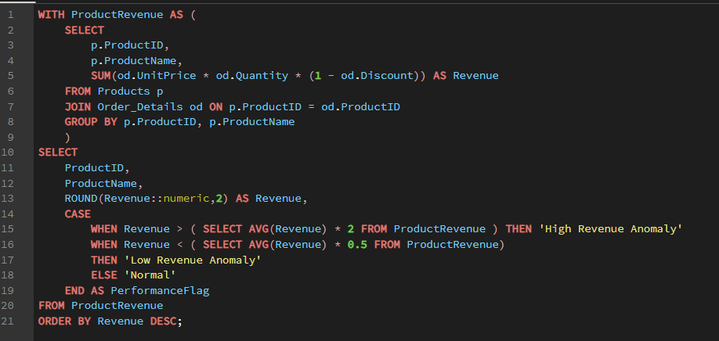

 | OUTPUT

productid | productname | revenue | performanceflag |  | Row Labels | Sum of revenue
38 | Côte de Blaye | 141396.74 | High Revenue Anomaly |  | 72 | 24900.13
29 | Thüringer Rostbratwurst | 80368.67 | High Revenue Anomaly |  | 64 | 21957.97
59 | Raclette Courdavault | 71155.7 | High Revenue Anomaly |  | 62 | 47234.97
62 | Tarte au sucre | 47234.97 | High Revenue Anomaly |  | 60 | 46825.48
60 | Camembert Pierrot | 46825.48 | High Revenue Anomaly |  | 59 | 71155.7
56 | Gnocchi di nonna Alice | 42593.06 | High Revenue Anomaly |  | 56 | 42593.06
51 | Manjimup Dried Apples | 41819.65 | High Revenue Anomaly |  | 51 | 41819.65
17 | Alice Mutton | 32698.38 | Normal |  | 43 | 23526.7
18 | Carnarvon Tigers | 29171.88 | Normal |  | 38 | 141396.74
28 | Rössle Sauerkraut | 25696.64 | Normal |  | 29 | 80368.67
72 | Mozzarella di Giovanni | 24900.13 | Normal |  | 28 | 25696.64
43 | Ipoh Coffee | 23526.7 | Normal |  | 20 | 22563.36
20 | Sir Rodney's Marmalade | 22563.36 | Normal |  | 18 | 29171.88
7 | Uncle Bob's Organic Dried Pears | 22044.3 | Normal |  | 17 | 32698.38
64 | Wimmers gute Semmelknödel | 21957.97 | Normal |  | 7 | 22044.3
69 | Gudbrandsdalsost | 21942.36 | Normal |  | Grand Total | 673953.63
10 | Ikura | 20867.34 | Normal
53 | Perth Pasties | 20574.17 | Normal
Top 15 Products by Revenue
26 | Gumbär Gummibärchen | 19849.14 | Normal
71 | Fløtemysost | 19551.03 | Normal
40 | Boston Crab Meat | 17910.63 | Normal
55 | Pâté chinois | 17426.4 | Normal
16 | Pavlova | 17215.78 | Normal
63 | Vegie-spread | 16701.1 | Normal
2 | Chang | 16355.96 | Normal
76 | Lakkalikööri | 15760.44 | Normal
27 | Schoggi Schokolade | 15099.88 | Normal
31 | Gorgonzola Telino | 14920.88 | Normal
61 | Sirop d'érable | 14352.6 | Normal
65 | Louisiana Fiery Hot Pepper Sauce | 13869.89 | Normal
35 | Steeleye Stout | 13644 | Normal
36 | Inlagd Sill | 13458.46 | Normal
30 | Nord-Ost Matjeshering | 13424.2 | Normal
11 | Queso Cabrales | 12901.77 | Normal
1 | Chai | 12788.1 | Normal
8 | Northwoods Cranberry Sauce | 12772 | Normal
39 | Chartreuse verte | 12294.54 | Normal
12 | Queso Manchego La Pastora | 12257.66 | Normal
70 | Outback Lager | 10672.65 | Normal
44 | Gula Malacca | 9915.95 | Normal
49 | Maxilaku | 9244.6 | Normal
77 | Original Frankfurter grüne Soße | 9171.63 | Normal |  |  |  | INSIGHTS
21 | Sir Rodney's Scones | 9104 | Normal | 1 | Product 38 is the highest revenue-generating product, contributing 11.17% of total revenue.
68 | Scottish Longbreads | 8714 | Normal | 2 | The top 10 products contribute approximately 44% of total revenue, indicating strong revenue concentration.
41 | Jack's New England Clam Chowder | 8680.35 | Normal | 3 | Revenue follows a Pareto-like distribution where a small number of products drive a significant portion of sales.
42 | Singaporean Hokkien Fried Mee | 8575 | Normal
4 | Chef Anton's Cajun Seasoning | 8567.9 | Normal
32 | Mascarpone Fabioli | 8404.16 | Normal
75 | Rhönbräu Klosterbier | 8177.49 | Low Revenue Anomaly |  | Row Labels | Sum of revenue
14 | Tofu | 7991.49 | Low Revenue Anomaly |  | High Revenue Anomaly | 471394.27
57 | Ravioli Angelo | 7661.55 | Low Revenue Anomaly |  | Low Revenue Anomaly | 134850.91
9 | Mishi Kobe Niku | 7226.5 | Low Revenue Anomaly |  | Normal | 659547.93
6 | Grandma's Boysenberry Spread | 7137 | Low Revenue Anomaly |  | Grand Total | 1265793.11
22 | Gustaf's Knäckebröd | 7122.36 | Low Revenue Anomaly
34 | Sasquatch Ale | 6350.4 | Low Revenue Anomaly
ANOMALY DISTRIBUTION BY REVENUE
46 | Spegesild | 5883 | Low Revenue Anomaly
58 | Escargots de Bourgogne | 5881.68 | Low Revenue Anomaly
19 | Teatime Chocolate Biscuits | 5862.62 | Low Revenue Anomaly
5 | Chef Anton's Gumbo Mix | 5347.2 | Low Revenue Anomaly
13 | Konbu | 4960.44 | Low Revenue Anomaly
54 | Tourtière | 4728.24 | Low Revenue Anomaly
23 | Tunnbröd | 4601.7 | Low Revenue Anomaly
24 | Guaraná Fantástica | 4504.37 | Low Revenue Anomaly
45 | Røgede sild | 4338.18 | Low Revenue Anomaly
73 | Röd Kaviar | 3997.2 | Low Revenue Anomaly
47 | Zaanse koeken | 3958.08 | Low Revenue Anomaly
25 | NuNuCa Nuß-Nougat-Creme | 3704.4 | Low Revenue Anomaly
50 | Valkoinen suklaa | 3437.69 | Low Revenue Anomaly
66 | Louisiana Hot Spiced Okra | 3383 | Low Revenue Anomaly
52 | Filo Mix | 3232.95 | Low Revenue Anomaly
3 | Aniseed Syrup | 3044 | Low Revenue Anomaly
37 | Gravad lax | 2688.4 | Low Revenue Anomaly
74 | Longlife Tofu | 2432.5 | Low Revenue Anomaly
67 | Laughing Lumberjack Lager | 2396.8 | Low Revenue Anomaly
15 | Genen Shouyu | 1784.83 | Low Revenue Anomaly
33 | Geitost | 1648.13 | Low Revenue Anomaly
48 | Chocolade | 1368.71 | Low Revenue Anomaly

Q12
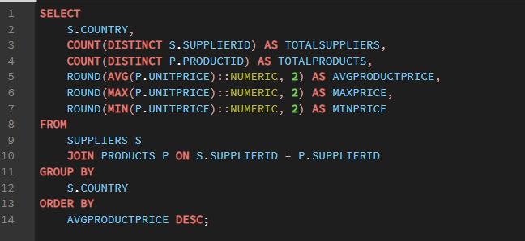

 |  | OUTPUT
country | totalsuppliers | totalproducts | avgproductprice | maxprice | minprice | Row Labels | Sum of avgproductprice
France | 3 | 5 | 76.75 | 263.5 | 13.25 | Australia | 33.83
Germany | 3 | 9 | 37.6 | 123.79 | 7.75 | Brazil | 4.5
Australia | 2 | 8 | 33.83 | 62.5 | 7 | Canada | 27.31
Japan | 2 | 6 | 30.46 | 97 | 6 | Denmark | 10.75
Spain | 1 | 2 | 29.5 | 38 | 21 | Finland | 18.08
Italy | 2 | 5 | 27.36 | 38 | 12.5 | France | 76.75
Canada | 2 | 4 | 27.31 | 49.3 | 7.45 | Germany | 37.6
Singapore | 1 | 3 | 26.48 | 46 | 14 | Italy | 27.36
UK | 2 | 7 | 22.81 | 81 | 9.2 | Japan | 30.46
USA | 4 | 12 | 20.87 | 40 | 9.65 | Netherlands | 11.13
Norway | 1 | 3 | 20 | 36 | 2.5 | Norway | 20
Sweden | 1 | 3 | 20 | 26 | 15 | Singapore | 26.48
Finland | 1 | 3 | 18.08 | 20 | 16.25 | Spain | 29.5
Sweden | 1 | 2 | 15 | 21 | 9 | Sweden | 20
Netherlands | 1 | 2 | 11.13 | 12.75 | 9.5 | Sweden | 15
Denmark | 1 | 2 | 10.75 | 12 | 9.5 | UK | 22.81
Brazil | 1 | 1 | 4.5 | 4.5 | 4.5 | USA | 20.87
 |  |  |  |  |  | Grand Total | 432.43
Regional Comparison of Average Product Prices

 | Row Labels | Sum of totalsuppliers
 | Australia | 2
 | Brazil | 1
 | Canada | 2
 | Denmark | 1
 | Finland | 1
 | France | 3
 | Germany | 3
 | Italy | 2
 | Japan | 2
 | Netherlands | 1
 | Norway | 1
 | Singapore | 1
 | Spain | 1
 | Sweden | 1
 | Sweden | 1
 | UK | 2 |  |  |  |  | INSIGHTS
 | USA | 4 |  |  | Suppliers from France and Germany offer higher-priced products on average, while suppliers from Australia countries provide more competitively priced products.
 | Grand Total | 29

Supplier Distribution Across Regions

 |  |  | INSIGHTS
The supplier network is concentrated in a few countries, with the USA and European nations accounting for the majority of suppliers.

Q13
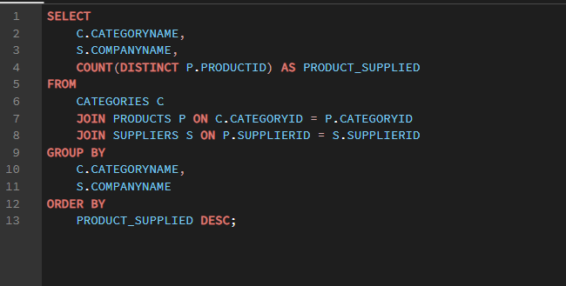

 | OUTPUT
categoryname | companyname | product_supplied
Condiments | New Orleans Cajun Delights | 4
Confections | Specialty Biscuits, Ltd. | 4
Confections | Heli Süßwaren GmbH & Co. KG | 3
Seafood | Svensk Sjöföda AB | 3
Beverages | Bigfoot Breweries | 3 |  | Row Labels | Sum of product_supplied
Dairy Products | Norske Meierier | 3 |  | Beverages | 12
Dairy Products | Formaggi Fortini s.r.l. | 3 |  | Condiments | 12
Seafood | Lyngbysild | 2 |  | Confections | 13
Beverages | Exotic Liquids | 2 |  | Dairy Products | 10
Seafood | New England Seafood Cannery | 2 |  | Grains/Cereals | 7
Grains/Cereals | Pasta Buttini s.r.l. | 2 |  | Meat/Poultry | 6
Grains/Cereals | PB Knäckebröd AB | 2 |  | Produce | 5
Beverages | Aux joyeux ecclésiastiques | 2 |  | Seafood | 12
Meat/Poultry | Ma Maison | 2 |  | Grand Total | 77
Confections | Karkki Oy | 2
Supplier Distribution Across Product Categories
Confections | Zaanse Snoepfabriek | 2
Dairy Products | Cooperativa de Quesos 'Las Cabras' | 2
Dairy Products | Gai pâturage | 2
Condiments | Grandma Kelly's Homestead | 2
Meat/Poultry | Plutzer Lebensmittelgroßmärkte AG | 1
Meat/Poultry | Tokyo Traders | 1
Produce | G'day, Mate | 1
Produce | Grandma Kelly's Homestead | 1
Produce | Mayumi's | 1
Produce | Plutzer Lebensmittelgroßmärkte AG | 1
Produce | Tokyo Traders | 1
Seafood | Escargots Nouveaux | 1
Seafood | Mayumi's | 1
Seafood | Nord-Ost-Fisch Handelsgesellschaft mbH | 1
Seafood | Pavlova, Ltd. | 1
Seafood | Tokyo Traders | 1
Beverages | Karkki Oy | 1
Beverages | Leka Trading | 1
Beverages | Pavlova, Ltd. | 1
Beverages | Plutzer Lebensmittelgroßmärkte AG | 1
Beverages | Refrescos Americanas LTDA | 1
Condiments | Exotic Liquids | 1
Condiments | Forêts d'érables | 1
Condiments | Leka Trading | 1
Condiments | Mayumi's | 1
Condiments | Pavlova, Ltd. | 1 |  |  |  | INSIGHTS
Condiments | Plutzer Lebensmittelgroßmärkte AG | 1 | 1 | Supplier participation varies significantly across product categories, indicating uneven sourcing patterns.
Confections | Forêts d'érables | 1 | 2 | Categories with a larger number of suppliers benefit from lower supply risk and greater procurement flexibility.
Confections | Pavlova, Ltd. | 1 | 3 | Certain categories rely on only a few suppliers, making them more vulnerable to supplier disruptions.
Grains/Cereals | G'day, Mate | 1 | 4 | Categories with high product counts tend to attract more suppliers, suggesting stronger market competition.
Grains/Cereals | Leka Trading | 1
Grains/Cereals | Plutzer Lebensmittelgroßmärkte AG | 1
Meat/Poultry | G'day, Mate | 1
Meat/Poultry | Pavlova, Ltd. | 1

Q14
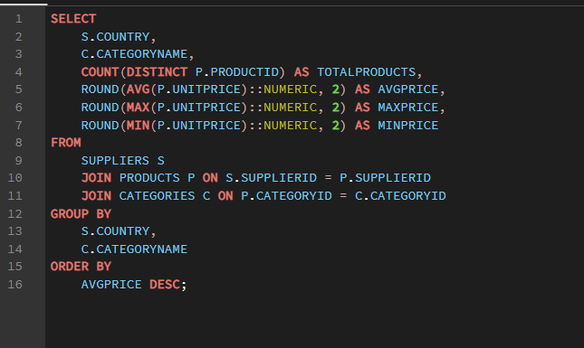

 |  | OUTPUT
country | categoryname | totalproducts | avgprice | maxprice | minprice | Sum of avgprice | Column Labels
France | Beverages | 2 | 140.75 | 263.5 | 18 | Row Labels | Beverages | Condiments | Confections | Dairy Products | Grains/Cereals | Meat/Poultry | Produce | Seafood | Grand Total
Germany | Meat/Poultry | 1 | 123.79 | 123.79 | 123.79 | Australia | 15 | 43.9 | 17.45 |  | 7 | 35.9 | 53 | 62.5 | 234.75
Japan | Meat/Poultry | 1 | 97 | 97 | 97 | Brazil | 4.5 |  |  |  |  |  |  |  | 4.5
Australia | Seafood | 1 | 62.5 | 62.5 | 62.5 | Canada |  | 28.5 | 49.3 |  |  | 15.73 |  |  | 93.53
Australia | Produce | 1 | 53 | 53 | 53 | Denmark |  |  |  |  |  |  |  | 10.75 | 10.75
Canada | Confections | 1 | 49.3 | 49.3 | 49.3 | Finland | 18 |  | 18.13 |  |  |  |  |  | 36.13
Singapore | Beverages | 1 | 46 | 46 | 46 | France | 140.75 |  |  | 44.5 |  |  |  | 13.25 | 198.5
Germany | Produce | 1 | 45.6 | 45.6 | 45.6 | Germany | 7.75 | 13 | 29.71 |  | 33.25 | 123.79 | 45.6 | 25.89 | 278.99
France | Dairy Products | 2 | 44.5 | 55 | 34 | Italy |  |  |  | 26.43 | 28.75 |  |  |  | 55.18
Australia | Condiments | 1 | 43.9 | 43.9 | 43.9 | Japan |  | 15.5 |  |  |  | 97 | 16.63 | 18.5 | 147.63
Australia | Meat/Poultry | 2 | 35.9 | 39 | 32.8 | Netherlands |  |  | 11.13 |  |  |  |  |  | 11.13
Germany | Grains/Cereals | 1 | 33.25 | 33.25 | 33.25 | Norway |  |  |  | 20 |  |  |  |  | 20
USA | Produce | 1 | 30 | 30 | 30 | Singapore | 46 | 19.45 |  |  | 14 |  |  |  | 79.45
Germany | Confections | 3 | 29.71 | 43.9 | 14 | Spain |  |  |  | 29.5 |  |  |  |  | 29.5
Spain | Dairy Products | 2 | 29.5 | 38 | 21 | Sweden |  |  |  |  |  |  |  | 20 | 20
Italy | Grains/Cereals | 2 | 28.75 | 38 | 19.5 | Sweden |  |  |  |  | 15 |  |  |  | 15
Canada | Condiments | 1 | 28.5 | 28.5 | 28.5 | UK | 18.5 | 10 | 28.18 |  |  |  |  |  | 56.68
UK | Confections | 4 | 28.18 | 81 | 9.2 | USA | 15.33 | 24.4 |  |  |  |  | 30 | 14.03 | 83.76
Italy | Dairy Products | 3 | 26.43 | 34.8 | 12.5 | Grand Total | 265.83 | 154.75 | 153.9 | 120.43 | 98 | 272.42 | 145.23 | 164.92 | 1375.48
Germany | Seafood | 1 | 25.89 | 25.89 | 25.89
USA | Condiments | 6 | 24.4 | 40 | 17
Average Product Price by Category and Supplier Region
 | Beverages | Condiments | Confections | Dairy Products | Grains/Cereals | Meat/Poultry | Produce | Seafood
Australia | 15 | 43.9 | 17.45 |  | 7 | 35.9 | 53 | 62.5
Brazil | 4.5
Canada |  | 28.5 | 49.3 |  |  | 15.73
Denmark |  |  |  |  |  |  |  | 10.75
Finland | 18 |  | 18.13
France | 140.75 |  |  | 44.5 |  |  |  | 13.25
Germany | 7.75 | 13 | 29.71 |  | 33.25 | 123.79 | 45.6 | 25.89
Italy |  |  |  | 26.43 | 28.75
Japan |  | 15.5 |  |  |  | 97 | 16.63 | 18.5
Netherlands |  |  | 11.13
Norway |  |  |  | 20
Singapore | 46 | 19.45 |  |  | 14
Spain |  |  |  | 29.5
Sweden |  |  |  |  |  |  |  | 20
Sweden |  |  |  |  | 15
UK | 18.5 | 10 | 28.18
USA | 15.33 | 24.4 |  |  |  |  | 30 | 14.03
Norway | Dairy Products | 3 | 20 | 36 | 2.5
Sweden | Seafood | 3 | 20 | 26 | 15
Singapore | Condiments | 1 | 19.45 | 19.45 | 19.45
UK | Beverages | 2 | 18.5 | 19 | 18
Japan | Seafood | 2 | 18.5 | 31 | 6
Finland | Confections | 2 | 18.13 | 20 | 16.25
Finland | Beverages | 1 | 18 | 18 | 18
Australia | Confections | 1 | 17.45 | 17.45 | 17.45
Japan | Produce | 2 | 16.63 | 23.25 | 10
Canada | Meat/Poultry | 2 | 15.73 | 24 | 7.45
Japan | Condiments | 1 | 15.5 | 15.5 | 15.5
USA | Beverages | 3 | 15.33 | 18 | 14
Australia | Beverages | 1 | 15 | 15 | 15
Sweden | Grains/Cereals | 2 | 15 | 21 | 9
USA | Seafood | 2 | 14.03 | 18.4 | 9.65
Singapore | Grains/Cereals | 1 | 14 | 14 | 14
France | Seafood | 1 | 13.25 | 13.25 | 13.25
Germany | Condiments | 1 | 13 | 13 | 13
Netherlands | Confections | 2 | 11.13 | 12.75 | 9.5
Denmark | Seafood | 2 | 10.75 | 12 | 9.5
UK | Condiments | 1 | 10 | 10 | 10
Germany | Beverages | 1 | 7.75 | 7.75 | 7.75
Australia | Grains/Cereals | 1 | 7 | 7 | 7
Brazil | Beverages | 1 | 4.5 | 4.5 | 4.5

 |  |  |  | INSIGHTS
1 | Product pricing varies significantly across supplier regions, indicating regional differences in sourcing costs and product positioning.
2 | Certain countries specialize in premium-priced categories, while others focus on lower-priced product segments.
3 | Some categories exhibit relatively consistent pricing across regions, whereas others show substantial regional price variation.
4 | Regional specialization suggests opportunities for strategic sourcing based on category-specific pricing advantages.

