Last_year
Date | S&P 500 | AIT | ALE | ALLY | ALTR | ALV | AM | d_AIT | d_ALE | d_ALLY | d_ALTR | d_ALV | d_AM
2023-03-01 | -0.42% | -0.89% | 0.96% | -0.13% | 1.92% | 1.26% | -2.20% | -0.47% | 1.38% | 0.29% | 2.34% | 1.68% | -1.78%
2023-04-01 | 0.77% | -0.32% | 0.56% | 3.29% | 1.69% | 0.29% | 3.14% | -1.09% | -0.21% | 2.52% | 0.92% | -0.47% | 2.37% |  | AIT | ALE | ALLY | ALTR | ALV | AM | S&P 500 | d_AIT | d_ALE | d_ALLY | d_ALTR | d_ALV | d_AM
2023-05-01 | -1.15% | -5.99% | -1.94% | -0.51% | -3.32% | -0.28% | -1.35% | -4.84% | -0.79% | 0.64% | -2.17% | 0.87% | -0.20% | Yearly Return | 38.71% | -0.65% | 49.70% | 85.98% | 48.45% | 25.88% | 26.41% | 9.73% | -21.41% | 18.42% | 47.12% | 17.43% | -0.42%
2023-06-01 | 2.27% | 2.81% | 1.85% | 3.73% | 2.92% | 1.19% | 2.57% | 0.54% | -0.41% | 1.47% | 0.65% | -1.08% | 0.31% | Yearly SD | 28.51% | 22.61% | 43.48% | 33.67% | 28.63% | 22.15% | 13.07% | 24.57% | 22.30% | 37.66% | 30.70% | 25.61% | 19.17%
2023-09-01 | -0.06% | 1.02% | -0.15% | 0.53% | 2.54% | 0.26% | 0.61% | 1.08% | -0.09% | 0.58% | 2.60% | 0.32% | 0.66% | Weight | 20.00% | 10.00% | 10.00% | 20.00% | 20.00% | 20.00%
2023-10-01 | 0.70% | 0.22% | 0.16% | 1.93% | 1.52% | 0.16% | 0.10% | -0.47% | -0.53% | 1.23% | 0.83% | -0.54% | -0.60%
2023-11-01 | 1.26% | 1.52% | 0.95% | 1.93% | 1.22% | 1.87% | 0.90% | 0.27% | -0.31% | 0.67% | -0.04% | 0.61% | -0.35%
2023-12-01 | 0.36% | 0.55% | -0.11% | -0.70% | 0.70% | -0.29% | 1.59% | 0.19% | -0.48% | -1.07% | 0.34% | -0.65% | 1.22% |  | AIT | ALE | ALLY | ALTR | ALV | AM
13/01/23 | 0.39% | 1.10% | -0.87% | 0.08% | -0.14% | 0.32% | 0.00% | 0.71% | -1.25% | -0.31% | -0.53% | -0.06% | -0.39% | AIT | 0.00032 | 0.00006 | 0.00015 | 0.00010 | 0.00013 | 0.00009
17/01/23 | -0.18% | -1.13% | -0.20% | -0.08% | 0.80% | 0.99% | -0.20% | -0.95% | -0.01% | 0.10% | 0.98% | 1.18% | -0.01% | ALE | 0.00006 | 0.00020 | 0.00009 | 0.00002 | 0.00003 | 0.00005
18/01/23 | -1.59% | -1.09% | -2.60% | -0.12% | 0.79% | -0.01% | -2.60% | 0.50% | -1.01% | 1.47% | 2.39% | 1.58% | -1.01% | ALLY | 0.00015 | 0.00009 | 0.00075 | 0.00045 | 0.00010 | 0.00005
19/01/23 | -0.73% | -2.24% | -0.15% | -3.07% | 1.47% | -1.15% | 1.21% | -1.51% | 0.58% | -2.34% | 2.20% | -0.42% | 1.94% | ALTR | 0.00010 | 0.00002 | 0.00012 | 0.00045 | 0.00032 | 0.00008
20/01/23 | 1.85% | 1.40% | 1.04% | 18.21% | 1.16% | 2.02% | 0.00% | -0.44% | -0.80% | 16.37% | -0.68% | 0.17% | -1.85% | ALV | 0.00013 | 0.00003 | 0.00018 | 0.00010 | 0.00032 | 0.00008
23/01/23 | 1.19% | -0.17% | -1.65% | 2.73% | 3.03% | 3.62% | 0.70% | -1.36% | -2.84% | 1.54% | 1.84% | 2.43% | -0.50% | AM | 0.00009 | 0.00005 | 0.00013 | 0.00005 | 0.00008 | 0.00019
24/01/23 | -0.11% | 0.16% | -1.35% | -2.93% | -2.10% | -1.48% | -0.70% | 0.27% | -1.24% | -2.83% | -1.99% | -1.37% | -0.59%
25/01/23 | 0.04% | 0.17% | -1.16% | 4.08% | 0.27% | -0.04% | -1.11% | 0.14% | -1.20% | 4.04% | 0.23% | -0.07% | -1.14% | Portfolio Return | 44.71%
26/01/23 | 1.09% | 10.75% | -0.66% | -1.21% | 0.17% | 1.60% | -0.41% | 9.66% | -1.76% | -2.30% | -0.92% | 0.51% | -1.50% | Portfolio SD | 19.44%
27/01/23 | 0.23% | 2.83% | -0.26% | 0.16% | 1.15% | 8.84% | 1.51% | 2.60% | -0.49% | -0.07% | 0.92% | 8.61% | 1.28%
S&P 500, AIT, ALE, ALLY, ALTR…
30/01/23 | -1.26% | -2.22% | -1.08% | -2.29% | -1.86% | -1.92% | -2.02% | -0.96% | 0.18% | -1.03% | -0.59% | -0.66% | -0.76%
31/01/23 | 1.46% | 4.27% | 2.46% | 3.73% | 1.56% | 1.22% | 1.22% | 2.81% | 1.00% | 2.27% | 0.10% | -0.24% | -0.24%
2023-01-02 | 1.06% | 1.73% | 0.90% | 4.09% | 3.46% | -0.60% | -1.42% | 0.68% | -0.16% | 3.03% | 2.40% | -1.66% | -2.48%
2023-02-02 | 1.45% | 0.13% | 1.47% | 3.93% | 7.26% | 0.35% | 0.00% | -1.31% | 0.02% | 2.48% | 5.82% | -1.09% | -1.45%
2023-03-02 | -1.07% | -0.55% | -1.09% | -1.26% | -2.29% | -1.78% | -1.13% | 0.52% | -0.02% | -0.19% | -1.22% | -0.71% | -0.06%
2023-06-02 | -0.61% | -0.24% | -0.24% | -3.85% | -1.22% | 0.29% | -0.52% | 0.37% | 0.37% | -3.24% | -0.61% | 0.90% | 0.09%
2023-07-02 | 1.30% | 1.33% | -0.36% | 3.28% | 1.82% | 1.35% | 1.55% | 0.03% | -1.66% | 1.98% | 0.52% | 0.05% | 0.25%
2023-08-02 | -1.10% | -2.00% | -2.11% | -2.68% | -2.46% | -0.77% | -0.62% | -0.90% | -1.01% | -1.58% | -1.36% | 0.33% | 0.48%
2023-09-02 | -0.87% | -0.89% | -1.86% | -2.85% | -0.12% | 0.60% | -1.14% | -0.01% | -0.99% | -1.98% | 0.75% | 1.47% | -0.27%
2023-10-02 | 0.23% | -1.16% | 0.84% | -0.48% | -1.46% | -2.51% | 1.55% | -1.39% | 0.61% | -0.72% | -1.69% | -2.74% | 1.32%
13/02/23 | 1.17% | 1.92% | 0.28% | 2.05% | 2.07% | 1.03% | 0.92% | 0.76% | -0.88% | 0.88% | 0.91% | -0.14% | -0.25%
14/02/23 | -0.05% | -0.68% | -1.57% | -1.82% | 0.86% | 0.28% | 0.71% | -0.63% | -1.53% | -1.77% | 0.90% | 0.32% | 0.75%
15/02/23 | 0.32% | -0.06% | -0.45% | -1.13% | 1.21% | -0.73% | -0.51% | -0.39% | -0.78% | -1.46% | 0.89% | -1.05% | -0.83%
16/02/23 | -1.39% | -0.58% | 2.20% | -3.01% | -1.87% | -0.65% | 1.51% | 0.81% | 3.59% | -1.63% | -0.49% | 0.74% | 2.90%
17/02/23 | -0.25% | 2.25% | 2.95% | -0.74% | -2.73% | 1.27% | -3.35% | 2.50% | 3.20% | -0.49% | -2.48% | 1.52% | -3.10%
21/02/23 | -2.03% | -2.99% | 0.09% | -4.11% | -1.60% | -0.23% | -2.51% | -0.96% | 2.11% | -2.09% | 0.43% | 1.80% | -0.48%
22/02/23 | -0.14% | -0.51% | 0.21% | 0.84% | 0.15% | 0.24% | 0.74% | -0.37% | 0.34% | 0.98% | 0.28% | 0.38% | 0.88%
23/02/23 | 0.53% | 0.01% | -0.88% | 1.42% | 3.25% | 1.17% | 2.08% | -0.52% | -1.41% | 0.89% | 2.72% | 0.64% | 1.55%
24/02/23 | -1.07% | -0.57% | 0.02% | -0.87% | 11.62% | -0.13% | 0.92% | 0.51% | 1.09% | 0.21% | 12.69% | 0.95% | 2.00%
27/02/23 | 0.34% | 2.25% | 0.07% | -2.04% | 2.18% | 1.94% | -1.03% | 1.91% | -0.27% | -2.38% | 1.84% | 1.60% | -1.37%
28/02/23 | -0.37% | 0.60% | -0.40% | 1.44% | -1.36% | -0.63% | -1.04% | 0.97% | -0.03% | 1.82% | -0.99% | -0.26% | -0.67%
2023-01-03 | -0.38% | 0.78% | 0.03% | 0.07% | 0.99% | 1.57% | 0.62% | 1.16% | 0.42% | 0.45% | 1.38% | 1.96% | 1.01%
2023-02-03 | 0.77% | -1.41% | 0.64% | 0.45% | 0.75% | -0.86% | 0.31% | -2.19% | -0.14% | -0.32% | -0.02% | -1.63% | -0.46%
2023-03-03 | 1.59% | 1.67% | 1.04% | 1.07% | 0.82% | 1.94% | 1.54% | 0.08% | -0.55% | -0.52% | -0.77% | 0.35% | -0.05%
2023-06-03 | 0.07% | -0.42% | -0.72% | -1.56% | 0.89% | 1.11% | -1.02% | -0.49% | -0.79% | -1.63% | 0.82% | 1.04% | -1.09%
2023-07-03 | -1.54% | -1.45% | -1.91% | -2.16% | 0.18% | -1.45% | -1.14% | 0.10% | -0.36% | -0.61% | 1.73% | 0.10% | 0.41%
2023-08-03 | 0.16% | 0.18% | 1.49% | 0.07% | 1.24% | 1.25% | -1.89% | 0.02% | 1.33% | -0.09% | 1.08% | 1.09% | -2.05%
2023-09-03 | -1.86% | 0.05% | -0.73% | -7.26% | -2.24% | -1.85% | -0.42% | 1.91% | 1.14% | -5.39% | -0.38% | 0.01% | 1.44%
2023-10-03 | -1.45% | -2.28% | -1.31% | -5.85% | -3.84% | -2.01% | -2.37% | -0.83% | 0.14% | -4.40% | -2.39% | -0.55% | -0.91%
13/03/23 | -0.14% | -3.19% | 1.38% | -11.33% | 2.42% | -2.34% | 0.00% | -3.05% | 1.52% | -11.18% | 2.56% | -2.19% | 0.14%
14/03/23 | 1.64% | 2.17% | 2.94% | 0.00% | 2.57% | 2.67% | 1.94% | 0.53% | 1.30% | -1.64% | 0.93% | 1.03% | 0.30%
15/03/23 | -0.63% | -2.81% | 0.47% | 2.03% | 0.69% | -4.20% | -3.36% | -2.19% | 1.10% | 2.66% | 1.32% | -3.57% | -2.74%
16/03/23 | 1.74% | 0.55% | 0.90% | -0.36% | 1.64% | 1.88% | 0.44% | -1.19% | -0.84% | -2.10% | -0.10% | 0.14% | -1.30%
17/03/23 | -1.18% | -1.57% | -0.03% | -5.06% | 2.12% | -2.83% | -0.99% | -0.39% | 1.14% | -3.88% | 3.30% | -1.66% | 0.18%
20/03/23 | 0.96% | 1.30% | 1.22% | 5.28% | 0.23% | -0.82% | 1.43% | 0.34% | 0.27% | 4.33% | -0.73% | -1.78% | 0.48%
21/03/23 | 1.30% | 2.34% | -2.98% | 7.41% | -0.34% | 3.12% | 2.59% | 1.03% | -4.29% | 6.11% | -1.65% | 1.82% | 1.29%
22/03/23 | -1.72% | -3.19% | -3.60% | -3.04% | -1.86% | -1.69% | -3.14% | -1.47% | -1.88% | -1.32% | -0.14% | 0.03% | -1.42%
23/03/23 | 0.27% | -0.47% | 0.47% | -2.21% | 0.93% | 0.08% | -2.00% | -0.74% | 0.20% | -2.48% | 0.66% | -0.19% | -2.27%
24/03/23 | 0.65% | 0.53% | 4.07% | 0.87% | 0.01% | 1.41% | 2.33% | -0.12% | 3.42% | 0.22% | -0.64% | 0.76% | 1.68%
27/03/23 | 0.19% | 2.97% | 0.03% | 0.00% | 0.45% | -0.03% | 0.33% | 2.78% | -0.15% | -0.19% | 0.26% | -0.22% | 0.14%
28/03/23 | -0.22% | 1.09% | 0.12% | 0.04% | 0.53% | 1.05% | 0.44% | 1.31% | 0.34% | 0.27% | 0.76% | 1.27% | 0.66%
29/03/23 | 1.44% | 0.71% | 0.78% | 2.87% | 0.56% | 0.92% | 1.73% | -0.74% | -0.66% | 1.42% | -0.88% | -0.52% | 0.28%
30/03/23 | 0.58% | -0.82% | 0.23% | 0.80% | 1.24% | 1.59% | 0.32% | -1.41% | -0.35% | 0.21% | 0.65% | 1.00% | -0.26%
31/03/23 | 1.40% | 2.78% | 0.50% | 1.41% | 1.83% | 0.99% | 1.80% | 1.38% | -0.90% | 0.01% | 0.43% | -0.41% | 0.40%
2023-03-04 | 0.38% | 0.02% | -0.33% | -0.54% | -1.23% | -0.54% | 1.76% | -0.36% | -0.71% | -0.92% | -1.61% | -0.92% | 1.38%
2023-04-04 | -0.56% | -4.76% | -0.58% | 1.97% | 0.84% | -1.97% | -1.87% | -4.21% | -0.02% | 2.53% | 1.40% | -1.41% | -1.31%
2023-05-04 | -0.26% | -1.92% | 1.42% | -1.23% | -1.61% | -2.64% | 0.21% | -1.66% | 1.68% | -0.96% | -1.35% | -2.38% | 0.47%
2023-06-04 | 0.39% | -3.03% | 1.30% | 2.00% | -0.55% | -1.35% | -0.31% | -3.42% | 0.91% | 1.61% | -0.94% | -1.74% | -0.70%
2023-10-04 | 0.10% | 2.50% | -0.49% | 0.92% | 1.79% | 1.23% | 0.21% | 2.40% | -0.59% | 0.82% | 1.69% | 1.13% | 0.11%
2023-11-04 | 0.03% | 0.34% | 0.55% | 3.30% | -1.31% | 0.77% | 1.04% | 0.31% | 0.52% | 3.28% | -1.33% | 0.74% | 1.01%
2023-12-04 | -0.41% | 1.50% | -1.32% | -3.06% | 0.55% | -0.37% | -0.73% | 1.91% | -0.91% | -2.65% | 0.96% | 0.04% | -0.32%
13/04/23 | 1.32% | -0.29% | -0.51% | 0.60% | 1.05% | 0.94% | 0.42% | -1.61% | -1.83% | -0.72% | -0.27% | -0.38% | -0.90%
14/04/23 | -0.24% | 0.14% | -1.58% | 1.18% | -0.85% | 2.33% | 0.52% | 0.39% | -1.33% | 1.43% | -0.61% | 2.58% | 0.76%
17/04/23 | 0.36% | 1.57% | 1.31% | 0.94% | -1.19% | 0.13% | -0.73% | 1.22% | 0.96% | 0.58% | -1.55% | -0.22% | -1.08%
18/04/23 | 0.07% | 0.30% | -0.78% | -0.90% | 0.20% | 0.35% | -0.42% | 0.24% | -0.84% | -0.96% | 0.13% | 0.28% | -0.48%
19/04/23 | -0.02% | -0.09% | 1.03% | 2.21% | -0.65% | 0.64% | -1.05% | -0.07% | 1.04% | 2.22% | -0.64% | 0.65% | -1.03%
20/04/23 | -0.55% | 0.98% | 0.16% | -3.98% | 0.58% | -1.06% | -1.06% | 1.52% | 0.71% | -3.44% | 1.13% | -0.51% | -0.52%
21/04/23 | 0.08% | 0.26% | -1.08% | -1.97% | 0.54% | -5.40% | 0.21% | 0.18% | -1.15% | -2.05% | 0.46% | -5.48% | 0.14%
24/04/23 | 0.10% | -1.31% | -0.02% | 0.97% | 0.59% | -0.39% | -0.64% | -1.41% | -0.12% | 0.87% | 0.49% | -0.50% | -0.75%
25/04/23 | -1.60% | -1.11% | -0.55% | -2.07% | -2.91% | -1.48% | -1.30% | 0.49% | 1.05% | -0.47% | -1.31% | 0.12% | 0.30%
26/04/23 | -0.42% | -2.81% | -1.82% | 1.02% | -0.48% | 0.39% | -0.87% | -2.39% | -1.40% | 1.45% | -0.05% | 0.81% | -0.45%
27/04/23 | 1.97% | 3.24% | 0.26% | 0.61% | 0.77% | -0.96% | 5.34% | 1.27% | -1.72% | -1.36% | -1.20% | -2.93% | 3.37%
28/04/23 | 0.85% | -0.18% | -0.12% | 2.63% | -0.46% | 0.96% | 4.07% | -1.03% | -0.97% | 1.78% | -1.31% | 0.11% | 3.22%
2023-01-05 | -0.10% | -2.28% | 1.33% | -1.35% | -0.12% | -0.30% | 1.29% | -2.18% | 1.44% | -1.25% | -0.01% | -0.20% | 1.39%
2023-02-05 | -1.13% | 0.11% | -1.52% | -3.70% | -2.17% | -0.90% | -3.51% | 1.24% | -0.39% | -2.57% | -1.04% | 0.23% | -2.38%
2023-03-05 | -0.69% | 0.30% | 0.46% | -0.71% | -0.55% | -0.39% | -0.82% | 0.99% | 1.15% | -0.02% | 0.14% | 0.30% | -0.13%
2023-04-05 | -0.71% | -4.12% | 1.83% | -2.36% | -0.34% | -2.50% | -1.56% | -3.41% | 2.54% | -1.65% | 0.37% | -1.79% | -0.84%
2023-05-05 | 1.83% | 1.46% | -1.76% | 4.02% | 1.98% | 3.83% | 1.66% | -0.37% | -3.60% | 2.18% | 0.15% | 1.99% | -0.18%
2023-08-05 | 0.03% | -0.29% | -0.15% | -1.03% | -0.85% | 2.05% | -1.03% | -0.32% | -0.18% | -1.06% | -0.88% | 2.03% | -1.06%
2023-09-05 | -0.44% | -0.20% | -0.02% | 0.87% | -0.59% | -0.01% | 1.24% | 0.24% | 0.42% | 1.31% | -0.15% | 0.43% | 1.68%
2023-10-05 | 0.47% | -0.25% | 0.63% | 0.12% | 1.90% | 0.62% | 1.12% | -0.72% | 0.16% | -0.34% | 1.43% | 0.16% | 0.66%
2023-11-05 | -0.17% | -0.79% | -0.95% | -0.08% | -1.50% | 1.05% | -0.92% | -0.61% | -0.77% | 0.09% | -1.32% | 1.23% | -0.74%
2023-12-05 | -0.13% | 1.43% | 0.53% | -0.87% | 0.12% | -0.95% | -0.10% | 1.56% | 0.66% | -0.74% | 0.25% | -0.82% | 0.03%
15/05/23 | 0.34% | 0.28% | -0.68% | 1.93% | 0.71% | -0.97% | 0.41% | -0.06% | -1.02% | 1.58% | 0.36% | -1.31% | 0.06%
16/05/23 | -0.67% | -1.72% | -0.99% | -1.93% | -0.19% | -2.58% | -1.23% | -1.05% | -0.32% | -1.26% | 0.48% | -1.91% | -0.56%
17/05/23 | 1.21% | 1.56% | 1.06% | 4.14% | 0.78% | 1.76% | 0.31% | 0.36% | -0.14% | 2.93% | -0.43% | 0.55% | -0.90%
18/05/23 | 0.96% | 0.61% | -0.12% | 4.28% | 1.94% | 0.92% | 1.53% | -0.34% | -1.08% | 3.32% | 0.98% | -0.04% | 0.57%
19/05/23 | -0.15% | -0.75% | 0.48% | -3.17% | 0.10% | -0.28% | 0.91% | -0.61% | 0.62% | -3.03% | 0.25% | -0.14% | 1.05%
22/05/23 | 0.04% | 0.09% | 0.64% | 1.72% | 2.08% | -0.73% | 1.20% | 0.05% | 0.60% | 1.67% | 2.04% | -0.77% | 1.16%
23/05/23 | -1.13% | -2.08% | -0.34% | 0.19% | -2.05% | -2.13% | -1.10% | -0.95% | 0.79% | 1.32% | -0.92% | -1.00% | 0.03%
24/05/23 | -0.73% | -0.44% | -1.50% | -1.67% | -0.40% | -3.47% | -0.60% | 0.29% | -0.77% | -0.95% | 0.33% | -2.74% | 0.12%
25/05/23 | 0.86% | -0.53% | -1.61% | -0.71% | 3.71% | 0.83% | -1.73% | -1.39% | -2.47% | -1.57% | 2.85% | -0.03% | -2.59%
26/05/23 | 1.29% | 2.12% | 0.33% | 1.22% | 3.08% | 2.99% | -0.10% | 0.84% | -0.96% | -0.07% | 1.79% | 1.70% | -1.39%
30/05/23 | 0.04% | -0.06% | -0.54% | 1.59% | 1.39% | -2.28% | -1.03% | -0.10% | -0.58% | 1.55% | 1.35% | -2.32% | -1.07%
31/05/23 | -0.56% | -4.03% | -0.61% | -1.39% | -3.00% | -0.94% | -1.26% | -3.47% | -0.06% | -0.84% | -2.44% | -0.38% | -0.70%
2023-01-06 | 0.95% | 0.80% | -2.80% | 1.66% | 2.24% | 0.53% | 1.05% | -0.15% | -3.75% | 0.72% | 1.29% | -0.42% | 0.10%
2023-02-06 | 1.44% | 6.82% | 5.38% | 3.98% | -0.51% | 3.54% | 3.78% | 5.39% | 3.94% | 2.55% | -1.94% | 2.10% | 2.35%
2023-05-06 | -0.19% | -3.09% | -1.98% | -2.08% | 0.84% | 0.33% | 0.10% | -2.90% | -1.78% | -1.89% | 1.03% | 0.52% | 0.29%
2023-06-06 | 0.22% | 2.58% | 1.80% | 1.94% | -0.72% | 2.25% | 0.40% | 2.36% | 1.59% | 1.72% | -0.94% | 2.03% | 0.18%
2023-07-06 | -0.35% | 2.53% | 2.51% | 1.21% | -0.59% | 1.16% | 2.07% | 2.87% | 2.86% | 1.56% | -0.24% | 1.50% | 2.42%
2023-08-06 | 0.60% | -0.04% | -0.98% | -0.44% | -0.09% | 0.52% | -0.39% | -0.65% | -1.58% | -1.04% | -0.70% | -0.08% | -0.99%
2023-09-06 | 0.18% | -0.45% | -0.92% | -1.44% | 1.34% | -1.16% | -0.79% | -0.63% | -1.10% | -1.62% | 1.16% | -1.34% | -0.97%
2023-12-06 | 0.90% | 0.75% | -1.17% | -0.11% | 1.60% | 1.92% | 2.06% | -0.15% | -2.07% | -1.01% | 0.69% | 1.02% | 1.15%
13/06/23 | 0.66% | 1.70% | 0.33% | 3.36% | 1.53% | 0.17% | -1.86% | 1.04% | -0.33% | 2.70% | 0.88% | -0.48% | -2.52%
14/06/23 | 0.12% | -2.30% | -1.23% | -1.92% | -1.48% | -2.43% | -0.59% | -2.42% | -1.35% | -2.04% | -1.60% | -2.54% | -0.71%
15/06/23 | 1.23% | 1.20% | 0.26% | 1.09% | -0.05% | 0.92% | 1.38% | -0.04% | -0.97% | -0.14% | -1.28% | -0.31% | 0.15%
16/06/23 | -0.34% | -0.12% | 0.38% | -1.09% | -2.60% | 0.07% | 0.78% | 0.22% | 0.72% | -0.75% | -2.26% | 0.41% | 1.12%
20/06/23 | -0.52% | -0.88% | -1.05% | -2.04% | -0.62% | -3.64% | -0.29% | -0.36% | -0.53% | -1.52% | -0.10% | -3.12% | 0.23%
21/06/23 | -0.51% | 2.30% | 0.14% | -1.28% | -1.01% | -0.98% | 0.19% | 2.81% | 0.65% | -0.77% | -0.49% | -0.47% | 0.71%
22/06/23 | 0.36% | -0.07% | -1.30% | -2.07% | -0.99% | -0.38% | -1.57% | -0.43% | -1.66% | -2.43% | -1.35% | -0.74% | -1.93%
23/06/23 | -0.76% | -0.90% | -1.66% | -1.91% | -1.10% | -1.53% | -1.19% | -0.14% | -0.90% | -1.15% | -0.34% | -0.77% | -0.43%
26/06/23 | -0.41% | 2.17% | 1.52% | -2.27% | -1.14% | 0.11% | 1.59% | 2.58% | 1.93% | -1.86% | -0.73% | 0.52% | 2.00%
27/06/23 | 1.09% | 1.81% | -2.17% | 3.06% | 3.70% | 2.47% | 0.69% | 0.72% | -3.26% | 1.97% | 2.61% | 1.38% | -0.40%
28/06/23 | 0.05% | -0.30% | -1.41% | 1.59% | 1.11% | -0.31% | 1.26% | -0.36% | -1.46% | 1.54% | 1.06% | -0.37% | 1.21%
29/06/23 | 0.39% | 1.34% | 1.28% | -0.31% | 0.82% | 0.47% | 2.01% | 0.95% | 0.89% | -0.70% | 0.42% | 0.08% | 1.61%
30/06/23 | 1.17% | 0.54% | 0.33% | 0.31% | 1.09% | 0.21% | 2.15% | -0.64% | -0.85% | -0.86% | -0.09% | -0.97% | 0.98%
2023-03-07 | 0.12% | 0.13% | 0.83% | 1.38% | -0.65% | 0.07% | 0.09% | 0.02% | 0.71% | 1.26% | -0.76% | -0.04% | -0.02%
2023-05-07 | -0.15% | -1.44% | -0.32% | -1.80% | -1.11% | -0.24% | -0.28% | -1.29% | -0.17% | -1.65% | -0.96% | -0.09% | -0.13%
2023-06-07 | -0.79% | -0.42% | -1.05% | -2.27% | -2.46% | 0.46% | -1.40% | 0.37% | -0.26% | -1.48% | -1.67% | 1.24% | -0.62%
2023-07-07 | -0.25% | 0.83% | -1.86% | 1.30% | -1.27% | 2.56% | 0.66% | 1.09% | -1.60% | 1.55% | -1.02% | 2.82% | 0.91%
2023-10-07 | 0.25% | 1.92% | -0.28% | 0.97% | 2.61% | 0.96% | 0.09% | 1.67% | -0.53% | 0.72% | 2.36% | 0.70% | -0.16%
2023-11-07 | 0.63% | 0.89% | 1.48% | 2.14% | -0.11% | 2.03% | 1.76% | 0.25% | 0.84% | 1.51% | -0.74% | 1.40% | 1.12%
2023-12-07 | 0.80% | -0.77% | 0.02% | 2.10% | 1.72% | 2.59% | 1.28% | -1.57% | -0.78% | 1.29% | 0.92% | 1.79% | 0.47%
13/07/23 | 0.79% | -1.54% | 1.78% | 1.21% | 0.73% | 0.85% | 1.71% | -2.33% | 0.99% | 0.42% | -0.06% | 0.06% | 0.92%
14/07/23 | -0.06% | 0.06% | -0.67% | -3.27% | -0.62% | -0.75% | -2.71% | 0.12% | -0.61% | -3.21% | -0.56% | -0.69% | -2.65%
17/07/23 | 0.35% | 0.40% | 0.00% | 0.42% | 0.31% | -0.70% | -0.73% | 0.05% | -0.35% | 0.07% | -0.04% | -1.05% | -1.08%
18/07/23 | 0.74% | 1.05% | -0.54% | 1.94% | -0.39% | 1.61% | 1.37% | 0.31% | -1.29% | 1.20% | -1.13% | 0.87% | 0.63%
19/07/23 | 0.22% | -0.21% | 0.44% | 5.25% | -0.93% | -0.21% | 0.36% | -0.44% | 0.21% | 5.03% | -1.15% | -0.43% | 0.14%
20/07/23 | -0.67% | -1.05% | 1.96% | -2.34% | -2.59% | 0.00% | 0.00% | -0.39% | 2.62% | -1.67% | -1.93% | 0.67% | 0.67%
21/07/23 | 0.00% | -0.88% | -1.02% | -0.94% | 1.58% | 9.71% | -0.09% | -0.88% | -1.02% | -0.94% | 1.58% | 9.71% | -0.09%
24/07/23 | 0.45% | 0.13% | 0.22% | 3.10% | -1.19% | -0.96% | 1.53% | -0.31% | -0.23% | 2.66% | -1.64% | -1.41% | 1.08%
25/07/23 | 0.27% | 1.03% | -0.86% | -2.45% | 1.33% | -1.42% | -0.63% | 0.76% | -1.14% | -2.72% | 1.05% | -1.69% | -0.90%
26/07/23 | 0.02% | -0.70% | 0.67% | 1.14% | -0.55% | 1.24% | 0.18% | -0.72% | 0.65% | 1.13% | -0.56% | 1.22% | 0.16%
27/07/23 | -0.67% | -0.97% | -1.96% | 0.35% | 0.03% | -2.92% | -1.08% | -0.31% | -1.29% | 1.02% | 0.69% | -2.25% | -0.42%
28/07/23 | 0.97% | 0.51% | -0.13% | 2.10% | 1.18% | 1.74% | 1.89% | -0.47% | -1.10% | 1.13% | 0.21% | 0.77% | 0.91%
31/07/23 | 0.19% | 1.15% | 0.38% | 2.97% | 1.18% | 0.51% | 0.80% | 0.96% | 0.19% | 2.78% | 0.99% | 0.32% | 0.61%
2023-01-08 | -0.29% | 1.20% | -0.81% | -0.40% | -0.71% | 0.44% | -0.80% | 1.49% | -0.52% | -0.12% | -0.42% | 0.72% | -0.51%
2023-02-08 | -1.40% | -1.38% | 1.10% | -4.25% | -3.00% | -0.63% | -1.16% | 0.02% | 2.50% | -2.85% | -1.60% | 0.77% | 0.24%
2023-03-08 | -0.29% | -1.06% | -1.82% | -1.82% | -2.30% | 0.31% | 0.81% | -0.78% | -1.53% | -1.53% | -2.01% | 0.60% | 1.09%
2023-04-08 | -0.45% | -1.34% | -1.42% | 2.17% | -10.09% | -0.97% | -0.63% | -0.89% | -0.97% | 2.62% | -9.63% | -0.51% | -0.17%
2023-07-08 | 0.87% | 0.87% | 0.23% | 0.14% | -1.79% | 1.36% | 1.96% | 0.00% | -0.64% | -0.73% | -2.66% | 0.49% | 1.09%
2023-08-08 | -0.44% | 0.26% | 2.83% | 0.77% | -0.96% | -1.67% | -0.09% | 0.70% | 3.27% | 1.21% | -0.53% | -1.23% | 0.35%
2023-09-08 | -0.67% | -0.67% | -0.55% | -2.15% | -1.35% | -1.66% | 0.18% | 0.00% | 0.12% | -1.48% | -0.68% | -0.99% | 0.85%
2023-10-08 | 0.04% | 6.52% | -0.11% | -0.57% | 0.59% | -1.45% | -0.44% | 6.48% | -0.15% | -0.61% | 0.55% | -1.49% | -0.48%
2023-11-08 | -0.06% | 0.71% | 0.84% | 0.29% | 1.66% | -3.77% | 0.62% | 0.77% | 0.90% | 0.34% | 1.72% | -3.71% | 0.68%
14/08/23 | 0.55% | 1.66% | -2.14% | -1.80% | 0.68% | 1.45% | -0.71% | 1.11% | -2.69% | -2.35% | 0.13% | 0.90% | -1.26%
15/08/23 | -1.17% | -1.51% | -1.39% | -3.33% | -0.73% | -1.42% | -0.71% | -0.34% | -0.22% | -2.15% | 0.44% | -0.25% | 0.46%
16/08/23 | -0.74% | -2.80% | 0.62% | -1.63% | -0.87% | -1.62% | -1.26% | -2.07% | 1.36% | -0.89% | -0.13% | -0.88% | -0.52%
17/08/23 | -0.76% | -3.02% | 0.82% | -0.08% | -1.99% | 0.31% | 1.08% | -2.25% | 1.59% | 0.69% | -1.22% | 1.08% | 1.84%
18/08/23 | 0.05% | 2.43% | 0.82% | 1.18% | 0.31% | 1.09% | 0.45% | 2.38% | 0.77% | 1.13% | 0.26% | 1.04% | 0.40%
21/08/23 | 0.65% | -0.55% | -1.09% | -0.30% | 0.44% | 1.10% | 0.62% | -1.20% | -1.74% | -0.95% | -0.21% | 0.45% | -0.03%
22/08/23 | -0.27% | 1.58% | 0.76% | -4.30% | 0.37% | -0.01% | -1.07% | 1.85% | 1.03% | -4.03% | 0.65% | 0.26% | -0.79%
23/08/23 | 1.11% | 2.05% | 0.06% | 1.06% | 3.78% | 0.80% | 1.07% | 0.95% | -1.05% | -0.05% | 2.67% | -0.30% | -0.04%
24/08/23 | -1.40% | 0.67% | -1.25% | 0.66% | -1.56% | -1.65% | -1.16% | 2.06% | 0.15% | 2.06% | -0.17% | -0.25% | 0.24%
25/08/23 | 0.70% | 0.62% | 0.75% | -2.04% | 2.00% | 0.83% | 1.24% | -0.08% | 0.04% | -2.74% | 1.30% | 0.13% | 0.54%
28/08/23 | 0.63% | -0.03% | 0.17% | 0.28% | 0.05% | 1.17% | 1.05% | -0.66% | -0.46% | -0.35% | -0.59% | 0.54% | 0.42%
29/08/23 | 1.44% | 0.29% | -0.15% | 1.06% | 2.02% | 2.21% | 1.73% | -1.15% | -1.58% | -0.37% | 0.58% | 0.77% | 0.30%
30/08/23 | 0.41% | 0.13% | -0.56% | 2.55% | 1.68% | 0.37% | -0.86% | -0.28% | -0.97% | 2.14% | 1.27% | -0.04% | -1.27%
31/08/23 | -0.15% | -0.14% | -1.03% | 2.71% | -0.23% | 0.04% | -0.43% | 0.01% | -0.89% | 2.86% | -0.08% | 0.19% | -0.29%
2023-01-09 | 0.19% | 1.74% | 0.53% | 4.40% | 0.88% | 1.12% | 0.61% | 1.55% | 0.34% | 4.21% | 0.70% | 0.93% | 0.42%
2023-05-09 | -0.43% | -1.14% | -2.59% | -1.72% | -1.74% | -0.35% | -1.48% | -0.71% | -2.16% | -1.29% | -1.31% | 0.08% | -1.05%
2023-06-09 | -0.67% | 1.40% | 1.47% | -1.57% | 0.09% | 1.09% | -3.03% | 2.07% | 2.15% | -0.89% | 0.77% | 1.76% | -2.35%
2023-07-09 | -0.31% | 1.09% | 0.21% | -2.42% | -0.62% | -0.12% | 1.08% | 1.39% | 0.52% | -2.11% | -0.32% | 0.18% | 1.39%
2023-08-09 | 0.15% | -1.12% | 0.21% | 2.34% | -0.09% | 0.57% | 0.54% | -1.28% | 0.06% | 2.19% | -0.24% | 0.42% | 0.38%
2023-11-09 | 0.66% | 2.56% | 1.37% | 1.35% | 1.38% | 0.11% | -2.34% | 1.91% | 0.72% | 0.70% | 0.72% | -0.54% | -3.00%
2023-12-09 | -0.55% | -1.14% | -0.24% | 1.23% | -3.46% | -0.45% | 2.70% | -0.59% | 0.31% | 1.78% | -2.91% | 0.10% | 3.25%
13/09/23 | 0.12% | -2.13% | 0.47% | -1.26% | 0.36% | -1.53% | -0.27% | -2.25% | 0.35% | -1.38% | 0.24% | -1.64% | -0.38%
14/09/23 | 0.86% | 0.78% | 1.83% | 0.51% | 1.74% | -1.33% | -0.45% | -0.08% | 0.97% | -0.35% | 0.88% | -2.18% | -1.30%
15/09/23 | -1.21% | -0.36% | -0.27% | 2.11% | -0.14% | 1.01% | -0.54% | 0.85% | 0.94% | 3.32% | 1.07% | 2.22% | 0.67%
18/09/23 | 0.06% | -0.72% | -0.68% | -1.86% | 0.24% | -2.08% | 0.63% | -0.78% | -0.74% | -1.91% | 0.19% | -2.14% | 0.57%
19/09/23 | -0.21% | -0.82% | -1.28% | -0.61% | -2.53% | 0.07% | -1.26% | -0.62% | -1.07% | -0.41% | -2.32% | 0.28% | -1.05%
20/09/23 | -0.92% | -0.68% | 0.26% | -2.79% | -0.85% | 0.75% | 0.99% | 0.24% | 1.19% | -1.87% | 0.08% | 1.67% | 1.91%
21/09/23 | -1.67% | 0.25% | -0.37% | -2.07% | -2.82% | -0.47% | -1.71% | 1.92% | 1.29% | -0.40% | -1.15% | 1.20% | -0.05%
22/09/23 | -0.23% | 0.65% | 0.32% | -0.69% | 1.02% | 0.27% | 2.69% | 0.87% | 0.54% | -0.46% | 1.24% | 0.49% | 2.92%
25/09/23 | 0.42% | 0.51% | 0.15% | -0.58% | -2.22% | 1.90% | -0.09% | 0.09% | -0.27% | -1.00% | -2.64% | 1.48% | -0.51%
26/09/23 | -1.48% | -0.38% | -3.26% | -1.75% | -0.30% | -2.42% | -0.62% | 1.10% | -1.78% | -0.27% | 1.18% | -0.94% | 0.86%
27/09/23 | 0.04% | 0.64% | -0.15% | 0.74% | 0.44% | 0.60% | 1.59% | 0.60% | -0.19% | 0.70% | 0.40% | 0.56% | 1.55%
28/09/23 | 0.58% | 1.01% | -2.30% | 0.74% | 1.32% | 1.66% | 1.74% | 0.44% | -2.88% | 0.16% | 0.74% | 1.08% | 1.16%
29/09/23 | -0.24% | -1.97% | 0.45% | 0.15% | 1.22% | -0.87% | -2.00% | -1.73% | 0.70% | 0.40% | 1.47% | -0.63% | -1.76%
2023-02-10 | -0.04% | -0.02% | -4.66% | -3.89% | 0.38% | -1.22% | -2.41% | 0.02% | -4.62% | -3.85% | 0.42% | -1.18% | -2.37%
2023-03-10 | -1.35% | -0.23% | 0.16% | -3.22% | 0.24% | -2.70% | -0.18% | 1.12% | 1.51% | -1.87% | 1.59% | -1.35% | 1.17%
2023-04-10 | 0.73% | 0.25% | 2.56% | 0.08% | 2.51% | 1.08% | 0.00% | -0.48% | 1.83% | -0.64% | 1.78% | 0.35% | -0.73%
2023-05-10 | -0.04% | -0.05% | 1.00% | 1.07% | 2.21% | -1.03% | 1.44% | -0.01% | 1.03% | 1.11% | 2.24% | -0.99% | 1.47%
2023-06-10 | 1.18% | 1.16% | 1.85% | 0.41% | -1.51% | 3.16% | 0.36% | -0.02% | 0.67% | -0.77% | -2.69% | 1.98% | -0.82%
2023-09-10 | 0.64% | 1.20% | -0.27% | 0.89% | 1.42% | -1.14% | 2.19% | 0.56% | -0.91% | 0.25% | 0.78% | -1.78% | 1.56%
10/10/23 | 0.52% | -0.12% | -0.12% | 1.92% | 1.61% | 2.14% | 0.61% | -0.64% | -0.64% | 1.40% | 1.09% | 1.62% | 0.09%
11/10/23 | 0.41% | 1.90% | 2.22% | -2.12% | 1.29% | 0.48% | 0.69% | 1.50% | 1.81% | -2.53% | 0.88% | 0.07% | 0.28%
12/10/23 | -0.61% | 0.36% | -1.35% | -2.92% | -1.33% | -1.51% | -0.09% | 0.97% | -0.74% | -2.31% | -0.72% | -0.90% | 0.53%
13/10/23 | -0.50% | -1.39% | 0.50% | -0.42% | -2.11% | -1.52% | 1.45% | -0.89% | 1.00% | 0.08% | -1.61% | -1.02% | 1.95%
16/10/23 | 1.05% | 0.99% | 0.67% | 2.24% | -0.31% | 0.76% | 0.59% | -0.05% | -0.37% | 1.19% | -1.35% | -0.28% | -0.46%
17/10/23 | 0.00% | 1.51% | 0.11% | 1.06% | -1.62% | -0.09% | 1.00% | 1.52% | 0.12% | 1.06% | -1.61% | -0.08% | 1.01%
18/10/23 | -1.34% | -2.31% | -0.58% | 0.85% | -1.08% | -1.99% | -0.33% | -0.97% | 0.77% | 2.19% | 0.26% | -0.65% | 1.01%
19/10/23 | -0.88% | -2.27% | -1.10% | -3.97% | -1.73% | -3.20% | -0.92% | -1.39% | -0.22% | -3.09% | -0.85% | -2.32% | -0.04%
20/10/23 | -1.24% | -1.49% | -0.98% | -2.33% | -2.26% | 6.78% | -0.17% | -0.25% | 0.26% | -1.09% | -1.03% | 8.01% | 1.07%
23/10/23 | -0.17% | -0.15% | -0.79% | -3.17% | -1.02% | -0.48% | -0.51% | 0.02% | -0.61% | -3.00% | -0.85% | -0.30% | -0.33%
24/10/23 | 0.75% | 0.03% | 1.61% | -2.37% | 0.79% | -0.03% | -0.42% | -0.72% | 0.86% | -3.12% | 0.04% | -0.78% | -1.18%
25/10/23 | -1.45% | -0.94% | 0.39% | 2.94% | -2.15% | 1.13% | 0.09% | 0.50% | 1.83% | 4.39% | -0.71% | 2.57% | 1.53%
26/10/23 | -1.20% | 1.78% | 0.60% | 0.48% | -0.10% | -1.88% | 1.60% | 2.99% | 1.80% | 1.69% | 1.10% | -0.68% | 2.81%
27/10/23 | -0.45% | -2.76% | -2.24% | -0.09% | -0.25% | -3.06% | -1.77% | -2.31% | -1.79% | 0.37% | 0.20% | -2.61% | -1.32%
30/10/23 | 1.19% | 0.47% | 0.92% | 1.52% | 0.75% | -1.29% | 0.51% | -0.72% | -0.27% | 0.33% | -0.43% | -2.47% | -0.68%
31/10/23 | 0.63% | 1.35% | 0.88% | 2.51% | 3.57% | 0.47% | 1.10% | 0.72% | 0.25% | 1.88% | 2.95% | -0.16% | 0.47%
2023-01-11 | 1.06% | 1.14% | 0.69% | 0.46% | -0.03% | 1.37% | 2.40% | 0.08% | -0.37% | -0.60% | -1.09% | 0.31% | 1.34%
2023-02-11 | 1.90% | -0.26% | 4.59% | 6.63% | -4.93% | 0.23% | 2.43% | -2.16% | 2.69% | 4.73% | -6.83% | -1.67% | 0.53%
2023-03-11 | 0.91% | 1.43% | -0.83% | 4.44% | 10.63% | 3.55% | -0.24% | 0.52% | -1.74% | 3.53% | 9.72% | 2.65% | -1.15%
2023-06-11 | 0.23% | 0.35% | 0.79% | -2.27% | 1.75% | 0.62% | -0.40% | 0.12% | 0.56% | -2.50% | 1.52% | 0.39% | -0.63%
2023-07-11 | 0.28% | 0.22% | -1.67% | -0.73% | 2.29% | 0.22% | -0.48% | -0.06% | -1.95% | -1.01% | 2.01% | -0.06% | -0.77%
2023-08-11 | 0.07% | 0.66% | -1.91% | -0.70% | 1.31% | -0.41% | -2.79% | 0.59% | -1.98% | -0.77% | 1.23% | -0.48% | -2.86%
2023-09-11 | -0.78% | -0.99% | -0.80% | -1.88% | 0.12% | -2.38% | 0.17% | -0.21% | -0.02% | -1.10% | 0.90% | -1.60% | 0.95%
10/11/23 | 1.55% | 2.95% | -0.23% | -0.56% | 0.86% | 2.12% | 0.25% | 1.40% | -1.78% | -2.10% | -0.69% | 0.57% | -1.30%
13/11/23 | -0.10% | -0.51% | -0.77% | -0.28% | 0.46% | 0.45% | 0.74% | -0.41% | -0.68% | -0.18% | 0.55% | 0.55% | 0.84%
14/11/23 | 1.92% | 3.70% | 5.18% | 6.04% | 5.54% | 3.57% | 1.63% | 1.78% | 3.26% | 4.12% | 3.62% | 1.65% | -0.29%
15/11/23 | 0.21% | -2.43% | 0.00% | 2.38% | -0.54% | 1.49% | 0.64% | -2.64% | -0.21% | 2.16% | -0.75% | 1.27% | 0.43%
16/11/23 | 0.12% | -0.97% | 0.40% | -1.93% | -2.15% | -2.27% | -0.81% | -1.09% | 0.28% | -2.05% | -2.27% | -2.39% | -0.93%
17/11/23 | 0.12% | 1.00% | -0.15% | 1.26% | 2.20% | 2.54% | 1.77% | 0.87% | -0.27% | 1.14% | 2.08% | 2.41% | 1.64%
20/11/23 | 0.77% | -0.27% | -0.06% | 0.41% | 0.22% | 0.36% | -0.24% | -1.04% | -0.82% | -0.36% | -0.55% | -0.41% | -1.01%
21/11/23 | -0.22% | -1.22% | -1.35% | -2.53% | -2.36% | -1.19% | 0.56% | -1.00% | -1.13% | -2.31% | -2.14% | -0.97% | 0.77%
22/11/23 | 0.39% | 0.73% | 0.26% | 0.64% | -0.96% | 0.10% | 0.40% | 0.34% | -0.12% | 0.25% | -1.34% | -0.29% | 0.01%
24/11/23 | 0.06% | 1.05% | 0.37% | 0.41% | 0.76% | 0.78% | 1.18% | 0.99% | 0.31% | 0.35% | 0.70% | 0.72% | 1.12%
27/11/23 | -0.18% | 0.04% | 0.22% | -1.69% | -0.88% | -0.22% | -0.94% | 0.22% | 0.40% | -1.51% | -0.70% | -0.04% | -0.76%
28/11/23 | 0.10% | -3.64% | 0.44% | 4.20% | -0.13% | -0.64% | -1.27% | -3.73% | 0.34% | 4.10% | -0.22% | -0.74% | -1.37%
29/11/23 | -0.07% | -1.04% | -1.02% | 2.59% | 0.56% | 2.34% | 1.19% | -0.97% | -0.95% | 2.66% | 0.63% | 2.41% | 1.26%
30/11/23 | 0.39% | 2.46% | 0.67% | 2.00% | 0.68% | 0.30% | 1.49% | 2.07% | 0.27% | 1.61% | 0.29% | -0.09% | 1.09%
2023-01-12 | 0.59% | 3.47% | 1.01% | 5.48% | -0.22% | 1.37% | 0.47% | 2.88% | 0.42% | 4.89% | -0.81% | 0.78% | -0.12%
2023-04-12 | -0.53% | 1.59% | 0.36% | -0.26% | -0.64% | 0.26% | -0.08% | 2.12% | 0.89% | 0.26% | -0.11% | 0.79% | 0.45%
2023-05-12 | -0.02% | -2.19% | 7.70% | 0.10% | -1.18% | -2.89% | -2.03% | -2.17% | 7.72% | 0.12% | -1.16% | -2.87% | -2.01%
2023-06-12 | -0.40% | -0.49% | 1.41% | -4.17% | -0.45% | -0.20% | -1.75% | -0.09% | 1.81% | -3.77% | -0.05% | 0.21% | -1.35%
2023-07-12 | 0.76% | 0.16% | 0.18% | -0.62% | 0.20% | -0.51% | -1.29% | -0.60% | -0.58% | -1.38% | -0.56% | -1.27% | -2.05%
2023-08-12 | 0.43% | 0.60% | -0.62% | 2.39% | 0.75% | -0.18% | 1.78% | 0.17% | -1.04% | 1.96% | 0.32% | -0.61% | 1.35%
11/12/23 | 0.39% | 0.78% | -0.25% | -0.20% | 1.86% | 0.00% | -1.21% | 0.39% | -0.64% | -0.59% | 1.47% | -0.39% | -1.60%
12/12/23 | 0.46% | 0.64% | -0.69% | -0.07% | 1.99% | -0.12% | -1.63% | 0.18% | -1.14% | -0.52% | 1.53% | -0.58% | -2.09%
13/12/23 | 1.37% | 1.29% | 0.86% | 8.00% | -0.93% | 1.20% | 0.82% | -0.08% | -0.51% | 6.63% | -2.30% | -0.17% | -0.55%
14/12/23 | 0.32% | 2.40% | -0.97% | 6.80% | 1.20% | 3.03% | -0.08% | 2.08% | -1.29% | 6.48% | 0.88% | 2.71% | -0.40%
15/12/23 | -0.16% | -0.56% | -0.68% | 0.29% | -0.23% | -2.24% | -2.06% | -0.39% | -0.51% | 0.46% | -0.06% | -2.07% | -1.90%
18/12/23 | 0.56% | 0.34% | -0.60% | -2.45% | -0.01% | 0.77% | 1.90% | -0.22% | -1.16% | -3.01% | -0.57% | 0.21% | 1.34%
19/12/23 | 0.61% | 0.18% | 1.61% | 2.07% | -0.72% | 1.36% | -0.08% | -0.43% | 1.00% | 1.46% | -1.32% | 0.75% | -0.69%
20/12/23 | -1.40% | -1.55% | -0.56% | -2.55% | 0.80% | -0.02% | -1.57% | -0.16% | 0.84% | -1.15% | 2.19% | 1.38% | -0.17%
21/12/23 | 0.94% | 0.52% | 1.01% | 1.16% | 0.64% | 2.76% | 0.58% | -0.43% | 0.07% | 0.22% | -0.30% | 1.82% | -0.36%
22/12/23 | 0.20% | 0.85% | 0.72% | 0.15% | 10.87% | 0.84% | 0.74% | 0.65% | 0.52% | -0.05% | 10.67% | 0.63% | 0.54%
26/12/23 | 0.42% | 0.72% | 0.10% | 1.06% | 0.78% | 0.99% | 0.65% | 0.29% | -0.32% | 0.64% | 0.36% | 0.57% | 0.23%
27/12/23 | 0.18% | -0.18% | -0.57% | 0.50% | 0.36% | 0.44% | -0.57% | -0.36% | -0.75% | 0.32% | 0.18% | 0.26% | -0.75%
28/12/23 | 0.04% | -0.12% | 0.08% | 0.73% | 0.21% | 0.10% | -0.16% | -0.16% | 0.05% | 0.69% | 0.18% | 0.06% | -0.20%
29/12/23 | -0.29% | -0.85% | -0.38% | -0.55% | -0.32% | -0.81% | -0.58% | -0.56% | -0.09% | -0.26% | -0.03% | -0.52% | -0.29%
Yearly Return | 26.41% | 38.71% | -0.65% | 49.70% | 85.98% | 48.45% | 25.88% | 9.73% | -21.41% | 18.42% | 47.12% | 17.43% | -0.42%
YEARLY SD | 13.07% | 28.51% | 22.61% | 43.48% | 33.67% | 28.63% | 22.15% | 24.57% | 22.30% | 37.66% | 30.70% | 25.61% | 19.17%

Brinson_Faclor
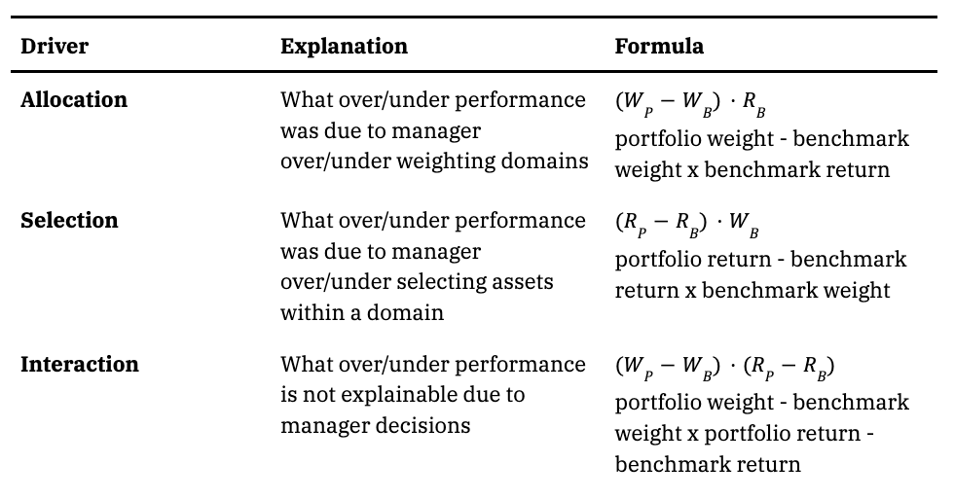
 |  |  | The Brinson Fachler model

Stocks | Stock Return | Benchmark Return | Stock Weight | Benchmark Weight(%) | Stock Contribution | Benchmark Contribution
AIT | 38.71% | 26.41% | 20.00% | 15.56% | 7.74% | 4.11%
ALE | -0.65% | 26.41% | 10.00% | 7.65% | -0.07% | 2.02%
ALLY | 49.70% | 26.41% | 20.00% | 26.17% | 9.94% | 6.91%
ALTR | 85.98% | 26.41% | 20.00% | 17.29% | 17.20% | 4.57%
ALV | 48.45% | 26.41% | 20.00% | 18.35% | 9.69% | 4.85%
AM | 25.88% | 26.41% | 10.00% | 14.97% | 2.59% | 3.95%
 |  |  |  | Total Return | 47.09% | 26.41%
Stock | Allocation effect | Selection effect | Interaction effect
AIT | -0.0099 | 0.006 | 0.002
ALE | -0.0057 | -0.002 | 0.000 |  | Total Excess Return | 4.29%
ALLY | 0.0120 | 0.008 | -0.002
ALTR | -0.0059 | 0.022 | 0.003
ALV | -0.0036 | 0.009 | 0.001
AM | 0.0112 | -0.002 | 0.001
Overall | -0.0019 | 0.041 | 0.004

Allocation effect | This measures the impact of the decision to allocate different weights to various segments or asset classes compared to the benchmark.
Selection effect | This measures the impact of the decision to select securities within each segment compared to the benchmark.
Interaction effect | This measures the combined impact of allocation and selection decisions.

Ratios
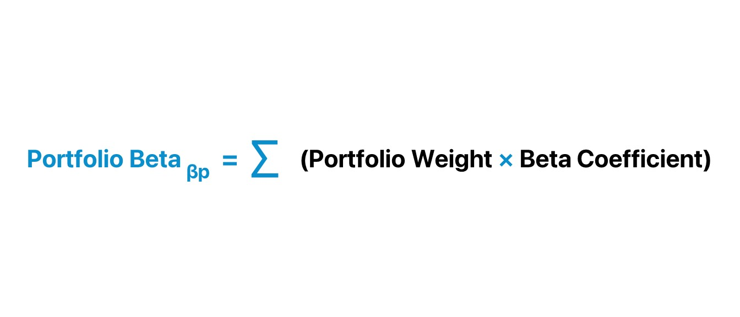
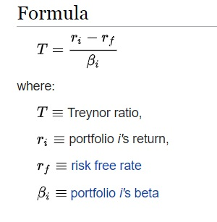 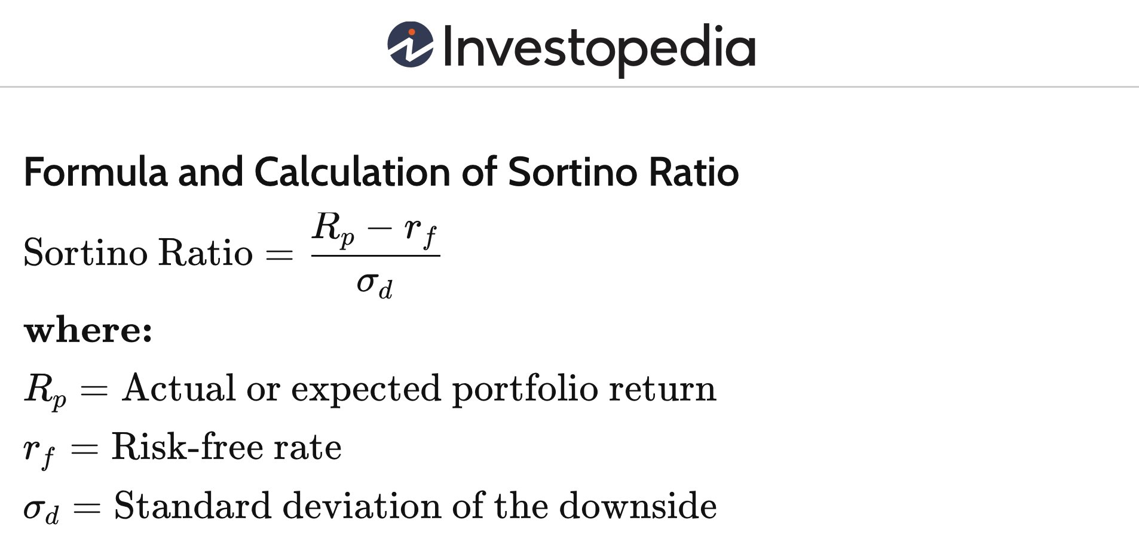 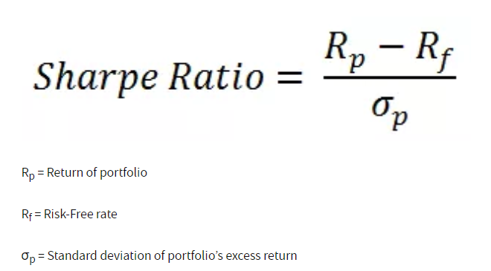 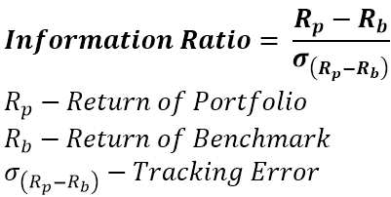 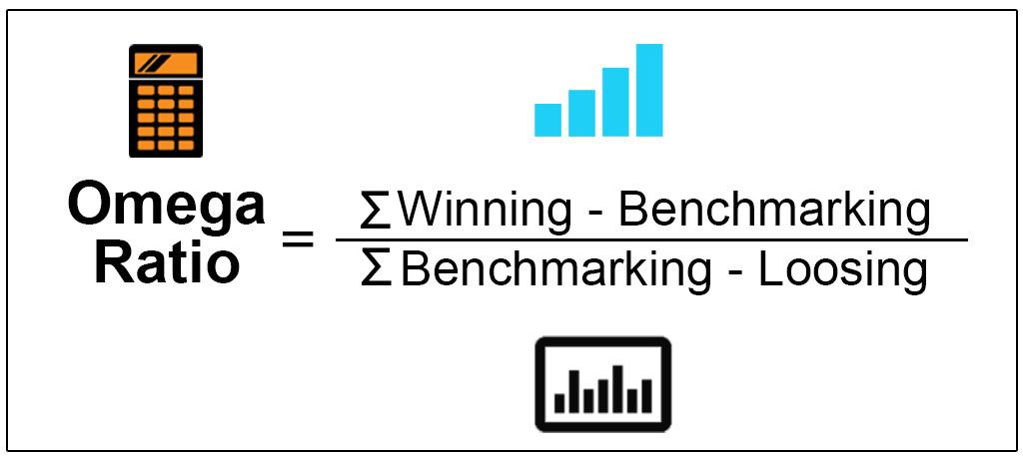
 |  |  |  | Important Ratio Analysis of Portfolio

 | Data From previous Sheets
 | Portfolio Return | 44.71% |  |  | AIT | ALE | ALLY | ALTR | ALV | AM | S&P 500 | d_AIT | d_ALE | d_ALLY | d_ALTR | d_ALV | d_AM
 | Portfolio SD | 19.44% |  | Yearly Return | 38.71% | -0.65% | 49.70% | 85.98% | 48.45% | 25.88% | 26.41% | 9.73% | -21.41% | 18.42% | 47.12% | 17.43% | -0.42%
 | Risk Free Rate | 5.00% |  | Yearly SD | 28.51% | 22.61% | 43.48% | 33.67% | 28.63% | 22.15% | 13.07% | 24.57% | 22.30% | 37.66% | 30.70% | 25.61% | 19.17%
 |  |  |  | Weight | 20.00% | 10.00% | 10.00% | 20.00% | 20.00% | 20.00%
 |  |  |  | Beta | 1.112488319 | 0.5409646842 | 1.884349102 | 1.058713204 | 0.9796498991 | 0.860240245
 |  |  |  | Portfolio Beta | 1.044749712 |  |  |  |  |  |  |  |  | Information Ratio
 |  |  |  |  |  |  |  |  |  |  |  | AIT | ALE | ALLY | ALTR | ALV | AM
 |  |  | Ratio Analysis |  |  |  |  |  |  |  |  | 0.50 | -1.21 | 0.62 | 1.94 | 0.86 | -0.03
 | Sharpe Ratio | Jensen alpha | Treynor ratio | Sortino Ratio | Omega Ratio | Information Ratio
 | 2.04 | 0.17 | 0.38 | 1.84 | 1.119 | 1.45

Sharpe Ratio | The Sharpe Ratio measures the risk-adjusted return of an investment.
Jensen alpha | Jensen’s alpha or Jensen’s measure refers to a measure of the excess returns earned on an investment or a portfolio compared to the gains estimated by the capital asset pricing model.
Treynor ratio | The Treynor Ratio measures the return of an investment per unit of systematic risk (beta).
Information Ratio | The Information Ratio measures the excess return of a portfolio relative to a benchmark, adjusted for the tracking error.
Sortino Ratio | The Sortino Ratio is a variation of the Sharpe Ratio that differentiates harmful volatility from total overall volatility by using the downside deviation.
Omega Ratio | The Omega Ratio measures the probability-weighted ratio of gains versus losses for a threshold return level.

