Tabelle1
Petri net incidence and marking

Forwards incidence matrix I+
 | T0 | T1 | T2 | T3
P0 | 1 | 0 | 0 | 0
P1 | 0 | 1 | 0 | 0
P2 | 0 | 0 | 1 | 0
P3 | 0 | 0 | 0 | 1
P4 | 0 | 1 | 0 | 0
Backwards incidence matrix I-
 | T0 | T1 | T2 | T3
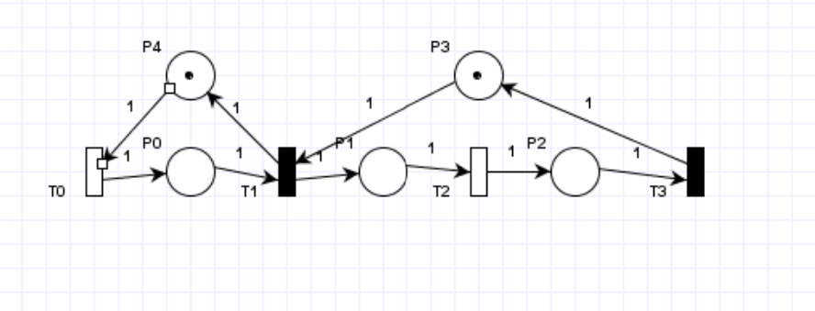
P0 | 0 | 1 | 0 | 0
P1 | 0 | 0 | 1 | 0
P2 | 0 | 0 | 0 | 1
P3 | 0 | 1 | 0 | 0
P4 | 1 | 0 | 0 | 0
Combined incidence matrix I
 | T0 | T1 | T2 | T3
P0 | 1 | -1 | 0 | 0
P1 | 0 | 1 | -1 | 0
P2 | 0 | 0 | 1 | -1
P3 | 0 | -1 | 0 | 1
P4 | -1 | 1 | 0 | 0
Inhibition matrix H
 | T0 | T1 | T2 | T3
P0 | 0 | 0 | 0 | 0
P1 | 0 | 0 | 0 | 0
P2 | 0 | 0 | 0 | 0
P3 | 0 | 0 | 0 | 0
P4 | 0 | 0 | 0 | 0
Marking
 | P0 | P1 | P2 | P3 | P4
Initial | 0 | 0 | 0 | 0 | 0
Current | 0 | 0 | 0 | 1 | 1
Enabled transitions
T0 | T1 | T2 | T3
yes | no | no | no
Maschera 1 = immediate, 0 = temporizzate
0 | 1 | 0 | 1
rates
10 | 0 | 5 | 0
pesi
0 | 1 | 0 | 1
priorità
0 | 1 | 0 | 1
servers
0 | 0 | 0 | 0
descrizione

Foglio1
stati |  |  |  |  |  |  |  |  |  |  | U_g
 |  |  |  |  |  |  |  |  |  |  | S0 | S1 | S2 | S4 | S5 | S3
M0 | S0 | 0 | 0 | 0 | 1 | 1 |  |  | M0 | S0 | 0 | 1 | 0 | 0 | 0 | 0
M1 | S1 | 1 | 0 | 0 | 1 | 0 |  |  | M1 | S1 | 0 | 0 | 1 | 0 | 0 | 0
M2 | S2 | 0 | 1 | 0 | 0 | 1 |  |  | M2 | S2 | 0 | 0 | 0 | 0.67 | 0 | 0.33
M3 | S4 | 1 | 1 | 0 | 0 | 0 |  |  | M3 | S4 | 0 | 0 | 0 | 0 | 1 | 0
M4 | S5 | 1 | 0 | 1 | 0 | 0 |  |  | M4 | S5 | 0 | 1 | 0 | 0 | 0 | 0
M5 | S3 | 0 | 0 | 1 | 0 | 1 |  |  | M5 | S3 | 1 | 0 | 0 | 0 | 0 | 0
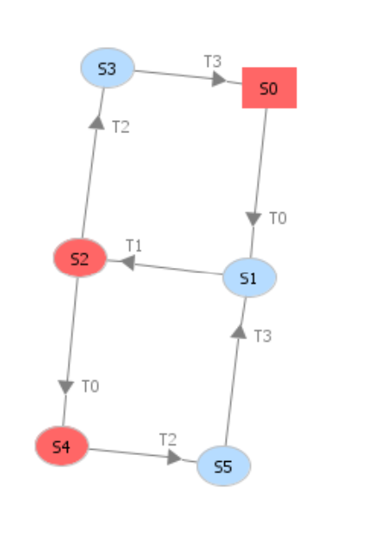
 |  |  |  |  |  |  |  |  | U

 |  |  |  |  |  |  |  |  | S1 | S3 | S5 | S0 | S2 | S4
 |  |  |  |  |  |  | M1 | S1 | 0 | 0 | 0 | 0 | 1 | 0
 |  |  |  |  |  |  | M4 | S5 | 1 | 0 | 0 | 0 | 0 | 0
 |  |  |  |  |  |  | M5 | S3 | 0 | 0 | 0 | 1 | 0 | 0
 |  |  |  |  |  |  | M0 | S0 | 1 | 0 | 0 | 0 | 0 | 0
 |  |  |  |  |  |  | M2 | S2 | 0 | 0 | 0.33 | 0 | 0 | 0.67
 |  |  |  |  |  |  | M3 | S4 | 0 | 1 | 0 | 0 | 0 | 0

