IntelligentData
CMC Data |  |  | EUR/USD | 1.0349545551
 |  | 2025-01-07 21:30:23 | Last update | 2025-01-07 21:20:15
 | Coin slug | Value
 | bitcoin | $96,202.87
 | ethereum | $3,376.78 |  |  | CRO | Stake carta | 52667.00 | $361,699.38 | Scade | 20/5/2022 | Defi swap | 10000 | $1,500.45 | (scad 13/9/2024)
 | cronos | $0.15004 |  |  |  | Eran 35000€ | $36,223.41 | cro stava a | $0.6878 | oggi cro sta a | $0.15004 | -78.18%
 | cosmos | $6.8677 |  |  |  | https://crypto.com/boost
 | realio-network | $0.86
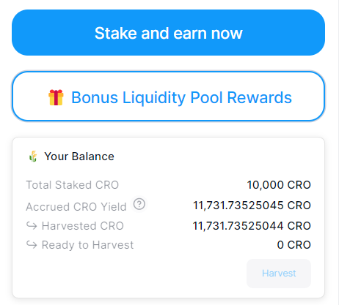
 | arbitrum | $0.827
 | kujira | $0.62
 | dymension | $1.36
 | dydx-chain | $1.45
 | pyth-network | $0.36
 | pendle | $4.79
 | pepe | $0.000018689
BadMad Robots | drunk-robots | $0.01515
 | akash-network | $3.5531801
 | mochi-the-catcoin-new | $0.00000869
 | sei | $0.42
 | aave | $308.20
 | nakamoto-games | $0.90
 | pixels | $0.16
 | synthetix | $1.95
 | aerodrome-finance | $1.35
 | dogwifhat | $1.87
 | floki-inu | $0.00018119
 | frax-share | $3.46
 | zksync | $0.20375
 | uniswap | $13.61
 | rune | $4.469314
 | hyperliquid | $23.36
 | solana | $203.77
 | gmx | $26.04

HC
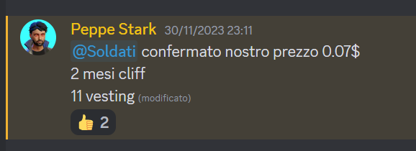
HALVINGS ICOS |  |  |  | TX | Note |  |  |  |  |  |  |  | Note 2
25/09/2021 | venduti ce ne sono un po' ancora al 06/12/2023 eran 2 dolalri | 1000 | #45 the-winky | https://bscscan.com/tx/0x054ed22823c06da7ca671743535da274babafa63fef721cc3fc280f4a419345e | 2022-01-18 | https://twitter.com/thewinkies1 | Private 0: $0,0047 | Lock-Up: 3 month cliff and 12 months vesting (8,33%/month) |  |  |  | @PeppeStark | 18 apr presi 100$ | 04/05 presi 95$
28/09/2021 | fail | 1000 | #46 shoefy | https://bscscan.com/tx/0x633a756933498c3547dc40be74bd3f16e75617dfe0e177720e11ca7b46e1e564 |  | https://docsend.com/view/s/3y24gmfcbcdnvmmg | Private 2: $0,25 Lock-Up: 10% TGE - 3hr after Dex listing, linearly over 6 months ( 15%) |  |  |  |  |  | FAIL
30/09/2021 | seccati | 400 | #47 starchi | https://bscscan.com/tx/0x61d7db66059bfd0554fe0df9e8b8e3bddd7a84ed0f89ca9622d3a89669169af9 |  |  | listing 2 mesi, rilascio settimanale o 2 settimane |  |  |  | $ELIXIR |  |  | Investiti | Tokenz | Cliff | Price now | Total bag (12 mesi)
05/10/2021 | Quotazione 05/12/2023 - cliff 05/02/2023 | 1000 | #50 5ire | https://bscscan.com/tx/0xfd0b4ef5e2b628d5ad98c029986c4b3d05e59120fad36bec3b14f4b6b62a1644 |  |  | Private 3: $0.20408 (poi 0,07$) Lock-Up: 0.5% per day For 14 days -- 2 month Cliff -- 12 mont Daily linear release |  |  |  |  |  | Quindi | 1000 | 14285.71429 | 1000.00 | 0.39 | 5571.428571
20/10/2021 | fail | 1000 | #60 sports Icon LEONCINI |  |  |  | seed 0,65$ 10% subito poi sblocco in 14 mesi |  |  |  |  |  |  |  |  |  | Dumpati il 10% a 426$
24/10/2021 | Non ancora fuori | 300 | #64 Animalia | https://bscscan.com/tx/0x6ff7d93bb953640e94d88fd31b2694d4c018545c19175dfd9c855632c56e9540 |  | 0,8$ | Lock-Up: 20% release at TGE, then linear vesting over the next 12 months |  |  |  |  |  | Eran 1000 poi 700 sono state rifondate
01/11/2021 | https://www.coingecko.com/it/monete/visiongame | 1000 | #69 Visiongame | https://bscscan.com/tx/0xe63b1234f13113350ae0f30bfa6f0ecb465f352dc36366d4163bef2257cc9775 | TOKENS SU SOLANA |  | Mix of Strategic & Private | Strategic: $0.015 | Lock-Up: 1 week cliff - 10% monthly | Private: $0.02 | Lock-Up: 8% TGE- Vesting for 8 month - Monthly release |  | DA REFUND di #54 matterless |  |  |  | distribuiti il 22/4/2022 il 3% |  | seguire

Fiat x Banche
Data Operazione | Val BTC $ | Val BTC EUR | USD/EUR | Bonifici Out | Bonifici In | btc acquistati | Prezzo carico bag |  | Descrizione | Descrizione Completa
05-09-2017 | $4,447.88 | €3,730.48 | 1.1923 |  | 100.00€ | ₿0.02680622 | 3,730.48€ |  | Bonifico SEPA Estero | Ben: AS LHV PANK Ins: 05/09/2017 11:52:38 Da: INTERNET Iban: EE957700771001355096 TransID: 1709051262227610480320023900IT Cau: CBAEURNPHGZWRZ
07-09-2017 | $4,584.82 | €3,812.37 | 1.2026 |  | 1,010.00€ | ₿0.26492676 | 3,812.37€ |  | Bonifico SEPA Estero | Ben: AS LHV PANK Ins: 07/09/2017 12:27:32 Da: INTERNET Iban: EE957700771001355096 TransID: 1709071262955303480320023900IT Cau: CBAEURNPHGZWRZ
18-09-2017 | $4,012.29 | €3,354.75 | 1.1960 |  | 2,010.00€ | ₿0.59915003 | 3,354.75€ |  | Bonifico SEPA Estero | Ben: AS LHV PANK Ins: 18/09/2017 15:29:55 Da: INTERNET Iban: EE957700771001355096 TransID: 1709161265934212480320023900IT Cau: CBAEURNPHGZWRZ
09-10-2017 | $4,758.72 | €4,053.30 | 1.1740 |  | 2,500.00€ | ₿0.61678165 | 4,053.30€ |  | Bonifico SEPA Estero | Ben: AS LHV PANK Ins: 09/10/2017 10:47:55 Da: INTERNET Iban: EE957700771001355096 TransID: 1710071273164455480320023900IT Cau: CBAEURNPHGZWRZ
12-10-2017 | $5,331.62 | €4,506.01 | 1.1832 |  | 10,000.00€ | ₿2.21925957 | 4,506.01€ |  | Bonifico SEPA Estero | Ben: AS LHV PANK Ins: 12/10/2017 14:23:00 Da: INTERNET Iban: EE957700771001355096 TransID: 1710111274662767480320023900IT Cau: CBAEURNPHGZWRZ
26-10-2017 | $5,883.05 | €5,047.66 | 1.1655 |  | 2,000.00€ | ₿0.39622323 | 5,047.66€ |  | Bonifico SEPA Estero | Ben: AS LHV PANK Ins: 26/10/2017 16:52:46 Da: INTERNET Iban: EE957700771001355096 TransID: 1710251279348781480320023900IT Cau: CBAEURNPHGZWRZ
13-11-2017 | $6,423.09 | €5,507.05 | 1.1663 |  | 1,000.00€ | ₿0.18158544 | 5,507.05€ |  | Bonifico SEPA Estero | Ben: AS LHV PANK Ins: 13/11/2017 08:20:57 Da: INTERNET Iban: EE957700771001355096 TransID: 1711111284802087480320023900IT Cau: CBAEURNPHGZWRZ
06-12-2017 | $13,876.47 | €11,765.86 | 1.1794 |  | 800.00€ | ₿0.06799332 | 11,765.86€ |  | Bonifico SEPA Estero | Ben: AS LHV PANK Ins: 06/12/2017 15:09:18 Da: INTERNET Iban: EE957700771001355096 TransID: 1712051293346086480320023900IT Cau: CBAEURNPHGZWRZ
07-02-2018 | $7,711.22 | €6,226.76 | 1.2384 |  | 2,000.00€ | ₿0.32119451 | 6,226.76€ |  | Bonifico SEPA Estero | Ben: AS LHV PANK Ins: 07/02/2018 14:13:34 Da: INTERNET Iban: EE957700771001355096 TransID: 1802061315410682480320023900IT Cau: CBAEURNPHGZWRZ
16-05-2019 | $8,192.22 | €7,310.24 | 1.1207 |  | 1,000.00€ | ₿0.13679441 | 7,310.24€ |  | Bonifico SEPA Estero | Ben: CB PAYMENTS, LTD Ins: 16/05/2019 23:30:35 Da: INTERNET Iban: EE297700771001961370 TransID: 1905151488114553480320023900IT Cau: CBAEURNPHGZWRZ
09-07-2019 | $12,260.28 | €10,929.60 | 1.1218 |  | 5,000.00€ | ₿0.45747326 | 10,929.60€ |  | Bonifico SEPA Estero | Ben: CB PAYMENTS, LTD Ins: 09/07/2019 20:01:35 Da: INTERNET Iban: EE297700771001961370 TransID: 1907081510840089480320023900IT Cau: CBAEURNPHGZWRZ
07-11-2019 | $9,340.05 | €8,437.42 | 1.1070 |  | 4,000.00€ | ₿0.47407874 | 8,437.42€ |  | Bonifico SEPA Estero | Ben: CB PAYMENTS, LTD Ins: 07/11/2019 16:53:36 Da: INTERNET Iban: EE297700771001961370 TransID: 1911061561853724480320023900IT Cau: CBAEURNPHGZWRZ
12-03-2020 | $7,935.52 | €7,046.27 | 1.1262 |  | 3,000.00€ | ₿0.42575733 | 7,046.27€ |  | Bonifico SEPA Estero | Ben: CB PAYMENTS, LTD Ins: 12/03/2020 13:08:05 Da: INTERNET Iban: EE297700771001961370 TransID: 2003121618645665480320023900IT Cau: CBAEURNPHGZWRZ
16-06-2020 | $9,524.93 | €8,455.98 | 1.1264 |  | 3,250.00€ | ₿0.38434329 | 8,455.98€ |  | crypto.com | Acquisti con carta di credito Fineco
14-07-2020 | $9,240.76 | €8,141.99 | 1.1350 |  | 900.00€ | ₿0.11053809 | 8,141.99€ |  | crypto.com | Acquisti con carta di credito Fineco (movimento da 1100€ ma 200€ per ricarica carta di credito)
07-08-2020 | $11,768.13 | €9,908.76 | 1.1876 |  | 337.60€ | ₿0.03407085 | 9,908.76€ |  | crypto.com | Acquisti con carta di credito Fineco
10-08-2020 | $11,682.85 | €9,915.75 | 1.1782 |  | 355.77€ | ₿0.03587928 | 9,915.75€ |  | crypto.com | Acquisti con carta di credito Fineco
01-09-2020 | $11,672.32 | €9,776.79 | 1.1939 |  | 1,003.97€ | ₿0.10268917 | 9,776.79€ |  | crypto.com | Acquisti con carta di credito Fineco
01-10-2020 | $10,770.88 | €9,186.38 | 1.1725 |  | 1,118.00€ | ₿0.12170195 | 9,186.38€ |  | Bonifico SEPA Estero | Ben: CB PAYMENTS, LTD Ins: 01/10/2020 20:00:49 Da: INTERNET Iban: EE297700771001961370 TransID: 2009301697692065480320023900IT Cau: CBAEURNPHGZWRZ
02-11-2020 | $13,720.36 | €11,787.19 | 1.1640 |  | 1,500.00€ | ₿0.12725679 | 11,787.19€ |  | Bonifico SEPA Estero | Ben: CB PAYMENTS, LTD Ins: 02/11/2020 14:31:34 Da: INTERNET Iban: EE297700771001961370 TransID: 2011021712301043480320023900IT Cau: CBAEURNPHGZWRZ
21-12-2020 | $23,518.32 | €19,250.28 | 1.2217 |  | 2,000.00€ | ₿0.10389457 | 19,250.28€ |  | Bonifico SEPA Estero | Ben: COINBASE IRELAND LTD Ins: 21/12/2020 18:20:40 Da: INTERNET Iban: EE477700771003914626 TransID: 2012181733419137480320023900IT Cau: CBAEURNPHGZWRZEXC
 |  |  |  | TOTALI | 44,885.34€ | ₿7.20839846

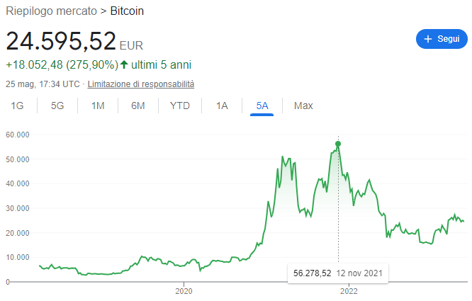
 |  |  |  | Prezzo medio di carico |  | 6,226.81€ |  | CASHOUT
 |  |  |  |  |  |  |  | 20/03/2018 | €7,049.85
 |  |  |  |  |  |  |  | Costo | €5,720.00

