ST12
Rev.01 (09-Oct-20)
Station #12
Add anti cover protect screw drop

5
Front view
4

Mask 5
47.1/53.2
Pick up sensor

51L

T508769
Heater pipe bracket LHD
200x300

49R
51R
49L
47

T508444
Heater bracket RHD 200x300
T508773
Heater pipe cover LHD
400x300
T508441
Heater pipe cover RHD 400x600
T72904C
Heaterholder
200x300

Return Empty box

ST7
Rev.04 (09-Oct-20)
Station # 7
Add anti cover protect screw drop

2

15
14KL
14RL
13KL
13KL

TBC
Metallic clip for bowden cable fixation
TBC
KS Mixing bowden cableLHD200x300
TBC
KS Mixing bowden cableRHD200x300
TBC
KS Mixing door gear LHD
200x300
TBC
KS Mixing door gear RHD
200x300

17.1
- VLCL
:2

19
18
12SL
12KR
12KL
12SR

T555797
Slave Plate assembly
300x400
T555787
Mixing door assembly 400x300
Mixing actuator lever LLD
200x300
T509105
Mixing lever LHD 200x300
Mixing leverRHD
200x300
T509105
Mixing lever RHD200x300

21
17
20

T555804
Defrost-vent door assembly
600x400
T555814
Feet door assembly
400x600
T1014302U VLCL
600x400

Return Empty box

ST13
Rev.01 (09-Oct-20)
Station #13
Add anti cover protect screw drop

Front view

6
42.1
2 = Rear vent upper cover
2= DISTRIB/EVAPO HOUSING,
2= Glove ADAPTATER

Mask 6A
55.1/57.2
Pick up sensor

Mask 6B
55.2/57.3
Pick up sensor

53L
57

Blower Scroll Thinsulate
LHD 40 x 190 x 525
400x600

T509109
Rear vent foam
300x400

T555842
Blower Scroll Thinsulate RHD 400x600
T508746
SU2id - Rear vent cover LHD
400x600
T508309
SU2id - Rear vent cover RHD
600x400

54L
54R
53R

Return Empty box

ST9
Rev.03 (09-Oct-20)
Station #9
Add anti cover protect screw drop

3
22.1/22.3
Acutuatorer

Glove Box LHD
200x300
40L
Mask 3
33.1/35.2
Pick up Sensor

32
92-KS
Mixing e
200x300
Distributioplate LHD
200x300
30K-R
Distributio
200x300
30K-L
92-KS
Mixing le
200x300
31K-R

Mask 4B
36.3/37.3
Pick up Sensor
Mask 4A
36.2/37.3
(Sensor)
Sample
31K-L
KS
Distribution
200x300

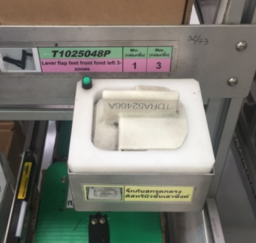
SU2id Aspiratfle
200x300
39K
T555763
Aspir adapter
200x300
38
33
DSH
Kinem plate LHD 300x400
30S-R

T60322C
DC actuator (Tonex ACT18)
600x400

T60320C
DC actuator (Tonex 600x400
T555825
DSH late
300x400
30S-L
Glove RHD
200x300
40R
39S
Aspirat flexible
200x300

36

Return Empty box

ST16
7
64.1/65.1
2 = HOUSING LEFT/RIGHT
2= ACTUATOR
7

Front view

63.1
Actuator

67
63

62R
62L
T589447
Air Inlet seal 300x400
DC act0.75uator ON-OFF (Tonex ACT18)
600x400
T509114
Air Intake Lever RHD
200x300
Air Intake Lever LHD
200x300

Mask#7R
63.2R/65.2R
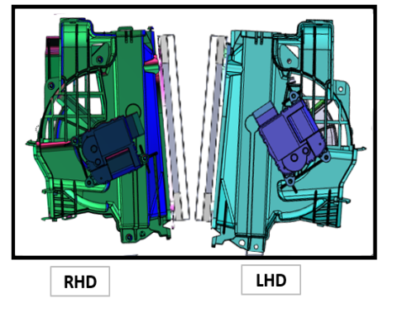
Mask#7L
63.2L/65.2L

T510281
High Efficient Filter
600x400
T555752
Air inlet door
400x300

Jig assy Air intake
400x300
61
66

Return Empty box
Return Empty box

ST22
Front view
T508601
Drain hose RHD
600x400
T508212
Drain hose LHD
600x400
T72223A Heater core pipe cap
200x300

80L
79
80R

T508212
Drain hose LHD
400x600

79
80R

80L
T72223A Heater core pipe cap
200x300
T508601
Drain hose RHD
600x400

ST8
Station #8
BOM V9.6

500

Front view

20R
20L
18L
17L
16L
15L
18KR
18KL

T509052
Feet door gear
RHD
200x300
TBC
Feet door gear LHD
200x300
KS
Distribution actuator Gear RHD
200x300
KS
Distribution actuator Gear LHD
200x300
TBC
distribution actuator Gear LHD
200x300
TBC
Feet lever LHD
200x300
TBC
Defrost-vent door gear LHD
200x300
TBC
Defrost-vent door lever LHD
200x300

16R
19.4
19.2
19.3
19.1
18R
17R
15R
260
HVAC
Distribution CAM
RHD
200x300
T509048
Defrost-vent door gear RHD
200x300
VAC
Distribution CAM LHD
200x300
HVAC
Distribution CAM LHD
200x300
VAC
Distribution CAM
RHD
200x300
T509054
Distribution actuator Gear RHD
200x300
T551322
Feet lever RHD
200x300
T509046
Defrost-vent door lever RHD
200x300

100
Grease
Grease-19.4
VAC
Distribution CAM LHD
300x300
Grease-19.3
HVAC
Distribution CAM LHD
300x300
Grease-19.3
VAC
Distribution CAM RHD
300x300
Grease-19.1
HVAC
Distribution CAM
RHD
300x300

700

Return Empty box

1920

