Sheet1
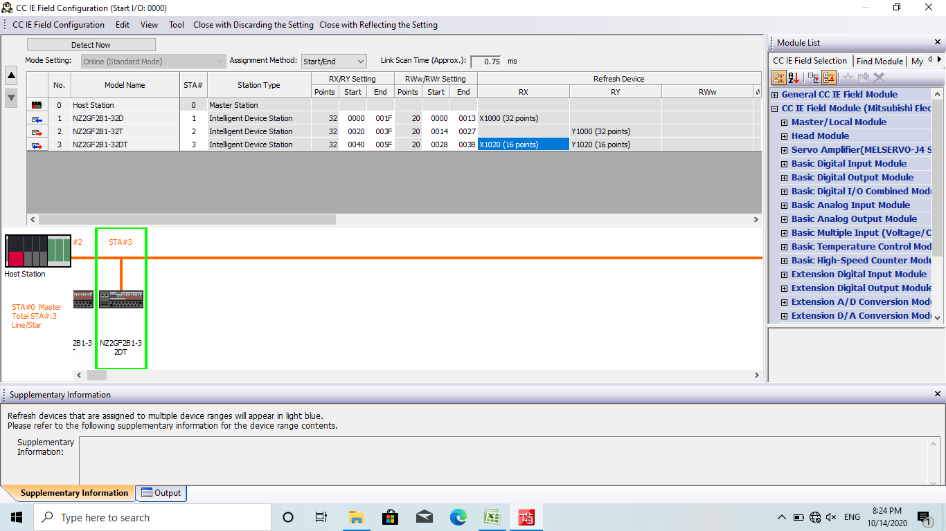

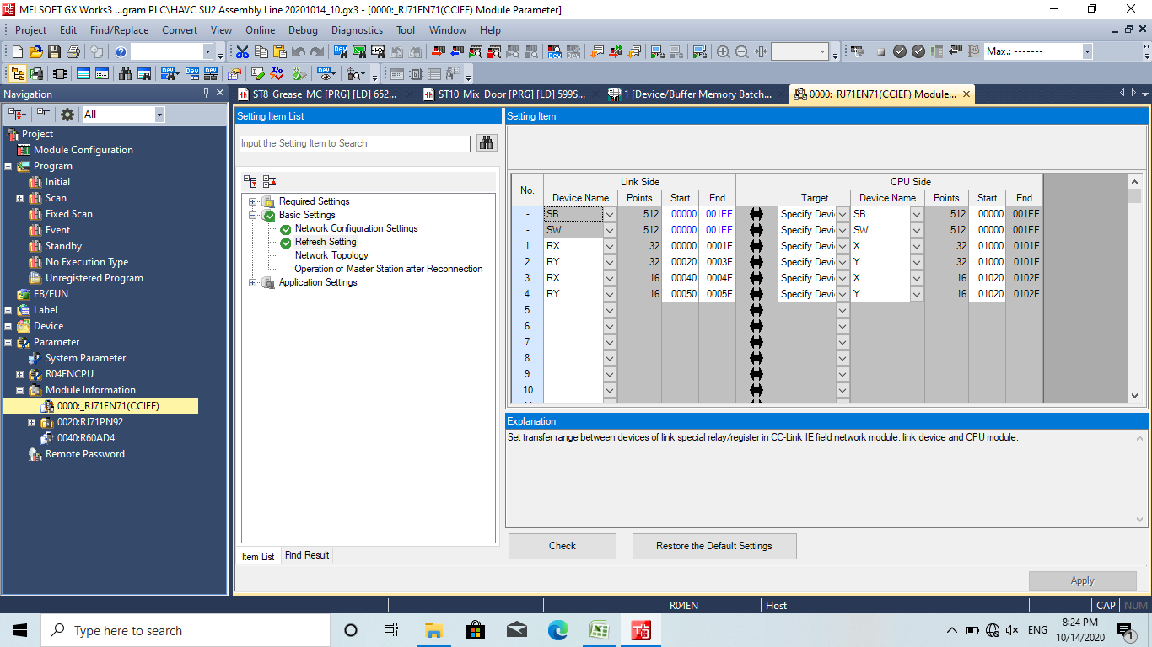

Sheet2
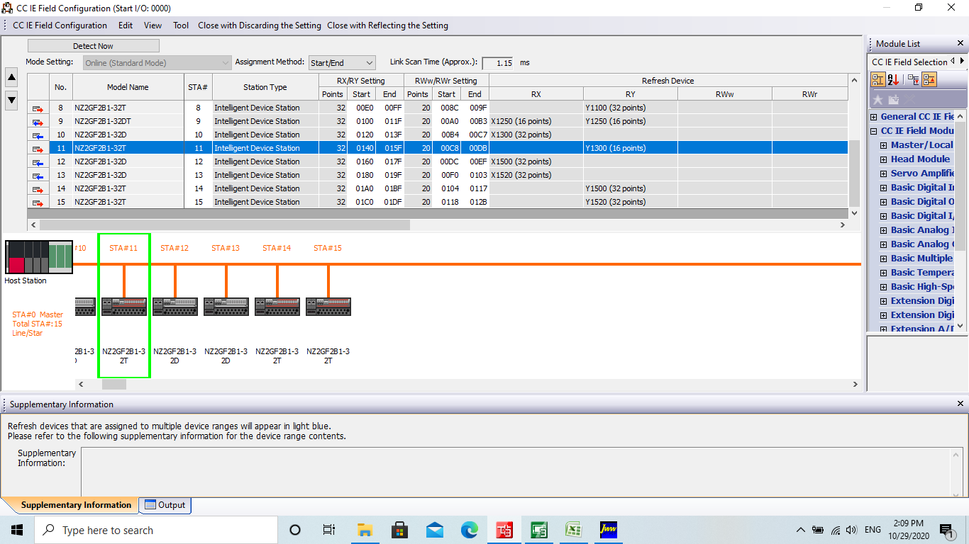
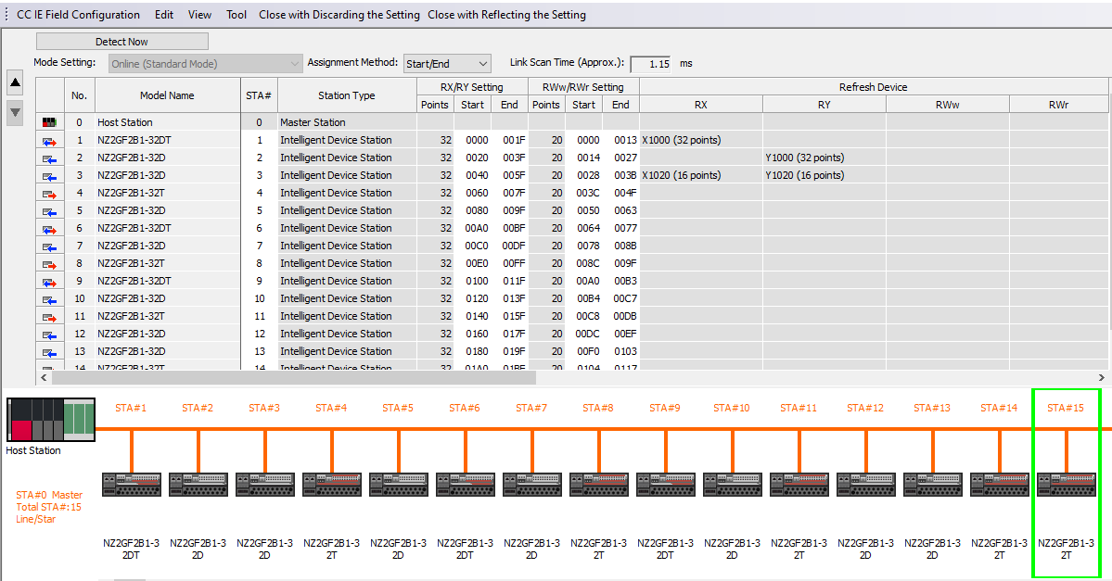

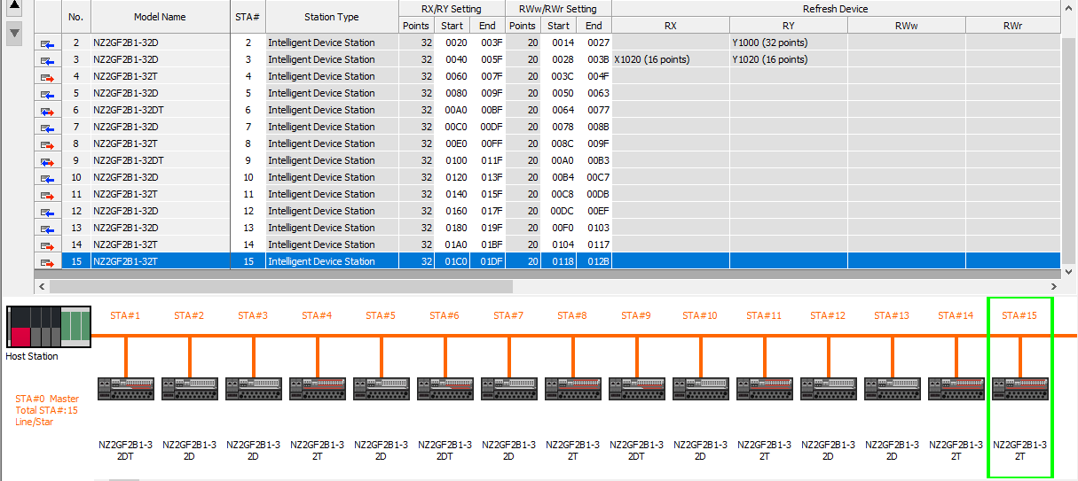

1 | 0 | 001F
2 | 20 | 003F
3 | 40 | 005F
4 | 60 | 007F
5 | 80 | 009F
6 | 00A0 | 00BF
7 | 00C0 | 00DF
8 | 00E0 | 00FF
9 | 100 | 011F
10 | 120 | 013F
11 | 140 | 015F
12 | 160 | 017F
13 | 180 | 019F
14 | 01A0 | 01BF
15 | 01C0 | 01DF

