TRENDS
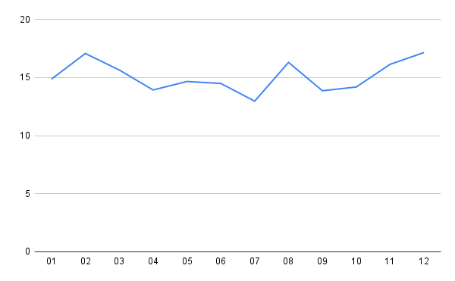
58 | 293 | 01 | 19.79522184 | 2021
67 | 299 | 02 | 22.40802676 | 2021
55 | 336 | 03 | 16.36904762 | 2021
31 | 216 | 04 | 14.35185185 | 2021
22 | 153 | 05 | 14.37908497 | 2021
34 | 256 | 06 | 13.28125 | 2021
40 | 295 | 07 | 13.55932203 | 2021
52 | 314 | 08 | 16.56050955 | 2021
33 | 297 | 09 | 11.11111111 | 2021
32 | 254 | 10 | 12.5984252 | 2021
48 | 267 | 11 | 17.97752809 | 2021
44 | 259 | 12 | 16.98841699 | 2021
26 | 233 | 01 | 11.15879828 | 2022
33 | 262 | 02 | 12.59541985 | 2022
41 | 342 | 03 | 11.98830409 | 2022
39 | 289 | 04 | 13.49480969 | 2022
50 | 335 | 05 | 14.92537313 | 2022
51 | 325 | 06 | 15.69230769 | 2022
34 | 275 | 07 | 12.36363636 | 2022
38 | 237 | 08 | 16.03375527 | 2022
42 | 253 | 09 | 16.60079051 | 2022
32 | 203 | 10 | 15.7635468 | 2022
31 | 217 | 11 | 14.28571429 | 2022
41 | 237 | 12 | 17.29957806 | 2022
35 | 257 | 01 | 13.61867704 | 2023
39 | 241 | 02 | 16.18257261 | 2023
55 | 296 | 03 | 18.58108108 | 2023
40.85185185 | 268.1851852 |  | 15.18385781

