README
Ready-to-deploy package overview

1. This workbook is the operating index for all 144 townhome units.
2. The folder tree mirrors the plat by building, then by unit address.
3. Unit_Master is the main working sheet. Blue cells are user inputs. Black cells are formulas.
4. Board_Dashboard summarizes immediate action, follow-up, and complete units.
5. Buildings 14, 17, and 21 include addresses inferred from the plat image and should be verified before final rollout.
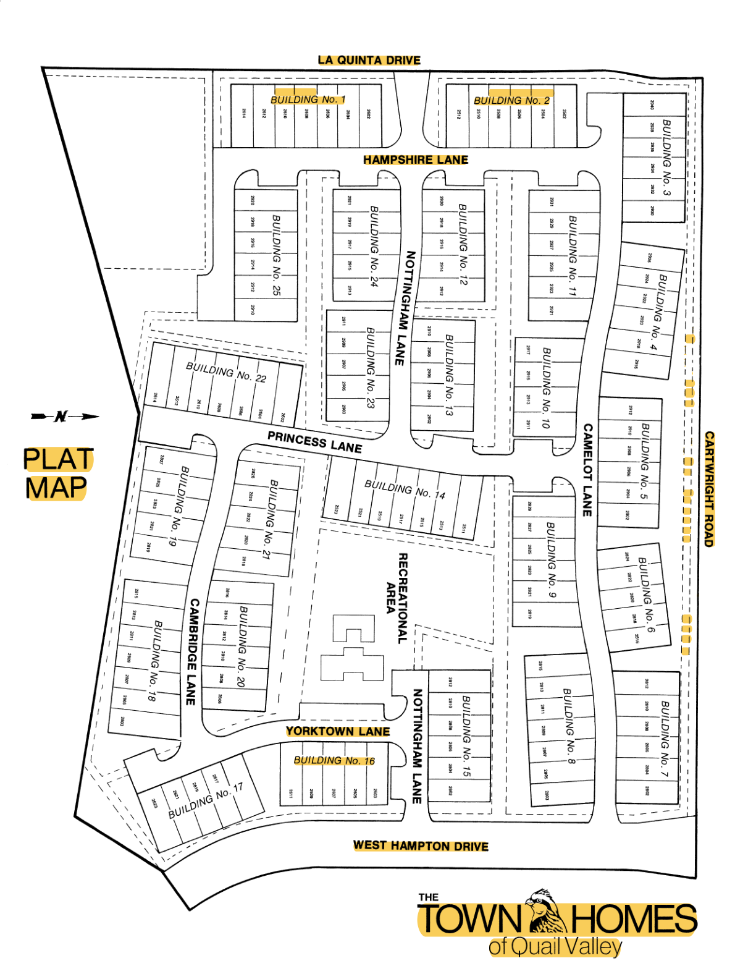
4. Review_Summary, Address_Review_List, and Building_Checklist were added during cleanup to speed board verification.
5. Board_Dashboard formulas for insurance renewal and acknowledgment exceptions were corrected.
6. Review-flagged rows are highlighted in Unit_Master and should be confirmed before live deployment.

