Status 27-Oct-2025
Artifacts by Completion
Executive Summary KPIs

Total Artifacts | 121
Complete | 9
Incomplete | 112

Asset Reg Due -Status as 27-Oct
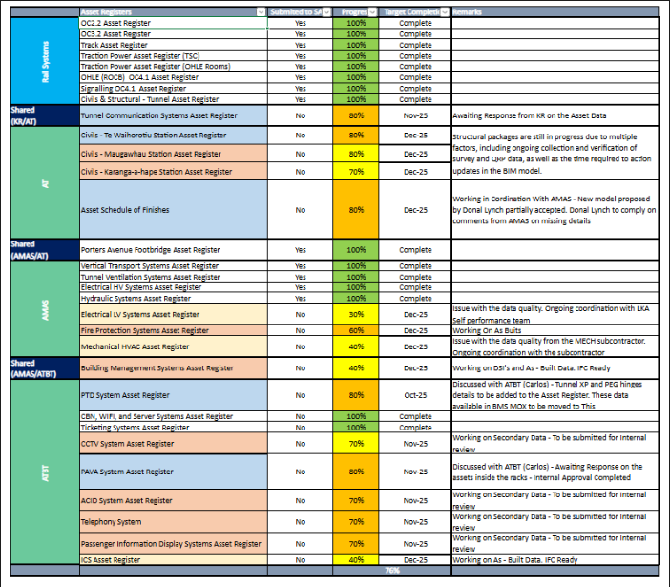

Risk Process
