Documentation
PRACTITIONER TESTING RECORD

Attempt | Description | Result | Notes | Screenshots / File Name
1 | BYPASS ROOT DETECTION | SUCCESS | - Using Hide My App to hide the app. - Using Deny List to make the hide the app working. - And open the app success to bypass.
2 | REFLUTTER | FAILED | N/A
3 | IPTABLES ROUTING | FAILED | N/A | 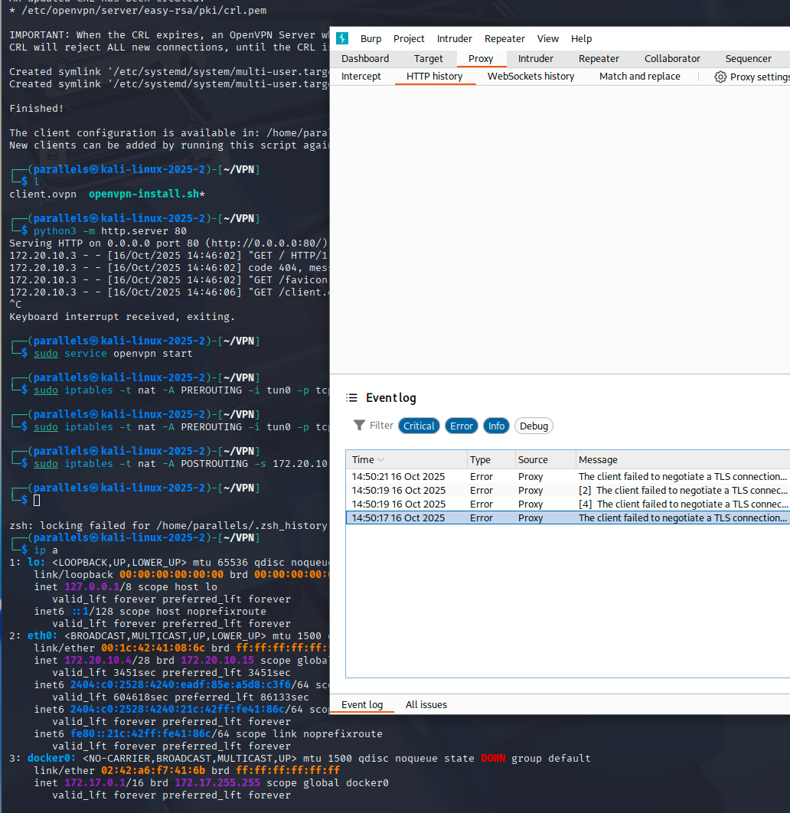
4 | BYPASS ANTIFRIDA AND SCRIPT FRIDA | FAILED | - Changes Name frida server - Using Script - Port Forwarder | 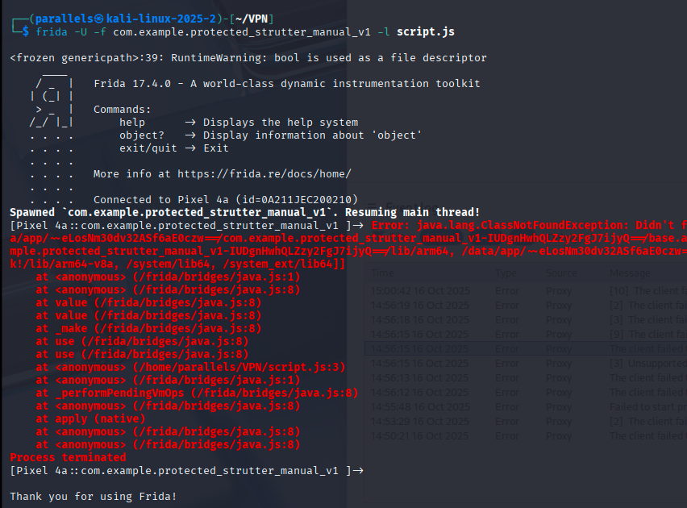 | 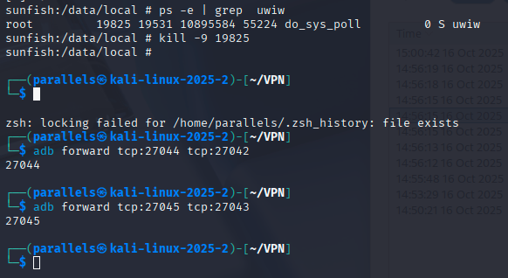
5 | UNPROTECTED APP DOCUMENTATION | SUCCESS | N/A | 