Documentation
PRACTITIONER TESTING RECORD

Attempt | Description | Result | Notes | Screenshots / File Name
1 | Bypass root Using Custom script frida on protected apk | Failed | Performed several attempts such as using codeshare rootBypass, custom scripts based on static analysis, and using a Magisk module. | 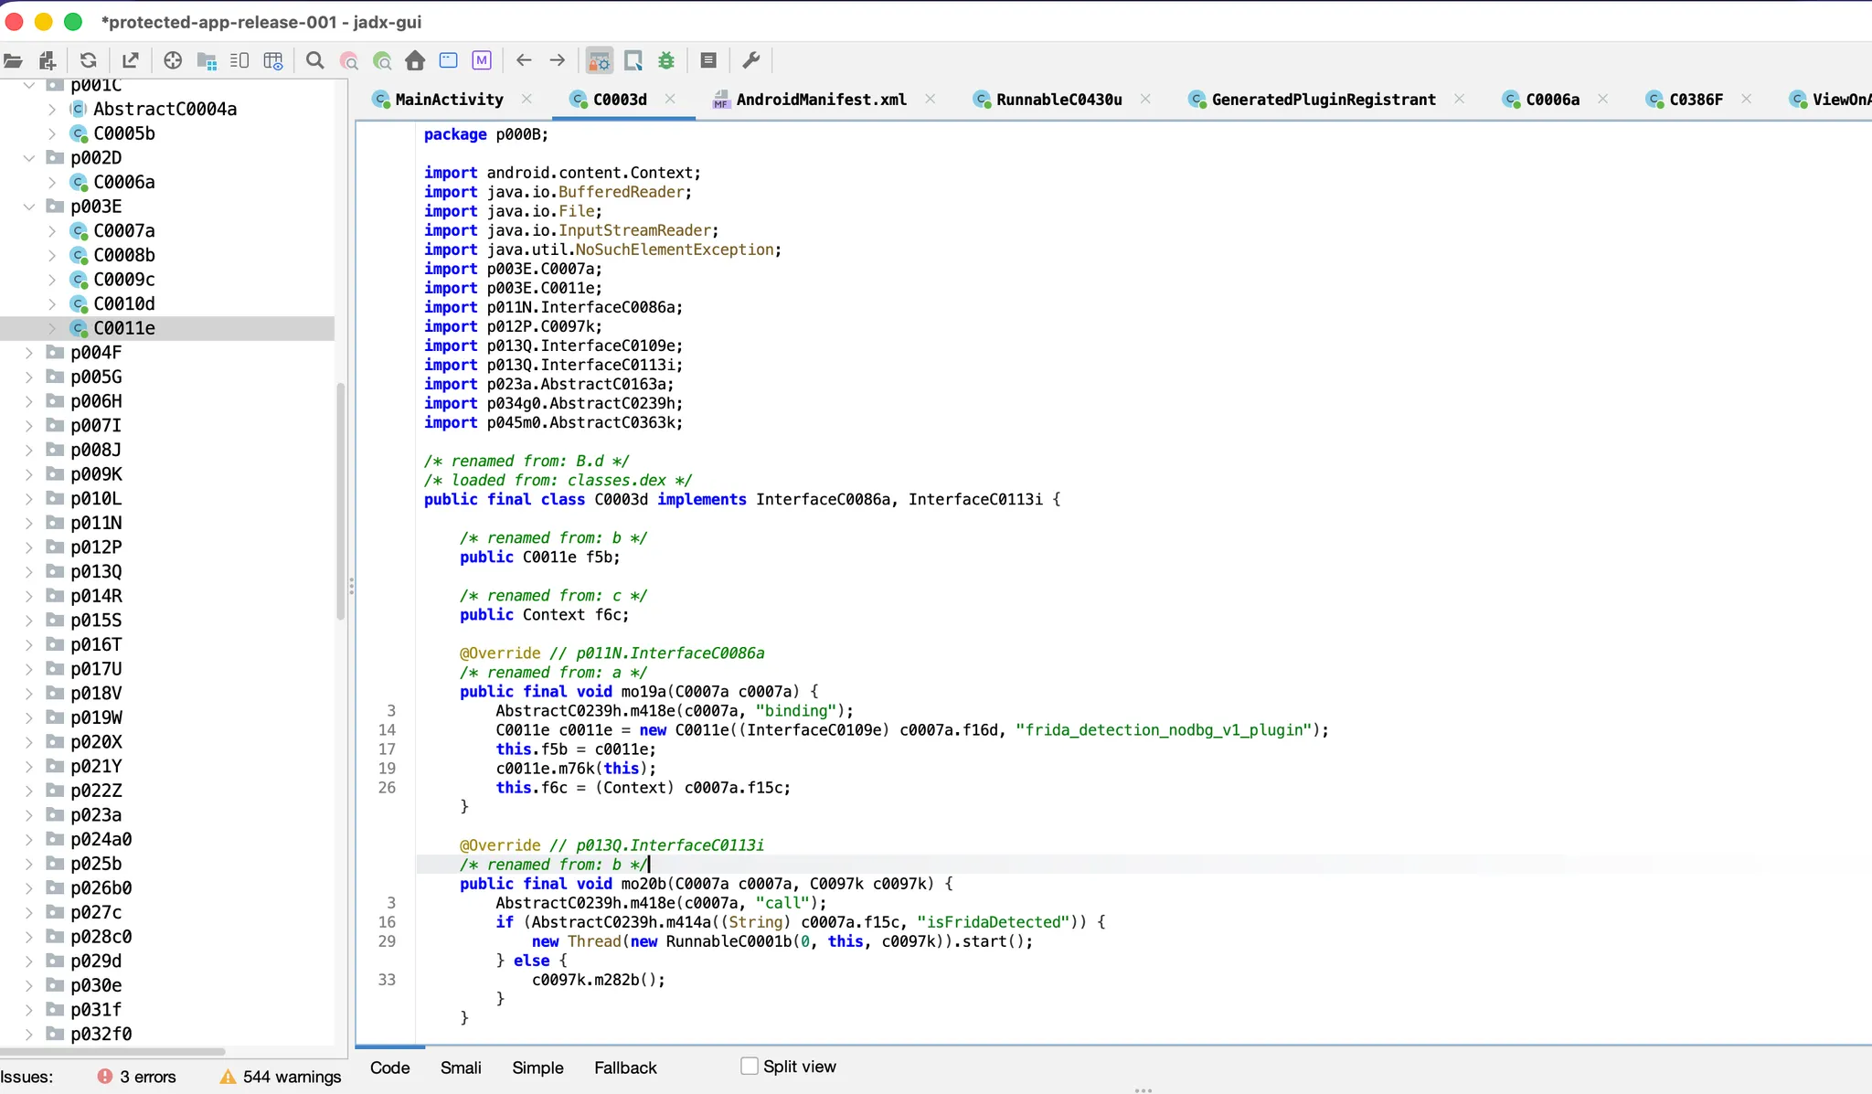 | 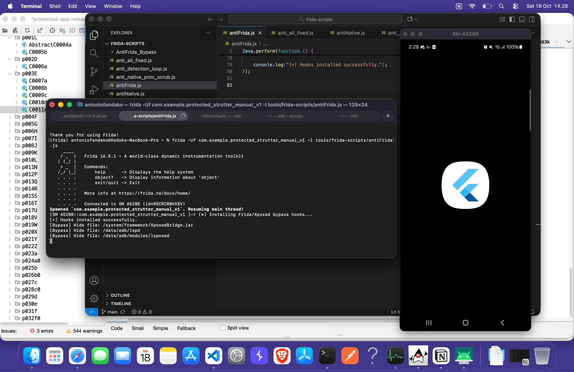 | 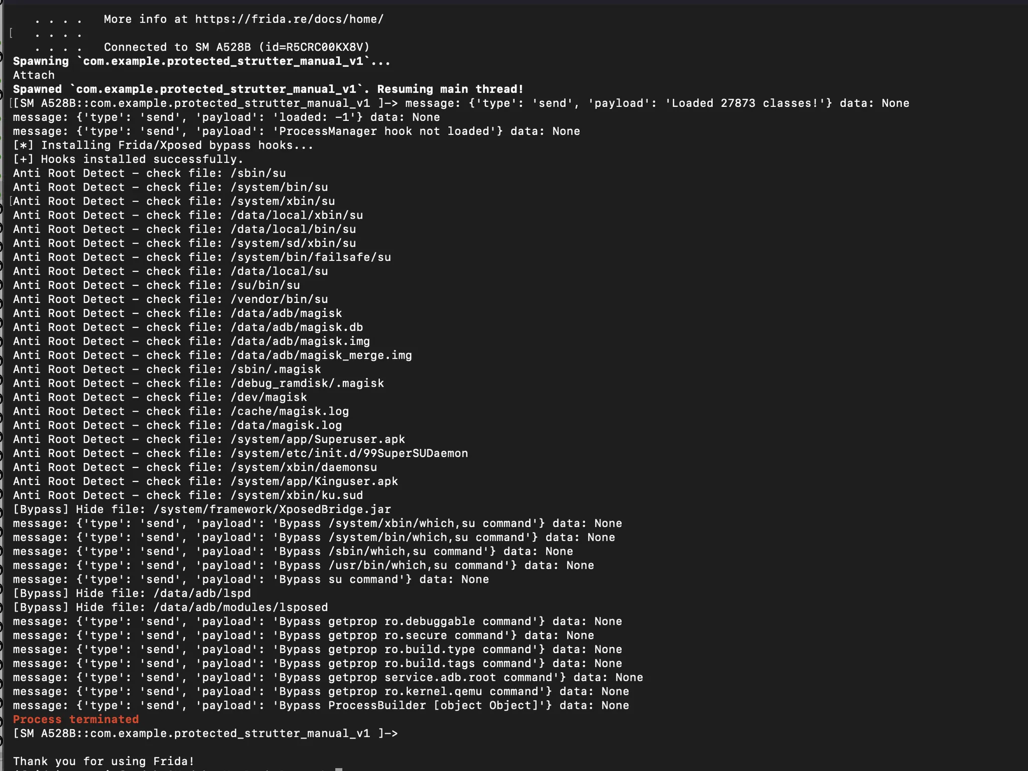 | 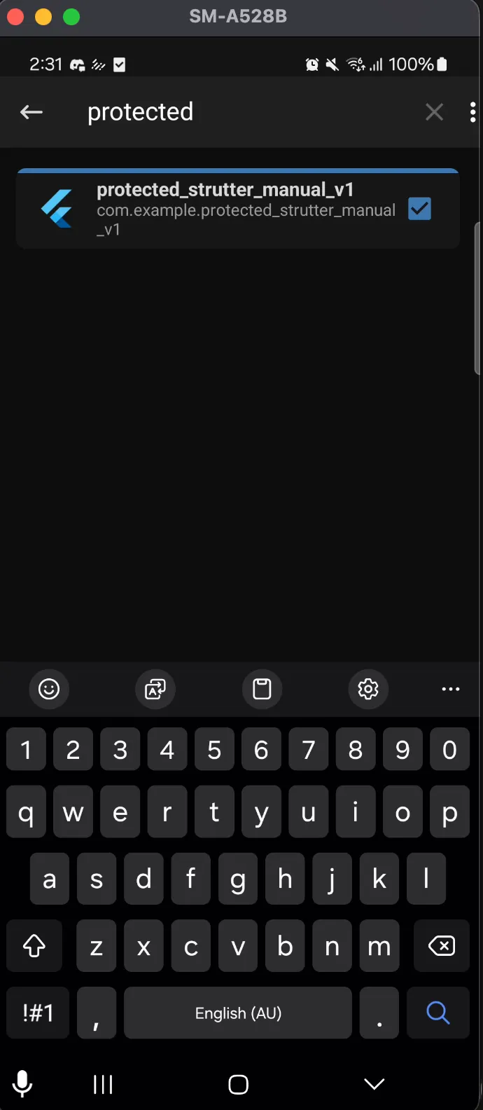
2 | UNPROTECTED APP DOCUMENTATION | Success | Using the Reflutter Frida script method + Invisible Proxy + Burp Suite. | 