Documentation
PRACTITIONER TESTING RECORD

Attempt | Description | Result | Notes | Screenshots / File Name
1 | Reflutter Test | Failed | The app is force closed when installed and opened on a non-rooted device, with Developer Options turned off. | 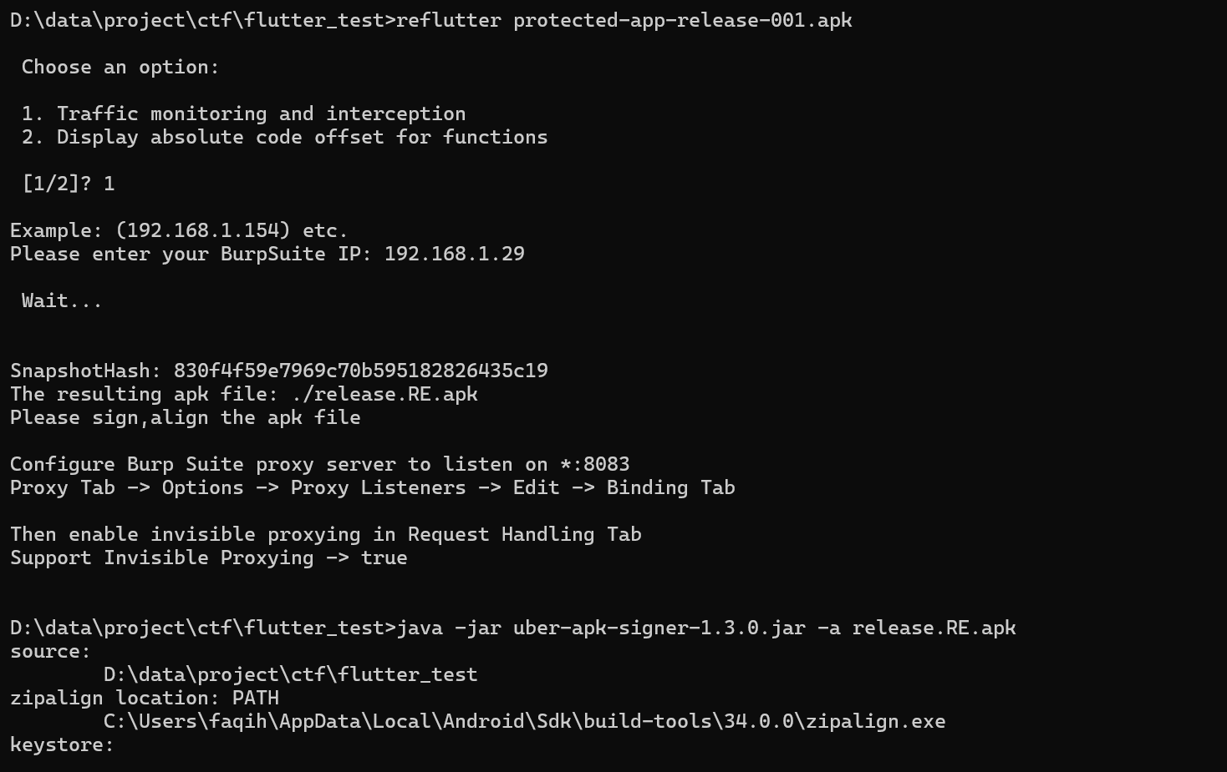
2 | Proxy Direct Test | Failed | Not intercepted and not checked. | N/A
3 | Shamiko | Failed | Failed - the application force-closes. | 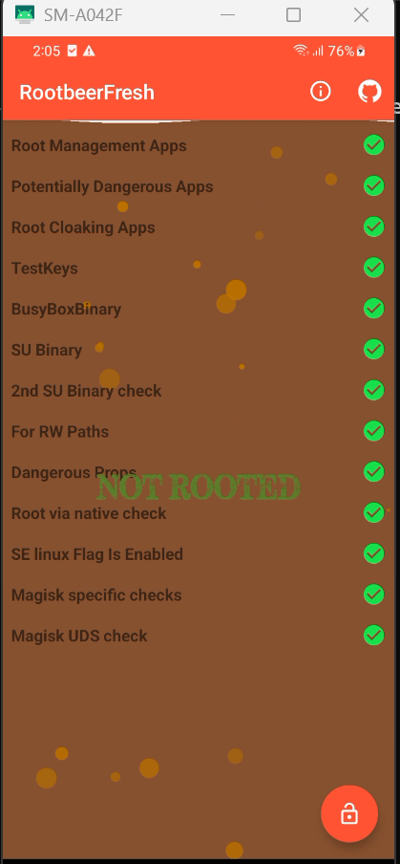 | 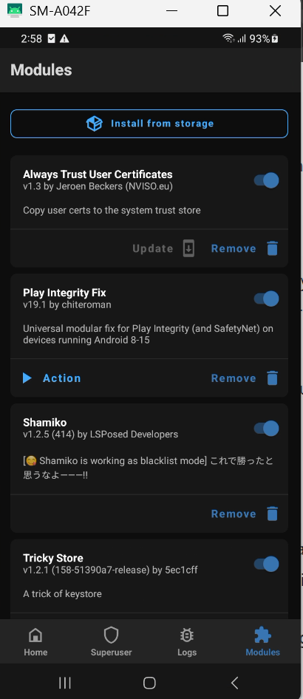
4 | Blutter Check | Failed | There is an IDA script - possibly used to rename functions.
5 | UNPROTECTED APP DOCUMENTATION | Success | N/A

