Documentation
PRACTITIONER TESTING RECORD

Attempt | Description | Result | Notes | Screenshots / File Name
1 | Bypass using frida-flutterproxy | Success
2 | Bypass using --codeshare d3tonator/ssl-and-root-detection-bypass | Failed |  | 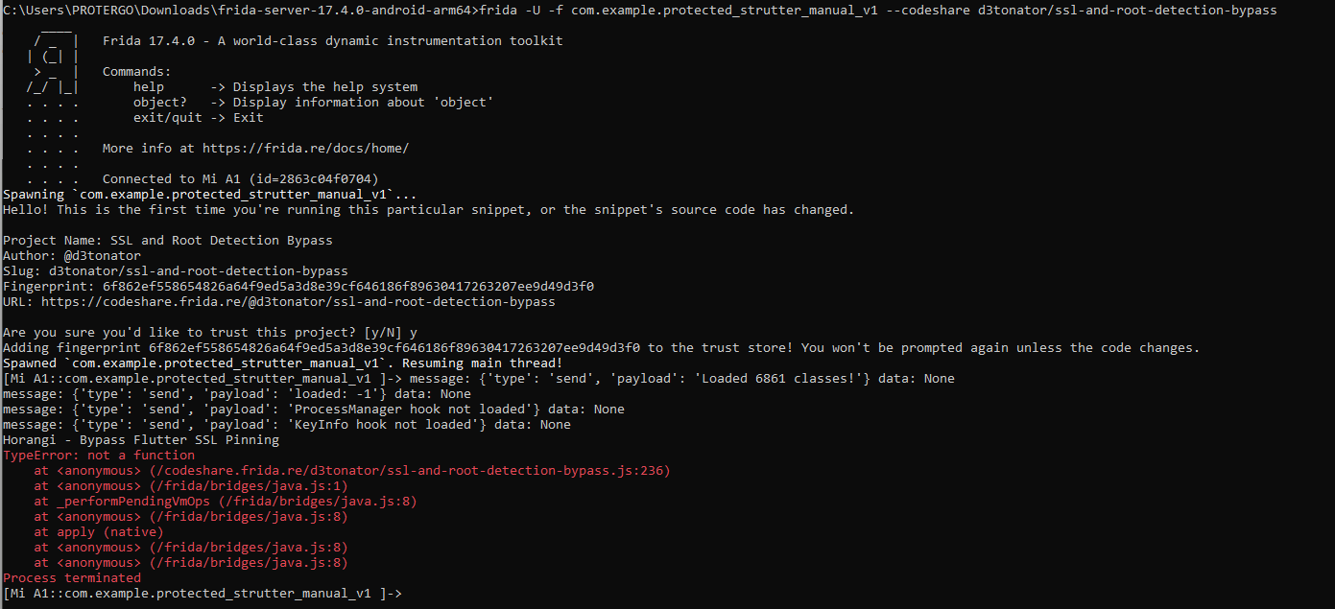
3 | Bypass using --codeshare muhammadhikmahhusnuzon/bypass-talsec-rasp-and-root-detection | Failed
4 | Bypass using --codeshare TheDauntless/disable-flutter-tls-v1 | Failed
5 | dekompilasi APK menggunakan Apktool | Failed
6 | Create .js script with AI | Failed
7 | Reading the decompiled code from the APK file | Failed |  | 

