Documentation
PRACTITIONER TESTING RECORD

Attempt | Description | Result | Notes | Screenshots / File Name
1 | bypass frida detection B.d.b using custom frida | potential | N/A | 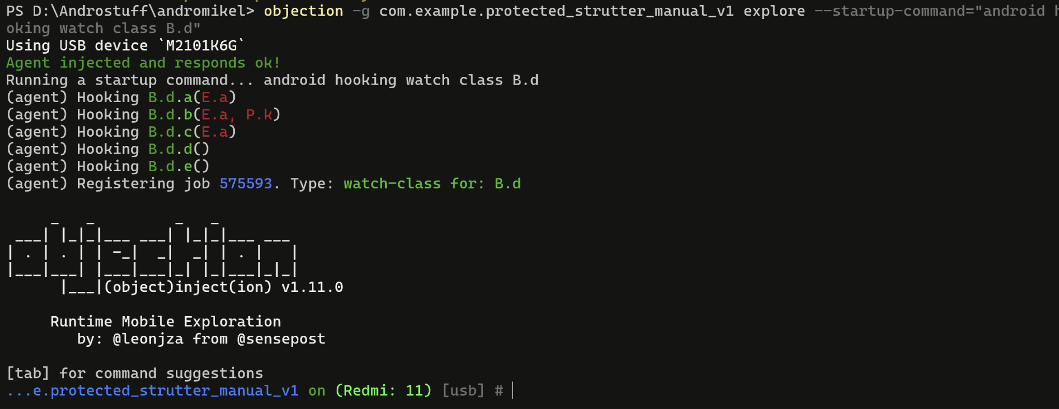
2 | attempt bypass root with magisk alpha denylis | failed | N/A | 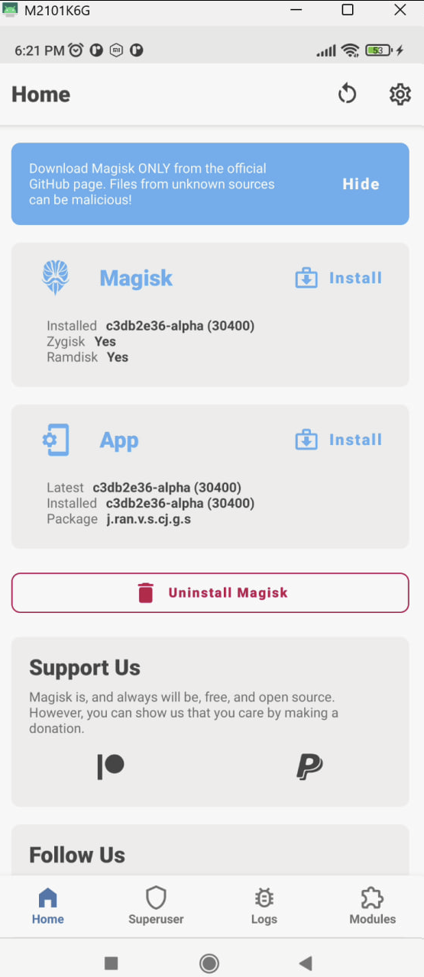
3 | tampering signature with frida | failed | N/A | N/A
4 | UNPROTECTED APP DOCUMENTATION | success | N/A | 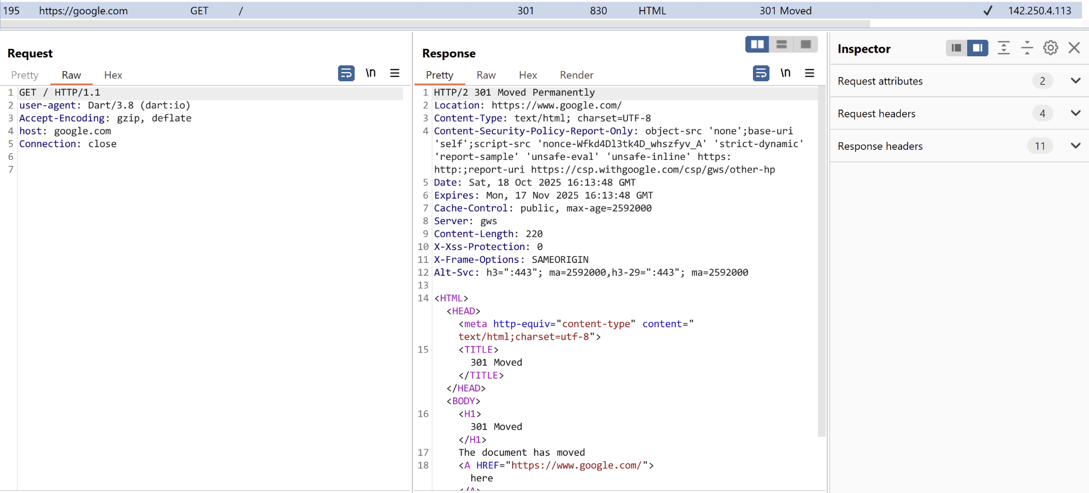 | 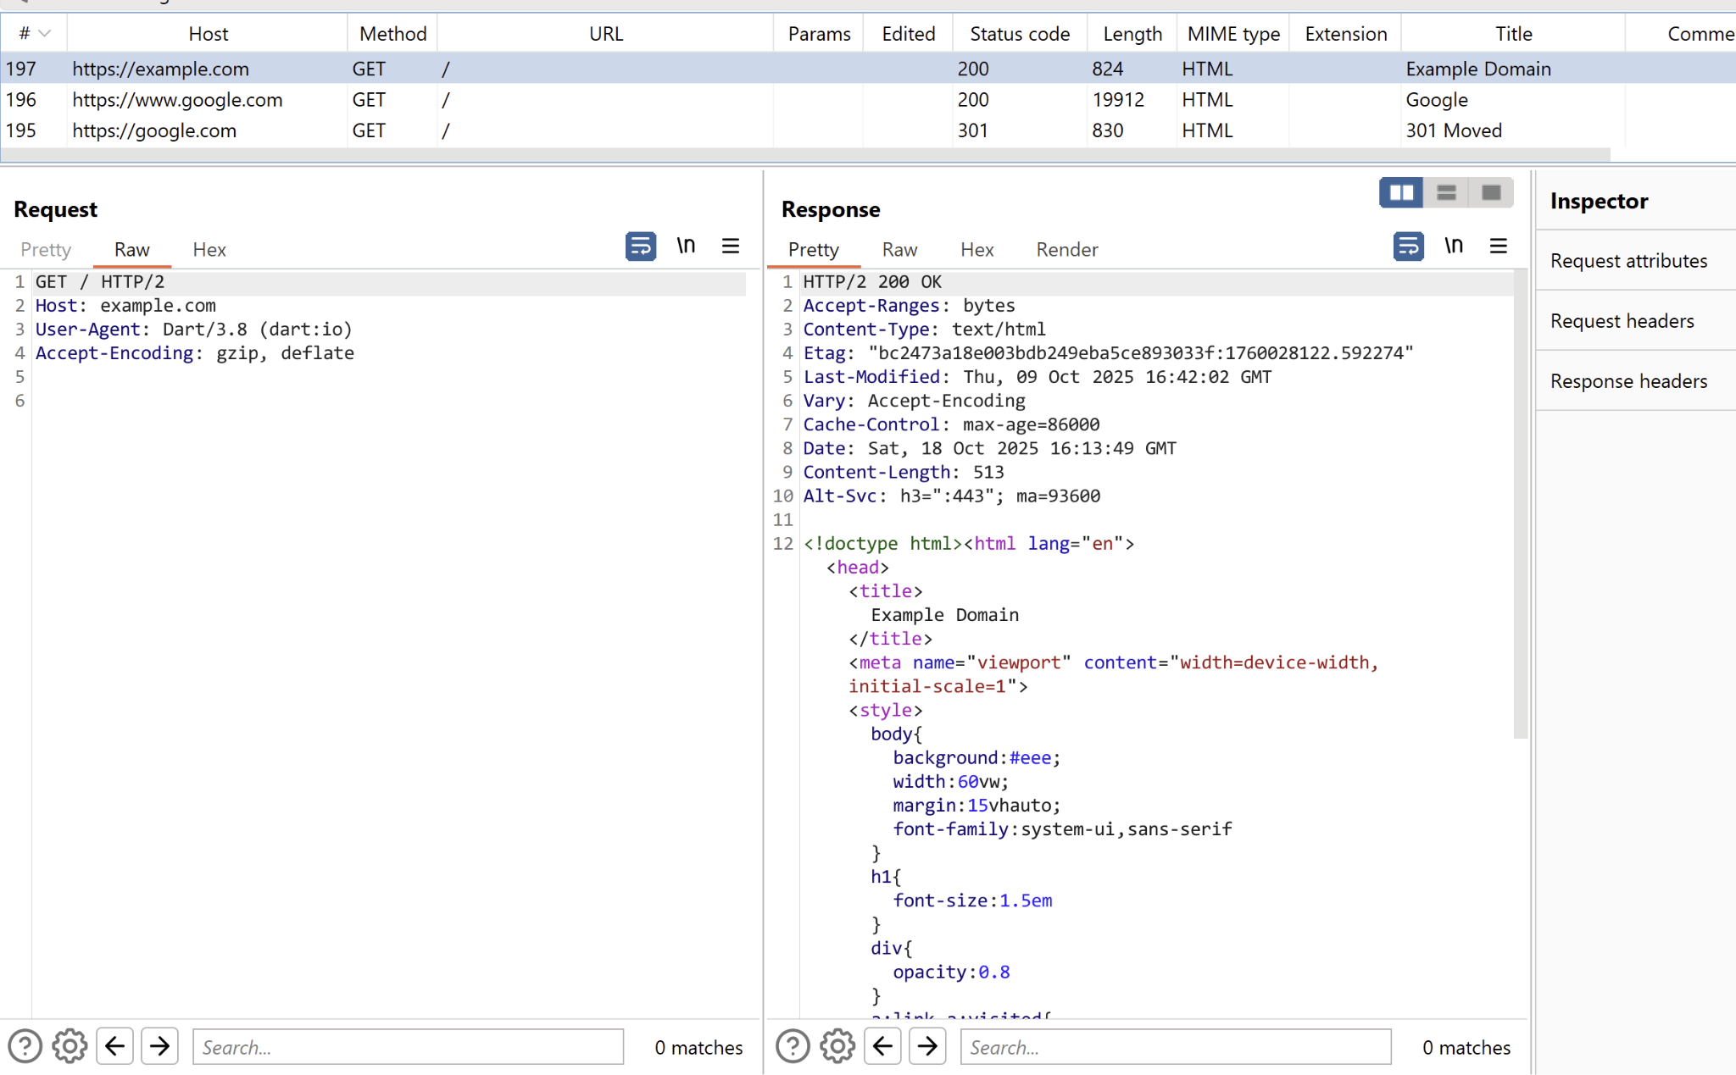 | 