ERD
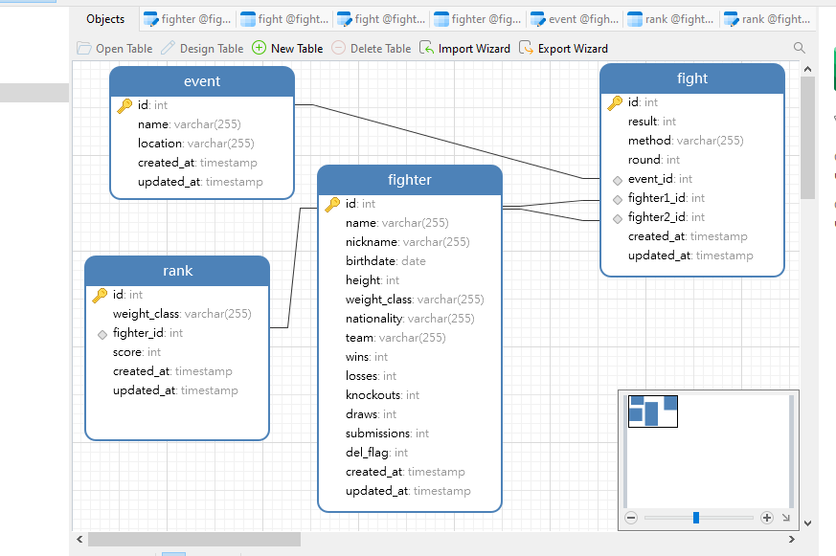
 |  | 0 | FALSE | FALSE | FALSE | TRUE | FALSE | FALSE
utf8mb4 | utf8mb4_general_ci | 0 | FALSE | FALSE | FALSE | FALSE | FALSE | FALSE

 |  | 0 | FALSE | FALSE | FALSE | FALSE | FALSE | FALSE
 |  | 0 | FALSE | FALSE | FALSE | FALSE | FALSE | FALSE
 |  | 0 | FALSE | TRUE | FALSE | FALSE | FALSE | FALSE

Dev Env
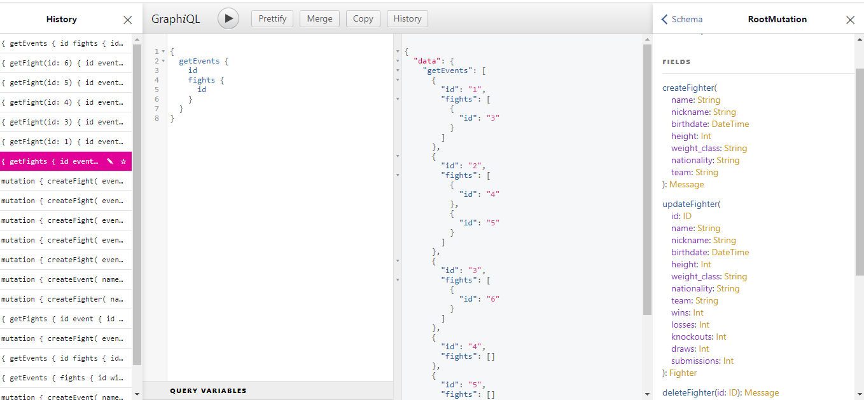
I developed this project as a test, so it is relatively straightforward.
However, I can enhance it significantly by incorporating various components such as detailed logs, accurate predictions, comprehensive evaluation of betting outcomes, targeted advertisements, and more.
I am confident that my capabilities can meet all your requirements, and this initial project can serve as a decisive factor in convincing you to choose me.

