Useful Stuff
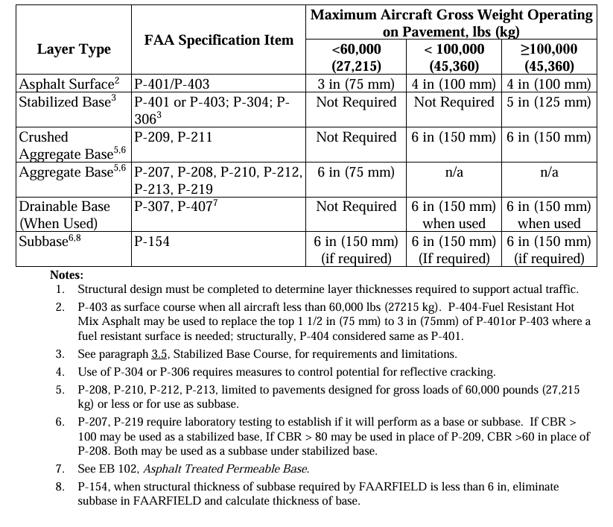
Name | ICAO Code | NetworkID | BranchID | SectionID
La Junta Municipal Airport, La Junta | KLHX | 346 | 2795 | 6627
La Junta Municipal Airport, La Junta | KLHX | 346 | 2795 | 7347
Pueblo Memorial Airport, Pueblo | KPUB | 364 | 2707 | 6948
Indianapolis Regional Airport | KMQJ | 378 | 3261 | 8662
Indianapolis Regional Airport | KMQJ | 378 | 3335 | 8881
Indianapolis Regional Airport | KMQJ | 378 | 3371 | 8640
Indianapolis Regional Airport | KMQJ | 378 | 3460 | 8780
Chippewa County International Airport, Sault St | KCIU | 1017 | 9167 | 21222
OTTUMWA REGIONAL AIRPORT | KOTM | 1356 | 12098 | 28171
OTTUMWA REGIONAL AIRPORT | KOTM | 1356 | 12327 | 27450
OTTUMWA REGIONAL AIRPORT | KOTM | 1356 | 12327 | 27641
GRANT COUNTY INTERNATIONAL AIRPORT | KMWH | 1863 | 17511 | 37325
GRANT COUNTY INTERNATIONAL AIRPORT | KMWH | 1863 | 17511 | 37508

