Measurements
Date | Time |  | kWh meter | kWh-Today | PVSolarman | WiFi Logger |  |  | Factor-Diff | Year | MWh
2023-03-22 | 17:04:00 |  | 412.54 |  |  | E-Today | E-Total | E-Diff |  | 2013 | 1.81
2023-03-23 | 7:03:00 |  | 412.59 |  |  |  | 9707.5 |  |  | 2014 | 1.9
2023-03-23 | 12:30:00 |  | 416.13 | 3.54 | 3.6 | 1.18 | 9708.7 | 1.2 | 2.95 | 2015 | 1.56
2023-03-23 | 20:04:00 |  | 420.58 | 7.99 | 8.1 |  | 9711.2 | 2.5 | 3.20 | 2016 | 1.59
2023-03-25 | 0:16:00 |  | 428.42 | 7.84 | 7.9 | 3.82 | 9715.0 | 3.8 | 2.06 | 2017 | 1.83
2023-03-25 | 22:29:00 |  | 433.93 | 5.51 | 5.6 | 2.94 | 9718.0 | 3.0 | 1.84 | 2018 | 1.04
2023-03-26 | 22:36:00 |  | 438.82 | 4.89 | 4.9 | 2.86 | 9720.8 | 2.8 | 1.75 | 2019 | 1.92
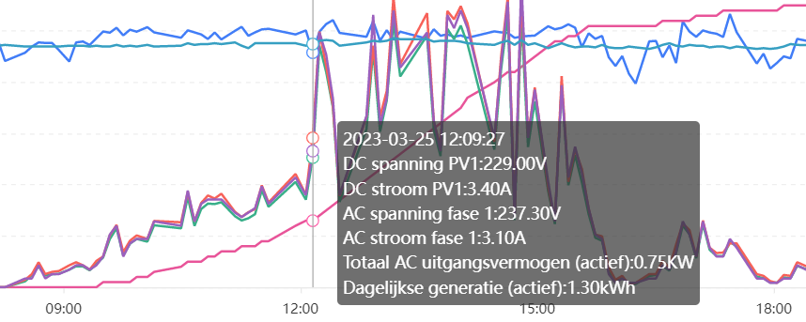
2023-03-27 | 22:52:00 | Postings to solarman stopped | 446.77 | 7.95 | 1 | 3.32 | 9724.2 | 3.4 | 2.33 | 2020 | 1.67
2023-03-28 | 20.29 | Reconfigured new logger s/n | 450.96 | 4.19 | 2.2 | 2.3 | 9727.2 | 3.0 | 1.40 | 2021 | 1.83
2023-03-29 | 20:33:00 |  | 453.44 | 2.48 | 1.5 | 1.58 | 9728.7 | 1.5 | 1.65 | 2022 | 2.07
 |  |  |  |  |  |  |  |  |  | 2023 | 0.172
 |  |  |  |  |  |  |  |  |  | Total | 17.392 | MWh
 |  |  |  |  |  |  |  |  |  | solarmanpv | 17440 | kWh
 |  |  |  |  |  |  |  |  |  | inverter | #REF! | kWh
 |  |  |  |  |  |  |  |  |  | Verschil | #REF! | kWh

 | Logger | Inverter | Date | Until
 | 601680011 | NLDN2020127T1036 | 2013 | 1/6/22
 | 601680011 | 601680011_000 |  | 3/27/23
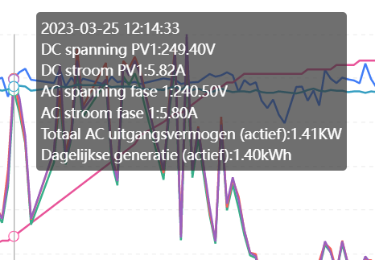
 | 605626205 | NLDN1520138C1001 |  | live

