How to use
Put joining date check clan log>account name>copy then paste
 | You have to change this manually | Automated dont touch it

Whatever is inside in the general categoy
Name (Account Name)

Will change in Rank info category Name (Account Name)

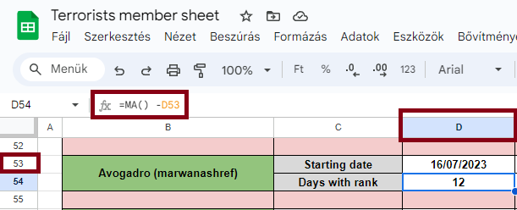

This part is tricky if you dont understand how it works dont touch it add the dates and Mentosh will do the rest

This part is mostly automated just add how many wz dd etc,, did they attend and it will automaticly calculate their total points in the weekly points and the total points in general category

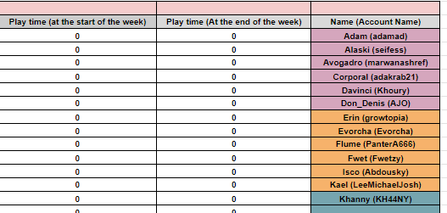

 |  |  | Add their playtime here | For example if its 23:25 its up to you if you add 23 or 24 doesnt matter just dont add extra hours
 |  |  | ONLY HOURS

