Command guide
ESC/VP21 Command
User’s Guide

Table of contents
1 | Introduction of ESC/VP21
2 | ESC/VP21 Command Formats
3 | Projector state and commands
4 | Error status
5 | Applicable model
6 | Appendix
7 | Revision history

Copyright Notice: All rights reserved. No part of this publication may be reproduced, stored in a retrieval system, or transmitted in any form or by any means, electronic, mechanical, photocopying, or otherwise, without the prior written permission of SEIKO EPSON CORPORATION. No patent liability is assumed with respect to the use of the information contained herein. Neither is any liability assumed for damages resulting from the use of the information contained herein. Neither SEIKO EPSON CORPORATION nor its affiliates shall be liable to the purchase of this product or third parties for damages, losses, costs, or expenses incurred by purchaser or third parties as a result of: accident, misuse, or abuse of this product or unauthorized modifications, repairs, or alterations to this product, or (excluding the U.S.) failure to strictly comply with SEIKO EPSON CORPORATION(s operating and maintenance instructions. SEIKO EPSON CORPORATION shall not be liable against any damages or problems arising from the use of any options or any consumable products other than those designated as Original EPSON Products or EPSON Approved Products by SEKO EPSON CORPORATION. EPSON is a registered trademark of SEIKO EPSON CORPORATION. EasyMP is a trademark of SEIKO EPSON CORPORATION. Macintosh, Mac, and iMac are registered trademarks of Apple Computer, Inc. IBM is a registered trademark of International Business Machines Corporation. Windows and Windows NT are registered trademarks of Microsoft Corporation in the United States of America. General Notice: Other product names used herein are also for identification purposes only and may be trademarks of their respective owner. EPSON disclaims any and all rights in those marks.

©SEIKO EPSON CORPORTION 2003-2012. All rights reserved.

1. Introduction of ESC/VP21
ESC/VP21 is a control command and protocol for Epson projectors, which is used for A/V controller to control and monitor Epson projectors. The command codes are comprised of ASCII codes. Therefore the command codes can be understood very easily and you can easily control projectors using a PC with a terminal emulator such as Microsoft Hyper terminal.
Since ESC/VP21 is independent of communication protocols. Serial, USB or TCP/IP network can be used to transmit the commands to projectors.

* Serial connection

A/V controller normally use as serial connection to control projectors. Refer to Appendix for details.

* USB connection

A USB interface can be used to control a projector. Refer to Appendix for details.
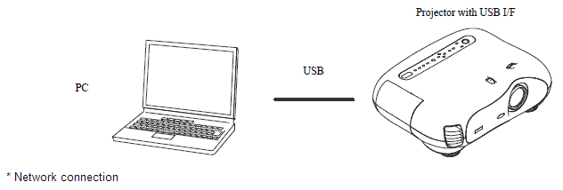

After establishing a TCP session, ESC/VP21 commands can be sent to projectors. Refer to ESC/VP.net protocol manual

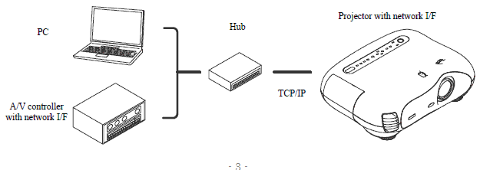

2. ESC/VP21 Command Formats

2.1. Set command format
A set command consists of a command and a parameter. Projector returns a colon after executing the command. There are two types of parameters. One is fixed such as ON, OFF, or 21. Other is a step parameter such as INC, DEC or INIT. INC: increments the parameter by one. DEC: decrements the parameter by one. INIT: initializes the parameter.

2.2. Get command format
A get command consists of a command and ?. Projector returns a response parameter after executing the command.

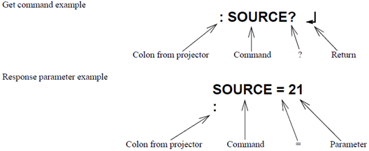

2.3. Null command
The null command is as command code of the return key code (Hex 0D). Projector returns a colon. The null command can be used to confirm that the projector is in operation.

2.4. Illegal commands
Projector returns “ERR” and a return key code (Hex 0D) and a colon when it receives invalid commands.

ERR
：

3. Command transmission timing

3.1. Power on state
A command should be sent after receiving the colon of the previous command from the projector. In case that you can not wait for the colon and send a command after receiving it, instead send a command after the execution time listed in the following table.

 | Command | Excution time
 | PWR ON | 40 seconds (*1)
 | PWR OFF (*4) | 10 seconds
 | SOURCE (*3) | 5 seconds (*2)
 | All others | 3 seconds

(*1) When a projector receives the PWR ON command, it tries to ignite the lamp by activating the ballast unit. In case that the lamp fails to be ignited, it tries to ignite the lamp three times at maximum. When the lamp fails to be ignited three times, it is a lamp failure. The projector returns a colon within 40, 70 and 100 seconds when successful in the first, second and third times respectively.
(*2) When the input vide sync signal is stable, a colon is returned within 5 seconds. However, it may take more than 5 seconds when the input video sync signal is unstable.

(*3) Projector initiates the process of the input video signal recognition when it receives a SOURCE command. If the signal of the video input is changing (for example, from SVGA to XGA by A/V controller) during the process of the input video signal recognition, the projector returns “ERR”.

(*4) Projectors execute the PWR OFF command after they start completely.

3.2. Warning and abnormal cases
Projector executes commands normally while a warning indicator such as a high temperature warning is on. Projector does not execute commands nor return a colon when the projector is in an abnormal state such as a lamp failure and abnormal high temperature.
When an abnormal state is continued for 130 seconds after, PWR ON command becomes possible.

4. Error Status

A projector returns the error status when a projector receives "ERR?" command.
The following table shows the return codes and the meaning of error status.
Command | Return code
ERR? | 00 ：There is no error or the error is recovered
 | 01 ：Fan error
 | 03 ：Lamp failure at power on
 | 04 ：High internal temperature error
 | 06 ：Lamp error
 | 07 ：Open Lamp cover door error
 | 08 ：Cinema filter error
 | 09 ：Electric dual-layered capacitor is disconnected
 | 0A ：Auto iris error
 | 0B ：Subsystem Error
 | 0C ：Low air flow error
 | 0D ：Air filter air flow sensor error
 | 0E ：Power supply unit error (Ballast)
 | 0F ：Shutter error
 | 10 ：Cooling system error (peltiert element)
 | 11 ：Cooling system error (Pump)
 | 12 ：Static iris error
 | 13 ：Power supply unit error (Disagreement of Ballast)
 | 14 ：Exhaust shutter error
 | 15 ：Obstacle detection error
 | 16 ：IF board discernment error

5. Applicable model

Please refer to the "Product list".

6. Appendix
6.1. Communication specification
A projector and a computer can be connected using a serial or USB port. The projector can be remotely controlled by sending commands to the projector.

Serial connection: (TW100,TS10,TW10,TW200,TW500,TW10H,TW200H,TW20,TW600/520/550/800,TW700,TW1000,TW2000,PL-HomeCinema400/700/720/1080/1080UB/705HD/6100/6500UB/8100/8345/8350/8500UB, TW450, TW420 PL-ProCinema800/810/1080/1080UB/7100/7500UB/9100/9350/9500UB), TW8000/TW9000/TW8000W/ TW9000W

Select RS-232C at Advanced Setting of the Menu.
Communication condition
Baud rate |  | : 9600bps
Data length |  | : 8 bits
Parity |  | : No
Stop bit |  | : 1 bit
Flow control |  | : No
Connector |  | : D-Sub 9pin
Projector input |  | : Control(RS-232C)

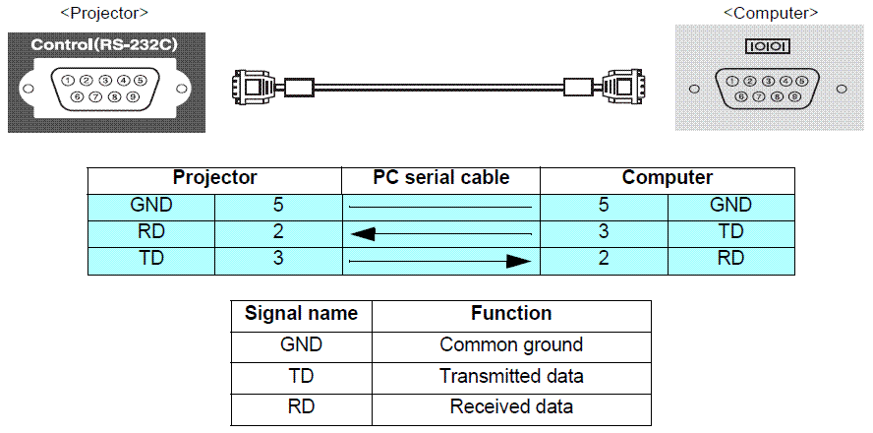

7. Revision History
Revision | Issued date | Page | Description
A | Nov 9th, 2012 | All page | New release as new format
B | Jan 21th, 2015 | TW9200/TW8200 and so on. | Added new model (LS9600W/10000, TW8200/TW9200, TW6600, TW5200,TW570)
C | Sep 27th, 2016 | TW9200/TW8200 and so on. | Added new model (TW540/TW5300/LS10500/TW9300/TW6800)
D | Mar 22th, 2018 | TW5650/TW5600 and so on. | Added new model (HC 2150/TW5650,5600,5400/TZ-2100/LS100)
E | Aug 3th, 2018 | TW7400/TW650 and so on. | Added new model(TW7400/TW650)
F | Jan 8th, 2019 | TW9400/TW8400 and so on. | Added new model(EH/CH-TW9400/TW9400W/TW8400/TW8400W PC 6050UB/HC 5050UB/HC 5050UBe )
G | JAug 23th, 2019 | TW7100 | Added new model (EH-TW7100/TW7000 CH-TZ3000/TW7000 Home Cinema 3800/3810/3200)

Product list
Applicable model list of ESC/VP21 command

Home basic model
Home entertaiment model
Entry model

Entry model(2017~)
Home Cinema 660/760HD/1060
EH/CH-TW650/610
Home Basic model(2017~)
EH/CH-TW5650/TW5600/TW5400
PL-HomeCinema2150/2100
Home Entertainment model(2019~) New!!
EH-TW7100/TW7000
CH-TZ3000/TW7000
Home Cinema 3800/3810/3200

Entry model(2014~)
EH-TW540
PL-HC740HD/HC1040/HC640
Home Basic model(2015~)
EH/CH-TW5350/TW5300/TW5210
PL-HomeCinema2040/2045
Home Entertainment model(2016~)
EH/CH-TW6700/TW6700W/TW6800/TW6800W/TW6300
PL-HC3900/HC3700/HC3710/HC3100

Entry model(2013)
EH-TW410/TW490/TW495
PL-HomeCinema 725HD/730HD
Home FullHD Entry model(2013~)
EH-TW5200/PL-HomeCinema 2030
EH-TW5100/PL-HomeCinema2000

Home Entertainment model(2014~)
EH/CH-TW6600/TW6600W/TW6200
PL-HomeCinema 3500/3510/3600e/3000

Entry 3D model(2012)
EH/CH-TW570
Home Basic model(2012~)
EH-TW6100/HomeCinema 3020/3020+/TW6510C/TW5910/TW5810C
EH-TW6100W/TW6515C/PL-HomeCinema3020e

Entry model (2011)
EH-TW400/TW480/TW490C/TW470C
PL-Home Cinema 710HD/707
Home Basic model (2011~2012)
EH-TW6000/HC3010/3010+/TW6500C/TW5900/TW5800C
EH-TW6000W/PL-HC3010e/TW6550C

Home Basic model (2009~2011)
EH-TW3500/2900
PL-HomeCinema 8100/9100

Home Basic model (2008~2009)
EH-TW2800/TW3000/TW3800
PL-HomeCinema 6100/ProCinema 7100

Home theater model
Home short throw model

Home Short Throw(2017~)
EH/CH-LS100
Home Cinema LS100
Home Theatre model(2018~) EH/CH-TW9400/TW9400W/TW8400/TW8400W
PC 6050UB/HC 5050UB/HC 5050UBe
Home Theatre model (2010~)
EH-TW3600/3200/3300C/3700C/3850C
PL-HomeCinema 8350/8345/ProCinema 9350

Home Theatre model(2018~)
EH/CH-TW7400
PC4050/HC4010
Home Theatre model (2009~2011)
EH-TW4400/TW4500/TW5500/TW5850C
PL-HomeCinema 8500UB/8700UB, ProCinema 9500UB/9700UB

Home Theatre model(2016~)
EH/CH-TW9300/TW9300W/TW8300/TW8300W/TW7300
PL-PC6040UB/4040UB/HC5040UB/5040UBe
High-end model
Home Theatre model (2008~2009)
EH-TW4000/TW5000/TW5800C
PL-HomeCinema 6500UB/ProCinema 7500UB

High-end Home Theatre model(2016~)
EH/CH-LS10500
PL-ProCinemaLS10500

Home Theatre model(2013~)
EH/CH-TW7200/8200/8200W/9200/9200W
PL-ProCinema 5030UB/UBe, PL-ProCinema 6030UB
PL-ProCinema 4030
Home Theatre model (2007~2008)
EMP-TW2000
PL-ProCinema 1080UB/HomeCinema 1080UB
High-end Home Theatre model(2014~)
EH-LS9600W/PL-ProCinema LS9600e
EH/CH-LS10000/PL-ProCinema LS10000

Home Theatre model (2012~2013)
EH-TW8100/PL-HC5020UB/TW8510C/TW9100/PL-PC6020UB/TW9510C
EH-TW9100W/HC5020UBe/TW8515C /TW9100W/TW9515C
Home Theatre model (2006~2007)
EMP-TW1000/TW980
PL-ProCinema 1080/HomeCinema 1080

High-end Theatre model(2012)
EH-R1000/R2000/R3000C/R4000/R5000C
PL-HomeCinema 21000/ProCinema 31000/61000

Home Theatre model (2011~2012)
EH-TW8000/PL-HomeCinema5010/EH-TW8500C/TW9000/PL-ProCinema6010/TW9500C
EH-TW8000W/PL-HomeCinema5010e/EH-TW9000W

