BOM v2

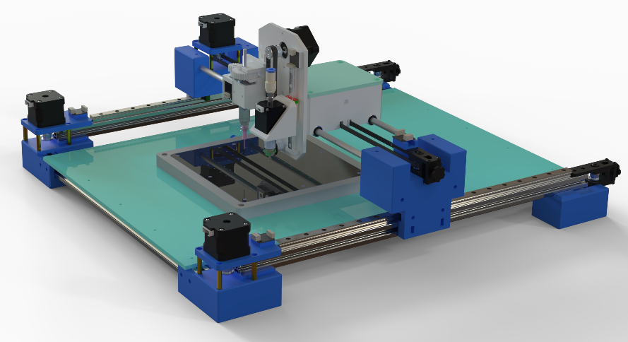
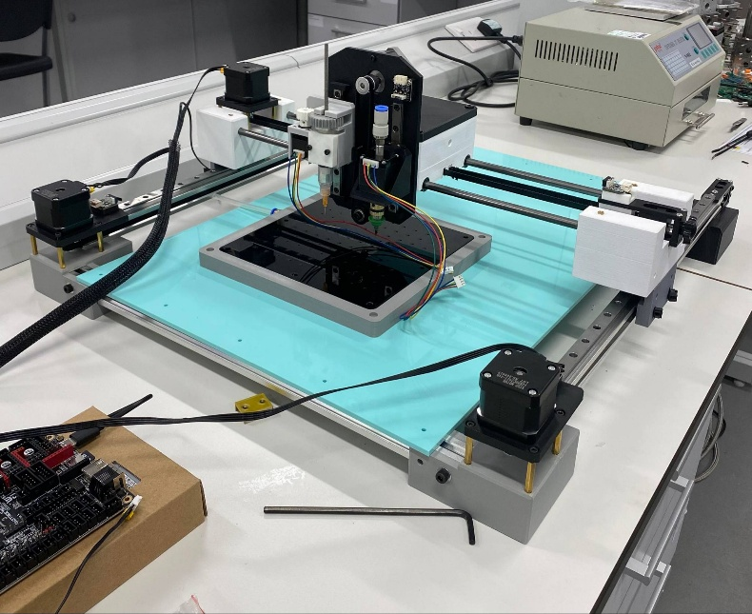
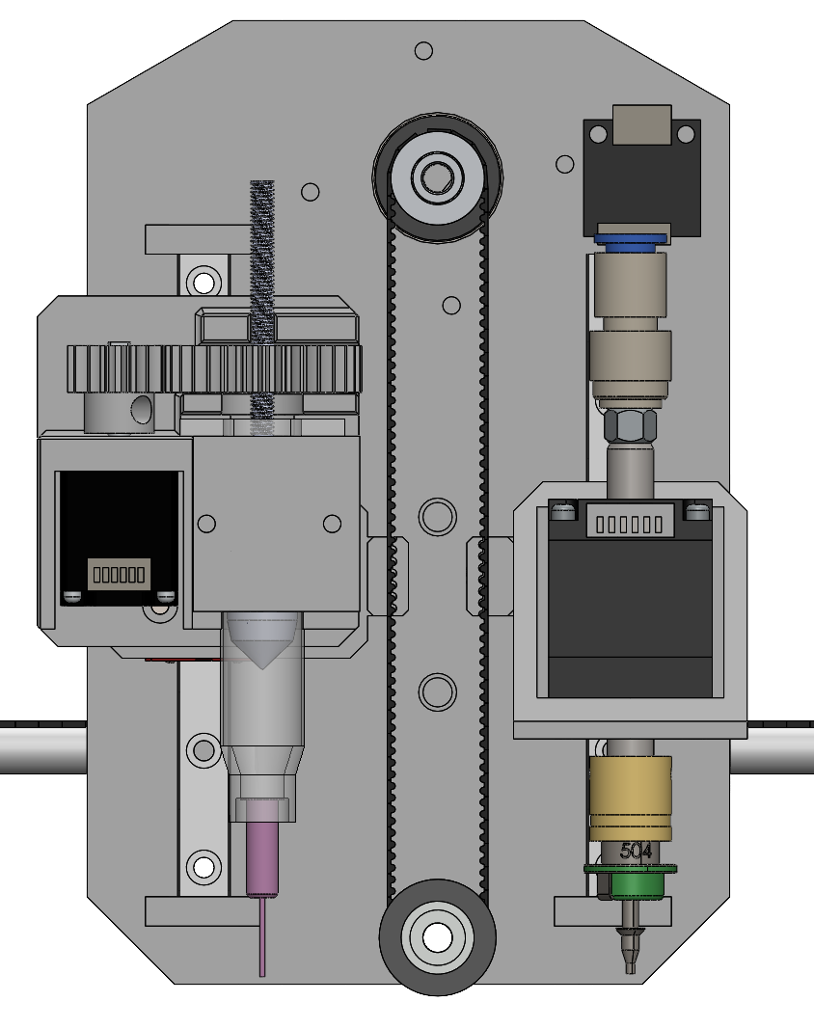
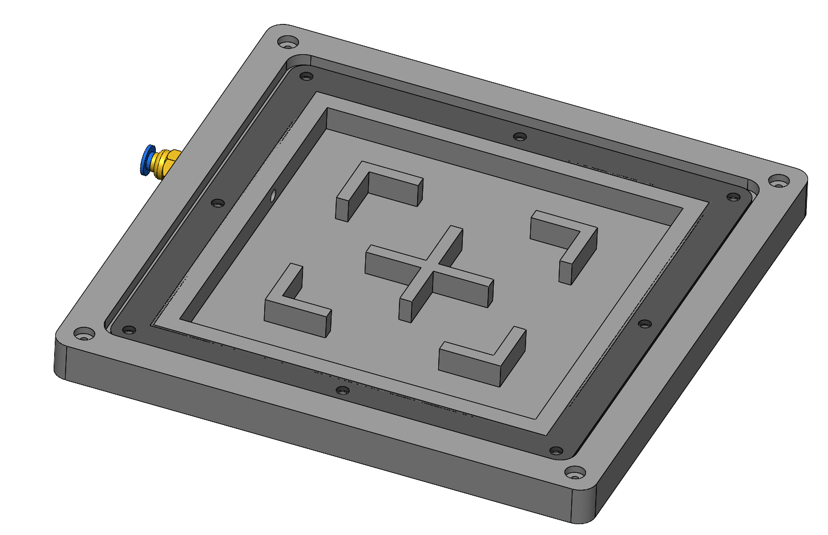
 |  |  |  |  |  | BILL OF MATERIALS

 |  |  |  |  | Sub Assembly | Part/Item Identification |  |  |  |  |  |  |  |  |  | Material and Mass |  |  |  | Source
 |  |  |  |  |  | Project Code | BoM Section | UID | Issue | Revision | Type | Part Description | Part Number | Full CAD Description | Quantity | Material | Density (g/cm^3) | Mass Each (g) | Mass Total (g) | WebLinks | Price Total | Comments
 |  |  |  |  | Moving System | PnP | 01 | 0001 | 02 | C | Assembly | Moving System_Assembly | PnP-01-0001-02 | PnP-01-0001-02 Moving System_Assembly | 1 | N/A | N/A | 0.0 | 0.0
**BOM has not included all the details like the mass and total fasterner used in the machine. |  |  |  |  |  | PnP | 01 | 0005 | 02 | C | Part | Moving System_X_Mounting Bracket_1 | PnP-01-0005-02 | PnP-01-0005-02 Moving System_X_Mounting Bracket_1 | 1 | PLA | 1.25 | 65.2 | 65.2
 |  |  |  |  |  | PnP | 01 | 0006 | 02 | C | Part | Moving System_X_Mounting Bracket_2 | PnP-01-0006-02 | PnP-01-0006-02 Moving System_X_Mounting Bracket_2 | 1 | PLA | 1.25 | 65.2 | 65.2
 |  |  |  |  |  | PnP | 01 | 0007 | 02 | C | Part | Moving System_X_Mounting Bracket_3 | PnP-01-0007-02 | PnP-01-0007-02 Moving System_X_Mounting Bracket_3 | 1 | PLA | 1.25 | 65.0 | 65.0
 |  | Cost Breakdown |  |  |  | PnP | 01 | 0008 | 02 | C | Part | Moving System_X_Mounting Bracket_4 | PnP-01-0008-02 | PnP-01-0008-02 Moving System_X_Mounting Bracket_4 | 1 | PLA | 1.25 | 65.0 | 65.0
BoM Section | Code | Pick and Place Machine |  |  |  | PnP | 01 | 0009 | 02 | B | Part | Moving System_Y_Mounting Bracket_1 | PnP-01-0009-02 | PnP-01-0009-02 Moving System_Y_Mounting Bracket_1 | 1 | PLA | 1.25 | 88.5 | 88.5
Moving System | 01 | Subsystem |  | Cost (£) |  | PnP | 01 | 0010 | 02 | B | Part | Moving System_Y_Mounting Bracket_2 | PnP-01-0010-02 | PnP-01-0010-02 Moving System_Y_Mounting Bracket_2 | 1 | PLA | 1.25 | 100.0 | 100.0
Toolhead | 02 | Standard Parts | Hardware | 142.55 |  | PnP | 01 | 0011 | 02 | B | Part | Moving System_Sliding Block Mount | PnP-01-0011-02 | PnP-01-0011-02 Moving System_Sliding Block Mount | 2 | PLA | 1.25 | 19.7 | 39.5
Universal Clamping System | 04 |  | Electronics | 125.35 |  | PnP | 01 | 0012 | 01 | B | Part | Moving System_X-Axis Motor and Limit Switch Mount | PnP-01-0012-01 | PnP-01-0012-01 Moving System_X-Axis Motor and Limit Switch Mount | 2 | PLA | 1.25 | 16.2 | 32.4
Camera System | 05 | 3D Printing | PLA Material | 21 |  | PnP | 01 | 0013 | 01 | A | Part | Moving System_Y-Axis Motor Mount | PnP-01-0013-01 | PnP-01-0013-01 Moving System_Y-Axis Motor Mount | 1 | PLA | 1.25 | 9.8 | 9.8
 |  | TOTAL |  | 288.90 |  | PnP | 01 | 0014 | 01 | A | Part | Moving System_Y axis Limit Switch Mount | PnP-01-0014-01 | PnP-01-0014-01 Moving System_Y axis Limit Switch Mount | 1 | PLA | 1.25 | 2.2 | 2.2
 |  |  |  |  |  | PnP | 01 | 0015 | 03 | C | Part | Moving System_Acrylic Sheet 590mm x 400mm | PnP-01-0015-03 | PnP-01-0015-03 Moving System_Acrylic Sheet 590mm x 400mm | 1 | Acrylic | 1.18 |  | 0.0
Types |  |  |  |  |  | PnP | 01 | 0016 | 01 | B | Part | Moving System_Hand Rest | PnP-01-0016-01 | PnP-01-0016-01 Moving System_Hand Rest | 1 | PLA | 1.25 | 120.9 | 120.9
Assembly |  |  |  |  |  | PnP | 01 | 0017 | 01 | A | Part | Moving System_Hand Rest Top Plate | PnP-01-0017-01 | PnP-01-0017-01 Moving System_Hand Rest Top Plate | 1 | PLA | 1.25 | 41.2 | 41.2
Part |  |  |  |  |  | PnP | 01 | 0018 | 01 | A | Part | Moving System_Angle Brackets | PnP-01-0018-01 | PnP-01-0018-01 Moving System_Angle Brackets | 4 | PLA | 1.25 | 10.0 | 40.0
Standard Part |  |  |  |  |  | PnP | 01 | UK-imetrx4238 | 01 | A | Standard Part | NEMA 17 Stepper Motors | PnP-01-UK-imetrx4238-01 | PnP-01-UK-imetrx4238-01 NEMA 17 Stepper Motors | 3 | N/A | N/A |  | 0.0 |  | Recycled
Reclaimable Part |  |  |  |  |  | PnP | 01 | 726972672907 | 01 | A | Standard Part | GT2_20T_Timing Belt Pulley | PnP-01-726972672907-01 | PnP-01-726972672907-01 GT2_20T_Timing Belt Pulley | 3 | Aluminium | 2.7 |  | 0.0 | https://www.amazon.co.uk/dp/B084KLTS84?ref=ppx_yo2ov_dt_b_fed_asin_title&th=1 | 5.99
 |  |  |  |  |  | PnP | 01 | B08SJ4HDGD | 01 | A | Standard Part | GT2_Belts | PnP-01-B08SJ4HDGD-01 | PnP-01-B08SJ4HDGD-01 GT2_Belts |  | Fibre-Reinforced Rubber | 1.6 |  | 0.0 | https://www.amazon.co.uk/gp/product/B08SJ4HDGD/ref=ewc_pr_img_1?smid=A2Y85XMNUIFFWQ&th=1 | 8.99
UID Labeling |  |  |  |  |  | PnP | 01 | AEP-TV-2020-S-CTS | 01 | A | Standard Part | 2020 Aluminiun Profile 500mm | PnP-01-AEP-TV-2020-S-CTS-01 | PnP-01-AEP-TV-2020-S-CTS-01 2020 Aluminiun Profile 500mm | 2 | Aluminium | 2.7 |  | 0.0 |  | 7.68
0001-0004 | Assembly |  |  |  |  | PnP | 01 | AEP-TV-2020-S-CTS | 01 | A | Standard Part | 2020 Aluminiun Profile 530mm | PnP-01-AEP-TV-2020-S-CTS-01 | PnP-01-AEP-TV-2020-S-CTS-01 2020 Aluminiun Profile 530mm | 2 | Aluminium | 2.7 |  | 0.0 |  | 8.14
0004-0035 | Part |  |  |  |  | PnP | 01 | AEP-TV-2020-S-CTS | 01 | A | Standard Part | 2020 Aluminiun Profile 536mm | PnP-01-AEP-TV-2020-S-CTS-01 | PnP-01-AEP-TV-2020-S-CTS-01 2020 Aluminiun Profile 536mm | 1 | Aluminium | 2.7 |  | 0.0 |  | 4.35
 |  |  |  |  |  | PnP | 01 | MGN12 | 01 | A | Standard Part | MGN12 Linear Rail | PnP-01-MGN12-01 | PnP-01-MGN12-01 MGN12 Linear Rail | 2 | Stainless Steel | 8 |  | 0.0 |  | 15.65
 |  |  |  |  |  | PnP | 01 | MGN12H | 01 | A | Standard Part | MGN12 Sliding Block | PnP-01-MGN12H-01 | PnP-01-MGN12H-01 MGN12 Sliding Block | 2 | N/A | N/A |  | 0.0 |  | 4.32
 |  |  |  |  |  | PnP | 01 | Fditq1co9vwz65 | 01 | A | Standard Part | Linear Shaft_Stainless Steel 470mm 8mm Thick | PnP-01-Fditq1co9vwz65-01 | PnP-01-Fditq1co9vwz65-01 Linear Shaft_Stainless Steel 470mm 8mm Thick | 2 | Stainless Steel | 8 |  | 0.0 | https://www.amazon.co.uk/gp/product/B07N6854N4/ref=ewc_pr_img_5?smid=AB4PHP13UVZQB&psc=1 | 14.00
 |  |  |  |  |  | PnP | 01 | LM8UU | 01 | A | Standard Part | Linear Bearing | PnP-01-LM8UU-01 | PnP-01-LM8UU-01 Linear Bearing | 4 | N/A | N/A |  | 0.0
Number of Parts |  |  |  |  |  | PnP | 01 | 19595EU | 01 | A | Standard Part | Belt Tensioners | PnP-01-19595EU-01 | PnP-01-19595EU-01 Belt Tensioners | 3 | N/A | N/A |  | 0.0 | https://www.amazon.co.uk/gp/product/B09XX3SFR9/ref=ewc_pr_img_6?smid=AY8YTBRZSL2Q4&th=1 | 23.97
Designed Parts | 31 |  |  |  |  | PnP | 01 | CRE-4004180004 | 01 | A | Standard Part | Limit Switch | PnP-01-CRE-4004180004-01 | PnP-01-CRE-4004180004-01 Limit Switch | 3 | N/A | N/A |  | 0.0 |  | Recycled
Parts without Fasterners | 83 |  |  |  |  | PnP | 01 |  | 01 | A | Standard Part | M3 Brass Pillars 24+3 | PnP-01--01 | PnP-01--01 M3 Brass Pillars 24+3 | 12 | Brass | 8.73 |  | 0.0
Parts with fasterners | N/A |  |  |  |  | PnP | 01 |  | 01 | A | Standard Part | M3 Hex Socket Bolt | PnP-01--01 | PnP-01--01 M3 Hex Socket Bolt |  | Alloy Steel | 7.85 |  | 0.0
 |  |  |  |  |  | PnP | 01 |  | 01 | A | Standard Part | M3 Sliding T-Nut | PnP-01--01 | PnP-01--01 M3 Sliding T-Nut |  | Zinc-Plated Steel | 7.85 |  | 0.0
 |  |  |  |  |  | PnP | 01 |  | 01 | A | Standard Part | M4 Brass Threaded Inserts 12x5 | PnP-01--01 | PnP-01--01 M4 Brass Threaded Inserts 12x5 | 4 | Brass | 8.73 |  | 0.0
 |  |  |  |  |  | PnP | 01 |  | 01 | A | Standard Part | M4 Grub Screw | PnP-01--01 | PnP-01--01 M4 Grub Screw | 4 | Alloy Steel | 7.85 |  | 0.0
 |  |  |  |  |  | PnP | 01 |  | 01 | A | Standard Part | M5 Hex Socket Bolt | PnP-01--01 | PnP-01--01 M5 Hex Socket Bolt |  | Alloy Steel | 7.85 |  | 0.0
 |  |  |  |  |  | PnP | 01 | 1006 | 01 | A | Standard Part | M5 Sliding T-Nut | PnP-01-1006-01 | PnP-01-1006-01 M5 Sliding T-Nut |  | Zinc-Plated Steel | 7.85 |  | 0.0
 |  |  |  |  | PnP Toolhead | PnP | 02 | 0002 | 03 | C | Assembly | Toolhead_Assembly | PnP-02-0002-03 | PnP-02-0002-03 Toolhead_Assembly | 1 | N/A | 1.25 |  | 0.0
 |  |  |  |  |  | PnP | 02 | 0019 | 03 | C | Part | Toolhead_Mount | PnP-02-0019-03 | PnP-02-0019-03 Toolhead_Mount | 1 | PLA | 1.25 | 51.0 | 51.0
 |  |  |  |  |  | PnP | 02 | 0020 | 02 | B | Part | Toolhead_Z Gantry Dipspenser Mount | PnP-02-0020-02 | PnP-02-0020-02 Toolhead_Z Gantry Dipspenser Mount | 1 | PLA | 1.25 | 3.7 | 3.7
 |  |  |  |  |  | PnP | 02 | 0021 | 02 | B | Part | Toolhead_Z Gantry P&P Mount 2 | PnP-02-0021-02 | PnP-02-0021-02 Toolhead_Z Gantry P&P Mount 2 | 1 | PLA | 1.25 | 3.0 | 3.0
 |  |  |  |  |  | PnP | 02 | 0022 | 01 | B | Part | Toolhead_NEMA 11 Mount | PnP-02-0022-01 | PnP-02-0022-01 Toolhead_NEMA 11 Mount | 1 | PLA | 1.25 | 14.1 | 14.1
 |  |  |  |  |  | PnP | 02 | 0023 | 01 | B | Part | Toolhead_NEMA 8 Mount | PnP-02-0023-01 | PnP-02-0023-01 Toolhead_NEMA 8 Mount | 1 | PLA | 1.25 | 25.7 | 25.7
 |  |  |  |  |  | PnP | 02 | 0024 | 01 | A | Part | Toolhead_32T M1 Driven Gear | PnP-02-0024-01 | PnP-02-0024-01 Toolhead_32T M1 Driven Gear | 1 | PLA | 1.25 | 3.8 | 3.8
 |  |  |  |  |  | PnP | 02 | 0025 | 01 | A | Part | Toolhead_16T M1 Drive Gear | PnP-02-0025-01 | PnP-02-0025-01 Toolhead_16T M1 Drive Gear | 1 | PLA | 1.25 | 1.8 | 1.8
 |  |  |  |  |  | PnP | 02 | 0026 | 01 | A | Part | Toolhead_Dispenser Cover | PnP-02-0026-01 | PnP-02-0026-01 Toolhead_Dispenser Cover | 1 | PLA | 1.25 | 3.5 | 3.5
 |  |  |  |  |  | PnP | 02 | 0027 | 01 | A | Part | Toolhead_Syringe Cap | PnP-02-0027-01 | PnP-02-0027-01 Toolhead_Syringe Cap | 1 | PLA | 1.25 | 0.8 | 0.8
 |  |  |  |  |  | PnP | 03 | 0028 | 01 | A | Part | Toolhead_Syringe Attachment | PnP-03-0028-01 | PnP-03-0028-01 Toolhead_Syringe Attachment | 1 | PLA | 1.25 |  | 0.0
 |  |  |  |  |  | PnP | 02 | MGN9 | 01 | A | Standard Part | MGN9 Linear Rail 110mm | PnP-02-MGN9-01 | PnP-02-MGN9-01 MGN9 Linear Rail 110mm | 2 | Stainless Steel | 8 |  | 0.0 |  | 5.22
 |  |  |  |  |  | PnP | 02 | MGN9C | 01 | A | Standard Part | MGN9 Sliding Block | PnP-02-MGN9C-01 | PnP-02-MGN9C-01 MGN9 Sliding Block | 2 | N/A | N/A |  | 0.0 |  | 4.32
 |  |  |  |  |  | PnP | 02 | 20HS24 | 01 | A | Standard Part | NEMA 8 Stepper Motor | PnP-02-20HS24-01 | PnP-02-20HS24-01 NEMA 8 Stepper Motor | 1 | N/A | N/A |  | 0.0 |  | 5.16
 |  |  |  |  |  | PnP | 02 | 28HK34-08M5 | 01 | A | Standard Part | NEMA 11 Stepper Motor Dual Hollow Shaft | PnP-02-28HK34-08M5-01 | PnP-02-28HK34-08M5-01 NEMA 11 Stepper Motor Dual Hollow Shaft | 1 | N/A | N/A |  | 0.0 |  | 10.21
 |  |  |  |  |  | PnP | 02 |  | 01 | A | Standard Part | JUKI Nozzle Fitting | PnP-02--01 | PnP-02--01 JUKI Nozzle Fitting | 1 | N/A | N/A |  | 0.0 |  | 13.49
 |  |  |  |  |  | PnP | 02 | E3601-729-0A0 | 01 | A | Standard Part | JUKI Nozzle 502 | PnP-02-E3601-729-0A0-01 | PnP-02-E3601-729-0A0-01 JUKI Nozzle 502 | 1 |  |  |  | 0.0 |  | 6.13
 |  |  |  |  |  | PnP | 02 | E3602-729-0A0 | 01 | A | Standard Part | JUKI Nozzle 503 | PnP-02-E3602-729-0A0-01 | PnP-02-E3602-729-0A0-01 JUKI Nozzle 503 | 1 |  |  |  | 0.0 |  | 6.13
 |  |  |  |  |  | PnP | 02 | E3604-729-0A0 | 01 | A | Standard Part | JUKI Nozzle 505 | PnP-02-E3604-729-0A0-01 | PnP-02-E3604-729-0A0-01 JUKI Nozzle 505 | 1 |  |  |  | 0.0 |  | 6.13
 |  |  |  |  |  | PnP | 02 | E3605-729-0A0 | 01 | A | Standard Part | JUKI Nozzle 506 | PnP-02-E3605-729-0A0-01 | PnP-02-E3605-729-0A0-01 JUKI Nozzle 506 | 1 | N/A | N/A |  | 0.0 |  | 6.13
 |  |  |  |  |  | PnP | 02 |  | 01 | A | Standard Part | SLS Needle Set | PnP-02--01 | PnP-02--01 SLS Needle Set | 1 | N/A | N/A |  | 0.0
 |  |  |  |  |  | PnP | 02 | 7366045 | 01 | A | Standard Part | EFD Optimum Syringe Barrels | PnP-02-7366045-01 | PnP-02-7366045-01 EFD Optimum Syringe Barrels | 1 | Polypropylene | 0.92 |  | 0.0
 |  |  |  |  |  | PnP | 02 | CRE-4004180004 | 01 | A | Standard Part | Limit Switch | PnP-02-CRE-4004180004-01 | PnP-02-CRE-4004180004-01 Limit Switch | 1 | N/A | N/A |  | 0.0 |  | Recycled
 |  |  |  |  |  | PnP | 02 | 726972672907 | 01 | A | Standard Part | GT2_20T_Timing Belt Pulley | PnP-02-726972672907-01 | PnP-02-726972672907-01 GT2_20T_Timing Belt Pulley | 1 | Aluminium | 2.7 |  | 0.0
 |  |  |  |  |  | PnP | 02 | 6001-091 | 01 | A | Standard Part | GT2_ Pulley Bearing | PnP-02-6001-091-01 | PnP-02-6001-091-01 GT2_ Pulley Bearing | 1 | Aluminium | 2.7 |  | 0.0
 |  |  |  |  |  | PnP | 02 | B08SJ4HDGD | 01 | A | Standard Part | GT2_Belts | PnP-02-B08SJ4HDGD-01 | PnP-02-B08SJ4HDGD-01 GT2_Belts |  | Fibre-Reinforced Rubber | 1.6 |  | 0.0
 |  |  |  |  |  | PnP | 02 |  | 01 | A | Standard Part | M2 Hex Socket Bolt | PnP-02--01 | PnP-02--01 M2 Hex Socket Bolt | 4 | Stainless Steel | 8 |  | 0.0
 |  |  |  |  |  | PnP | 02 |  | 01 | A | Standard Part | M2.5 Hex Socket Bolt | PnP-02--01 | PnP-02--01 M2.5 Hex Socket Bolt | 4 | Stainless Steel | 8 |  | 0.0
 |  |  |  |  |  | PnP | 02 |  | 01 | A | Standard Part | M3 Brass Threaded Inserts | PnP-02--01 | PnP-02--01 M3 Brass Threaded Inserts |  | Brass | 8.73 |  | 0.0
 |  |  |  |  |  | PnP | 02 |  | 01 | A | Standard Part | M3 Hex Socket Bolt | PnP-02--01 | PnP-02--01 M3 Hex Socket Bolt |  | Alloy Steel | 7.85 |  | 0.0
 |  |  |  |  |  | PnP | 02 |  | 01 | A | Standard Part | M4 Threaded Rod | PnP-02--01 | PnP-02--01 M4 Threaded Rod | 1 | Stainless Steel | 8 |  | 0.0 |  | 1.00
 |  |  |  |  |  | PnP | 02 |  | 01 | A | Standard Part | M4 Brass Threaded Inserts | PnP-02--01 | PnP-02--01 M4 Brass Threaded Inserts | 1 | Brass | 8.73 |  | 0.0
 |  |  |  |  |  | PnP | 02 | RS-525-925 | 01 | A | Standard Part | M5 Hex Socket Bolt | PnP-02-RS-525-925-01 | PnP-02-RS-525-925-01 M5 Hex Socket Bolt | 1 | Alloy Steel | 7.85 |  | 0.0
 |  |  |  |  |  | PnP | 02 |  | 01 | A | Standard Part | M5 Pneumatic Fittings | PnP-02--01 | PnP-02--01 M5 Pneumatic Fittings | 1 | N/A | N/A |  | 0.0 |  | 0.91
 |  |  |  |  |  | PnP | 02 |  | 01 | A | Standard Part | Pneumatic Pipes | PnP-02--01 | PnP-02--01 Pneumatic Pipes | 1 | N/A | N/A |  | 0.0
 |  |  |  |  |  | PnP | 02 |  | 01 | A | Standard Part | O Ring | PnP-02--01 | PnP-02--01 O Ring | 1 | Nitrile Rubber | 1.22 |  | 0.0
 |  |  |  |  |  | PnP | 02 | B0CS31XNSY | 01 | A | Standard Part | Solenoid Valve | PnP-02-B0CS31XNSY-01 | PnP-02-B0CS31XNSY-01 Solenoid Valve |  |  |  |  | 0.0 | https://www.amazon.co.uk/gp/product/B0CS31XNSY/ref=ox_sc_act_image_14?smid=A17GKGMDXTQ2B0&psc=1 | 11.99 | ** Double Check with Ben
 |  |  |  |  |  | PnP | 02 |  | 01 | A | Standard Part | BIGTREETECH Octopus V1.1 | PnP-02--01 | PnP-02--01 BIGTREETECH Octopus V1.1 |  |  |  |  | 0.0 | https://www.amazon.co.uk/dp/B0991B8ZRL/ref=twister_B09C7GNBKP?_encoding=UTF8&th=1 | 97.99 | ** Double Check with Ben
 |  |  |  |  | Universal Clamping System | PnP | 03 | 0003 | 04 | D | Assembly | Vacuum Table_Assembly | PnP-03-0003-04 | PnP-03-0003-04 Vacuum Table_Assembly | 1 | N/A | N/A |  | 0.0
 |  |  |  |  |  | PnP | 03 | 0028 | 04 | D | Part | Vacuum Table_Base Plate | PnP-03-0028-04 | PnP-03-0028-04 Vacuum Table_Base Plate | 1 | PLA | 1.25 | 198.1 | 198.1
 |  |  |  |  |  | PnP | 03 | 0029 | 02 | B | Part | Vacuum Table_Rubber Seal 3mm | PnP-03-0029-02 | PnP-03-0029-02 Vacuum Table_Rubber Seal 3mm | 1 | Rubber | 1.34 |  | 0.0
 |  |  |  |  |  | PnP | 03 | 0030 | 02 | B | Part | Vacuum Table_Top Plate | PnP-03-0030-02 | PnP-03-0030-02 Vacuum Table_Top Plate | 1 | Acrylic | 1.18 |  | 0.0
 |  |  |  |  |  | PnP | 03 | 3DJAKE-ISP-GWEM3 | 01 | A | Standard Part | M3 Brass Threaded Inserts | PnP-03-3DJAKE-ISP-GWEM3-01 | PnP-03-3DJAKE-ISP-GWEM3-01 M3 Brass Threaded Inserts | 8 | Brass | 8.73 |  | 0.0
 |  |  |  |  |  | PnP | 03 | 0025 | 01 | A | Standard Part | M3 Countersunk Screws | PnP-03-0025-01 | PnP-03-0025-01 M3 Countersunk Screws | 8 | Alloy Steel | 7.85 |  | 0.0
 |  |  |  |  |  | PnP | 03 | 3DJAKE-ISP-GWEM5 | 01 | A | Standard Part | M5 Brass Threaded Inserts | PnP-03-3DJAKE-ISP-GWEM5-01 | PnP-03-3DJAKE-ISP-GWEM5-01 M5 Brass Threaded Inserts |  |  |  |  | 0.0
 |  |  |  |  |  | PnP | 03 | PC6-01 | 01 | A | Standard Part | 1/2 Pneumatic Fittings | PnP-03-PC6-01-01 | PnP-03-PC6-01-01 1/2 Pneumatic Fittings | 1 | N/A | N/A |  | 0.0 |  | 0.07
 |  |  |  |  | Camera System | PnP | 04 | 0004 | 01 | A | Assembly | Camera System_Assembly | PnP-04-0004-01 | PnP-04-0004-01 Camera System_Assembly | 1 | N/A | N/A |  | 0.0
 |  |  |  |  |  | PnP | 04 | 0031 | 01 | A | Part | Camera System_Housing | PnP-04-0031-01 | PnP-04-0031-01 Camera System_Housing | 1 | PLA | 1.25 |  | 0.0
 |  |  |  |  |  | PnP | 04 |  | 01 | A | Standard Part | Ball Joint Attachment | PnP-04--01 | PnP-04--01 Ball Joint Attachment | 1 | PLA | 1.25 |  | 0.0
 |  |  |  |  |  | PnP | 04 |  | 01 | A | Standard Part | Camera Module | PnP-04--01 | PnP-04--01 Camera Module | 1 | N/A | N/A |  | 0.0 | https://www.amazon.co.uk/gp/product/B06XQGKCBF/ref=ewc_pr_img_1?smid=A1XYWUUU38OZI5&psc=1 |  | ** Need to discuss
 |  |  |  |  |  | PnP | 04 |  | 01 | A | Standard Part | 1/4 Brass Threaded Inserts | PnP-04--01 | PnP-04--01 1/4 Brass Threaded Inserts | 1 | Brass | 8.73 |  | 0.0
 |  |  |  |  |  | PnP | 04 | RS-4679789 | 01 | A | Standard Part | 1/4 Hex Socket Bolt 8mm | PnP-04-RS-4679789 -01 | PnP-04-RS-4679789 -01 1/4 Hex Socket Bolt 8mm | 1 | Alloy Steel | N/A |  | 0.0
 |  |  |  |  |  |  |  |  |  |  |  |  |  |  | 135 |  |  |  | 1039.9 |  | 267.970

 |  |  |  |  |  |  |  |  |  |  |  |  |  |  |  |  |  | 974.02 | g

BOM v1
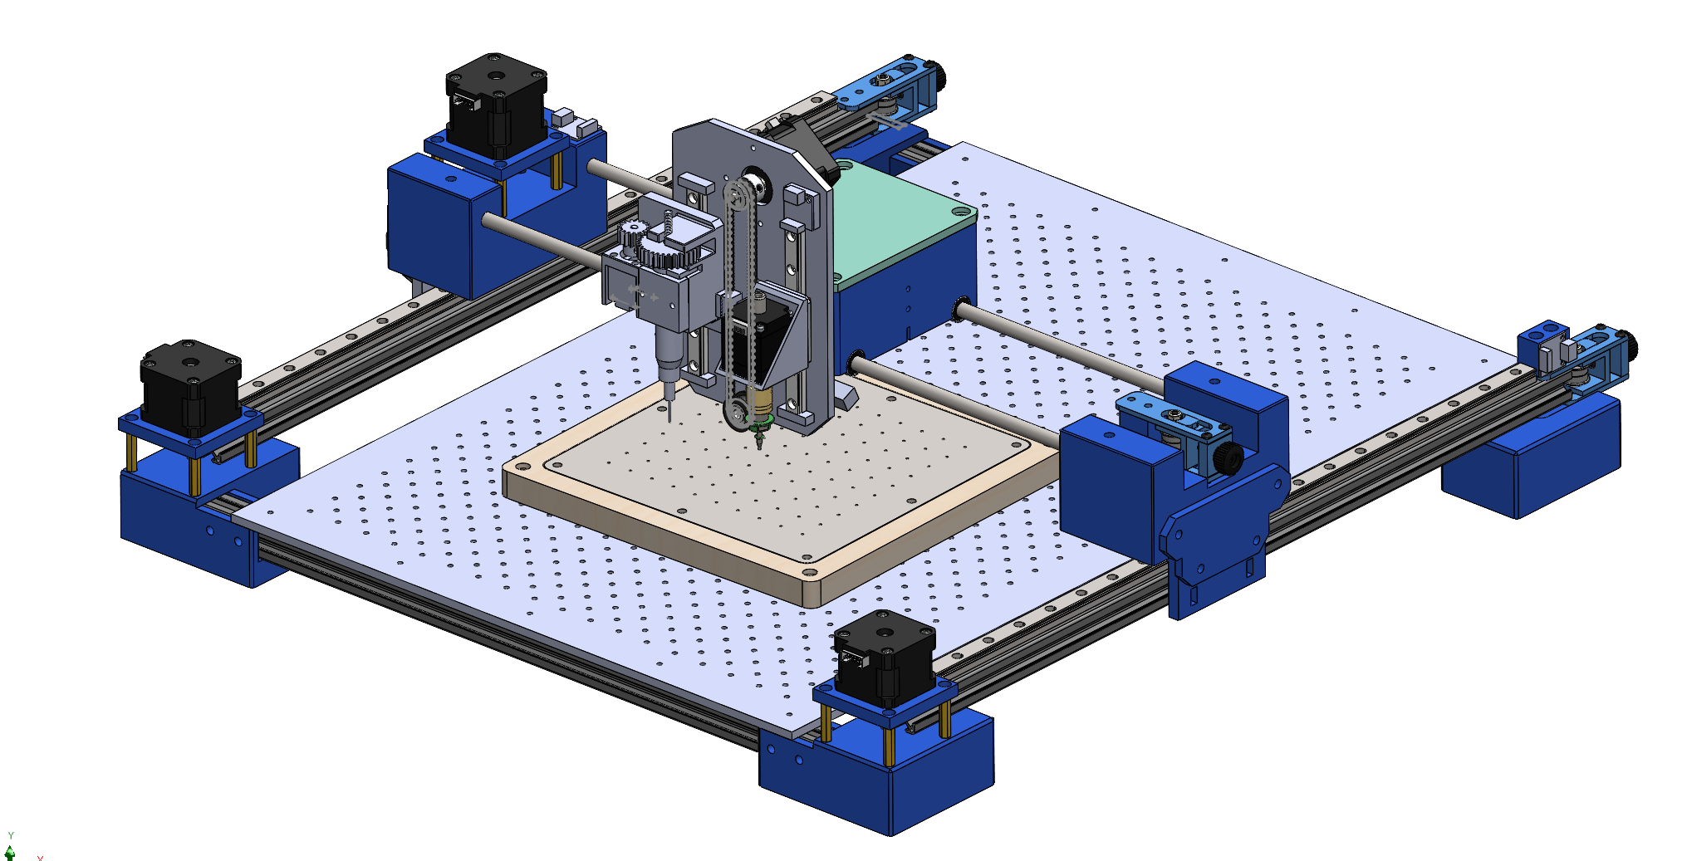
 |  |  | 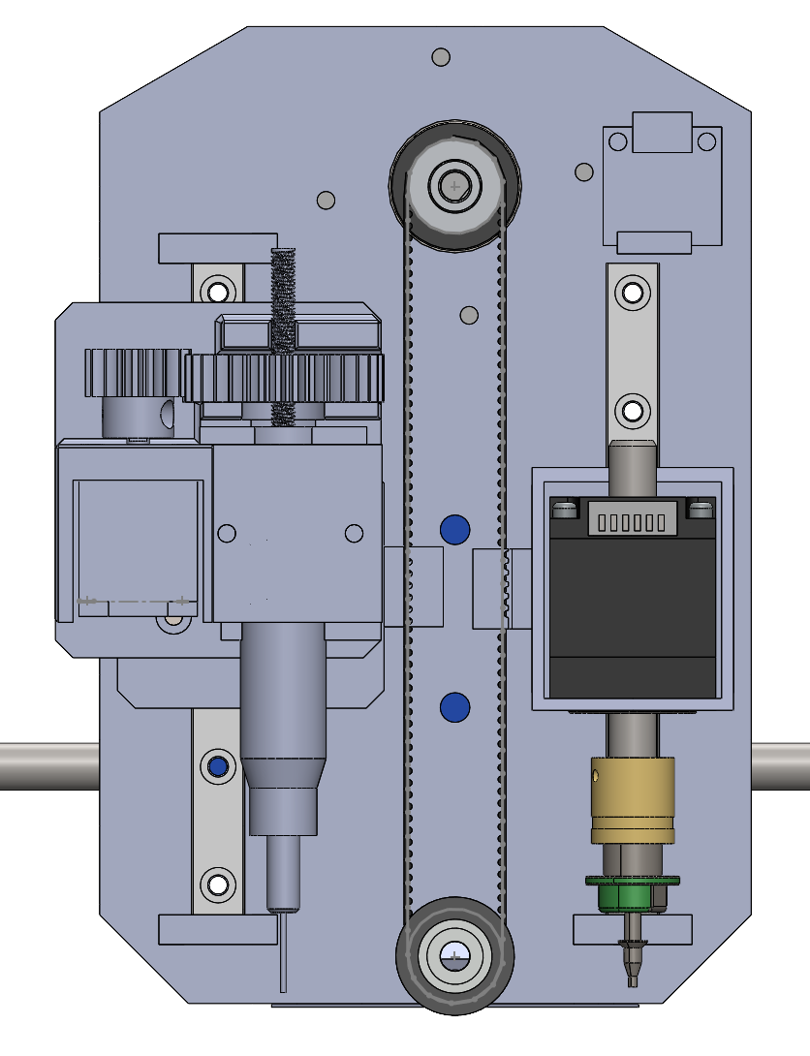 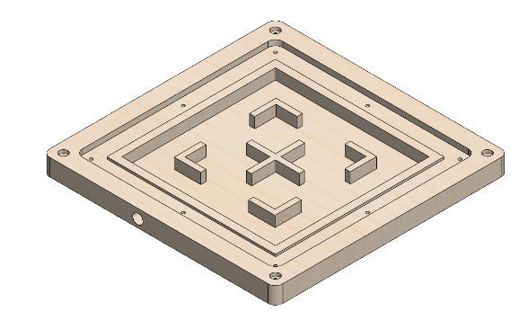 BILL OF MATERIALS

 |  | Sub Assembly | Part/Item Identification |  |  |  |  |  |  |  |  |  | Material and Mass |  |  |  | Status |  | Source
 |  |  | Project Code | BoM Section | UID | Issue | Revision | Type | Part Description | Part Number | Full CAD Description | Quantity | Material | Density (g/cm^3) | Mass Each (g) | Mass Total (g) | Available | To Be Ordered | WebLinks | Price Total | Comments
 |  | Moving System | PnP | 01 | 0001 | 02 | C | Assembly | Moving System_Assembly | PnP-01-0001-02 | PnP-01-0001-02 Moving System_Assembly | 1 | N/A | N/A | 0.0 | 0.0
 |  |  | PnP | 01 | 0005 | 02 | C | Part | Moving System_X_Housing_1 | PnP-01-0005-02 | PnP-01-0005-02 Moving System_X_Housing_1 | 1 | PLA | 1.25 | 65.2 | 65.2
 |  |  | PnP | 01 | 0006 | 02 | C | Part | Moving System_X_Housing_2 | PnP-01-0006-02 | PnP-01-0006-02 Moving System_X_Housing_2 | 1 | PLA | 1.25 | 65.2 | 65.2
 |  |  | PnP | 01 | 0007 | 02 | C | Part | Moving System_X_Housing_3 | PnP-01-0007-02 | PnP-01-0007-02 Moving System_X_Housing_3 | 1 | PLA | 1.25 | 65.0 | 65.0
 |  |  | PnP | 01 | 0008 | 02 | C | Part | Moving System_X_Housing_4 | PnP-01-0008-02 | PnP-01-0008-02 Moving System_X_Housing_4 | 1 | PLA | 1.25 | 65.0 | 65.0
 |  |  | PnP | 01 | 0009 | 02 | B | Part | Moving System_Y_Housing_1 | PnP-01-0009-02 | PnP-01-0009-02 Moving System_Y_Housing_1 | 1 | PLA | 1.25 | 88.5 | 88.5
 |  |  | PnP | 01 | 0010 | 02 | B | Part | Moving System_Y_Housing_2 | PnP-01-0010-02 | PnP-01-0010-02 Moving System_Y_Housing_2 | 1 | PLA | 1.25 | 100.0 | 100.0
 |  |  | PnP | 01 | 0011 | 02 | B | Part | Moving System_Sliding Block Mount | PnP-01-0011-02 | PnP-01-0011-02 Moving System_Sliding Block Mount | 2 | PLA | 1.25 | 120.9 | #REF!
 |  |  | PnP | 01 | 0012 | 02 | A | Part | Moving System_Y_Connectors | PnP-01-0012-02 | PnP-01-0012-02 Moving System_Y_Connectors | 2 | PLA | 1.25 |  | 241.7
 |  |  | PnP | 01 | 0013 | 01 | A | Part | Moving System_Motor Mount | PnP-01-0013-01 | PnP-01-0013-01 Moving System_Motor Mount | 3 | PLA | 1.25 |  | 0.0
 |  |  | PnP | 01 | 0014 | 01 | A | Part | Moving System_Angle Brackets | PnP-01-0014-01 | PnP-01-0014-01 Moving System_Angle Brackets | 4 | PLA | 1.25 |  | 0.0
 |  |  | PnP | 01 | 0015 | 03 | C | Part | Moving System_Acrylic Sheet 590mm x 400mm | PnP-01-0015-03 | PnP-01-0015-03 Moving System_Acrylic Sheet 590mm x 400mm | 1 | Acrylic | 1.18 |  | 0.0
 |  |  | PnP | 01 | 0016 | 01 | B | Part | Moving System_Hand Rest | PnP-01-0016-01 | PnP-01-0016-01 Moving System_Hand Rest | 1 | PLA | 1.25 |  | 0.0
BoM Section | Code |  | PnP | 01 | 0017 | 01 | A | Part | Moving System_Hand Rest Top Plate | PnP-01-0017-01 | PnP-01-0017-01 Moving System_Hand Rest Top Plate | 1 | PLA | 1.25 |  | 0.0
Moving System | 01 |  | PnP | 01 | 0018 | 01 | A | Part | Moving System_Limit Switch Mount | PnP-01-0018-01 | PnP-01-0018-01 Moving System_Limit Switch Mount | 3 | PLA | 1.25 |  | 0.0
Toolhead | 02 |  | PnP | 01 | UK-imetrx4238 | 01 | A | Standard Part | NEMA 17 Stepper Motors | PnP-01-UK-imetrx4238-01 | PnP-01-UK-imetrx4238-01 NEMA 17 Stepper Motors | 3 | N/A | N/A |  | 0.0 | ü
Universal Clamping System | 04 |  | PnP | 01 | 726972672907 | 01 | A | Standard Part | GT2_20T_Timing Belt Pulley | PnP-01-726972672907-01 | PnP-01-726972672907-01 GT2_20T_Timing Belt Pulley | 3 | Aluminium | 2.7 |  | 0.0 | ü
Camera System | 05 |  | PnP | 01 | 6001-091 | 01 | A | Standard Part | GT2_ Pulley Bearing | PnP-01-6001-091-01 | PnP-01-6001-091-01 GT2_ Pulley Bearing | 3 | Aluminium | 2.7 |  | 0.0 | ü |  | https://www.amazon.co.uk/dp/B084KLTS84?ref=ppx_yo2ov_dt_b_fed_asin_title&th=1 | 5.99
 |  |  | PnP | 01 | B08SJ4HDGD | 01 | A | Standard Part | GT2_Belts | PnP-01-B08SJ4HDGD-01 | PnP-01-B08SJ4HDGD-01 GT2_Belts |  | Fibre-Reinforced Rubber | 1.6 |  | 0.0 | ü |  | https://www.amazon.co.uk/gp/product/B08SJ4HDGD/ref=ewc_pr_img_1?smid=A2Y85XMNUIFFWQ&th=1 | 8.99
 |  |  | PnP | 01 | AEP-TV-2020-S-CTS | 01 | A | Standard Part | 2020 Aluminiun Profile 500mm | PnP-01-AEP-TV-2020-S-CTS-01 | PnP-01-AEP-TV-2020-S-CTS-01 2020 Aluminiun Profile 500mm | 2 | Aluminium | 2.7 |  | 0.0 | ü |  |  | 7.68
 |  |  | PnP | 01 | AEP-TV-2020-S-CTS | 01 | A | Standard Part | 2020 Aluminiun Profile 530mm | PnP-01-AEP-TV-2020-S-CTS-01 | PnP-01-AEP-TV-2020-S-CTS-01 2020 Aluminiun Profile 530mm | 2 | Aluminium | 2.7 |  | 0.0 | ü |  |  | 8.14
 |  |  | PnP | 01 | AEP-TV-2020-S-CTS | 01 | A | Standard Part | 2020 Aluminiun Profile 536mm | PnP-01-AEP-TV-2020-S-CTS-01 | PnP-01-AEP-TV-2020-S-CTS-01 2020 Aluminiun Profile 536mm | 1 | Aluminium | 2.7 |  | 0.0 | ü |  |  | 4.12
 |  |  | PnP | 01 | MGN12 | 01 | A | Standard Part | MGN12 Linear Rail | PnP-01-MGN12-01 | PnP-01-MGN12-01 MGN12 Linear Rail | 2 | Stainless Steel | 8 |  | 0.0 | ü
 |  |  | PnP | 01 | MGN12H | 01 | A | Standard Part | MGN12 Sliding Block | PnP-01-MGN12H-01 | PnP-01-MGN12H-01 MGN12 Sliding Block | 2 | N/A | N/A |  | 0.0 | ü
 |  |  | PnP | 01 | Fditq1co9vwz65 | 01 | A | Standard Part | Linear Shaft_Stainless Steel 480mm 8mm Thick | PnP-01-Fditq1co9vwz65-01 | PnP-01-Fditq1co9vwz65-01 Linear Shaft_Stainless Steel 480mm 8mm Thick | 2 | Stainless Steel | 8 |  | 0.0 | ü |  | https://www.amazon.co.uk/gp/product/B07N6854N4/ref=ewc_pr_img_5?smid=AB4PHP13UVZQB&psc=1 | 14.00
 |  |  | PnP | 01 | LM8UU | 01 | A | Standard Part | Linear Bearing | PnP-01-LM8UU-01 | PnP-01-LM8UU-01 Linear Bearing | 4 | N/A | N/A |  | 0.0 | ü
 |  |  | PnP | 01 | 19595EU | 01 | A | Standard Part | Belt Tensioners | PnP-01-19595EU-01 | PnP-01-19595EU-01 Belt Tensioners | 3 | N/A | N/A |  | 0.0 | ü |  | https://www.amazon.co.uk/gp/product/B09XX3SFR9/ref=ewc_pr_img_6?smid=AY8YTBRZSL2Q4&th=1 | 23.97
 |  |  | PnP | 01 | CRE-4004180004 | 01 | A | Standard Part | Limit Switch | PnP-01-CRE-4004180004-01 | PnP-01-CRE-4004180004-01 Limit Switch | 4 | N/A | N/A |  | 0.0 | ü
 |  |  | PnP | 01 |  | 01 | A | Standard Part | M3 Brass Pillars 24+3 | PnP-01--01 | PnP-01--01 M3 Brass Pillars 24+3 | 12 | Brass | 8.73 |  | 0.0 | ü
 |  |  | PnP | 01 |  | 01 | A | Standard Part | M3 Hex Socket Bolt | PnP-01--01 | PnP-01--01 M3 Hex Socket Bolt |  | Alloy Steel | 7.85 |  | 0.0 | ü
 |  |  | PnP | 01 |  | 01 | A | Standard Part | M3 Sliding T-Nut | PnP-01--01 | PnP-01--01 M3 Sliding T-Nut |  | Zinc-Plated Steel | 7.85 |  | 0.0 | ü
 |  |  | PnP | 01 |  | 01 | A | Standard Part | M4 Brass Threaded Inserts 12x5 | PnP-01--01 | PnP-01--01 M4 Brass Threaded Inserts 12x5 | 4 | Brass | 8.73 |  | 0.0 | ü
 |  |  | PnP | 01 |  | 01 | A | Standard Part | M4 Grub Screw | PnP-01--01 | PnP-01--01 M4 Grub Screw | 4 | Alloy Steel | 7.85 |  | 0.0 | ü
 |  |  | PnP | 01 |  | 01 | A | Standard Part | M5 Hex Socket Bolt | PnP-01--01 | PnP-01--01 M5 Hex Socket Bolt |  | Alloy Steel | 7.85 |  | 0.0 | ü
 |  |  | PnP | 01 | 1006 | 01 | A | Standard Part | M5 Sliding T-Nut | PnP-01-1006-01 | PnP-01-1006-01 M5 Sliding T-Nut |  | Zinc-Plated Steel | 7.85 |  | 0.0 | ü
 |  | PnP Toolhead | PnP | 02 | 0002 | 03 | C | Assembly | Toolhead_Assembly | PnP-02-0002-03 | PnP-02-0002-03 Toolhead_Assembly | 1 | N/A | 1.25 |  | 0.0
 |  |  | PnP | 02 | 0019 | 03 | C | Part | Toolhead_Mount | PnP-02-0019-03 | PnP-02-0019-03 Toolhead_Mount | 1 | PLA | 1.25 |  | 0.0 | ü
 |  |  | PnP | 02 | 0020 | 02 | B | Part | Toolhead_Sliding Block Mount 1 | PnP-02-0020-02 | PnP-02-0020-02 Toolhead_Sliding Block Mount 1 | 1 | PLA | 1.25 |  | 0.0
 |  |  | PnP | 02 | 0021 | 02 | B | Part | Toolhead_Sliding Block Mount 2 | PnP-02-0021-02 | PnP-02-0021-02 Toolhead_Sliding Block Mount 2 | 1 | PLA | 1.25 |  | 0.0
 |  |  | PnP | 02 | 0022 | 01 | B | Part | Toolhead_NEMA 11 Mount | PnP-02-0022-01 | PnP-02-0022-01 Toolhead_NEMA 11 Mount | 1 | PLA | 1.25 |  | 0.0
 |  |  | PnP | 02 | 0023 | 01 | B | Part | Toolhead_NEMA 8 Mount | PnP-02-0023-01 | PnP-02-0023-01 Toolhead_NEMA 8 Mount | 1 | PLA | 1.25 |  | 0.0
 |  |  | PnP | 02 | 0024 | 01 | A | Part | Toolhead_32T M1 Driven Gear | PnP-02-0024-01 | PnP-02-0024-01 Toolhead_32T M1 Driven Gear | 1 | PLA | 1.25 |  | 0.0
 |  |  | PnP | 02 | 0025 | 01 | A | Part | Toolhead_16T M1 Drive Gear | PnP-02-0025-01 | PnP-02-0025-01 Toolhead_16T M1 Drive Gear | 1 | PLA | 1.25 |  | 0.0
 |  |  | PnP | 02 | 0026 | 01 | A | Part | Toolhead_Dispenser Cover | PnP-02-0026-01 | PnP-02-0026-01 Toolhead_Dispenser Cover | 1 | PLA | 1.25 |  | 0.0
 |  |  | PnP | 02 | 0027 | 01 | A | Part | Toolhead_Syringe Cap | PnP-02-0027-01 | PnP-02-0027-01 Toolhead_Syringe Cap | 1 | PLA | 1.25 |  | 0.0
 |  |  | PnP | 02 | MGN9 | 01 | A | Standard Part | MGN9 Linear Rail 110mm | PnP-02-MGN9-01 | PnP-02-MGN9-01 MGN9 Linear Rail 110mm | 2 | Stainless Steel | 8 |  | 0.0 | ü
 |  |  | PnP | 02 | MGN9C | 01 | A | Standard Part | MGN9 Sliding Block | PnP-02-MGN9C-01 | PnP-02-MGN9C-01 MGN9 Sliding Block | 2 | N/A | N/A |  | 0.0 | ü
 |  |  | PnP | 02 | 20HS24 | 01 | A | Standard Part | NEMA 8 Stepper Motor | PnP-02-20HS24-01 | PnP-02-20HS24-01 NEMA 8 Stepper Motor | 1 | N/A | N/A |  | 0.0 | ü
 |  |  | PnP | 02 | 28HK34-08M5 | 01 | A | Standard Part | NEMA 11 Stepper Motor Dual Hollow Shaft | PnP-02-28HK34-08M5-01 | PnP-02-28HK34-08M5-01 NEMA 11 Stepper Motor Dual Hollow Shaft | 1 | N/A | N/A |  | 0.0 | ü
 |  |  | PnP | 02 | 20HS24 | 01 | A | Standard Part | NEMA 17 Stepper Motor Dual Shaft | PnP-02-20HS24-01 | PnP-02-20HS24-01 NEMA 17 Stepper Motor Dual Shaft | 1 | N/A | N/A |  | 0.0 | ü |  | https://www.amazon.co.uk/gp/product/B0CGVY4KNZ/ref=ewc_pr_img_8?smid=A68DN8Y5KAYV&psc=1 | 9.95
 |  |  | PnP | 02 |  | 01 | A | Standard Part | JUKI Nozzle Fitting | PnP-02--01 | PnP-02--01 JUKI Nozzle Fitting | 1 | N/A | N/A |  | 0.0
 |  |  | PnP | 02 |  | 01 | A | Standard Part | JUKI Nozzle Set | PnP-02--01 | PnP-02--01 JUKI Nozzle Set | 1 | N/A | N/A |  | 0.0
 |  |  | PnP | 02 |  | 01 | A | Standard Part | SLS Needle Set | PnP-02--01 | PnP-02--01 SLS Needle Set | 1 | N/A | N/A |  | 0.0 | ü
 |  |  | PnP | 02 |  | 01 | A | Standard Part | Luer Lock Syringe | PnP-02--01 | PnP-02--01 Luer Lock Syringe | 1 | Polypropylene | 0.92 |  | 0.0 | ü
 |  |  | PnP | 02 | CRE-4004180004 | 01 | A | Standard Part | Limit Switch | PnP-02-CRE-4004180004-01 | PnP-02-CRE-4004180004-01 Limit Switch | 1 | N/A | N/A |  | 0.0 | ü
 |  |  | PnP | 02 | 726972672907 | 01 | A | Standard Part | GT2_20T_Timing Belt Pulley | PnP-02-726972672907-01 | PnP-02-726972672907-01 GT2_20T_Timing Belt Pulley | 1 | Aluminium | 2.7 |  | 0.0 | ü
 |  |  | PnP | 02 | 6001-091 | 01 | A | Standard Part | GT2_ Pulley Bearing | PnP-02-6001-091-01 | PnP-02-6001-091-01 GT2_ Pulley Bearing | 1 | Aluminium | 2.7 |  | 0.0 | ü
 |  |  | PnP | 02 | B08SJ4HDGD | 01 | A | Standard Part | GT2_Belts | PnP-02-B08SJ4HDGD-01 | PnP-02-B08SJ4HDGD-01 GT2_Belts |  | Fibre-Reinforced Rubber | 1.6 |  | 0.0 | ü
 |  |  | PnP | 02 |  | 01 | A | Standard Part | M2 Hex Socket Bolt | PnP-02--01 | PnP-02--01 M2 Hex Socket Bolt | 4 | Stainless Steel | 8 |  | 0.0 | ü
 |  |  | PnP | 02 |  | 01 | A | Standard Part | M2.5 Hex Socket Bolt | PnP-02--01 | PnP-02--01 M2.5 Hex Socket Bolt | 4 | Stainless Steel | 8 |  | 0.0 | ü
 |  |  | PnP | 02 |  | 01 | A | Standard Part | M3 Brass Threaded Inserts | PnP-02--01 | PnP-02--01 M3 Brass Threaded Inserts |  | Brass | 8.73 |  | 0.0 | ü
 |  |  | PnP | 02 |  | 01 | A | Standard Part | M3 Hex Socket Bolt | PnP-02--01 | PnP-02--01 M3 Hex Socket Bolt |  | Alloy Steel | 7.85 |  | 0.0 | ü
 |  |  | PnP | 02 |  | 01 | A | Standard Part | M4 Threaded Rod | PnP-02--01 | PnP-02--01 M4 Threaded Rod | 1 | Stainless Steel | 8 |  | 0.0 | ü
 |  |  | PnP | 02 |  | 01 | A | Standard Part | M4 Brass Threaded Inserts | PnP-02--01 | PnP-02--01 M4 Brass Threaded Inserts | 1 | Brass | 8.73 |  | 0.0 | ü
 |  |  | PnP | 02 | RS-525-925 | 01 | A | Standard Part | M5 Hex Socket Bolt | PnP-02-RS-525-925-01 | PnP-02-RS-525-925-01 M5 Hex Socket Bolt | 1 | Alloy Steel | 7.85 |  | 0.0 | ü
 |  |  | PnP | 02 |  | 01 | A | Standard Part | M5 Pneumatic Fittings | PnP-02--01 | PnP-02--01 M5 Pneumatic Fittings | 1 | N/A | N/A |  | 0.0 | ü
 |  |  | PnP | 02 |  | 01 | A | Standard Part | Pneumatic Pipes | PnP-02--01 | PnP-02--01 Pneumatic Pipes | 1 | N/A | N/A |  | 0.0 | ü
 |  |  | PnP | 02 |  | 01 | A | Standard Part | Vacuum Pump | PnP-02--01 | PnP-02--01 Vacuum Pump | 1 | N/A | N/A |  | 0.0 | ü
 |  |  | PnP | 02 |  | 01 | A | Standard Part | O Ring | PnP-02--01 | PnP-02--01 O Ring | 1 | Nitrile Rubber | 1.22 |  | 0.0 | ü
 |  |  | PnP | 02 | B0CS31XNSY | 01 | A | Standard Part | Solenoid Valve | PnP-02-B0CS31XNSY-01 | PnP-02-B0CS31XNSY-01 Solenoid Valve |  |  |  |  | 0.0 |  |  | https://www.amazon.co.uk/gp/product/B0CS31XNSY/ref=ox_sc_act_image_14?smid=A17GKGMDXTQ2B0&psc=1 | 11.99 | ** Double Check with Ben
 |  |  | PnP | 02 |  | 01 | A | Standard Part | BIGTREETECH Octopus V1.1 | PnP-02--01 | PnP-02--01 BIGTREETECH Octopus V1.1 |  |  |  |  | 0.0 |  |  | https://www.amazon.co.uk/dp/B0991B8ZRL/ref=twister_B09C7GNBKP?_encoding=UTF8&th=1 | 97.99 | ** Double Check with Ben
 |  | Universal Clamping System | PnP | 03 | 0003 | 04 | D | Assembly | Vacuum Table_Assembly | PnP-03-0003-04 | PnP-03-0003-04 Vacuum Table_Assembly | 1 | N/A | N/A |  | 0.0
 |  |  | PnP | 03 | 0028 | 04 | D | Part | Vacuum Table_Base Plate | PnP-03-0028-04 | PnP-03-0028-04 Vacuum Table_Base Plate | 1 | PLA | 1.25 |  | 0.0 | ü
 |  |  | PnP | 03 | 0029 | 02 | B | Part | Vacuum Table_Rubber Seal 3mm | PnP-03-0029-02 | PnP-03-0029-02 Vacuum Table_Rubber Seal 3mm | 1 | Rubber | 1.34 |  | 0.0
 |  |  | PnP | 03 | 0030 | 02 | B | Part | Vacuum Table_Top Plate | PnP-03-0030-02 | PnP-03-0030-02 Vacuum Table_Top Plate | 1 | Acrylic | 1.18 |  | 0.0 | ü
 |  |  | PnP | 03 | 3DJAKE-ISP-GWEM3 | 01 | A | Standard Part | M3 Brass Threaded Inserts | PnP-03-3DJAKE-ISP-GWEM3-01 | PnP-03-3DJAKE-ISP-GWEM3-01 M3 Brass Threaded Inserts | 8 | Brass | 8.73 |  | 0.0 | ü
 |  |  | PnP | 03 | 0025 | 01 | A | Standard Part | M3 Countersunk Screws | PnP-03-0025-01 | PnP-03-0025-01 M3 Countersunk Screws | 8 | Alloy Steel | 7.85 |  | 0.0 | ü
 |  |  | PnP | 03 | 3DJAKE-ISP-GWEM5 | 01 | A | Standard Part | M5 Brass Threaded Inserts | PnP-03-3DJAKE-ISP-GWEM5-01 | PnP-03-3DJAKE-ISP-GWEM5-01 M5 Brass Threaded Inserts |  |  |  |  | 0.0 | ü
 |  |  | PnP | 03 | PC6-01 | 01 | A | Standard Part | 1/2 Pneumatic Fittings | PnP-03-PC6-01-01 | PnP-03-PC6-01-01 1/2 Pneumatic Fittings | 1 | N/A | N/A |  | 0.0 | ü
 |  | Camera System | PnP | 04 | 0004 | 01 | A | Assembly | Camera System_Assembly | PnP-04-0004-01 | PnP-04-0004-01 Camera System_Assembly | 1 | N/A | N/A |  | 0.0
 |  |  | PnP | 04 | 0031 | 01 | A | Part | Camera System_Housing | PnP-04-0031-01 | PnP-04-0031-01 Camera System_Housing | 1 | PLA | 1.25 |  | 0.0
 |  |  | PnP | 04 | 0033 | 01 | A | Standard Part | Ball Joint Attachment | PnP-04-0033-01 | PnP-04-0033-01 Ball Joint Attachment | 1 | PLA | 1.25 |  | 0.0 | ü
 |  |  | PnP | 04 | 0034 | 01 | A | Standard Part | Camera Module | PnP-04-0034-01 | PnP-04-0034-01 Camera Module | 1 | N/A | N/A |  | 0.0 |  |  | https://www.amazon.co.uk/gp/product/B06XQGKCBF/ref=ewc_pr_img_1?smid=A1XYWUUU38OZI5&psc=1 | 74.90 | ** Need to discuss
 |  |  | PnP | 04 | 0035 | 01 | A | Standard Part | 1/4 Brass Threaded Inserts | PnP-04-0035-01 | PnP-04-0035-01 1/4 Brass Threaded Inserts | 1 | Brass | 8.73 |  | 0.0 | ü
 |  |  | PnP | 04 | RS-4679789 | 01 | A | Standard Part | 1/4 Hex Socket Bolt 8mm | PnP-04-RS-4679789 -01 | PnP-04-RS-4679789 -01 1/4 Hex Socket Bolt 8mm | 1 | Alloy Steel | N/A |  | 0.0 | ü
 |  |  |  |  |  |  |  |  |  |  |  | 141 |  |  |  | #REF! | ü |  |  | 267.720

