Overview
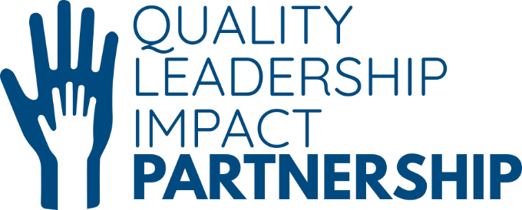
Islington Impact Measurement Framework
V3 - February 2023
Developed by QLIP in partnership with The Social Investment Consultancy

Please contact ruth.virgo@londonyouth.org with questions or for support

 | Understanding the impact of youth work: QLIP MEL Framework
 |  |  | What are the tabs for?
 | This document was created by the QLIP team with the support of the London Borough of Islington to support youth work organisations in understanding their impact on young people. We hope that this document will provide you with clear structure and guidance on how to measure your impact so that it can be celebrated and shared with the wider sector. |  | Overview | An overview of the document, outcomes and Young Islington's Theory of Change
 |  |  | A. Guidance | In detail explains how to use the framework
 |  |  | B. MEL Framework | The full MEL framework that can be filtered according to your needs
 |  |  | C. Case study interview | Guidance for conducting case study interviews
 |  |  | D. Survey | Guidance for conducting surveys
 |  |  | E. Group discussion | Guidance for conducting group discussions
 |  |  | F. Creative | Guidance for using creative methods
 |  |  | G. Observation | Guidance for using observation
 | Based on the Young Islington's Theory of Change (see on the right) and the workshop held with the QLIP Core group, we have identified 4 key outcome areas of youth work for young people that make up the essence of this MEL Framework. We hope that these outcome areas will resonate with the majority of youth work providers across Islington, regardless of their specific day-to-day activities or target audiences. |  | H. Learning | Suggested structure for the learning sessions within the organisation
 |  |  | I. Consent | Guidance for getting informed consent from young people
 |  |  | J. Ethics of research | Guidance on research ethics


 | Physical and emotional well-being | Social, emotional and life skills and knowledge
 |  |  |  |  | Young Islington's Theory of Change
 | Improved physical health | Improved practical and life skills
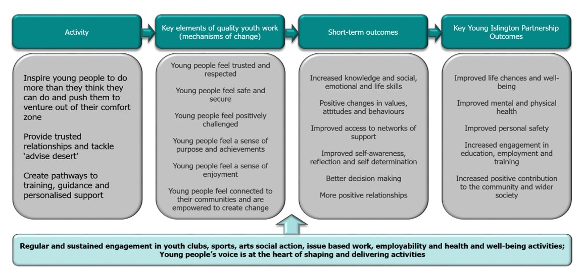
 | Improved emotional well-being | Improved social skills
 | Improved sense of safety | Improved self-awareness
 | Improved resilience | Increased learning

 | Sense of agency and motivation | Connections with networks of support and communities

 | Increased sense of ownership | Improved connections with others
 | Increased confidence | Improved connections with communities
 | Improved aspirations and ambitions | Improved access to services

