data
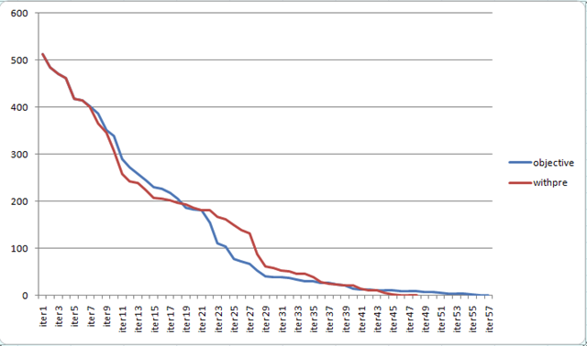
nloop | WASTE | Reduced_Cost | http://yetanothermathprogrammingconsultant.blogspot.com/2010/07/multiple-length-cutting-stock-problem.html
1 | 512.2 | -4.5
2 | 484.9 | -4.2
3 | 471.3 | -4
4 | 462.573 | -3.2
5 | 418.173 | -2
6 | 415.073 | -1.27273
7 | 399.8 | -1.2
8 | 386.9 | -1.2
9 | 352.1 | -1
10 | 327.1 | -1
11 | 277.1 | -1
12 | 268.1 | -0.8
13 | 247.1 | -1.2
14 | 243.5 | -0.8
15 | 241.5 | -0.8
16 | 231.1 | -0.8
17 | 221.45 | -0.8
18 | 209.783 | -0.833334
19 | 186.5 | -0.6
20 | 178.65 | -0.7
21 | 168.175 | -0.8
22 | 166.4 | -0.8
23 | 160.164 | -0.642857
24 | 159.343 | -0.821429
25 | 156.468 | -0.642857
26 | 145.755 | -0.506098
27 | 139.1 | -0.5
28 | 132.6 | -0.5
29 | 87.6 | -0.5
30 | 61.85 | -0.5
31 | 55.35 | -0.4
32 | 53.6444 | -0.534722
33 | 50.3 | -0.3
34 | 26.915 | -0.4
35 | 23.9143 | -0.3
36 | 22.2947 | -0.409092
37 | 20.4605 | -0.163635
38 | 20.3143 | -0.157143
39 | 19.2313 | -0.3125
40 | 16.6618 | -0.213235
41 | 16.086 | -0.1875
42 | 11.0061 | -0.154206
43 | 10.7043 | -0.161804
44 | 3.30452 | -0.223164
45 | 2.56538 | -0.137363
46 | 0.0508929 | -0.133929
47 | 0 | 1.78E-15

