1.1 InitDisplay (Login)
1. Initial Display
 | 1.1 Login

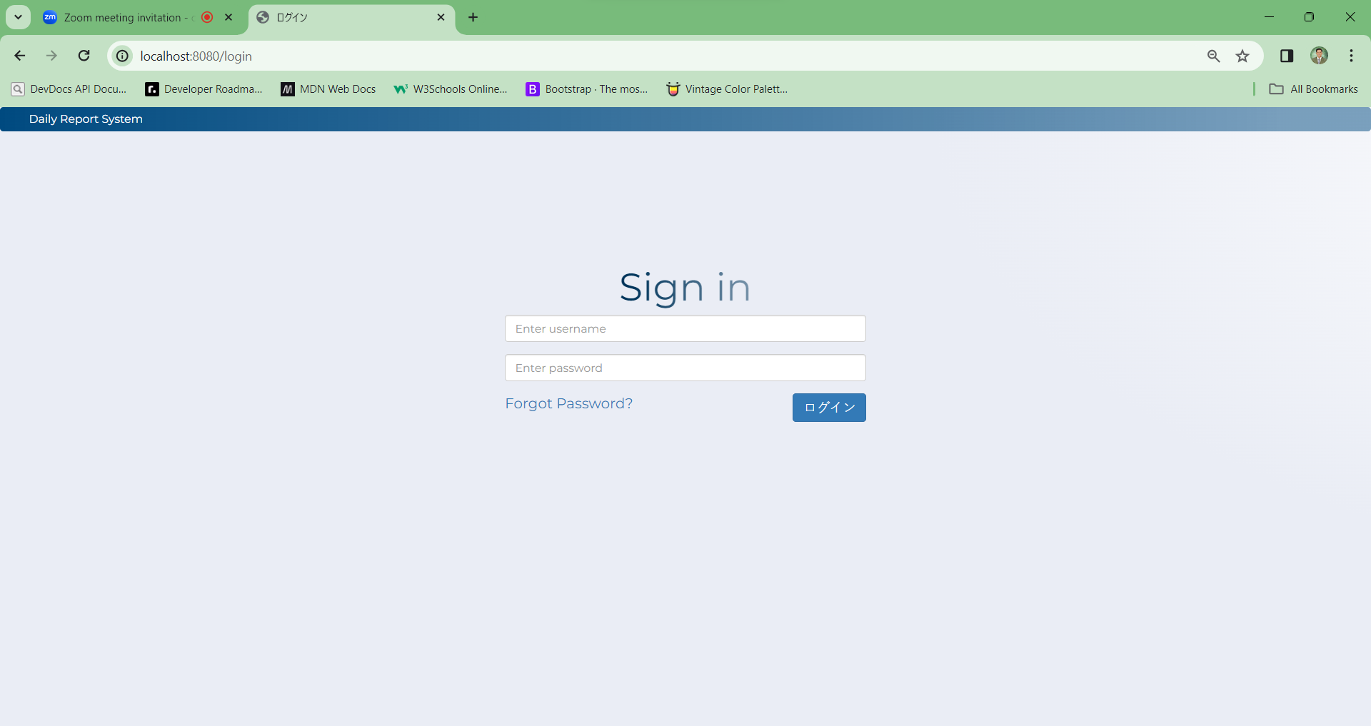

A-1
A-2
C-1
C-2

[The following items are displayed on the screen items]

No | Area | Points to check | Remarks | Source table fields
1 | A-1 | Username | Fill out | M_USER_INFORMATION.username
2 | A-2 | Password | Fill out | M_USER_INFO_ACCOUNT.password
3 | C-1 | Login | Button | Proceed with the Login
3 | C-2 | Forgot Password | Hyperlink | Redirect to the forgot password page

2.SQL
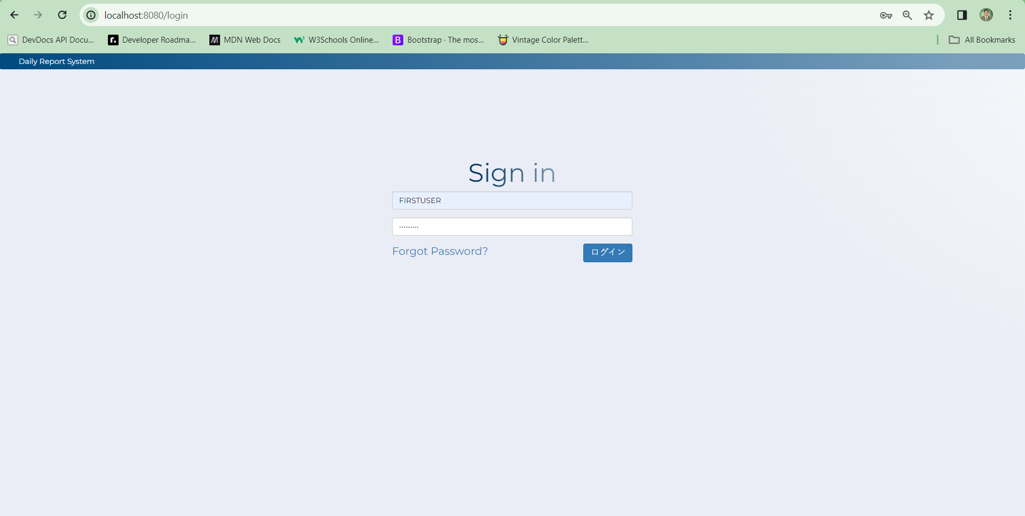
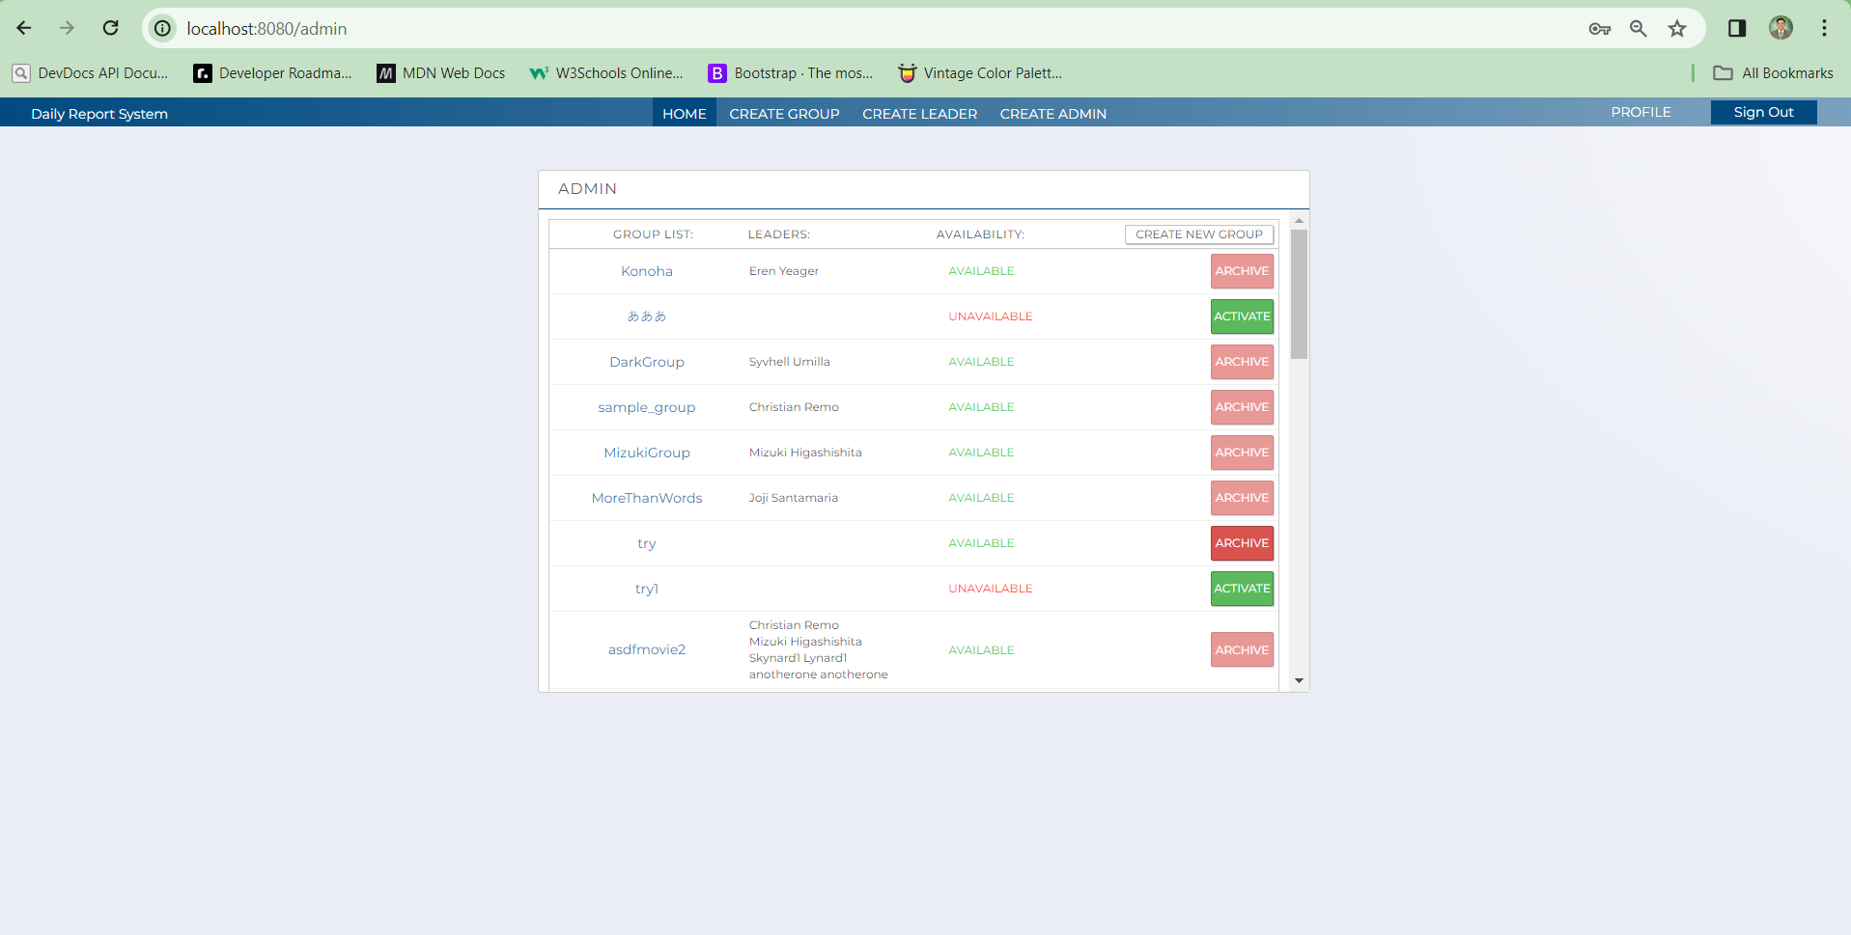
2. SQL
 | [Table value]
 | # M_USER_INFO_ACCOUNT

 | user_id_pk | password | reg_id | reg_date | update_id | update_date | delete_flg | Test Pattern
 | 2 |  | ADMIN | 2023-10-02 17:51:14.168 | ADMIN | 2023-11-13 14:04:51 | false
 | 29 |  | ADMIN | 2023-10-05 10:30:30.955 | USER | 2023-11-27 16:48:28 | false
 | 30 |  | ADMIN | 2023-10-05 10:31:49.585 | LEADER | 2024-01-18 11:29:03.767 | false

 | # M_USER_INFORMATION

 | id_pk | mail_address | username | role | permission_id | first_name | last_name | display_picture | reg_id | reg_date | update_id | update_date | delete_flg | Test Pattern
 | 34 | newuser7@newuser.com | NEWUSER7 | ADMIN | 3 | Karl | Arboiz | /view/leader/Images/Hello.jpg | ADMIN | 2023-10-05 10:55:50.889 | ADMIN | 2023-10-18 16:25:03 | false
 | 119 | juliusB@example.com | JusBas | USER | 1 | jus | Arboiz | /view/leader/Images/Hello.jpg | ADMIN | 2023-10-26 19:10:06.563 | ADMIN | 2023-10-26 19:10:06.563 | false
 | 131 | dg@sample.com | redbone | LEADER | 2 | Childish | Gambino | default | ADMIN | 2023-11-07 11:22:02 | ADMIN | 2024-01-31 11:52:44 | false

 |  |  |  |  |  |  |  |  |  |  |  |  |  |  | Evidence No | Test Indicator | Result | Date | Implementer
 | SQL to get user login information |  |  |  |  |  |  |  |  |  |  |  |  |  | 1 | N | 〇 | 2024-05-02 | elmar

 | SELECT USERNAME,PASSWORD,TRUE
 | FROM M_USER_INFO_ACCOUNT
 | INNER JOIN M_USER_INFORMATION
 | ON M_USER_INFORMATION.ID_PK = M_USER_INFO_ACCOUNT.USER_ID_PK
 | WHERE USERNAME = ?
 | AND M_USER_INFORMATION.DELETE_FLG = FALSE
 | AND M_USER_INFO_ACCOUNT.DELETE_FLG = FALSE

 | SQL to get user's role

 | SELECT USERNAME
 | , ROLE
 | FROM M_USER_INFORMATION
 | WHERE USERNAME = ?

 | 1 | User Login
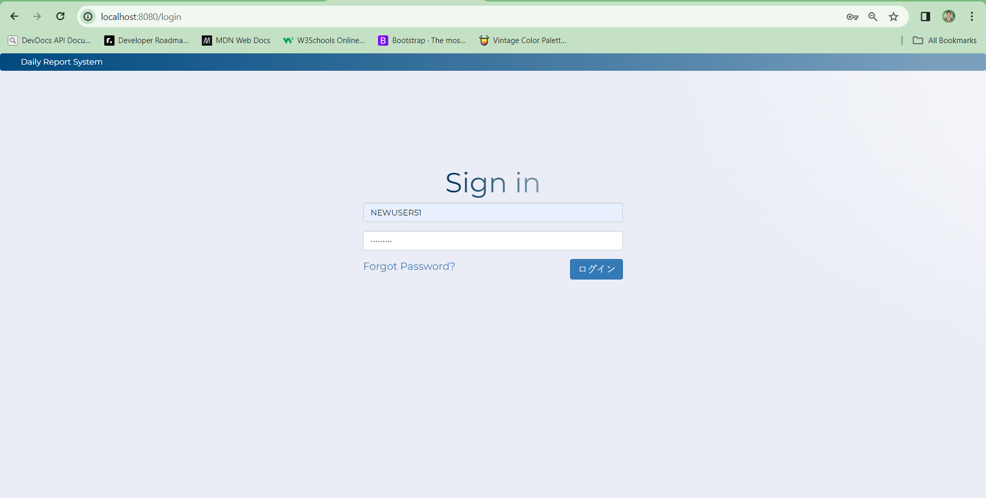
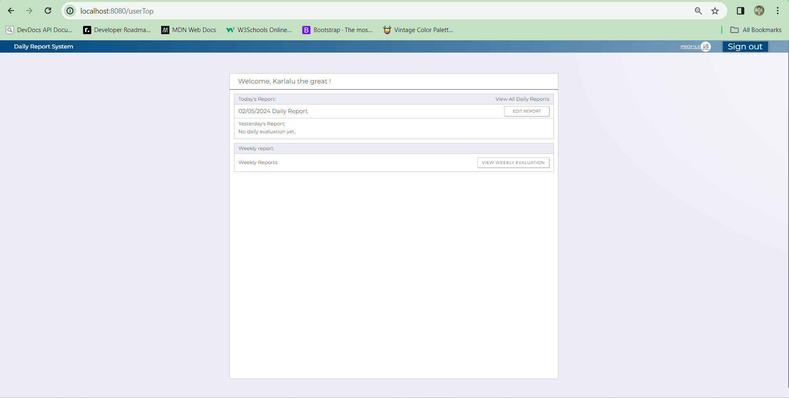

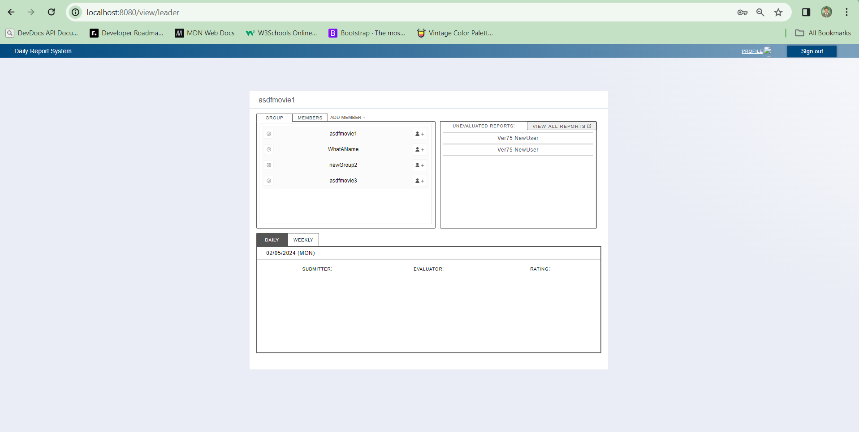
 |  | Leader Login
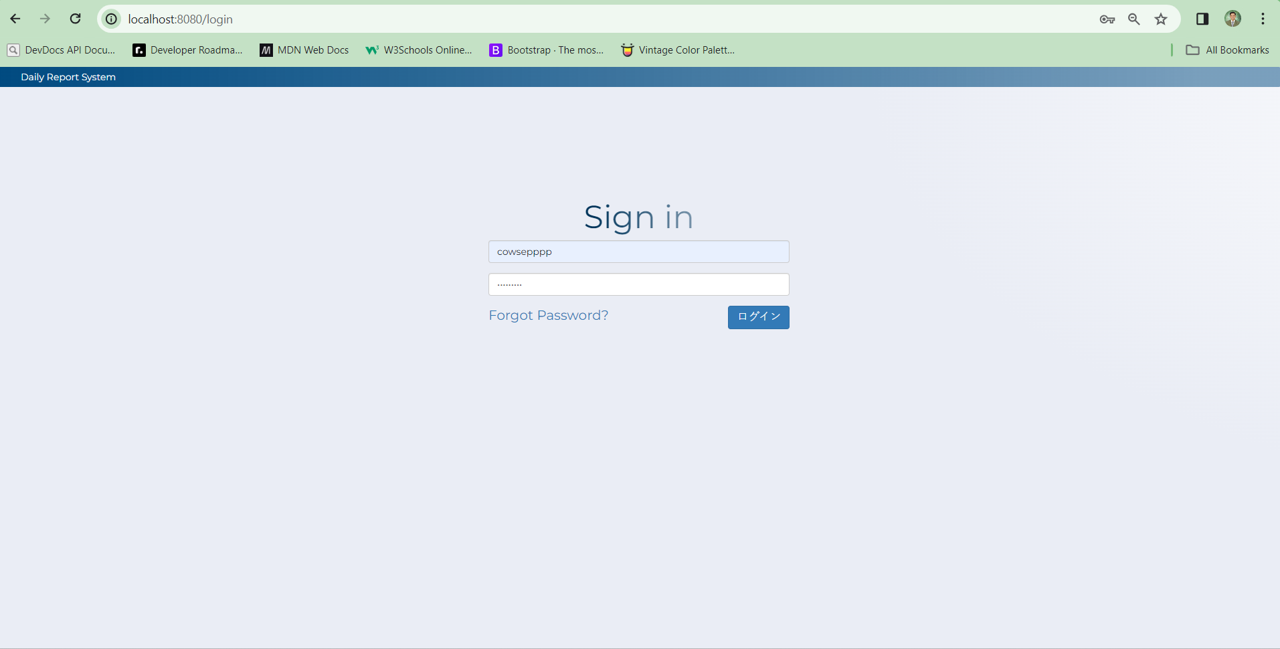

 |  | Admin Login

3.Validation Check

3.1. Validation screen items
 | 3.1.1 Input Validation

 |  | No | Area | Item name | Check Items | What to Check | Input Value | Output Messages | Evidence No | Test Indicator | Result | Date | Implementer
 |  | 1 | A-1 | username | exists in DB or not | does not exist in DB | User ID not in DB | Bad credentials | 2 | E | 〇 | 2024-05-02 | elmar
 |  |  |  |  | required | blank | blank character
 |  | 2 | A-2 | password | exists in DB or not | does not exist in DB | Password not in DB | Bad credentials | 3 | E | 〇 | 2024-05-02 | elmar
 |  |  |  |  | required | blank | blank character

 | 2
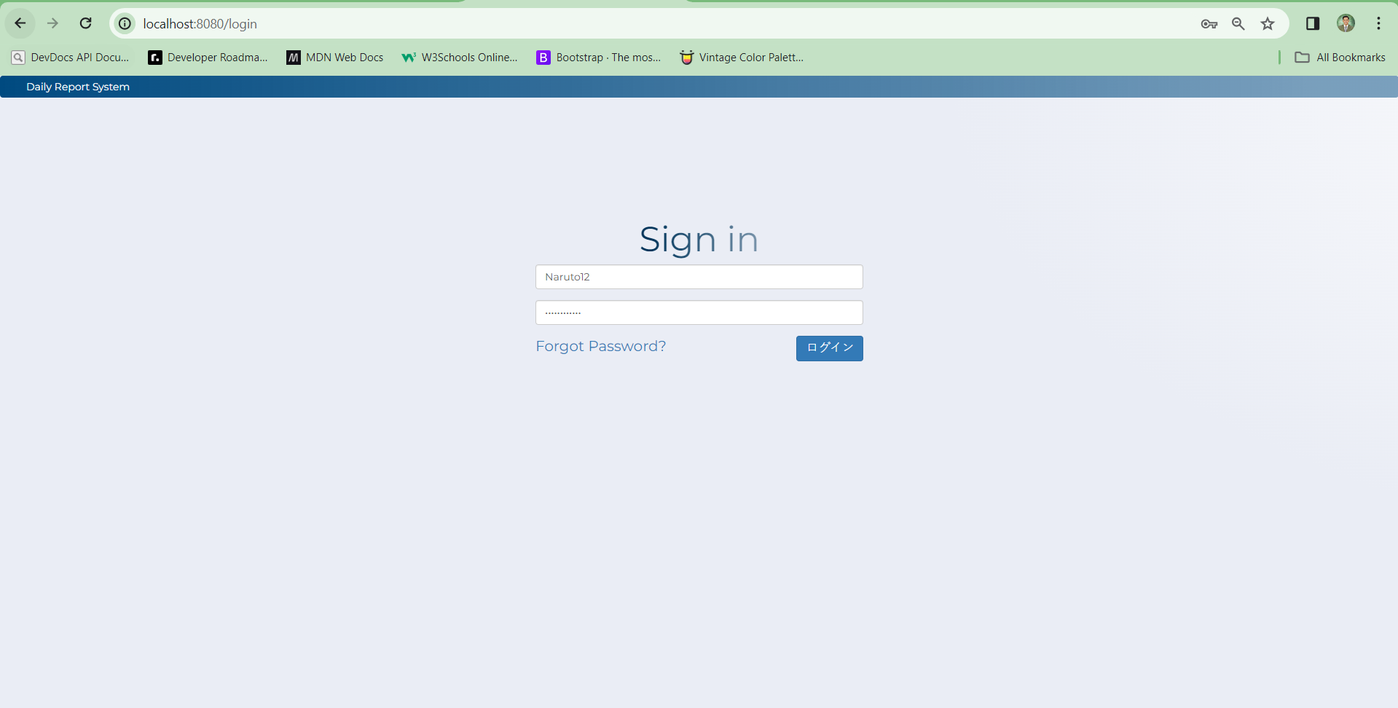
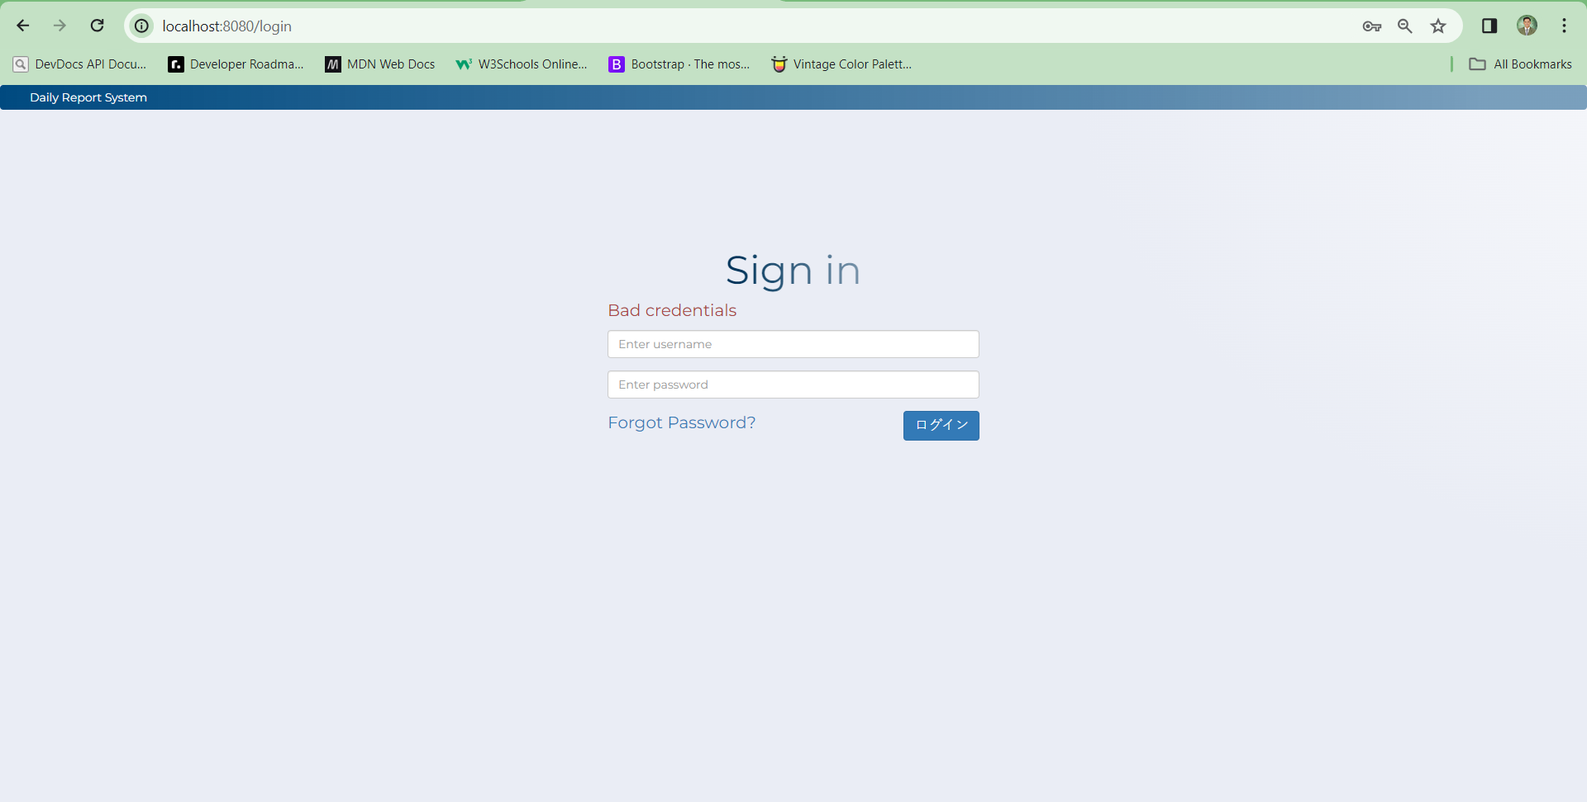

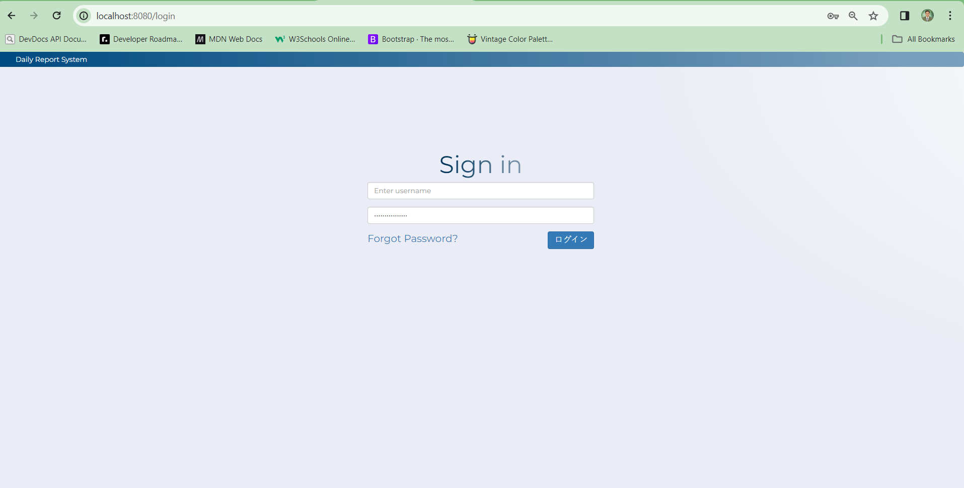

 | 3

4.Direct Link Prohibited
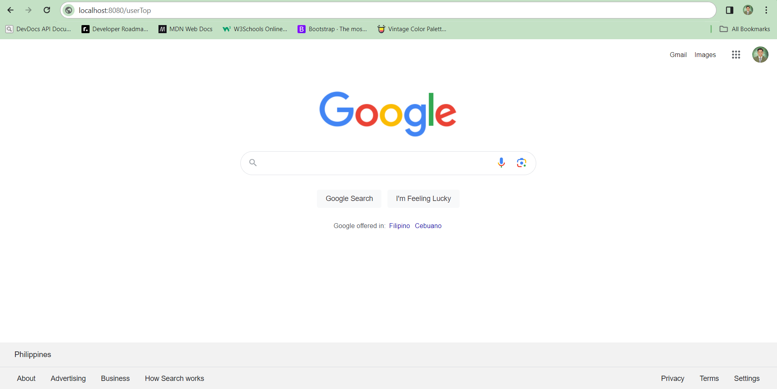
5 Direct link transition prohibition function
 |  | No | Area | Item Name | Check Item | What to check | Input value | Ouput screen | Evidence No | Test Indicator | Result | Date | Implementer
 |  | 1 | Address bar | URL | Direct link transition permission | Direct link allowed on the login screen | localhost:8080/login | Login screen | 4 | N | 〇 | 2024-05-02 | elmar
 |  | 2 | Address bar | URL | Direct link transition prohibited | Direct links are prohibited except for the login screen | localhost:8080/admin | Login screen | 5 | N | 〇 | 2024-05-02 | elmar
 |  | 3 | Address bar | URL | Direct link transition prohibited | Direct links are prohibited except for the login screen | localhost:8080/view/leader | Login screen | 6 | N | 〇 | 2024-05-02 | elmar
 |  | 4 | Address bar | URL | Direct link transition prohibited | Direct links are prohibited except for the login screen | localhost:8080/usertTop | Login screen | 7 | N | 〇 | 2024-05-02 | elmar

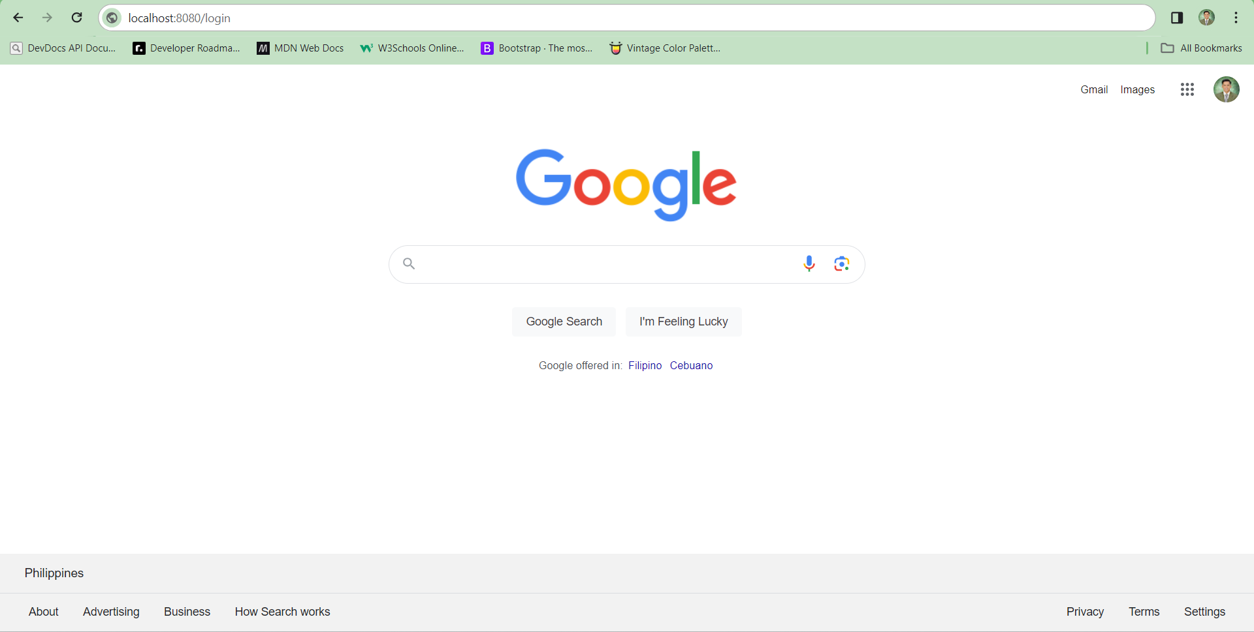
 | 4


 | 5
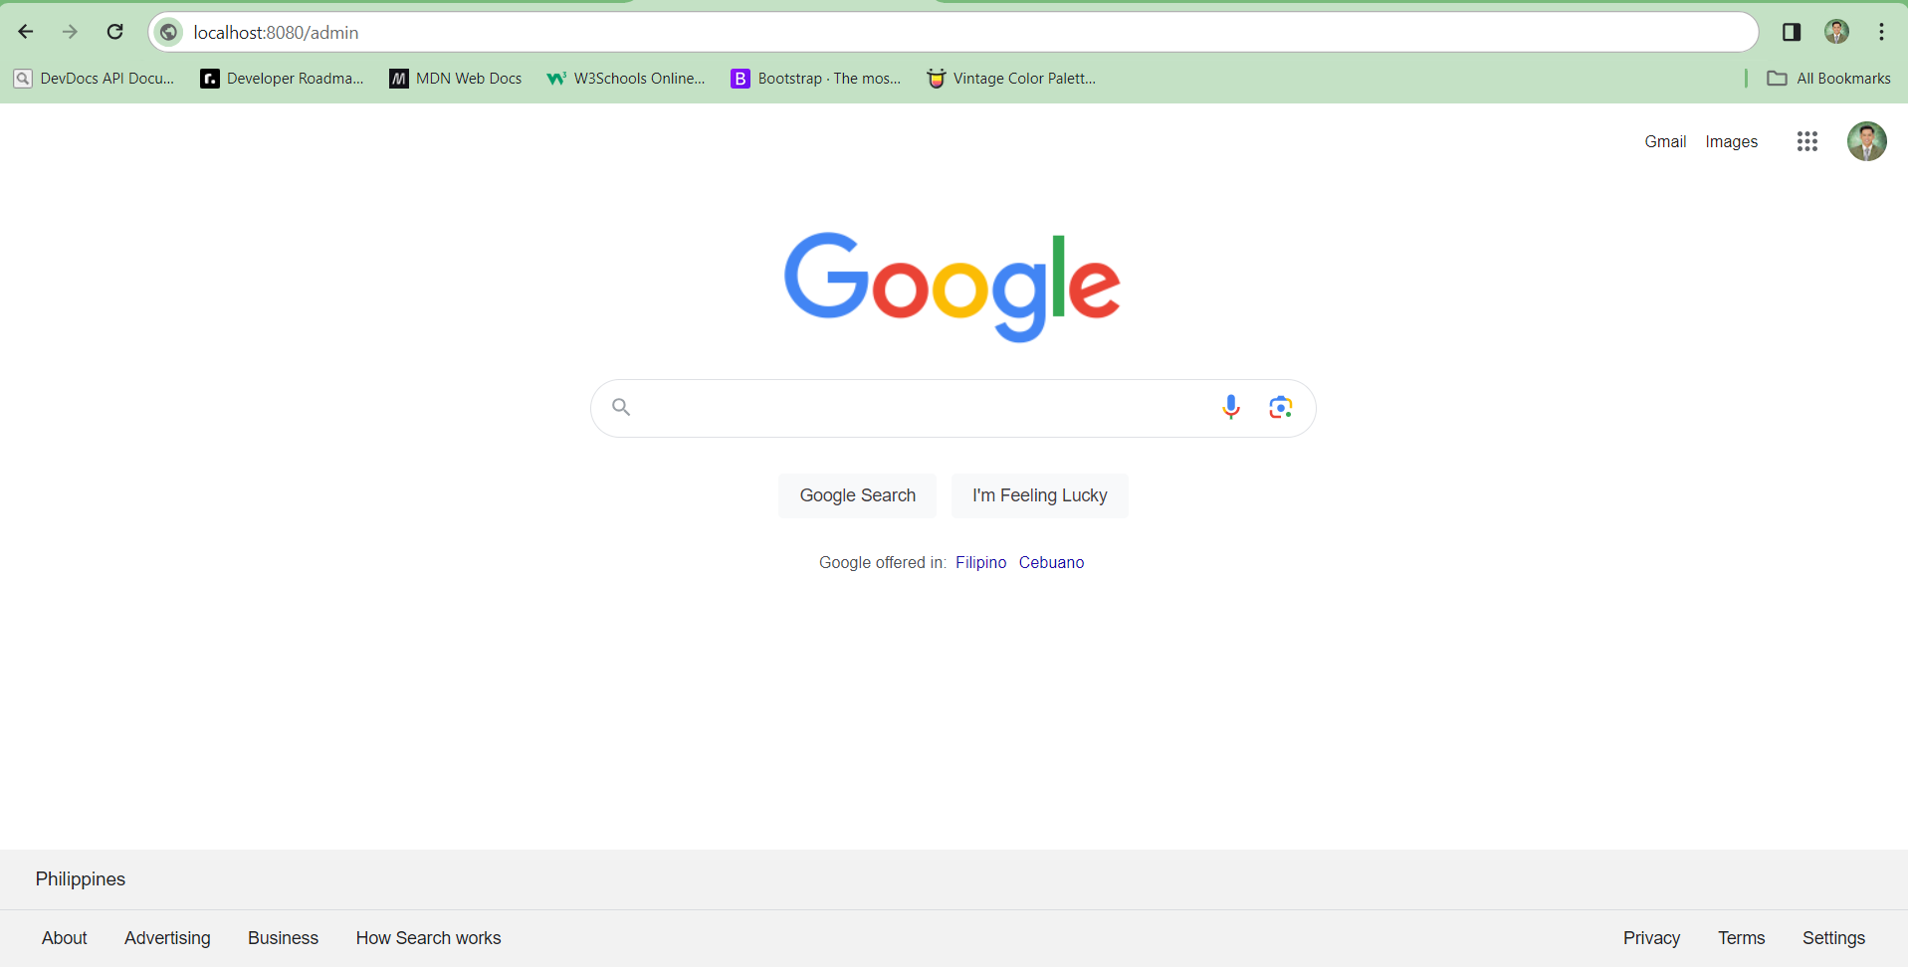

 | 6


 | 7

5. Logout Function
6 Logout function
 |  | No | Area | Item Name | Check Item | What to check | Input value | Ouput screen | Evidence No | Test Indicator | Result | Date | Implementer
 |  | 1 | Top screen | Logout button | Log out function | Transition to login screen | None | Login screen | 8 | N | 〇 | 2024-05-02 | elmar

 | 8 | User logout
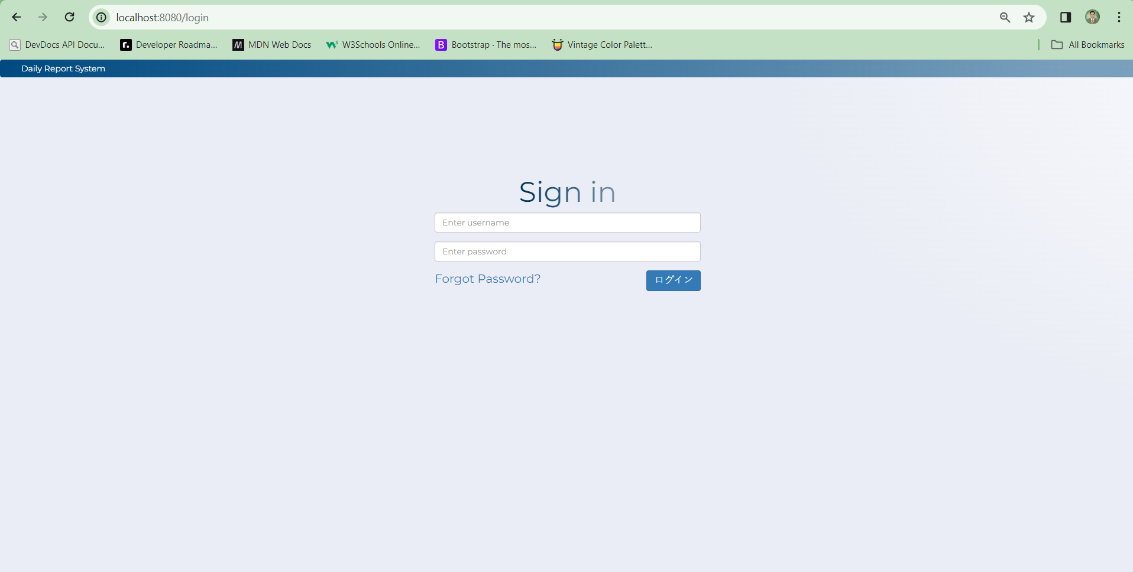

 |  | Leader logout

 |  | Admin logout

