1.1.InitDisplay(CreateReport)
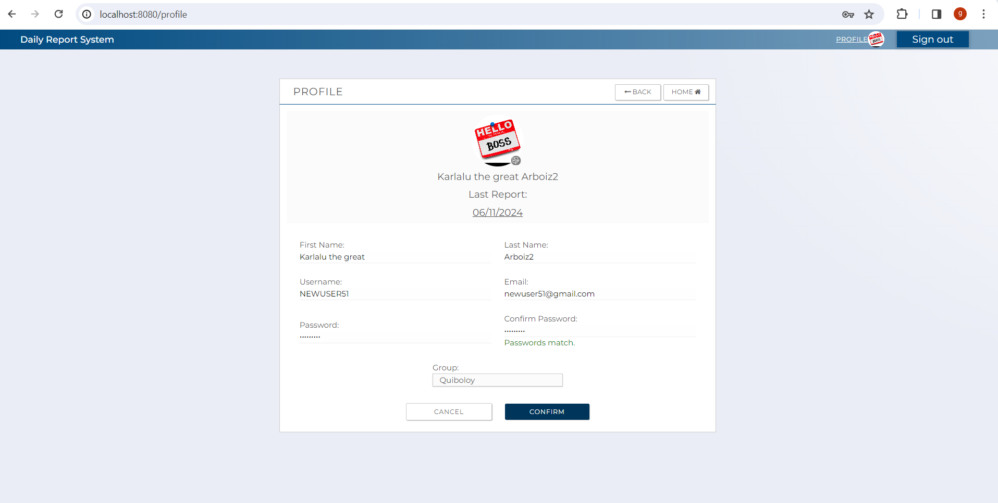
1. Initial display
 | 1.1UserProfile

C-1

C-5
C-6

A-7,B-1,C-2

B-6

A-2,B-3
A-3,B-4

A-1,B-2
A-4,B-5

A-5
A-6

C-4
C-3

 | [The following items are displayed on the screen items]

 | No | Area | Points to check | Remarks | Source table fields
 | 1 | A-1 | Username | Fill Out
 | 2 | A-2 | Fist Name | Fill Out
 | 3 | A-3 | Last Name | Fill Out
 | 4 | A-4 | Email | Fill Out
 | 5 | A-5 | Password | Hide a input
 | 6 | A-6 | Confirm Password | Hide a input
 | 7 | A-7 | Choose Image | Fill Out
 | 8 | B-1 | Display Picture | Display user profile picture | M_USER_INFORMATION.display_picture
 | 9 | B-2 | Username | Display username | M_USER_INFORMATION.username
 | 10 | B-3 | Fist Name | Display user's first name | M_USER_INFORMATION.first_name
 | 11 | B-4 | Last Name | Display user's last name | M_USER_INFORMATION.last_name
 | 12 | B-5 | Email | Display user's email | M_USER_INFORMATION.email
 | 13 | B-6 | Last Report | Display user's last report date | T_DAILY_REPORT.report_date
 | 14 | C-1 | Logout | Button | Logout from this web applicatoin.
 | 15 | C-2 | Display Picture | Button (Select new display picture) | Select new Display picture
 | 16 | C-3 | Confirm | Button | Move to Confimation Screen
 | 17 | C-4 | Cancel | Button | Move to user top screen
 | 18 | C-5 | Back | Button | Move to user top screen.
 | 19 | C-6 | Home | Button | Move to user top screen.

1.2.InitDisplay(Confirmation)
1. Initial display
 | 1.1UserProfileConfirmation

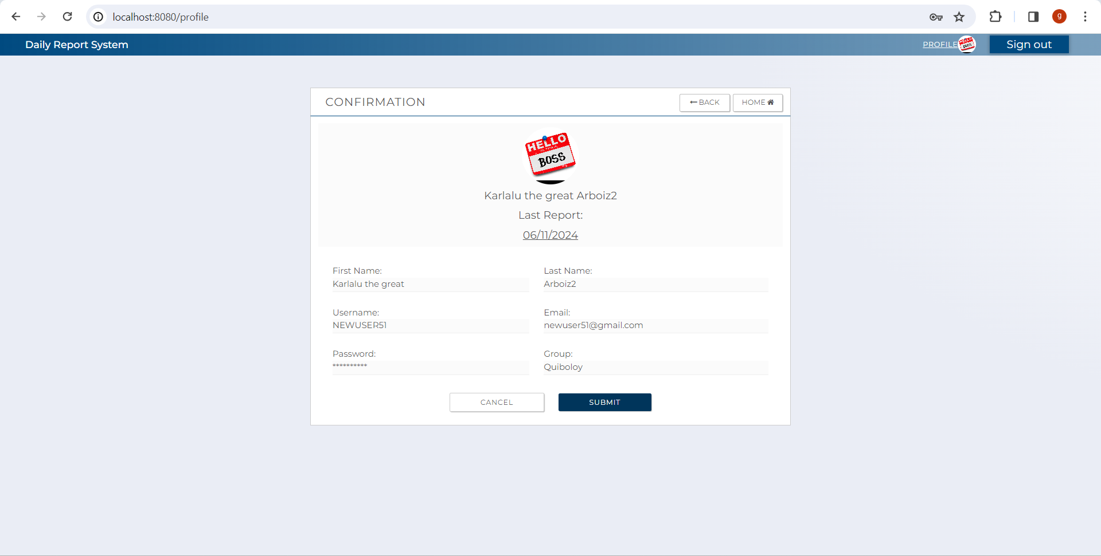
C-1

C-4
C-5

B-1

B-3
B-4

B-2
B-5

B-6

C-3
C-2

 | [The following items are displayed on the screen items]

 | No | Area | Points to check | Remarks | Source table fields
 | 1 | B-1 | Display Picture | Display user profile picture | Information is inherited from the previous screen
 | 2 | B-2 | Username | Display username | Information is inherited from the previous screen
 | 3 | B-3 | Fist Name | Display user's first name | Information is inherited from the previous screen
 | 4 | B-4 | Last Name | Display user's last name | Information is inherited from the previous screen
 | 5 | B-5 | Email | Display user's email | Information is inherited from the previous screen
 | 6 | B-6 | Password | Display user's new password | Information is inherited from the previous screen
 | 7 | C-1 | Logout | Button | Logout from this web applicatoin.
 | 9 | C-2 | Submit | Button | Move to userTop with success message.
 | 10 | C-3 | Cancel | Button | Move to user top screen
 | 11 | C-4 | Back | Button | Move to previous screen.
 | 12 | C-5 | Home | Button | Move to user top screen

