1.1.InitDisplay(CreateReport)
1. Initial display
 | 1.1 CreateReport

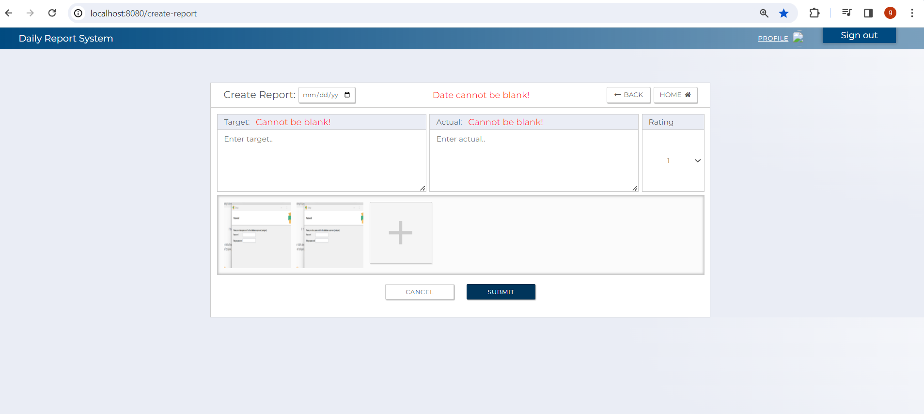

C-6
C-1

A-4
C-3
C-7
B-1

A-1
A-2
B-1
B-1
A-3

A-5,B-2
C-5

C-4
C-2

 | [The following items are displayed on the screen items]

 | No | Area | Points to check | Remarks | Source table fields
 | 1 | A-1 | Target | Fill Out
 | 2 | A-2 | Actual | Fill Out
 | 3 | A-3 | Rating | Fill Out (Select from 1-5)
 | 3 | A-4 | Date | Fill Out
 | 4 | A-5 | Images | Fill Out /upload image
 | 5 | B-1 | error message | Display error message when submit button is pressed
 | 6 | B-2 | preview image | Display Image when user uploads image/images
 | 5 | C-1 | Logout | Button | Logout from this web applicatoin.
 | 6 | C-2 | Confirm | Button | Move to confirmation screen
 | 7 | C-3 | Back | Button | Move back to previous screen
 | 8 | C-4 | Cancel | Button | Move to top screen
 | 9 | C-5 | Upload Image/Images | Button | Upload an image/images
 | 10 | C-6 | Profile | Button | Move to user Profile screen
 | 11 | C-7 | Home | Button | Move to userTop screen.

1.2.InitDisplay(Confirmation)
1. Initial display
 | 1.1 CreateReportConfirmation
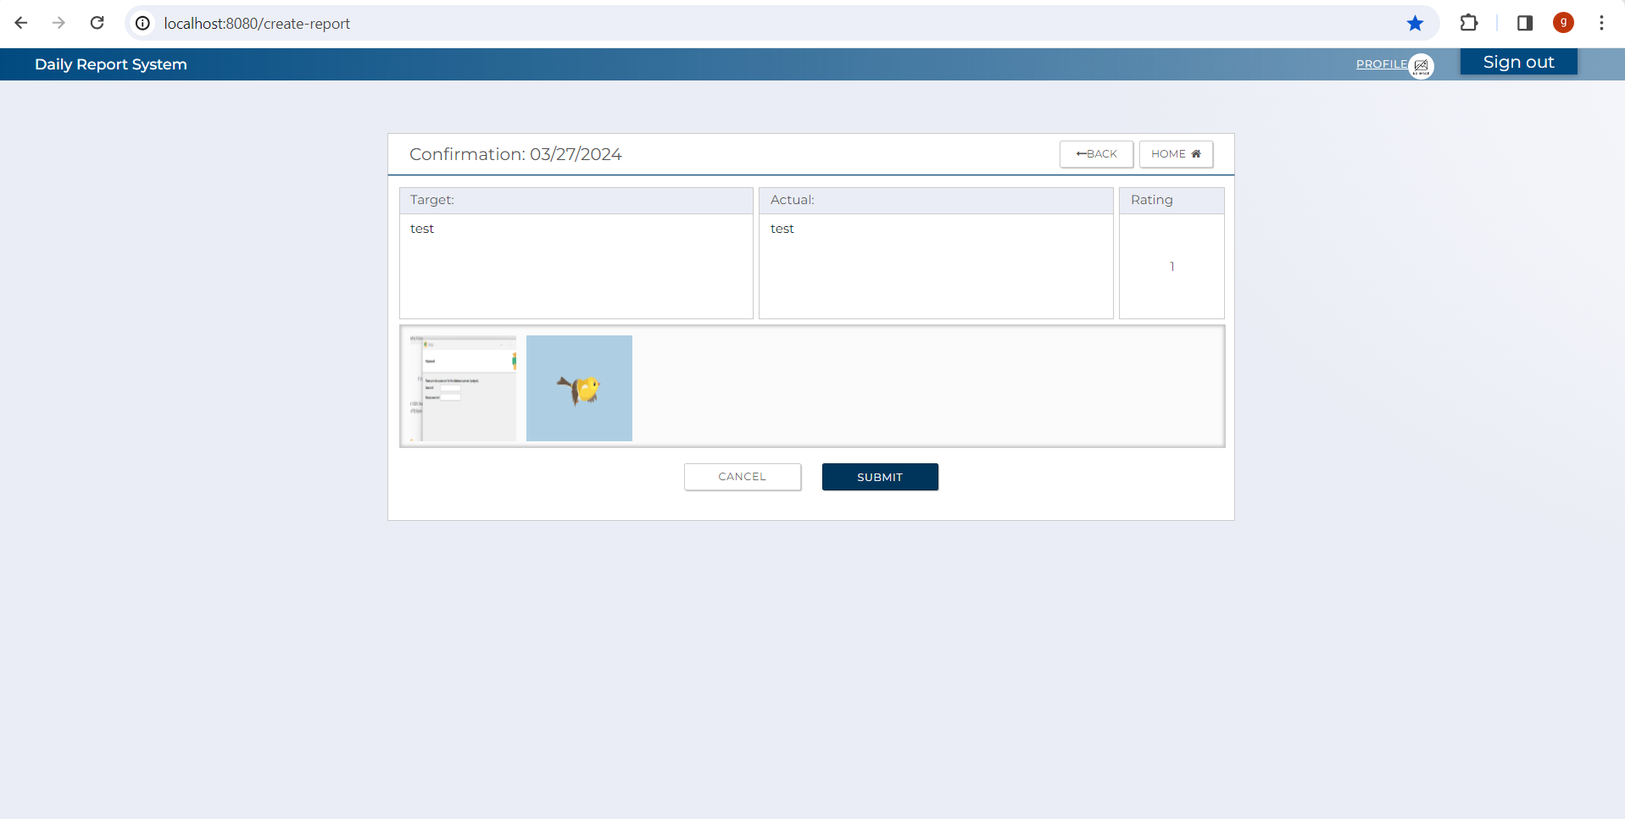
C-1
C-5

A-4
C-3
C-6

A-1
A-2
A-3

A-5,B1

C-4
C-2

 | [The following items are displayed on the screen items]

 | No | Area | Points to check | Remarks | Source table fields
 | 1 | A-1 | Target |  | From previous page
 | 2 | A-2 | Actual |  | From previous page
 | 3 | A-3 | Rating |  | From previous page
 | 3 | A-4 | Date |  | From previous page
 | 4 | A-5 | Images |  | From previous page
 | 6 | B-1 | preview image |  | From previous page
 | 5 | C-1 | Logout | Button | Logout from this web applicatoin.
 | 6 | C-2 | Submit | Button | Move to userTop after saving report
 | 7 | C-3 | Back | Button | Move back to previous screen
 | 8 | C-4 | Cancel | Button | Move to top screen
 | 9 | C-5 | Profile | Button | Move to profile screen
 | 10 | C-6 | Home | Button | Move to home screen

2.SQL
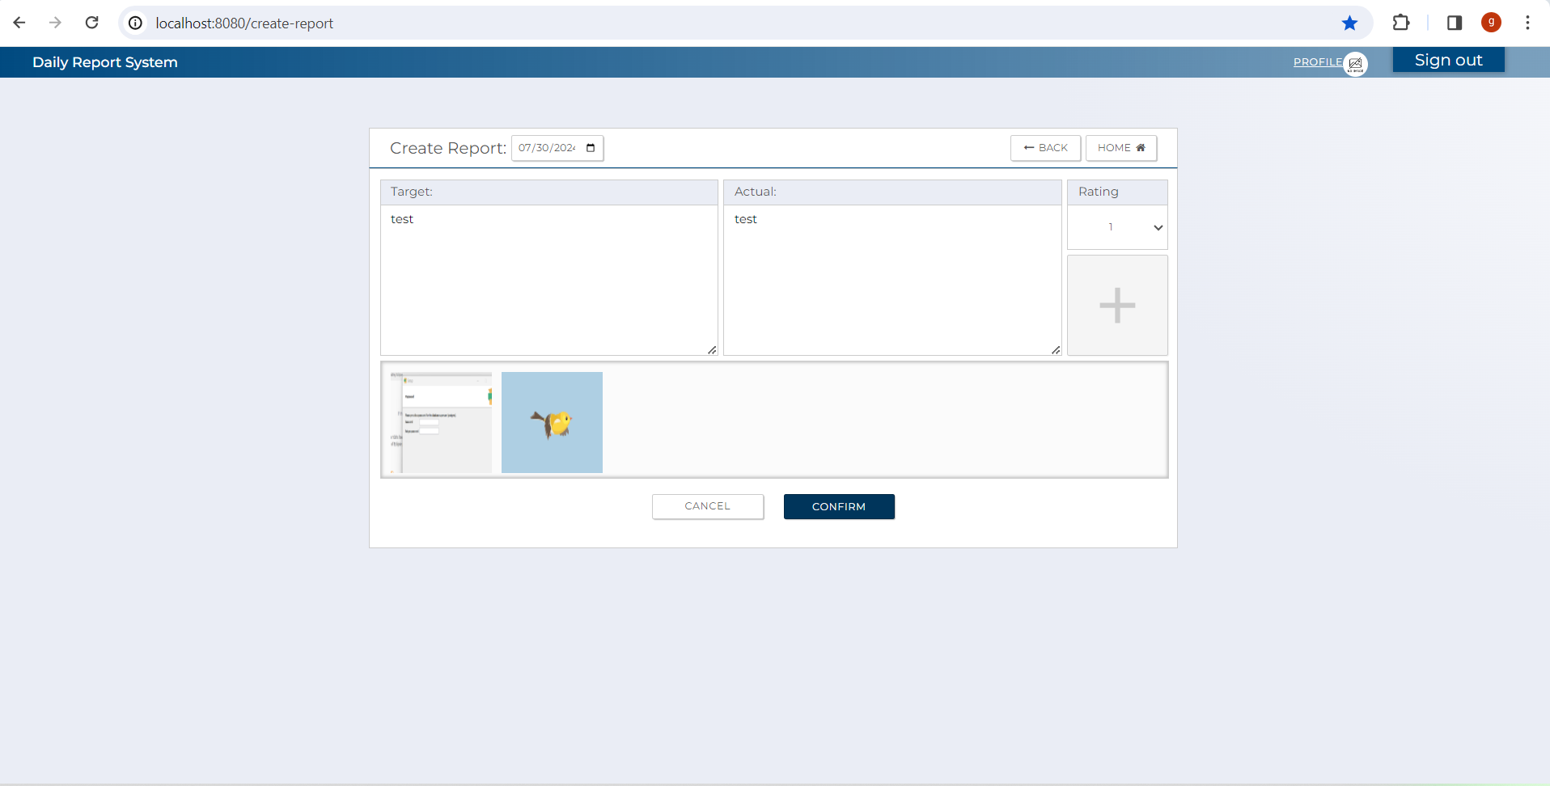
2.SQL (Create Report )
[Table value ]

 |  | T_DAILY_REPORT
 |  | id_pk | user_id_pk | report_date | target | status | reg_id | reg_date | update_id | update_date | delete_flg | test pattern | '-------------------------------- | →→→ | Evidence Nお | Test Indicator | Result | Date | Implementer
 |  | 246 | 77 | 20240110 | sample target task | 0 | USER | 1/10/24 | USER | 2024-01-10 09:04:14 | false |  |  |  | 1 | N | 〇 | 2024-02-08 | Glaze
 |  | 260 | 77 | 20240118 | zdrh | 0 | USER | 2024-01-18 10:14:37 | USER | 2024-01-18 10:14:37 | false |  |  |  | 2 | N | 〇 | 2024-02-08 | Glaze

 | 2.1. SQL for checking if daily report already exist

 | [Output value for counting user's daily report for a specific date ]

 |  | count
 |  | 1

 | [Output value for retrieving user's latest report from t_daily_report ]

 |  | id_pk | user_id_pk | report_date | target | status | reg_id | reg_date | update_id | id_pk | delete_flg
 |  | 260 | 77 | 20240118 | zdrh | 0 | USER | 2024-01-18 10:14:37 | USER | 2024-01-18 10:14:37 | false

 |  | - SQL for counting user's existing daily report from t_daily_report for a specific date to avoid creation of duplicate reports

 |  | SELECT COUNT(*)
 |  | FROM t_daily_report
 |  | WHERE user_id_pk = :user_id_pk
 |  | AND report_date = :report_date
 |  | AND delete_flg = false;
 |  | AND e.delete_flg = false

 |  | '- SQL for retrieveing latest daily Report from t_daily_report (used for saving attached images to t_eval_attached_file table )

 |  | SELECT e
 |  | FROM t_daily_report e
 |  | WHERE e.user_id_pk = :user_id_pk
 |  | AND e.id_pk = (SELECT MAX(d.id_pk) FROM t_daily_report d WHERE d.user_id_pk = :user_id_pk AND d.delete_flg = false)
 |  | AND e.delete_flg = false

 | [Evidence numbers and captured images]

 | 1 | Display when there is already an existing report for a specific date (count > 0)

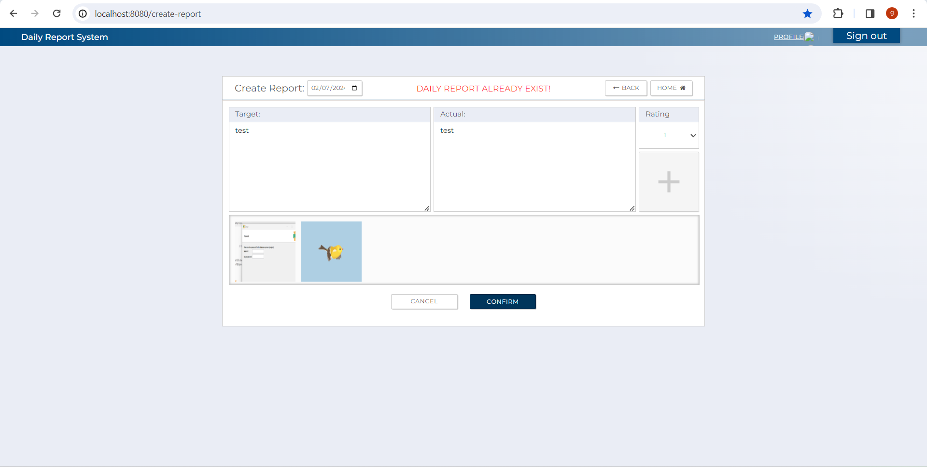

 |  | 2.Display when there is already an existing report for a specific date (count = 0)

3.Validation
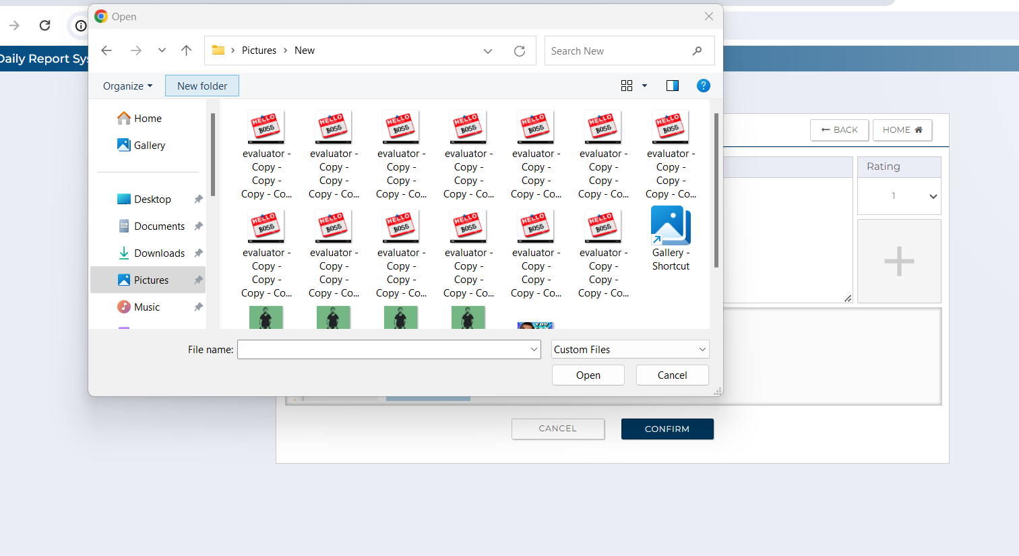
3.1.1 Validation screen items
 | 3.1.1.2 Input check (create report screen)
 |  |  |  |  |  |  |  |  | 1. The following items are displayed in the screen items

 |  | No | Area | Item Name | Check Items | What to check | Input Value | Output Message | Evidence No | Test Indicator | Result | Date | Implementer
 |  | 1 | A-1 | Target | Must | not blank | Any string that does not result in an error | None | 1 | N | 〇 | 2024-02-08 | Glaze
 |  | 2 |  |  |  | Blank | Leave empty and enter nothing | Cannot be blank! | 2 | E | 〇 | 2024-02-08 | Glaze
 |  | 3 | A-2 | Actual | Must | not blank | Any string that does not result in an error | None | 3 | N | 〇 | 2024-02-08 | Glaze
 |  | 4 |  |  |  | Blank | Leave empty and enter nothing | Cannot be blank! | 4 | E | 〇 | 2024-02-08 | Glaze
 |  | 5 | A-3 | Rating | Must | not blank | Any number from 1 to 5 | None | 5 | N | 〇 | 2024-02-08 | Glaze
 |  | 6 | A-4 | Date | Must | not blank | Any date that has no existing daily evaluation yet. | None | 6 | N | 〇 | 2024-02-08 | Glaze
 |  | 7 |  |  |  | Blank | Leave empty and enter nothing | Cannot be blank! | 7 | E | 〇 | 2024-02-08 | Glaze
 |  | 8 | A-5 | Images | File format | not blank | Any jpeg or png file that does not cause error. | None | 8 | I | 〇 | 2024-02-08 | Glaze
 |  | 9 |  |  |  | Blank | Leave empty and upload nothing | None | 9 | N | 〇 | 2024-02-08 | Glaze
 |  | 10 |  |  |  | Must be jpeg/png | Any jpeg or png file that does not cause error. | Invalid file format. Must be jpeg, jpg or png files. | 10 | E | 〇 | 2024-02-08 | Glaze

 |  | [Evidence numbers and captured images]

 |  |  | 1
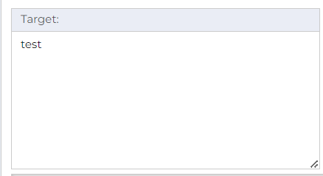

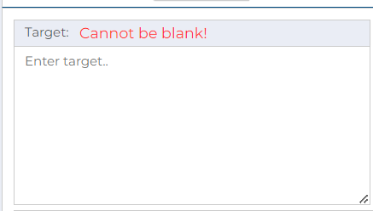
 |  |  | 2

 |  |  | 3


 |  |  | 4

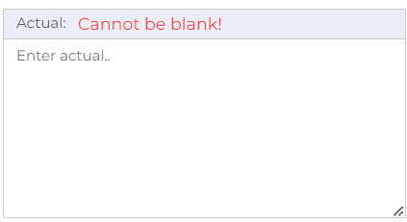

 |  |  |  | 5

 |  |  |  | 6

 |  |  |  | 7

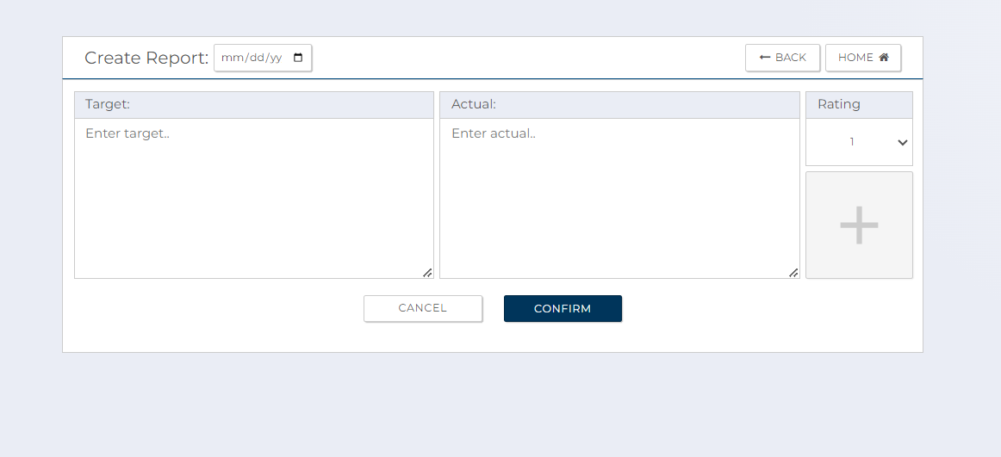
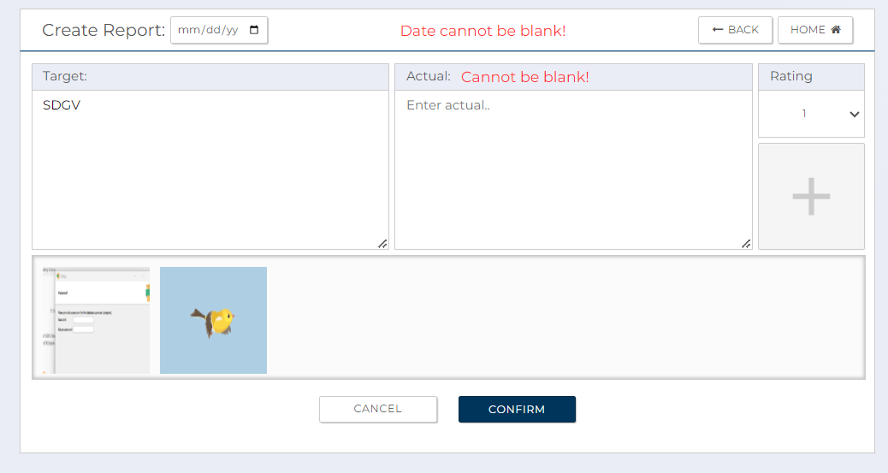
 |  |  | 8

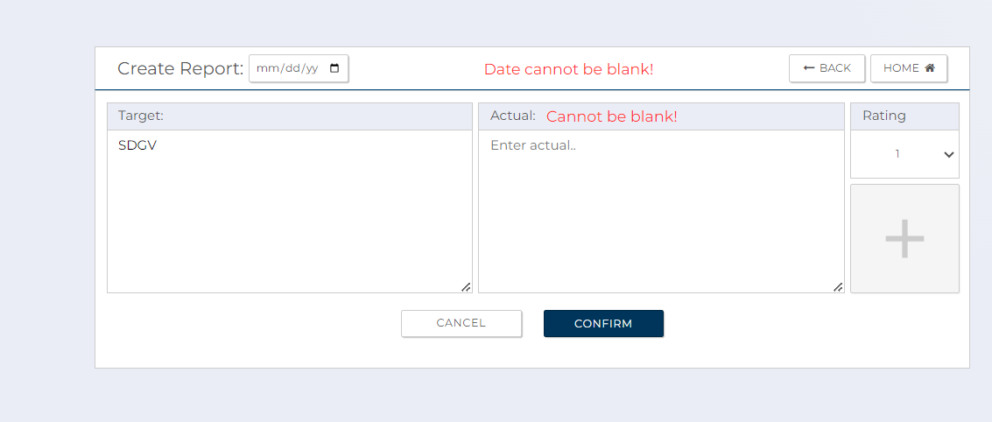
 |  |  | 9

 |  |  | 10
 |  |  |  | Error cant be displayed as HTML code already filters invalid file extension and only allows user to upload file format which are jpeg and png images

4.1.EachTransitionFunction
4.1 Create Report Screen

 |  |  |  |  |  |  | The following items are displayed in the screen items

 |  | No | Area | Item Name | Check Items | What to check | Evidence No | Test Indicator | Result | Date | Implementer
 |  | 1 | C-1 | Logout | Check if it successfully log out user from report system after clicking the button | Press the button to Logout and move to login screen. | 1 | N | 〇 | 2024-02-08 | Glaze
 |  | 2 | C-2 | Confirm | Check that submit button correctly routes to confirmation page | Press submit button to check if it move to confirmation screen. | 2 | N | 〇 | 2024-02-08 | Glaze
 |  | 3 | C-3 | Back | Check if the back button routes user to previous screen after clicking it. | Press the back button Button to check if correctly move to previous screen. | 3 | N | 〇 | 2024-02-08 | Glaze
 |  | 4 | C-4 | Cancel | Check if the cancel button routes user to top screen. | Press the cancel button to check if correctly move to userTop screen. | 4 | N | 〇 | 2024-02-08 | Glaze
 |  | 5 | C-5 | Profile | Check if the Profile button routes user to top screen. | Press the profile button to check if correctly move to user Profile screen. | 5 | N | 〇 | 2024-02-08 | Glaze
 |  | 6 | C-6 | Home | Check if the home button routes user to top screen. | Press the home button to check if correctly move to userTop screen. | 6 | N |  | 2024-02-08 | Glaze

[Evidence numbers and captured images]

 |  | 1

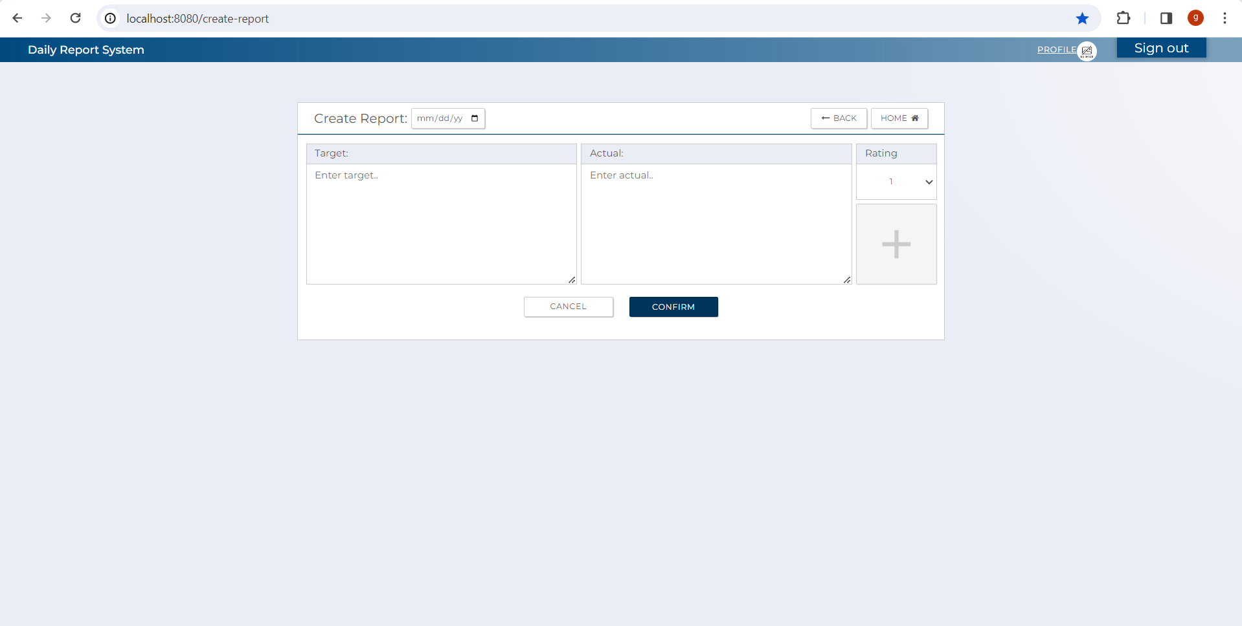
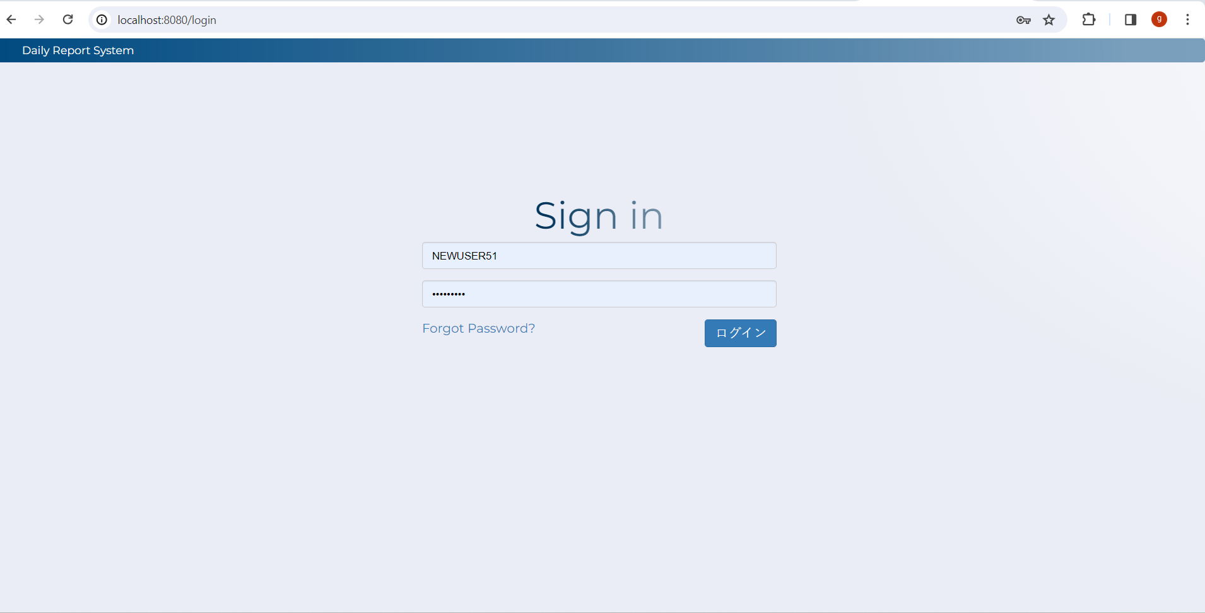

 |  | 2

 | 2

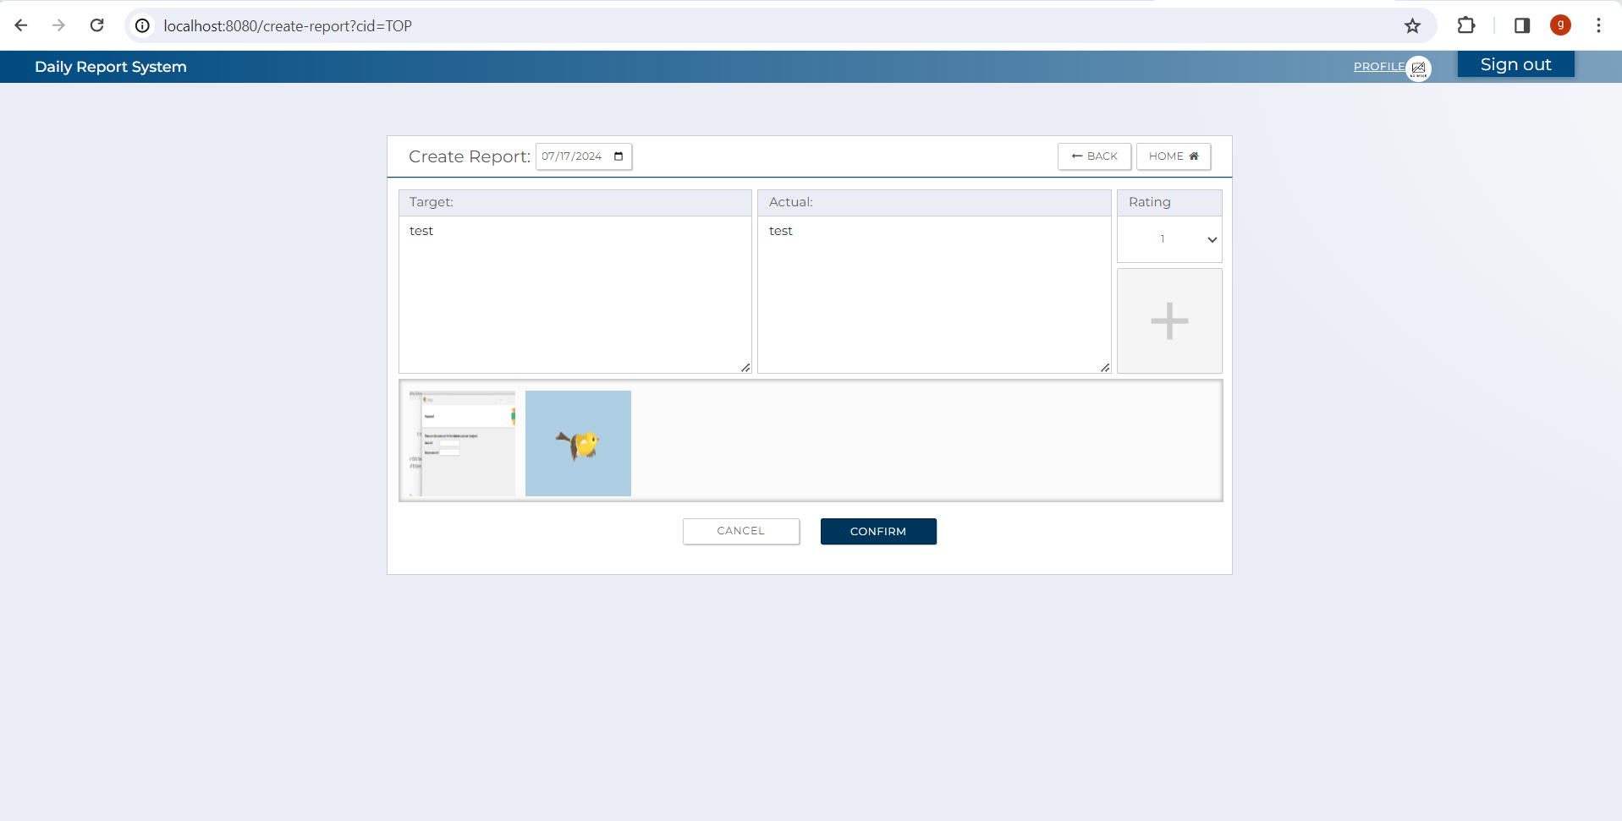


 |  | 3

 | 3

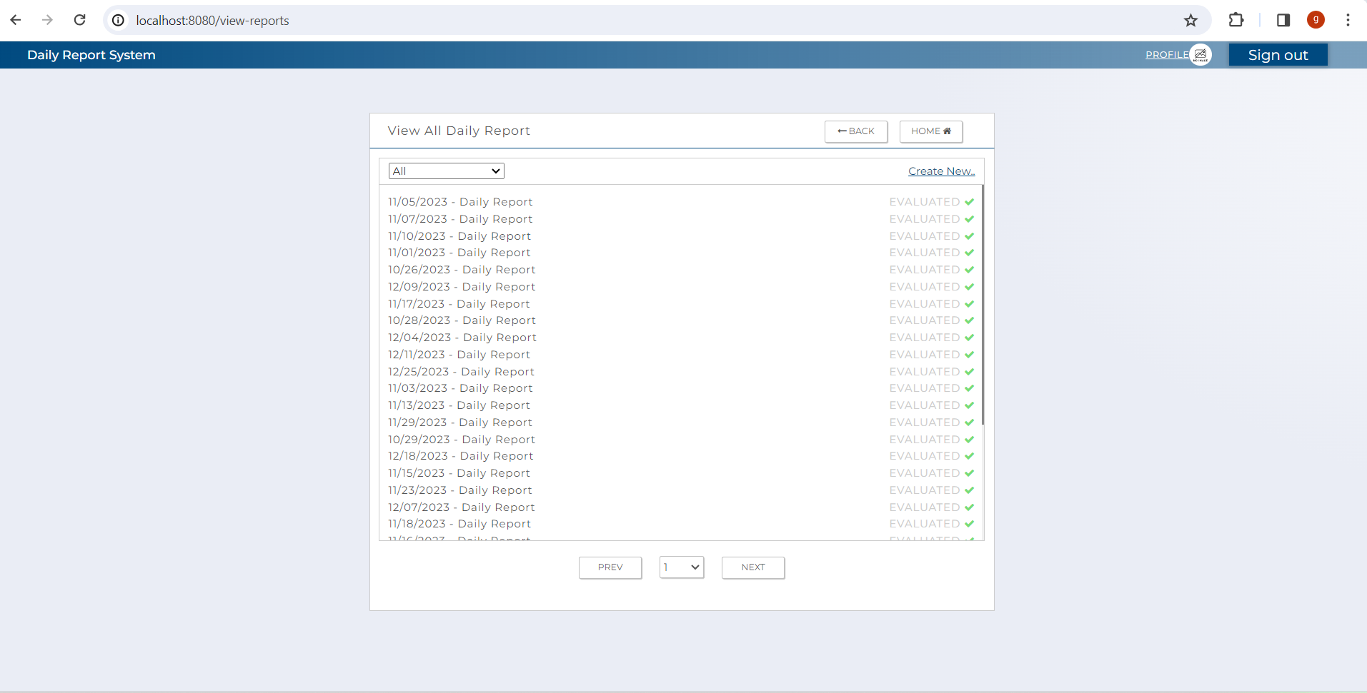

 |  | 4

 | 4

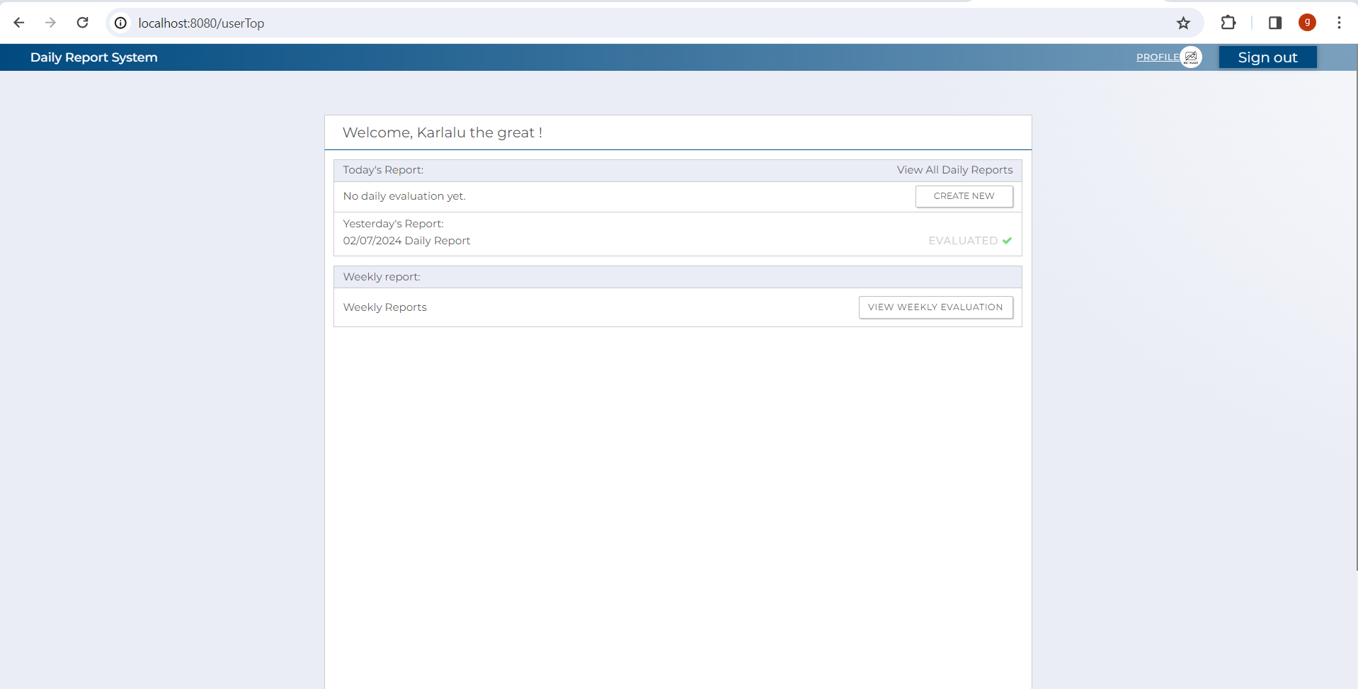

 |  | 5

 | 5

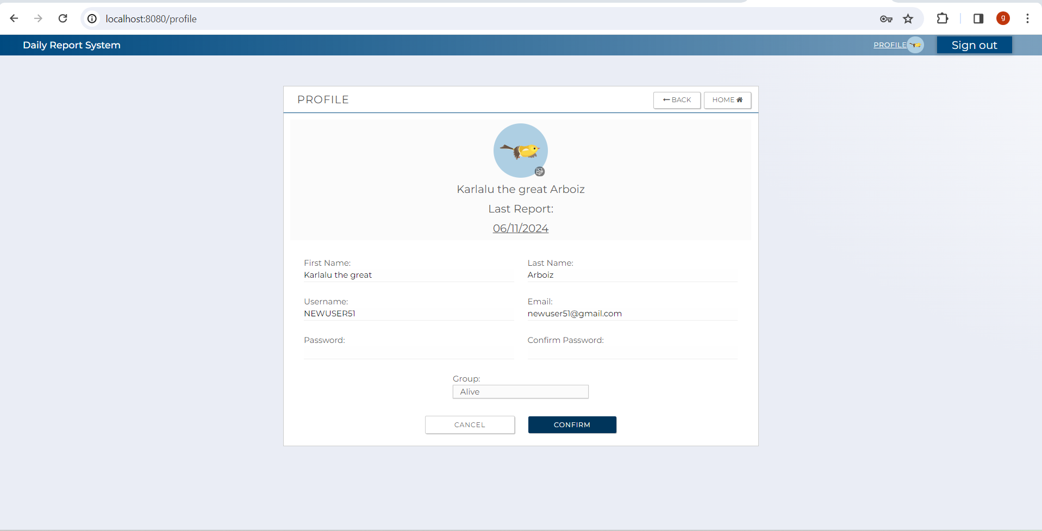

 |  | 6

 | 6

 |  | 7

 |  | 9

 |  | 10

4.2.EachTransitionFunction(Con)
4.1 Create Report Confirmation Screen

 |  |  |  |  |  |  | The following items are displayed in the screen items

 |  | No | Area | Item Name | Check Items | What to check | Evidence No | Test Indicator | Result | Date | Implementer
 |  | 1 | C-1 | SignOut | Check if it successfully log out user from report system after clicking the button | Press the button to Logout and move to login screen. | 1 | N
 |  | 2 | C-2 | Submit | Check that submit button correctly routes to confirmation page | Press submit button to check if it move touserTop screen and check if report is successfully saved. | 2 | N
 |  | 3 | C-3 | Back | Check if the back button routes user to previous screen after clicking it. | Press the back button Button to check if correctly move to previous screen. | 3 | N
 |  | 4 | C-4 | Cancel | Check if the cancel button routes user to top screen. | Press the cancel button to check if correctly move to userTop screen. | 4 | N
 |  | 5 | C-5 | Profile | Check if the profile button routes user to profile screen. | Press the profile button to check if correctly move to user profile screen. | 5 | N
 |  | 6 | C-6 | Home | Check if the home button routes user to top screen. | Press the homel button to check if correctly move to userTop screen. | 6 | N

[Evidence numbers and captured images]

 |  | 1

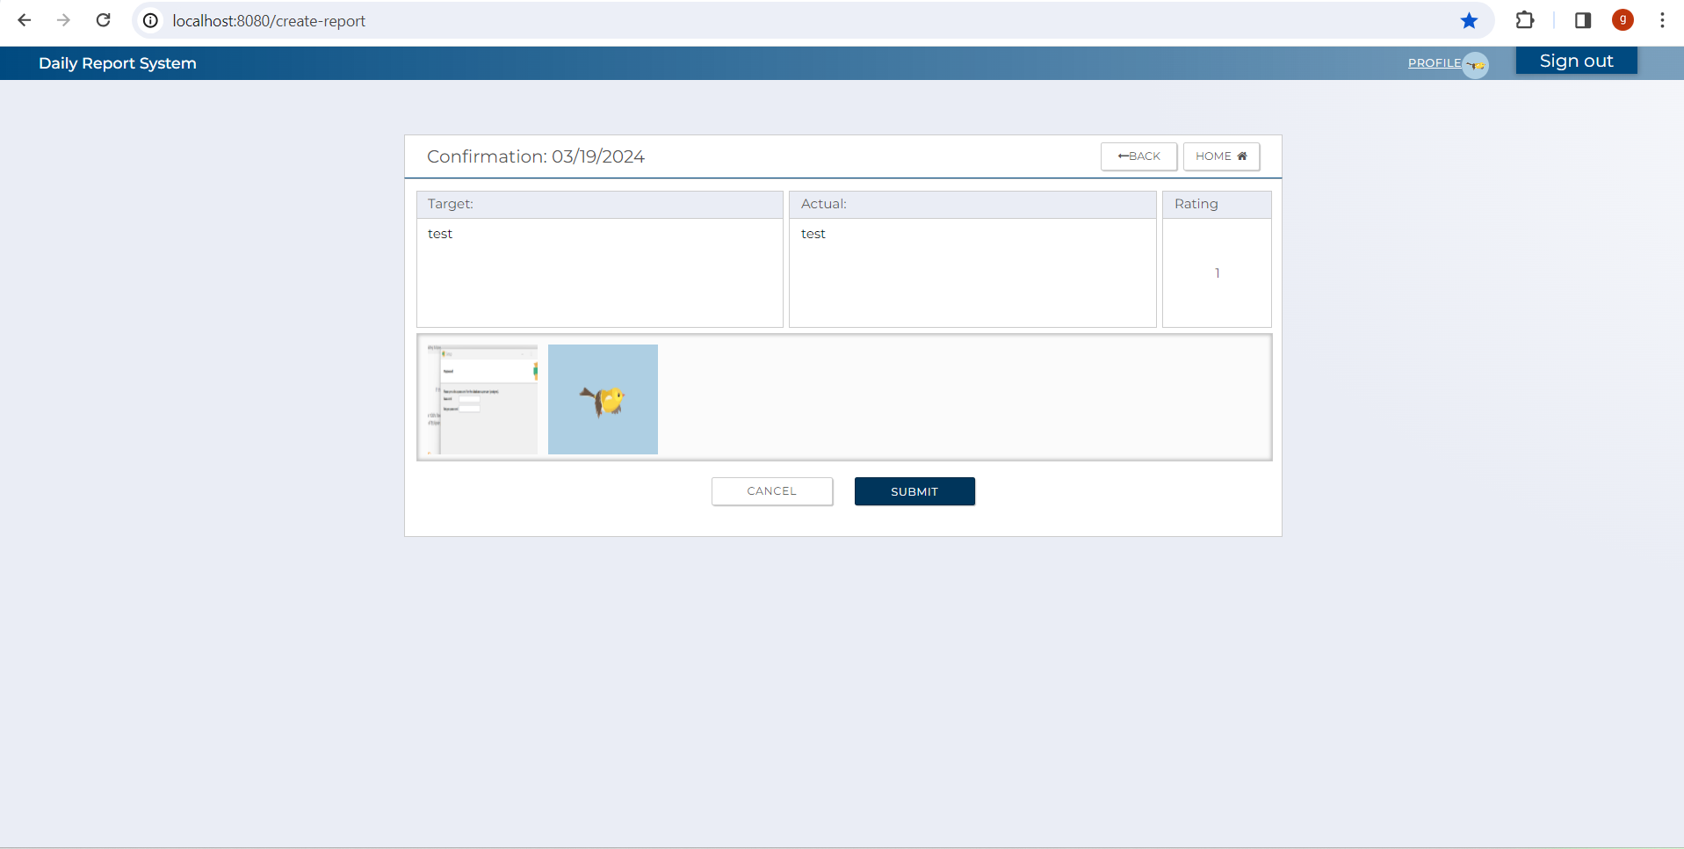
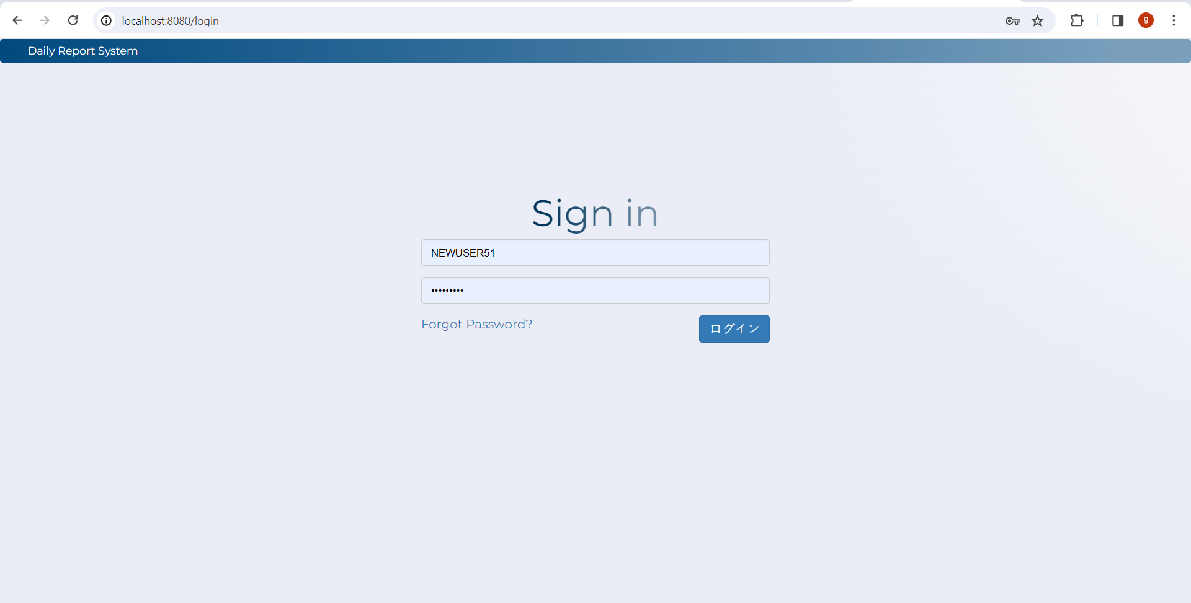

 |  | 2

 | 2

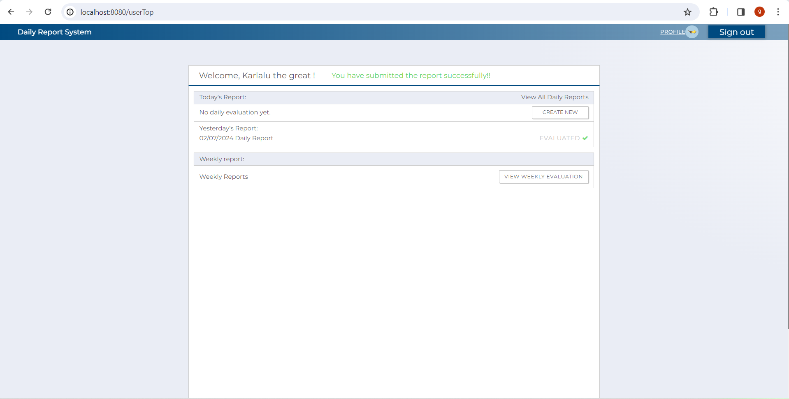

 |  | 3

 | 3

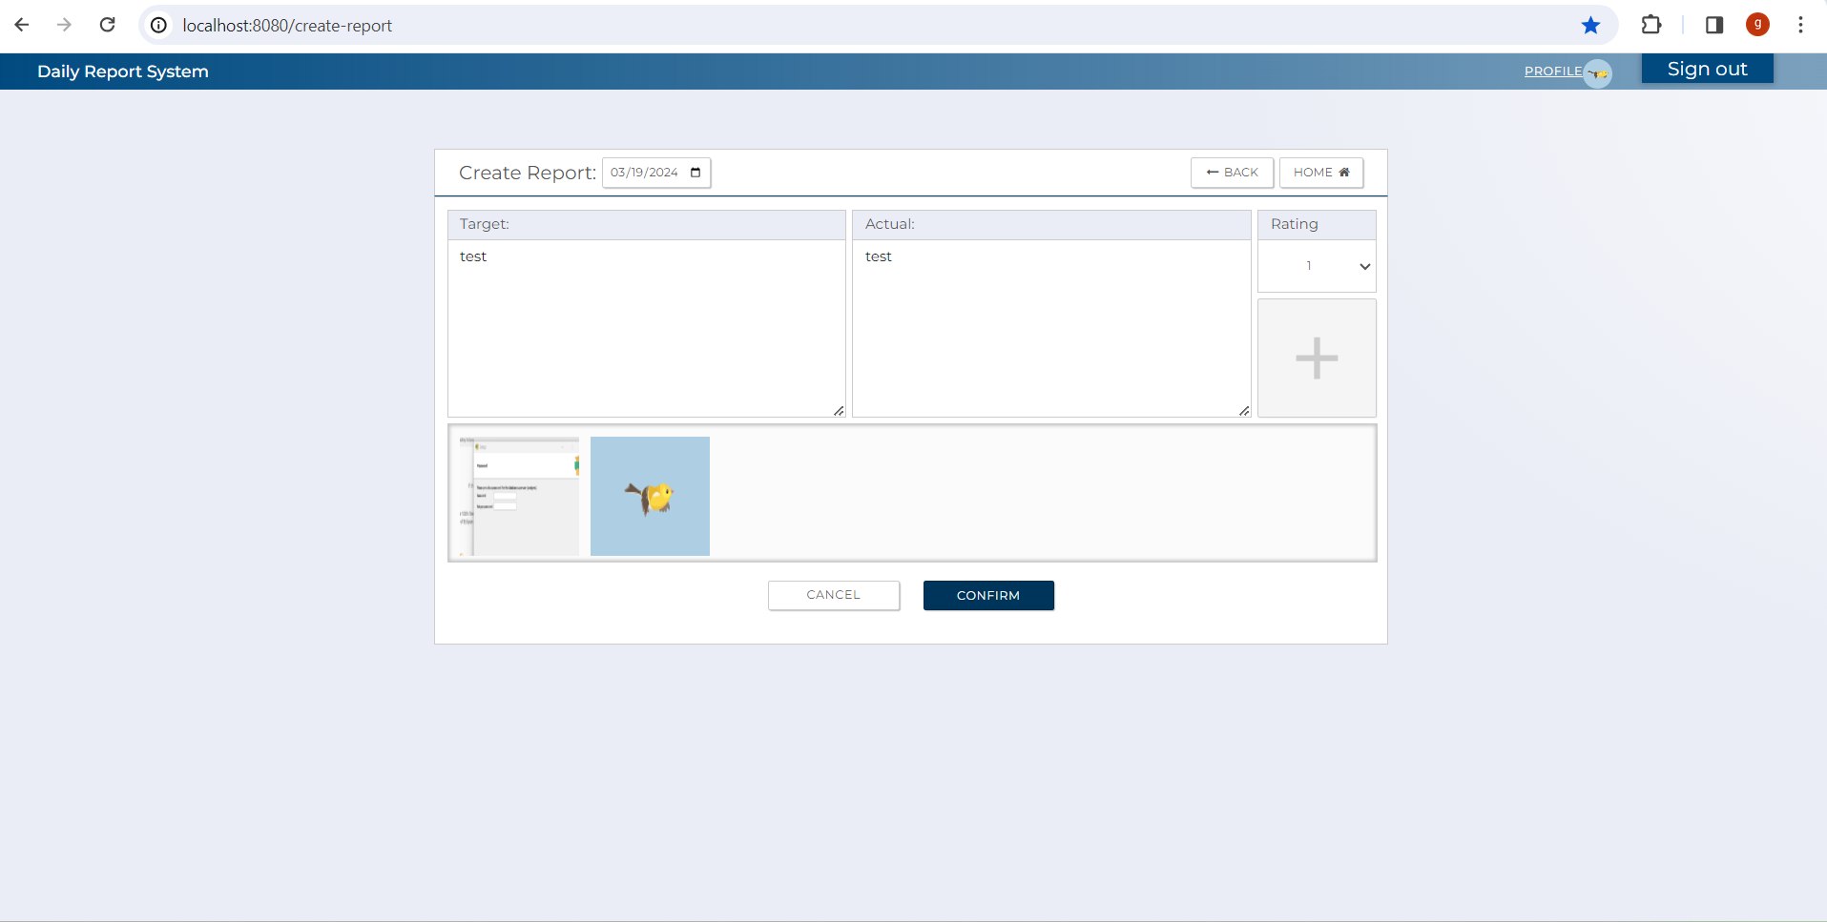

 |  | 4

 | 4

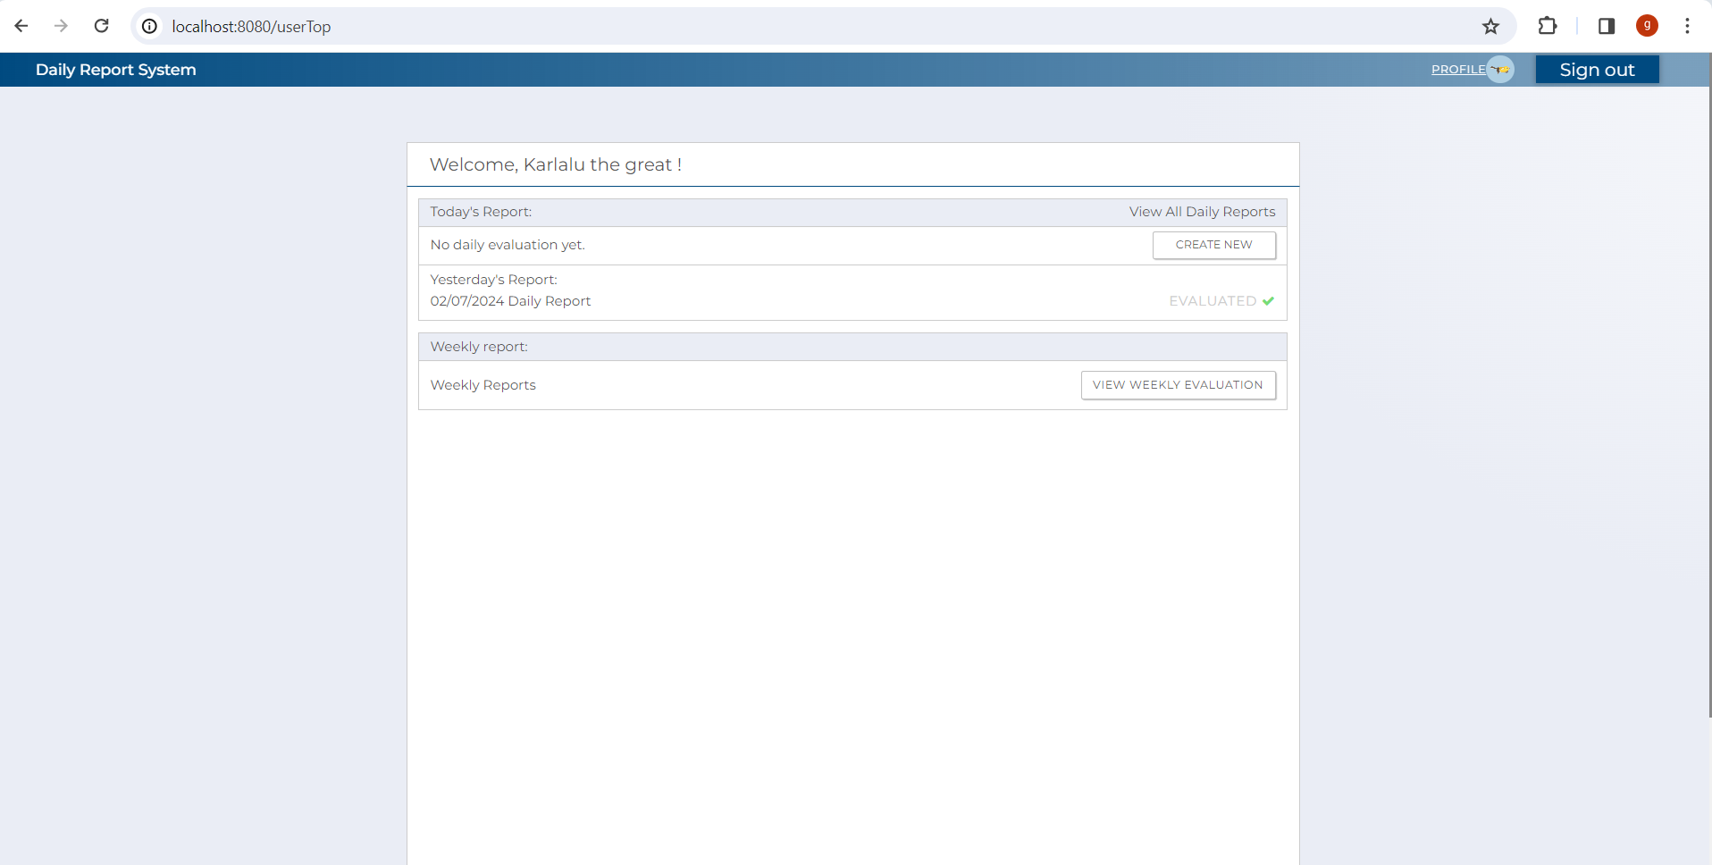

 |  | 5

 | 5

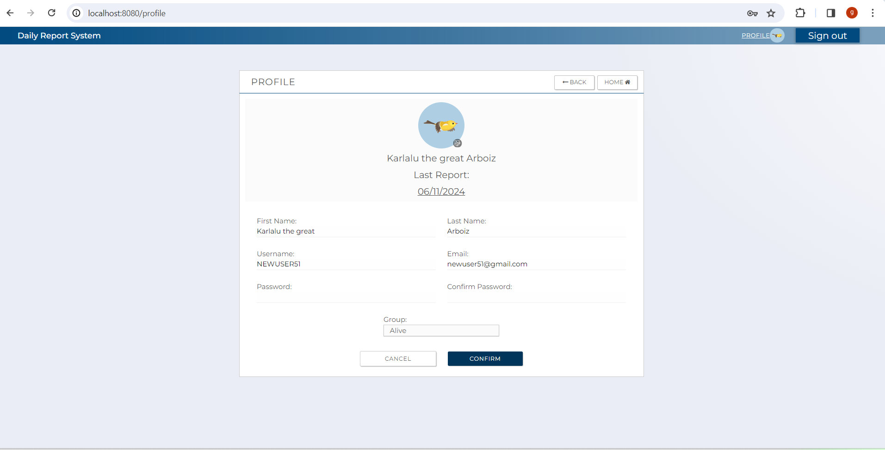

 |  | 6

 | 6

 |  | 7

 |  | 8

 |  | 9

 |  | 10

5.1.Controller
(1) C0 Coverage
 | Test Files |  | Main file
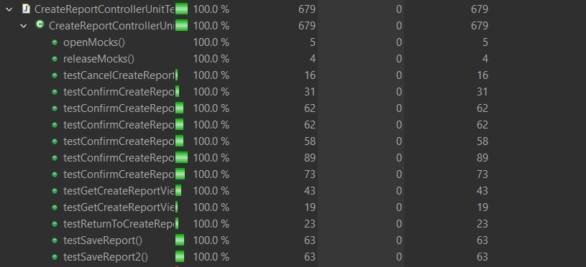

# CreateReportController.java、CreateReportControllerUnitTest.java

 | (2)C01
 | Test cases | Criteria | Result | Test Indicator | Result | Date | Implementer
 | testGetCreateReportViewGet1() | when sessionImages is not null and not empty | Successful Completion | N
 | testGetCreateReportViewGet2() | when sessionImages is null | Successful Completion | N
 | testGetCreateReportViewGet2() | when sessionImages is empty | Successful Completion | N
 | testConfirmCreateReportPost1() | when bindingResult.hasErrors() is true | Successful Completion | N
 | testConfirmCreateReportPost2() | when bindingResult.hasErrors() is false and createReportService.countDailyReport(inDto) is true and createReportService.encodeImgFiles(inDto1).getErrMsgForFile() is not null | Successful Completion | N
 | testConfirmCreateReportPost3() | when bindingResult.hasErrors() is false and createReportService.countDailyReport(inDto) is true and createReportService.encodeImgFiles(inDto1).getErrMsgForFile() is null | Successful Completion | N
 | testConfirmCreateReportPost4() | when bindingResult.hasErrors() is false and createReportService.countDailyReport(inDto) is false and createReportService.encodeImgFiles(inDto1).getErrMsgForFile() is not null | Successful Completion | N
 | testConfirmCreateReportPost5() | when bindingResult.hasErrors() is false and createReportService.countDailyReport(inDto) is false and createReportService.encodeImgFiles(inDto1).getErrMsgForFile() null reportWebDto.getDeletedImages() is not null and and not empty andsessionImages is not null and sessionImages is not empty()
 | testConfirmCreateReportPost6() | when bindingResult.hasErrors() is false and createReportService.countDailyReport(inDto) is false and createReportService.encodeImgFiles(inDto1).getErrMsgForFile() null reportWebDto.getDeletedImages() is null and sessionImages is null | Successful Completion | N
 | testSaveReport1() | CommonConstant.RETURN_CD_NOMAL is not equal to outDto.getReturnCd() | Successful Completion | N
 | testSaveReport2() | CommonConstant.RETURN_CD_NOMAL is equal to outDto.getReturnCd() | Successful Completion | N
 | testCancelCreateReport | Nothing in particular | Successful Completion | N

5.2.Service
(1) C0 Coverage
 | Test Files |  |  | Main file

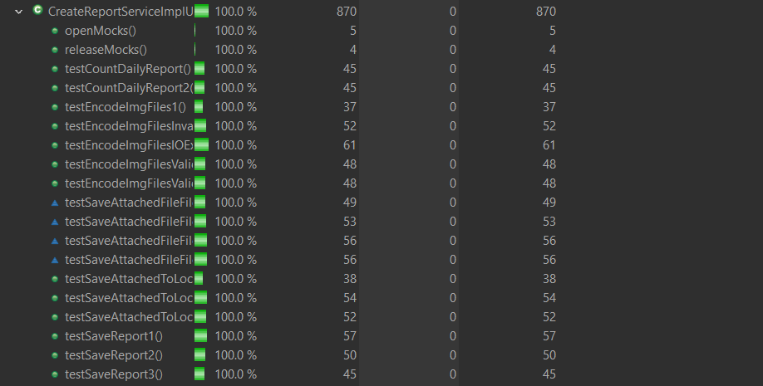

#createReportServiceImpl.java、CreateReportServiceImplUnitTest.java

 | (2)C01
 | Test cases | Criteria | Result |  | Test Indicator | Result | Date | Implementer
 | testSaveReport1() | when count is equal to 1 | Successful Completion |  | N | 〇 | 374047 | Glaze
 | testSaveReport2() | when count is equal to zero and entity is not null | Successful Completion |  | N | 〇 | 374047 | Glaze
 | testSaveReport3() | when count is equal to zero and entity is null | Successful Completion |  | N | 〇 | 374047 | Glaze
 | testEncodeImgFiles1() | when inDto.getImages() is not empty and files is not empty and file is empty | Successful Completion |  | N | 〇 | 374047 | Glaze
 | testEncodeImgFilesValidFile1() | when inDto.getImages() is not empty and file is not empty and file is valid jpeg | Successful Completion |  | N | 〇 | 374047 | Glaze
 | testEncodeImgFilesValidFile2() | when inDto.getImages() is not empty and file is not empty and file is valid png | Successful Completion |  | N | 〇 | 374047 | Glaze
 | testEncodeImgFilesInvalidFile() | when inDto.getImages() is not empty and file is not empty and file is invalid (pdf) | Successful Completion |  | N | 〇 | 374047 | Glaze
 | testEncodeImgFilesIOException() | when inDto.getImages() is not empty and file is not empty and there is IOException | Successful Completion |  | N | 〇 | 374047 | Glaze
 | testCountDailyReport() | nothing in particular | Successful Completion |  | N | 〇 | 374047 | Glaze
 | testSaveAttachedToLocalDiretory1() | when userDirectory.exists() is true and inDto.getEncodedString() is null | Successful Completion |  | I | 〇 | 374048 | Glaze
 | testSaveAttachedToLocalDiretory2() | when userDirectory.exists() is false and inDto.getEncodedString() is not null and imagePath exist and there is no IOexception | Successful Completion |  | I | 〇 | 374048 | Glaze
 | testSaveAttachedToLocalDiretory3() | when userDirectory.exists() is false and inDto.getEncodedString() is not empty and imagePath exist and there is IOexception. | Successful Completion |  | I | 〇 | 374048 | Glaze
 | testSaveAttachedToLocalDiretory5() | when userDirectory.exists() is false and inDto.getEncodedString() is empty | Successful Completion |  | I | 〇 | 374048 | Glaze
 | testSaveAttachedFileFilePathsToDatabase1() | when inDto.getFilePaths() is empty | Successful Completion |  | I | 〇 | 374048 | Glaze
 | testSaveAttachedFileFilePathsToDatabase2() | when inDto.getFilePaths() is not empty and inDto.isForCreateReport() is equal to true and inDto.isForEditReport() is equal to true and inDto.isForEvaluation() is equal to true | Successful Completion |  | I | 〇 | 374048 | Glaze
 | testSaveAttachedFileFilePathsToDatabase3() | when inDto.getFilePaths() is not empty and inDto.isForCreateReport() is equal to false and inDto.isForEditReport() is equal to false and inDto.isForEvaluation() is equal to false | Successful Completion |  | I | 〇 | 374048 | Glaze

