1.1.InitDisplay(CreateReport)
1. Initial display
 | 1.1 DisplayReports

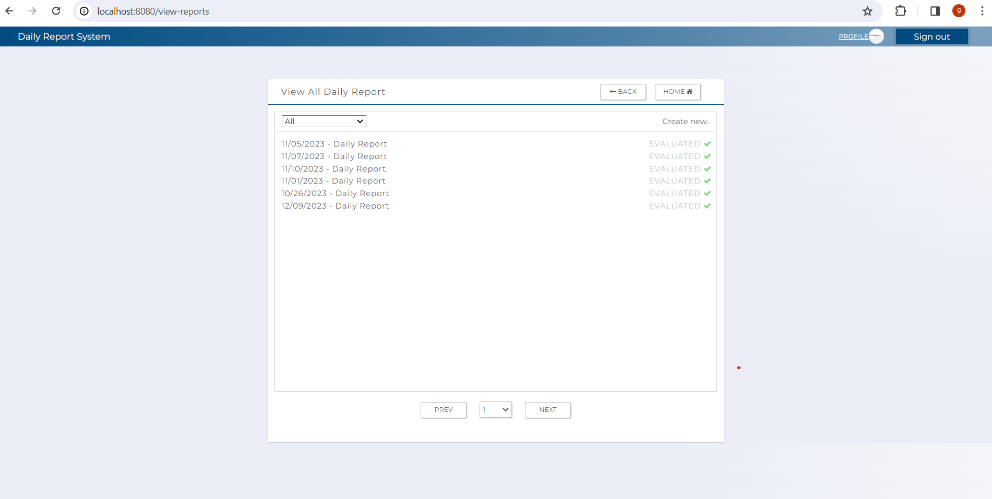

C-2
C-1

C-7
C-8

C-4

B-1,C-3

C-5
C-6

 | [The following items are displayed on the screen items]

 | No | Area | Points to check | Remarks | Source table fields
 | 1 | B-1 | Daily Evaluation List | Display list of user's daily evaluations | T_DAILY_REPORT.report_date
 | 2 | C-1 | Logout | Button | Logout from this web applicatoin.
 | 3 | C-2 | Profile | Button | Move to user's profile screen
 | 4 | C-3 | Daily Evaluation | Hyperlink | Move to view daily evaluation screen
 | 5 | C-4 | Create Evaluation | Button | Move to create report screen
 | 6 | C-5 | Previous | Buton | Move back to previous page of the repost list
 | 7 | C-6 | Next page | Button | Move to next page of the repost list
 | 8 | C-7 | Back | Button | Move back to previous screen
 | 9 | C-8 | Home | Button | Move back to top page

2.SQL
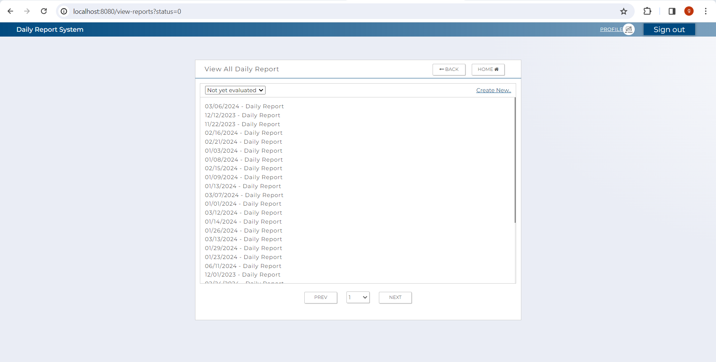
2.SQL (Display Reports )
[Table value ]

 |  | T_DAILY_REPORT
 |  | id_pk | user_id_pk | report_date | target | status | reg_id | reg_date | update_id | update_date | delete_flg | test pattern | '-------------------------------- | →→→ | Evidence Nお | Test Indicator | Result | Date | Implementer
 |  | 246 | 77 | 20240110 | sample target task | 0 | USER | 1/10/24 | USER | 2024-01-10 09:04:14 | false |  |  |  | 1 | N | 〇 | 2024-02-12 | Glaze
 |  | 260 | 77 | 20240118 | zdrh | 1 | USER | 2024-01-18 10:14:37 | USER | 2024-01-18 10:14:37 | false |  |  |  | 2 | N | 〇 | 2024-02-12 | Glaze
 |  |  |  |  |  |  |  |  |  |  |  |  |  |  | 3 | N | 〇 | 2024-02-12 | Glaze
 | 2.1. SQL for retrieving all user's daily reporst .

 | [Output value for retrieving all user's exising reports]
 |  | id_pk | user_id_pk | report_date | target | status | reg_id | reg_date | update_id | update_date | delete_flg
 |  | 246 | 77 | 20240110 | sample target task | 0 | USER | 1/10/24 | USER | 2024-01-10 09:04:14 | false
 |  | 260 | 77 | 20240118 | zdrh | 1 | USER | 2024-01-18 10:14:37 | USER | 2024-01-18 10:14:37 | false

 | [Output value for retrieving all user's daily report with status 1 ]
 |  | id_pk | user_id_pk | report_date | target | status | reg_id | reg_date | update_id | update_date | delete_flg
 |  | 260 | 77 | 20240118 | zdrh | 1 | USER | 2024-01-18 10:14:37 | USER | 2024-01-18 10:14:37 | false

 | [Output value for retrieving all user's daily report with status 0 ]
 |  | id_pk | user_id_pk | report_date | target | status | reg_id | reg_date | update_id | update_date | delete_flg
 |  | 246 | 77 | 20240110 | sample target task | 0 | USER | 1/10/24 | USER | 2024-01-10 09:04:14 | false

 |  | - SQL for retrieving list of user's daily report from t_daily_report .

 |  | SELECT e
 |  | FROM t_daily_report e
 |  | WHERE e.user_id_pk = :userIdPk
 |  | AND e.delete_flg = false;

 |  | - SQL for retrieving list of user's daily report with status 1 from t_daily_report .

 |  | SELECT e
 |  | FROM t_daily_report e
 |  | WHERE e.status = '1'
 |  | AND e.user_id_pk = :user_id_pk
 |  | AND e.delete_flg = false;

 |  | - SQL for retrieving list of user's daily report with status 0 from t_daily_report .

 |  | SELECT e
 |  | FROM t_daily_report e
 |  | WHERE e.status = '0'
 |  | AND e.user_id_pk = :user_id_pk
 |  | AND e.delete_flg = false;

 | [Evidence numbers and captured images]

 | 1 | Display whenuser have existing daily evaluations

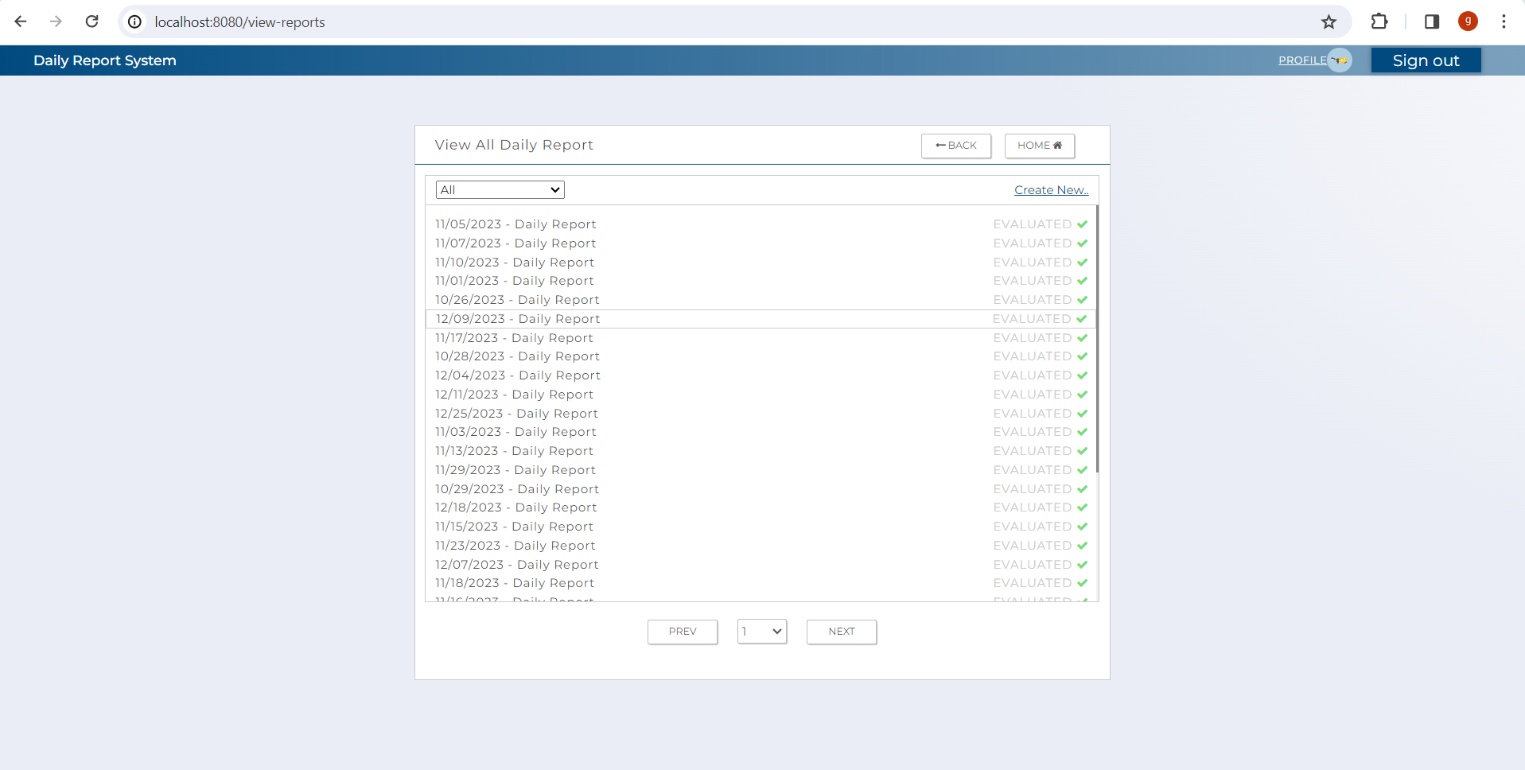

 | 2 | Display whenuser have existing daily evaluations with status = 1

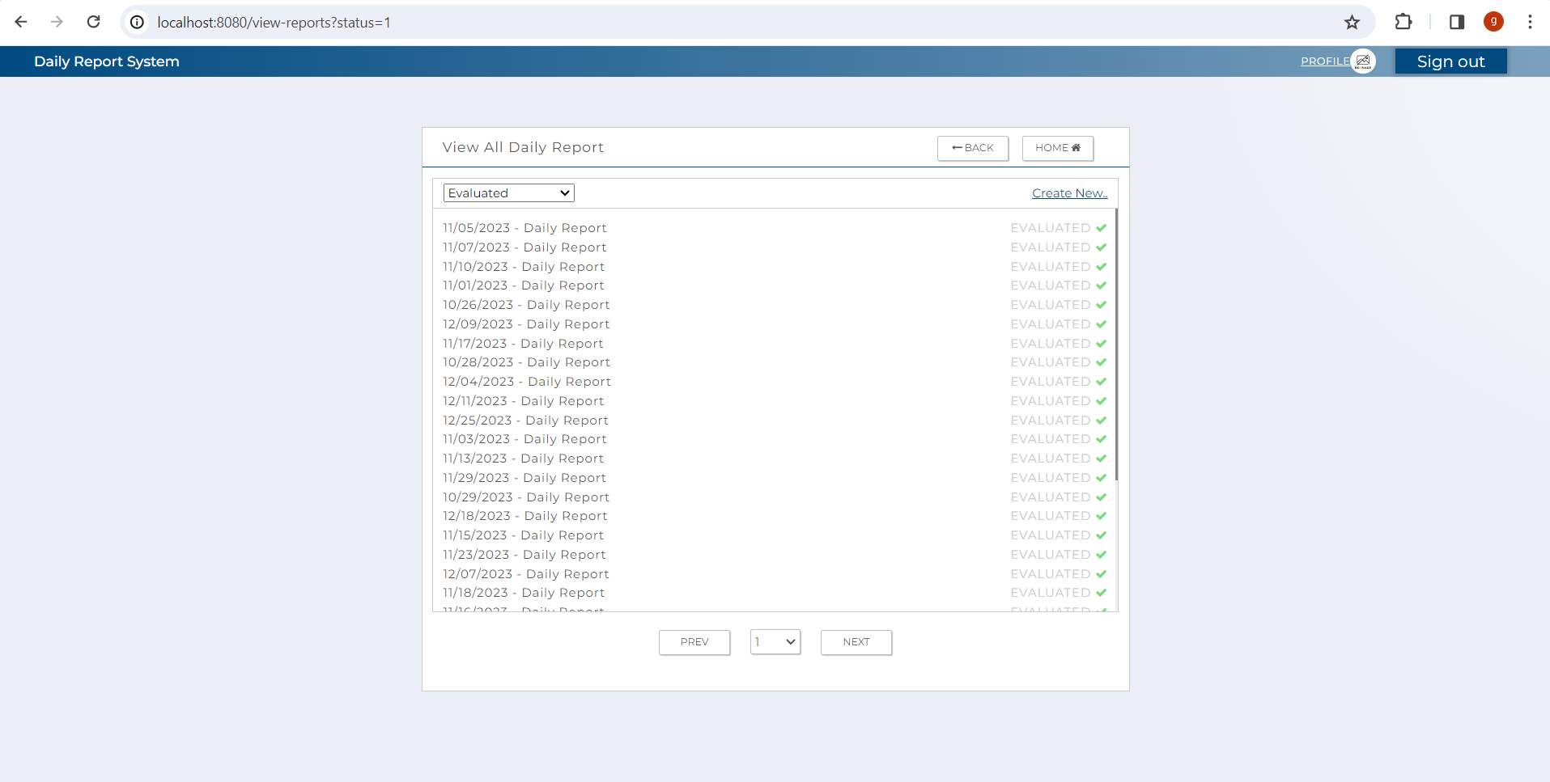

 | 3 | Display whenuser have existing daily evaluations with status = 0

3.EachTransitionFunction
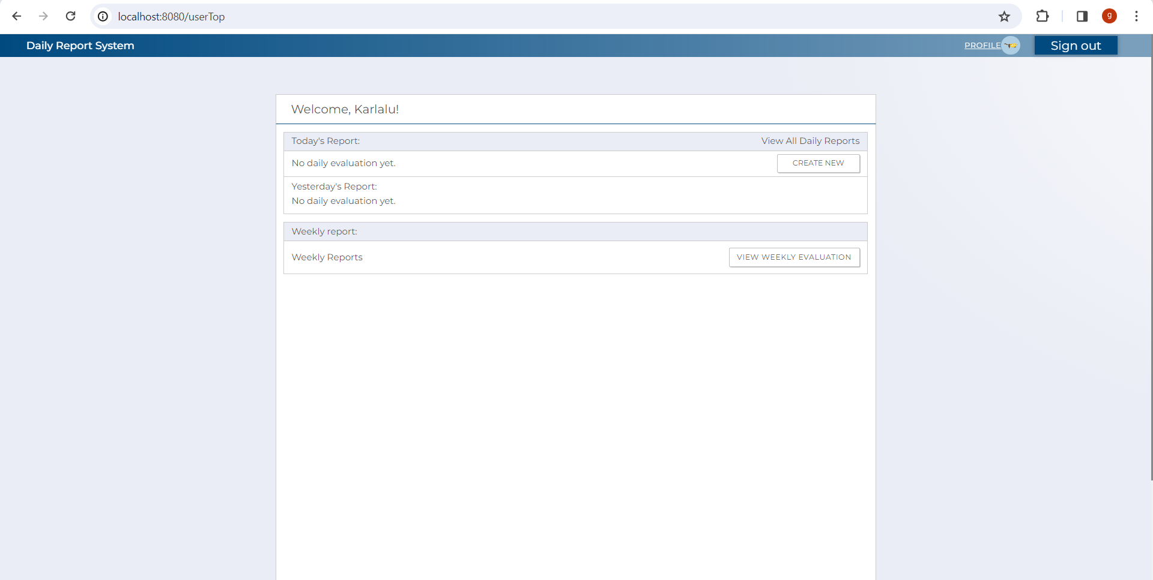
3.1 UserTop Screen

 |  |  |  |  |  | The following items are displayed in the screen items

 | No | Area | Item Name | Check Items | What to check | Evidence No | Test Indicator | Result | Date | Implementer
 | 1 | C-1 | Logout | Check if it successfully log out user from report system after clicking the button | Press the button to Logout and move to login screen. | 1 | N | 〇 | 2024-02-12 | Glaze
 | 2 | C-2 | Profile | Check that profile link in the navbar button correctly routes to user's profile page | Press profile link in the navbar to check if it move to user's profile screen. | 2 | N | 〇 | 2024-02-12 | Glaze
 | 3 | C-3 | Daily Report | Check if the daily report links will rout user to view report page | Press the daily report links to check if it correctly move to view report screen. | 3 | N | 〇 | 2024-02-12 | Glaze
 | 4 | C-4 | Create Evaluation | Check if the create new button routes user to create report page | Press the create new button and check if it correctly move to the create report screen. | 4 | N | 〇 | 2024-02-12 | Glaze
 | 5 | C-5 | Previous Page | Check if the previous button display previous 30 daily reports | Press the previous button and check if it display the previos 30 reports | 5 | N | 〇 | 2024-02-12 | Glaze
 | 6 | C-6 | Next Page | Check if the next button display the remaing sdaily reports | Press the next button and check if it display the remaing reports | 6 | N | 〇 | 2024-02-12 | Glaze
 | 7 | C-7 | Back | Check if the back button routes user to previous screen. | Press the back button to check if correctly move to previous screen which is the userTop . | 7 | N | 〇 | 2024-02-12 | Glaze
 | 8 | C-8 | Home | Check if the home button routes user to top screen. | Press the home button to check if correctly move to the userTop . | 8 | N | 〇 | 2024-02-12 | Glaze

[Evidence numbers and captured images]

 | 1

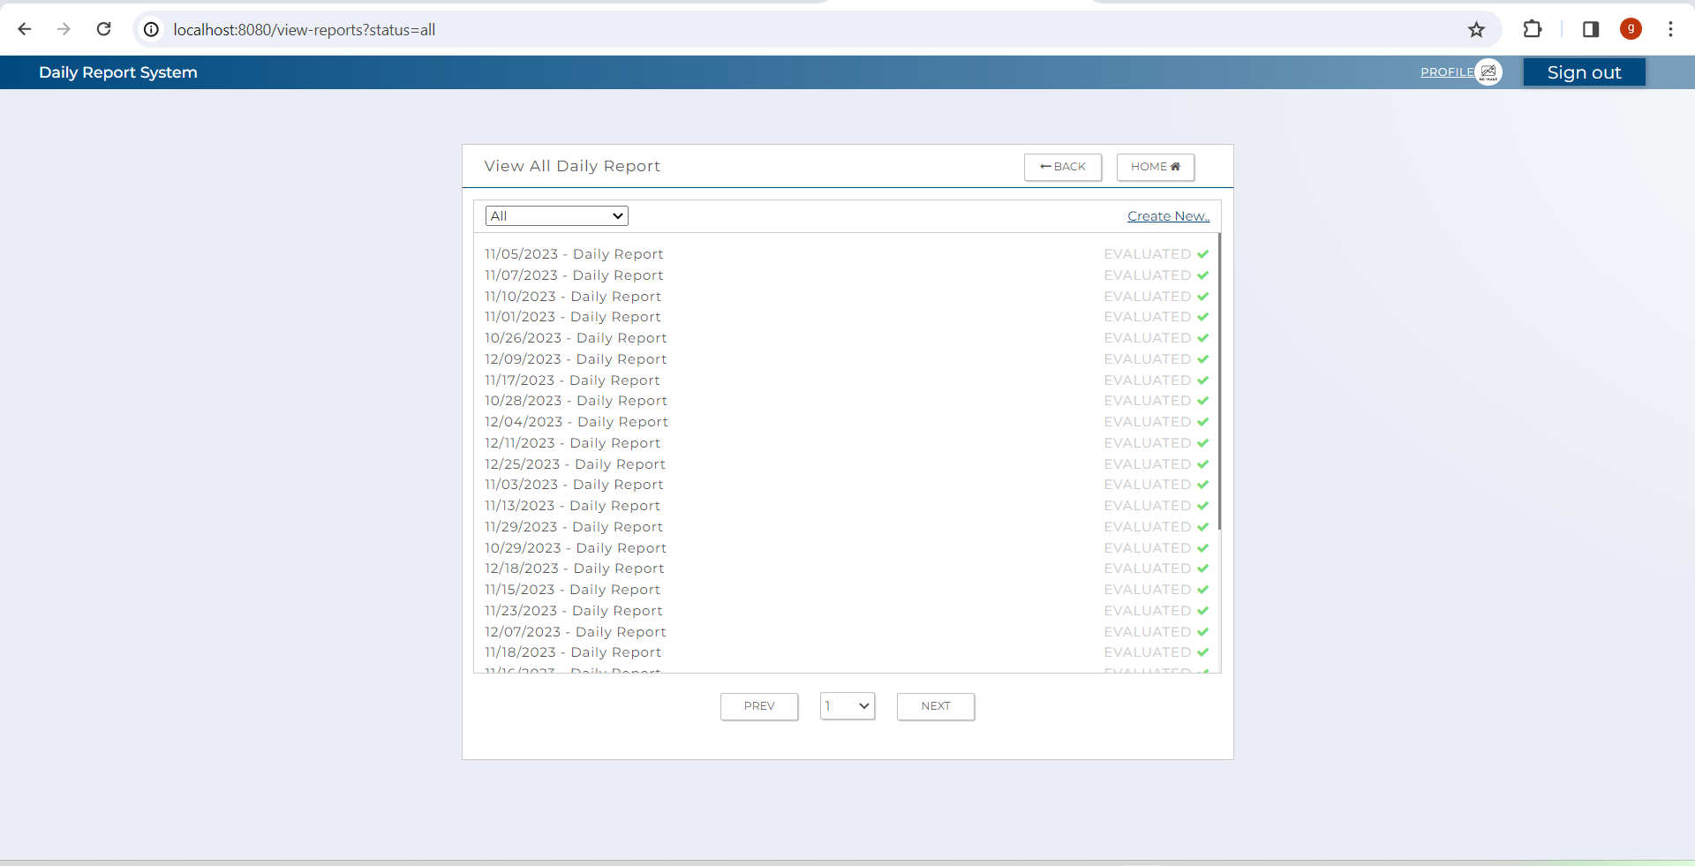
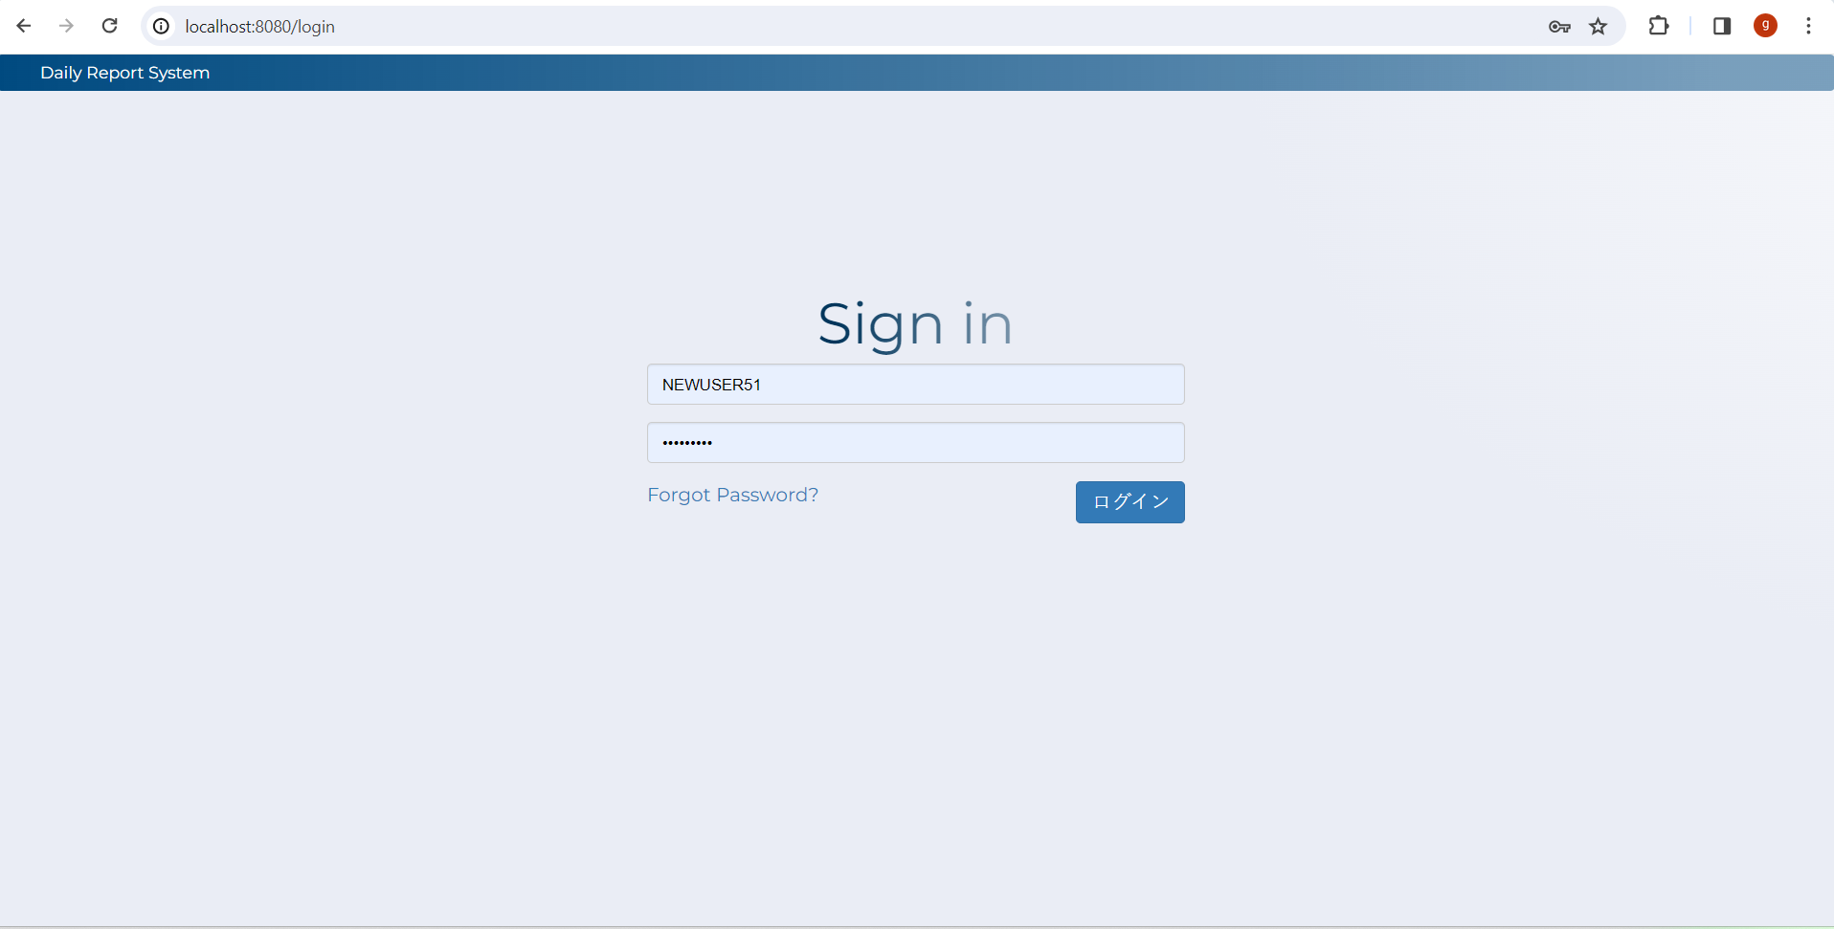

 | 2

 | 2

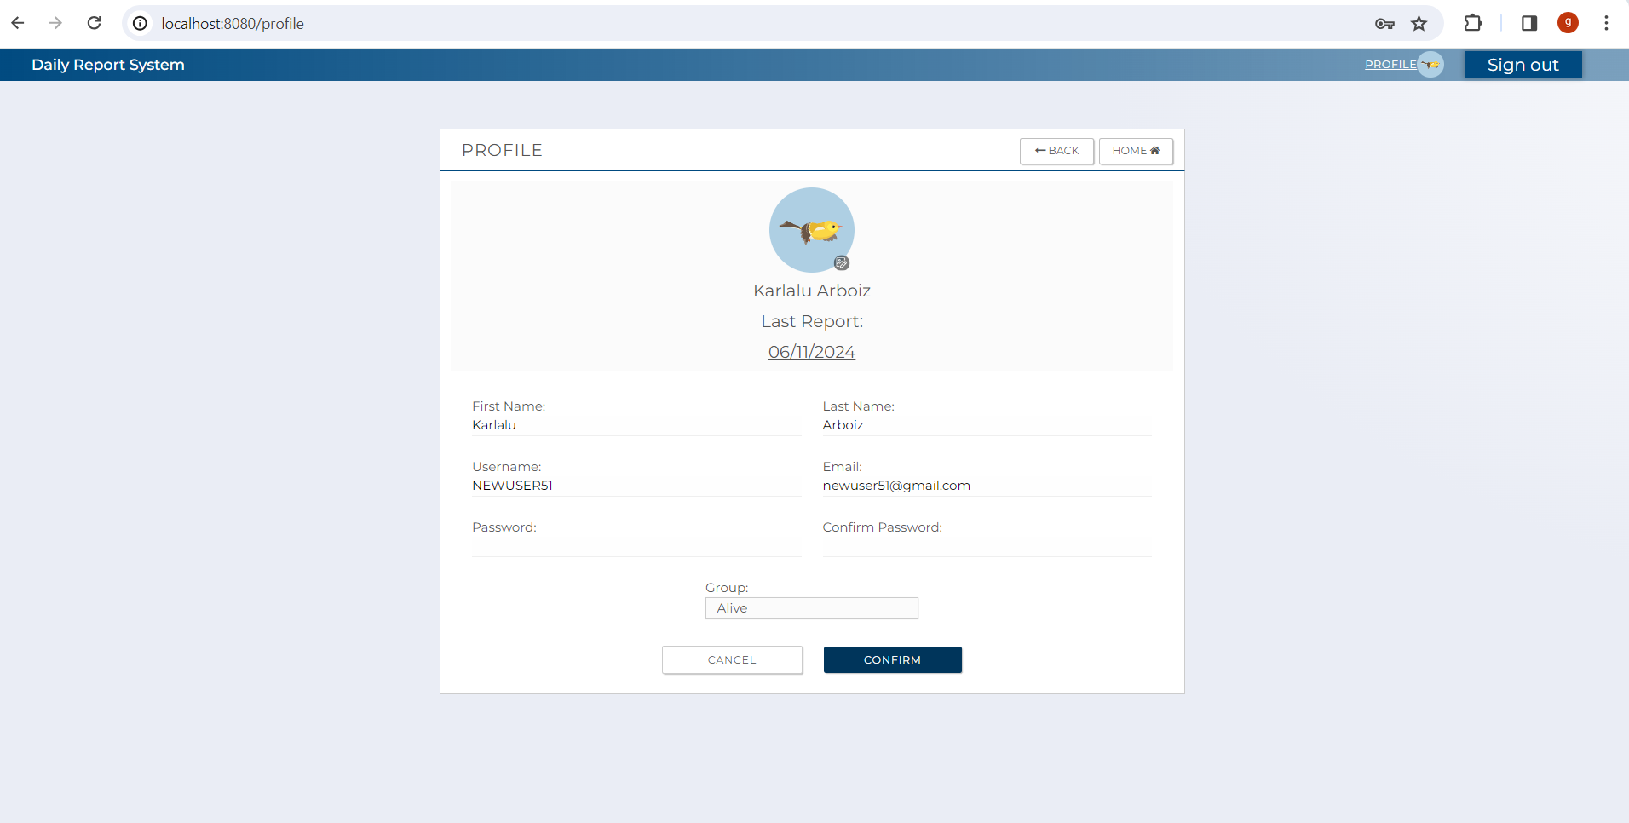

 | 3

 | 3.1 | (evaluated)

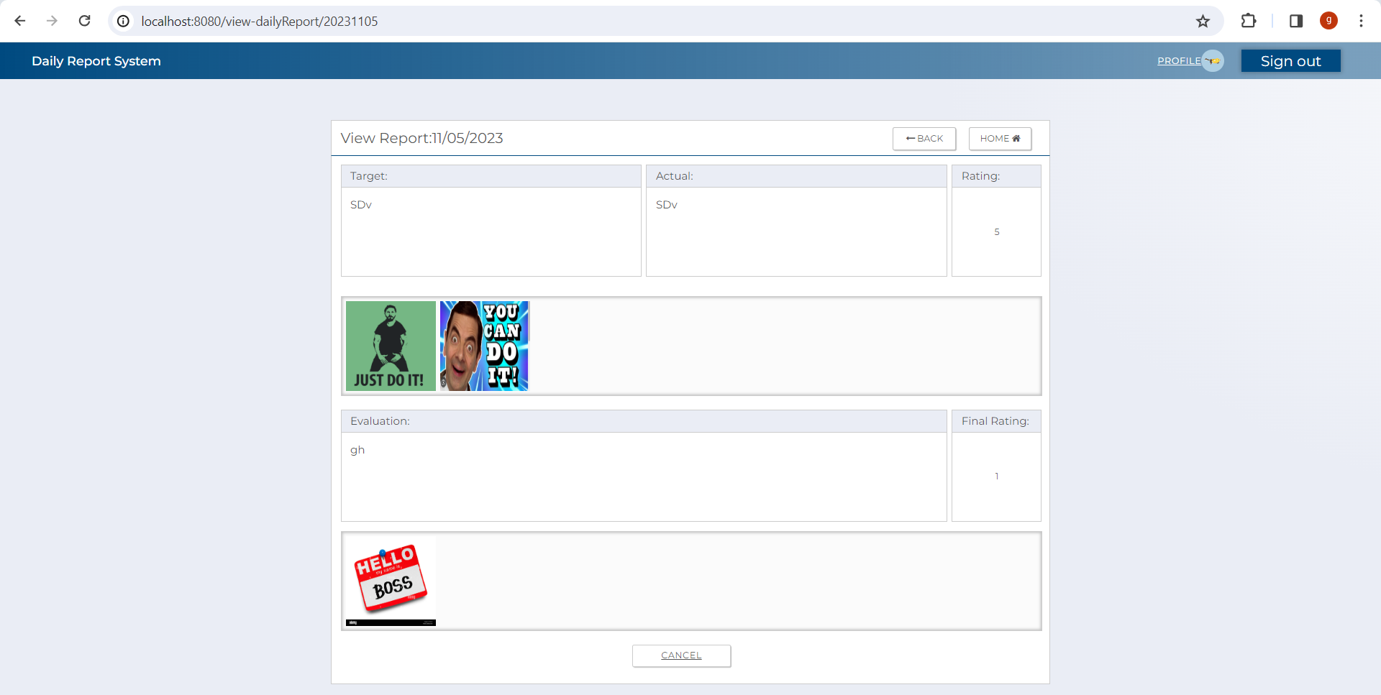

 | 4

 | 3.2 | (not yet evaluated)

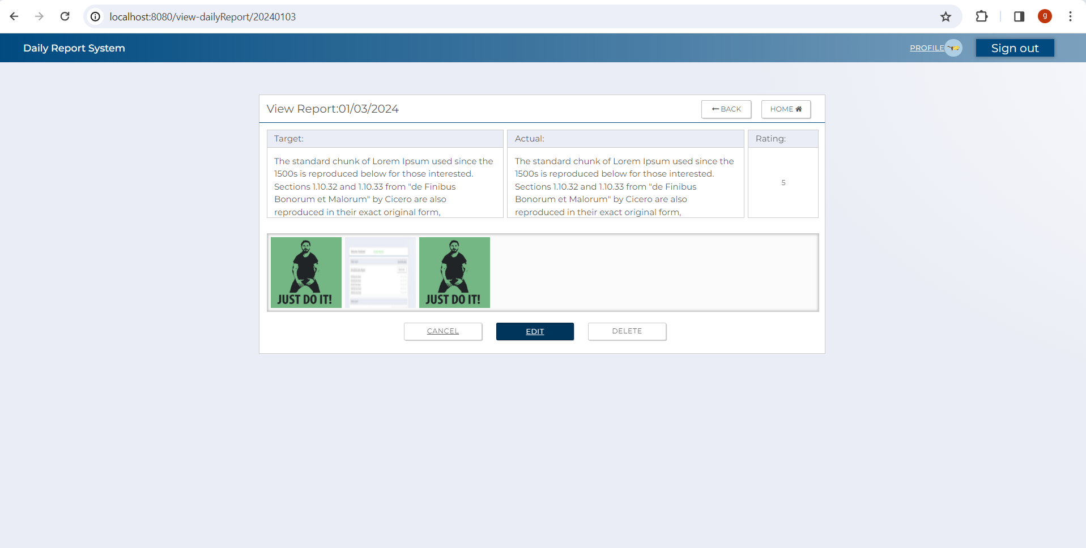


 | 5

 | 4

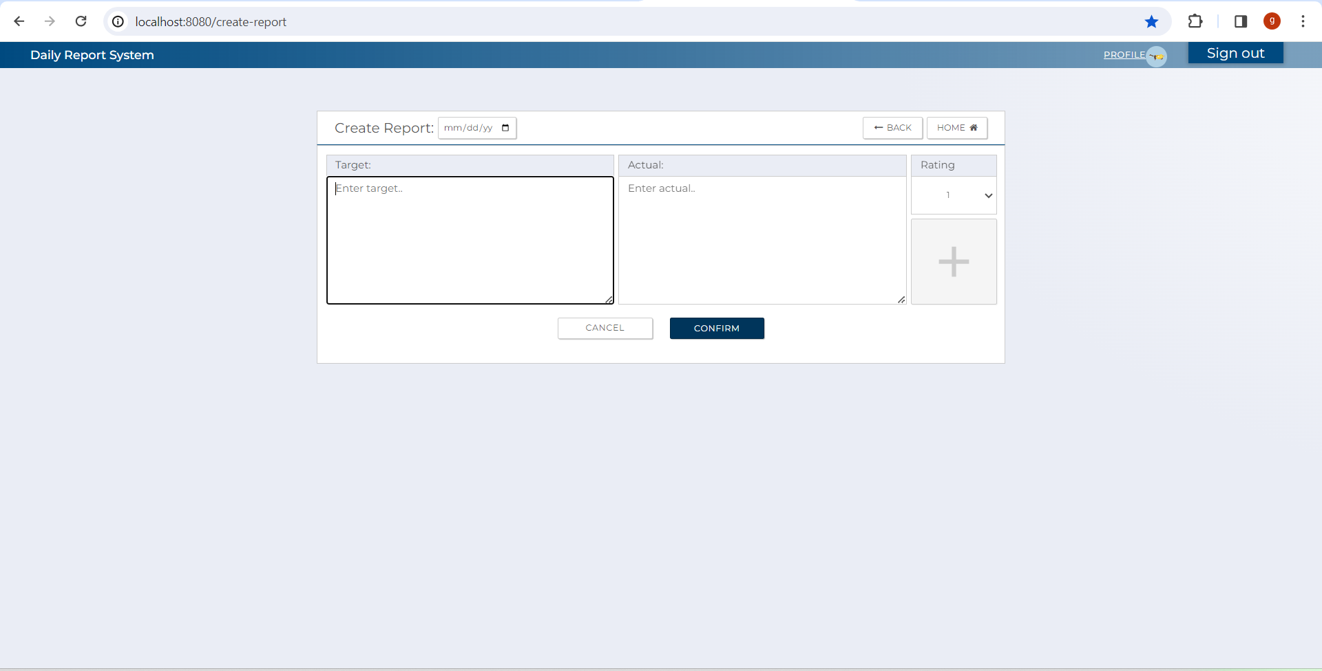

 | 6

 | 5 | previous

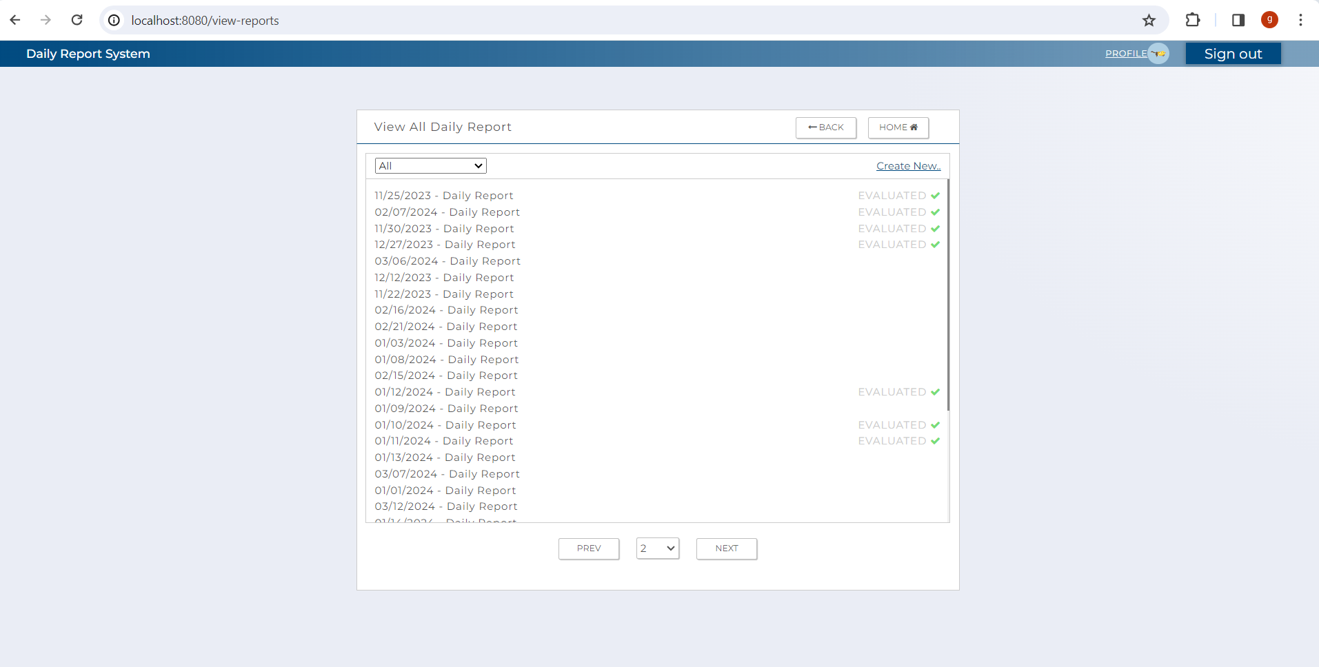
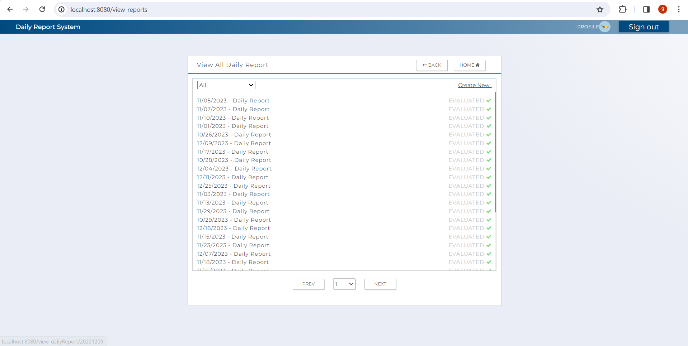

 | 7

 | 6 | next

 | 8

 | 7
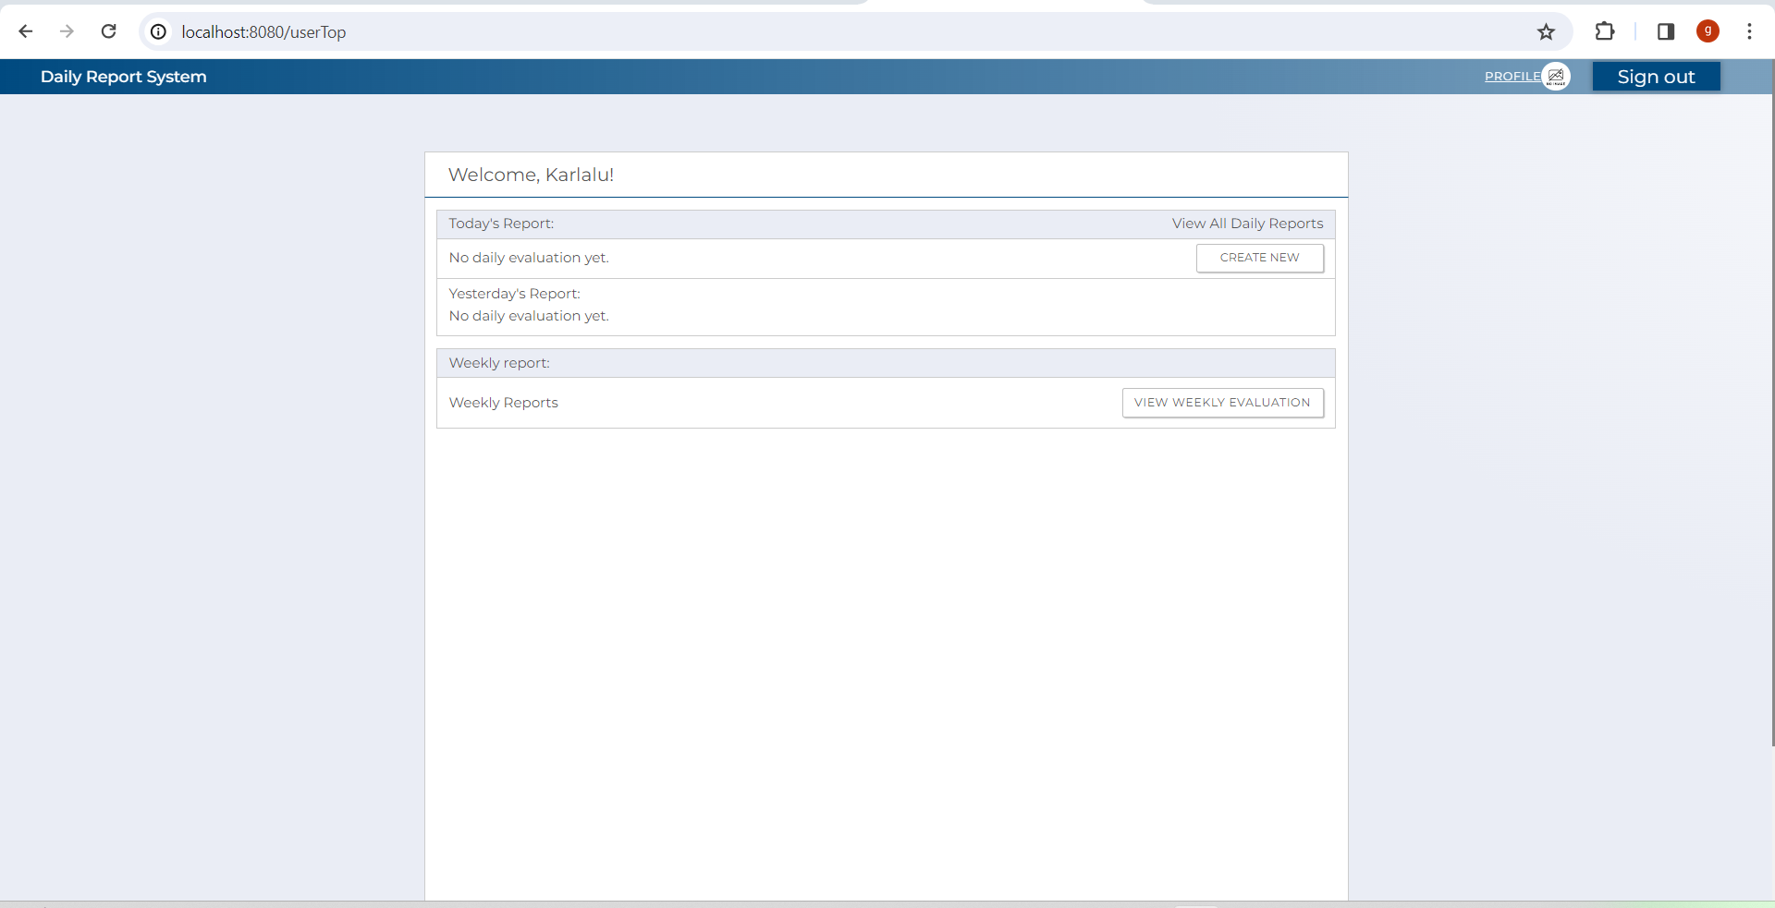

 | 8

