1.1.InitDisplay(CreateReport)
1. Initial display
 | 1.1 DisplayReports
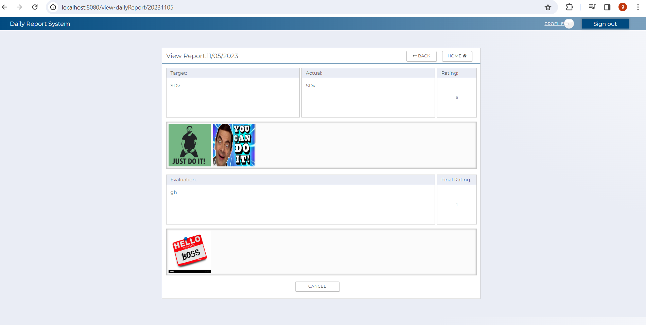

C-5
C-1
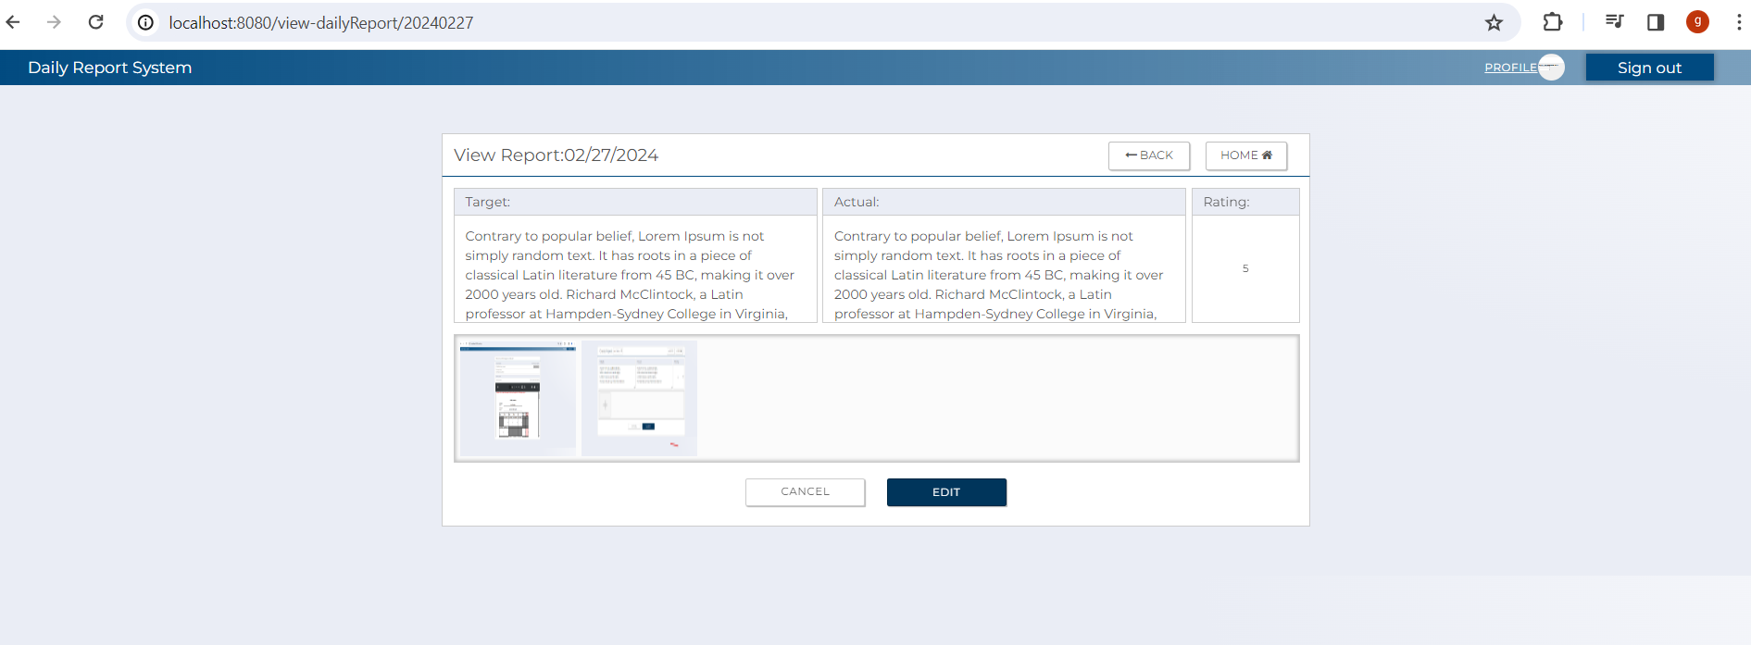

B-7
C-3
C-6

B-1
B-2
B-4

B-3
B-5

C-2

B-6

C-4

 | [The following items are displayed on the screen items]

 | No | Area | Points to check | Remarks | Source table fields
 | 1 | B-1 | Target | Display target report details | T_DAILY_REPORT.target
 | 2 | B-2 | Actual | Display user's actual report details | T_SELF_EVALUATION.comment
 | 3 | B-3 | Leader Comment | Display Leader comment | T_FINAL_EVALUATION.comment
 | 4 | B-4 | Self Rating | Display user's self rating | T_SELF_EVALUATION.rating
 | 5 | B-5 | Actual Rating | Display actual rating | T_FINAL_EVALUATION.rating
 | 6 | B-6 | Attached File | Display attached files/image | T_EVAL_ATTACHED_FILE
 | 7 | B-7 | Daily Report Date | Display report date | T_DAILY_REPORT.report_date
 | 8 | C-1 | Logout | Button | Logout from this web applicatoin.
 | 9 | C-2 | Edit | Button | Move to edit report screen
 | 10 | C-3 | Back | Button | Move to previous page
 | 11 | C-4 | Cancel | Button | Move to userTop screen
 | 12 | C-5 | Profile | Button | Move to user profile screen
 | 13 | C-6 | Home | Button | Move to userTop screen

2.SQL
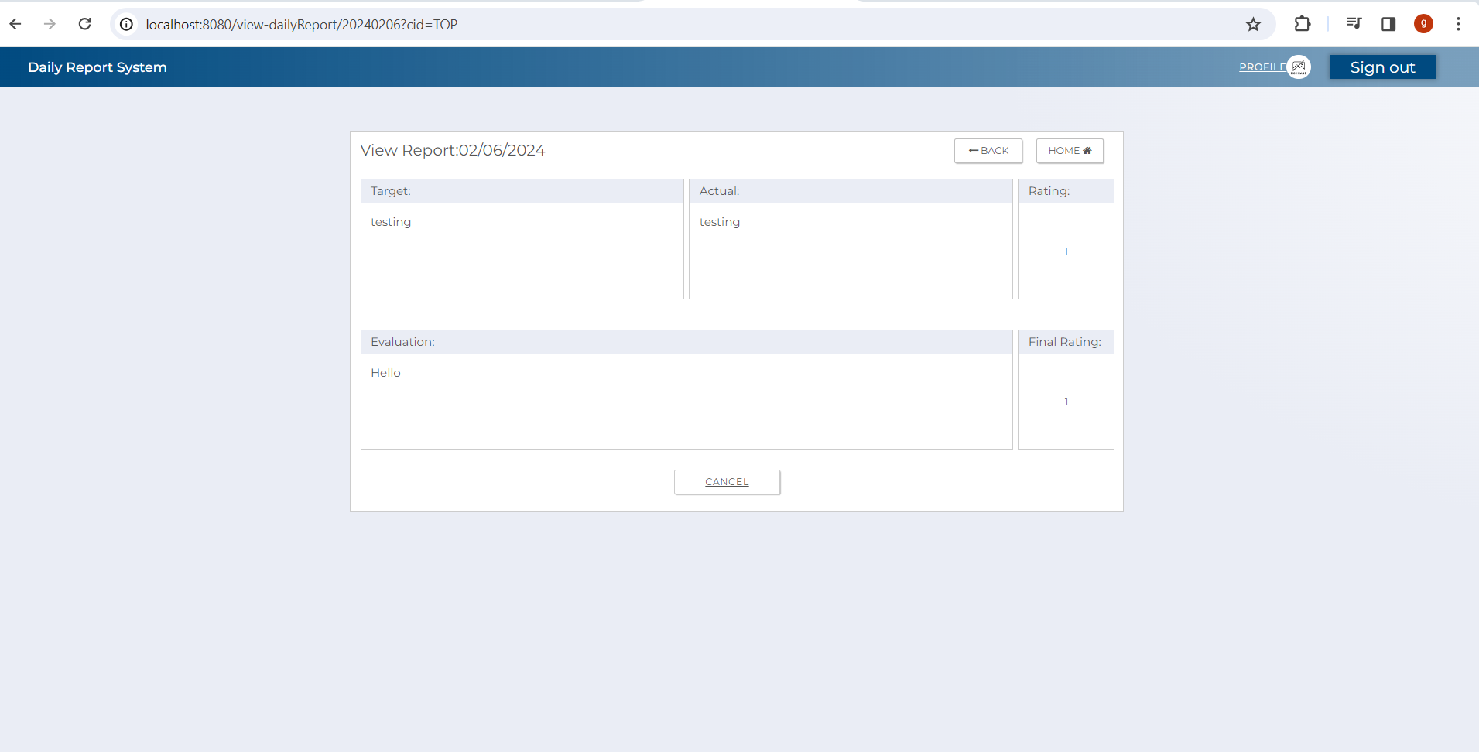
2.SQL (Display Reports )
[Table value ]

 |  | T_DAILY_REPORT
 |  | id_pk | user_id_pk | report_date | target | status | reg_id | reg_date | update_id | update_date | delete_flg | test pattern | '-------------------------------- | →→→ | Evidence Nお | Test Indicator | Result | Date | Implementer
 |  | 151 | 120 | 20231026 | - completion of first function | 1 | USER | 2023-10-27 13:46:32 | USER | 2023-10-27 13:46:32 | false |  |  |  | 1 | N | 〇 | 2024-02-06 | Glaze
 |  | 152 | 77 | 20231028 | sdfasdf | 1 | USER | 2023-10-27 16:55:23 | USER | 2023-10-27 16:55:23 | false |  |  |  | 2 | N | 〇 | 2024-02-06 | Glaze
 |  |  |  |  |  |  |  |  |  |  |  |  |  |  | 3 | N | 〇 | 2024-02-06 | Glaze
 |  | T_FINAL_EVALUATION |  |  |  |  |  |  |  |  |  |  |  |  | 4 | N | 〇 | 2024-02-06 | Glaze
 |  | daily_report_id_pk | evaluator_id_pk | comment | rating | reg_id | reg_date | update_id | update_date | delete_flg | test pattern |  |  |  | 5 | N | 〇 | 2024-02-06 | Glaze
 |  | 151 | 92 | aaaaaaa | 1 | LEADER | 11/6/23 | LEADER | 2023-11-06 21:26:01 | false |  |  |  |  | 6 | N | 〇 | 2024-02-06 | Glaze
 |  | 152 | 59 | test | 1 | LEADER | 11/8/23 | LEADER | 2023-11-08 17:10:29 | false

 |  | T_SELF_EVALUATION
 |  | daily_report_id_pk | comment | rating | reg_id | reg_date | update_id | update_date | delete_flg | test pattern
 |  | 151 | 1. aaaaaaaaaaaaaaaaaa 2. aaaaaaaaaaaaaaaaaaa | 2 | USER | 10/27/23 | USER | 2023-10-27 13:46:32 | false
 |  | 152 | asdfasdf | 1 | USER | 10/27/23 | USER | 2023-10-27 16:55:23 | false

 |  | T_EVAL_ATTACHED_FILE
 |  | daily_report_id_pk | evaluator_id_pk | comment | rating | reg_id | reg_date | update_id | update_date | delete_flg | test pattern
 |  | 151 | C:\report\daily\120\20231026_0_1.jpg | 1 | 120 | USER | 11/10/23 | USER | 2023-11-10 21:10:57 | false
 |  | 151 | C:\report\daily\120\20231026_0_2.jpg | 2 | 120 | USER | 11/10/23 | USER | 2023-11-10 21:10:57 | false
 |  | 152 | C:\report\daily\77\20231028_152_1.jpg | 1 | 77 | USER | 10/27/23 | USER | 2023-10-27 16:55:24 | false

 | 2.1. SQL for retrieving uploaded images , Daily report details and self evaluation details

 | [Output value for retrieving a specific daily report details from t_daily_report.
 |  | id_pk | user_id_pk | report_date | target | status | reg_id | reg_date | update_id | update_date | delete_flg
 |  | 151 | 120 | 20231026 | - completion of first function | 1 | USER | 2023-10-27 13:46:32 | USER | 2023-10-27 13:46:32 | false

 | [Output value for retrieving final evaluation details for user with id pk 77 and report date 20231026 from t_final_evaluation ]
 |  | daily_report_id_pk | evaluator_id_pk | comment | rating | reg_id | reg_date | update_id | update_id | update_date
 |  | 151 | 92 | aaaaaaa | 1 | LEADER | 11/6/23 | LEADER | 2023-11-06 21:26:01 | false

 | [Output value for retrieving self evaluation from t_self_evaluation ]
 |  | daily_report_id_pk | comment | rating | reg_id | reg_date | update_id | update_date | delete_flg
 |  | 151 | 1. aaaaaaaaaaaaaaaaaa 2. aaaaaaaaaaaaaaaaaaa | 2 | USER | 10/27/23 | USER | 2023-10-27 13:46:32 | false

 | [Output value for retrievinguploaded images from t_attached_file ]
 |  | daily_report_id_pk | file_path | increment_num | uploader_id_pk | reg_id | reg_date | update_id | update_id | update_date
 |  | 151 | C:\report\daily\120\20231026_0_1.jpg | 1 | 120 | USER | 11/10/23 | USER | 2023-11-10 21:10:57 | false
 |  | 151 | C:\report\daily\120\20231026_0_2.jpg | 2 | 120 | USER | 11/10/23 | USER | 2023-11-10 21:10:57 | false

 |  | T_DAILY_REPORT
 |  | - SQL for retrieving daily report details from t_daily_report.

 |  | SELECT e.*
 |  | FROM t_daily_report e
 |  | INNER JOIN t_self_evaluation se ON e.id_pk = se.daily_report_id_pk
 |  | WHERE e.user_id_pk = :userIdPk
 |  | AND e.report_date = :reportDate
 |  | AND e.delete_flg = false

 |  | T_FINAL_EVALUATION

 |  | - SQL for retrieving final evaluation details from t_final_evaluation .

 |  | "SELECT fe.* " +
 |  | "FROM t_final_evaluation fe " +
 |  | "INNER JOIN t_daily_report e ON fe.daily_report_id_pk = e.id_pk " +
 |  | "WHERE e.user_id_pk = :userIdPk " +
 |  | "AND e.report_date = :reportDate " +
 |  | "AND e.delete_flg = false";

 |  | T_SELF_EVALUATION

 |  | - SQL for for retrieving self evaluation details from t_self_evaluation .

 |  | "SELECT se.* " +
 |  | "FROM t_self_evaluation se " +
 |  | "INNER JOIN t_daily_report e ON se.daily_report_id_pk = e.id_pk " +
 |  | "WHERE e.user_id_pk = :userIdPk " +
 |  | "AND e.report_date = :reportDate " +
 |  | "AND e.delete_flg = false";

 |  | T_ATTACHED_FILE

 |  | - SQL for retrieving attached file/s from t_attached_file .

 |  | SELECT e FROM t_eval_attached_file e
 |  | INNER JOIN t_daily_report dr
 |  | ON e. t_daily_report_id_pk = dr.id_pk
 |  | WHERE dr.id_pk = :reportIdPk
 |  | AND e.uploader_id_pk = :userIdPk
 |  | AND dr.delete_flg = false
 |  | AND e.delete_flg = false ;

 |  | [Evidence numbers and captured images]

 |  | 2.Display for retrieving self evaluation details from t_self _evaluation , t_daily_report table and t_final_evaluation_table

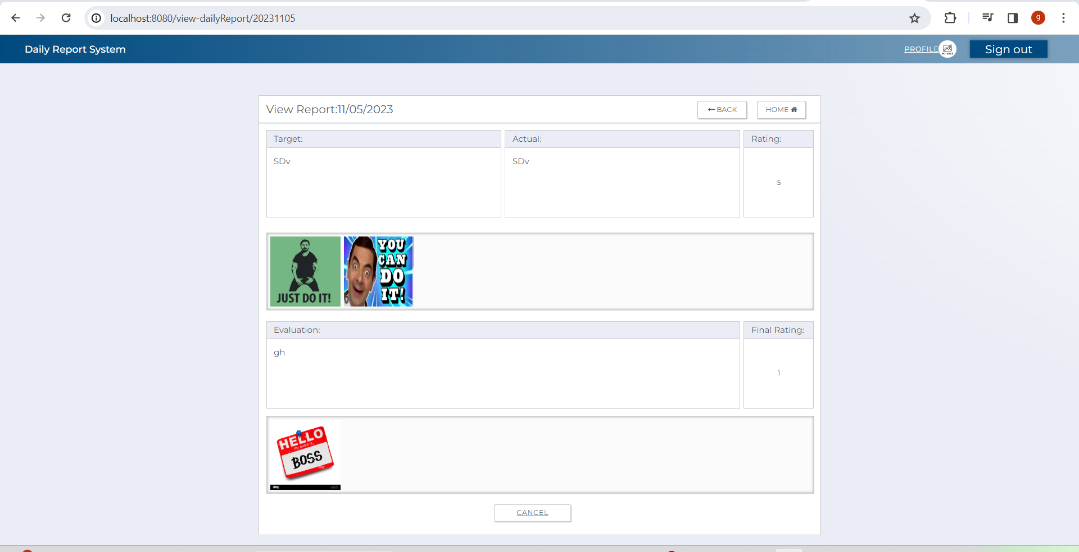

 |  | 2.Display whenuser report is evaluated

 |  | 4.Display when report is not yet evaluated

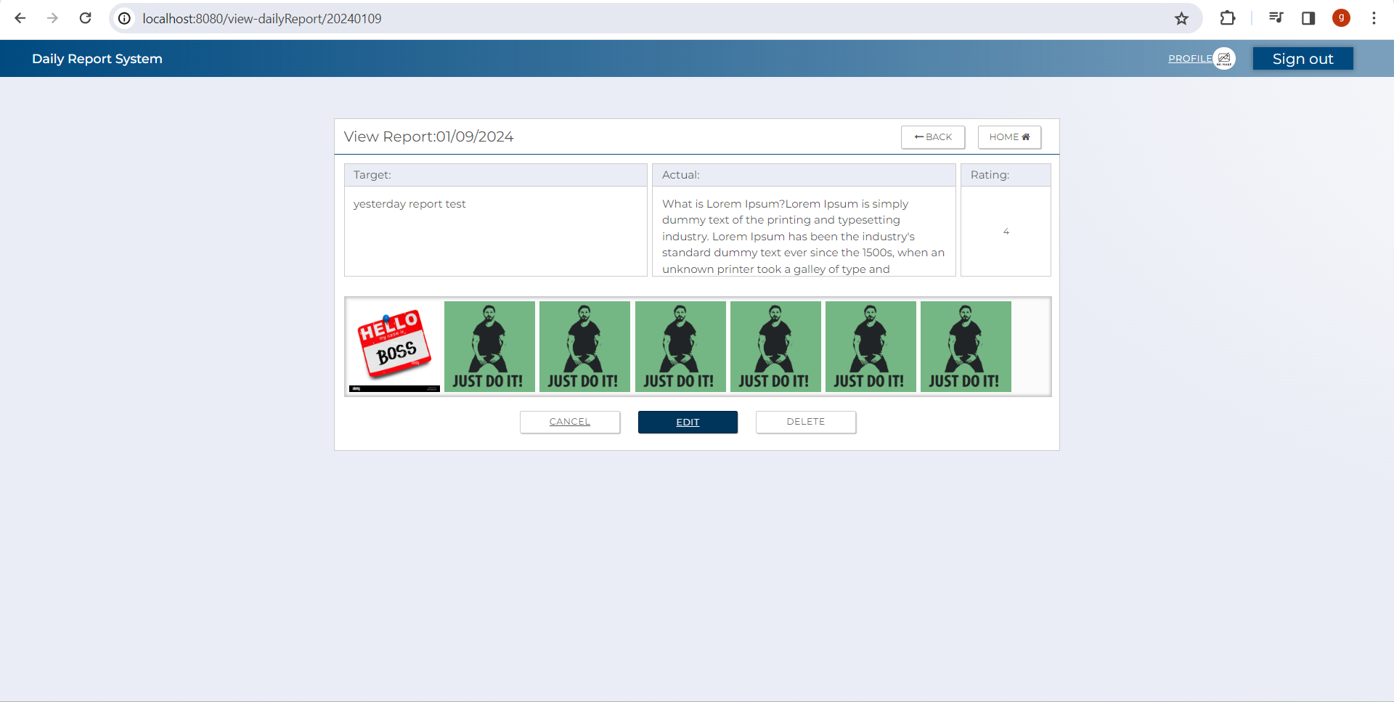

 |  | 5.Display when there is/are uploaded images

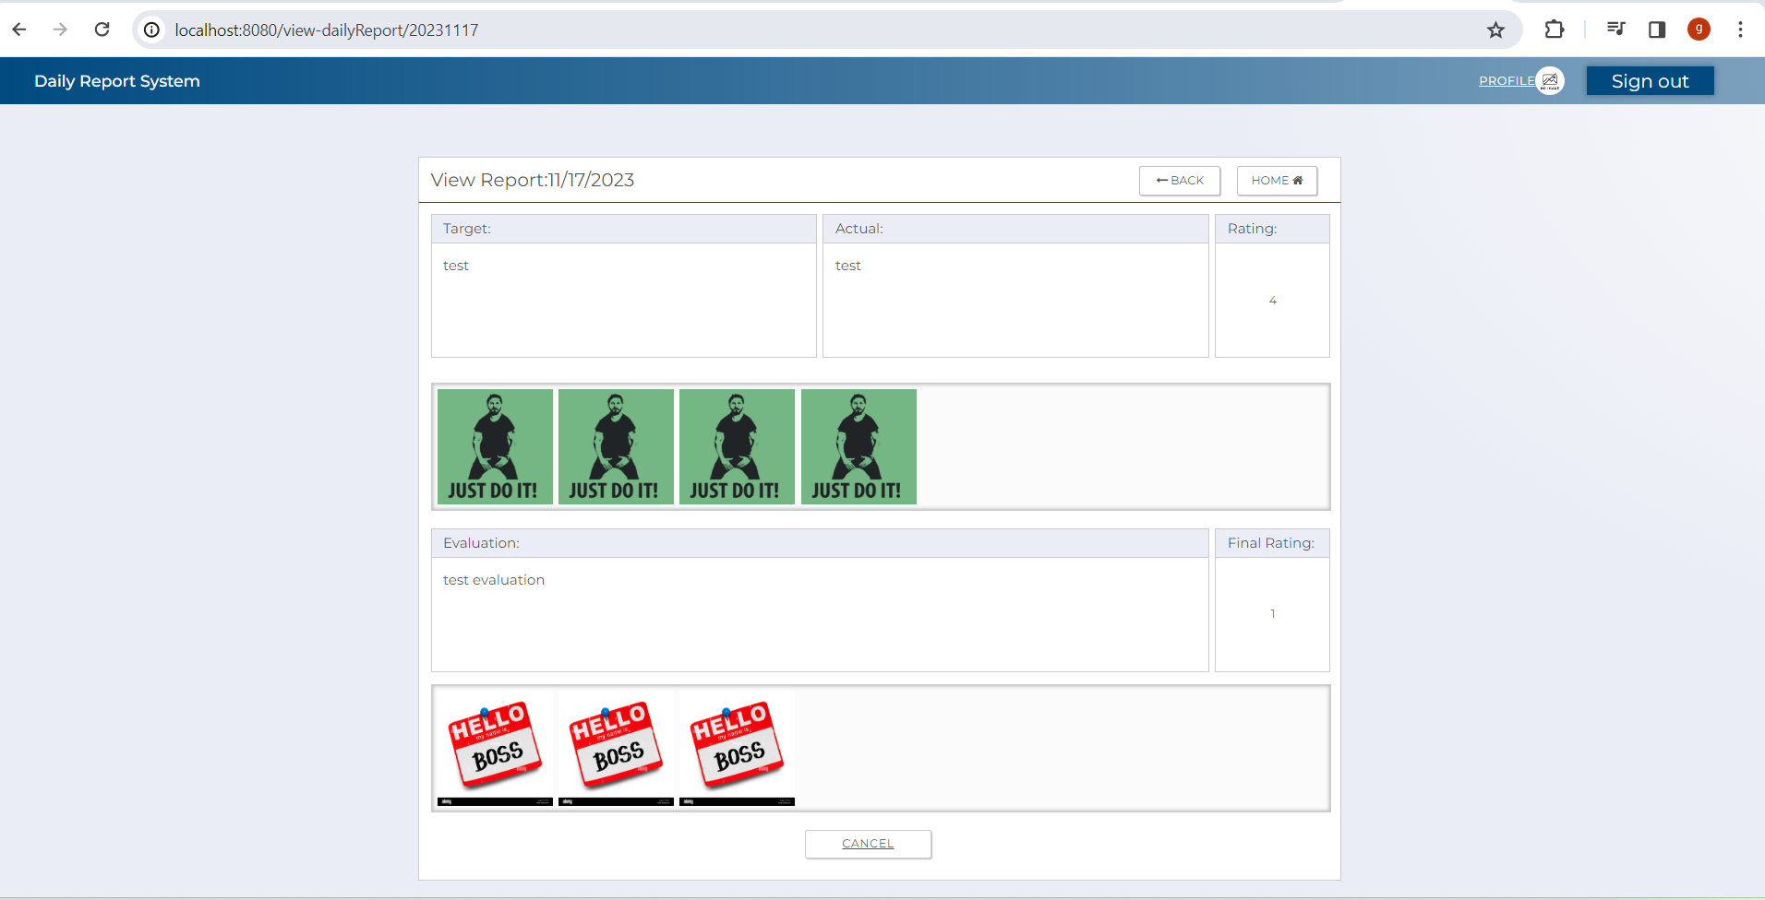

 |  | 6.Display when there is/are no uploaded image/images

3.EachTransitionFunction
3.1 UserTop Screen

 |  |  |  |  |  | The following items are displayed in the screen items

 | No | Area | Item Name | Check Items | What to check | Evidence No | Test Indicator | Result | Date | Implementer
 | 1 | C-1 | SignOut | Check if it successfully log out user from report system after clicking the button | Press the button to Logout and move to login screen. | 1 | N | 〇 | 2024-02-06 | Glaze
 | 2 | C-2 | Edit | Check that edit button correctly routes to edit report screen | Press submit button to check if it move to user's profile screen. | 2 | N | 〇 | 2024-02-06 | Glaze
 | 3 | C-3 | Back | Check if the back button routes user to previous screen after clicking it. | Press the back button Button to check if correctly move to previous screen. | 3 | N | 〇 | 2024-02-06 | Glaze
 | 4 | C-4 | Cancel | Check if the cancel button routes user to the userTop screen | Press the cancel button and check if it correctly move to the userTop screen. | 4 | N | 〇 | 2024-02-06 | Glaze
 | 5 | C-5 | Delete | Check if the delete button display the delete confiration modal | Press the delete button and check if it correctly display delete confirmation modal. | 5 | N | 〇 | 2024-02-06 | Glaze
 | 6 | C-6 | Home | Check if the home button routes user to the userTop screen | Press the home button and check if it correctly move to the userTop screen. | 6 | N | 〇 | 2024-02-06 | Glaze

[Evidence numbers and captured images]

 | 1
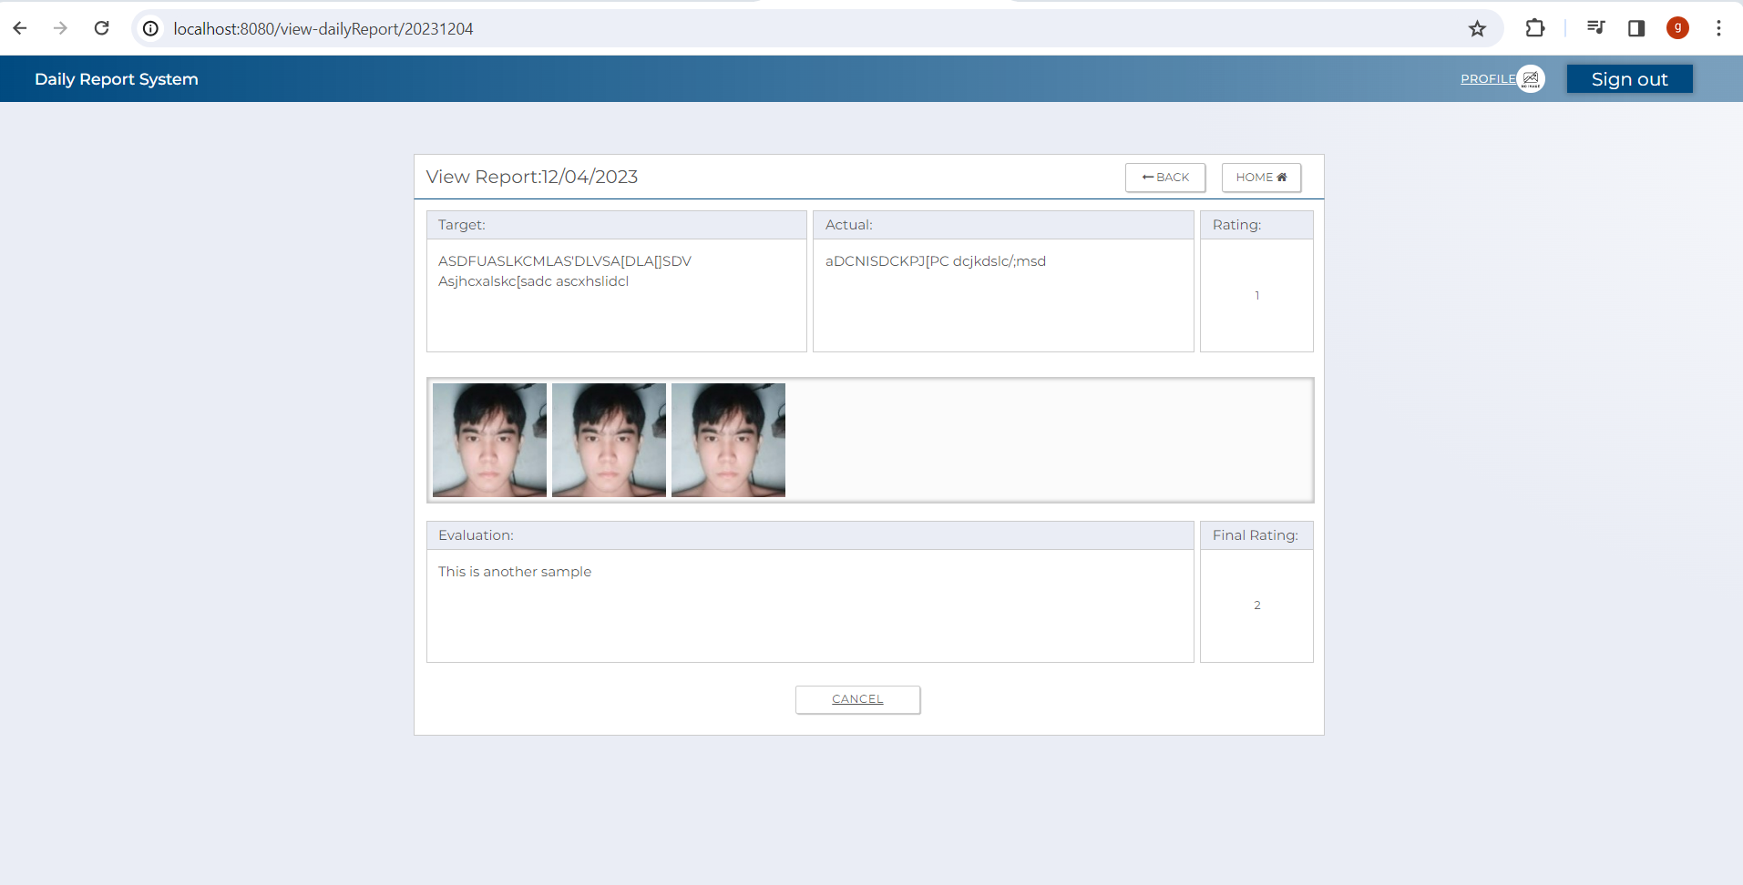
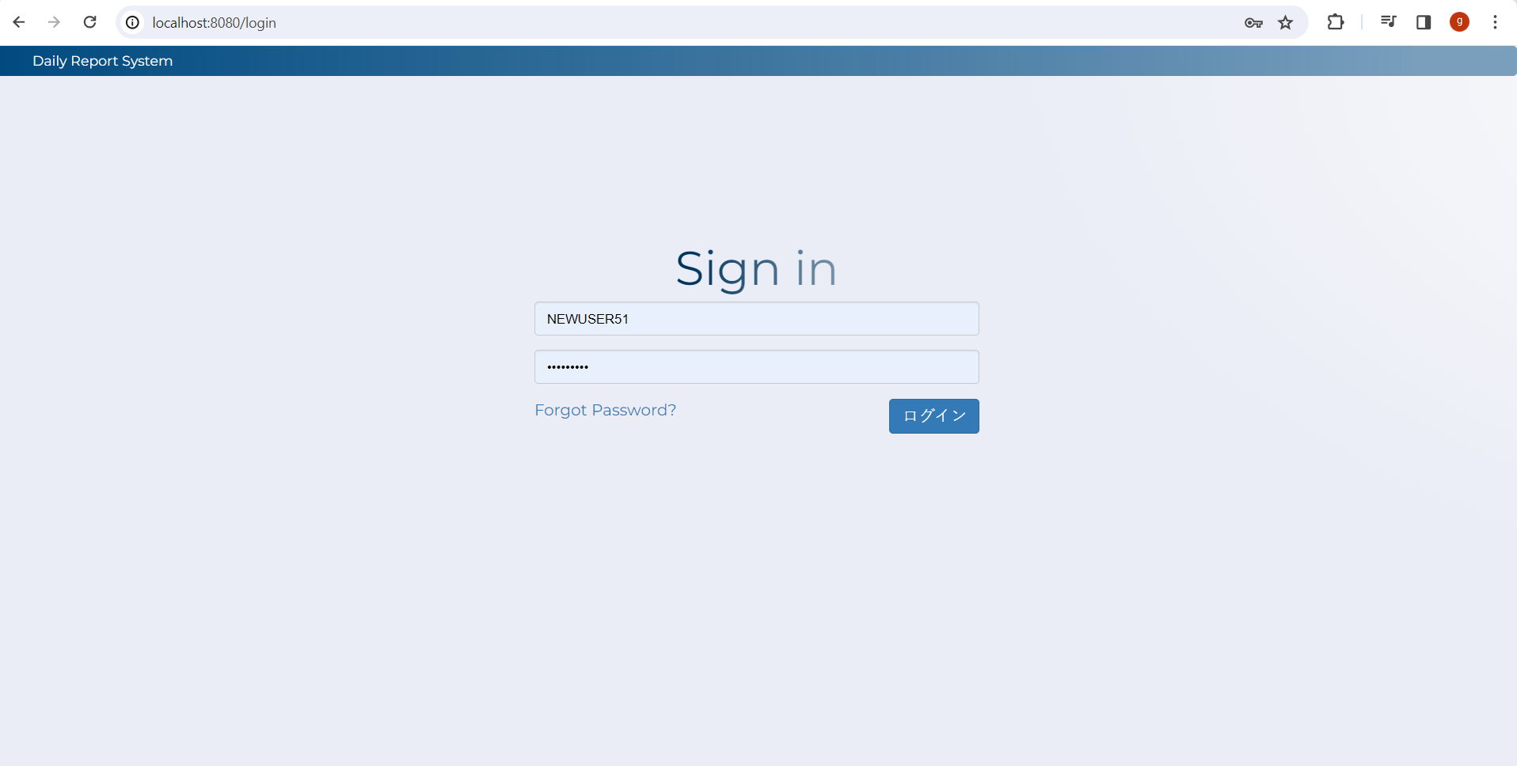

 | 2

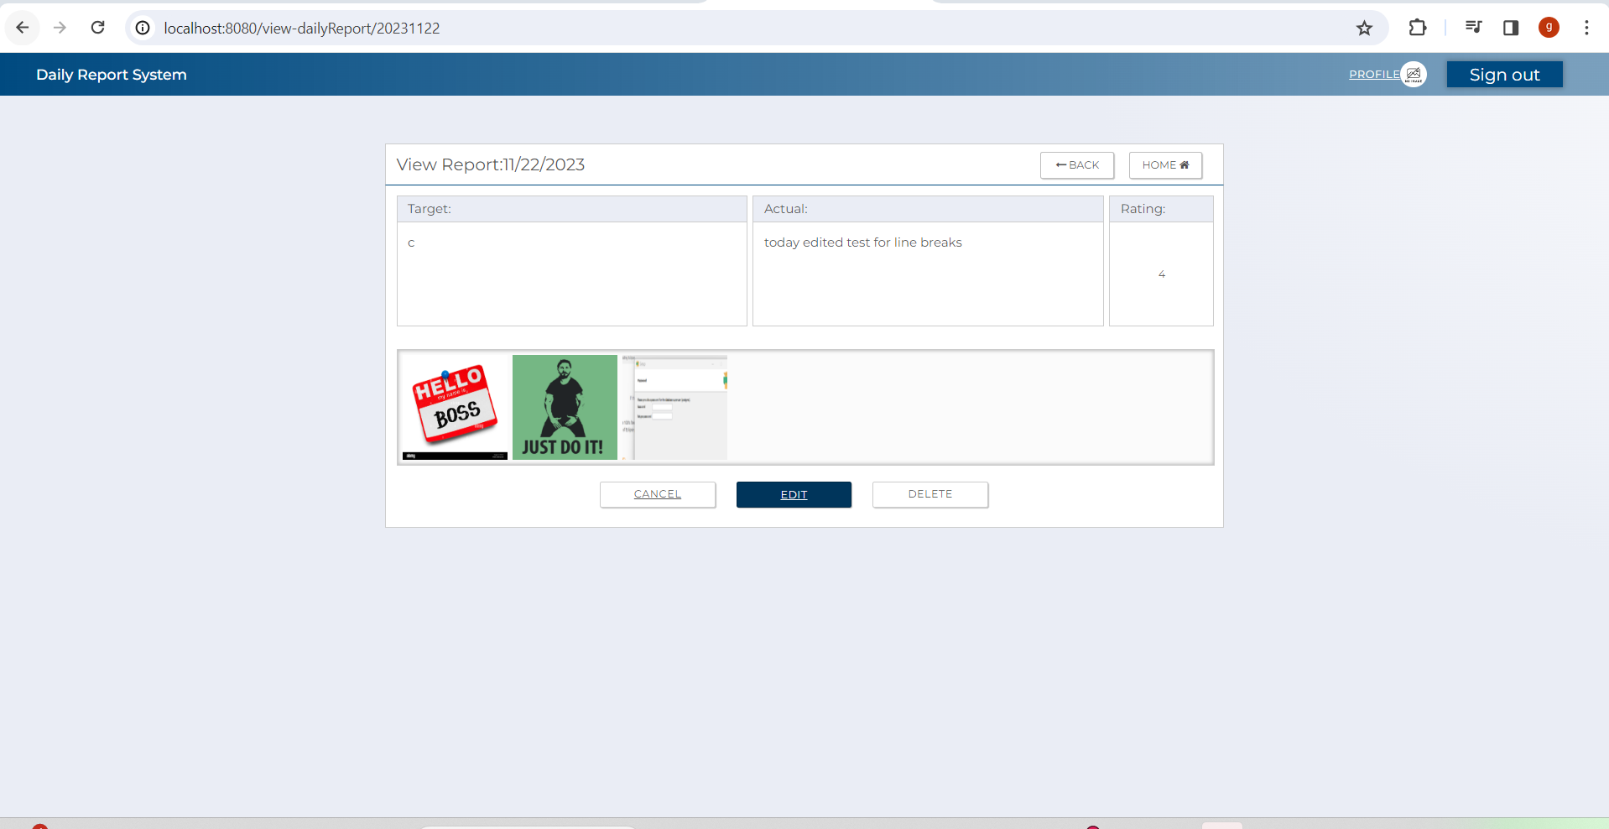
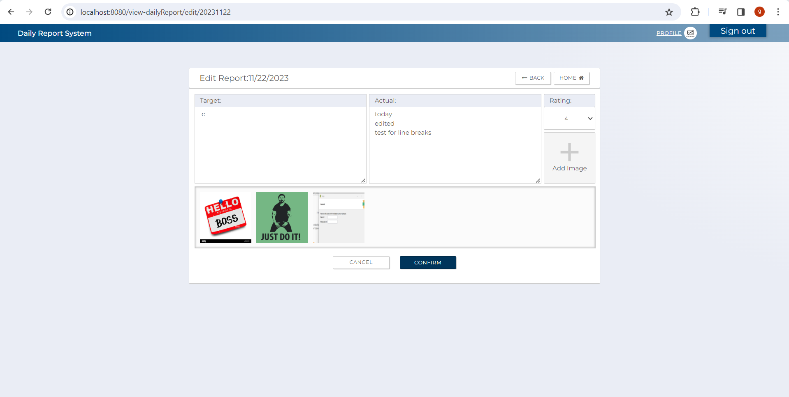

 | 3

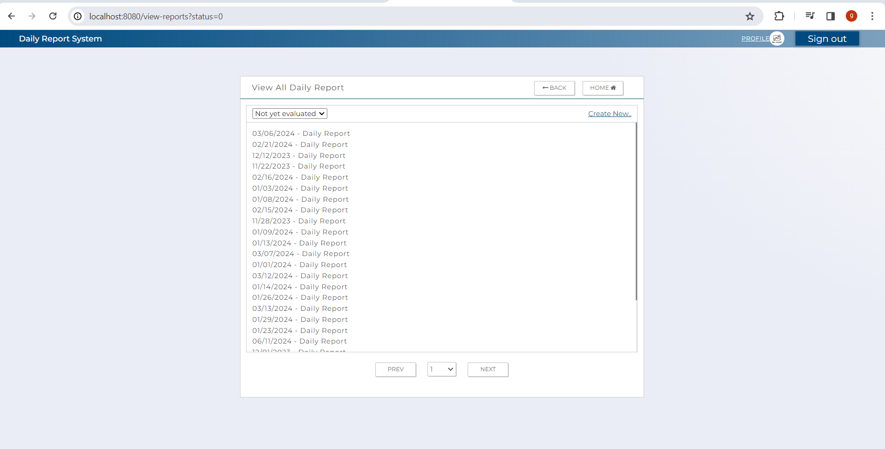

 | 4

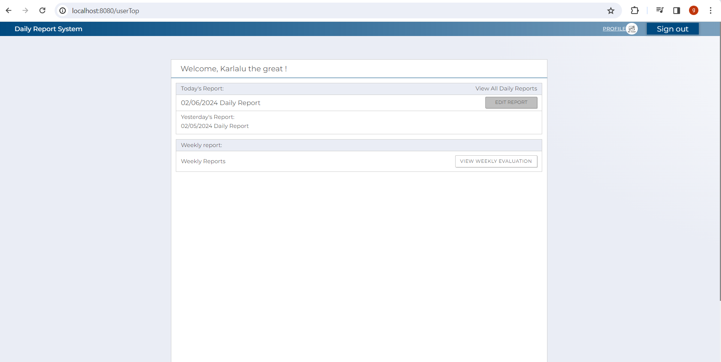

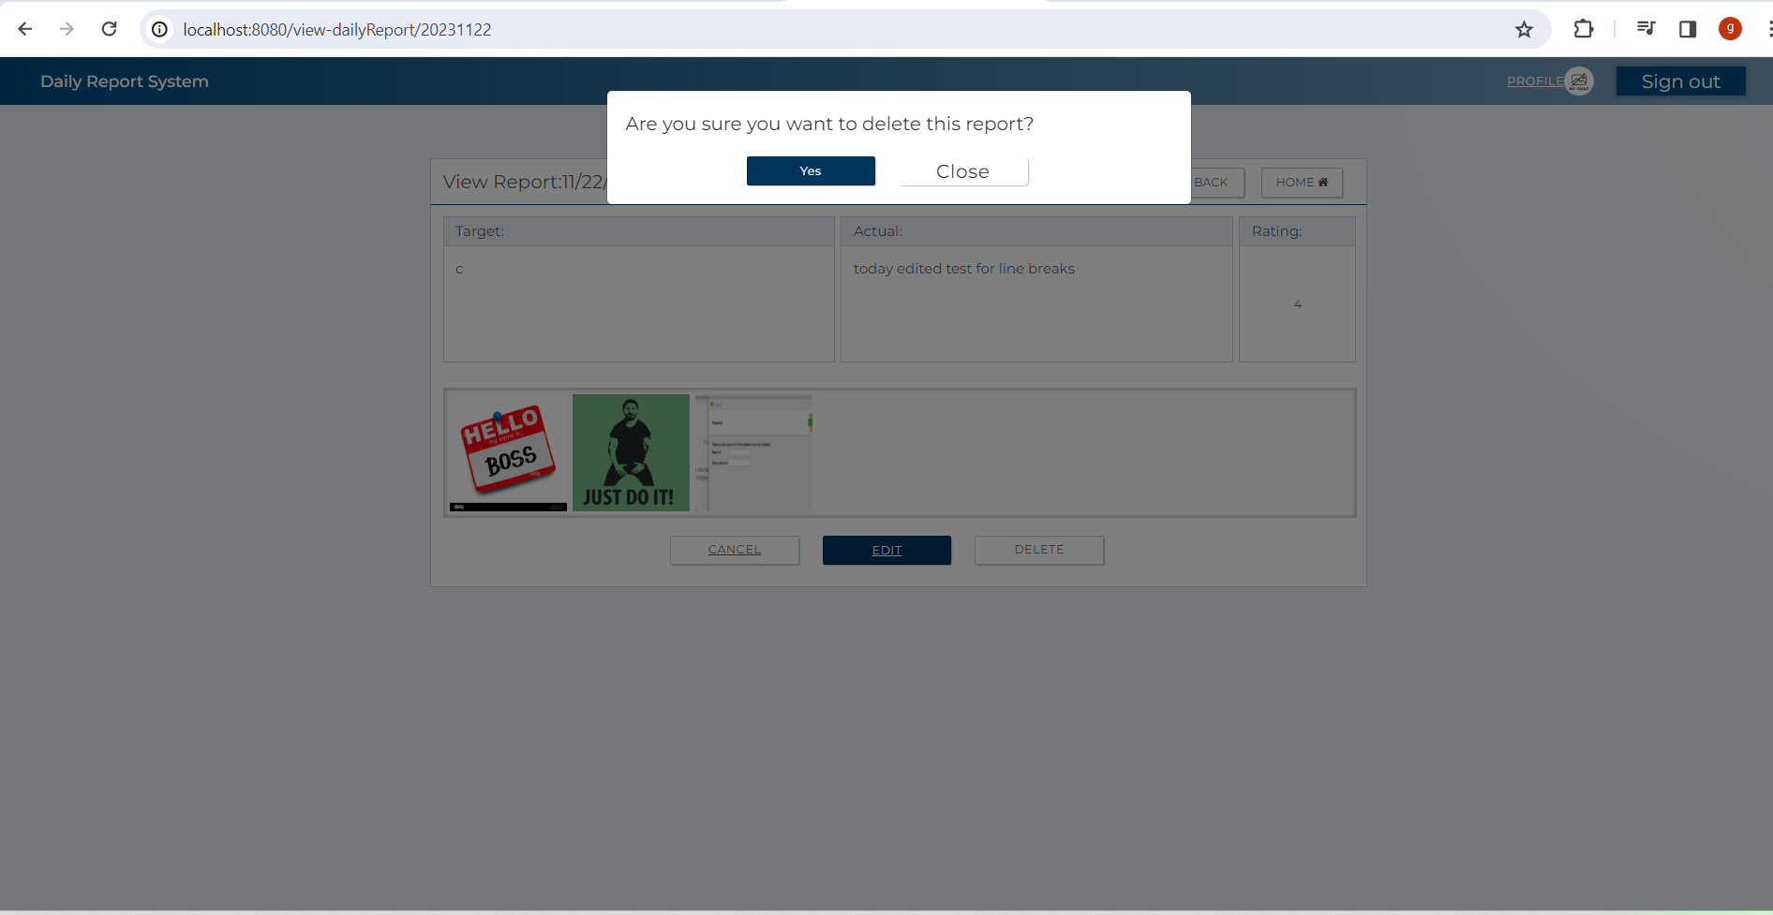


 | 5

 | 6
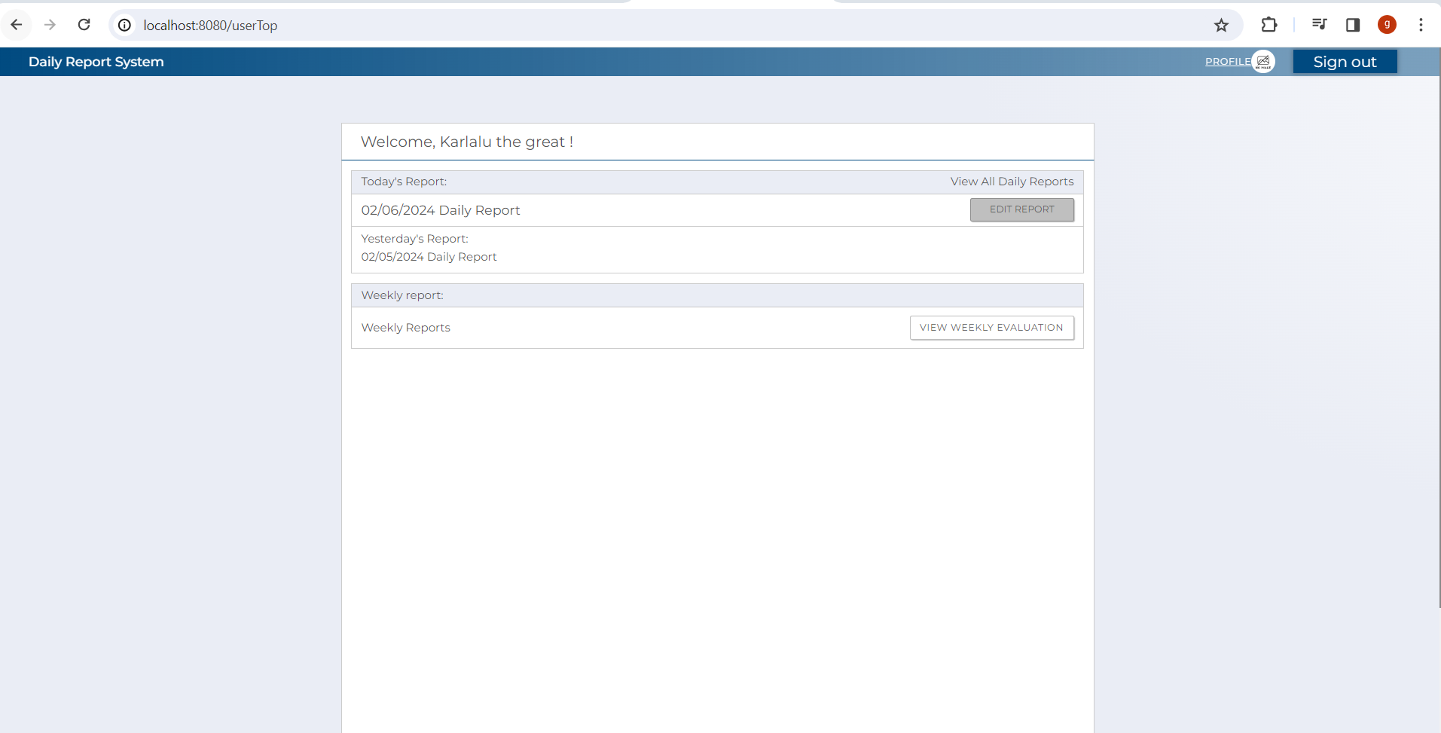

 | 7

 | 8

 | 9

 | 10

4.2.Service
(1) C0 Coverage
 | Test Files |  |  | Main file

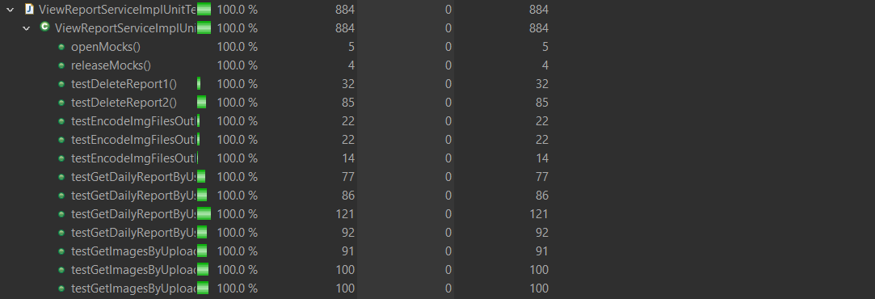

# ViewReportServiceImpl.java、 ViewReportServiceImplUnit_Test.java

 | (2)C01
 | Test cases | Criteria | Result |  | Test Indicator | Result | Date | Implementer
 | testgGetDailyReportByUsernameAndReportDate1() | When entity is null | Successful Completion |  | N | 〇 | 2024-02-02 | glaze
 | testgGetDailyReportByUsernameAndReportDate2() | when entity is not null but empty | Successful Completion |  | N | 〇 | 2024-02-02 | glaze
 | testgGetDailyReportByUsernameAndReportDate3() | when entity is not null and not empty and attachedFileEntities is not null and not empty and finalEvaluationEntity is not equal to null | Successful Completion |  | I | 〇 | 2024-02-02 | glaze
 | testgGetDailyReportByUsernameAndReportDate4() | when entity is not null and not empty and attachedFileEntities is equal to null and finalEvaluationEntity is equal to null | Successful Completion |  | I | 〇 | 2024-02-02 | glaze
 | testEncodeImgFilesOutDto1() | when filepaths is not null and not empty but have an exception | Successful Completion |  | I | 〇 | 2024-02-02 | glaze
 | testEncodeImgFilesOutDto2() | when filepaths is not null and not empty and no exception | Successful Completion |  | I | 〇 | 2024-02-02 | glaze
 | testEncodeImgFilesOutDto3() | when filepaths is null | Successful Completion |  | I | 〇 | 2024-02-02 | glaze
 | testGetImagesByUploaderAndDailyReportIdpk1() | when evalAttachedFileUser is not empty and not null and finalEvaluationEntityis not null and evalAttachedFileEvaluator is not null and filepath is not null | Successful Completion |  | I | 〇 | 2024-02-02 | glaze
 | testGetImagesByUploaderAndDailyReportIdpk2() | when evalAttachedFileUser is null and finalEvaluationEntityis null evalAttachedFileEvaluator is null and filepath is null | Successful Completion |  | I | 〇 | 2024-02-05 | glaze
 | testGetImagesByUploaderAndDailyReportIdpk3() | when evalAttachedFileUser is null and finalEvaluationEntityis not null and evalAttachedFileEvaluator is null | Successful Completion |  | I | 〇 | 2024-02-05 | glaze
 | testDeleteReport1() | when report.get(0).getStatus() is not equal to "1" | Successful Completion |  | I | 〇 | 2024-02-05 | glaze
 | testDeleteReport2() | when report.get(0).getStatus() is equal to "1" | Successful Completion |  | I | 〇 | 2024-02-05 | glaze

4.3 Logic
(1) C0 Coverage
 | Test Files |  | Main file

# ViewReportLogicImpl.java.java ,ViewReportLogicImplUnitTest.java

 | (2)C01
 | Test cases | Criteria | Result |  | Test Indicator | Result | Date | Implementer
 | testGetFinalEvalDetails() | Nothing in particular | Successful Completion |  | N | 〇 | 2024-02-05 | glaze
 | testListOfImagePathsBasedOnReportIdPkAndUserIdPk() | Nothing in particular | Successful Completion |  | I | 〇 | 2024-02-05 | glaze

(1) C0 Coverage
 | Test Files |  |  | Main file

# createReportLogicImpl.java.java ,createReportLogicImplUnitTest.java

 | (2)C01
 | Test cases | Criteria | Result |  | Test Indicator | Result | Date | Implementer
 | testGetDailyReportByUserIdAndDate() | Nothing in particular | Successful Completion |  | N | 〇 | 2024-02-05 | glaze

(1) C0 Coverage
 | Test Files |  | Main file

# EditReportLogicImpl.java.java ,EditReportLogicImplUnitTest.java

 | (2)C01
 | Test cases | Criteria | Result |  | Test Indicator | Result | Date | Implementer
 | TestGetReportDetailsFromEvalAttachedFileEntity() | Nothing in particular | Successful Completion |  | I | 〇 | 02/05/024 | glaze

(1) C0 Coverage
 | Test Files |  | Main file
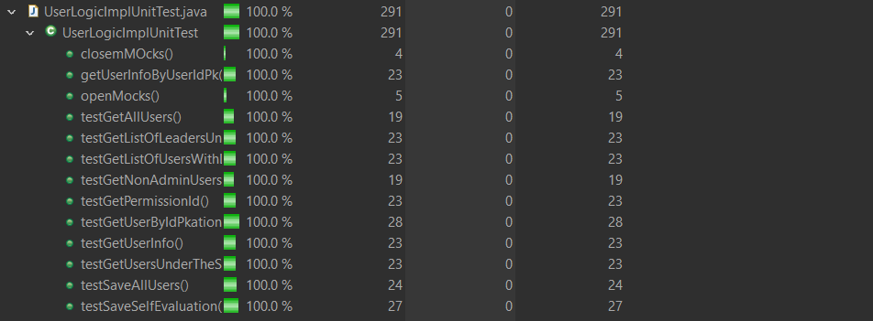
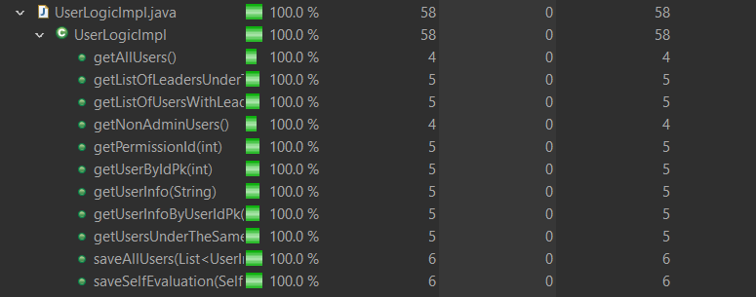

#UserLogicImpl.java.java ,UserLogicImplUnitTest.java

 | (2)C01
 | Test cases | Criteria | Result |  | Test Indicator | Result | Date | Implementer
 | testGetUserByIdPk() | Nothing in particular | Successful Completion |  | N | 〇 | 020/5/2024 | glaze

