2. Init Display
C-2
C-1
1. Initial display (screen layout)
 | 1.1 Leader Top Screen
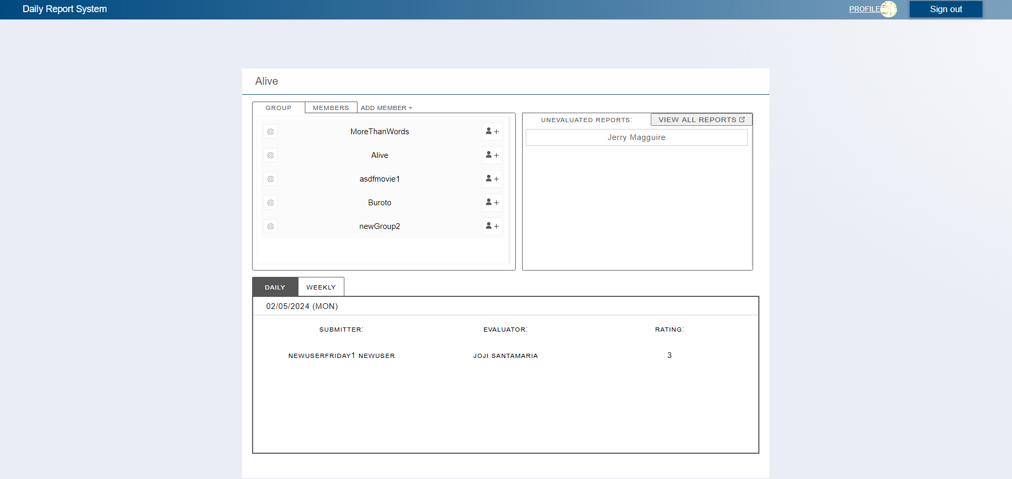
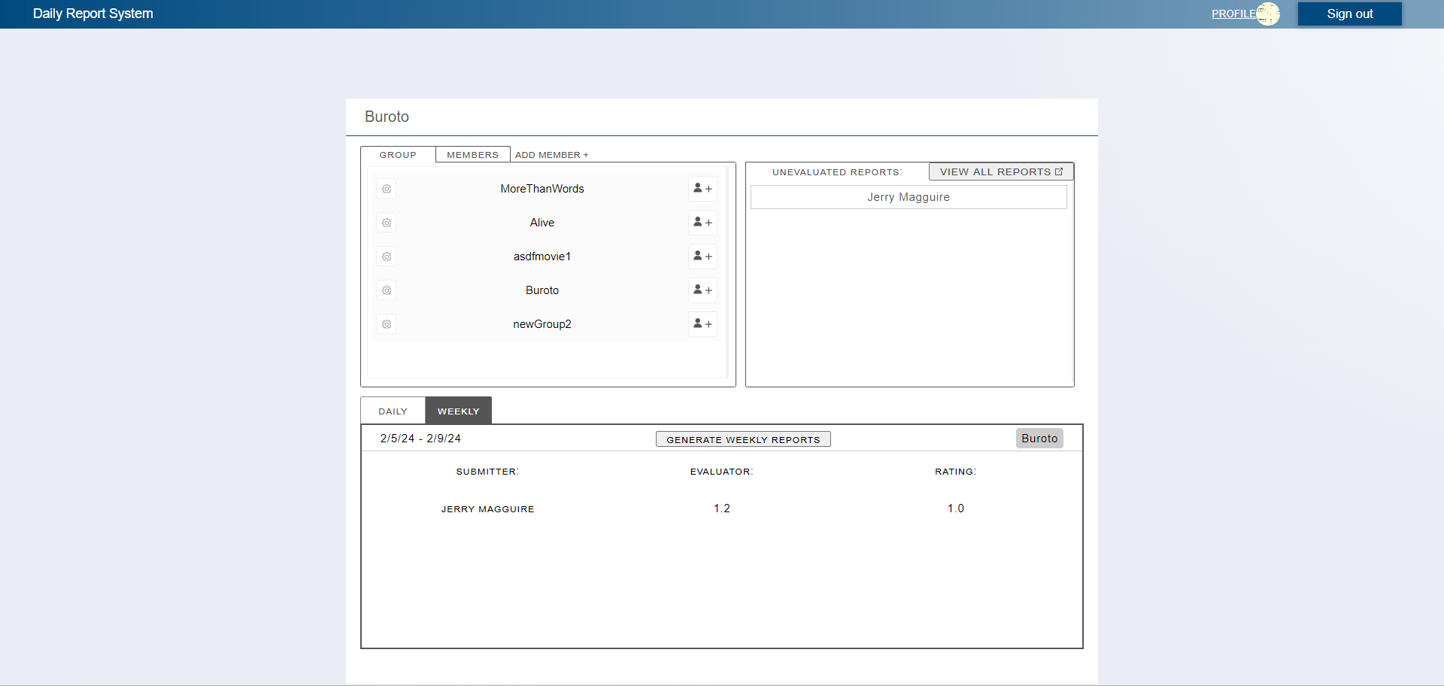
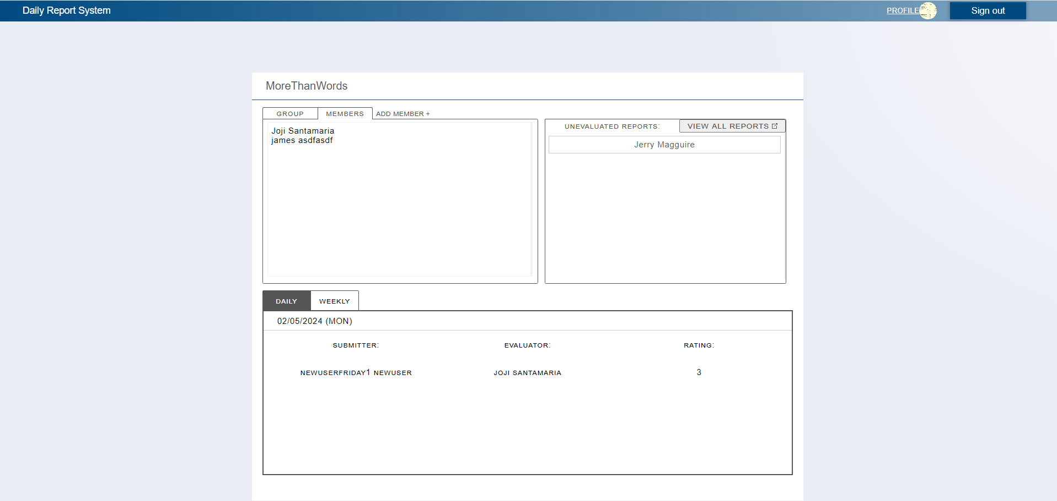

C-4
C-5
C-3
C-7

C-6
B-1
B-9
C-8 B-6

C-10

B-10
B-5

C-9 B-2
B-3
B-4
C-11
B-7
B-8

 | No | Area | Item Name | Notes | Source table fields
 | 1 | B-1 | Group | Show all group names associated to the leader | M_GROUP.idPk, M_GROUP.groupName
 | 2 | B-2 | Report's Submitter | Report's Submitter Name | M_USER_INFORMATION.firstName,M_USER_INFORMATION.lastName
 | 3 | B-3 | Report's Evaluator | Report's Evaluator Name | M_USER_INFORMATION.firstName,M_USER_INFORMATION.lastName
 | 4 | B-4 | Rating | See Rating of the report | T_FINAL_EVALUATION.rating
 | 5 | B-5 | Today's Date | Today's Date | LocalDateTime.now()
 | 6 | B-6 | User's name | User's Name | M_USER_INFORMATION.firstName,M_USER_INFORMATION.lastName
 | 7 | B-7 | Average Rating | Calculated Average Rating | T_FINAL_EVALUATION.rating divided by 5
 | 8 | B-8 | Final Rating | Calculated Final Rating | T_FINAL_EVALUATION.rating dividded by 5 and rounded off
 | 9 | B-9 | Group Members | View Group's Members | M_USER_INFORMATION.firstName,M_USER_INFORMATION.lastName
 | 10 | B-10 | Group Selected | Group Selected By Leader | M_GROUP.groupName
 | 11 | C-1 | Logout | Logout from the web application | Logout from the web application
 | 12 | C-2 | Profile | Move to profile page | Move to profile page
 | 13 | C-3 | View Group | View All Group | M_GROUP.idPk, M_GROUP.groupName
 | 14 | C-4 | View Members | View All Members | M_USER_INFORMATION.firstName,M_USER_INFORMATION.lastName
 | 15 | C-5 | View Members | Move to the screen where leader can create a user | Move to the screen where leader can create a user
 | 16 | C-6 | Configure Group | Move to the configuration group screen | Move to the configuration group screen
 | 17 | C-7 | View All Reports | Move to the screen where leader can see all the reports | Move to the screen where leader can see all the reports
 | 18 | C-8 | View Report | Move to the screen where leader can evaluate the report | Move to the screen where leader can evaluate the report
 | 19 | C-9 | View Evaluated Report | Move to the screen where leader can see the evaluated report | Move to the screen where leader can see the evaluated report
 | 20 | C-10 | View Daily Evaluated Report | View Daily Evaluated Reports | M_USER_INFORMATION.firstName,M_USER_INFORMATION.lastName, T_FINAL_EVALUATION.rating
 | 21 | C-11 | View Weekly Result | View Weekly Result | M_USER_INFORMATION.firstName,M_USER_INFORMATION.lastName, T_FINAL_EVALUATION.rating

