1.1.InitDisplay(AdminTop)
 | 1. Initial Display
 |  | 1.1. Admin Top

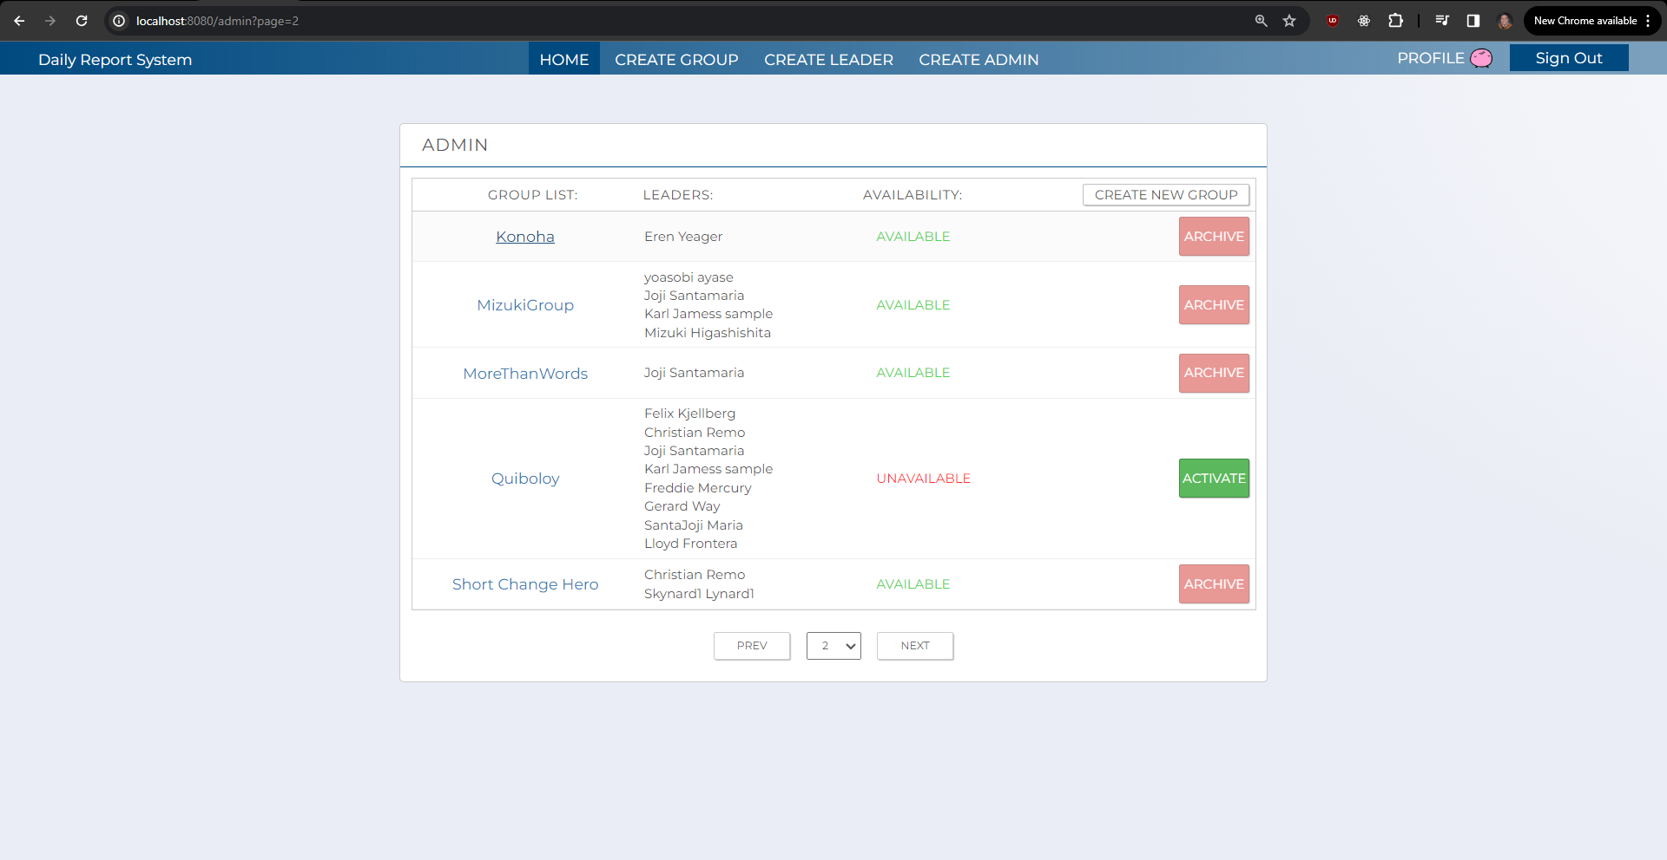
 |  |  |  | paste here

C-3
C-4
C-5
C-6
C-2
C-1

C-4

C-9

B-2
C-7
B-1
B-3

C-8

C-11
C-10
C-12

i

 |  | [The following items are displayed on the screen items]

 |  | No | Area | Points to check | Remarks | Source table fields
 |  | 1 | B-1 | Group Name | Shows the name of the Group. | M_GROUP.group_name
 |  | 2 | B-2 | Leader List | Shows the names of the leader present in the group. | M_USER_INFORMATION.first_name, M_USER_INFORMATION.last_name
 |  | 3 | B-3 | Availability | Shows if the group is available or not (Archived/Activated). | M_GROUP.delete_flg
 |  | 4 | C-1 | Sign Out | Button | Logout the user from Admin web application.
 |  | 5 | C-2 | Profile | Hyperlink | Move to user profile screen.
 |  | 6 | C-3 | Home | Hyperlink | Move to Admin landing page.
 |  | 7 | C-4 | Create Group | Hyperlink | Move to group creation page.
 |  | 8 | C-5 | Create Leader | Hyperlink | Move to leader creation page.
 |  | 9 | C-6 | Create Admin | Hyperlink | Move to admin creation page.
 |  | 10 | C-7 | Archive | Button | Show if the user wants to archive the selected group.
 |  | 11 | C-8 | Activate | Button | Show if the user wants to activates the selected group.
 |  | 12 | C-9 | Group Configuration | Hyperlink | Move to configuration groupion page.
 |  | 13 | C-10 | Page Dropdown | Dropdown List | Show the total number of pages of list of groups.
 |  | 14 | C-11 | Previous Page | Button | Show the previous page of list of groups.
 |  | 15 | C-12 | Next Page | Button | Show the next page of list of groups.

1.2.ArchiveConfirm(AdminTop)
1. Initial Display
 | 1.2. ArchiveConfirmation - Admin Top

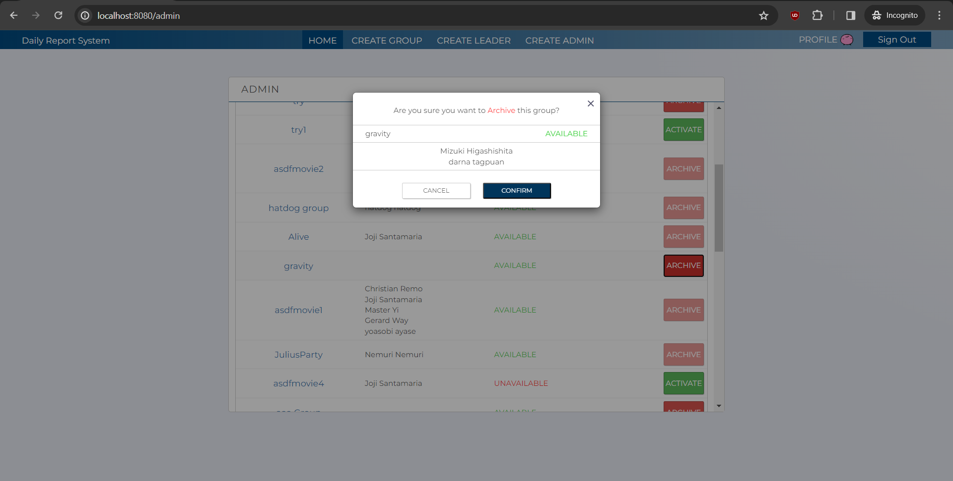
C-1
C-2
B-2
B-1
B-3

 | [The following items are displayed on the screen items]

 | No | Area | Points to check | Remarks | Source table fields
 | 1 | B-1 | Group Name | Shows the name of the Group. | M_GROUP.group_name
 | 2 | B-2 | Leader List | Shows the names of the leader present in the group. | M_USER_INFORMATION.first_name, M_USER_INFORMATION.last_name
 | 3 | B-3 | Availability | Shows if the group is available or not (Archived/Activated). | M_GROUP.delete_flg
 | 4 | C-1 | Confirm | Button | Archives the group and returns back to the homepage.
 | 5 | C-2 | Cancel | Button | Cancels the archiving of the group and returns to the home page

1.3.ActivateConfirm(AdminTop)
1. Initial Display
 | 1.3. ActivateConfirmation - Admin Top

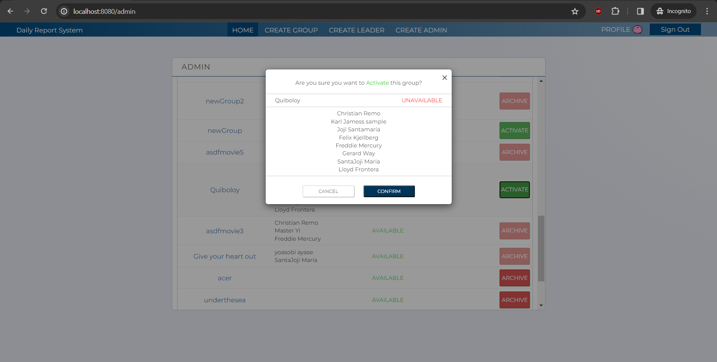
C-1
C-2
B-2
B-1
B-3

 | [The following items are displayed on the screen items]

 | No | Area | Points to check | Remarks | Source table fields
 | 1 | B-1 | Group Name | Shows the name of the Group. | M_GROUP.group_name
 | 2 | B-2 | Leader List | Shows the names of the leader present in the group. | M_USER_INFORMATION.first_name, M_USER_INFORMATION.last_name
 | 3 | B-3 | Availability | Shows if the group is available or not (Archived/Activated). | M_GROUP.delete_flg
 | 4 | C-1 | Confirm | Button | Activates the group and returns back to the homepage.
 | 5 | C-2 | Cancel | Button | Cancels the activating of the group and returns to the home page.

