1.1 Initial Display
1. Initial display (screen layout)
 | 1.1. GroupCreate Screen

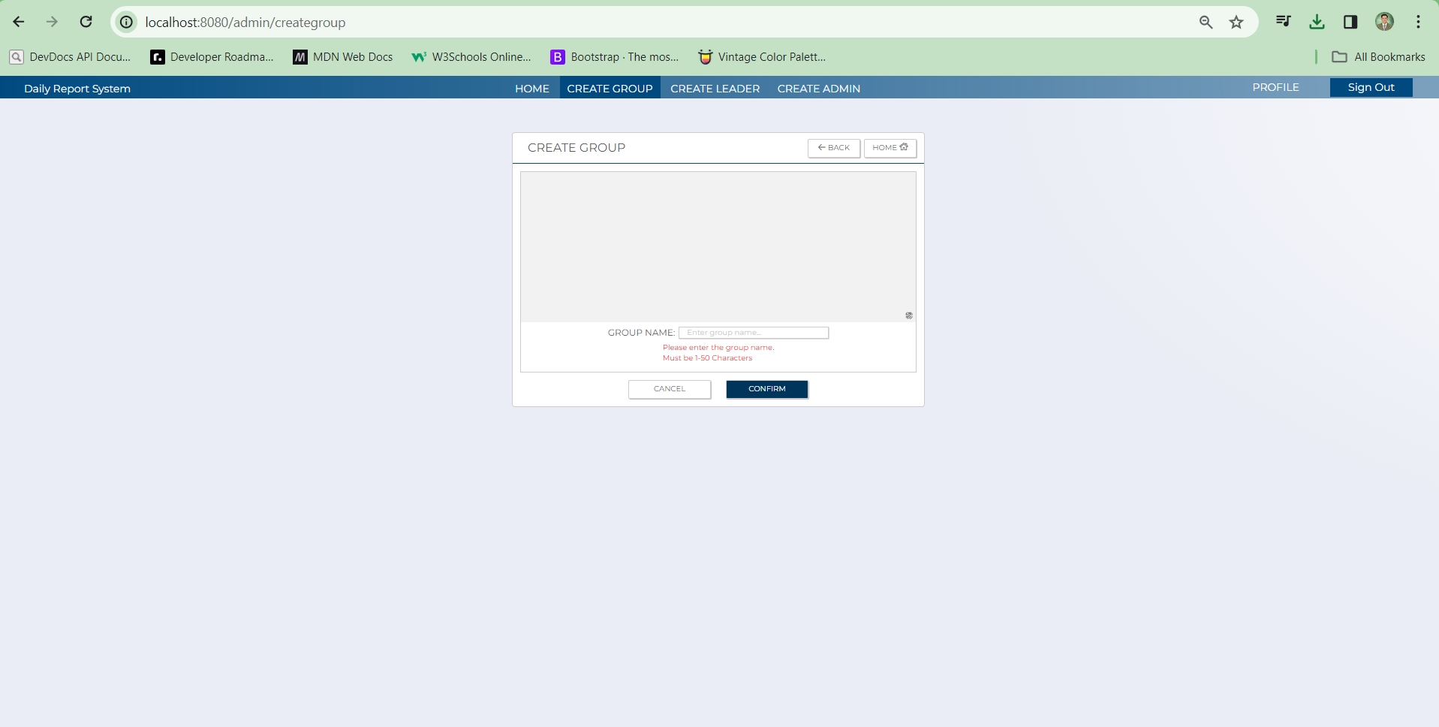
C-6
C-5
C-4
C-3
C-2
C-1

C-6
C-10
B-2

A-1
C-7
B-1

C-9
C-8

No | Area | Item Name | Notes | Source table fields
1 | A-1 | Group name | Fill up | m_group.grooup_name
2 | B-1 | Error message | Displays the error message | Error message display
3 | B-2 | Preview group photo | Displays the chosen group photo | m_group.display_photo
4 | C-1 | Sign out | Button | Logout and proceed to the Login page
5 | C-2 | Profile | Navbar for Profile page | Takes the admin to their profile page
6 | C-3 | Create Admin | Navbar for Create Admin page | Takes the admin to the Create Admin page
7 | C-4 | Create Leader | Navbar for Create Leader page | Takes the admin to the Create Leader page
8 | C-5 | Create Group | Navbar for Create Group page | Takes the admin to the Create Group page
9 | C-6 | Home | Navbar for Home page | Takes the admin to the Home page
10 | C-7 | Choose Group Image | Button | Browse photos to upload for the Group photo
11 | C-8 | Confirm | Button | Confirms the submission and redirect to the confirmation page
12 | C-9 | Cancel | Button | Cancel creation of group
13 | C-10 | Back | Button | Takes the admin to the previous page they are in

1.2 Confirmation Screen
1.2 Confirmation Screen

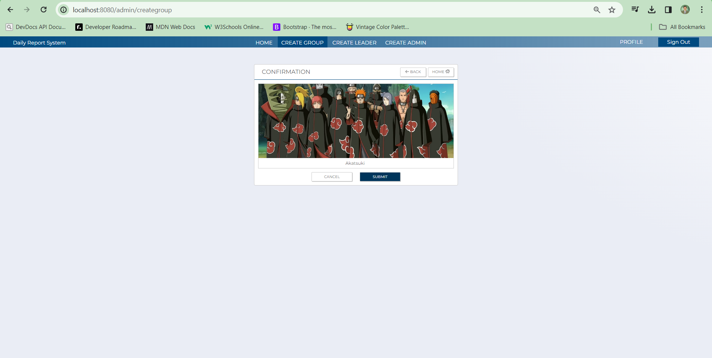

C-2
B-2

B-1
C-3
C-1

No | Area | Item Name | Notes | Source table fields
1 | B-1 | Group Name | Displays the Group name | m_group.grooup_name
2 | B-2 | Group photo | Displays the Group photo | m_group.display_photo
3 | C-1 | Confirm | Button | Submit and save the new group
4 | C-2 | Back | Button | Takes the admin to the previous page they are in
5 | C-3 | Cancel | Button | Cancel the group creation

5.2 Service
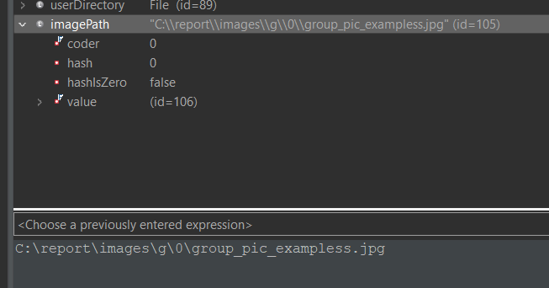
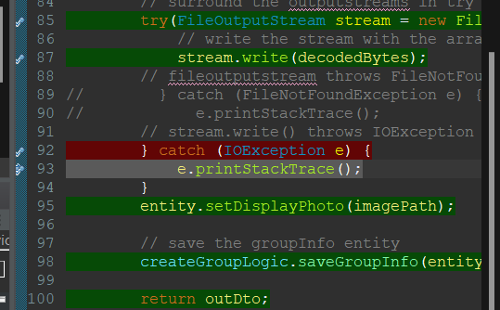
(2) C0 Coverage

 | Test Files |  | Main file

# GroupServiceImpl , GroupServiceImplTest
 | Test cases | Criteria | Result | Test Indicator | Result | Date | Implementer
 | testgetUserPermission() | nothing in particular | Successful completion | N
 | testAssignLeaderToGroup1() | nothing in particular | Successful completion | N
 | testGetUserInfoWithGroupInfoByUserIdPk1() | user is not null | Successful completion | N
 | testGetUserInfoWithGroupInfoByUserIdPk1() | user is null | Successful completion | N
 | testSaveExistingUserAsAdmin() | nothing in particular | Successful completion | N
 | testRemoveLeaderFromGroup() | nothing in particular | Successful completion
 | testIsGroupExist1() | variable is positive number | Successful completion
 | testIsGroupExist2() | variable is negative number | Successful completion
 | testConvertMultipartImageToStrings1() | variable "bytes" has a value and MockMultipartFile has an actual value | Successful completion
 | testConvertMultipartImageToStrings2() | variable "bytes" don’t exist and MockMultipartFile has a Mock value | Successful completion
 | testMovingTemporaryImageToFinalFolder1() | userDirectory only reads and userDirectoryPath's file name does not exist | Successful completion
 | testMovingTemporaryImageToFinalFolder2() | userDirectory deletes and userDirectoryPath's file name exist | Successful completion
 | testConvertedImageFromTheDatabaseToBase64_NotEmpty() | imageFile has an existing file route | Successful completion
 | testConvertedImageFromTheDatabaseToBase64_Empty() | imageFile has no existing file route | Successful completion
 | testRandomSelectedGroupIdPkWhereLeaderBelonged1() | groupInfo is not null | Successful completion
 | testRandomSelectedGroupIdPkWhereLeaderBelonged2() | groupInfo is null | Successful completion

# AdminCreateGroupServiceImpl, AdminCreateGroupServiceImplTest

 | Test cases | Criteria | Result | Test Indicator | Result | Date | Implementer
 | testSaveGroupInfo1() | when userDirectory exists | Successful completion | N
 | testSaveGroupInfo2() | when userDirectory doesn't exist | Successful completion | N
 | testSaveGroupInfo3() | IOException catch - Unavailable file path "\\report\\images\\g\\0\\group_pic_exampless.jpg" | Successful completion | N

 | Evidence Captured
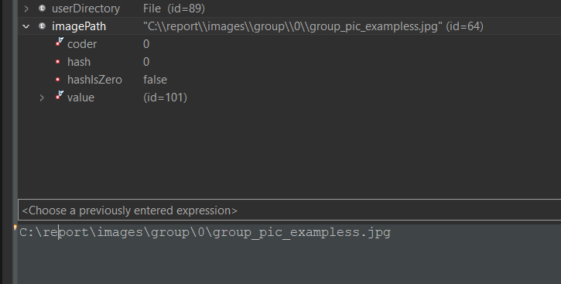

 | 2

