1.1.InitDisplay(AdminGroupConf)
1. Initial Display
 | 1.1. Group Configuration Page

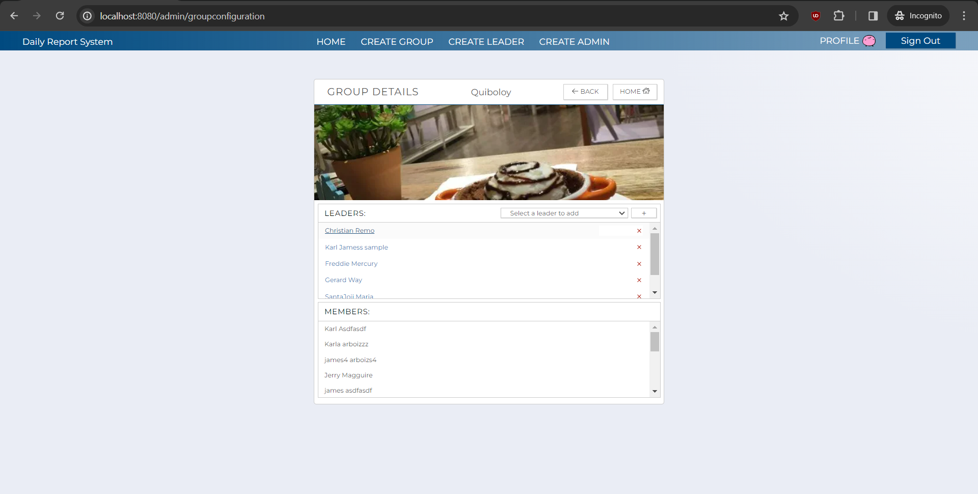
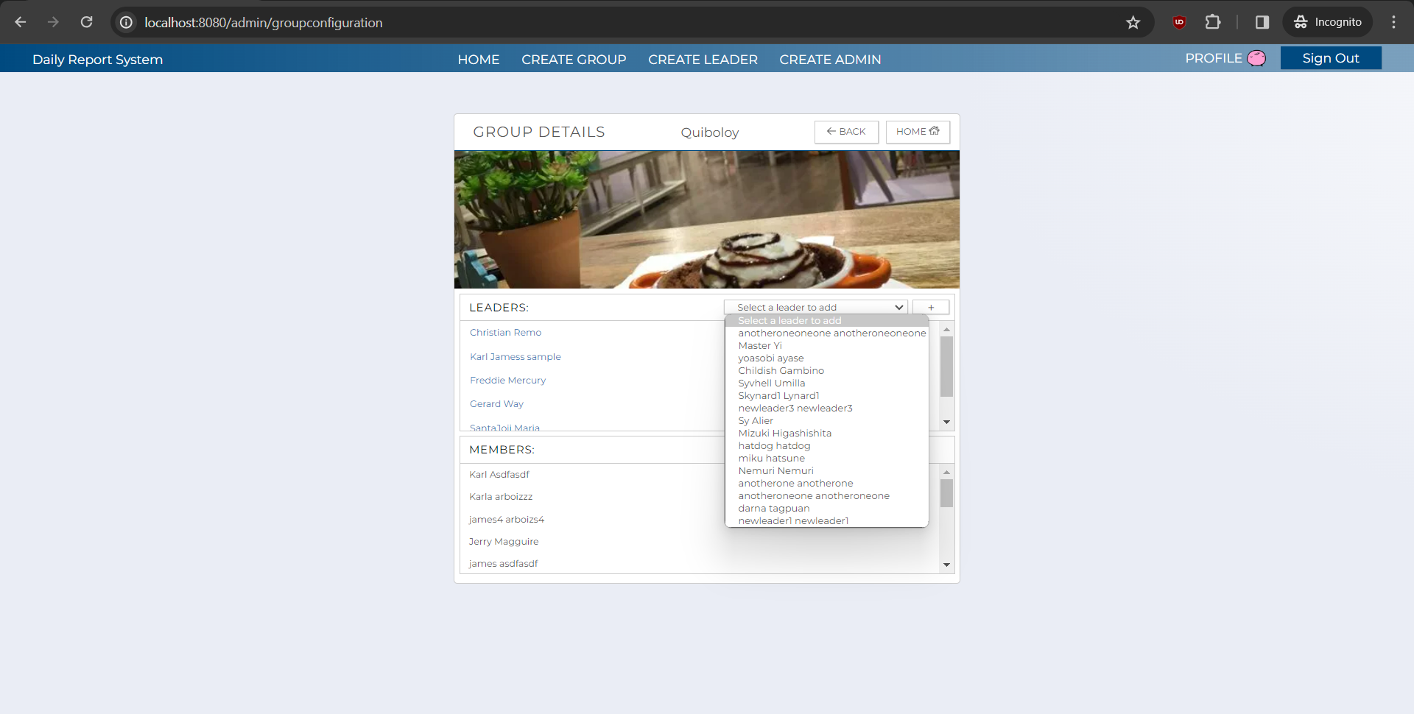
C-3
C-4
C-5
C-6
C-2
C-1
C-11
C-10
C-7
C-3
C-8
C-9
B-1
B-2
B-3
B-4

 |  |  |  |  |  | asdasd

 | [The following items are displayed on the screen items]

 | No | Area | Points to check | Remarks | Source table fields
 | 1 | B-1 | Group Name | Shows the name of the Group. | M_GROUP.group_name
 | 2 | B-2 | Leader List | Shows the names of the leader present in the group. | M_USER_INFORMATION.first_name, M_USER_INFORMATION.last_name
 | 3 | B-3 | Member List | Shows the names of the users present in the group. | M_USER_INFORMATION.first_name, M_USER_INFORMATION.last_name
 | 4 | B-4 | Leader List (to be added) | Shows the names of leaders that can be added in the group. | M_USER_INFORMATION.first_name, M_USER_INFORMATION.last_name
 | 5 | C-1 | Sign Out | Button | Logout the user from Admin web application.
 | 6 | C-2 | Profile | Hyperlink | Move to user profile screen.
 | 7 | C-3 | Home | Hyperlink / Button | Move to Admin landing page.
 | 8 | C-4 | Create Group | Hyperlink | Move to group creation page.
 | 9 | C-5 | Create Leader | Hyperlink | Move to leader creation page.
 | 10 | C-6 | Create Admin | Hyperlink | Move to admin creation page.
 | 11 | C-7 | Back | Button | Move back to the previous page.
 | 12 | C-8 | Remove Leader | Button | Show if the user wants to remove the leader in the group.
 | 13 | C-9 | Leader Information Edit | Hyperlink | Move to leader information editing page.
 | 14 | C-10 | Leader List (to be added) | Dropbown Button | Shows a list of leaders that can be added in the group.
 | 15 | C-11 | Add Leader | Button | Show if the user wants to add the selected leader from the dropdown list.

1.2.AddLeadConf(AdminGroupConf)
1. Initial Display
 | 1.2. AddLeaderConfirmation - AdminGroupConfigure

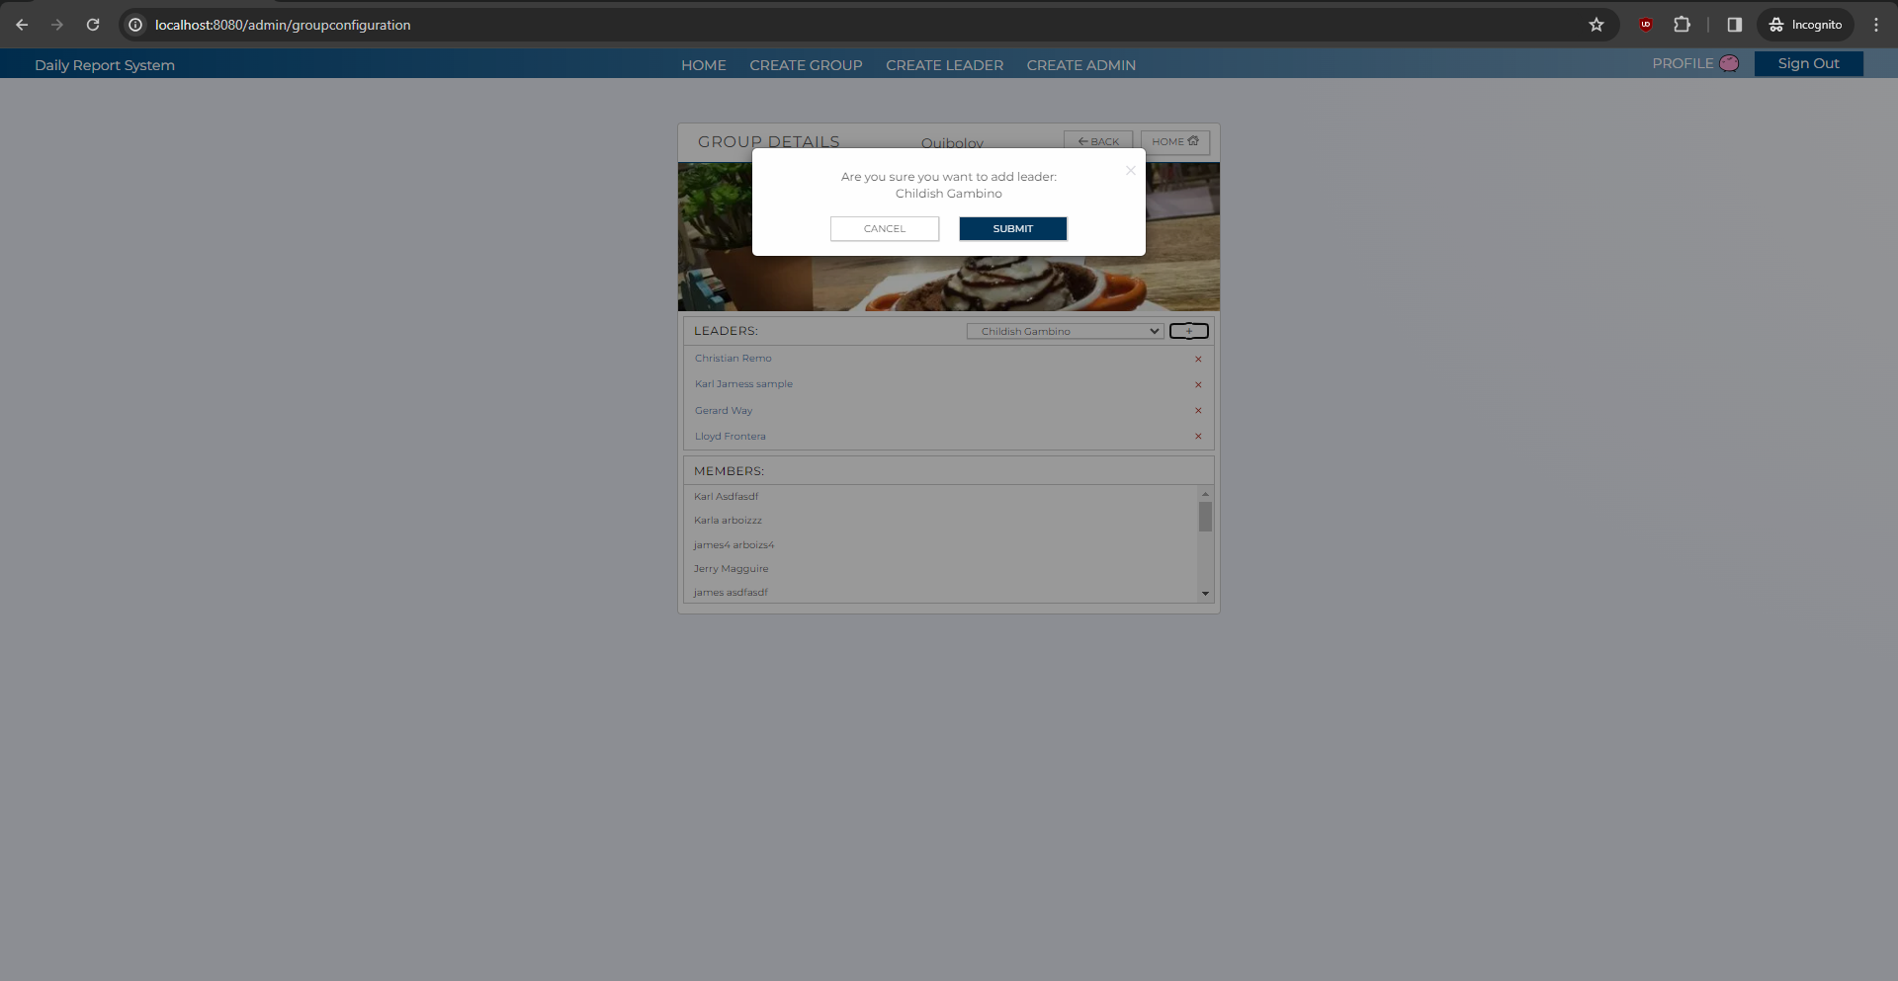
C-1
C-2
B-1

 |  |  |  |  |  | asdasd

 | [The following items are displayed on the screen items]

 | No | Area | Points to check | Remarks | Source table fields
 | 1 | B-2 | Leader Name | Displays the name of the leader that will be added in the group. | M_USER_INFORMATION.first_name, M_USER_INFORMATION.last_name
 | 2 | C-1 | Submit | Button | Confirms the addition of the selected leader to the group and returns to the homepage.
 | 3 | C-2 | Cancel | Button | Cancels the addition of leader and returns back to the group configuration page.

1.3.RemLeadConf(AdminGroupConf)
1. Initial Display
 | 1.2. RemoveLeaderConfirmation - AdminGroupConfigure

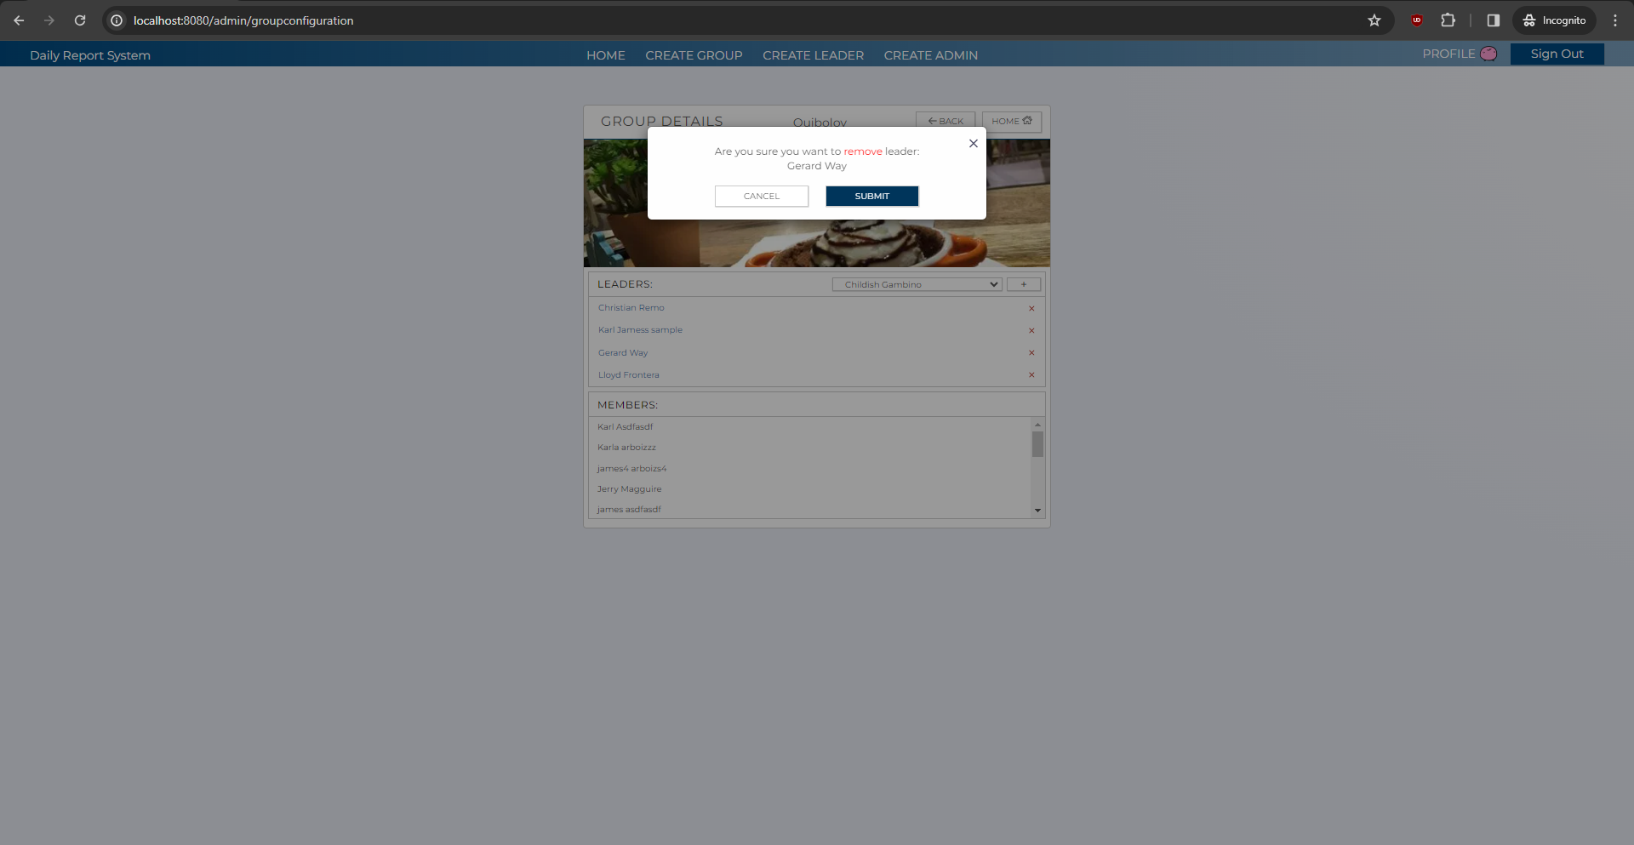
C-1
C-2
B-1

 | [The following items are displayed on the screen items]

 | No | Area | Points to check | Remarks | Source table fields
 | 1 | B-1 | Leader List | Displays the name of the leader you want to remove from the group. | M_USER_INFORMATION.first_name, M_USER_INFORMATION.last_name
 | 2 | C-1 | Submit | Button | Removes the leader from the group and moves to the homepage.
 | 3 | C-2 | Cancel | Button | Cancels the removal of the leader and returns back to the group configuration page.

