1.Initial Display
1. Initial display (screen layout)
 | 1.1. LeaderCreate Screen

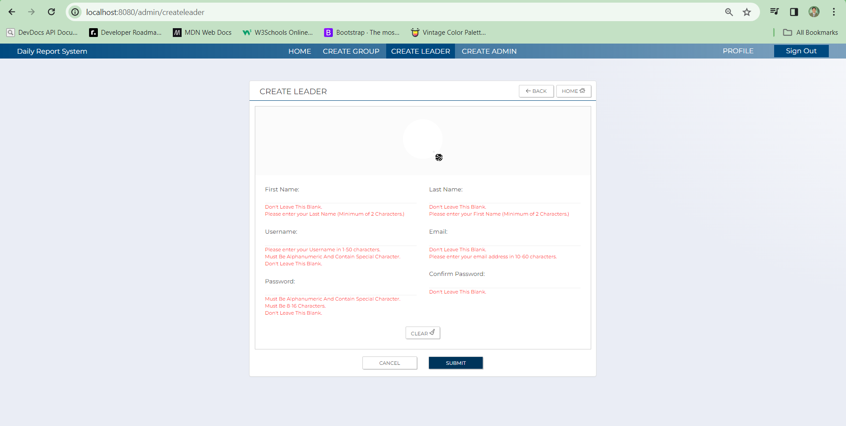
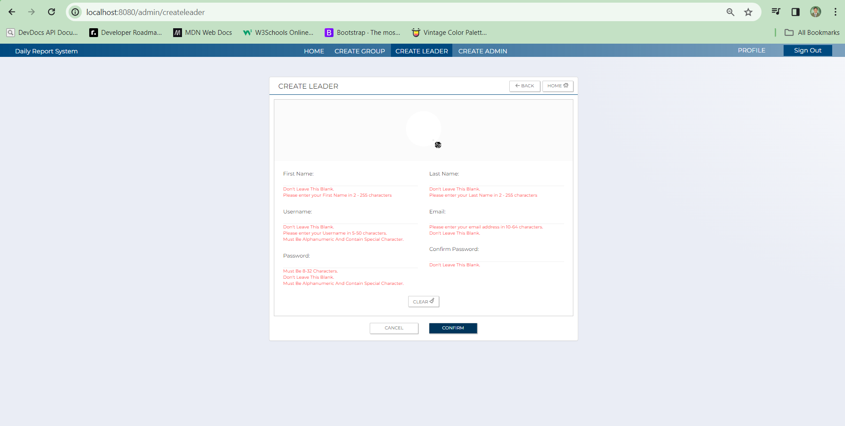
C-6
C-5
C-4
C-3
C-2
C-1
C-6
C-5
C-4
C-3
C-2
C-1

C-9
C-9
C-6
C-6

A-7
A-7

A-2
A-3
A-2
A-3

A-1
A-4
A-1
A-4
A-5
A-6

B-1
A-6
A-5
C-8
B-1
C-10
C-7
C-8

C-10
C-7

 | No | Area | Item Name | Notes | Source table fields
 | 1 | A-1 | Username | Fill up | m_user_information.username
 | 2 | A-2 | First Name | Fill up | m_user_information.first_name
 | 3 | A-3 | Last Name | Fill up | m_user_information.last_name
 | 4 | A-4 | Email Address | Fill up | m_user_information_mail_address
 | 5 | A-5 | Password | Fill up | m_user_info_account.password
 | 6 | A-6 | Confirm Password | Fill up | m_user_info_account.password
 | 7 | A-7 | Image Upload | Upload image | m_user_information.display_picture
 | 8 | B-1 | Error message | Displays the error message | error message
 | 9 | C-1 | Logout | Button | Logout and proceed to the Login page
 | 10 | C-2 | Profile | Navbar | Takes the admin to their profile page
 | 11 | C-3 | Create Admin | Navbar | Takes the admin to the Create Admin page
 | 12 | C-4 | Create Leader | Navbar | Takes the admin to the Create Leader page
 | 13 | C-5 | Create Group | Navbar | Takes the admin to the Create Group page
 | 14 | C-6 | Home | Button | Takes the admin to the Home page
 | 15 | C-7 | Confirm | Button | Confirms submission and redirect to the confirmation page
 | 16 | C-8 | Clear | Button | Clears all the input fields
 | 17 | C-9 | Back | Button | Takes the admin to the previous page they are in
 | 18 | C-10 | Cancel | Button | Cancel the creation of Leader and redirects to the Admin top page

1.2Confirmation Page
1. Initial display (screen layout)
 | 1.2. Confirmation Screen

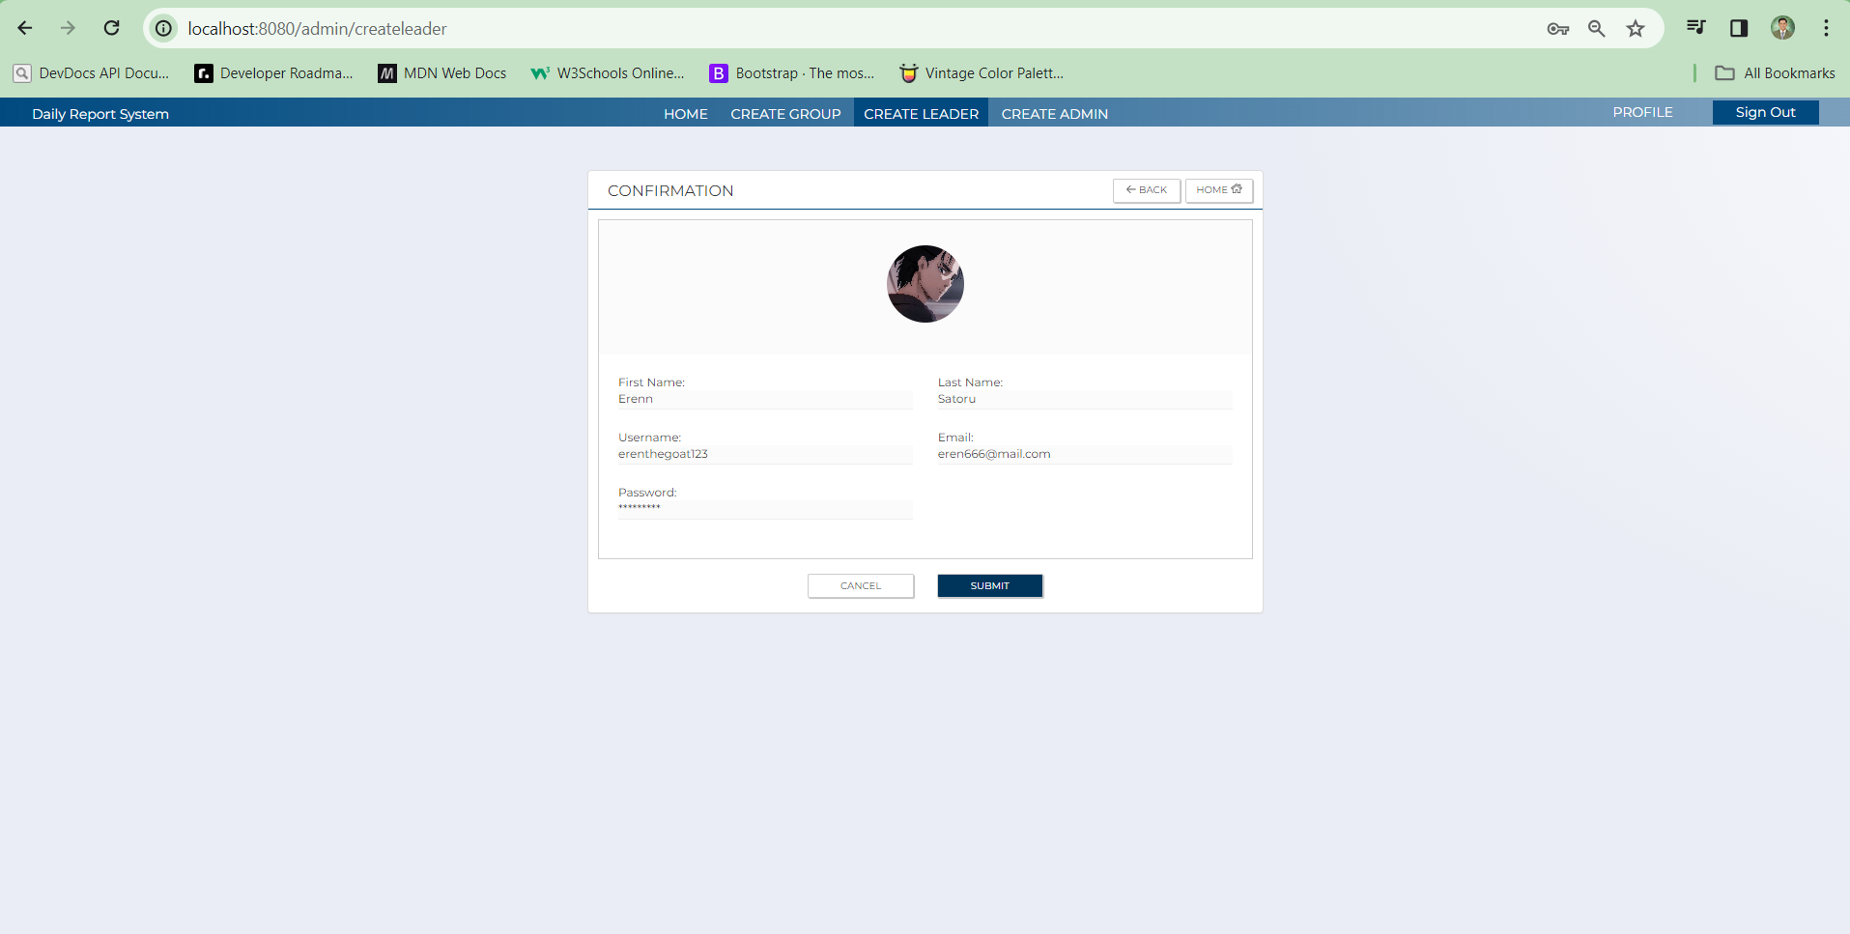

C-2
C-2
B-6
B-6

B-2
B-3
B-2
B-3
B-1
B-1
B-4
B-4
B-5
B-5
C-3
C-1
C-3
C-1

No | Area | Item name | Notes | Source table fields
1 | B-1 | Username | output from previous page | m_user_information.username
2 | B-2 | First Name | output from previous page | m_user_information.first_name
3 | B-3 | Last Name | output from previous page | m_user_information.last_name
4 | B-4 | Email Address | output from previous page | m_user_information_mail_address
5 | B-5 | Password | output from previous page | m_user_info_account.password
6 | B-6 | image upload | output from previous page | m_user_information.display_picture
7 | C-1 | Submit | Button | Create the new Leader
8 | C-2 | Back | Button | Go back to the Create Admin page
9 | C-3 | Cancel | Button | Cancel creation of new Admin

