1.1InitialDisplay(EditUser)
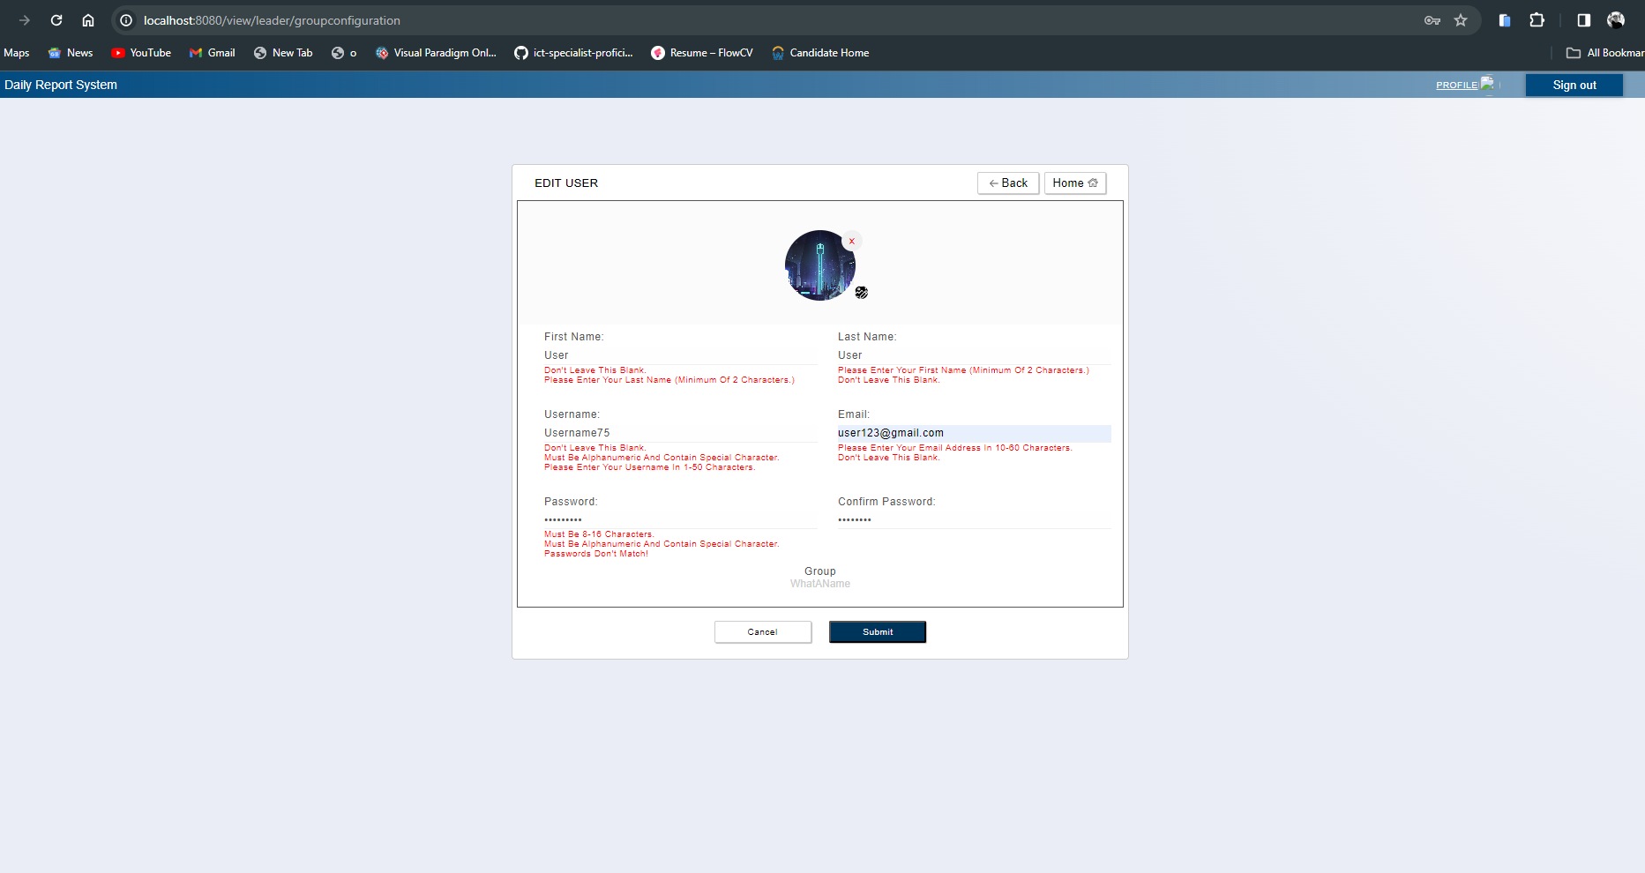
1. Initial display (screen layout)
 | 1.1. EditUser Screen

C-1

C-4
C-6

B-2

C-2, A-5

A-2
A-3

A-6
A-1

A-7
A-8

B-1
A-4

C-5
C-3

 | No | Area | Item Name | Notes | Source table fields
 | 1 | A-1 | Email Address | Fill up | m_user_information.email_address
 | 2 | A-2 | First Name | Fill up | m_user_information.first_name
 | 3 | A-3 | Last Name | Fill up | m_user_infromation.last_name
 | 4 | A-4 | Group | List | m_group.group_name
 | 5 | A-5 | Image/Upload image | Fill out /Image | jpg or png files only
 | 6 | A-6 | Username | Fill up | m_user_information.username
 | 7 | A-7 | Newpassword | Fill up/Optional for updating the password
 | 8 | A-8 | Confirm New Password | Fill up/Optional for updating the password
 | 9 | B-1 | Display error message when submit is pressed | Display Error Message/No output during normal conditions
 | 10 | B-2 | Display Picture when user has already upload image | Display Picture | m_user_information.display_picture
 | 11 | C-1 | Sign Out | Button | Logout from web application
 | 12 | C-2 | Upload Image | Button | Upload an image
 | 13 | C-3 | Submit | Button | Proceed to confirmation
 | 14 | C-4 | Back | Button | Move to previous screen
 | 15 | C-5 | Cancel | Button | Move to top screen
 | 16 | C-6 | Home | Button | Route user to leadertop

1.2ConfirmationPage
1. Initial display (screen layout)
 | 1.1. Confirmation Screen
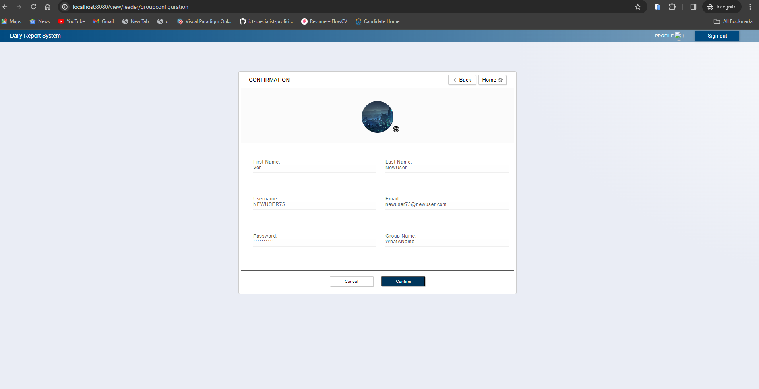

C-1

C-3
C-5

B-6

B-3
B-4

B-7
B-1

B-2
B-5

C-4
C-2

No | Area | Item name | Notes | Source table fields
1 | B-1 | Email Address | output from previous page/screen
2 | B-2 | Password | output from previous page/screen
3 | B-3 | First Name | output from previous page/screen
4 | B-4 | Last Name | output from previous page/screen
5 | B-5 | Group | output from previous page/screen
6 | B-6 | Image | output from previous page/screen
7 | B-7 | Username | output from previous page/screen
8 | C-1 | Sign Out | Button | Logout from web application
9 | C-2 | Save | Button | Proceed to confirmation
10 | C-3 | Back | Button | Move to previous screen Edit User
11 | C-4 | Cancel | Button | Move to top screen
12 | C-5 | Home | Button | Move to route user to leadertop

