Project1 excel
MEDICAL COST DASHBOARD

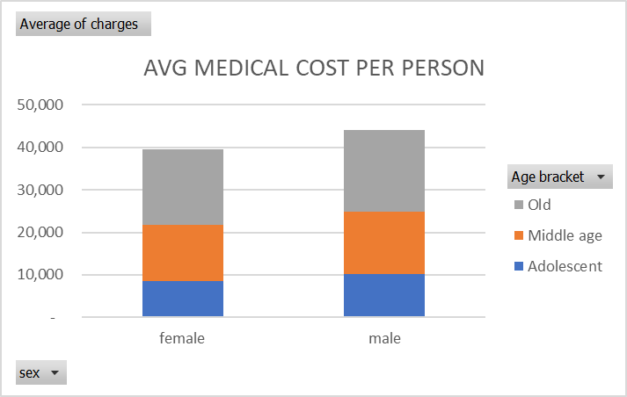

 | Total
no | 8,481
yes | 28,813
TRENDS IN MEDICAL COST BY REGION AND NUMBER OF CHILDREN
 | northeast | northwest | southeast | southwest
0 | 8,190 | 12,370 | 13,372 | 10,487
1 | 20,119 | 4,183 | 10,573 | 11,174
2 | 14,580 | 11,585 | 8,563 | 21,661
3 | 13,689 | 11,972 | 20,823 | 6,990
4 | 14,542 |  | 36,580 | 5,709
5 |  |  |  | 4,759

