Table 1

Climate Action Tracker
Methods Report Elaborating the decarbonisation roadmap
Climate Action Tracker Paris Agreement Compatible Sectoral Benchmarks August 2020

Executive summary
While national emissions trends are a useful tool for measuring government progress towards meeting the Paris Agreement 1.5˚C temperature limit at a global level, each government will have to address its own sectors, each with their own, different baseline. What should government sectoral benchmarks be? Will they meet the global carbon budget?
The Climate Action Tracker has defined and analysed a global-level series of Paris Agreement- compatible benchmarks, across four major sectors: Power, Transport, Industry, and Buildings. Within each sector, we define benchmarks for several separate but complementary indicators.
PARIS AGREEMENT COMPATIBLE BENCHMARKS FOUR MAJOR SECTORS
Power Transport Industry Buildings
We have also drilled down to present the benchmarks in these sectors for seven individual countries: Brazil, China, EU, India, Indonesia, South Africa, and the US, taking into account the current technical and infrastructure circumstances in each country. We have developed the benchmarks for both 2030 and 2050, with additional temporal resolution depending on the approach and indicator.
The data from this work has been added to the Climate Action Tracker interactive data portal https://climateactiontracker.org/data-portal, in addition to the visuals in the Summary Report.
We have identified the following key lessons: u Decarbonisation by 2050: the Paris Agreement requires the world to decarbonise by 2050: on average, all sectors need to decarbonise in this timeframe, albeit at slightly different rates. In this report, we have identified the potential for such rapid decarbonisation across all sectors. u Differences shrink: in terms of timing, benchmarks differ between countries and sectors, because they all start from a different base. But ultimately, governments must pursue all options in all sectors, and sometimes this will require support between countries u Benchmarks useful to assess progress: policymakers can use the benchmarks to assess the adequacy of interventions with respect to the Paris Agreement. Our benchmarks provide a guide as to the scale of change that needs to happen, and where - and when, leaving governments the freedom to meet them through different decarbonisation strategies. u Progress by 2030 is important: decarbonisation by 2050 alone is not sufficient; to keep carbon budgets within reach, progress must ramp up well before 2030. u Power sector is relatively advanced: the power sector is already making quite some progress in decarbonising, and it should continue to be a government priority, especially in avoiding new infrastructure incompatible with the Paris Agreement, such as coal-fired power plants. u Industry, transport, buildings need to advance significantly: these sectors are not yet moving as quickly as is necessary, and efforts to meet 2030 benchmarks must significantly ramp up.

Contents
Executive summary 1 Contents 2 Introduction 3 General Methods for Defining Paris Agreement-compatible Benchmarks 3 2.1 Global Integrated Assessment Models 3 2.2 Sectoral modelling 5 2.3 Literature review and national/regional studies 5 Power 8 3.1 Key mitigation options in the power sector 8 3.2 Sector-specific methods to define Paris Agreement-compatible benchmarks 8 Transport 19 4.1 Key mitigation options in the transport sector 19 4.2 Deriving benchmarks
CLIMATE ACTION TRACKER PARIS AGREEMENT COMPATIBLE SECTORAL BENCHMARKS 2
Introduction
In this document, we present the analysis and results for benchmark definition across four major sectors: Power, Transport, Industry, and Buildings. Within each sector, benchmarks for several separate but complementary indicators are defined. Please also see our Summary Report that shows similar information in a more condensed form.
The benchmarks are defined at the global level and for seven individual countries: Brazil, China, EU, India, Indonesia, South Africa, and the US. National level benchmarks take account for current technical and infrastructure circumstances in each country. Benchmarks are developed for 2030 and 2050 in all cases, with additional temporal resolution depending on the approach and indicator.
Because all sectors need to decarbonise by 2050, the 2050 benchmarks for 2050 are similar across all countries whereas the 2030 benchmarks provide an interim step on the pathway towards 2050.
General Methods for Defining Paris Agreement-compatible Benchmarks
The methods used in this study to define the Paris Agreement-compatible benchmarks include three main strands: extraction of results from global integrated assessment models, own analysis using bottom-up models, and information from existing literature. Here we explain the broad methods under each of these three strands and further explain the sector-specific details in each of the sector chapters below.
2.1 Global Integrated Assessment Models Integrated Assessment Models (IAMs) couple detailed models of energy system technologies with simplified economic and climate science models to provide a suite of possible future scenarios allowing an assessment of the feasibility of achieving specific climate goals.
The IPCC has established a criterion for rating these scenarios as being compatible with the long-term temperature goal of the Paris Agreement of limiting warming to 1.5°C. This criterion limits scenarios to those with no - or limited - temperature overshoot. More specifically, those that limit median global warming to 1.5°C throughout the 21st century without exceeding that level (“no overshoot”), or that allow warming to drop below 1.5° at the end of the century (around 1.3°C of warming by 2100) after a brief and limited overshoot of median peak warming below 1.6°C around the 2060s (“low overshoot”).
Among these scenarios, only 19 simultaneously honour the sustainability criteria of the IPCC (IPCC, 2018) related to the two main carbon dioxide removal (CDR) options: namely biomass with carbon capture and storage (BECCS), as well as reforestation and afforestation. The primary goal of the top down approach is to encapsulate the global perspective embodied in IAMs and their associated enforced global CO2 limitations, and to delineate the regionally modelled pathways to country- specific pathways for the chosen countries under investigation.
Contingent on data availability, we implement a two-stage approach to complete our analysis for national benchmarks that are compatible to the Paris Agreement: 1. Assess existing scenarios for a country from independent source towards the compatibility to a 1.5°C 2. Downscale a global IAM based 1.5°C compatible scenarios to the country level (SIAMESE (Sferra et al., 2018a)) harmonising results with country-specific historical data
The IAM pathways used here limit warming to below 1.5°C in 2100 with “limited overshoot”. Because IAMs are based on the underlying concept of least-cost pathways for regions on a global scale, the provided top-down benchmarks reflect the technological and economical perspective of possible system changes. However, downscaled pathways do not cover equitable distribution of investment, cost and mitigation burden. Instead, these pathways reflect a ‘maximum plausible ambition’ transition which may require international financing to achieve.
Downscaling IAM results SIAMESE (Simplified Integrated Assessment Model with Energy System Emulator) is a reduced complexity IAM that provides cost-optimal emissions pathways at the country or state level, taking into account the complex interactions between economic growth, energy consumption (Sferra et al., 2018b). While downscaling the energy-sector results from a given model (e.g. the IEA/ETP 2017), SIAMESE takes into account a coherent set of assumptions in line with a “middle of the road” socio- economic storyline, e.g. (Dellink, Chateau, Lanzi, & Magné, 2017; Fricko, Havlik, Rogelj, Klimont, & Gusti, 2017). This storyline relies on a continuation of historical trends regarding technological developments and GDP growth at the country (or state) level. At the same time, SIAMESE has a cost optimisation perspective when allocating how much a country or a region would need to contribute to global emissions reductions in line with the Paris Agreement long term goal.
Using IAM benchmarks at the country level faces the challenge of splitting regional results (reported as R5ASIA, R5OECD+EU, R5MAF, R5LAM and R5REF in the IPCC 1.5 data base) to the national level. SIAMESE incorporates various sources of national data for this task. It uses the reported national projections of the individual scenarios for the population and GDP development in the projected time frame and the current energy use‚ in the base year of the analysis. The current available IAM pathways use 2010 as a base year, SIAMESE is using more recent data from 2015 and therefore incorporates the national developments of countries not in the original IAM model pathway.
The SIAMESE approach can be applied to the overall economy (e.g. scaling down the overall primary energy consumption and emissions), or adapted to individual sectors (e.g. transport, power and others). SIAMESE takes as input the original IAM pathways (e.g. of the OECD region, which start in 2010 in this scenario) and the observed energy consumption and emissions data of the specific country. Based on the SIAMESE simulation, we calculate the Paris Agreement-compatible energy projection for the specific county. Limitations of the downscaling are embedded in the driving scenario, which in this case is weak in several areas including decarbonisation in industry, electrification of transport, and costs of renewable hydrogen as an energy carrier. We therefore use the SIAMESE simulation for multiple scenarios and IAM models to incorporate the full range of possible compatible pathways.
The resulting fuel mix in each scenario can be processed using the emissions factors to derive Paris Agreement-compatible budgets, emissions intensities and other related indicators.
Uncertainty assessment Providing benchmarks for a changing system faces various challenges including data gaps, model limitation and limited scenarios for socio-economical changes. Therefore, estimates for economic, technological and political feasibility are constantly in discussion and development. However, using multiple different approaches and models, robust benchmarks can be evaluated using statistical analysis methods. We assess statistical measures (e.g., median or 75th percentile) of 11 pathways as a robust synthesis of pathways, unless otherwise specified for specific benchmarks. In addition, the range (between minimum and maximum values) provides insight about the agreement and disagreement among all studies.
2.2 Sectoral modelling The Integrated Assessment Models described above provide useful constraints on what is necessary to limit warming to 1.5C at the global level and offer insights into the cost and energy consumption trade-offs between mitigation efforts in different sectors. However, IAMs also have limitations that impact their usefulness for setting sectoral benchmarks. IAMs often do not have sufficient sectoral detail to resolve the indicators and benchmarks that are useful to sectoral policy makers.
An alternative approach is to build a “bottom-up” analysis that examines the key drivers of emissions within a sector and the associated mitigation options. Bottom-up analyses often identify higher mitigation potentials than IAMs within an individual sector (Ch 2.6.2, IPCC, 2018a), partly because of a lack of sectoral resolution in the IAMs but also because IAMs are better suited to capturing gradual rather than rapid change (Hare, Brecha, & Schaeffer, 2018).
For this report we include existing bottom-up analyses from the literature (see below) and, where needed, build our own tools for bottom-up analyses in the transport, industry and building sectors. Each method is tailored to the specific sector and is described in detail in the relevant section. However, some elements are consistent across all sectors:
u We identify the mitigation options that would bring us as close to full decarbonisation of the sector as quickly as possible. u The current statuses of the individual countries assessed are taken into account when setting benchmarks, recognising current practices and that some changes can occur more readily in some countries than others. For example, we account for the changes in the building stock through time. u We do not perform a full economic analysis and rather focus on the changes necessary to meet the Paris Agreement goals within the bounds of technical feasibility.
A challenge of setting benchmarks for individual sectors is in evaluating whether those benchmarks are compatible with a global 1.5°C emissions trajectory. While the IAMs discussed above model economy-wide emissions and can therefore assess Paris compatibility with global emissions and their associated warming, that is not the case for bottom-up models. However, we can take some steps to ensure that the benchmarks are Paris Agreement-compatible:
u Within a global model, it is possible to trade-off the pace and magnitude of emissions reductions between sectors and to utilise carbon dioxide removal (CDR) to reduce cumulative net emissions. In setting benchmarks, we ensure that no sector relies on action in another sector and minimise the reliance on CDR by setting sectoral benchmarks at as ambitious level as possible given technical constraints. u We compare sectoral benchmarks with the overall emissions of the sector in 1.5°C compatible IAM scenarios. These total sectoral emissions give an upper envelope in which our benchmarks should sit to be 1.5°C compatible. u In many cases, the bottom up models include additional mitigation options and recent trends that are not yet incorporated within the IAM scenarios and the bottom-up approaches therefore achieve emissions reductions more quickly. Where that is the case, we assume that the bottom-up scenarios and benchmarks are 1.5°C compatible.
2.3 Literature review and national/regional studies To complement the above modelling analyses, we also incorporate existing knowledge into our benchmark definitions. The power sector is particularly well-researched but we incorporate and compare our own analysis to the existing literature in all sectors. National studies in particular allow us to define meaningful benchmarks for individual countries that are informed by local circumstances and current conditions, while studies at the regional scale are used in the absence of such nationally focused studies.
For the benchmarks that utilise a top-down approach of down-scaling regional IAM pathways, in some instances we use existing key literature to supplement the resulting downscaled pathway in deriving the final benchmark. Relevant literature is used in this way to ensure the benchmarks reflect the “highest plausible ambition level”, given the numerous factors that have led IAMs to underestimate the potential for high levels of ambition in climate mitigation actions including the tendency to underestimate the gradient of learning curves of key technologies.
Where possible, additional, pre-existing modelling is provided as context to situate a number of the derived benchmarks across some sectors, namely the power, transport, and industry sectors. These are outlined below:
IEA Energy Technology Perspectives: Beyond 2 Degrees Scenario The Energy Technology Perspectives is an IEA report that models how far clean energy technologies could move the energy sector towards higher climate change ambitions if technological innovations were pushed to their “maximum practical limits”. It includes both a ‘2 Degrees Scenario’ and a ‘Beyond 2 Degrees Scenario’ (B2DS), with the latter being consistent with “a 50% chance of limiting average future temperature increases to 1.75°C”. With this stated aim of the B2DS and its high degree of scenario granularity, it becomes an ideal point of comparison for benchmarks derived herein. However, it is important to highlight that given the B2DS stated aim of limiting warming to 1.75°C, it is questionable whether this scenario is truly Paris Agreement-compatible as we interpret the Paris Agreement to mean limiting warming to 1.5°C. It can thus provide only an upper bound, at best, for Paris-compatible benchmarks.
Deep Decarbonisation Pathways Project The Deep Decarbonisation Pathways Project is a global collaboration of energy research teams from leading research institutions in 16 of the world’s largest greenhouse gas emitting countries. These research teams form a consortium led by The Institute for Sustainable Development and International Relations (IDDRI) and The Sustainable Development Solutions Network (SDSN). This consortium has produced country-specific scenarios that include energy sector pathways compatible with limiting global warming to below 2°C. Each partner country in 2015 produced a country-specific report, with some containing one modelled energy sector pathway and others containing multiple. Due to the fact that the framework of these reports is embedded within is the need to limit warming to 2°C as opposed to 1.5°C, we have chosen to provide the most ambitious pathway modelled for each country for comparison1. Where there is more than one modelled pathway in the countries covered, the most ambitious pathways chosen for comparison in this analysis are outlined below: India: ‘Sustainable’ Scenario Indonesia: ‘Renewable’ Scenario South Africa: ‘Economic Structure’ Scenario USA: ‘High Renewables’ Scenario
Energy Watch Group/LUT University (2017) This study was chosen for inclusion in our analysis as it provides evidence of the feasibility of a high degree of renewable energy penetration across every region on the planet. This joint modelling initiative between the Energy Watch Group and LUT University simulates a total global energy transition across multiple sectors including electricity and transport, and shows that a transition to 100% renewable energy is economically competitive with the current fossil-fuel and nuclear-based system (Ram et al., 2017a). This study is utilised in the following sectors:
1 As the DPPP involves only a core number of individual member countries from the EU, it is not possible to provide comparable EU level benchmarks from this project.

Power u The finding that every region as defined by the study can feasibly reach either very close to, or a 100%, renewable energy electricity system by 2050 is utilised to provide an upper bound to the share of renewables benchmark. Where possible, this is substantiated by additional literature with a national focus. u The related finding that asserts every region can achieve an electricity system with an emissions intensity of 0g CO2/kWh by 2050 is used to substantiate the downscaled IAM findings that emissions intensities need to be, and can feasibly be, negative by 2050 in each country.
Transport u The implication of a fully decarbonised electricity system in each region of this study is used to substantiate the finding that emissions per km of passenger vehicles can and should reach zero by 2050. u A fully decarbonised electricity system also implies a very high degree of zero-carbon fuels in the transport sector. The findings on this indicator for each region are utilised to formulate the upper bound of this benchmark between 2030 and 2050.
Teske et al (2019) This comprehensive study provides global and regional energy modelling scenarios compatible with limiting warming to 1.5°C. It was chosen as it provides sectoral analysis in the transport and industry sectors that overlaps with our chosen benchmarks.
Transport
u For our benchmark “EV share in stock” the regional modelling results from this study are used as a point of comparison against our bottom-up stocktake models. As the Teske results are less ambitious than our modelled results, they do not form part of our final benchmarks for this indicator.
Industry
u The electrification of industry benchmark is a range for each country derived through a combination of the Teske et al. regional results and the results from down-scaled IAM pathways. Where the downscaled pathway represents the highest level of ambition between the two, it forms the upper bound of the range, and where the Teske et al. regional result represents the highest level of result, this forms the upper bound of the range. Both represent 1.5°C compatible shares of electricity in industry sector.
Sector-specific literature is also included in each sector and described in more detail in the sector- specific sections of this report.
Data availability All energy and emissions-related data at a national level is provided by the IEA World Energy Balance and IEA CO2 Fuel Combustion Emissions database (IEA, 2019c). For transport-related indicators, various other sources are used and indicated within the report. In line with IPCC guidelines, we harmonise the model data in the base year 2015 to the historical data provided by the International Energy Agency (IEA). The difference is linearly reduced until the year 2050.
Power
3.1 Key mitigation options in the power sector In 2015, the base year used for our analysis of the power sector, fuel input to the global power sector was roughly 38% of global total primary energy demand. This makes the power sector the sector with the largest energy demand, and the highest share of global CO2 emissions of any sector (IEA, 2019a). It is therefore imperative to speed up the widespread implementation of strategies to decarbonise the world’s power systems, to achieve the rapid and deep emissions cuts required to limit warming to 1.5°C as agreed under the Paris Climate Agreement.
In all 1.5°C compatible pathways analysed for the power sector, there is a high degree of uptake in renewable energy technology, with its share of total demand increasing over time, from 2015 to beyond 2050. This indicates the critical role they will play in achieving the outcomes of the Paris Agreement.
In later years (primarily beyond 2030), carbon capture and storage (CCS) plays an increasingly important role in achieving decarbonisation under most 1.5°C compatible pathways. This later uptake, rather than early, reflects the fact that it is currently not a commercially viable option, and requires further development before it can be rolled out on the scale necessary for deep decarbonisation of the power sector. There are, however, large variations in the extent of eventual CCS utilisation across pathways of the same region, which underscores the uncertainty associated with this technology that is embodied in these pathways. Most “low CCS” pathways compensate for this by substituting a higher share of renewable energy, and this is a main reason behind the considerable range that exists between pathways in the “share of renewables” indicator for the countries analysed.
Many pathways across all regions exhibit low overall energy demand growth until 2025 or even 2030. This demonstrates an expectation of widespread energy efficiency gains, with many such measures being cost-effective and simple to implement. Energy efficiency measures implemented in the industry and building sectors both have the potential to significantly reduce electricity demand.
3.2 Sector-specific methods to define Paris Agreement-compatible benchmarks The three indicators chosen in order to reflect critical elements of the necessary transition in the power sector over time are: electric emissions intensity, share of renewables, and share of unabated coal in the electricity mix of the countries chosen for analysis. These indicators were chosen in order to provide both a general overview (electric emissions intensity) of where the electricity sector needs to be in the milestone years of 2030, 2040, and 2050, as well as a more granular description of how much the build-up (renewables share) and phase-out (coal share) of specific critical energy sources needs to have progressed in each country. The Paris Agreement-compatible benchmarks for these indicators reflect a synthesis of the values in the chosen interval years (2030, 2040, 2050) of the 75th percentile across the Paris Agreement-compatible pathways analysed and the highest level of ambition found to be viable in the relevant literature. Eleven scenarios provide the necessary data at the required level of
granularity to derive country-level pathways2. The median and 75th percentile pathways for each country are illustrated by the dotted and solid blue lines respectively in
Figure 3-1, Figure 3-2 and Figure 3-3 below, and are selected rather than the average in order to safeguard the value of the resultant benchmark from potential outlier pathways. This is illustrated by the range of pathways for South Africa’s electric emissions intensity in
Figure 3-1 compared to the median and 75th percentile.
The 75th percentile is chosen as the lower end of the benchmark ranges, rather than the median, to account for a number of factors that have led to IAMs underestimating the potential for high levels of ambition in climate mitigation actions. For example, the IEA has consistently underestimated the penetration of renewable energy generation in the global energy mix, and IAMs have underestimated the declining trends in capital costs of renewable energy systems, especially photovoltaics and storage technologies. Additionally, many IAMs tend to depend to a large extent on Carbon Dioxide Removal (CDR) technologies (e.g., BECCS) in order to meet temperature targets, which does not capture the near-term action needed should those technologies not be available at the massive scale needed.
While an IAM-based assessment provides a consistent estimation of the minimum necessary ambition for Paris compatibility of each benchmark, additional lines of evidence are assessed to further explore the landscape of pathways to meet the Paris Agreement. These sources are employed in a synthesis of the IAM results, including the available literature using bottom-up, hybrid, and sectoral models to estimate the top-end range of plausible ambition.
Because these studies are based on detailed technological assessments, including on the feasibility of certain technical futures, and are often combined with energy system cost estimation, they complement IAM-based estimates, and they can provide an upper bounding term of “highest plausible ambition level” in line with a 1.5C outcome. For this reason, they form the upper bound of the Paris Agreement-compatible benchmarks for the power sector. The literature utilised in this way is outlined in section 2.3.
One study in particular is employed in our analysis, as it provides evidence of the feasibility of a high degree of renewable energy penetration across every region on Earth. This joint modelling initiative between the Energy Watch Group and LUT University simulates a total global energy transition across multiple sectors including electricity and transport, and shows that a transition to 100% renewable energy is economically competitive with the current fossil-fuel and nuclear-based system (Ram et al., 2017b). This study forms the lower end of the benchmark range for the power sector.
In order to further place results for the power sector into context, we have provided benchmarks for the same countries and indicators from two alternative sources that provide an adequate level of granularity in their analyses to enable comparison. These sources are the Deep Decarbonisation Pathways Project, and the Beyond 2 Degrees Scenario (B2DS) from the International Energy Agency’s Energy Technology Perspectives Report, outlined in section 2.3.
2 | IMAGE_IMA15-LiStCh | IMAGE-SSP1-19
 | WITCH_CD-LINKS_NPi2020_400 MESSAGE_ADVANCE_2020_1.5C-2100 | WITCH_CD-LINKS_NPi2020_1000 MESSAGE_SSP1-19 | MESSAGE_SSP2-19
AIM_TERL_15D_NoTransportPolicy AIM_TERL_15D_LowCarbonTransportPolicy AIM SSP1-RCP1.9 AIM SSP2-RCP1.9

Table 2
China
A clear measure of the decarbonisation of the energy system is CO2 intensity in the power |  | 1,200 | Electricity emissions intensity
sector, measured in grams of CO2 | emitted per | 900 | g CO2 / kWh |  | Brazil
kWh of electricity generated (gCO2/kWh) equivalent units. As a very rough indication, coal-fired power results in 1000 g/kWh and natural gas power about half that. The CO2 intensity of the power sector is a complementary indicator to that of renewable energy share in the power sector and is clearly connected to the rate of coal phase-out. The CO2 emitted through the three fossil fuel electricity sources coal, oil and gas is considered in IAMs, and for each fuel and country, specific electric emissions intensities (gCO2/kWh) are calculated according to IEA fuel demand in electricity data in 2015 (World Energy Balances (IEA, 2019c)). For bioenergy with CCS (BECCS), we assume a capture rate of 90% and an |  | 600 300 0 1,200 900 600 300 0 1,200 900 600 300 0 |  | EU-28
electricity emissions intensity of -300 gCO2/kWh, 1,200
Electricity Emissions Intensity
g CO2 / kWh
Indonesia
South Africa
a negative of the weighted average of the default direct emissions factors for the various forms of bioenergy provided in the IPCC 2006 guidelines (IPCC, 2006). The incorporation of negative emissions intensity for electricity produced using BECCS is chosen in order to express the relative degree to which particular countries are projected to rely on BECCS in the analysed pathways, a technology that is currently not viable and has limitations on the extent to which it can be utilised. This also provides a more detailed picture of country-specific fuel-mix trajectories than simply treating electricity resulting from bioenergy with and without CCS as resulting in zero emissions. However, by including BECCS in overall emissions intensity allows for different solutions providing negative emissions and still, overall, as a sum over countries and sectors, achieve a global 1.5°C compatible pathway. Emissions factors derived from for all fossil fuels are used to compute the overall emissions in the power sector and divided by the electric power generated to compute the electric emissions intensify. |  | 900 600 300 0 1,200 900 600 300 0 1,200 900 600 300 0 1,200 900 600 300 0 1,200 900 |  | USA World
600
300 0 1990 1995 2000 2005 2010 2015 2020 2025 2030 2035 2040 2045 2050

India

Table 3
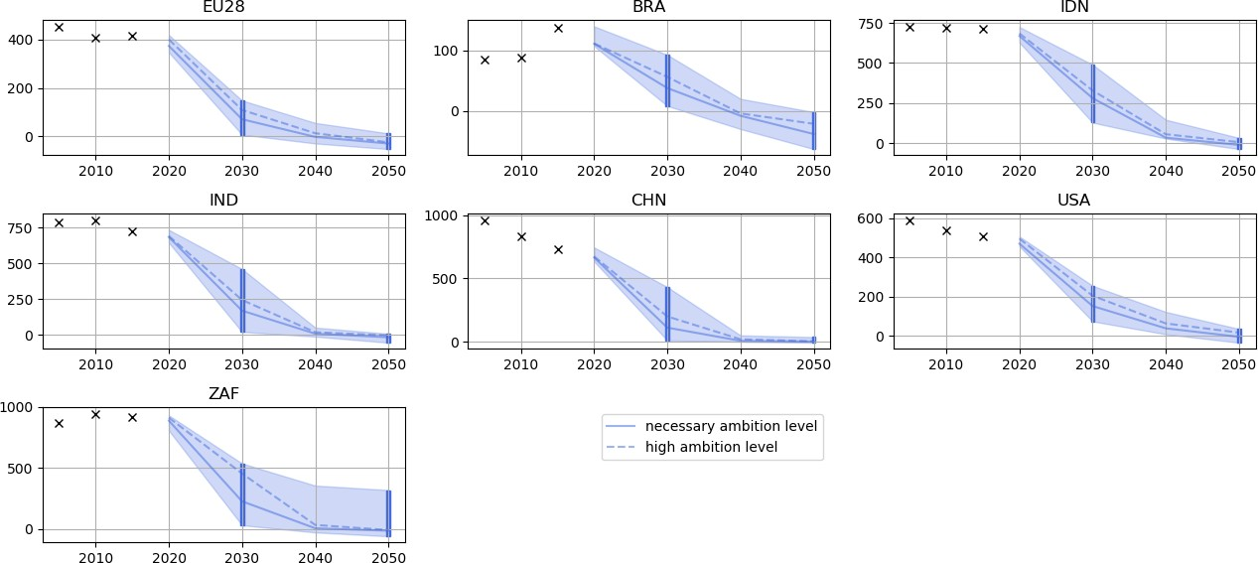
Figure 3-1. Emissions intensity of electricity incl. BECCS, also including uncertainty ranges using 11 different IAM model/scenario runs
Table 3-1. Emissions intensity of electricity incl. BECCS

Emissions intensity g CO2 / kWh
Country | Year | IAM pathways median | IAM pathways p75 | ETP B2DS | EWG & LUT | DDPP 2°C | PA Final Benchmark
 | 2030 | 175 | 125 | 229 | 48 |  | 50-125
Global | 2040 | 31 | 24 | 72 | 6 |  | 5-25
 | 2050 | 5 | -5 | -8 | 0 |  | <0
 | 2030 | 186 | 132 | 323 | 29* |  | 30-130
USA | 2040 | 55 | 32 | 70 | 0* |  | 0-32
 | 2050 | 13 | -4 | -31 | 0* | 35 | <0
 | 2030 | 113 | 77 | 78 | 82* |  | 75-80
EU | 2040 | 14 | 0 | 27 | 6* |  | 0-5
 | 2050 | -25 | -31 | -30 | 0* |  | <0
 | 2030 | 42 | 20 | 10 | 2* | 32 | 0-20
Brazil | 2040 | -6 | -11 | 11 | 0* |  | <0
 | 2050 | -17 | -46 | 6 | 0* | 0 | <0
 | 2030 | 241 | 156 | 256 | 114* |  | 115-155
India | 2040 | 18 | 3 | 97 | 0* |  | 5
 | 2050 | -6 | -22 | 32 | 0* | 36 | <0
 | 2030 | 197 | 109 | 277 | 95* | 450 | 100-110
China | 2040 | 24 | 7 | 44 | 0* |  | 0-5
 | 2050 | 3 | -1 | -22 | 0* | 68 | <0
 | 2030 | 447 | 377 | 304 | 47* |  | 45-377
South Africa | 2040 | 38 | 12 | 34 | 5* |  | 5-10
 | 2050 | -3 | -21 | 12 | 0* | 35 | <0
 | 2030 | 303 | 256 |  | 50* | 400 | 50-255
Indonesia | 2040 | 45 | 32 |  | 5* |  | 5-30
 | 2050 | 7 | -11 |  | 0* | 68 | <0
Figure 3-1 shows the range, median and 75th percentile of the eleven pathways downscaled from regional IAM scenarios. The solid line (75th percentile) represents the pathway chosen to derive the lower bound of the 2030, 2040 and 2050 Paris Agreement-compatible benchmarks for each country. The range shown for each country in one sense provides an indication of the degree of uncertainty at any one interval year, but also demonstrates the fact that there is no definitive trajectory that a country must follow to achieve Paris Agreement compatibility. It is generally true, however, that the slower a country decarbonises over the short term, the more drastic the emissions reductions are required over subsequent years.
Table 3-1 shows the 2030, 2040 and 2050 Paris Agreement-compatible benchmarks for emissions intensity of the electricity sector for the chosen countries, which are a synthesis of the “high” ambition 75th percentile IAM pathway and the top end range of plausible ambition found in the literature.
For each scenario and country, the share of renewable power sources (including bioenergy) of the total generated power are derived from the country-specific pathways reflecting the fuel mix over time, downscaled from the regional-level electricity sector pathways.
Our definition of ‘renewable energy’ in this context is broad and encompasses not only variable generators like solar and wind, but also dispatchable sources like hydro and power plants fuelled with sustainable, net-zero emissions biomass. Grid stability and reliability in these scenarios is maintained in a cost-effective manner through multiple technologies, including storage. Storage on week-to- month timescales is enabled by pumped storage and on hourly-daily time scales by battery technologies and compressed air storage. Models can still find the need for spinning up gas-based reserves to help balance electrical load; in 100% RE scenarios, such turbines are fuelled with synthetic gas derived from renewable sources (e.g., methanation, electrolysis).
As with the variation in the overall fuel mix in the country-specific downscaled pathways, the variation across countries in the share of renewables and unabated coal indicators across time can be explained by the same interconnected factors. These factors are the country-specific relative magnitude of demand for specific fuels in the base year, and the trajectories of demand for the various fuels at the regional level over time. A high degree of intra-country variation across pathways exhibited by, for example, the USA, South Africa and Indonesia is primarily explained by a large variation between pathways of the relative proportions of renewable energy, and nuclear and fossil fuel-based power generation with CCS.
Results: Figure 3-2 shows the range, median, and 75th percentile of the eleven pathways downscaled from regional IAM scenarios. The solid line (75th percentile) represents the pathway chosen to derive the lower bound of the 2030, 2040 and 2050 benchmarks for each country. Table 3-2 then shows the range of 2030, 2040, and 2050 Paris Agreement-compatible benchmarks reflecting a synthesis of the “high” ambition 75th percentile IAM pathway and the top end range of plausible ambition found in the literature.
Share of renewables
Percentage renewables in total generation
Figure 3-2. Share of renewable energy sources in the electricity sector

 | 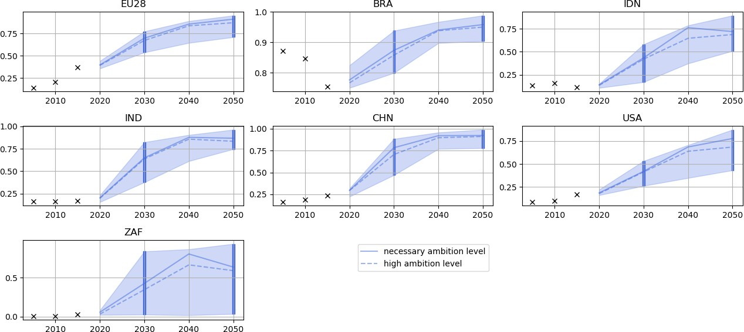

Table 4
China
EU-28
India
Indonesia
Selection of Paris Agreement-compatible benchmarks
We develop Paris-compatible benchmarks for the share of renewable energy in the power sector from different sources of evidence in the scenario literature. We rely on IAMs and existing literature to provide an envelope of possible transitions in the 2030s and 2040s. However, we are noting criticisms with the IAM long-term assumptions of costs and peculiarities in technical constraints placed within the models. Therefore, for the 2050 benchmark, we derive the 2050 benchmarks based on recent literature studies only. In order to meet the Paris Agreement, it is clear that the power system must be carbon-neutral or negative by mid-century – as is reflected in our energy intensity benchmarks. The technology mix which achieves this target can be varied, including fossil-based CCS and nuclear. Literature is available describing cost-effective (i.e., at or below today’s energy costs) 100% RE systems for most of the countries under consideration in our benchmarks as well as global scenarios which do not include these technologies. The CAT therefore makes some normative assessments as to the viability of these possible futures. Dependence on fossil-based CCS will further increase the mitigation burden (only ~90% of emissions are captured in an idealised system) and pressure land-use sectors to extract ever more emissions from the atmosphere. Given the difficulty in mitigating other sectors mentioned in this report, the CAT therefore does not assess fossil-based CCS in the power sector as a viable option for countries to target in Paris-Agreement compatible scenarios. Nuclear power has other well-discussed complications, not least of which concern intergenerational-equity issues. While nuclear power is a near-zero carbon emissions power source, it suffers from political acceptability, safety issues, concerns in relation to the nuclear |  | 100% 80% 60% 40% 20% 0% 100% 80% 60% 40% 20% 0% 100% 80% 60% 40% 20% 0% 100% 80% 60% 40% 20% 0% 100% 80% 60% 40% 20% 0% 100% 80% 60% 40% 20% 0% 100% 80% 60% 40% 20% 0% 100% 80% 60% 40% 20% | Renewable share in power generation % renewables in total generation Brazil

 | World
0% 1990 1995 2000 2005 2010 2015 2020 2025 2030 2035 2040 2045 2050
Table 3-2. Share of renewables (including biomass) % of total generation

South Africa

USA

Table 6
China
India
The share of unabated coal represented in the country-specific benchmarks reflects only coal- fired power without CCS. As coal-fired power with CCS is an almost emissions neutral power source and therefore does not contribute significantly to the exhaustion of a country’s Paris Agreement-compatible carbon budget, the share of this technology represented in the down scaled pathways is not captured by this indicator. CCS technologies also represent a more expensive version of the original fossil technology. Since IAMs do not consider social and political implications, CCS technologies could be interpreted as unused potential for renewables or biomass. Coal plays a large role in |  | 100% 80% 60% 40% 20% 0% 100% 80% 60% 40% 20% 0% 100% | Coal power share % coal in total electricity generation Brazil
the world energy system and is the most CO2
intensive fossil fuel. Although the coal share in power generation has decreased in many countries in recent years, it is still growing in others, e.g. India or Indonesia. Results: Figure 3-3 shows the range, median and 75th percentile of the eleven pathways downscaled from regional IAM scenarios. The solid line (75th percentile) represents the pathway chosen to derive the lower bound of the 2030, 2040 and 2050 benchmarks for each country. |  | 80% 60% 40% 20% 0% 100% 80% 60% 40% 20% 0% 100% 80% 60% 40% 20% 0% 100% 80% 60% 40% 20% 0% 100% 80% 60% 40% 20% 0% 100% 80% 60% 40% 20% |  | EU-28 Indonesia USA World

Sou | th Africa
0% 2005 2010 2015 2020 2025 2030 2035 2040 2045 2050
Share of unabated coal in the power sector
Percentage coal in total generation

.

Table 7
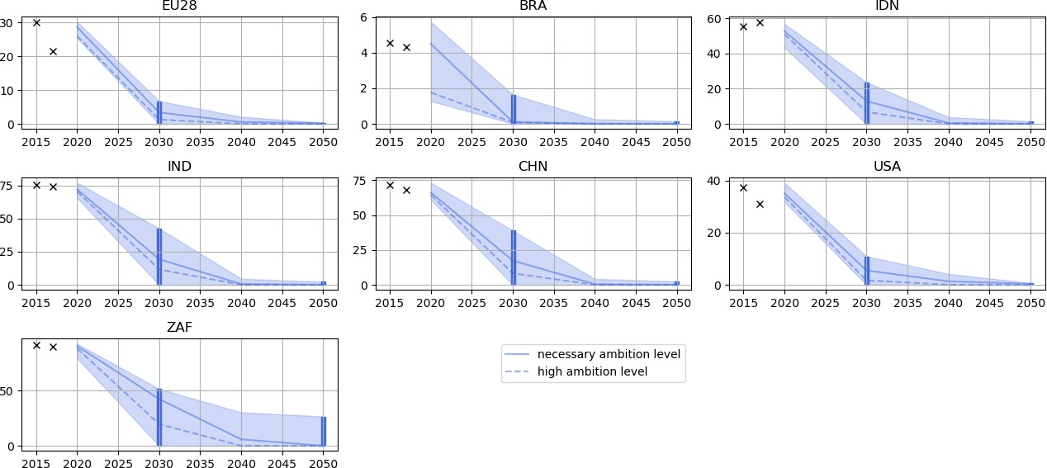
Figure 3-3. Share of unabated coal-fired power in the electricity sector and uncertainty ranges
Table 3-3. Share of unabated coal-fired power in the electricity sector

Share of coal % of total generation
Country | Year | IAM pathways median | IAM pathways p75 | ETP B2DS | EWG & LUT | DDPP 2°C | PA Final Benchmark
 | 2030 | 7% | 2% | 14% | 1% |  | 0-2.5%
Global | 2040 | 1% | 0% | 3% | 0% |  | 0%
 | 2050 | 0% | 0% | 1% | 0% |  | 0%
 | 2030 | 5% | 1% | 6% | 0% | 0% | 0%
USA | 2040 | 1% | 0% | 2% | 0% |  | 0%
 | 2050 | 0% | 0% | 1% | 0% | 0% | 0%
 | 2030 | 3% | 1% | 7% | 1% | 0% | 0%
EU | 2040 | 0% | 0% | 1% | 0% |  | 0%
 | 2050 | 0% | 0% | 0% | 0% | 0% | 0%
 | 2030 | 0% | 0% | 2% | 0% | 26% | 0%
Brazil | 2040 | 0% | 0% | 1% | 0% |  | 0%
 | 2050 | 0% | 0% | 1% | 0% | 2% | 0%
 | 2030 | 19% | 11% | 15% | 7% | 17% | 5-10%
India | 2040 | 1% | 1% | 1% | 0% |  | 0%
 | 2050 | 0% | 0% | 1% | 0% | 1% | 0%
 | 2030 | 17% | 8% | 29% | 7% | 52% | 5-10%
China | 2040 | 1% | 0% | 7% | 0% |  | 0%
 | 2050 | 0% | 0% | 0% | 0% | 5% | 0%
 | 2030 | 43% | 36% | 35% | 1% | 79% | 0-35%
South Africa | 2040 | 6% | 2% | 6% | 0% |  | 0%
 | 2050 | 2% | 0% | 2% | 0% | 0% | 0%
 | 2030 | 13% | 8% | 11% | 6% | 26% | 5-10%
Indonesia | 2040 | 1% | 0% |  | 0% |  | 0%
 | 2050 | 0% | 0% | 0% | 0% | 2% | 0%
Table 3-3 provides 2030, 2040, and 2050 Paris Agreement-compatible benchmarks for the share of coal in the electricity sector reflecting a synthesis of the “high” ambition 75th percentile IAM pathway and the top end range of plausible ambition found in the literature.
Transport
4.1 Key mitigation options in the transport sector Transport emissions represent close to 20% of global CO2 emissions, with the transport sector having the second highest level of total final consumption behind the power sector, accounting for at least 20% of energy consumed (IEA, 2019).
Although reducing transport emissions will require a reduction in demand for transportation and enabling a modal shift to non-motorised mobility, a key sectoral strategy for the decarbonisation of both passenger and freight transport by 2050 is electrification. This is contingent on a simultaneous decarbonisation of the power sector (see section on power sector). Catalysing a rapid penetration of electric vehicles (EVs) to reduce the share of internal combustion engine vehicle (ICEVs) will be key in reaching this target and will be facilitated through the widespread deployment of charging infrastructure together with incentives for passengers to shift to EVs. This acceleration could be driven by the implementation of ICEV sales-ban targets, which has already been the case in several countries.
While the penetration of EVs within different markets needs to be scaled up, it also needs to be accompanied by an improvement in fuel efficiency of ICEVs through the introduction or the improvement of fuel efficiency standards. Passenger car fuel efficiency standards exist for a wide range of countries but with different levels of stringency. If standards were broadly applied at the level of the 2025 EU car standards, this could achieve a potential global emissions reduction of 1.9 GtCO2 (Fekete et al., 2015).
Investments in public transport and urbanisation policies ensuring accessible routes for alternative transports will be key in supporting modal shift for passengers from vehicles to public transport or alternative modes, such as bicycles, as urban population grows.
4.2 Deriving benchmarks Four indicators are chosen in order to reflect critical elements of the necessary transition in the transport sector over time:
u share of electric vehicles in stock (%) defined as the number of EV cars, two and three wheelers (only in the case of China, Indonesia and India), expressed as the % of overall Light duty vehicle (LDV) fleet. Our definition of EVs includes only battery electric vehicles (BEVs). u share of electric vehicles sales (%) defined as the % of EV sales of the overall LDV sales, including cars, two and three wheelers (only in the case of China, Indonesia and India). u land-based emissions per passenger kilometres (gCO2/pkm) travelled by cars, two and three wheelers (only in the case of China, Indonesia and India), buses and rail transport. u share of low-emissions fuels (biofuels, electricity and hydrogen) of the total (domestic) transport sector demand (%) of final energy, including passenger and freight.
As with other sectors, our benchmarks are determined from a range of inputs; literature review, a bottom-up model of the transport sector focusing on passenger vehicles (cars, two and three- wheelers depending on the context of the country), and an analysis of 1.5°C compatible scenarios.
The first three indicators require the use of a detailed bottom-up model while the last indicator can be derived using IAM pathways as was done for the power sector.
1.5°C compatible scenarios
EV shares in stock, sales, and land-based emissions per passenger kilometres require a very detailed technology perspective. Thus, we rely on the IEA Energy Technology Perspectives (ETP) 2017 (International Energy Agency (IEA)., 2017) and the IEA Mobility Model 2017 (as used for World EV Outlook 2017 ). The “Beyond 2 degrees scenario” (B2DS) applies a combination of back-casting and forecasting over three scenarios from now to 2060. The analytical approach used in the ETP model is described as aiming at identifying a “cost-effective way for society to reach the desired outcome”.
The Energy-related CO2 emissions in the B2DS scenario up to 2060, together with its peak warming at 1.6°C around 2060, are comparable with low-overshoot 1.5°C scenarios and is likely to be a compatible pathway with the Paris Agreement. However, scenario data from 2060 to 2100 is missing, thus a final statement is not possible. It will, however, require further negative emissions after 2060 to reach 1.5°C (Climate Action Tracker, 2018a, 2018b). Therefore, we further analyse the transport component of the B2DS and the compatibility with the Paris Agreement goal.
For using the B2DS in these benchmarks we investigated how transport sector emissions compare to the CAT-defined set of 1.5°C compatible pathways14. Figure 4-1 shows the full range of sectoral CO2 emissions in the transport sector, as well as the median. The green diamonds, representing the B2DS, place well within the range of 1.5°C pathways, thus can be categorised as within the set the Paris Agreement-compatible scenario pathways. However, we note that the B2DS is above the median during the transition from 2030-2050, providing a more conservative estimation in this period than most compatible pathways.
14 'SSP1-19 SSP1-19', 'SSP2-19 SSP2-19', 'TERL_15D_LowCarbonTransportPolicy TERL_15D_LowCarbonTransportPolicy', 'TERL_15D_NoTransportPolicy TERL_15D_NoTransportPolicy', 'IMA15-LiStCh IMA15-LiStCh', 'SSP1-19 SSP1-19', 'ADVANCE_2020_1.5C-2100 ADVANCE_2020_1.5C-2100', 'SSP1-19 SSP1-19', 'SSP2-19 SSP2-19', 'EMF33_1.5C_cost100 EMF33_1.5C_cost100', 'EMF33_1.5C_limbio EMF33_1.5C_limbio', 'EMF33_1.5C_nofuel EMF33_1.5C_nofuel', 'EMF33_WB2C_limbio EMF33_WB2C_limbio', 'EMF33_WB2C_nobeccs EMF33_WB2C_nobeccs', 'EMF33_WB2C_nofuel EMF33_WB2C_nofuel', 'EMF33_WB2C_none EMF33_WB2C_none', 'CD-LINKS_NPi2020_1000 CD-LINKS_NPi2020_1000', 'CD-LINKS_NPi2020_400 CD-LINKS_NPi2020_400', LowEnergyDemand LowEnergyDemand

Figure 4-1: Comparison of the ETP-B2DS pathways within the transport sector compared to 1.5°C compatible pathways
The 1.5°C compatible pathways from Integrated Assessment Models (IAMs) do not provide the granularity of data on EVs and road transport sector needed for this study (LDVs emissions, passengers-km, energy consumption per transport mode, etc.). Therefore, we rely mostly on the IEA ETP 2017 – Beyond 2 Degrees Scenario (B2DS) (International Energy Agency (IEA)., 2017) and the Mobility Model Data (2017) together with projections based on current developments and market research.
We also use results from the (Teske (ed.), 2019) study on global and regional 1.5°C compatible energy scenarios as a point of comparison for the EV share in stock benchmark as described in section 2.3.
Bottom-Up Flex Model
Electric vehicle share and emissions per passenger km (see section below) have been derived from a distribution model developed within the framework of this project and representing the distribution of EVs within the car fleet across time. The underlying assumption is that the uptake of electric vehicles is represented by a logistic function, assuming that EVs will be replacing conventional vehicles across time and thus their relative market share will be increasing, independently of the general fleet growth (Grubler, Wilson, & Nemet, 2016). In cases of China, India and Indonesia, EVs two or three wheelers are also included in the model, both electric and combustion-based versions.
While two and three wheelers account for more than 80% of the total fleet in Asian countries and in India, and more than 70% in China, they account for less than 10% in OECD countries. They are projected to reach close to 50% in ASEAN, India and China and 10% in OECD countries by 2050 (IEA ETP Mobility Model, 2017). Two and three wheelers are thus included in the model for Indonesia, India and China together with passenger cars whereas we decided to consider only passenger cars for the other countries considered in this study. The share of two and three wheelers across time has been extracted from the ETP Mobility Model 2017.
EV penetration across time is modelled with a sigmoid curve distribution which is optimised to fit three basic indicators that were extracted from the B2DS scenario:
u CO2 emissions of the fleet; u total energy consumption; u passenger kilometres (pkm).
 | 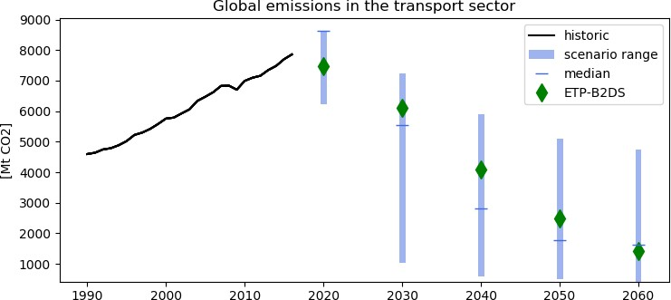
The parameters allowing the fitting are based on technological advances such as the reduction of energy intensity of ICEVs, mobility behaviour such as EV growth rates, fleet growth, a growth rate of kilometres travelled across time, and decarbonisation of the grid (decreasing rate of grid carbon intensity). The model fitting has been operationalised iteratively in three steps to match the passenger kilometres, the emissions, and energy consumption in order to find reasonable benchmarks for the EV market share. For each iterative step, the fitting has been performed by using the least square error optimisation method parametrised on kilometre per auto and varying growth rate of travelled kilometres for the first step, the grid carbon intensity rate for the second step (bounded by results from the B2DS scenario to account for feedbacks from the power sector) and for the third step, the EV initial growth and the ICEV carbon intensity growth rates. Model inputs are historical data (EV fleet, EV Sales, Car fleet, Retirement Rates, Grid carbon intensity, ICEVs Carbon Intensity, km per vehicle per year).

Table 9
To reach decarbonisation by 2050, sales of new |  |  |  |  | EV stock share
passenger vehicles must be globally zero- emissions by 2035 (Kuramochi et al., 2018). The |  |  | 100% % of |  |  | vehicle ﬂeet
benchmark assessed here is the share of Electric |  |  | 60%
Vehicle (EV) and is defined as the number of EV |  |  | 40%
light duty vehicles (LDVs) such as passenger cars |  |  | 2010 20% |  |  | 0.0% |  | Brazil
expressed as the % of overall LDV fleet. For India, |  |  | 0%
2017 0.2%
China
Indonesia and China, we also included two- wheelers and three-wheelers since those have a |  |  | 100% 80%
80%
significant share in the LDV numbers, while for other countries shares of two or three-wheelers are insignificant. Two and three-wheelers follow the definition of the IEA mobility model (MoMo) including powered two-wheeled vehicles motorcycles, shooters and rickshaws. For the whole analysis, we assume that the share of |  |  |  | 60% 40% 20% 0% 100% 80% 60%
electric vehicles is evenly spread among all different types of LDVs. Our definition of EVs |  |  | 40% 2017 0.3%
includes only battery electric vehicles (BEVs), |  |  | 20% |  |  |  |  | EU-28
2017 0.1%
India
since for plugin-hybrids the emissions mostly |  |  | 0%
depends on the usage and a clear contribution to decarbonisation is unclear. |  |  | 100% 80%
Our results show that the European Union should have more than half of its light duty vehicle fleet composed of electric vehicles by 2030, when China and USA will have more than 65% of their fleet composed of EVs by 2040. The EV penetration of India and China is tightly linked to |  |  |  | 60% 40% 20% 0% 100% 80% 60%
the carbon intensity of the grid: ICEVs become less carbon intensive in both countries in the |  |  | 40% 2015 0.0%
2030s, which means the sooner the power sector |  |  | 20% |  |  |  | Indonesia
is decarbonised, the quicker EV penetration will |  |  | 0%
2017 0.0%
have an impact on the decarbonisation of the |  |  | 100%
transport sector in both countries. On the |  |  | 80%
contrary, as Brazil is highly reliant on hydropower, the carbon intensity of its grid is |  |  | 60% 40%
No data
World
2017 0.3%
USA
much lower relative to other countries, thus a rapid uptake of EVs could significantly accelerate the decarbonisation of the transport sector. However, the use of biofuels in its fleet is expanding considerably over time, reducing the carbon intensity of its ICEVs, which slows down the need for EV uptake. . |  |  |  | 20% 0% 100% 80% 60% 40% 20% 0% 100% 80% 60% 40% 20% 0% 2005 2010 2015 2020 2025 2030 2035 2040 2045 2050

Electric vehicle stock share
Percentage of electric vehicles in total fleet
 | South | Africa

Table 11
% of vehicle sales
2017 0.0%
Brazil
2017 0.5%
China
2017 1.0%
EU-28
2017 0.1%
India
The benchmark assessed here is the share of Electric Vehicle (EV) sales and is defined as the sales of EV light duty vehicles (LDVs) such as passenger cars expressed as the % of overall LDV sales. This benchmark is derived using the same model approaches as EV stock share in the previous section. |  | 100% 80% 60% 40% 20% 0% 100% 80% 60% 40% 20% 0% 100% 80% 60% 40% 20% 0% 100% 80% 60% 40% 20% 0% 100% 80% 60% 40% 20% 0% 100% 80% 60% 40% 20% 0% 100% 80% 60% 40% 20% 0% 100% 80% 60% 40% 20% | EV sales share

 | South Africa
0% 2005 2010 2015 2020 2025 2030 2035 2040 2045 2050
Electric vehicle sales share
Percentage of electric vehicles in annual sales
2015 0.0%
Indonesia
Table 4-3. EV share in sales (% of annual vehicle sales)

2017 0.1%

2017 1.1%
USA

No data
World

Table 13
In 2015, the majority of global total passenger-km (pkm) in passenger transport (around 85% of total pkm) is attributed to road transport modes. By contrast, freight transport is largely operated by rail (Teske et al., 2019). The benchmark proposed here is the carbon intensity per pkm and is defined as emissions (in gCO2) per pkm travelled by cars, two and three wheelers (only in the case of China, Indonesia and India), buses, and rail transport. The emissions per pkm for light duty vehicles are derived from the previously defined benchmarks (EV shares) and the emissions per pkm for buses and rails are derived from the IEA ETP – B2DS (IEA, |  | 250 200 150 100 50 0 250 200 150 100 50 | Emission intensity of land-based passenger transport g CO2 / pkm Brazil China
2017). 0 250 200 150 100 50 0 250 200 150 100 50 0 250 200 150 100 50 0 250 200 150 100 50 0 250 200 150 100 50 0 250 200 150 100 50 |  |  |  | EU-28 India Indonesia South Africa World

 | USA
0 2005 2010 2015 2020 2025 2030 2035 2040 2045 2050
Emissions intensity of land-based transport
g CO2 / passenger kilometre
Table 4-4. Emissions of land-based passenger transport per km (LDVs, Buses, Rails)

Table 15
Brazil
China
EU-28
India
Indonesia
South Africa
For each scenario and country, the share of zero emissions fuels (biofuels, electricity and hydrogen) of the total (domestic) transport sector demand of final energy. This excludes international aviation and shipping, but includes domestic rail, road, shipping, and aviation. The benchmarks are derived from scenarios that provide the required level of data granularity (transport sector fuel share). This includes four 1.5C compatible IAM pathways15 and the B2DS from the IEA. Each scenario is downscaled from the regional-level sector pathway, as described in previous sections. In the benchmark synthesis of |  |  |  |  | 100% 80% 60% 40% 20% 0% 100% 80% 60% 40% 20% 0% | Zero emission fuels for domestic transport % of total fuel
land-based emissions per pkm in the year 2050, 100%
we considered additional benchmarks from the EWG&LUT study of zero-emissions fuel shares in the transport sector. We account for the fact that aviation and shipping are included in domestic transport emissions in IAMs by assessing benchmark ranges differently for high-values of low-carbon transport fuel use (>85%). As an example, in the B2DS, 35% of total transport energy use in 2050 is consumed by land-based transport, with the remaining consumption in aviation and heavy freight. We therefore assume that at such a high value of low-carbon fuel use in transport as whole, any non-low-carbon fuels will be consumed by the freight and aviation subsectors. In other words, once results derived by IAMs reach this threshold, we assume the road transport uses entirely low-carbon fuels. The final Paris Agreement-compatible |  |  |  |  | 80% 60% 40% 20% 0% 100% 80% 60% 40% 20% 0% 100% 80% 60% 40% 20% 0% 100% 80% 60%
benchmarks are defined as the range between |  |  | 40%
the IAM- based benchmarks and the benchmarks |  |  | 20%
from the EWG&LUT study benchmarks. |  |  | 0%
 |  |  | 100%
 |  |  | 80% | USA
. |  |  | 60%
 |  |  | 40%
 |  |  | 20%
 |  |  | 0%
 |  |  | 100%
 |  |  | 80% | World
 |  |  | 60%
 |  |  | 40%
 |  |  | 20%
Share of zero emissions fuels in the transport sector
Percentage of final energy demand in transport sector
0% 2005 |  |  |  |  | 2010 2015 2020 2025 2030 2035 2040 2045 2050
15 | MESSAGE-GLOBIOM_1.0 - SSP1-19 MESSAGE-GLOBIOM_1.0 – SSP1-19 | MESSAGE-GLOBIOM_1.0 - SSP2-19 IMAGE_3.0.1 - IMA15-LiStCh |  |  |  |  | IMAGE_3.0.1- SSP1-19

Table 16
Results:
Figure 4-3. Share of zero-emissions fuels in the transport sector - Benchmarks ranges and historical data
Table 4-5 Share of zero-emissions fuels in the transport sector (Electricity-hydrogen+biofuels)
Share of low carbon fuels in the transport sector (Electricity-hydrogen+biofuels) % of final energy demand
Country | Year | IAM results | IEA B2DS | EWG LUT | PA Final Benchmark
Global | 2030 | 15% | 15% | 15% | 15%
 | 2040 | 40% | 35% | 60% | 40-60%
 | 2050 | 70% | 60% | 96% | 70-95%
USA | 2030 | 20% | - | 16%* | 15-20%
 | 2040 | 45% | - | 59%* | 45-60%
 | 2050 | 75% | 70% | 96%* | 75-95%
EU | 2030 | 20% | 20% | 16%* | 15-20%
 | 2040 | 55% | 40% | 59%* | 55-60%
 | 2050 | 88% | 64% | 96%* | 80-100%
Brazil | 2030 | 30% | - | 28%* | 30%
 | 2040 | 60% | - | 63%* | 60-65%
 | 2050 | 85% | 90% | 93%* | 85-95%
India | 2030 | 15% | - | 20% | 15-20%
 | 2040 | 45% | - | 61% | 45-60%
 | 2050 | 75% | 55% | 93% | 75-95%
China | 2030 | 15% | - | 21% | 15-20%
 | 2040 | 35% | - | 63% | 35-65%
 | 2050 | 70% | 60% | 95% | 70-95%
South Africa | 2030 | 20% | - | 22% | 20%
 | 2040 | 50% | - | 59% | 50-60%
 | 2050 | 80% | 50% | 87% | 80-90%
Indonesia | 2030 | 20% | - | 23% | 20-25%
 | 2040 | 55% | - | 60% | 55-60%
 | 2050 | 80% | - | 92% | 80-90%
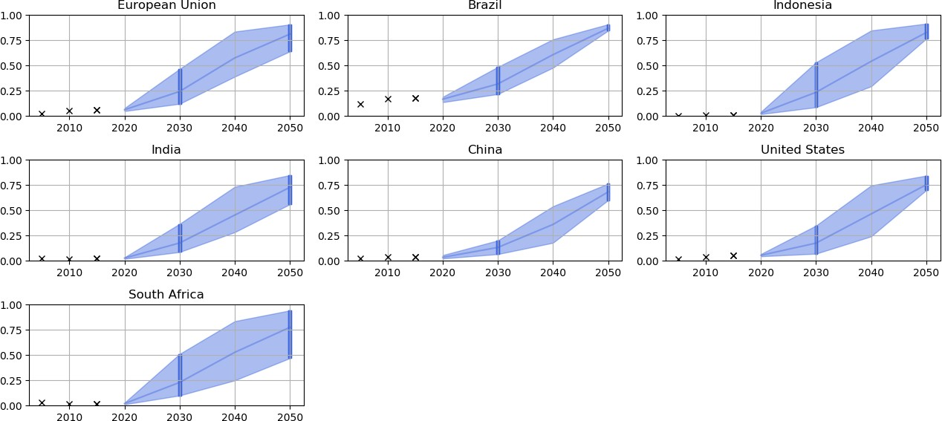
* Regional Benchmarks

Industry
As for other sectors, we used a combination of global models and sectoral tools to derive the benchmarks for the industry sector. Only limited analysis from global models is available for industry as most of those models do not model industry sub-sectors explicitly, but rather industry as a whole. Rather than look at all industry sub-sectors we focus on just two: cement and steel. For these two sectors we define emissions intensity benchmarks mainly using a bottom-up approach using in- house analysis and calculation tools. The third benchmark for the industry sector is the electrification rates required for industry as a complete sector, for which we draw on insights from global IAMs.
The indicator assessed for cement is emissions intensity in terms of product produced – kg CO2/tonne cement. The indicator considers production of traditional cement and novel cements. It does not account for material substitution nor efficiency. By focusing on the emissions intensity of the final product of cement, we analyse the possibilities for a production pathway compatible with the Paris Agreement. Further, it allows for the identification of the extent to which material substitution and efficiency is needed. The analysis of emissions intensities allows for a clear comparison between countries and regions.
Benchmarks for the cement industry are based on technological potential for mitigation and country specific circumstances. Benchmarks were defined by identifying key mitigation options, collating national data and analysing technical potential at the national level using a simple spreadsheet tool that accounts for uptake of various technologies and improvements.
Background
Origin of emissions The benchmarks represent emissions reduction potential based on technical potential in combination with country-specific challenges and opportunities. Our first analytic step is to identify the current major sources of emissions and their corresponding mitigation options.
Cement emissions are dominated by those from clinker production (Figure 5-1), corresponding for about 90% of cement production emissions (Energy Transitions Commission, 2019a). The production of clinker requires high temperatures, traditionally produced from the burning of fossil fuels. In addition to that, the chemical process of calcinating limestone when producing clinker generates process emissions. Process emissions contribute to about 50% of cement emissions, while the burning of fossil fuels for thermal heat typically accounts for more than 40%. The remaining share of emissions come from indirect energy use (power consumption), which depend on the electricity fuel mix.
5.1 Cement
kg CO2/tonne cement
Figure 5-1. Flowchart of cement emissions and mitigation options
Methods
Here we explain the stepwise process of how we arrive at the final benchmarks. In a first step, key mitigation options are identified and assessed, followed by national historic data collection. Based on that, country-specific analysis is conducted.
Key mitigation options Considering the significant share of cement emissions originating from clinker production (about 90%), key mitigation options aim at reducing the demand for clinker, which we refer to as the clinker- to-cement ratio (CCR), indicating the share of clinker used per part of cement.
Clinker substitution One already established and widely applied method for reducing the CCR is through the use of clinker substitutes. Globally, current cement production has an average CCR of 75% (CSI, 2016a). Traditionally, examples of common clinker substitutes are fly ash and slag which allows for CCR as low as around 60% (achieved in China) (Wei, Cen, & Geng, 2018; Xu, Yi, & Fan, 2016), depending on required quality of the cement. However, since fly ash and slag are rest products from coal-fired power generation and steel production, their use in cement production in the mid- and long-term is not 1.5-compatible. More promising options exist, one of them being calcined clays combined with limestone, which could reach CCR levels of 40-50%, depending on required quality. Global availability of clay is abundant and found across the globe. The process still requires heat, but at significantly lower temperatures than for clinker production (ECRA, 2017a; Lehne & Preston, 2019a). Other options for clinker substitutes exist, with varying raw material availabilities and CCR reduction potential.
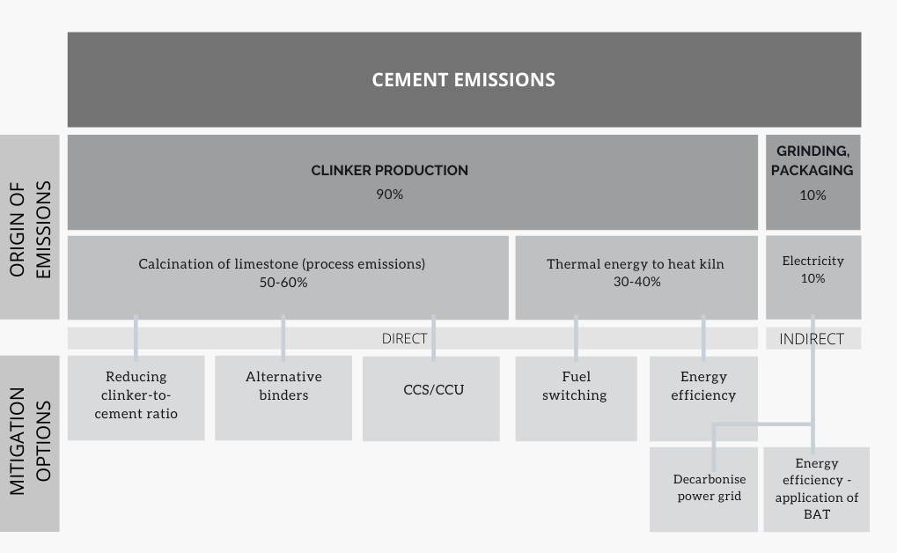
Decarbonisation of the thermal energy mix By switching fuels used for heat generation, shifting away from fossil fuels to alternative fuels (AF), emissions can be significantly reduced. Some of the options, such as biomass and waste, are already being used, while other options, such as electric kilns and hydrogen, are not yet commercialised (Chan et al., 2019a).
Even though biomass for heat generation could technically replace 100% of fossil fuels, its use is restrained by the availability of sustainable biomass (Energy Transitions Commission, 2019a). Currently, highest rates of AF in the thermal energy mix, reaching 60% on average and up to 95% for individual plants, are seen in the EU (ECRA, 2017b). Also wastes of different kinds can be used for heat generation, ranging from municipal solid wastes and sewage sludge to industrial wastes.
The electrification of clinker kilns should technically be possible but faces some significant challenges. Firstly, the technology is not yet fully developed, and once it is, it will require significant amounts of clean power to reach and maintain the high temperatures. Similarly, hydrogen is being considered as a low-carbon fuel option but is also still at an early stage in terms of technology and market development (Material Economics, 2019a). Generally, with regards to decarbonisation of the thermal energy mix, it is important to keep in mind that this could only solve part of the problem. Even if the thermal energy mix were completely decarbonised, process emissions will still remain and would have to be combined with CCS or CCU to become carbon neutral.
Novel cements Novel cements, or alternative binders, is the only mitigation option that offers the possibility of cement production that is completely independent of clinker. By using combinations of alternative raw materials as the binding component, the need for clinker as a binding agent is eliminated. There is a wide range of alternative binders under development, of which very few are yet commercialised. Their mitigation potential relative to traditional Portland cement varies from 10%, to alternative binders which could even absorb CO2 from the atmosphere (Lehne & Preston, 2019b). However, for novel cements to become successful, some key barriers need to be overcome, requiring significant research and development of pilot and large-scale demonstration projects, but also in terms of updating cement standards (Lehne & Preston, 2019b).
Carbon Capture and Storage and Usage Carbon Capture and Storage (CCS) and/or Carbon Capture and Usage (CCU) is likely to be a necessary mitigation option for the cement industry.
Capturing CO2 from cement production is somewhat more problematic than other sectors. Firstly, the exhaust gas has a relatively low concentration of CO2, which makes the capturing of it more complex and expensive. Through oxy-fuel technology an almost pure CO2 stream of exhaust gas could be achieved, however this technology is still in the research/early pilot phase (ECRA, 2017b; Fleiter, Herbst, Rehfeldt, & Arens, 2019). At this stage, it has not yet been possible to capture all emissions; the highest achieved capture rate so far has been around 90%, making CCS only a near-zero emissions technology.
A second challenge for CCS is the transportation and storage of captured CO2. Cement plants are commonly located close to the geographical end-use location and are often not easily accessed. Possible storage locations vary significantly across regions, which further complicates transportation issues, requiring expansion of gas infrastructure. Questions around possible leakage issues and long- term storage can also be discussed.
If the discussed challenges could be overcome, CCS/U could play an important part in reducing emissions from the remaining clinker production, after having done what is possible in terms
oreducing the clinker demand. By combining CCS with low-carbon thermal energy fuels, an almost net-zero cement production could then be achieved.
Other mitigation options Apart from the key mitigation options already discussed, further emissions reductions could be achieved through energy efficiency and the application of best available technology (BAT), including waste heat recovery and on-site power generation (ECRA, 2017b). As mentioned, additional mitigation options are material substitution and efficiency. These are further discussed in the assumptions section.
Figure 5-2. Mitigation measures in the cement sector and their corresponding indicators used in the bottom-up modelling
Constructing the model Once the options for mitigation have been identified and assessed, they are linked to a quantifiable indicator (Figure 5-2) that can be incorporated into the excel tool. Historic data is collected for each country in terms of state of technology, thermal fuel mix and CCR to give a starting point for the model. This starting point plays an important role in how quickly best level practice levels can be reached.
In addition to the historic data, regional and country-specific projections are collected and compared to make an assessment of what is possible when considering country-specific limitations, such as availability of biomass and clinker substitution. Best practice examples set standards for what can be obtained in terms of energy efficiency.
Based on collected data and information, country-specific assessments are made to decide characteristics and achievements towards 2030. Equal levels of ambition are applied towards 2050, based on anticipated technology development and assumptions on technology market penetration rates for new and speculative technologies as well as for the energy supply mix. The final emissions intensity is calculated by multiplying the combined fuel emissions intensity by the final energy demand per tonne of cement, added with process emissions intensity, indirect emissions and CCS capture rate.
Main data sources Historic data is collected from Getting the Numbers Right (GNR), a WBCSD initiative with global coverage (CSI, 2016b). The dataset has various levels of coverage across countries but is sufficient to be used as an estimate. Where needed, that data is complemented with inputs from individual studies.
Technical state of the art and current best practices are mainly collected from a few key studies including Material Economics study Industrial Transformation 2050 (Material Economics, 2019b), Chatham House study Making Concrete Change Innovation in Low-carbon Cement and Concrete (Lehne

& Preston, 2019b), the EU Calculator (EUCalc, 2019), the Energy Transitions Commission study Mission Possible (Energy Transitions Commission, 2019a), ISI Fraunhofer study Industrial Innovation: Pathways to deep decarbonisation of Industry (Fleiter et al., 2019; ICF Consulting Services Limited & Fraunhofer ISI, 2019), Napp et al. study The role of advanced demand-sector technologies and energy demand reduction in achieving ambitious carbon budgets (Napp et al., 2019a) and the European Cement Research Academy synthesised technology paper Development of State of the Art-Techniques in Cement Manufacturing: Trying to Look Ahead, Revision 2017 (ECRA, 2017b). In addition to those, input has been provided by industry experts.
Key Assumptions
Here we explain the key assumptions underlying the model and explain our reasoning for the parameters chosen to define the benchmarks.
Biomass From a completely technical perspective, it is possible for a clinker kiln to be fed by 100% biomass. In Europe, there are individual plants that have reached levels of 95% (ECRA, 2017b). However, it is important to stress other limitations referring to available amounts of sustainable biomass. There is high uncertainty when it comes to estimating how much sustainable biomass can be produced, which certainly is not unlimited. In addition, competition for this resource among other sectors is likely to further limit its use in the cement sector. In a study by the Energy Transitions Commission, it is estimated that about 20% of global energy demand for cement can be sustainably met from biomass by mid-century (Energy Transitions Commission, 2019a).
In (ECRA, 2017b) it is estimated that alternative fuels could supply 60% of cement production energy demand for cement in developed countries by 2050, also including wastes. In our analysis, we assume a similar level for all countries, assuming that waste management and collection will improve. Further, we assumed that about 50% of the alternative fuels mix consists of biomass, translating into 30% of the total energy demand. This is 50% higher than estimated in other work (e.g., Energy Transitions Commission, 2019b). We reason that biomass should be prioritised in hard to abate sectors, such as the cement industry.
It should also be stressed that we do not consider biomass to be a completely net-zero emitting fuel, taking into account emissions caused by land-use change. We have therefore applied a reduced emissions factor based on recommendations from a set of studies that goes deeper into this (Birdsey, Duffy, & Smyth, 2018; Johnson, 2009; Pichs Madruga et al., 2012; Valin, 2015). After doing so, we end up using an emissions factor that is 90% lower than gross emissions from biomass.
Clinker substitutes Clinker substitution is an already proven and used mitigation method and is used to various extents in different regions across the world. China are leaders in this respect, achieving an average national clinker-to-cement ratio of 58% in 2017 (Wei & Cen, 2019). Such low levels have been realised thanks to high availability of fly ash from coal-fed power generation and slag from coal-based steel production. On the other side of the spectrum, countries like the USA have an average clinker-to- cement ratio of about 90% (CSI, 2016b).
A range of emerging clinker substitutes are becoming available and increasingly used, of which one with most promising potential is a combination of calcined clay and limestone, also referred to as LC3 (Scrivener, 2019). With this, clinker-to-cement ratios of 50% can be reached, and even 40% has been achieved in a laboratory environment (Global Cement, 2019). The raw materials required for the production of LC3 cement is abundantly available across the globe. A certain level of thermal energy is still required for the calcination of the clay, however, it is much lower compared to that required in clinker production (600 and 1350 DC respectively). The fact that the process does not produce any
process emissions makes it possible to fully decarbonise, under the requirement that the thermal fuel mix is zero carbon.
In our analysis, it is assumed that clinker-to-cement ratios are improved rather rapidly, with the reasoning that it does not require investment in new technology but is rather a matter of collecting substitution materials. It is assumed that countries can achieve a clinker-to-cement ratio of 55% by 2030, using available stocks of fly ash and slag, while gradually developing methodologies for new substitution materials such as LC3. We assumed that a level of 50% should be reached in 2050.
Alternative binders Shifting to alternative binders is one of the main mitigation measures in our analysis, but is simultaneously one of the main areas of uncertainty. There is a wide range of possible alternative binders, of which only one has been commercially proven (Lehne & Preston, 2019b). In this study we consider six different types of alternative binders, all with different emissions reduction potential. Some of these are limited by natural resource availability and some have not yet been proven to be producible at scale.
Other limitations regarding alternative binders relate to standardisation and resistance from consumers (Lehne & Preston, 2019b). The level of these limitations is unclear, illustrated by the variations in market penetration assumptions across different studies. To mention a few examples, the EU Calculator estimates that, in a very ambitious and transformational scenario, 20% of demand can be met by novel cements in 2050 (EUCalc, 2019). ECRA on the other hand, estimates that novel cements will only be able to supply “a few percent” of production of total production by mid-century (ECRA, 2017b). On the more optimistic side, studies like (Fleiter et al., 2019) assume levels of 50%. In our analysis we have chosen to take a rather optimistic view, but simultaneously communicating uncertainties and limitations, ending up at 30% of production in 2050, as a result from a combined bottom-up and top-down approach.
CCS The fact that the production of cement includes both energy-related and process emissions complicates the decarbonisation of the sector. Completely decarbonising the thermal fuel mix will not affect the process emissions, which can only be targeted either through avoiding clinker production or by capturing the emissions. According to our analysis, there will still be a certain demand for clinker in 2050, which is why we also must investigate CCS possibilities (ECRA, 2017b; Fleiter et al., 2019).
At this stage, it has not been possible to capture all emissions; the highest achieved capture rate so far has been around 90%, making CCS only a near-zero emissions technology. In our analysis we have therefore assumed that a capture rate of 95% can be reached.
The potential risk in highlighting CCS as the one solution may dampen efforts in other solutions. In our analysis, we have taken discussed limitations into account (see Key mitigation options, section 5.1.2) and, to emphasise the uncertainties with regards to the success of CCS, analysed two different scenarios with different levels of CCS capture rates. The scenario taking a more sceptical view on CCS is based on the EU Calculator ambition level 4, which is based on a B2DS scenario (EUCalc, 2019). On the more pessimistic side among reviewed sources is ECRA which estimates that, in a very ambitious scenario, about 20% of production could be equipped with CCS, reaching 33% in an unrealistic scenario (ECRA, 2017b). However, to not surpass B2DS level, we assumed a level of 65% of plants equipped with CCS in our first scenario.
In a second scenario considered a future where CCS in cement production will be more successful. Drawing from studies investigating pathways towards net-zero cement, we assumed a level of 80%. In some of the reviewed studies, even higher rates are found (Fleiter et al., 2019; Material Economics, 2019b). However, in those cases, a top-down approach is taken, investigating the need of CCS to
achieve net-zero. Considering some of the challenges that CCS technology for cement production is facing, we would not confidently expect CCS to be applicable to 100% of cement plants, which is our reasoning behind a rate of 80% in the second scenario.

Table 19
China
EU-28
India
Indonesia
Cement Benchmarks
The model results (Table 5-4) show a moderately slow improvement in cement emissions intensity by 2030 that then accelerates with the majority of emissions reductions achieved between 2030 and 2050. This can partly be explained by an already well-established cement production infrastructure where plants have a long lifetime. Most new technologies are still in the research phase and slowly penetrate the market. As all countries will need to reduce emissions as much as possible by 2050, the results in this year are less scattered as compared to those of 2030. None of the countries included in the modelling achieves full decarbonisation by 2050. As cement production results in a significant amount of process emissions, full decarbonisation can only be achieved through either CCS technology applied on all cement plants, a complete replacement of conventional cement by novel cements, or a combination of the two. Such transformation is challenging, but difficult to measure due to uncertainties around new technology development. As already discussed, material efficiency and substitution are additional and important mitigation measures which are not accounted for in this study. Even though production could be reduced, a certain demand for cement will remain, especially in developing countries experiencing high rates of urbanisation and infrastructure expansion. Even so, material efficiency and substitution should be considered as vital mitigation strategies for the cement sector. | 800 600 400 200 0 800 600 400 200 0 800 600 400 200 0 800 600 400 200 0 800 600 400 200 0 800 600 400 200 0 |  | Cement emissions intensity kg CO2 / tonne cement

compatible pathway

World
USA
Our final benchmarks for the cement sector 800
(Table 5-4) therefore reflect our modelling scenario and include all technical options that are currently considered reasonably viable to reduce the emissions intensity of production. However, efforts to develop novel approaches to reduce total cement emissions are ramping up with additional new ideas currently being trialled that go beyond the intensity indicator assessed here. As all residual CO2 emissions in 2050 would need to be compensated by CDR, the industry should strive toward zero emissions intensity by 2050. Innovative | 600 400 200 0 800 600 400 200 0 | 2005 2010 2015 2020 2025 2030 2035 2040 2045 2050

South Africa

Paris Agreement
Brazil
Aspirational goal pathway

Table 20
approaches, new processes and demand side management may get the industry at or close to this goal.
Table 5-4. Benchmarks for cement emissions intensities and reductions
Cement emissions intensity kg CO2 / tonne cement
Country | Year | low CCS | high CCS | % reduction (low CCS) | % reduction (high CCS) | PA Final Benchmark
 | 2015 | 615 | 615
Global | 2030 | 370 | 360 | 40% | 40% | 40%
 | 2050 | 90 | 55 | 85% | 90% | 85 – 90% [100%]1
 | 2015 | 725 | 725
USA | 2030 | 345 | 335 | 50% | 55% | 50 – 55 %
 | 2050 | 90 | 55 | 85% | 90% | 85 – 90% [100%]1
 | 2015 | 570 | 570
EU | 2030 | 355 | 350 | 35% | 40% | 35 – 40%
 | 2050 | 90 | 55 | 85% | 90% | 85 – 90% [100%]1
 | 2015 | 560 | 560
Brazil | 2030 | 365 | 355 | 35% | 35% | 35%
 | 2050 | 95 | 60 | 85% | 90% | 85 – 90% [100%]1
 | 2015 | 570 | 570
India | 2030 | 390 | 385 | 30% | 35% | 30 – 35%
 | 2050 | 100 | 60 | 85% | 90% | 85 – 90% [100%]1
 | 2015 | 550 | 550
China | 2030 | 405 | 395 | 25% | 30% | 25 – 30%
 | 2050 | 90 | 60 | 85% | 90% | 85 – 90% [100%]1
 | 2015 | 620 | 620
South Africa | 2030 | 410 | 400 | 35% | 35% | 35%
 | 2050 | 95 | 60 | 85% | 90% | 85 – 90% [100%]1
 | 2015 | 660 | 660
Indonesia | 2030 | 420 | 410 | 35% | 40% | 35 – 40%
 | 2050 | 90 | 60 | 85% | 90% | 85 – 90% [100%]1
1. We set an aspirational benchmark of 100% emissions intensity reduction for all countries that may be achieved with innovative technologies and developments current being researched.
As discussed throughout the chapter, decarbonising the cement industry is a challenge and will require significant efforts in terms of investment, research and structural change. The need to find solutions for eliminating emissions from both fuel combustion and chemical processes further complicates the task. According to our benchmark results, reductions of 90% could be achieved by 2050, relative to 2015 levels, by scaling up ambition for every mitigation option. There is no single solution to decarbonising the sector but through combining existing options we reach very low emissions intensities. With additional efforts in material substitution and efficiency, the sector could achieve a net-zero status. In order to achieve this status, some key recommendations for the sector are: u A clinker-to-cement ratio of at least 60% by 2030 and 50% by 2050 should be achieved As informed by the literature review, and demonstrated by our analysis, an important first step is to minimise the demand for clinker and move away from traditional Portland cement. Clinker substitutes such as fly ash and slag can serve as a short-term solution, especially for countries generating a lot of coal-fired power as well as coke-based steel. In the medium to long-term, efforts should be put into developing a market for alternative substitutes such as calcined clay, including the updating of cement standards. According to our analysis, all countries should aim for a CCR of at least 60% by 2030, which should be improved to at least 50% by 2050. This is not only possible, but also would result in reduced expenditures on energy. u Increased investment in novel cements Novel cements will be vital to the achievement of a Paris Agreement-compatible cement sector, but significant efforts are required with regards to investment in research and development, mapping of raw material availability and cement standards. All countries should prepare for such structural chang

Recommendations for the cement sector
Keeping this in mind, the cement industry should strive to reach net-zero emissions by 2050 by implementing discussed mitigation options and by considering measures to reduce overall demand for cement.
As for other sectors we used a combination of global models and sectoral tools to derive the benchmarks. For the steel industry only limited analysis from global models is available, as most of those models do not model the steel sector explicitly, but rather industry as a whole.
We therefore developed a sector-specific analysis for the iron and steel industry, aiming to illustrate technical potential in country-specific contexts. A spreadsheet-based tool was used to analyse different technology routes and their potential to achieve carbon neutral steel production in 2050. Final benchmarks are expressed as emissions intensities (kg CO2/t crude steel) and are defined for 2030 and 2050. The two main factors determining variations across countries are current technologies used, i.e. the starting point, and the national availability of scrap steel. Apart from the recycling of scrap steel, other material efficiency and demand reduction measures have not been considered within the scope of the benchmarks.
For the electrification component, carbon emissions factors for the power sector are taken from power sector benchmarks outlined above.
Background
Production routes, origin of emissions and mitigation options Blast furnace to basic oxygen furnace route (BF-BOF) is the highest emitting production steel route and is also the most commonly used globally today (70% of global production) (World Steel Association, 2019a). The need to reduce iron ore makes it an inherently energy-intensive process. The principal energy source in this process is coking coal which must first be converted into coke, requiring large amounts of energy. Energy efficiency and fuel switching options can only achieve limited emissions reductions as novel technologies are still partly dependent on coal (Bataille et al., 2018; Chan et al., 2019b). Improvements in efficiency have led to reductions of about 60% in energy required, but any further efficiency gains will be small (Lord et al., 2017).
The second most common route uses recycled scrap steel as feedstock. This allows the reduction step to be completely avoided along with the associated process emissions. The route is exclusively electricity-fed and could therefore be fully decarbonised under the condition that the power is produced from clean sources. In terms of energy, the scrap route requires about one third of the energy in the BF-BOF route (Willis et al., 2020). It is limited by the local availability and quality of scrap steel which vary significantly across countries. However, available scrap steel is not fully utilised in most places today (Bataille et al., 2018; ETC, 2019a).
An alternative to the blast furnace is the direct reduced iron (DRI) route, which is a fully commercialised technology. Despite the fact that emissions from the DRI route are significantly lower compared to those of the BF-BOF route, it is only used to a small extent today, supplying about 1% of global steel production (World Steel Association, 2019b). Currently, the use of this route is closely linked with local availability of natural gas, which is the traditionally main reduction agent. After the reduction, pig iron is fed to an Electric Arc Furnace (EAF) (the same as that used in scrap recycling). Natural gas can be replaced by biogas or hydrogen. There is also ongoing research on reduction of iron using electricity as a reduction agent (Bataille et al., 2018; Chan et al., 2019b; EUCalc, 2019). Under the condition that the electricity used for reduction or for producing hydrogen is clean, the DRI route has the potential to achieve full decarbonisation.
As international best practices, national projects in Austria and Sweden are aiming to produce fossil- free steel. The Swedish project HYBRIT aims to develop an existing method of natural gas-based direct reduction to run on pure and clean hydrogen. The Swedish company “Swedish Steel (SSAB) (partly owned by the government of Finland) is aiming at transitioning to zero carbon emissions steel
5.2 Iron and steel
kg CO2/tonne steel
by 2026 through use of hydrogen. This is an important element of the strategy for Finland and Sweden to become carbon neutral by 2035 (Finland) and 2045 (Sweden) (Mazengarb, 2020). Smelt reduction (DRI-smelt) is a novel technology that allows omitting the use of a blast furnace, by reducing iron directly with smelting. Technology project examples include HIsarna, COREX and FINEX (Denis-Ryan, Bataille, & Jotzo, 2016). This technology is still dependent on coal but does not require coking coal which reduces the energy demand. All in all, emissions can be reduced by about 20%, without CCS (Denis-Ryan et al., 2016). However, the high concentration of CO2 in the exhaust gas makes DRI-smelt technology very suitable for CCS application, which could achieve emission reductions of up to approximately 95% compared to BF-BOF route.
In conclusion, each production route offers different mitigation options. However, only those that can be entirely electrified has the potential to achieve full decarbonisation, i.e. the scrap-EAF route, and DRI with hydrogen or through electrolysis using clean power. The scrap-EAF route is fully commercialised and practiced extensively across the globe. Even so, it could be further improved by recycling more steel and enhancing its quality. Between DRI with hydrogen and electrolysis, the hydrogen technology is far more developed. This technology could also contribute stabilising peaks from VRE power generation (Bataille et al., 2018; Vogl, Åhman, & Nilsson, 2018). The DRI electrolysis route is yet in the research phase and is not expected to enter the market until 2040-2044. The electrolysis route is expected to be more energy efficient than the hydrogen route (Bataille et al., 2018).
Looking beyond technology that can be completely decarbonised, novel technologies that could be almost decarbonised include various smelt reduction techniques. Still being coal dependent, emission reductions are achieved through higher energy efficiency. Fuel switching to cleaner fuels such as biofuel and hydrogen can also be achieved to some extent. However, this route would need to be combined with CCS to significantly reduce emissions.
CCS could also be an option for application on the BF-BOF route, however, it would be more costly and less efficient. To date, capture rates are far lower for the BF-BOF route compared to the smelt reduction route (EUCalc, 2019; McKinsey, 2018).
Our approach to developing the benchmarks in the iron and steel sector is based on a prioritising system where technologies are rated after their respective potential to fully decarbonise. Historical data is used to define a starting point. Calculations are based on assessments made on technology market introduction rates, combined with regional projections on country-specific parameters such as steel scrap availability and power sector emission factors.
Figure 5-3. Steel production routes and mitigation options
Methods
Considering the wide range of options there are in terms of technology routes in the steel sector, two certain things can be concluded; first, the optimal technology route for decarbonisation likely differs between countries, and second, there is no one single technology that will bring the sector to net- zero on its own. Based on this, we composed two different scenarios to analyse the effects of different routes towards decarbonisation.
One common factor across both scenarios is the recycling rate of scrap steel, which varies across countries depending on the availability of scrap steel. Based on the benefits in terms of energy and material efficiency, as well as the potential for full decarbonisation, that comes with the scrap-EAF route, it was given highest priority in both scenarios when developing the benchmarks. Regional projections on steel scrap availability were collected and downscaled from published results where a steel scrap availability16 assessment model (SAAM) was used (Xylia, Silveira, Duerinck, & Meinke- Hubeny, 2018). Where available, those data were supplemented by individual reports (Indian Ministry of New and Renewable Energy, 2019; Napp et al., 2019b; World Steel Association, 2019c).
In the first scenario, innovative low-carbon technologies are assumed to become successful, having a specific focus on hydrogen-based DRI and DRI-smelt with CCS, thus significantly increasing the electrification of the sector. An important driving factor in the first scenario is the early phase out of the BF-BOF route, which is completely phased out by 2050, leading to the sector becoming near independent on coke.
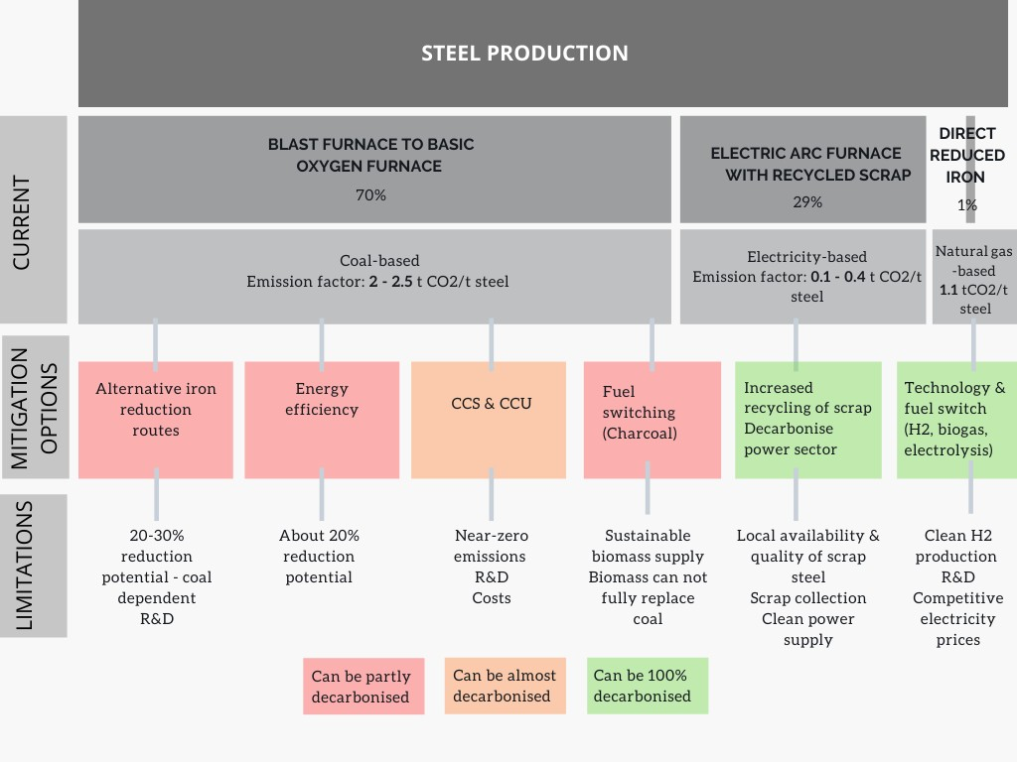
16 Scrap availability is referred to as the national available stock of scrap steel to be collected and recycled in the current year.

That is not the case in the second scenario where the BF-BOF route continues to be part of the technology mix and is only phased out in 2070, assuming that all new plants stay active until the end of their lifetime (about 50 years). Due to the current large stock of relatively new BF-BOFs, in particular in the major steel producing country China, there is a risk that new technologies will be disincentivised to avoid stranded assets. Using that as a narrative, the second scenario allows BF-BOFs to serve their complete lifetime. Doing so leaves less emissions reduction potential with production routes, and higher responsibility with CCS technology, which is a major mitigation measure in the second scenario.
CCS technology is used rather aggressively in the second scenario. More specifically, since smelt reduction only brings small emission reductions unless it is combined with CCS (20%), it is assumed that where smelt reduction technology is built, it is likely to be equipped with CCS by 2050. Further, it is assumed that the majority of the remaining BF-BOF plants, and all DRI-smelt plants, are equipped with CCS in 2050. Even though CCS on BF-BOFs yet does not achieve as high capture rates as on CCS with smelting technology, capture rates are assumed to advance to reach a similar level by 2050. While such advancements are made on the CCS technology side, the second scenario expects slower uptake of new low-carbon technologies such as hydrogen-based DRI, although still kept in the technology mix.
In each scenario, technologies are ranked according to the characteristics of the corresponding scenario and are used in that priority order up to a maximum limit. A maximum market penetration rate in 2050, as well as estimated market entrance year for each technology is defined based on literature review-based assumptions and input from industry experts (see provided references in Table 5). New technologies are introduced following an s-shaped curve, from which the market penetration rate in 2030 is identified. The phase-out of BF-BOF plants is determined according to current market share and follows an inversed s-curve towards the phase out year.
In both scenarios, the recycling of scrap steel is highest ranked and therefore always optimised. Following the recycling of scrap steel, the next technology in the ranking system is introduced and increased until its maximum market penetration rate is reached. As long as the demand is not satisfied, new technologies will be introduced in a similar manner. These ranked technologies all complement the demand met through existing BF-BOF plants that are being phased out according to an S-curve. Any remaining BF-BOF plants in 2030 and beyond are assumed to have improved energy efficiency and parts of coke replaced with charcoal.
CCS technology is used rather aggressively in the second scenario. Since smelt reduction only brings small emission reductions unless it is combined with CCS (20%), it is assumed that where smelt reduction technology is built, it is likely to be equipped with CCS by 2050. Further, it is assumed that the majority of the remaining BF-BOF plants, and all DRI-smelt plants, are equipped with CCS in 2050.
Data sources National historic data on technology shares was collected from Word Steel Steel Statistical Yearbook 2019 (World Steel Association, 2019b). National scrap steel availability was derived from Xylia et. al. Weighing regional scrap availability in global pathways for steel production processes (Xylia et al., 2018). Regional projections were scaled down to national as an estimate. Individual projections were used for the US (World Steel Association, 2019d), India (Ministry of New and Renewable Energy, 2019) and World (Napp et al., 2019b).
Mitigation portions, technical state-of-the-art and best practices are mainly collected from a few key studies including Material Economics study Industrial Transformation 2050 (Material Economics, 2019b), the EU Calculator (EUCalc, 2019), the Energy Transitions Commission study Mission Possible (ETC, 2019b) and ISI Fraunhofer study Industrial Innovation: Pathways to deep decarbonisation of Industry (Chan et al., 2019b; Fleiter et al., 2019).
Key assumptions

Table 22
Brazil
China
EU-28
World
India
Indonesia
South Africa
USA
Steel Benchmarks The final benchmarks for each country are the ranges between the two scenarios modelled by the CAT team, with the exception that we extend the lower range to zero in 2050 for all countries. Some countries will find it more challenging than others to reach zero emissions- intensity but if all technological options were implemented it is theoretically feasible and should therefore be included in the benchmark of “highest plausible ambition”. In addition, we focus here on technical improvements that meet current demand forecasts for steel. Total steel demand could be | 2,500 2,000 1,500 1,000 500 0 2,500 2,000 1,500 1,000 500 0 2,500 | Steel emissions intensity kg CO2 / tonne steel
reduced through substitution with other 2,000 materials, which would enable the lower emitting 1,500
production routes (e.g. recycled scrap) to meet a higher share of the demand and bring emissions intensities down further. Factors affecting variations across countries in 2030 include: (a) share of remaining traditional BF-BOF, which is determined by the starting point, and (b) how quickly the power sector is decarbonised. Countries with the most ambitious ranges are those with higher levels of scrap availability, such as China and the EU, where 100% decarbonisation is achieved in 2050. The benchmarks are less stringent for countries with lower scrap availability, such as South Africa and Indonesia. The model does not include any international trade in steel but rather focuses on domestic production capabilities. International trade could, for example, allow those countries with low scrap metal availability to utilise scrap produced elsewhere. | 1,000 500 0 2,500 2,000 1,500 1,000 500 0 2,500 2,000 1,500 1,000 500 0 2,500 2,000 1,500 1,000 500 0 2,500 2,000 1,500 1,000 500 0 2,500 2,000 1,500 1,000 500 0 2005 2010 2015 2020 2025 2030 2035 2040 2045 2050

Table 24
China
EU-28
The cement and steel sectors are sizeable and emissions-intensive components of total industry but achieving decarbonisation of these sectors alone will not achieve the necessary industrial emissions reductions to ensure compatibility with the Long-term temperature goal of the Paris Agreement. This will require reductions across all facets of industry, and one broad-based indicator for benchmarking this is the total industry electrification rate. Here we provide a top-down approach to deriving benchmarks for whole-of-sector electrification of industry in the chosen countries. These benchmarks reflect the fact that the relative ease of decarbonisation differs across sectors, for example the divergence in plausibility of steep decarbonisation rates in the steel and cement sectors, with no country seen as plausibly decarbonising their industry sector completely by 2050. In order to achieve decarbonisation through electrification of a sector, a country’s electricity system must simultaneously increase its share of non-fossil-based sources of energy. Therefore, two actions must occur in tandem, this benchmark should be twinned with our power system benchmark in order to ensure consistency with the Paris Agreement. The Paris Agreement-compatible benchmarks for industry electrification are ranges that reflect a synthesis of the values in the chosen interval years (2030, 2040, 2050) of the 75th percentile across the Paris Agreement-compatible pathways analysed and the highest level of ambition found to | 100% 80% 60% 40% 20% 0% 100% 80% 60% 40% 20% 0% 100% 80% 60% 40% 20% 0% 100% 80% 60% 40% 20% 0% 100% 80% 60% 40% 20% 0% 100% 80% 60% 40% 20% 0% | Share of electricity use in Industry % of electricity in ﬁnal energy in Industry Brazil India Indonesia

World
USA
be viable in the relevant literature. We use regional results from the Teske et al. (2019) study on 1.5°C compatible energy scenarios to inform our electrification of industry benchmark as described in section 2.3. | 100% 80% 60% 40% 20% 0% 100% 80% 60% 40% 20% 0% 2005 2010 2015 2020 2025 2030 2035 2040 2045 2050
5.3 Electrification of Industry
Percentage of electricity in final energy demand of Industry
Results: The median and 75th percentile pathways for each country are illustrated by the solid and dotted blue lines respectively in Figure 5-4. 18 The values taken from relevant literature are represented by markers in each interval year. The key study utilised as a supplement to the downscaled IAM results is Teske et al. (2019) which provides regional 100% renewable energy scenarios compatible with limiting warming to 1.5°C.
Figure 5-4 IAM-based results for the electrification rate in industry including uncertainty ranges using different IAM model/scenario runs. The diamonds show results of the IEA B2DS scenario for comparison.
As with other sectors, there is a tendency for IAMs to underestimate the potential for high levels of mitigation actions, due to conservative or outdated technological assumptions (e.g. rapid decline in cost of solar PV, battery storage over recent years). For this reason, it is the 75th percentile, rather than the median downscaled IAM pathway chosen for inclusion in the benchmark range.
Final electrification rate benchmarks are outlined in Table 5-8 below. There is a clear correlation between countries with higher availability of scrap metal for use in steel production (e.g. China, EU, USA) and those with the highest upper bound in 2050, which, given the use of electricity in the steel recycling process, is to be expected. The exception to this is South Africa, however this can be explained by the already high starting point, near 40-45%, which is significantly higher than the remaining countries.
Of note is the fact that no country is expected to feasibly achieve a 100% electrification rate of their industry sector by 2050, a confirmation of the inherent difficulty in electrifying the cement sector, which is not expected to feasibly surpass 40% electrification by 2050 in any country analysed here, with an average of 34% (see Section 5.1.3).
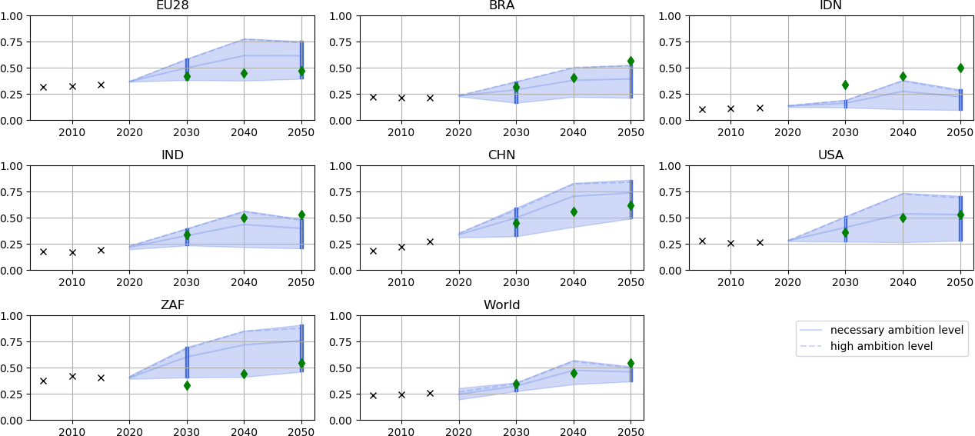
18 The exception to this is South Africa, where the mean is taken rather than the 75th percentile due to equity considerations.

Table 5-8. Share of electricity in industry

South Africa

Table 26
EU-28
Buildings Emissions Intensity
kg CO2 / m2
South Africa
USA
South Africa
USA
Residential 80 60 40 20 0 80 60 40 20 0 80 60 40 20 0 80 60 40 20 0 80 | Brazil China India |  | 200 150 100 50 0 200 150 100 50 0 200 150 100 50 0 200 150 100 50 0 200 | Commercial |  | Brazil China EU-28 India
60 Indonesia 40 20 0 80 60 40 20 0 80 60 40 20 0 80 60 World 40 20 |  | 150 100 50 0 200 150 100 50 0 200 150 100 50 0 200 150 100 50 |  |  | Indonesia World
No data
No data
0 2005 2010 2015 2020 2025 2030 2035 2040 2045 2050 0 2005 2010 2015 2020 2025 2030 2035 2040 2045 2050

Using existing technologies, it is possible to completely eliminate emissions from buildings by 2050. To do so will require substantial investment in zero carbon (renewable or electric) heating and cooling sources and improvements to the building envelopes. Our benchmarks therefore reach close to zero emissions intensity for all countries in 2050.

Table 28
240 180 120 | Residential |  |  |  | Brazil | 400 300 200 |  | Commercial |  |  |  |  | Brazil
60 100
0 240 180 120 |  |  | China |  |  | 0 400 300 200 |  |  |  |  | China
60 100
EU-28
EU-28
0 240 180 120 |  |  |  | 0 400 300 200
60 100
India
0 240 180 120 |  |  |  | 0 400 300 200 |  |  |  |  |  |  |  | India
60 100
0 240 180 120 |  | Indonesia |  |  |  | 0 400 300 200 |  |  |  | Indonesia
No data
No data
60 100
South Africa
0 240 180 120 |  |  |  | 0 400 300 200 |  |  |  |  | South Africa
60 100
USA
USA
0 240 180 120 |  |  |  | 0 400 300 200
60 100
0 240 180 120 |  |  | World |  |  | 0 400 300 200 |  |  |  |  | World
No data
No data
Buildings Energy Intensity
kWh / m2
60 0 2005 2010 2015 2020 2025 2030 2035 2040 2045 2050 |  |  |  |  |  |  | 100 0 2005 2010 2015 2020 2025 2030 2035 2040 2045 2050

The energy intensity per m2 in each country include energy demand from all end-use services, space heating, space cooling, water heating, lighting, cooking and appliances. Energy demand for space heating and cooling are substantially decreased through improvements to building envelopes and installation of high efficiency heating and cooling technologies. Energy demand per capita for water heating converges across all countries; in some cases, this reflects efficiency improvements while in others improved access to water heating services.
The B2DS scenario includes a near complete shift towards efficient LED lighting by the 2030s resulting in decreasing energy demand for lighting across all countries. Despite assumptions regarding efficiency improvements, energy demand for cooking and appliances decreases less in the B2DS scenario, partly due to rebound effects. Behavioural changes could result in further deductions in energy intensity, particularly in those countries with high energy demand for appliance use (e.g. USA).
Local climate has a high impact on final energy demand between countries. Brazil has very low heating degree days and moderately low cooling degree days whereas the EU has a very high demand for heating. The USA and China have similar average climates with moderate demand for heating and cooling. India conversely has a low heating requirement but high potential demand for heating. Our model assumes improved access to cooling where there is demand for it, such as in India.
Because the impact of climate on energy demand is high, a global benchmark for energy intensity is not so meaningful and we therefore do not define a global benchmark for this indicator.

Table 30
Brazil
% renovations / year
Renovation rates are inputs to the CAT buildings model and are modified to ensure that all stock is of a high standard by 2050. This includes upgrades to the building envelope and improvements to heating and cooling technologies. Modelling analysis showed that renovation rates of up to 3.5% were required to achieve these standards. |  | Renovation rates buildings 5% 4% 3% 2% 1% No historical data 0%
 | 5%
The USA and EU are expected to reach the | 4% China
maximum renovation rates at an earlier date than | 3%
the other countries assessed. This is partly for | 2%
equity reasons and partly because much of the | 1%
stock expected to exist in 2050 has already been | No historical data 0%
built. The EU and USA cannot rely on new buildings | 5%
to improve the average energy and emissions performance but also need to prioritise improvements to the existing stock. The renovation rate benchmarks are only set for |  | 4% EU-28 3% 2% 1% No historical data 0%
2030 and 2040 because renovation should be 5%
World
South Africa
complete before 2050. However, if buildings constructed in the coming decade are not of a sufficiently high standard, continued renovation could help to minimise energy use and emissions in the latter half of the century. Some renovation is likely to continue in any case as older stock wears down. |  | 4% 3% 2% 1% No historical data 0% 5% 4% Indonesia 3% 2% 1% No historical data 0% 5% 4% 3% 2% 1% No historical data 0% 5% 4% USA 3% 2% 1% No historical data 0% 5% 4% 3% 2% 1% No historical data
0% 2005 2010 2015 2020 2025 2030 2035 2040 2045 2050
Renovation rates
Percentage of buildings renovated per year
India

