C2.1
Back to contents
 | Chart 2.1: Bank rate and gilt yields by years to maturity

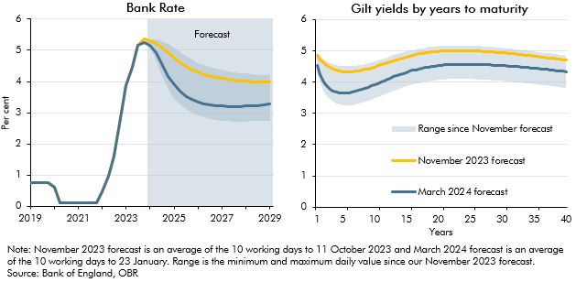

 | Bank Rate |  |  |  |  | Gilt yields by year of maturity
 |  | November 2023 forecast | March 2024 forecast | Min | Max |  | November 2023 forecast | March 2024 forecast | Min | Max
 | 2019Q1 | 0.8 | 0.8 |  |  | 1.0 | 4.8 | 4.5 | 4.3 | 4.9
 | 2019Q2 | 0.8 | 0.8 |  |  | 1.5 | 4.7 | 4.2 | 4.0 | 4.8
 | 2019Q3 | 0.8 | 0.8 |  |  | 2.0 | 4.6 | 4.0 | 3.7 | 4.7
 | 2019Q4 | 0.8 | 0.8 |  |  | 2.5 | 4.5 | 3.9 | 3.6 | 4.7
 | 2020Q1 | 0.6 | 0.6 |  |  | 3.0 | 4.5 | 3.8 | 3.4 | 4.6
 | 2020Q2 | 0.1 | 0.1 |  |  | 3.5 | 4.4 | 3.7 | 3.4 | 4.6
 | 2020Q3 | 0.1 | 0.1 |  |  | 4.0 | 4.4 | 3.7 | 3.3 | 4.5
 | 2020Q4 | 0.1 | 0.1 |  |  | 4.5 | 4.4 | 3.7 | 3.3 | 4.5
 | 2021Q1 | 0.1 | 0.1 |  |  | 5.0 | 4.3 | 3.6 | 3.3 | 4.5
 | 2021Q2 | 0.1 | 0.1 |  |  | 5.5 | 4.3 | 3.6 | 3.3 | 4.5
 | 2021Q3 | 0.1 | 0.1 |  |  | 6.0 | 4.3 | 3.7 | 3.3 | 4.5
 | 2021Q4 | 0.1 | 0.1 |  |  | 6.5 | 4.3 | 3.7 | 3.3 | 4.5
 | 2022Q1 | 0.5 | 0.5 |  |  | 7.0 | 4.3 | 3.7 | 3.3 | 4.5
 | 2022Q2 | 1.0 | 1.0 |  |  | 7.5 | 4.4 | 3.7 | 3.3 | 4.5
 | 2022Q3 | 1.6 | 1.6 |  |  | 8.0 | 4.4 | 3.8 | 3.3 | 4.6
 | 2022Q4 | 2.8 | 2.8 |  |  | 8.5 | 4.4 | 3.8 | 3.4 | 4.6
 | 2023Q1 | 3.9 | 3.9 |  |  | 9.0 | 4.4 | 3.8 | 3.4 | 4.6
 | 2023Q2 | 4.5 | 4.5 |  |  | 9.5 | 4.5 | 3.9 | 3.4 | 4.6
 | 2023Q3 | 5.2 | 5.2 |  |  | 10.0 | 4.5 | 3.9 | 3.5 | 4.7
 | 2023Q4 | 5.4 | 5.3 |  |  | 10.5 | 4.5 | 4.0 | 3.5 | 4.7
 | 2024Q1 | 5.3 | 5.2 | 5.1 | 5.4 | 11.0 | 4.6 | 4.0 | 3.6 | 4.7
 | 2024Q2 | 5.2 | 4.9 | 4.7 | 5.3 | 11.5 | 4.6 | 4.0 | 3.6 | 4.8
 | 2024Q3 | 5.1 | 4.5 | 4.2 | 5.3 | 12.0 | 4.6 | 4.1 | 3.6 | 4.8
 | 2024Q4 | 4.9 | 4.2 | 3.7 | 5.2 | 12.5 | 4.7 | 4.1 | 3.7 | 4.8
 | 2025Q1 | 4.8 | 3.9 | 3.5 | 5.1 | 13.0 | 4.7 | 4.2 | 3.7 | 4.9
 | 2025Q2 | 4.6 | 3.7 | 3.3 | 4.9 | 13.5 | 4.7 | 4.2 | 3.8 | 4.9
 | 2025Q3 | 4.5 | 3.5 | 3.1 | 4.8 | 14.0 | 4.8 | 4.2 | 3.8 | 4.9
 | 2025Q4 | 4.4 | 3.4 | 3.0 | 4.7 | 14.5 | 4.8 | 4.3 | 3.8 | 4.9
 | 2026Q1 | 4.3 | 3.3 | 2.9 | 4.6 | 15.0 | 4.8 | 4.3 | 3.9 | 5.0
 | 2026Q2 | 4.2 | 3.3 | 2.8 | 4.5 | 15.5 | 4.8 | 4.3 | 3.9 | 5.0
 | 2026Q3 | 4.2 | 3.2 | 2.8 | 4.5 | 16.0 | 4.9 | 4.4 | 3.9 | 5.0
 | 2026Q4 | 4.1 | 3.2 | 2.8 | 4.4 | 16.5 | 4.9 | 4.4 | 3.9 | 5.0
 | 2027Q1 | 4.1 | 3.2 | 2.7 | 4.4 | 17.0 | 4.9 | 4.4 | 4.0 | 5.1
 | 2027Q2 | 4.1 | 3.2 | 2.7 | 4.3 | 17.5 | 4.9 | 4.4 | 4.0 | 5.1
 | 2027Q3 | 4.0 | 3.2 | 2.7 | 4.3 | 18.0 | 4.9 | 4.5 | 4.0 | 5.1
 | 2027Q4 | 4.0 | 3.2 | 2.7 | 4.3 | 18.5 | 4.9 | 4.5 | 4.0 | 5.1
 | 2028Q1 | 4.0 | 3.2 | 2.7 | 4.3 | 19.0 | 5.0 | 4.5 | 4.0 | 5.1
 | 2028Q2 | 4.0 | 3.2 | 2.7 | 4.2 | 19.5 | 5.0 | 4.5 | 4.1 | 5.1
 | 2028Q3 | 4.0 | 3.2 | 2.7 | 4.2 | 20.0 | 5.0 | 4.5 | 4.1 | 5.2
 | 2028Q4 | 4.0 | 3.3 | 2.7 | 4.2 | 20.5 | 5.0 | 4.5 | 4.1 | 5.2
 | 2029Q1 | 4.0 | 3.3 | 2.8 | 4.2 | 21.0 | 5.0 | 4.5 | 4.1 | 5.2
 |  |  |  |  |  | 21.5 | 5.0 | 4.6 | 4.1 | 5.2
 |  |  |  |  |  | 22.0 | 5.0 | 4.6 | 4.1 | 5.2
 |  |  |  |  |  | 22.5 | 5.0 | 4.6 | 4.1 | 5.2
 |  |  |  |  |  | 23.0 | 5.0 | 4.6 | 4.1 | 5.2
 |  |  |  |  |  | 23.5 | 5.0 | 4.6 | 4.1 | 5.2
 |  |  |  |  |  | 24.0 | 5.0 | 4.6 | 4.1 | 5.2
 |  |  |  |  |  | 24.5 | 5.0 | 4.6 | 4.1 | 5.2
 |  |  |  |  |  | 25.0 | 5.0 | 4.6 | 4.1 | 5.2
 |  |  |  |  |  | 25.5 | 5.0 | 4.6 | 4.1 | 5.2
 |  |  |  |  |  | 26.0 | 5.0 | 4.6 | 4.1 | 5.2
 |  |  |  |  |  | 26.5 | 5.0 | 4.6 | 4.1 | 5.1
 |  |  |  |  |  | 27.0 | 5.0 | 4.6 | 4.1 | 5.1
 |  |  |  |  |  | 27.5 | 5.0 | 4.6 | 4.1 | 5.1
 |  |  |  |  |  | 28.0 | 5.0 | 4.6 | 4.1 | 5.1
 |  |  |  |  |  | 28.5 | 5.0 | 4.5 | 4.1 | 5.1
 |  |  |  |  |  | 29.0 | 5.0 | 4.5 | 4.1 | 5.1
 |  |  |  |  |  | 29.5 | 4.9 | 4.5 | 4.0 | 5.1
 |  |  |  |  |  | 30.0 | 4.9 | 4.5 | 4.0 | 5.1
 |  |  |  |  |  | 30.5 | 4.9 | 4.5 | 4.0 | 5.1
 |  |  |  |  |  | 31.0 | 4.9 | 4.5 | 4.0 | 5.1
 |  |  |  |  |  | 31.5 | 4.9 | 4.5 | 4.0 | 5.1
 |  |  |  |  |  | 32.0 | 4.9 | 4.5 | 4.0 | 5.0
 |  |  |  |  |  | 32.5 | 4.9 | 4.5 | 4.0 | 5.0
 |  |  |  |  |  | 33.0 | 4.9 | 4.5 | 4.0 | 5.0
 |  |  |  |  |  | 33.5 | 4.9 | 4.5 | 4.0 | 5.0
 |  |  |  |  |  | 34.0 | 4.9 | 4.5 | 4.0 | 5.0
 |  |  |  |  |  | 34.5 | 4.8 | 4.5 | 3.9 | 5.0
 |  |  |  |  |  | 35.0 | 4.8 | 4.4 | 3.9 | 5.0
 |  |  |  |  |  | 35.5 | 4.8 | 4.4 | 3.9 | 5.0
 |  |  |  |  |  | 36.0 | 4.8 | 4.4 | 3.9 | 5.0
 |  |  |  |  |  | 36.5 | 4.8 | 4.4 | 3.9 | 4.9
 |  |  |  |  |  | 37.0 | 4.8 | 4.4 | 3.9 | 4.9
 |  |  |  |  |  | 37.5 | 4.8 | 4.4 | 3.9 | 4.9
 |  |  |  |  |  | 38.0 | 4.8 | 4.4 | 3.9 | 4.9
 |  |  |  |  |  | 38.5 | 4.7 | 4.4 | 3.9 | 4.9
 |  |  |  |  |  | 39.0 | 4.7 | 4.4 | 3.8 | 4.9
 |  |  |  |  |  | 39.5 | 4.7 | 4.3 | 3.8 | 4.9
 |  |  |  |  |  | 40.0 | 4.7 | 4.3 | 3.8 | 4.8

C2.2
Back to contents
 | Chart 2.2: Gas and oil prices

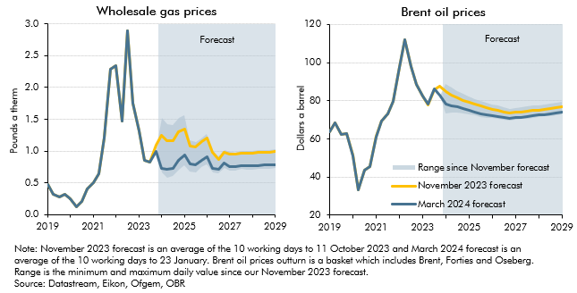

 | Wholesale gas prices |  |  |  |  | Brent oil prices
 |  | November 2023 forecast | March 2024 forecast | Min | Max |  | November 2023 forecast | March 2024 forecast | Min | Max
 | 2019Q1 | 0.5 | 0.5 |  |  | 2019Q1 | 63.9 | 63.9
 | 2019Q2 | 0.3 | 0.3 |  |  | 2019Q2 | 68.4 | 68.4
 | 2019Q3 | 0.3 | 0.3 |  |  | 2019Q3 | 62.1 | 62.1
 | 2019Q4 | 0.3 | 0.3 |  |  | 2019Q4 | 62.6 | 62.6
 | 2020Q1 | 0.2 | 0.2 |  |  | 2020Q1 | 51.3 | 51.2
 | 2020Q2 | 0.1 | 0.1 |  |  | 2020Q2 | 33.1 | 33.4
 | 2020Q3 | 0.2 | 0.2 |  |  | 2020Q3 | 43.4 | 43.4
 | 2020Q4 | 0.4 | 0.4 |  |  | 2020Q4 | 45.3 | 45.3
 | 2021Q1 | 0.5 | 0.5 |  |  | 2021Q1 | 61.2 | 61.1
 | 2021Q2 | 0.6 | 0.6 |  |  | 2021Q2 | 69.1 | 69.1
 | 2021Q3 | 1.2 | 1.2 |  |  | 2021Q3 | 73.3 | 73.3
 | 2021Q4 | 2.3 | 2.3 |  |  | 2021Q4 | 79.8 | 79.8
 | 2022Q1 | 2.4 | 2.4 |  |  | 2022Q1 | 97.4 | 97.6
 | 2022Q2 | 1.5 | 1.5 |  |  | 2022Q2 | 112.0 | 112.1
 | 2022Q3 | 2.9 | 2.9 |  |  | 2022Q3 | 97.8 | 97.8
 | 2022Q4 | 1.7 | 1.7 |  |  | 2022Q4 | 88.7 | 88.8
 | 2023Q1 | 1.3 | 1.3 |  |  | 2023Q1 | 82.3 | 82.3
 | 2023Q2 | 0.9 | 0.9 |  |  | 2023Q2 | 78.0 | 78.0
 | 2023Q3 | 0.8 | 0.8 |  |  | 2023Q3 | 86.0 | 86.1
 | 2023Q4 | 1.1 | 1.0 |  |  | 2023Q4 | 87.7 | 82.8
 | 2024Q1 | 1.2 | 0.7 | 0.7 | 1.5 | 2024Q1 | 84.9 | 78.2 | 73.5 | 88.9
 | 2024Q2 | 1.2 | 0.7 | 0.6 | 1.4 | 2024Q2 | 82.9 | 77.5 | 73.9 | 86.7
 | 2024Q3 | 1.2 | 0.7 | 0.6 | 1.4 | 2024Q3 | 81.5 | 76.7 | 73.8 | 85.0
 | 2024Q4 | 1.3 | 0.9 | 0.7 | 1.5 | 2024Q4 | 80.3 | 75.7 | 73.3 | 83.5
 | 2025Q1 | 1.3 | 0.9 | 0.8 | 1.6 | 2025Q1 | 79.1 | 74.8 | 72.7 | 82.2
 | 2025Q2 | 1.1 | 0.8 | 0.7 | 1.2 | 2025Q2 | 78.1 | 74.0 | 72.2 | 81.0
 | 2025Q3 | 1.1 | 0.8 | 0.7 | 1.1 | 2025Q3 | 77.2 | 73.3 | 71.6 | 80.0
 | 2025Q4 | 1.1 | 0.9 | 0.7 | 1.2 | 2025Q4 | 76.4 | 72.7 | 71.2 | 79.1
 | 2026Q1 | 1.2 | 0.9 | 0.8 | 1.3 | 2026Q1 | 75.6 | 72.1 | 70.8 | 78.2
 | 2026Q2 | 1.0 | 0.7 | 0.7 | 1.0 | 2026Q2 | 74.9 | 71.6 | 70.4 | 77.4
 | 2026Q3 | 0.9 | 0.7 | 0.6 | 0.9 | 2026Q3 | 74.2 | 71.1 | 70.0 | 76.6
 | 2026Q4 | 1.0 | 0.8 | 0.7 | 1.0 | 2026Q4 | 73.5 | 70.7 | 69.7 | 75.8
 | 2027Q1 | 1.0 | 0.8 | 0.7 | 1.0 | 2027Q1 | 73.8 | 71.0 | 70.0 | 76.2
 | 2027Q2 | 1.0 | 0.8 | 0.7 | 1.0 | 2027Q2 | 74.1 | 71.4 | 70.4 | 76.6
 | 2027Q3 | 1.0 | 0.8 | 0.7 | 1.0 | 2027Q3 | 74.5 | 71.7 | 70.7 | 77.0
 | 2027Q4 | 1.0 | 0.8 | 0.7 | 1.0 | 2027Q4 | 74.8 | 72.1 | 71.1 | 77.4
 | 2028Q1 | 1.0 | 0.8 | 0.7 | 1.0 | 2028Q1 | 75.2 | 72.4 | 71.4 | 77.7
 | 2028Q2 | 1.0 | 0.8 | 0.7 | 1.0 | 2028Q2 | 75.5 | 72.8 | 71.8 | 78.1
 | 2028Q3 | 1.0 | 0.8 | 0.7 | 1.0 | 2028Q3 | 75.9 | 73.1 | 72.1 | 78.5
 | 2028Q4 | 1.0 | 0.8 | 0.7 | 1.0 | 2028Q4 | 76.3 | 73.5 | 72.5 | 78.9
 | 2029Q1 | 1.0 | 0.8 | 0.7 | 1.0 | 2029Q1 | 76.7 | 73.9 | 72.8 | 79.3

C2.3
Back to contents
 | Chart 2.3: World GDP growth and the exchange rate

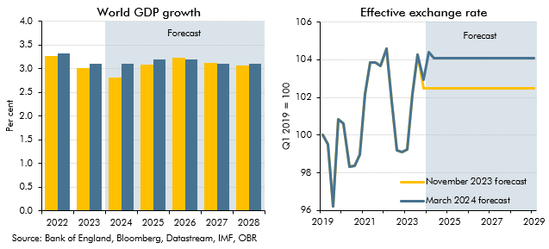

 | World GDP growth |  |  | Effective exchange rate
 |  | November 2023 forecast | March 2024 forecast |  | November 2023 forecast | March 2024 forecast
 | 2022 | 3.3 | 3.3 | 2019Q1 | 100.0 | 100.0
 | 2023 | 3.0 | 3.1 | 2019Q2 | 99.5 | 99.5
 | 2024 | 2.8 | 3.1 | 2019Q3 | 96.2 | 96.2
 | 2025 | 3.1 | 3.2 | 2019Q4 | 100.8 | 100.8
 | 2026 | 3.2 | 3.2 | 2020Q1 | 100.6 | 100.6
 | 2027 | 3.1 | 3.1 | 2020Q2 | 98.3 | 98.3
 | 2028 | 3.1 | 3.1 | 2020Q3 | 98.4 | 98.4
 |  |  |  | 2020Q4 | 99.0 | 99.0
 |  |  |  | 2021Q1 | 102.2 | 102.2
 |  |  |  | 2021Q2 | 103.9 | 103.9
 |  |  |  | 2021Q3 | 103.8 | 103.8
 |  |  |  | 2021Q4 | 103.7 | 103.7
 |  |  |  | 2022Q1 | 104.6 | 104.6
 |  |  |  | 2022Q2 | 101.8 | 101.8
 |  |  |  | 2022Q3 | 99.2 | 99.2
 |  |  |  | 2022Q4 | 99.1 | 99.1
 |  |  |  | 2023Q1 | 99.2 | 99.2
 |  |  |  | 2023Q2 | 102.2 | 102.2
 |  |  |  | 2023Q3 | 104.3 | 104.3
 |  |  |  | 2023Q4 | 102.5 | 103.0
 |  |  |  | 2024Q1 | 102.5 | 104.4
 |  |  |  | 2024Q2 | 102.5 | 104.1
 |  |  |  | 2024Q3 | 102.5 | 104.1
 |  |  |  | 2024Q4 | 102.5 | 104.1
 |  |  |  | 2025Q1 | 102.5 | 104.1
 |  |  |  | 2025Q2 | 102.5 | 104.1
 |  |  |  | 2025Q3 | 102.5 | 104.1
 |  |  |  | 2025Q4 | 102.5 | 104.1
 |  |  |  | 2026Q1 | 102.5 | 104.1
 |  |  |  | 2026Q2 | 102.5 | 104.1
 |  |  |  | 2026Q3 | 102.5 | 104.1
 |  |  |  | 2026Q4 | 102.5 | 104.1
 |  |  |  | 2027Q1 | 102.5 | 104.1
 |  |  |  | 2027Q2 | 102.5 | 104.1
 |  |  |  | 2027Q3 | 102.5 | 104.1
 |  |  |  | 2027Q4 | 102.5 | 104.1
 |  |  |  | 2028Q1 | 102.5 | 104.1
 |  |  |  | 2028Q2 | 102.5 | 104.1
 |  |  |  | 2028Q3 | 102.5 | 104.1
 |  |  |  | 2028Q4 | 102.5 | 104.1
 |  |  |  | 2029Q1 | 102.5 | 104.1

C2.A
Back to contents
 | Chart 2.A: Impact of policy measures on real GDP

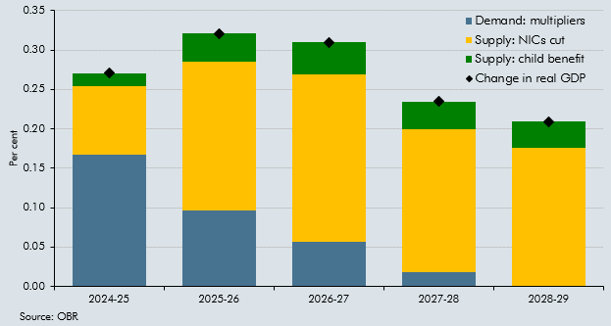

 |  | Demand: multipliers | Supply: NICs cut | Supply: child benefit | Change in real GDP
 | 2024-25 | 0.2 | 0.1 | 0.0 | 0.3
 | 2025-26 | 0.1 | 0.2 | 0.0 | 0.3
 | 2026-27 | 0.1 | 0.2 | 0.0 | 0.3
 | 2027-28 | 0.0 | 0.2 | 0.0 | 0.2
 | 2028-29 | 0.0 | 0.2 | 0.0 | 0.2

C2.4
Back to contents
 | Chart 2.4: CPI inflation

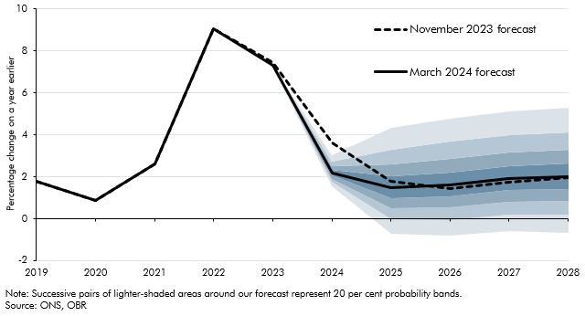

 |  |  |  | Percentile
 |  | November 2023 forecast | March 2024 forecast | 10 | 20 | 30 | 40 | 50 | 60 | 70 | 80 | 90
 | 2019 | 1.8 | 1.8
 | 2020 | 0.9 | 0.9
 | 2021 | 2.6 | 2.6
 | 2022 | 9.1 | 9.1
 | 2023 | 7.5 | 7.3
 | 2024 | 3.6 | 2.2 | 1.5 | 1.8 | 1.9 | 2.0 | 2.2 | 2.3 | 2.5 | 2.7 | 3.0
 | 2025 | 1.8 | 1.5 | -0.7 | 0.0 | 0.5 | 1.0 | 1.5 | 2.0 | 2.6 | 3.3 | 4.3
 | 2026 | 1.4 | 1.6 | -0.8 | -0.1 | 0.5 | 1.1 | 1.6 | 2.2 | 2.9 | 3.7 | 4.8
 | 2027 | 1.7 | 1.9 | -0.6 | 0.2 | 0.8 | 1.4 | 1.9 | 2.5 | 3.2 | 4.0 | 5.1
 | 2028 | 2.0 | 2.0 | -0.7 | 0.2 | 0.8 | 1.4 | 2.0 | 2.6 | 3.3 | 4.1 | 5.3

C2.5
Back to contents
 | Chart 2.5: Contributions to CPI inflation

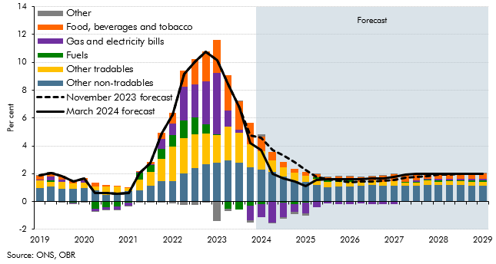

 |  | Food, beverages and tobacco | Gas and electricity bills | Fuels | Other tradables | Other non-tradables | Other | March 2024 forecast | November 2023 forecast
 | 2019Q1 | 0.3 | 0.0 | 0.0 | 0.5 | 1.0 | 0.0 | 1.9 | 1.9
 | 2019Q2 | 0.3 | 0.3 | 0.1 | 0.3 | 1.1 | 0.0 | 2.0 | 2.0
 | 2019Q3 | 0.3 | 0.2 | 0.0 | 0.5 | 0.9 | 0.0 | 1.8 | 1.8
 | 2019Q4 | 0.3 | 0.0 | -0.1 | 0.4 | 0.9 | 0.0 | 1.4 | 1.4
 | 2020Q1 | 0.2 | 0.1 | 0.0 | 0.4 | 1.0 | 0.0 | 1.7 | 1.7
 | 2020Q2 | 0.2 | -0.2 | -0.5 | 0.3 | 0.8 | 0.0 | 0.6 | 0.6
 | 2020Q3 | 0.1 | -0.2 | -0.4 | 0.6 | 0.5 | 0.0 | 0.6 | 0.6
 | 2020Q4 | 0.0 | -0.3 | -0.3 | 0.5 | 0.6 | 0.0 | 0.5 | 0.5
 | 2021Q1 | 0.0 | -0.2 | -0.1 | 0.2 | 0.8 | 0.0 | 0.6 | 0.6
 | 2021Q2 | 0.0 | 0.1 | 0.5 | 0.7 | 0.8 | -0.1 | 2.1 | 2.1
 | 2021Q3 | 0.1 | 0.1 | 0.5 | 1.0 | 1.1 | 0.0 | 2.8 | 2.8
 | 2021Q4 | 0.5 | 0.7 | 0.8 | 1.6 | 1.5 | 0.0 | 4.9 | 4.9
 | 2022Q1 | 0.8 | 0.8 | 0.9 | 2.5 | 1.4 | -0.1 | 6.2 | 6.2
 | 2022Q2 | 1.2 | 2.4 | 1.2 | 2.6 | 2.0 | -0.2 | 9.2 | 9.2
 | 2022Q3 | 1.8 | 2.4 | 1.2 | 2.4 | 2.4 | -0.2 | 10.0 | 10.0
 | 2022Q4 | 2.1 | 3.1 | 0.6 | 2.2 | 2.7 | 0.0 | 10.7 | 10.7
 | 2023Q1 | 2.4 | 4.4 | 0.1 | 1.9 | 2.8 | -1.4 | 10.2 | 10.2
 | 2023Q2 | 2.5 | 1.2 | -0.5 | 2.4 | 2.9 | -0.2 | 8.4 | 8.4
 | 2023Q3 | 2.0 | 0.2 | -0.6 | 2.1 | 2.8 | 0.1 | 6.7 | 6.7
 | 2023Q4 | 1.6 | -1.0 | -0.3 | 1.7 | 2.4 | -0.1 | 4.2 | 4.8
 | 2024Q1 | 1.1 | -0.9 | -0.2 | 1.3 | 2.3 | 0.2 | 3.7 | 4.6
 | 2024Q2 | 0.6 | -1.5 | 0.0 | 0.8 | 2.1 | 0.0 | 2.0 | 3.7
 | 2024Q3 | 0.4 | -1.0 | -0.1 | 0.6 | 1.8 | -0.1 | 1.6 | 3.3
 | 2024Q4 | 0.3 | -0.6 | -0.2 | 0.6 | 1.5 | -0.1 | 1.4 | 2.8
 | 2025Q1 | 0.3 | -0.8 | -0.1 | 0.5 | 1.4 | -0.2 | 1.1 | 2.3
 | 2025Q2 | 0.2 | -0.4 | 0.1 | 0.4 | 1.2 | 0.0 | 1.6 | 1.8
 | 2025Q3 | 0.2 | -0.1 | 0.1 | 0.4 | 1.0 | 0.0 | 1.6 | 1.6
 | 2025Q4 | 0.3 | -0.2 | 0.1 | 0.3 | 1.1 | 0.0 | 1.6 | 1.5
 | 2026Q1 | 0.3 | -0.2 | 0.1 | 0.3 | 1.1 | 0.0 | 1.6 | 1.4
 | 2026Q2 | 0.3 | -0.2 | 0.0 | 0.3 | 1.1 | 0.0 | 1.6 | 1.4
 | 2026Q3 | 0.3 | -0.2 | 0.0 | 0.3 | 1.2 | 0.0 | 1.6 | 1.4
 | 2026Q4 | 0.4 | -0.2 | 0.0 | 0.3 | 1.1 | 0.0 | 1.7 | 1.5
 | 2027Q1 | 0.5 | -0.2 | 0.0 | 0.3 | 1.2 | 0.0 | 1.8 | 1.6
 | 2027Q2 | 0.5 | 0.0 | 0.0 | 0.2 | 1.1 | 0.0 | 1.9 | 1.7
 | 2027Q3 | 0.5 | 0.1 | 0.1 | 0.2 | 1.2 | 0.0 | 2.0 | 1.8
 | 2027Q4 | 0.4 | 0.1 | 0.1 | 0.3 | 1.2 | 0.0 | 2.0 | 1.8
 | 2028Q1 | 0.4 | 0.1 | 0.1 | 0.3 | 1.2 | 0.0 | 2.0 | 1.9
 | 2028Q2 | 0.4 | 0.1 | 0.1 | 0.3 | 1.2 | 0.0 | 2.0 | 2.0
 | 2028Q3 | 0.4 | 0.1 | 0.1 | 0.3 | 1.2 | 0.0 | 2.0 | 2.0
 | 2028Q4 | 0.4 | 0.1 | 0.1 | 0.3 | 1.2 | 0.0 | 2.0 | 2.0
 | 2029Q1 | 0.4 | 0.1 | 0.1 | 0.3 | 1.2 | 0.0 | 2.0 | 2.0

C2.B
Back to contents
 | Chart 2.B: CPI inflation in the adverse scenario

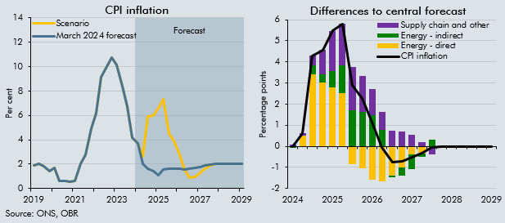

 | CPI inflation |  |  | Differences to central forecast
 |  | March 2024 forecast | Scenario |  | CPI | Energy - direct | Energy - indirect | Supply chain and other
 | 2019 Q1 | 1.9 |  | 2024 Q1 | 0.0 | 0.0 | -0.1 | 0.1
 | 2019 Q2 | 2.0 |  | 2024 Q2 | 0.6 | 0.5 | 0.0 | 0.1
 | 2019 Q3 | 1.8 |  | 2024 Q3 | 4.3 | 3.4 | 0.4 | 0.5
 | 2019 Q4 | 1.4 |  | 2024 Q4 | 4.6 | 3.0 | 0.4 | 1.1
 | 2020 Q1 | 1.7 |  | 2025 Q1 | 5.5 | 2.8 | 0.8 | 1.9
 | 2020 Q2 | 0.6 |  | 2025 Q2 | 5.8 | 2.5 | 1.3 | 2.0
 | 2020 Q3 | 0.6 |  | 2025 Q3 | 2.9 | -0.8 | 1.7 | 2.0
 | 2020 Q4 | 0.5 |  | 2025 Q4 | 2.3 | -1.1 | 1.6 | 1.7
 | 2021 Q1 | 0.6 |  | 2026 Q1 | 1.1 | -1.6 | 1.5 | 1.2
 | 2021 Q2 | 2.1 |  | 2026 Q2 | 0.0 | -1.7 | 0.8 | 0.9
 | 2021 Q3 | 2.8 |  | 2026 Q3 | -0.7 | -1.4 | -0.1 | 0.7
 | 2021 Q4 | 4.9 |  | 2026 Q4 | -0.7 | -1.0 | -0.4 | 0.7
 | 2022 Q1 | 6.2 |  | 2027 Q1 | -0.5 | -0.4 | -0.7 | 0.6
 | 2022 Q2 | 9.2 |  | 2027 Q2 | -0.3 | -0.3 | -0.2 | 0.2
 | 2022 Q3 | 10.0 |  | 2027 Q3 | -0.1 | -0.1 | 0.3 | -0.3
 | 2022 Q4 | 10.7 |  | 2027 Q4 | 0.0 | 0.0 | 0.0 | 0.0
 | 2023 Q1 | 10.2 |  | 2028 Q1 | 0.0 | 0.0 | 0.0 | 0.0
 | 2023 Q2 | 8.4 |  | 2028 Q2 | 0.0 | 0.0 | 0.0 | 0.0
 | 2023 Q3 | 6.7 |  | 2028 Q3 | 0.0 | 0.0 | 0.0 | 0.0
 | 2023 Q4 | 4.2 |  | 2028 Q4 | 0.0 | 0.0 | 0.0 | 0.0
 | 2024 Q1 | 3.7 | 3.7 | 2029 Q1 | 0.0 | 0.0 | 0.0 | 0.0
 | 2024 Q2 | 2.0 | 2.6
 | 2024 Q3 | 1.6 | 5.9
 | 2024 Q4 | 1.4 | 6.0
 | 2025 Q1 | 1.1 | 6.6
 | 2025 Q2 | 1.6 | 7.4
 | 2025 Q3 | 1.6 | 4.5
 | 2025 Q4 | 1.6 | 3.9
 | 2026 Q1 | 1.6 | 2.7
 | 2026 Q2 | 1.6 | 1.5
 | 2026 Q3 | 1.6 | 0.9
 | 2026 Q4 | 1.7 | 1.0
 | 2027 Q1 | 1.8 | 1.3
 | 2027 Q2 | 1.9 | 1.6
 | 2027 Q3 | 2.0 | 1.9
 | 2027 Q4 | 2.0 | 2.0
 | 2028 Q1 | 2.0 | 2.0
 | 2028 Q2 | 2.0 | 2.0
 | 2028 Q3 | 2.0 | 2.0
 | 2028 Q4 | 2.0 | 2.0
 | 2029 Q1 | 2.0 | 2.0

C2.6
Back to contents
 | Chart 2.6: Potential output growth and level changes since November

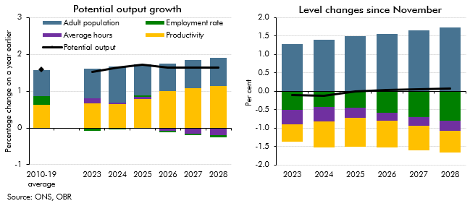

 | Potential output growth |  |  |  |  |  | Level changes since November
 |  | Adult population | Employment rate | Average hours | Productivity | Potential output |  | Adult population | Employment rate | Average hours | Productivity | Potential output
 | 2010-19 average | 0.7 | 0.2 | 0.0 | 0.6 | 1.6 | 2023 | 1.3 | -0.5 | -0.4 | -0.5 | -0.1
 |  |  |  |  |  |  | 2024 | 1.4 | -0.4 | -0.4 | -0.7 | -0.1
 | 2023 | 0.8 | -0.1 | 0.1 | 0.7 | 1.5 | 2025 | 1.5 | -0.4 | -0.3 | -0.8 | 0.0
 | 2024 | 1.0 | 0.0 | 0.0 | 0.6 | 1.6 | 2026 | 1.6 | -0.6 | -0.2 | -0.7 | 0.0
 | 2025 | 0.8 | 0.0 | 0.1 | 0.8 | 1.7 | 2027 | 1.7 | -0.7 | -0.2 | -0.7 | 0.0
 | 2026 | 0.7 | 0.0 | -0.1 | 1.0 | 1.6 | 2028 | 1.7 | -0.8 | -0.3 | -0.6 | 0.1
 | 2027 | 0.8 | 0.0 | -0.2 | 1.1 | 1.6
 | 2028 | 0.8 | -0.1 | -0.2 | 1.1 | 1.6

C2.7
Back to contents
 | Chart 2.7: Trend total hours worked

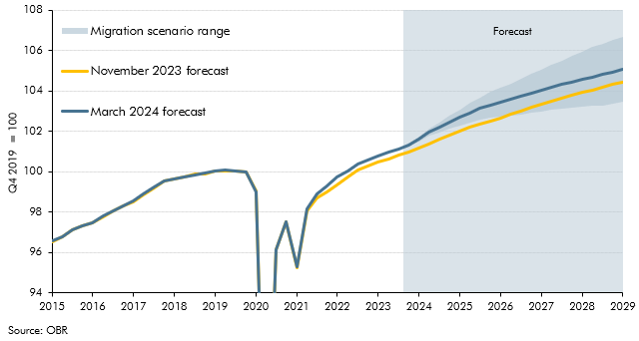

 |  | November 2023 forecast | March 2024 forecast | Lower net migration scenario | Higher net migration scenario
 | 2015Q1 | 96.6 | 96.6
 | 2015Q2 | 96.8 | 96.8
 | 2015Q3 | 97.1 | 97.1
 | 2015Q4 | 97.3 | 97.3
 | 2016Q1 | 97.5 | 97.5
 | 2016Q2 | 97.8 | 97.8
 | 2016Q3 | 98.0 | 98.1
 | 2016Q4 | 98.3 | 98.3
 | 2017Q1 | 98.5 | 98.6
 | 2017Q2 | 98.9 | 98.9
 | 2017Q3 | 99.2 | 99.2
 | 2017Q4 | 99.6 | 99.6
 | 2018Q1 | 99.6 | 99.6
 | 2018Q2 | 99.7 | 99.7
 | 2018Q3 | 99.9 | 99.9
 | 2018Q4 | 99.9 | 99.9
 | 2019Q1 | 100.0 | 100.0
 | 2019Q2 | 100.0 | 100.1
 | 2019Q3 | 100.0 | 100.1
 | 2019Q4 | 100.0 | 100.0
 | 2020Q1 | 99.0 | 99.0
 | 2020Q2 | 82.3 | 82.2
 | 2020Q3 | 96.2 | 96.1
 | 2020Q4 | 97.5 | 97.5
 | 2021Q1 | 95.3 | 95.3
 | 2021Q2 | 98.1 | 98.2
 | 2021Q3 | 98.7 | 98.9
 | 2021Q4 | 99.0 | 99.3
 | 2022Q1 | 99.3 | 99.7
 | 2022Q2 | 99.8 | 100.1
 | 2022Q3 | 100.1 | 100.4
 | 2022Q4 | 100.3 | 100.6
 | 2023Q1 | 100.5 | 100.8
 | 2023Q2 | 100.7 | 101.0
 | 2023Q3 | 100.8 | 101.1
 | 2023Q4 | 101.0 | 101.3 | 101.3 | 101.4
 | 2024Q1 | 101.2 | 101.6 | 101.5 | 101.7
 | 2024Q2 | 101.4 | 101.9 | 101.8 | 102.1
 | 2024Q3 | 101.6 | 102.2 | 102.0 | 102.5
 | 2024Q4 | 101.8 | 102.5 | 102.1 | 102.8
 | 2025Q1 | 102.0 | 102.7 | 102.3 | 103.1
 | 2025Q2 | 102.2 | 102.9 | 102.4 | 103.4
 | 2025Q3 | 102.3 | 103.1 | 102.6 | 103.7
 | 2025Q4 | 102.5 | 103.3 | 102.7 | 104.0
 | 2026Q1 | 102.7 | 103.4 | 102.7 | 104.2
 | 2026Q2 | 102.9 | 103.6 | 102.8 | 104.4
 | 2026Q3 | 103.0 | 103.7 | 102.9 | 104.6
 | 2026Q4 | 103.2 | 103.9 | 102.9 | 104.8
 | 2027Q1 | 103.3 | 104.0 | 103.0 | 105.1
 | 2027Q2 | 103.5 | 104.2 | 103.1 | 105.3
 | 2027Q3 | 103.6 | 104.3 | 103.1 | 105.5
 | 2027Q4 | 103.8 | 104.5 | 103.2 | 105.7
 | 2028Q1 | 103.9 | 104.6 | 103.2 | 106.0
 | 2028Q2 | 104.1 | 104.7 | 103.3 | 106.2
 | 2028Q3 | 104.2 | 104.8 | 103.3 | 106.4
 | 2028Q4 | 104.3 | 104.9 | 103.4 | 106.5
 | 2029Q1 | 104.5 | 105.1 | 103.5 | 106.7

C2.C
Back to contents
 | Chart 2.C: Net migration by nationality and visas granted by type

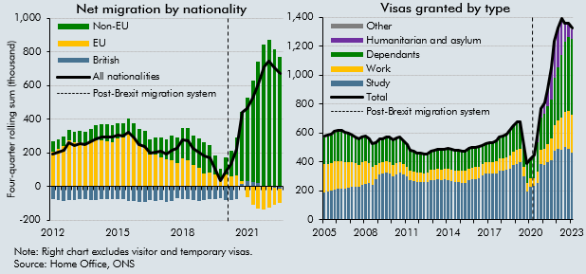

 | Net migration by nationality |  |  |  |  | Visas granted by type
 |  | All nationalities | British | EU | Non-EU |  | Study | Work | Dependants | Humanitarian and asylum | Other | Total
 | 2012Q4 | 195 | -72 | 206 | 61 | 2005Q4 | 191 | 194 | 185 | 0 | 9 | 579
 | 2013Q1 | 204 | -79 | 223 | 60 | 2006Q1 | 195 | 193 | 188 | 0 | 9 | 585
 | 2013Q2 | 215 | -83 | 242 | 56 | 2006Q2 | 200 | 191 | 189 | 0 | 9 | 589
 | 2013Q3 | 259 | -80 | 275 | 64 | 2006Q3 | 211 | 192 | 197 | 0 | 9 | 608
 | 2013Q4 | 244 | -81 | 262 | 63 | 2006Q4 | 213 | 192 | 202 | 0 | 9 | 617
 | 2014Q1 | 256 | -74 | 263 | 67 | 2007Q1 | 215 | 191 | 205 | 0 | 9 | 620
 | 2014Q2 | 248 | -75 | 258 | 65 | 2007Q2 | 216 | 181 | 200 | 0 | 8 | 605
 | 2014Q3 | 264 | -79 | 270 | 73 | 2007Q3 | 224 | 175 | 193 | 0 | 6 | 599
 | 2014Q4 | 284 | -80 | 277 | 87 | 2007Q4 | 227 | 169 | 186 | 0 | 5 | 587
 | 2015Q1 | 296 | -73 | 275 | 94 | 2008Q1 | 231 | 159 | 179 | 0 | 4 | 573
 | 2015Q2 | 296 | -72 | 267 | 101 | 2008Q2 | 229 | 153 | 176 | 0 | 4 | 562
 | 2015Q3 | 293 | -72 | 262 | 103 | 2008Q3 | 244 | 153 | 172 | 0 | 4 | 573
 | 2015Q4 | 303 | -73 | 287 | 88 | 2008Q4 | 250 | 154 | 168 | 0 | 4 | 576
 | 2016Q1 | 298 | -77 | 294 | 80 | 2009Q1 | 253 | 140 | 164 | 0 | 4 | 561
 | 2016Q2 | 321 | -83 | 322 | 82 | 2009Q2 | 244 | 120 | 157 | 0 | 4 | 525
 | 2016Q3 | 290 | -87 | 294 | 83 | 2009Q3 | 281 | 97 | 152 | 0 | 5 | 536
 | 2016Q4 | 249 | -94 | 253 | 90 | 2009Q4 | 311 | 82 | 158 | 0 | 6 | 557
 | 2017Q1 | 240 | -91 | 235 | 97 | 2010Q1 | 321 | 77 | 158 | 0 | 6 | 561
 | 2017Q2 | 200 | -79 | 188 | 91 | 2010Q2 | 329 | 76 | 161 | 0 | 6 | 572
 | 2017Q3 | 205 | -85 | 192 | 98 | 2010Q3 | 322 | 79 | 167 | 0 | 5 | 573
 | 2017Q4 | 208 | -81 | 176 | 114 | 2010Q4 | 303 | 78 | 166 | 0 | 5 | 552
 | 2018Q1 | 193 | -89 | 160 | 122 | 2011Q1 | 313 | 78 | 167 | 0 | 5 | 563
 | 2018Q2 | 216 | -84 | 158 | 143 | 2011Q2 | 326 | 74 | 164 | 0 | 4 | 570
 | 2018Q3 | 226 | -67 | 138 | 155 | 2011Q3 | 316 | 70 | 158 | 0 | 4 | 548
 | 2018Q4 | 276 | -72 | 170 | 178 | 2011Q4 | 299 | 69 | 146 | 0 | 4 | 518
 | 2019Q1 | 274 | -72 | 155 | 190 | 2012Q1 | 272 | 68 | 139 | 0 | 4 | 483
 | 2019Q2 | 224 | -82 | 126 | 179 | 2012Q2 | 266 | 67 | 135 | 0 | 4 | 473
 | 2019Q3 | 202 | -83 | 114 | 171 | 2012Q3 | 261 | 67 | 129 | 0 | 4 | 461
 | 2019Q4 | 184 | -82 | 80 | 186 | 2012Q4 | 261 | 66 | 129 | 0 | 4 | 460
 | 2020Q1 | 170 | -77 | 81 | 166 | 2013Q1 | 260 | 64 | 126 | 0 | 4 | 453
 | 2020Q2 | 111 | -74 | 70 | 115 | 2013Q2 | 260 | 64 | 125 | 0 | 4 | 453
 | 2020Q3 | 35 | -70 | 45 | 60 | 2013Q3 | 275 | 68 | 129 | 0 | 4 | 476
 | 2020Q4 | 93 | -78 | 70 | 101 | 2013Q4 | 277 | 70 | 131 | 0 | 4 | 481
 | 2021Q1 | 132 | -79 | 61 | 150 | 2014Q1 | 279 | 72 | 134 | 0 | 4 | 488
 | 2021Q2 | 221 | -73 | 68 | 226 | 2014Q2 | 276 | 73 | 134 | 0 | 3 | 487
 | 2021Q3 | 443 | 14 | 16 | 413 | 2014Q3 | 279 | 75 | 133 | 0 | 3 | 490
 | 2021Q4 | 466 | 32 | -62 | 496 | 2014Q4 | 274 | 78 | 136 | 0 | 3 | 491
 | 2022Q1 | 526 | 29 | -106 | 603 | 2015Q1 | 266 | 79 | 137 | 0 | 4 | 485
 | 2022Q2 | 607 | 20 | -133 | 720 | 2015Q2 | 263 | 79 | 137 | 0 | 4 | 483
 | 2022Q3 | 709 | 6 | -135 | 839 | 2015Q3 | 259 | 80 | 137 | 0 | 4 | 479
 | 2022Q4 | 745 | -4 | -123 | 873 | 2015Q4 | 258 | 80 | 135 | 0 | 4 | 476
 | 2023Q1 | 705 | -9 | -102 | 817 | 2016Q1 | 257 | 80 | 132 | 0 | 4 | 473
 | 2023Q2 | 672 | -10 | -86 | 768 | 2016Q2 | 274 | 82 | 135 | 0 | 4 | 494
 |  |  |  |  |  | 2016Q3 | 281 | 81 | 134 | 0 | 4 | 500
 |  |  |  |  |  | 2016Q4 | 282 | 81 | 132 | 0 | 4 | 499
 |  |  |  |  |  | 2017Q1 | 286 | 81 | 134 | 0 | 3 | 505
 |  |  |  |  |  | 2017Q2 | 304 | 81 | 128 | 0 | 3 | 516
 |  |  |  |  |  | 2017Q3 | 317 | 80 | 127 | 0 | 3 | 528
 |  |  |  |  |  | 2017Q4 | 318 | 81 | 132 | 0 | 3 | 533
 |  |  |  |  |  | 2018Q1 | 320 | 79 | 131 | 0 | 3 | 534
 |  |  |  |  |  | 2018Q2 | 323 | 81 | 139 | 0 | 3 | 546
 |  |  |  |  |  | 2018Q3 | 340 | 83 | 145 | 0 | 3 | 571
 |  |  |  |  |  | 2018Q4 | 342 | 86 | 148 | 0 | 3 | 579
 |  |  |  |  |  | 2019Q1 | 345 | 89 | 158 | 0 | 3 | 595
 |  |  |  |  |  | 2019Q2 | 355 | 91 | 166 | 0 | 3 | 616
 |  |  |  |  |  | 2019Q3 | 380 | 93 | 176 | 0 | 3 | 652
 |  |  |  |  |  | 2019Q4 | 388 | 96 | 186 | 0 | 3 | 674
 |  |  |  |  |  | 2020Q1 | 396 | 93 | 182 | 0 | 3 | 674
 |  |  |  |  |  | 2020Q2 | 298 | 68 | 142 | 0 | 2 | 511
 |  |  |  |  |  | 2020Q3 | 193 | 61 | 134 | 0 | 2 | 390
 |  |  |  |  |  | 2020Q4 | 231 | 54 | 135 | 0 | 2 | 422
 |  |  |  |  |  | 2021Q1 | 232 | 56 | 153 | 5 | 2 | 448
 |  |  |  |  |  | 2021Q2 | 256 | 79 | 202 | 35 | 2 | 574
 |  |  |  |  |  | 2021Q3 | 389 | 94 | 226 | 57 | 2 | 768
 |  |  |  |  |  | 2021Q4 | 381 | 112 | 241 | 76 | 3 | 811
 |  |  |  |  |  | 2022Q1 | 398 | 128 | 259 | 113 | 3 | 901
 |  |  |  |  |  | 2022Q2 | 410 | 151 | 269 | 219 | 3 | 1053
 |  |  |  |  |  | 2022Q3 | 480 | 175 | 324 | 252 | 4 | 1235
 |  |  |  |  |  | 2022Q4 | 489 | 197 | 371 | 263 | 4 | 1324
 |  |  |  |  |  | 2023Q1 | 481 | 225 | 433 | 244 | 5 | 1389
 |  |  |  |  |  | 2023Q2 | 503 | 246 | 479 | 127 | 5 | 1361
 |  |  |  |  |  | 2023Q3 | 491 | 263 | 511 | 87 | 5 | 1357
 |  |  |  |  |  | 2023Q4 | 462 | 263 | 524 | 70 | 5 | 1323

C2.D
Back to contents
 | Chart 2.D: Net migration forecast and scenarios

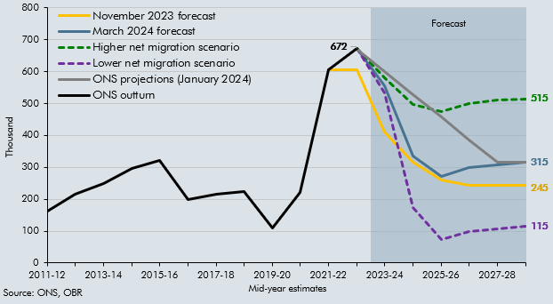

 |  | ONS outturn | ONS projections (January 2024) | November 2023 forecast | March 2024 forecast | Higher net migration scenario | Lower net migration scenario
 | 2011-12 | 162
 | 2012-13 | 215
 | 2013-14 | 248
 | 2014-15 | 296
 | 2015-16 | 321
 | 2016-17 | 200
 | 2017-18 | 216
 | 2018-19 | 224
 | 2019-20 | 111
 | 2020-21 | 221
 | 2021-22 | 607 |  | 606
 | 2022-23 | 672 | 670 | 606 | 672 | 672 | 672
 | 2023-24 |  | 599 | 410 | 557 | 581 | 533
 | 2024-25 |  | 528 | 315 | 336 | 498 | 173
 | 2025-26 |  | 457 | 261 | 273 | 474 | 73
 | 2026-27 |  | 386 | 245 | 299 | 499 | 99
 | 2027-28 |  | 315 | 245 | 307 | 510 | 107
 | 2028-29 |  | 315 | 245 | 315 | 515 | 115

C2.E
Back to contents
 | Chart 2.E: Real GDP and real GDP per person differences from our central forecast

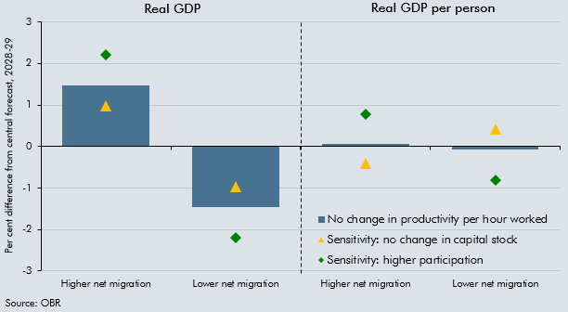

 |  | Real GDP |  | Real GDP per person
 |  | Higher net migration | Lower net migration | Higher net migration | Lower net migration
 | No change in productivity per hour worked | 1.5 | -1.5 | 0.1 | -0.1
 | Sensitivity: no change in capital stock | 1.0 | -1.0 | -0.4 | 0.4
 | Sensitivity: higher participation | 2.2 | -2.2 | 0.8 | -0.8

C2.8
Back to contents
 | Chart 2.8: Trend participation rate

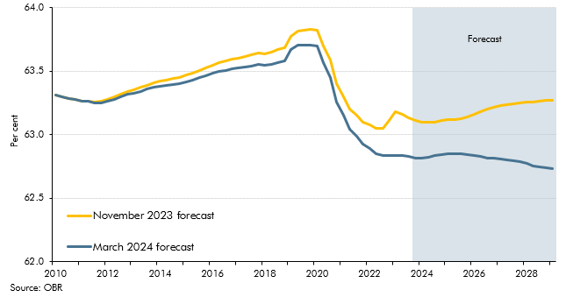

 |  | November 2023 forecast | March 2024 forecast
 | 2010Q1 | 63.3 | 63.3
 | 2010Q2 | 63.3 | 63.3
 | 2010Q3 | 63.3 | 63.3
 | 2010Q4 | 63.3 | 63.3
 | 2011Q1 | 63.3 | 63.3
 | 2011Q2 | 63.3 | 63.3
 | 2011Q3 | 63.3 | 63.2
 | 2011Q4 | 63.3 | 63.3
 | 2012Q1 | 63.3 | 63.3
 | 2012Q2 | 63.3 | 63.3
 | 2012Q3 | 63.3 | 63.3
 | 2012Q4 | 63.3 | 63.3
 | 2013Q1 | 63.4 | 63.3
 | 2013Q2 | 63.4 | 63.3
 | 2013Q3 | 63.4 | 63.4
 | 2013Q4 | 63.4 | 63.4
 | 2014Q1 | 63.4 | 63.4
 | 2014Q2 | 63.4 | 63.4
 | 2014Q3 | 63.4 | 63.4
 | 2014Q4 | 63.5 | 63.4
 | 2015Q1 | 63.5 | 63.4
 | 2015Q2 | 63.5 | 63.4
 | 2015Q3 | 63.5 | 63.4
 | 2015Q4 | 63.5 | 63.5
 | 2016Q1 | 63.5 | 63.5
 | 2016Q2 | 63.6 | 63.5
 | 2016Q3 | 63.6 | 63.5
 | 2016Q4 | 63.6 | 63.5
 | 2017Q1 | 63.6 | 63.5
 | 2017Q2 | 63.6 | 63.5
 | 2017Q3 | 63.6 | 63.5
 | 2017Q4 | 63.6 | 63.6
 | 2018Q1 | 63.6 | 63.5
 | 2018Q2 | 63.7 | 63.6
 | 2018Q3 | 63.7 | 63.6
 | 2018Q4 | 63.7 | 63.6
 | 2019Q1 | 63.8 | 63.7
 | 2019Q2 | 63.8 | 63.7
 | 2019Q3 | 63.8 | 63.7
 | 2019Q4 | 63.8 | 63.7
 | 2020Q1 | 63.8 | 63.7
 | 2020Q2 | 63.7 | 63.6
 | 2020Q3 | 63.6 | 63.4
 | 2020Q4 | 63.4 | 63.3
 | 2021Q1 | 63.3 | 63.2
 | 2021Q2 | 63.2 | 63.0
 | 2021Q3 | 63.2 | 63.0
 | 2021Q4 | 63.1 | 62.9
 | 2022Q1 | 63.1 | 62.9
 | 2022Q2 | 63.1 | 62.9
 | 2022Q3 | 63.1 | 62.8
 | 2022Q4 | 63.1 | 62.8
 | 2023Q1 | 63.2 | 62.8
 | 2023Q2 | 63.2 | 62.8
 | 2023Q3 | 63.1 | 62.8
 | 2023Q4 | 63.1 | 62.8
 | 2024Q1 | 63.1 | 62.8
 | 2024Q2 | 63.1 | 62.8
 | 2024Q3 | 63.1 | 62.8
 | 2024Q4 | 63.1 | 62.8
 | 2025Q1 | 63.1 | 62.8
 | 2025Q2 | 63.1 | 62.8
 | 2025Q3 | 63.1 | 62.8
 | 2025Q4 | 63.1 | 62.8
 | 2026Q1 | 63.2 | 62.8
 | 2026Q2 | 63.2 | 62.8
 | 2026Q3 | 63.2 | 62.8
 | 2026Q4 | 63.2 | 62.8
 | 2027Q1 | 63.2 | 62.8
 | 2027Q2 | 63.2 | 62.8
 | 2027Q3 | 63.2 | 62.8
 | 2027Q4 | 63.2 | 62.8
 | 2028Q1 | 63.3 | 62.8
 | 2028Q2 | 63.3 | 62.8
 | 2028Q3 | 63.3 | 62.7
 | 2028Q4 | 63.3 | 62.7
 | 2029Q1 | 63.3 | 62.7

C2.9
Back to contents
 | Chart 2.9: Real GDP growth forecast

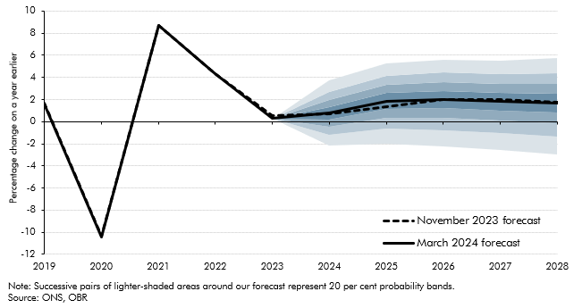

 |  |  |  | Percentile
 |  | November 2023 forecast | March 2024 forecast | 10 | 20 | 30 | 40 | 50 | 60 | 70 | 80 | 90
 | 2019 | 1.6 | 1.6
 | 2020 | -10.4 | -10.4
 | 2021 | 8.7 | 8.7
 | 2022 | 4.3 | 4.3
 | 2023 | 0.6 | 0.3
 | 2024 | 0.7 | 0.8 | -2.2 | -1.2 | -0.4 | 0.2 | 0.8 | 1.3 | 2.0 | 2.7 | 3.7
 | 2025 | 1.4 | 1.9 | -2.0 | -0.7 | 0.3 | 1.1 | 1.9 | 2.6 | 3.3 | 4.1 | 5.2
 | 2026 | 2.0 | 2.0 | -2.3 | -0.8 | 0.3 | 1.2 | 2.0 | 2.8 | 3.6 | 4.4 | 5.6
 | 2027 | 2.0 | 1.8 | -2.6 | -1.0 | 0.1 | 1.0 | 1.8 | 2.6 | 3.4 | 4.3 | 5.5
 | 2028 | 1.7 | 1.7 | -3.0 | -1.3 | -0.2 | 0.8 | 1.7 | 2.6 | 3.4 | 4.4 | 5.8

C2.10
Back to contents
 | Chart 2.10: Level of real GDP and real GDP per person

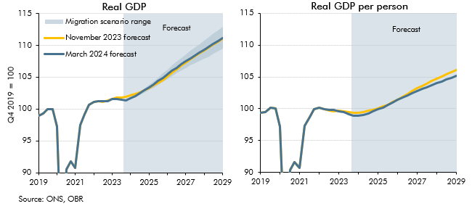

 | Real GDP |  |  |  |  | Real GDP per person
 |  | November 2023 forecast | March 2024 forecast | Lower net migration scenario | Higher net migration scenario |  | November 2023 forecast | March 2024 forecast | Lower net migration scenario | Higher net migration scenario
 | 2019Q1 | 99.0 | 99.0 |  |  | 2019Q1 | 99.3 | 99.3
 | 2019Q2 | 99.3 | 99.3 |  |  | 2019Q2 | 99.5 | 99.5
 | 2019Q3 | 100.0 | 100.0 |  |  | 2019Q3 | 100.1 | 100.1
 | 2019Q4 | 100.0 | 100.0 |  |  | 2019Q4 | 100.0 | 100.0
 | 2020Q1 | 97.3 | 97.3 |  |  | 2020Q1 | 97.2 | 97.2
 | 2020Q2 | 77.5 | 77.5 |  |  | 2020Q2 | 77.3 | 77.3
 | 2020Q3 | 90.5 | 90.5 |  |  | 2020Q3 | 90.3 | 90.3
 | 2020Q4 | 91.7 | 91.7 |  |  | 2020Q4 | 91.6 | 91.6
 | 2021Q1 | 90.8 | 90.8 |  |  | 2021Q1 | 90.7 | 90.7
 | 2021Q2 | 97.5 | 97.5 |  |  | 2021Q2 | 97.3 | 97.3
 | 2021Q3 | 99.1 | 99.1 |  |  | 2021Q3 | 98.7 | 98.7
 | 2021Q4 | 100.6 | 100.6 |  |  | 2021Q4 | 99.9 | 99.9
 | 2022Q1 | 101.2 | 101.2 |  |  | 2022Q1 | 100.2 | 100.2
 | 2022Q2 | 101.3 | 101.3 |  |  | 2022Q2 | 100.0 | 100.0
 | 2022Q3 | 101.2 | 101.2 |  |  | 2022Q3 | 99.7 | 99.8
 | 2022Q4 | 101.3 | 101.3 |  |  | 2022Q4 | 99.6 | 99.8
 | 2023Q1 | 101.6 | 101.5 |  |  | 2023Q1 | 99.7 | 99.6
 | 2023Q2 | 101.8 | 101.6 |  |  | 2023Q2 | 99.6 | 99.5
 | 2023Q3 | 101.8 | 101.4 |  |  | 2023Q3 | 99.4 | 99.1
 | 2023Q4 | 101.9 | 101.4 | 101.4 | 101.4 | 2023Q4 | 99.4 | 98.8 | 98.8 | 98.8
 | 2024Q1 | 102.1 | 101.6 | 101.5 | 101.7 | 2024Q1 | 99.4 | 98.8 | 98.8 | 98.9
 | 2024Q2 | 102.3 | 102.0 | 101.8 | 102.2 | 2024Q2 | 99.5 | 99.0 | 99.0 | 99.0
 | 2024Q3 | 102.6 | 102.4 | 102.2 | 102.7 | 2024Q3 | 99.7 | 99.3 | 99.2 | 99.3
 | 2024Q4 | 103.0 | 102.9 | 102.6 | 103.2 | 2024Q4 | 99.9 | 99.6 | 99.5 | 99.6
 | 2025Q1 | 103.3 | 103.4 | 103.0 | 103.8 | 2025Q1 | 100.1 | 99.9 | 99.9 | 99.9
 | 2025Q2 | 103.7 | 103.9 | 103.4 | 104.4 | 2025Q2 | 100.3 | 100.2 | 100.2 | 100.2
 | 2025Q3 | 104.1 | 104.4 | 103.8 | 105.0 | 2025Q3 | 100.6 | 100.6 | 100.5 | 100.6
 | 2025Q4 | 104.6 | 104.9 | 104.3 | 105.6 | 2025Q4 | 101.0 | 101.0 | 100.9 | 101.0
 | 2026Q1 | 105.1 | 105.5 | 104.7 | 106.2 | 2026Q1 | 101.4 | 101.4 | 101.3 | 101.4
 | 2026Q2 | 105.7 | 106.0 | 105.2 | 106.8 | 2026Q2 | 101.9 | 101.7 | 101.7 | 101.8
 | 2026Q3 | 106.2 | 106.5 | 105.6 | 107.4 | 2026Q3 | 102.3 | 102.1 | 102.0 | 102.1
 | 2026Q4 | 106.8 | 107.0 | 106.0 | 108.0 | 2026Q4 | 102.8 | 102.4 | 102.4 | 102.5
 | 2027Q1 | 107.3 | 107.5 | 106.4 | 108.5 | 2027Q1 | 103.2 | 102.8 | 102.7 | 102.8
 | 2027Q2 | 107.8 | 108.0 | 106.8 | 109.1 | 2027Q2 | 103.6 | 103.1 | 103.0 | 103.1
 | 2027Q3 | 108.3 | 108.4 | 107.2 | 109.7 | 2027Q3 | 104.0 | 103.4 | 103.3 | 103.4
 | 2027Q4 | 108.8 | 108.9 | 107.6 | 110.2 | 2027Q4 | 104.3 | 103.7 | 103.6 | 103.8
 | 2028Q1 | 109.2 | 109.3 | 107.9 | 110.8 | 2028Q1 | 104.7 | 104.0 | 103.9 | 104.1
 | 2028Q2 | 109.7 | 109.8 | 108.3 | 111.3 | 2028Q2 | 105.1 | 104.3 | 104.2 | 104.4
 | 2028Q3 | 110.2 | 110.3 | 108.6 | 111.9 | 2028Q3 | 105.4 | 104.6 | 104.5 | 104.7
 | 2028Q4 | 110.6 | 110.7 | 109.0 | 112.4 | 2028Q4 | 105.8 | 104.9 | 104.8 | 105.0
 | 2029Q1 | 111.0 | 111.2 | 109.5 | 112.9 | 2029Q1 | 106.1 | 105.2 | 105.1 | 105.3

C2.11
Back to contents
 | Chart 2.11: Output gap

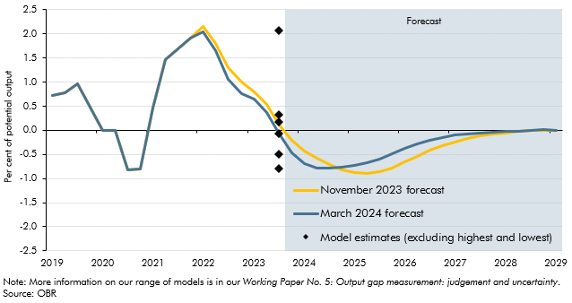

 |  |  |  | Model estimates
 |  |  |  |  |  | Multivariate filters
 |  | November 2023 forecast | March 2024 forecast | Survey composite | Hodrick-Prescott | Inflation | Unemployment | Capacity utilisation | All
 | 2019Q1 | 0.7 | 0.7
 | 2019Q2 | 0.8 | 0.8
 | 2019Q3 | 1.0 | 1.0
 | 2019Q4 | 0.5 | 0.5
 | 2020Q1 | 0.0 | 0.0
 | 2020Q2 | 0.0 | 0.0
 | 2020Q3 | -0.8 | -0.8
 | 2020Q4 | -0.8 | -0.8
 | 2021Q1 | 0.5 | 0.5
 | 2021Q2 | 1.5 | 1.5
 | 2021Q3 | 1.7 | 1.7
 | 2021Q4 | 1.9 | 1.9
 | 2022Q1 | 2.1 | 2.1
 | 2022Q2 | 1.8 | 1.7
 | 2022Q3 | 1.3 | 1.1
 | 2022Q4 | 1.0 | 0.8
 | 2023Q1 | 0.8 | 0.7
 | 2023Q2 | 0.5 | 0.4
 | 2023Q3 | 0.1 | -0.1 | 2.1 | 0.2 | 0.3 | -0.5 | -0.8 | -0.1
 | 2023Q4 | -0.2 | -0.5
 | 2024Q1 | -0.4 | -0.7
 | 2024Q2 | -0.6 | -0.8
 | 2024Q3 | -0.7 | -0.8
 | 2024Q4 | -0.8 | -0.8
 | 2025Q1 | -0.9 | -0.7
 | 2025Q2 | -0.9 | -0.7
 | 2025Q3 | -0.9 | -0.6
 | 2025Q4 | -0.8 | -0.5
 | 2026Q1 | -0.7 | -0.4
 | 2026Q2 | -0.5 | -0.3
 | 2026Q3 | -0.4 | -0.2
 | 2026Q4 | -0.3 | -0.1
 | 2027Q1 | -0.2 | -0.1
 | 2027Q2 | -0.2 | -0.1
 | 2027Q3 | -0.1 | -0.1
 | 2027Q4 | -0.1 | 0.0
 | 2028Q1 | -0.1 | 0.0
 | 2028Q2 | 0.0 | 0.0
 | 2028Q3 | 0.0 | 0.0
 | 2028Q4 | 0.0 | 0.0
 | 2029Q1 | 0.0 | 0.0

C2.12
Back to contents
 | Chart 2.12: Contributions to real GDP growth

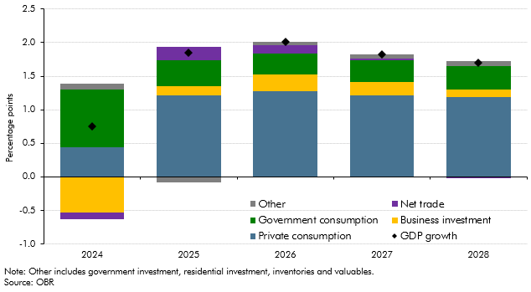

 |  | GDP growth | Private consumption | Business investment | Government consumption | Net trade | Other
 | 2024 | 0.8 | 0.4 | -0.5 | 0.9 | -0.1 | 0.1
 | 2025 | 1.9 | 1.2 | 0.1 | 0.4 | 0.2 | -0.1
 | 2026 | 2.0 | 1.3 | 0.2 | 0.3 | 0.1 | 0.1
 | 2027 | 1.8 | 1.2 | 0.2 | 0.3 | 0.0 | 0.1
 | 2028 | 1.7 | 1.2 | 0.1 | 0.3 | 0.0 | 0.1

C2.F
Back to contents
 | Chart 2.F: Trade intensity in the UK and rest of the G7

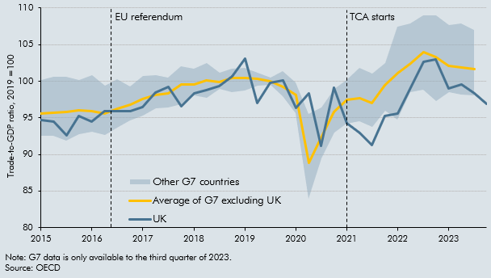

 |  | UK | Average of G7 excluding UK | Min G7 excluding UK | Max G7 excluding UK
 | 2015Q1 | 94.7 | 95.6 | 92.5 | 100.2
 | 2015Q2 | 94.4 | 95.7 | 92.6 | 100.6
 | 2015Q3 | 92.5 | 95.8 | 91.8 | 100.6
 | 2015Q4 | 95.2 | 96.0 | 92.8 | 100.1
 | 2016Q1 | 94.5 | 95.9 | 93.1 | 100.8
 | 2016Q2 | 95.9 | 95.6 | 92.7 | 99.4
 | 2016Q3 | 95.9 | 96.2 | 93.7 | 100.3
 | 2016Q4 | 95.9 | 96.8 | 94.6 | 99.3
 | 2017Q1 | 96.5 | 97.6 | 95.3 | 100.7
 | 2017Q2 | 98.4 | 98.2 | 96.3 | 100.8
 | 2017Q3 | 99.2 | 98.3 | 96.4 | 100.5
 | 2017Q4 | 96.5 | 99.6 | 96.9 | 102.1
 | 2018Q1 | 98.3 | 99.6 | 98.0 | 101.8
 | 2018Q2 | 98.8 | 100.1 | 97.7 | 102.5
 | 2018Q3 | 99.4 | 99.9 | 99.0 | 101.1
 | 2018Q4 | 100.7 | 100.5 | 98.5 | 101.8
 | 2019Q1 | 103.0 | 100.4 | 98.8 | 101.8
 | 2019Q2 | 97.0 | 100.3 | 99.4 | 101.1
 | 2019Q3 | 99.8 | 100.0 | 99.5 | 100.5
 | 2019Q4 | 100.2 | 99.2 | 97.9 | 101.4
 | 2020Q1 | 96.4 | 98.1 | 95.6 | 99.8
 | 2020Q2 | 98.3 | 88.9 | 83.9 | 95.6
 | 2020Q3 | 91.2 | 92.2 | 89.5 | 96.4
 | 2020Q4 | 99.1 | 95.8 | 92.9 | 98.9
 | 2021Q1 | 94.2 | 97.4 | 94.2 | 100.2
 | 2021Q2 | 92.9 | 97.7 | 94.5 | 101.8
 | 2021Q3 | 91.2 | 97.1 | 93.7 | 101.0
 | 2021Q4 | 95.2 | 99.4 | 96.0 | 102.5
 | 2022Q1 | 95.6 | 101.1 | 94.8 | 107.4
 | 2022Q2 | 99.1 | 102.4 | 98.5 | 107.9
 | 2022Q3 | 102.7 | 104.0 | 98.8 | 109.0
 | 2022Q4 | 103.0 | 103.3 | 97.3 | 109.0
 | 2023Q1 | 99.0 | 102.0 | 98.5 | 107.7
 | 2023Q2 | 99.5 | 101.8 | 98.1 | 107.9
 | 2023Q3 | 98.3 | 101.7 | 98.1 | 107.0
 | 2023Q4 | 96.9

C2.G
Back to contents
 | Chart 2.G: Goods and services trade in the UK and rest of the G7

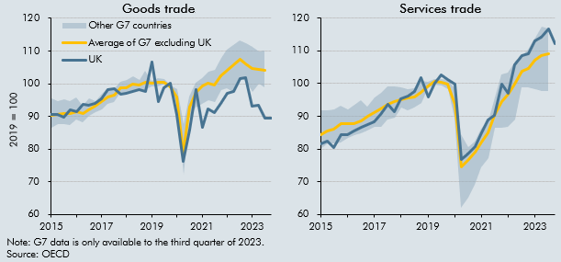

 | Goods trade |  |  |  |  | Services trade
 |  | UK | Average of G7 excluding UK | Min G7 excluding UK | Max G7 excluding UK |  | UK | Average of G7 excluding UK | Min G7 excluding UK | Max G7 excluding UK
 | 2015Q1 | 90.7 | 90.4 | 86.6 | 95.5 | 2015Q1 | 90.7 | 90.4 | 86.6 | 95.5
 | 2015Q2 | 90.7 | 90.5 | 87.6 | 94.6 | 2015Q2 | 90.7 | 90.5 | 87.6 | 94.6
 | 2015Q3 | 89.6 | 90.8 | 87.7 | 95.2 | 2015Q3 | 89.6 | 90.8 | 87.7 | 95.2
 | 2015Q4 | 91.9 | 90.9 | 87.3 | 94.7 | 2015Q4 | 91.9 | 90.9 | 87.3 | 94.7
 | 2016Q1 | 91.4 | 91.4 | 89.2 | 95.8 | 2016Q1 | 91.4 | 91.4 | 89.2 | 95.8
 | 2016Q2 | 93.7 | 91.0 | 88.3 | 93.3 | 2016Q2 | 93.7 | 91.0 | 88.3 | 93.3
 | 2016Q3 | 93.5 | 92.1 | 90.2 | 95.5 | 2016Q3 | 93.5 | 92.1 | 90.2 | 95.5
 | 2016Q4 | 94.0 | 93.1 | 91.2 | 94.7 | 2016Q4 | 94.0 | 93.1 | 91.2 | 94.7
 | 2017Q1 | 95.5 | 94.6 | 92.1 | 96.8 | 2017Q1 | 95.5 | 94.6 | 92.1 | 96.8
 | 2017Q2 | 98.1 | 95.9 | 93.9 | 98.7 | 2017Q2 | 98.1 | 95.9 | 93.9 | 98.7
 | 2017Q3 | 98.4 | 96.5 | 94.3 | 98.3 | 2017Q3 | 98.4 | 96.5 | 94.3 | 98.3
 | 2017Q4 | 96.7 | 98.6 | 97.2 | 100.6 | 2017Q4 | 96.7 | 98.6 | 97.2 | 100.6
 | 2018Q1 | 97.1 | 98.7 | 97.3 | 101.2 | 2018Q1 | 97.1 | 98.7 | 97.3 | 101.2
 | 2018Q2 | 97.6 | 99.8 | 98.1 | 102.2 | 2018Q2 | 97.6 | 99.8 | 98.1 | 102.2
 | 2018Q3 | 98.2 | 99.6 | 97.7 | 101.1 | 2018Q3 | 98.2 | 99.6 | 97.7 | 101.1
 | 2018Q4 | 97.7 | 100.3 | 98.0 | 104.0 | 2018Q4 | 97.7 | 100.3 | 98.0 | 104.0
 | 2019Q1 | 106.5 | 100.2 | 99.2 | 101.0 | 2019Q1 | 106.5 | 100.2 | 99.2 | 101.0
 | 2019Q2 | 94.6 | 100.4 | 99.2 | 101.6 | 2019Q2 | 94.6 | 100.4 | 99.2 | 101.6
 | 2019Q3 | 98.7 | 100.4 | 99.9 | 101.4 | 2019Q3 | 98.7 | 100.4 | 99.9 | 101.4
 | 2019Q4 | 100.2 | 99.0 | 98.2 | 99.5 | 2019Q4 | 100.2 | 99.0 | 98.2 | 99.5
 | 2020Q1 | 90.5 | 96.1 | 93.4 | 98.2 | 2020Q1 | 90.5 | 96.1 | 93.4 | 98.2
 | 2020Q2 | 76.3 | 78.7 | 72.3 | 87.6 | 2020Q2 | 76.3 | 78.7 | 72.3 | 87.6
 | 2020Q3 | 85.7 | 92.8 | 89.3 | 96.0 | 2020Q3 | 85.7 | 92.8 | 89.3 | 96.0
 | 2020Q4 | 98.2 | 97.3 | 92.8 | 100.3 | 2020Q4 | 98.2 | 97.3 | 92.8 | 100.3
 | 2021Q1 | 86.5 | 99.2 | 93.9 | 101.6 | 2021Q1 | 86.5 | 99.2 | 93.9 | 101.6
 | 2021Q2 | 92.3 | 100.2 | 94.9 | 103.5 | 2021Q2 | 92.3 | 100.2 | 94.9 | 103.5
 | 2021Q3 | 91.1 | 99.5 | 94.4 | 104.2 | 2021Q3 | 91.1 | 99.5 | 94.4 | 104.2
 | 2021Q4 | 94.1 | 102.5 | 97.9 | 107.8 | 2021Q4 | 94.1 | 102.5 | 97.9 | 107.8
 | 2022Q1 | 97.2 | 104.2 | 98.6 | 110.4 | 2022Q1 | 97.2 | 104.2 | 98.6 | 110.4
 | 2022Q2 | 97.6 | 105.8 | 97.6 | 111.8 | 2022Q2 | 97.6 | 105.8 | 97.6 | 111.8
 | 2022Q3 | 101.5 | 107.3 | 101.8 | 113.3 | 2022Q3 | 101.5 | 107.3 | 101.8 | 113.3
 | 2022Q4 | 101.9 | 106.1 | 100.9 | 112.4 | 2022Q4 | 101.9 | 106.1 | 100.9 | 112.4
 | 2023Q1 | 93.1 | 104.6 | 97.4 | 111.2 | 2023Q1 | 93.1 | 104.6 | 97.4 | 111.2
 | 2023Q2 | 93.3 | 104.4 | 100.0 | 109.8 | 2023Q2 | 93.3 | 104.4 | 100.0 | 109.8
 | 2023Q3 | 89.5 | 104.1 | 98.9 | 110.0 | 2023Q3 | 89.5 | 104.1 | 98.9 | 110.0
 | 2023Q4 | 89.5 |  |  |  | 2023Q4 | 89.5

C2.H
Back to contents
 | Chart 2.H: Breakdown of growth in UK service exports since 2016

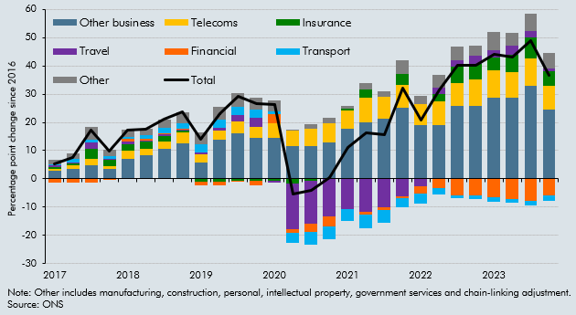

 |  | Transport | Travel | Insurance | Financial | Telecoms | Other business | Other | Total
 | 2017Q1 | 0.5 | 0.6 | 0.6 | -1.4 | 0.8 | 2.8 | 1.6 | 5.4
 | 2017Q2 | 1.1 | 0.4 | 0.7 | -1.4 | 1.2 | 3.5 | 1.9 | 7.5
 | 2017Q3 | 1.0 | 2.5 | 3.5 | -1.3 | 2.0 | 4.9 | 4.5 | 17.2
 | 2017Q4 | 0.9 | 0.3 | 2.3 | -0.3 | 1.2 | 3.5 | 2.2 | 9.9
 | 2018Q1 | 0.4 | 1.1 | 2.4 | 1.0 | 2.7 | 7.2 | 2.6 | 17.4
 | 2018Q2 | 1.0 | 0.1 | 2.6 | 0.8 | 2.5 | 8.2 | 2.3 | 17.7
 | 2018Q3 | 2.1 | 0.7 | 1.8 | 0.2 | 2.8 | 10.5 | 2.9 | 21.0
 | 2018Q4 | 2.1 | 0.2 | 0.8 | 0.4 | 3.6 | 12.7 | 3.9 | 23.7
 | 2019Q1 | 2.9 | 0.6 | -0.9 | -1.3 | 3.0 | 5.8 | 4.1 | 14.1
 | 2019Q2 | 2.8 | 1.2 | -0.9 | -1.4 | 3.2 | 13.7 | 4.5 | 23.1
 | 2019Q3 | 3.0 | 2.4 | -0.5 | -0.6 | 4.0 | 16.2 | 4.8 | 29.3
 | 2019Q4 | 3.0 | 3.1 | -0.6 | -1.7 | 3.9 | 14.4 | 4.3 | 26.6
 | 2020Q1 | 0.9 | -0.6 | -0.7 | 3.1 | 5.3 | 14.5 | 3.8 | 26.4
 | 2020Q2 | -3.5 | -16.3 | -1.5 | -1.4 | 5.4 | 11.6 | 0.4 | -5.4
 | 2020Q3 | -4.6 | -15.4 | -0.6 | -2.9 | 6.0 | 11.6 | 1.8 | -4.0
 | 2020Q4 | -4.6 | -13.4 | 0.0 | -3.4 | 6.7 | 12.9 | 2.2 | 0.4
 | 2021Q1 | -4.1 | -10.7 | 0.5 | -0.1 | 6.5 | 17.8 | 1.1 | 11.0
 | 2021Q2 | -4.9 | -11.8 | 3.0 | -0.7 | 8.5 | 20.1 | 2.2 | 16.4
 | 2021Q3 | -4.6 | -9.7 | -0.2 | -1.0 | 7.7 | 21.3 | 2.1 | 15.6
 | 2021Q4 | -3.3 | -6.1 | 3.9 | -0.7 | 7.9 | 25.3 | 5.0 | 32.1
 | 2022Q1 | -3.5 | -2.5 | 0.1 | -2.7 | 7.4 | 18.9 | 2.9 | 20.7
 | 2022Q2 | -2.3 | 2.1 | 2.6 | -3.1 | 8.5 | 19.0 | 4.7 | 31.5
 | 2022Q3 | -1.1 | 2.5 | 5.8 | -5.8 | 8.1 | 25.8 | 4.8 | 40.1
 | 2022Q4 | -1.1 | 2.9 | 5.7 | -5.9 | 9.2 | 26.0 | 3.6 | 40.3
 | 2023Q1 | -1.7 | 2.3 | 4.6 | -6.5 | 9.7 | 28.8 | 6.7 | 44.0
 | 2023Q2 | -1.3 | 3.3 | 5.9 | -7.1 | 9.2 | 28.7 | 4.5 | 43.3
 | 2023Q3 | -1.8 | 2.4 | 7.4 | -7.8 | 9.9 | 32.8 | 6.0 | 48.9
 | 2023Q4 | -2.0 | 0.9 | 5.0 | -5.9 | 8.6 | 24.5 | 5.6 | 36.7

C2.13
Back to contents
 | Chart 2.13: Inactivity of 16-64-year-olds

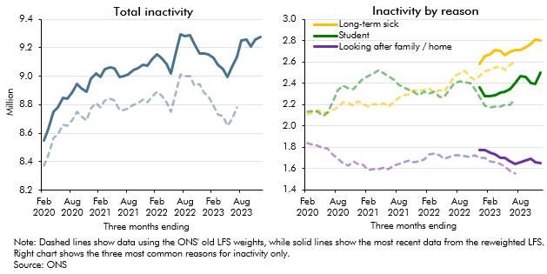

 | Total economically inactive aged 16-64 (millions) |  |  | Inactivity by reason
 |  | Old LFS weights | Reweighted LFS |  | Old LFS weights |  |  | Reweighted LFS
 |  |  |  |  | Long-term sick | Student | Looking after family / home | Long-term sick | Student | Looking after family / home
 | Feb 2020 | 8.4 | 8.6 | Feb 2020 | 2.1 | 2.1 | 1.8
 | Mar 2020 | 8.4 | 8.6 | Mar 2020 | 2.1 | 2.1 | 1.8
 | Apr 2020 | 8.6 | 8.7 | Apr 2020 | 2.1 | 2.1 | 1.8
 | May 2020 | 8.6 | 8.8 | May 2020 | 2.1 | 2.1 | 1.8
 | Jun 2020 | 8.7 | 8.8 | Jun 2020 | 2.1 | 2.1 | 1.8
 | Jul 2020 | 8.7 | 8.8 | Jul 2020 | 2.1 | 2.2 | 1.7
 | Aug 2020 | 8.7 | 8.9 | Aug 2020 | 2.2 | 2.3 | 1.7
 | Sep 2020 | 8.8 | 8.9 | Sep 2020 | 2.2 | 2.4 | 1.7
 | Oct 2020 | 8.7 | 8.9 | Oct 2020 | 2.2 | 2.4 | 1.6
 | Nov 2020 | 8.7 | 8.9 | Nov 2020 | 2.2 | 2.3 | 1.7
 | Dec 2020 | 8.8 | 9.0 | Dec 2020 | 2.2 | 2.4 | 1.6
 | Jan 2021 | 8.8 | 9.0 | Jan 2021 | 2.2 | 2.4 | 1.6
 | Feb 2021 | 8.8 | 9.0 | Feb 2021 | 2.2 | 2.5 | 1.6
 | Mar 2021 | 8.8 | 9.0 | Mar 2021 | 2.2 | 2.5 | 1.6
 | Apr 2021 | 8.8 | 9.1 | Apr 2021 | 2.2 | 2.5 | 1.6
 | May 2021 | 8.8 | 9.1 | May 2021 | 2.2 | 2.5 | 1.6
 | Jun 2021 | 8.8 | 9.0 | Jun 2021 | 2.2 | 2.5 | 1.6
 | Jul 2021 | 8.8 | 9.0 | Jul 2021 | 2.2 | 2.4 | 1.6
 | Aug 2021 | 8.8 | 9.0 | Aug 2021 | 2.3 | 2.4 | 1.6
 | Sep 2021 | 8.8 | 9.0 | Sep 2021 | 2.3 | 2.4 | 1.7
 | Oct 2021 | 8.8 | 9.1 | Oct 2021 | 2.3 | 2.3 | 1.7
 | Nov 2021 | 8.8 | 9.1 | Nov 2021 | 2.3 | 2.3 | 1.7
 | Dec 2021 | 8.8 | 9.1 | Dec 2021 | 2.3 | 2.3 | 1.7
 | Jan 2022 | 8.9 | 9.1 | Jan 2022 | 2.3 | 2.3 | 1.7
 | Feb 2022 | 8.9 | 9.2 | Feb 2022 | 2.3 | 2.3 | 1.7
 | Mar 2022 | 8.9 | 9.1 | Mar 2022 | 2.3 | 2.3 | 1.7
 | Apr 2022 | 8.8 | 9.1 | Apr 2022 | 2.3 | 2.3 | 1.7
 | May 2022 | 8.7 | 9.0 | May 2022 | 2.3 | 2.3 | 1.7
 | June 2022 | 8.9 | 9.2 | June 2022 | 2.4 | 2.3 | 1.7
 | July 2022 | 9.0 | 9.3 | July 2022 | 2.5 | 2.4 | 1.7
 | Aug 2022 | 9.0 | 9.3 | Aug 2022 | 2.5 | 2.4 | 1.7
 | Sep 2022 | 9.0 | 9.3 | Sep 2022 | 2.5 | 2.4 | 1.7
 | Oct 2022 | 8.9 | 9.2 | Oct 2022 | 2.5 | 2.4 | 1.7
 | Nov 2022 | 8.9 | 9.2 | Nov 2022 | 2.4 | 2.4 | 1.7
 | Dec 2022 | 8.9 | 9.2 | Dec 2022 | 2.5 | 2.3 | 1.7 | 2.6 | 2.4 | 1.8
 | Jan 2023 | 8.9 | 9.2 | Jan 2023 | 2.5 | 2.2 | 1.7 | 2.7 | 2.3 | 1.8
 | Feb 2023 | 8.8 | 9.1 | Feb 2023 | 2.5 | 2.2 | 1.7 | 2.7 | 2.3 | 1.7
 | Mar 2023 | 8.7 | 9.1 | Mar 2023 | 2.6 | 2.2 | 1.7 | 2.7 | 2.3 | 1.7
 | Apr 2023 | 8.7 | 9.0 | Apr 2023 | 2.6 | 2.2 | 1.6 | 2.7 | 2.3 | 1.7
 | May 2023 | 8.7 | 9.0 | May 2023 | 2.5 | 2.2 | 1.6 | 2.7 | 2.3 | 1.7
 | Jun 2023 | 8.7 | 9.1 | Jun 2023 | 2.6 | 2.2 | 1.6 | 2.7 | 2.3 | 1.7
 | Jul 2023 | 8.8 | 9.1 | Jul 2023 | 2.6 | 2.3 | 1.6 | 2.7 | 2.4 | 1.6
 | Aug 2023 |  | 9.2 | Aug 2023 |  |  |  | 2.7 | 2.5 | 1.7
 | Sep 2023 |  | 9.3 | Sep 2023 |  |  |  | 2.7 | 2.5 | 1.7
 | Oct 2023 |  | 9.2 | Oct 2023 |  |  |  | 2.8 | 2.4 | 1.7
 | Nov 2023 |  | 9.3 | Nov 2023 |  |  |  | 2.8 | 2.4 | 1.7
 | Dec 2023 |  | 9.3 | Dec 2023 |  |  |  | 2.8 | 2.5 | 1.6

C2.14
Back to contents
 | Chart 2.14: Unemployment and employment rates

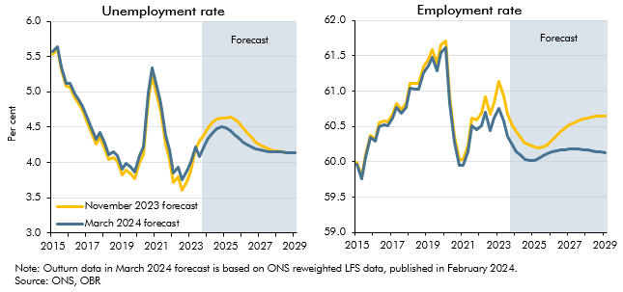

 | Unemployment rate |  |  | Employment rate
 |  | November 2023 forecast | March 2024 forecast |  | November 2023 forecast | March 2024 forecast
 | 2015Q1 | 5.5 | 5.6 | 2015Q1 | 60.0 | 60.0
 | 2015Q2 | 5.6 | 5.6 | 2015Q2 | 59.8 | 59.8
 | 2015Q3 | 5.3 | 5.4 | 2015Q3 | 60.1 | 60.1
 | 2015Q4 | 5.1 | 5.1 | 2015Q4 | 60.4 | 60.3
 | 2016Q1 | 5.1 | 5.1 | 2016Q1 | 60.3 | 60.3
 | 2016Q2 | 4.9 | 5.0 | 2016Q2 | 60.5 | 60.5
 | 2016Q3 | 4.8 | 4.9 | 2016Q3 | 60.6 | 60.5
 | 2016Q4 | 4.7 | 4.8 | 2016Q4 | 60.6 | 60.5
 | 2017Q1 | 4.6 | 4.6 | 2017Q1 | 60.7 | 60.6
 | 2017Q2 | 4.4 | 4.5 | 2017Q2 | 60.8 | 60.8
 | 2017Q3 | 4.3 | 4.3 | 2017Q3 | 60.7 | 60.7
 | 2017Q4 | 4.4 | 4.4 | 2017Q4 | 60.8 | 60.8
 | 2018Q1 | 4.2 | 4.3 | 2018Q1 | 61.1 | 61.0
 | 2018Q2 | 4.0 | 4.1 | 2018Q2 | 61.1 | 61.0
 | 2018Q3 | 4.1 | 4.2 | 2018Q3 | 61.1 | 61.0
 | 2018Q4 | 4.0 | 4.1 | 2018Q4 | 61.3 | 61.3
 | 2019Q1 | 3.8 | 3.9 | 2019Q1 | 61.5 | 61.4
 | 2019Q2 | 3.9 | 4.0 | 2019Q2 | 61.6 | 61.5
 | 2019Q3 | 3.8 | 3.9 | 2019Q3 | 61.4 | 61.3
 | 2019Q4 | 3.8 | 3.9 | 2019Q4 | 61.7 | 61.6
 | 2020Q1 | 4.0 | 4.1 | 2020Q1 | 61.7 | 61.6
 | 2020Q2 | 4.1 | 4.2 | 2020Q2 | 60.9 | 60.8
 | 2020Q3 | 4.9 | 5.0 | 2020Q3 | 60.4 | 60.3
 | 2020Q4 | 5.2 | 5.3 | 2020Q4 | 60.0 | 59.9
 | 2021Q1 | 4.9 | 5.1 | 2021Q1 | 60.0 | 59.9
 | 2021Q2 | 4.7 | 4.8 | 2021Q2 | 60.2 | 60.1
 | 2021Q3 | 4.3 | 4.4 | 2021Q3 | 60.6 | 60.5
 | 2021Q4 | 4.0 | 4.2 | 2021Q4 | 60.6 | 60.5
 | 2022Q1 | 3.7 | 3.9 | 2022Q1 | 60.7 | 60.5
 | 2022Q2 | 3.8 | 3.9 | 2022Q2 | 60.9 | 60.7
 | 2022Q3 | 3.6 | 3.8 | 2022Q3 | 60.7 | 60.4
 | 2022Q4 | 3.7 | 3.9 | 2022Q4 | 60.8 | 60.6
 | 2023Q1 | 3.9 | 4.0 | 2023Q1 | 61.1 | 60.8
 | 2023Q2 | 4.2 | 4.2 | 2023Q2 | 60.9 | 60.6
 | 2023Q3 | 4.3 | 4.1 | 2023Q3 | 60.7 | 60.4
 | 2023Q4 | 4.4 | 4.2 | 2023Q4 | 60.5 | 60.2
 | 2024Q1 | 4.5 | 4.3 | 2024Q1 | 60.4 | 60.1
 | 2024Q2 | 4.6 | 4.4 | 2024Q2 | 60.3 | 60.1
 | 2024Q3 | 4.6 | 4.5 | 2024Q3 | 60.3 | 60.0
 | 2024Q4 | 4.6 | 4.5 | 2024Q4 | 60.2 | 60.0
 | 2025Q1 | 4.6 | 4.5 | 2025Q1 | 60.2 | 60.0
 | 2025Q2 | 4.6 | 4.5 | 2025Q2 | 60.2 | 60.0
 | 2025Q3 | 4.6 | 4.4 | 2025Q3 | 60.2 | 60.1
 | 2025Q4 | 4.6 | 4.3 | 2025Q4 | 60.2 | 60.1
 | 2026Q1 | 4.5 | 4.3 | 2026Q1 | 60.3 | 60.1
 | 2026Q2 | 4.4 | 4.2 | 2026Q2 | 60.4 | 60.2
 | 2026Q3 | 4.4 | 4.2 | 2026Q3 | 60.4 | 60.2
 | 2026Q4 | 4.3 | 4.2 | 2026Q4 | 60.5 | 60.2
 | 2027Q1 | 4.3 | 4.2 | 2027Q1 | 60.5 | 60.2
 | 2027Q2 | 4.2 | 4.2 | 2027Q2 | 60.6 | 60.2
 | 2027Q3 | 4.2 | 4.2 | 2027Q3 | 60.6 | 60.2
 | 2027Q4 | 4.2 | 4.2 | 2027Q4 | 60.6 | 60.2
 | 2028Q1 | 4.2 | 4.1 | 2028Q1 | 60.6 | 60.2
 | 2028Q2 | 4.1 | 4.1 | 2028Q2 | 60.6 | 60.2
 | 2028Q3 | 4.1 | 4.1 | 2028Q3 | 60.6 | 60.1
 | 2028Q4 | 4.1 | 4.1 | 2028Q4 | 60.6 | 60.1
 | 2029Q1 | 4.1 | 4.1 | 2029Q1 | 60.6 | 60.1

C2.15
Back to contents
 | Chart 2.15: Nominal and real earnings growth

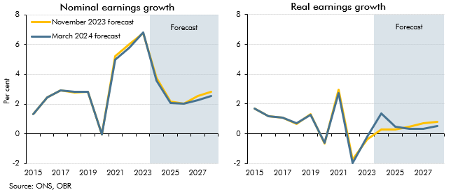

 | Nominal earnings growth |  |  | Real earnings growth
 |  | November 2023 forecast | March 2024 forecast |  | November 2023 forecast | March 2024 forecast
 | 2015 | 1.3 | 1.3 | 2015 | 1.7 | 1.7
 | 2016 | 2.5 | 2.4 | 2016 | 1.2 | 1.2
 | 2017 | 2.9 | 2.9 | 2017 | 1.1 | 1.1
 | 2018 | 2.8 | 2.8 | 2018 | 0.7 | 0.7
 | 2019 | 2.8 | 2.8 | 2019 | 1.3 | 1.3
 | 2020 | 0.0 | 0.0 | 2020 | -0.6 | -0.6
 | 2021 | 5.2 | 5.0 | 2021 | 2.9 | 2.7
 | 2022 | 6.0 | 5.8 | 2022 | -1.7 | -2.0
 | 2023 | 6.8 | 6.8 | 2023 | -0.3 | -0.2
 | 2024 | 3.7 | 3.6 | 2024 | 0.3 | 1.4
 | 2025 | 2.2 | 2.1 | 2025 | 0.3 | 0.5
 | 2026 | 2.0 | 2.0 | 2026 | 0.5 | 0.3
 | 2027 | 2.5 | 2.3 | 2027 | 0.7 | 0.3
 | 2028 | 2.8 | 2.6 | 2028 | 0.8 | 0.5

C2.16
Back to contents
 | Chart 2.16: Real household disposable income per person

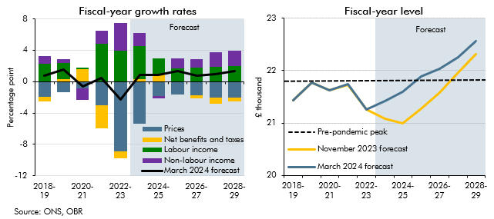

 | Fiscal-year growth rates |  |  |  |  |  | Fiscal-year level (2019 prices)
 |  | March 2024 forecast | Labour income | Non-labour income | Net benefits and taxes | Prices |  | November 2023 forecast | March 2024 forecast
 | 2018-19 | 0.7 | 2.3 | 1.0 | -0.6 | -1.9 | 2018-19 | 21.4 | 21.4
 | 2019-20 | 1.6 | 2.1 | 0.5 | 0.3 | -1.3 | 2019-20 | 21.8 | 21.8
 | 2020-21 | -0.6 | 0.1 | -1.5 | 1.6 | -0.8 | 2020-21 | 21.6 | 21.6
 | 2021-22 | 0.5 | 4.9 | 1.6 | -2.9 | -3.0 | 2021-22 | 21.7 | 21.7
 | 2022-23 | -2.2 | 3.9 | 3.5 | -0.9 | -8.9 | 2022-23 | 21.3 | 21.3
 | 2023-24 | 0.8 | 4.1 | 1.7 | 0.3 | -5.4 | 2023-24 | 21.1 | 21.4
 | 2024-25 | 0.8 | 2.0 | -0.3 | 0.9 | -1.8 | 2024-25 | 21.0 | 21.6
 | 2025-26 | 1.3 | 1.6 | 1.3 | 0.0 | -1.7 | 2025-26 | 21.3 | 21.9
 | 2026-27 | 0.7 | 1.8 | 1.0 | -0.3 | -1.8 | 2026-27 | 21.6 | 22.0
 | 2027-28 | 1.0 | 1.9 | 1.9 | -0.8 | -2.0 | 2027-28 | 22.0 | 22.3
 | 2028-29 | 1.4 | 2.0 | 1.9 | -0.5 | -2.0 | 2028-29 | 22.3 | 22.6

C2.17
Back to contents
 | Chart 2.17: Mortgage rates and house prices

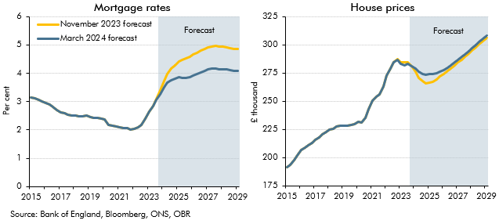

 | Mortgage rates |  |  | House prices
 |  | November 2023 forecast | March 2024 forecast |  | November 2023 forecast | March 2024 forecast
 | 2015Q1 | 3.2 | 3.2 | 2015Q1 | 191.4 | 191.4
 | 2015Q2 | 3.1 | 3.1 | 2015Q2 | 193.5 | 193.5
 | 2015Q3 | 3.1 | 3.1 | 2015Q3 | 197.5 | 197.5
 | 2015Q4 | 3.0 | 3.0 | 2015Q4 | 202.2 | 202.2
 | 2016Q1 | 3.0 | 3.0 | 2016Q1 | 206.5 | 206.5
 | 2016Q2 | 2.9 | 2.9 | 2016Q2 | 209.0 | 209.0
 | 2016Q3 | 2.8 | 2.8 | 2016Q3 | 210.8 | 210.8
 | 2016Q4 | 2.7 | 2.7 | 2016Q4 | 213.0 | 213.0
 | 2017Q1 | 2.6 | 2.6 | 2017Q1 | 215.6 | 215.6
 | 2017Q2 | 2.6 | 2.6 | 2017Q2 | 218.2 | 218.2
 | 2017Q3 | 2.5 | 2.5 | 2017Q3 | 220.9 | 220.9
 | 2017Q4 | 2.5 | 2.5 | 2017Q4 | 222.8 | 222.8
 | 2018Q1 | 2.5 | 2.5 | 2018Q1 | 224.6 | 224.6
 | 2018Q2 | 2.5 | 2.5 | 2018Q2 | 225.9 | 225.9
 | 2018Q3 | 2.5 | 2.5 | 2018Q3 | 227.4 | 227.4
 | 2018Q4 | 2.5 | 2.5 | 2018Q4 | 228.3 | 228.3
 | 2019Q1 | 2.5 | 2.5 | 2019Q1 | 228.1 | 228.1
 | 2019Q2 | 2.4 | 2.4 | 2019Q2 | 228.1 | 228.1
 | 2019Q3 | 2.4 | 2.4 | 2019Q3 | 229.2 | 229.2
 | 2019Q4 | 2.4 | 2.4 | 2019Q4 | 229.5 | 229.5
 | 2020Q1 | 2.4 | 2.4 | 2020Q1 | 231.7 | 231.7
 | 2020Q2 | 2.2 | 2.2 | 2020Q2 | 231.0 | 231.0
 | 2020Q3 | 2.1 | 2.1 | 2020Q3 | 235.0 | 235.0
 | 2020Q4 | 2.1 | 2.1 | 2020Q4 | 243.2 | 243.2
 | 2021Q1 | 2.1 | 2.1 | 2021Q1 | 250.8 | 250.8
 | 2021Q2 | 2.1 | 2.1 | 2021Q2 | 253.8 | 253.8
 | 2021Q3 | 2.1 | 2.1 | 2021Q3 | 256.2 | 256.2
 | 2021Q4 | 2.0 | 2.0 | 2021Q4 | 263.3 | 263.3
 | 2022Q1 | 2.0 | 2.0 | 2022Q1 | 272.8 | 272.8
 | 2022Q2 | 2.1 | 2.1 | 2022Q2 | 279.1 | 279.1
 | 2022Q3 | 2.2 | 2.2 | 2022Q3 | 284.9 | 284.9
 | 2022Q4 | 2.4 | 2.4 | 2022Q4 | 287.6 | 286.7
 | 2023Q1 | 2.7 | 2.7 | 2023Q1 | 284.5 | 283.1
 | 2023Q2 | 2.8 | 2.8 | 2023Q2 | 284.4 | 281.8
 | 2023Q3 | 3.1 | 3.1 | 2023Q3 | 284.4 | 283.4
 | 2023Q4 | 3.4 | 3.3 | 2023Q4 | 280.8 | 281.4
 | 2024Q1 | 3.7 | 3.5 | 2024Q1 | 276.6 | 279.3
 | 2024Q2 | 4.0 | 3.7 | 2024Q2 | 271.1 | 276.5
 | 2024Q3 | 4.2 | 3.7 | 2024Q3 | 267.7 | 274.4
 | 2024Q4 | 4.3 | 3.8 | 2024Q4 | 265.7 | 273.7
 | 2025Q1 | 4.4 | 3.8 | 2025Q1 | 266.3 | 274.0
 | 2025Q2 | 4.5 | 3.8 | 2025Q2 | 267.5 | 274.4
 | 2025Q3 | 4.5 | 3.8 | 2025Q3 | 269.5 | 275.1
 | 2025Q4 | 4.6 | 3.9 | 2025Q4 | 271.9 | 276.5
 | 2026Q1 | 4.7 | 3.9 | 2026Q1 | 274.3 | 278.0
 | 2026Q2 | 4.7 | 4.0 | 2026Q2 | 276.8 | 279.9
 | 2026Q3 | 4.8 | 4.0 | 2026Q3 | 279.3 | 282.0
 | 2026Q4 | 4.8 | 4.1 | 2026Q4 | 281.8 | 284.4
 | 2027Q1 | 4.9 | 4.1 | 2027Q1 | 284.4 | 286.8
 | 2027Q2 | 4.9 | 4.2 | 2027Q2 | 287.0 | 289.3
 | 2027Q3 | 5.0 | 4.2 | 2027Q3 | 289.7 | 291.9
 | 2027Q4 | 4.9 | 4.1 | 2027Q4 | 292.3 | 294.5
 | 2028Q1 | 4.9 | 4.1 | 2028Q1 | 295.0 | 297.2
 | 2028Q2 | 4.9 | 4.1 | 2028Q2 | 297.7 | 299.9
 | 2028Q3 | 4.9 | 4.1 | 2028Q3 | 300.5 | 302.7
 | 2028Q4 | 4.9 | 4.1 | 2028Q4 | 303.2 | 305.4
 | 2029Q1 | 4.8 | 4.1 | 2029Q1 | 306.0 | 308.2

C2.18
Back to contents
 | Chart 2.18: Sectoral net lending

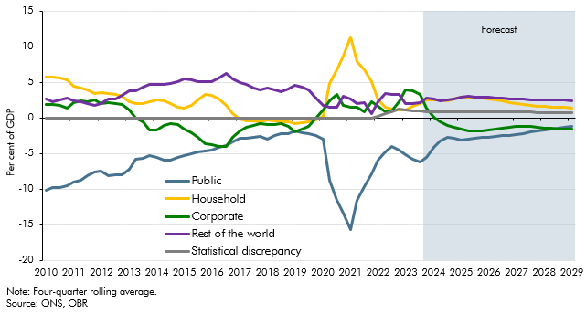

 |  | Public | Household | Corporate | Rest of the world | Statistical discrepancy
 | 2010Q1 | -10.2 | 5.7 | 1.9 | 2.6 | 0.0
 | 2010Q2 | -9.8 | 5.7 | 1.9 | 2.2 | 0.0
 | 2010Q3 | -9.8 | 5.6 | 1.7 | 2.5 | 0.0
 | 2010Q4 | -9.5 | 5.4 | 1.3 | 2.8 | 0.0
 | 2011Q1 | -9.1 | 4.5 | 2.2 | 2.4 | 0.0
 | 2011Q2 | -8.8 | 4.2 | 2.3 | 2.2 | 0.0
 | 2011Q3 | -8.2 | 3.9 | 2.2 | 2.0 | 0.0
 | 2011Q4 | -7.6 | 3.4 | 2.5 | 1.7 | 0.0
 | 2012Q1 | -7.5 | 3.5 | 2.0 | 2.0 | 0.0
 | 2012Q2 | -8.1 | 3.4 | 2.1 | 2.6 | 0.0
 | 2012Q3 | -8.0 | 3.2 | 2.1 | 2.7 | 0.0
 | 2012Q4 | -8.0 | 3.0 | 1.8 | 3.2 | 0.0
 | 2013Q1 | -7.3 | 2.3 | 1.1 | 3.8 | 0.0
 | 2013Q2 | -5.8 | 2.1 | 0.0 | 3.8 | 0.0
 | 2013Q3 | -5.7 | 2.0 | -0.6 | 4.3 | 0.0
 | 2013Q4 | -5.3 | 2.3 | -1.7 | 4.7 | 0.0
 | 2014Q1 | -5.5 | 2.5 | -1.7 | 4.6 | 0.0
 | 2014Q2 | -6.0 | 2.4 | -1.1 | 4.7 | 0.0
 | 2014Q3 | -5.9 | 2.0 | -0.8 | 4.8 | 0.0
 | 2014Q4 | -5.6 | 1.4 | -1.0 | 5.1 | 0.0
 | 2015Q1 | -5.3 | 1.4 | -1.6 | 5.5 | 0.0
 | 2015Q2 | -5.0 | 1.8 | -2.1 | 5.3 | 0.0
 | 2015Q3 | -4.8 | 2.5 | -2.8 | 5.1 | 0.0
 | 2015Q4 | -4.6 | 3.2 | -3.6 | 5.0 | 0.0
 | 2016Q1 | -4.5 | 3.2 | -3.8 | 5.1 | 0.0
 | 2016Q2 | -4.2 | 2.6 | -4.1 | 5.6 | 0.0
 | 2016Q3 | -3.9 | 1.7 | -4.0 | 6.2 | 0.0
 | 2016Q4 | -3.4 | 0.6 | -2.7 | 5.5 | 0.0
 | 2017Q1 | -2.9 | -0.2 | -1.8 | 4.9 | 0.0
 | 2017Q2 | -2.9 | -0.4 | -1.4 | 4.7 | 0.0
 | 2017Q3 | -2.8 | -0.4 | -1.1 | 4.2 | 0.0
 | 2017Q4 | -2.7 | -0.5 | -0.8 | 4.0 | 0.0
 | 2018Q1 | -3.0 | -0.3 | -1.0 | 4.2 | 0.0
 | 2018Q2 | -2.5 | -0.5 | -0.9 | 4.0 | 0.0
 | 2018Q3 | -2.2 | -0.6 | -0.8 | 3.6 | 0.0
 | 2018Q4 | -2.2 | -0.6 | -1.2 | 4.1 | 0.0
 | 2019Q1 | -1.9 | -0.8 | -1.9 | 4.6 | 0.0
 | 2019Q2 | -2.1 | -0.6 | -1.6 | 4.3 | 0.0
 | 2019Q3 | -2.2 | -0.6 | -1.2 | 4.0 | 0.0
 | 2019Q4 | -2.4 | -0.3 | -0.1 | 2.8 | 0.0
 | 2020Q1 | -3.0 | 0.2 | 1.1 | 1.7 | 0.0
 | 2020Q2 | -8.8 | 4.8 | 2.4 | 1.5 | 0.0
 | 2020Q3 | -11.6 | 6.8 | 3.3 | 1.5 | 0.0
 | 2020Q4 | -13.4 | 8.7 | 1.7 | 3.0 | 0.0
 | 2021Q1 | -15.7 | 11.4 | 1.6 | 2.7 | 0.0
 | 2021Q2 | -11.5 | 8.0 | 1.5 | 2.0 | 0.0
 | 2021Q3 | -9.7 | 6.7 | 0.8 | 2.1 | 0.0
 | 2021Q4 | -7.9 | 5.1 | 2.2 | 0.6 | 0.0
 | 2022Q1 | -5.9 | 2.5 | 1.6 | 2.2 | 0.3
 | 2022Q2 | -4.8 | 1.5 | 0.9 | 3.5 | 0.6
 | 2022Q3 | -4.0 | 1.3 | 1.0 | 3.3 | 0.9
 | 2022Q4 | -4.5 | 1.1 | 2.3 | 3.3 | 1.2
 | 2023Q1 | -5.2 | 1.1 | 3.9 | 2.0 | 1.1
 | 2023Q2 | -5.8 | 1.6 | 3.8 | 2.0 | 1.0
 | 2023Q3 | -6.1 | 2.0 | 3.3 | 2.1 | 1.0
 | 2023Q4 | -5.5 | 2.5 | 1.4 | 2.8 | 0.8
 | 2024Q1 | -4.2 | 2.6 | 0.1 | 2.6 | 0.8
 | 2024Q2 | -3.3 | 2.5 | -0.5 | 2.4 | 0.8
 | 2024Q3 | -2.8 | 2.4 | -1.0 | 2.5 | 0.8
 | 2024Q4 | -2.9 | 2.6 | -1.4 | 2.7 | 0.8
 | 2025Q1 | -3.2 | 2.9 | -1.5 | 2.9 | 0.8
 | 2025Q2 | -3.0 | 2.9 | -1.8 | 3.0 | 0.8
 | 2025Q3 | -2.9 | 2.9 | -1.9 | 3.0 | 0.8
 | 2025Q4 | -2.8 | 2.8 | -1.9 | 2.9 | 0.8
 | 2026Q1 | -2.7 | 2.6 | -1.8 | 2.9 | 0.8
 | 2026Q2 | -2.6 | 2.5 | -1.6 | 2.8 | 0.8
 | 2026Q3 | -2.5 | 2.3 | -1.5 | 2.7 | 0.8
 | 2026Q4 | -2.5 | 2.2 | -1.4 | 2.7 | 0.8
 | 2027Q1 | -2.4 | 2.0 | -1.3 | 2.6 | 0.8
 | 2027Q2 | -2.2 | 1.9 | -1.2 | 2.6 | 0.8
 | 2027Q3 | -2.0 | 1.7 | -1.3 | 2.6 | 0.8
 | 2027Q4 | -1.8 | 1.6 | -1.3 | 2.5 | 0.8
 | 2028Q1 | -1.7 | 1.6 | -1.4 | 2.5 | 0.8
 | 2028Q2 | -1.6 | 1.5 | -1.5 | 2.5 | 0.8
 | 2028Q3 | -1.5 | 1.5 | -1.5 | 2.5 | 0.8
 | 2028Q4 | -1.3 | 1.5 | -1.6 | 2.5 | 0.8
 | 2029Q1 | -1.2 | 1.4 | -1.7 | 2.4 | 0.8

C2.19
Back to contents
 | Chart 2.19: Nominal GDP changes since November

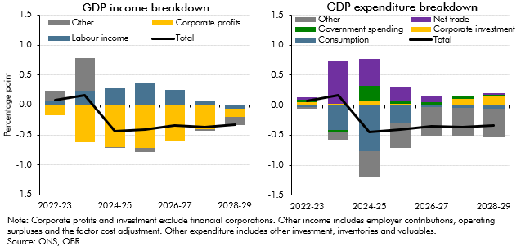

 | GDP income breakdown |  |  |  |  | GDP expenditure breakdown
 |  | Total | Labour income | Corporate profits | Other |  | Total | Consumption | Corporate investment | Government spending | Net trade | Other
 | 2022-23 | 0.1 | 0.1 | -0.2 | 0.2 | 2022-23 | 0.1 | 0.0 | 0.0 | 0.0 | 0.1 | 0.0
 | 2023-24 | 0.2 | 0.2 | -0.6 | 0.5 | 2023-24 | 0.2 | -0.4 | 0.0 | 0.0 | 0.7 | -0.1
 | 2024-25 | -0.4 | 0.3 | -0.7 | 0.0 | 2024-25 | -0.4 | -0.8 | 0.1 | 0.2 | 0.4 | -0.4
 | 2025-26 | -0.4 | 0.4 | -0.7 | -0.1 | 2025-26 | -0.4 | -0.3 | 0.0 | 0.0 | 0.2 | -0.4
 | 2026-27 | -0.3 | 0.3 | -0.6 | 0.0 | 2026-27 | -0.3 | 0.0 | 0.0 | 0.0 | 0.1 | -0.5
 | 2027-28 | -0.4 | 0.1 | -0.4 | 0.0 | 2027-28 | -0.4 | 0.0 | 0.1 | 0.0 | 0.0 | -0.5
 | 2028-29 | -0.3 | -0.1 | -0.1 | -0.1 | 2028-29 | -0.3 | -0.1 | 0.1 | 0.0 | 0.0 | -0.5

C2.20
Back to contents
 | Chart 2.20: Comparison of forecasts for cumulative growth in GDP

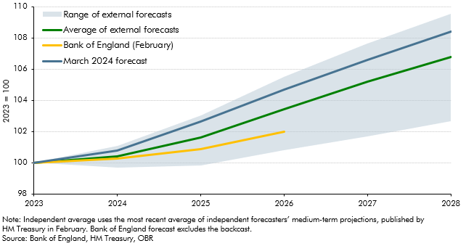

 |  | March 2024 forecast | Bank of England (February) | Average of external forecasts | Lowest | Highest
 | 2023 | 100.0 | 100.0 | 100.0 | 100.0 | 100.0
 | 2024 | 100.8 | 100.2 | 100.4 | 99.7 | 101.1
 | 2025 | 102.6 | 100.9 | 101.6 | 99.8 | 103.0
 | 2026 | 104.7 | 102.0 | 103.4 | 100.8 | 105.5
 | 2027 | 106.6 |  | 105.2 | 101.7 | 107.6
 | 2028 | 108.4 |  | 106.8 | 102.7 | 109.5

