C2.1
Back to contents
 | Chart 2.1: Gas and oil prices

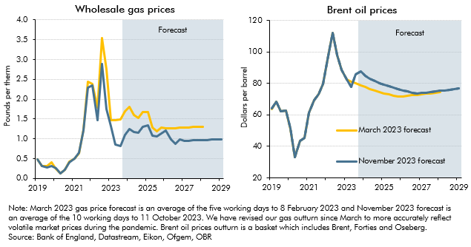

 | Wholesale gas prices |  |  | Brent oil prices
 |  | March 2023 forecast | November 2023 forecast |  | March 2023 forecast | November 2023 forecast
 | 2019Q1 | 0.5 | 0.5 | 2019Q1 | 63.8 | 63.9
 | 2019Q2 | 0.3 | 0.3 | 2019Q2 | 68.4 | 68.4
 | 2019Q3 | 0.3 | 0.3 | 2019Q3 | 62.1 | 62.1
 | 2019Q4 | 0.4 | 0.3 | 2019Q4 | 62.6 | 62.6
 | 2020Q1 | 0.2 | 0.2 | 2020Q1 | 51.2 | 51.3
 | 2020Q2 | 0.1 | 0.1 | 2020Q2 | 33.4 | 33.1
 | 2020Q3 | 0.2 | 0.2 | 2020Q3 | 43.4 | 43.4
 | 2020Q4 | 0.4 | 0.4 | 2020Q4 | 45.3 | 45.3
 | 2021Q1 | 0.5 | 0.5 | 2021Q1 | 61.1 | 61.2
 | 2021Q2 | 0.6 | 0.6 | 2021Q2 | 69.1 | 69.1
 | 2021Q3 | 1.2 | 1.2 | 2021Q3 | 73.2 | 73.3
 | 2021Q4 | 2.4 | 2.3 | 2021Q4 | 79.8 | 79.8
 | 2022Q1 | 2.4 | 2.4 | 2022Q1 | 97.4 | 97.4
 | 2022Q2 | 1.8 | 1.5 | 2022Q2 | 112.0 | 112.0
 | 2022Q3 | 3.5 | 2.9 | 2022Q3 | 97.8 | 97.8
 | 2022Q4 | 2.8 | 1.7 | 2022Q4 | 88.5 | 88.7
 | 2023Q1 | 1.5 | 1.3 | 2023Q1 | 82.3 | 82.3
 | 2023Q2 | 1.5 | 0.9 | 2023Q2 | 81.3 | 78.0
 | 2023Q3 | 1.5 | 0.8 | 2023Q3 | 80.0 | 86.0
 | 2023Q4 | 1.7 | 1.1 | 2023Q4 | 78.7 | 87.7
 | 2024Q1 | 1.8 | 1.2 | 2024Q1 | 77.5 | 84.9
 | 2024Q2 | 1.6 | 1.2 | 2024Q2 | 76.5 | 82.9
 | 2024Q3 | 1.5 | 1.2 | 2024Q3 | 75.6 | 81.5
 | 2024Q4 | 1.7 | 1.3 | 2024Q4 | 74.6 | 80.3
 | 2025Q1 | 1.7 | 1.3 | 2025Q1 | 73.7 | 79.1
 | 2025Q2 | 1.3 | 1.1 | 2025Q2 | 72.9 | 78.1
 | 2025Q3 | 1.2 | 1.1 | 2025Q3 | 72.2 | 77.2
 | 2025Q4 | 1.3 | 1.1 | 2025Q4 | 71.4 | 76.4
 | 2026Q1 | 1.3 | 1.2 | 2026Q1 | 71.8 | 75.6
 | 2026Q2 | 1.3 | 1.0 | 2026Q2 | 72.1 | 74.9
 | 2026Q3 | 1.3 | 0.9 | 2026Q3 | 72.4 | 74.2
 | 2026Q4 | 1.3 | 1.0 | 2026Q4 | 72.7 | 73.5
 | 2027Q1 | 1.3 | 1.0 | 2027Q1 | 73.1 | 73.8
 | 2027Q2 | 1.3 | 1.0 | 2027Q2 | 73.4 | 74.1
 | 2027Q3 | 1.3 | 1.0 | 2027Q3 | 73.7 | 74.5
 | 2027Q4 | 1.3 | 1.0 | 2027Q4 | 74.1 | 74.8
 | 2028Q1 | 1.3 | 1.0 | 2028Q1 | 74.4 | 75.2
 | 2028Q2 |  | 1.0 | 2028Q2 |  | 75.5
 | 2028Q3 |  | 1.0 | 2028Q3 |  | 75.9
 | 2028Q4 |  | 1.0 | 2028Q4 |  | 76.3
 | 2029Q1 |  | 1.0 | 2029Q1 |  | 76.7

C2.2
Back to contents
 | Chart 2.2: Bank Rate and gilt yields by year of maturity

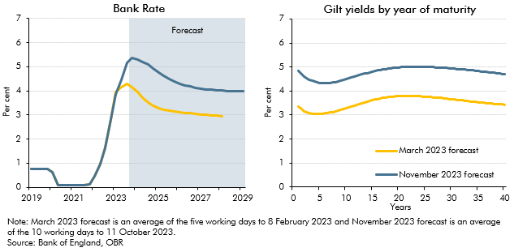

 | Bank Rate |  |  | Gilt yields by year of maturity
 |  | March 2023 forecast | November 2023 forecast |  | March 2023 forecast | November 2023 forecast
 | 2019Q1 | 0.8 | 0.8 | 1.0 | 3.4 | 4.8
 | 2019Q2 | 0.8 | 0.8 | 1.5 | 3.2 | 4.7
 | 2019Q3 | 0.8 | 0.8 | 2.0 | 3.2 | 4.6
 | 2019Q4 | 0.8 | 0.8 | 2.5 | 3.1 | 4.5
 | 2020Q1 | 0.6 | 0.6 | 3.0 | 3.1 | 4.5
 | 2020Q2 | 0.1 | 0.1 | 3.5 | 3.1 | 4.4
 | 2020Q3 | 0.1 | 0.1 | 4.0 | 3.0 | 4.4
 | 2020Q4 | 0.1 | 0.1 | 4.5 | 3.0 | 4.4
 | 2021Q1 | 0.1 | 0.1 | 5.0 | 3.0 | 4.3
 | 2021Q2 | 0.1 | 0.1 | 5.5 | 3.1 | 4.3
 | 2021Q3 | 0.1 | 0.1 | 6.0 | 3.1 | 4.3
 | 2021Q4 | 0.1 | 0.1 | 6.5 | 3.1 | 4.3
 | 2022Q1 | 0.5 | 0.5 | 7.0 | 3.1 | 4.3
 | 2022Q2 | 1.0 | 1.0 | 7.5 | 3.1 | 4.4
 | 2022Q3 | 1.6 | 1.6 | 8.0 | 3.1 | 4.4
 | 2022Q4 | 2.8 | 2.8 | 8.5 | 3.2 | 4.4
 | 2023Q1 | 4.0 | 3.9 | 9.0 | 3.2 | 4.4
 | 2023Q2 | 4.2 | 4.5 | 9.5 | 3.2 | 4.5
 | 2023Q3 | 4.3 | 5.2 | 10.0 | 3.3 | 4.5
 | 2023Q4 | 4.2 | 5.4 | 10.5 | 3.3 | 4.5
 | 2024Q1 | 4.0 | 5.3 | 11.0 | 3.3 | 4.6
 | 2024Q2 | 3.7 | 5.2 | 11.5 | 3.4 | 4.6
 | 2024Q3 | 3.5 | 5.1 | 12.0 | 3.4 | 4.6
 | 2024Q4 | 3.4 | 4.9 | 12.5 | 3.5 | 4.7
 | 2025Q1 | 3.3 | 4.8 | 13.0 | 3.5 | 4.7
 | 2025Q2 | 3.2 | 4.6 | 13.5 | 3.5 | 4.7
 | 2025Q3 | 3.2 | 4.5 | 14.0 | 3.6 | 4.8
 | 2025Q4 | 3.1 | 4.4 | 14.5 | 3.6 | 4.8
 | 2026Q1 | 3.1 | 4.3 | 15.0 | 3.6 | 4.8
 | 2026Q2 | 3.1 | 4.2 | 15.5 | 3.6 | 4.8
 | 2026Q3 | 3.1 | 4.2 | 16.0 | 3.7 | 4.9
 | 2026Q4 | 3.0 | 4.1 | 16.5 | 3.7 | 4.9
 | 2027Q1 | 3.0 | 4.1 | 17.0 | 3.7 | 4.9
 | 2027Q2 | 3.0 | 4.1 | 17.5 | 3.7 | 4.9
 | 2027Q3 | 3.0 | 4.0 | 18.0 | 3.7 | 4.9
 | 2027Q4 | 3.0 | 4.0 | 18.5 | 3.8 | 4.9
 | 2028Q1 | 3.0 | 4.0 | 19.0 | 3.8 | 5.0
 | 2028Q2 |  | 4.0 | 19.5 | 3.8 | 5.0
 | 2028Q3 |  | 4.0 | 20.0 | 3.8 | 5.0
 | 2028Q4 |  | 4.0 | 20.5 | 3.8 | 5.0
 | 2029Q1 |  | 4.0 | 21.0 | 3.8 | 5.0
 |  |  |  | 21.5 | 3.8 | 5.0
 |  |  |  | 22.0 | 3.8 | 5.0
 |  |  |  | 22.5 | 3.8 | 5.0
 |  |  |  | 23.0 | 3.8 | 5.0
 |  |  |  | 23.5 | 3.8 | 5.0
 |  |  |  | 24.0 | 3.8 | 5.0
 |  |  |  | 24.5 | 3.8 | 5.0
 |  |  |  | 25.0 | 3.8 | 5.0
 |  |  |  | 25.5 | 3.8 | 5.0
 |  |  |  | 26.0 | 3.7 | 5.0
 |  |  |  | 26.5 | 3.7 | 5.0
 |  |  |  | 27.0 | 3.7 | 5.0
 |  |  |  | 27.5 | 3.7 | 5.0
 |  |  |  | 28.0 | 3.7 | 5.0
 |  |  |  | 28.5 | 3.7 | 5.0
 |  |  |  | 29.0 | 3.7 | 5.0
 |  |  |  | 29.5 | 3.7 | 4.9
 |  |  |  | 30.0 | 3.7 | 4.9
 |  |  |  | 30.5 | 3.6 | 4.9
 |  |  |  | 31.0 | 3.6 | 4.9
 |  |  |  | 31.5 | 3.6 | 4.9
 |  |  |  | 32.0 | 3.6 | 4.9
 |  |  |  | 32.5 | 3.6 | 4.9
 |  |  |  | 33.0 | 3.6 | 4.9
 |  |  |  | 33.5 | 3.6 | 4.9
 |  |  |  | 34.0 | 3.6 | 4.9
 |  |  |  | 34.5 | 3.5 | 4.8
 |  |  |  | 35.0 | 3.5 | 4.8
 |  |  |  | 35.5 | 3.5 | 4.8
 |  |  |  | 36.0 | 3.5 | 4.8
 |  |  |  | 36.5 | 3.5 | 4.8
 |  |  |  | 37.0 | 3.5 | 4.8
 |  |  |  | 37.5 | 3.5 | 4.8
 |  |  |  | 38.0 | 3.5 | 4.8
 |  |  |  | 38.5 | 3.5 | 4.7
 |  |  |  | 39.0 | 3.4 | 4.7
 |  |  |  | 39.5 | 3.4 | 4.7
 |  |  |  | 40.0 | 3.4 | 4.7

C2.3
Back to contents
 | Chart 2.3: Effective exchange rate and World GDP level

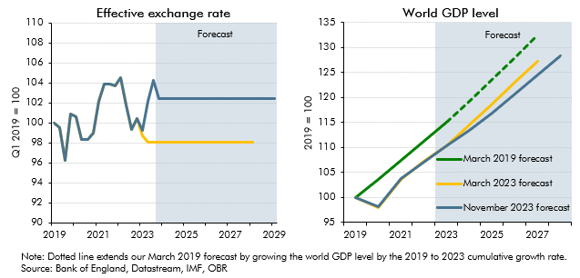

 | Effective exchange rate |  |  | World GDP level
 |  | March 2023 forecast | November 2023 forecast |  | March 2019 forecast | March 2019 trend | March 2023 forecast | November 2023 forecast
 | 2019Q1 | 100.0 | 100.0 | 2019 | 100.0 |  | 100.0 | 100.0
 | 2019Q2 | 99.5 | 99.5 | 2020 | 103.6 |  | 98.1 | 98.1
 | 2019Q3 | 96.2 | 96.2 | 2021 | 107.4 |  | 103.7 | 103.7
 | 2019Q4 | 100.8 | 100.8 | 2022 | 111.2 |  | 107.3 | 107.1
 | 2020Q1 | 100.6 | 100.6 | 2023 | 115.1 |  | 110.3 | 110.3
 | 2020Q2 | 98.3 | 98.3 | 2024 |  | 119.3 | 114.5 | 113.4
 | 2020Q3 | 98.4 | 98.4 | 2025 |  | 123.6 | 118.8 | 116.9
 | 2020Q4 | 99.0 | 99.0 | 2026 |  | 128.0 | 123.1 | 120.7
 | 2021Q1 | 102.2 | 102.2 | 2027 |  | 132.6 | 127.2 | 124.5
 | 2021Q2 | 103.9 | 103.9 | 2028 |  |  |  | 128.3
 | 2021Q3 | 103.9 | 103.9
 | 2021Q4 | 103.7 | 103.7
 | 2022Q1 | 104.6 | 104.6
 | 2022Q2 | 101.8 | 101.8
 | 2022Q3 | 99.4 | 99.4
 | 2022Q4 | 100.4 | 100.4
 | 2023Q1 | 98.7 | 99.2
 | 2023Q2 | 98.1 | 102.2
 | 2023Q3 | 98.1 | 104.3
 | 2023Q4 | 98.1 | 102.5
 | 2024Q1 | 98.1 | 102.5
 | 2024Q2 | 98.1 | 102.5
 | 2024Q3 | 98.1 | 102.5
 | 2024Q4 | 98.1 | 102.5
 | 2025Q1 | 98.1 | 102.5
 | 2025Q2 | 98.1 | 102.5
 | 2025Q3 | 98.1 | 102.5
 | 2025Q4 | 98.1 | 102.5
 | 2026Q1 | 98.1 | 102.5
 | 2026Q2 | 98.1 | 102.5
 | 2026Q3 | 98.1 | 102.5
 | 2026Q4 | 98.1 | 102.5
 | 2027Q1 | 98.1 | 102.5
 | 2027Q2 | 98.1 | 102.5
 | 2027Q3 | 98.1 | 102.5
 | 2027Q4 | 98.1 | 102.5
 | 2028Q1 | 98.1 | 102.5
 | 2028Q2 |  | 102.5
 | 2028Q3 |  | 102.5
 | 2028Q4 |  | 102.5
 | 2029Q1 |  | 102.5

C2.A
Back to contents
 | Chart 2.A: Real GDP impacts

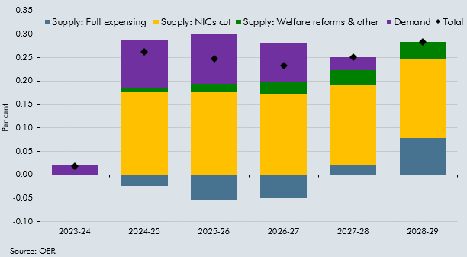

 |  | Supply: Full expensing | Supply: NICs cut | Supply: Welfare reforms & other | Demand | Total effect
 | 2023-24 | 0.0 | 0.0 | 0.0 | 0.0 | 0.0
 | 2024-25 | 0.0 | 0.2 | 0.0 | 0.1 | 0.3
 | 2025-26 | -0.1 | 0.2 | 0.0 | 0.1 | 0.2
 | 2026-27 | 0.0 | 0.2 | 0.0 | 0.1 | 0.2
 | 2027-28 | 0.0 | 0.2 | 0.0 | 0.0 | 0.3
 | 2028-29 | 0.1 | 0.2 | 0.0 | 0.0 | 0.3

C2.4
Back to contents
 | Chart 2.4: Contributions to CPI inflation

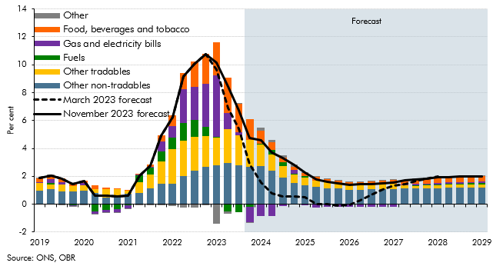

 |  | Food, beverages and tobacco | Gas and electricity bills | Fuels | Other tradables | Other non-tradables | Other | November 2023 forecast | March 2023 forecast
 | 2019Q1 | 0.3 | 0.0 | 0.0 | 0.5 | 1.0 | 0.0 | 1.9 | 1.9
 | 2019Q2 | 0.3 | 0.3 | 0.1 | 0.3 | 1.1 | 0.0 | 2.0 | 2.0
 | 2019Q3 | 0.3 | 0.2 | 0.0 | 0.5 | 0.9 | 0.0 | 1.8 | 1.8
 | 2019Q4 | 0.3 | 0.0 | -0.1 | 0.4 | 0.9 | 0.0 | 1.4 | 1.4
 | 2020Q1 | 0.2 | 0.1 | 0.0 | 0.4 | 1.0 | 0.0 | 1.7 | 1.7
 | 2020Q2 | 0.2 | -0.2 | -0.5 | 0.3 | 0.8 | 0.0 | 0.6 | 0.6
 | 2020Q3 | 0.1 | -0.2 | -0.4 | 0.6 | 0.5 | 0.0 | 0.6 | 0.6
 | 2020Q4 | 0.0 | -0.3 | -0.3 | 0.5 | 0.6 | 0.0 | 0.5 | 0.5
 | 2021Q1 | 0.0 | -0.2 | -0.1 | 0.2 | 0.8 | 0.0 | 0.6 | 0.6
 | 2021Q2 | 0.0 | 0.1 | 0.5 | 0.7 | 0.8 | -0.1 | 2.1 | 2.1
 | 2021Q3 | 0.1 | 0.1 | 0.5 | 1.0 | 1.1 | 0.0 | 2.8 | 2.8
 | 2021Q4 | 0.5 | 0.7 | 0.8 | 1.6 | 1.5 | 0.0 | 4.9 | 4.9
 | 2022Q1 | 0.8 | 0.8 | 0.9 | 2.5 | 1.4 | -0.1 | 6.2 | 6.2
 | 2022Q2 | 1.2 | 2.4 | 1.2 | 2.6 | 2.0 | -0.2 | 9.2 | 9.2
 | 2022Q3 | 1.8 | 2.4 | 1.2 | 2.4 | 2.4 | -0.2 | 10.0 | 10.0
 | 2022Q4 | 2.1 | 3.1 | 0.6 | 2.2 | 2.7 | 0.0 | 10.7 | 10.7
 | 2023Q1 | 2.4 | 4.4 | 0.1 | 1.9 | 2.8 | -1.4 | 10.2 | 9.7
 | 2023Q2 | 2.5 | 1.2 | -0.5 | 2.4 | 2.9 | -0.2 | 8.4 | 6.9
 | 2023Q3 | 2.0 | 0.2 | -0.6 | 2.1 | 2.8 | 0.1 | 6.7 | 5.4
 | 2023Q4 | 1.5 | -1.1 | -0.2 | 1.9 | 2.7 | 0.0 | 4.8 | 2.9
 | 2024Q1 | 1.0 | -0.9 | 0.0 | 1.6 | 2.7 | 0.2 | 4.6 | 1.5
 | 2024Q2 | 0.5 | -0.9 | 0.4 | 1.2 | 2.4 | 0.2 | 3.7 | 0.8
 | 2024Q3 | 0.3 | -0.2 | 0.3 | 0.8 | 1.9 | 0.1 | 3.3 | 0.6
 | 2024Q4 | 0.2 | 0.3 | 0.1 | 0.6 | 1.5 | 0.1 | 2.8 | 0.5
 | 2025Q1 | 0.3 | 0.0 | 0.1 | 0.5 | 1.3 | 0.0 | 2.3 | 0.5
 | 2025Q2 | 0.3 | -0.2 | 0.0 | 0.5 | 1.2 | 0.0 | 1.8 | 0.0
 | 2025Q3 | 0.2 | -0.2 | 0.0 | 0.4 | 1.1 | 0.0 | 1.6 | 0.0
 | 2025Q4 | 0.2 | -0.2 | 0.0 | 0.4 | 1.1 | 0.0 | 1.5 | -0.1
 | 2026Q1 | 0.2 | -0.2 | 0.0 | 0.3 | 1.0 | 0.0 | 1.4 | 0.0
 | 2026Q2 | 0.2 | -0.1 | 0.0 | 0.3 | 1.0 | 0.0 | 1.4 | 0.3
 | 2026Q3 | 0.3 | -0.2 | 0.0 | 0.3 | 1.1 | 0.0 | 1.4 | 0.7
 | 2026Q4 | 0.3 | -0.2 | 0.0 | 0.3 | 1.1 | 0.0 | 1.5 | 1.1
 | 2027Q1 | 0.3 | -0.2 | 0.0 | 0.4 | 1.1 | 0.0 | 1.6 | 1.3
 | 2027Q2 | 0.3 | 0.0 | 0.0 | 0.2 | 1.1 | 0.0 | 1.7 | 1.5
 | 2027Q3 | 0.3 | 0.1 | 0.0 | 0.2 | 1.1 | 0.0 | 1.8 | 1.7
 | 2027Q4 | 0.4 | 0.1 | 0.1 | 0.2 | 1.2 | 0.0 | 1.8 | 1.8
 | 2028Q1 | 0.4 | 0.1 | 0.1 | 0.2 | 1.2 | 0.0 | 1.9 | 2.0
 | 2028Q2 | 0.4 | 0.1 | 0.1 | 0.2 | 1.2 | 0.0 | 2.0
 | 2028Q3 | 0.4 | 0.1 | 0.1 | 0.2 | 1.2 | 0.0 | 2.0
 | 2028Q4 | 0.4 | 0.1 | 0.1 | 0.3 | 1.2 | 0.0 | 2.0
 | 2029Q1 | 0.4 | 0.1 | 0.1 | 0.3 | 1.2 | 0.0 | 2.0

C2.5
Back to contents
 | Chart 2.5: CPI inflation fan chart and past CPI forecast errors

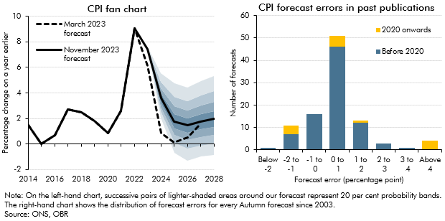

 | CPI fan chart |  |  |  |  |  |  |  |  |  |  |  | CPI forecast errors in past publications
 |  |  |  | Percentile |  |  |  |  |  |  |  |  | Error groupings | Before 2020 | 2020 onwards
 |  | March 2023 forecast | November 2023 forecast | 10 | 20 | 30 | 40 | 50 | 60 | 70 | 80 | 90
 | 2014 | 1.5 | 1.5 |  |  |  |  |  |  |  |  |  | Below -2 | 1 | 0
 | 2015 | 0.0 | 0.0 |  |  |  |  |  |  |  |  |  | -2 to -1 | 7 | 4
 | 2016 | 0.7 | 0.7 |  |  |  |  |  |  |  |  |  | -1 to 0 | 16 | 0
 | 2017 | 2.7 | 2.7 |  |  |  |  |  |  |  |  |  | 0 to 1 | 46 | 5
 | 2018 | 2.5 | 2.5 |  |  |  |  |  |  |  |  |  | 1 to 2 | 12 | 1
 | 2019 | 1.8 | 1.8 |  |  |  |  |  |  |  |  |  | 2 to 3 | 3 | 0
 | 2020 | 0.9 | 0.9 |  |  |  |  |  |  |  |  |  | 3 to 4 | 1 | 0
 | 2021 | 2.6 | 2.6 |  |  |  |  |  |  |  |  |  | Above 4 | 0 | 4
 | 2022 | 9.1 | 9.1
 | 2023 | 6.1 | 7.5 | 7.3 | 7.4 | 7.4 | 7.4 | 7.5 | 7.5 | 7.5 | 7.5 | 7.6
 | 2024 | 0.9 | 3.6 | 2.1 | 2.6 | 2.9 | 3.3 | 3.6 | 4.0 | 4.4 | 4.9 | 5.6
 | 2025 | 0.1 | 1.8 | -0.7 | 0.1 | 0.7 | 1.2 | 1.8 | 2.3 | 3.0 | 3.7 | 4.8
 | 2026 | 0.5 | 1.4 | -1.3 | -0.4 | 0.3 | 0.9 | 1.4 | 2.0 | 2.6 | 3.4 | 4.4
 | 2027 | 1.6 | 1.7 | -1.0 | -0.1 | 0.6 | 1.1 | 1.7 | 2.3 | 3.0 | 3.8 | 5.0
 | 2028 |  | 2.0 | -0.9 | 0.0 | 0.7 | 1.4 | 2.0 | 2.6 | 3.3 | 4.1 | 5.3

C2.6
Back to contents
 | Chart 2.6: Contributions to GDP deflator growth

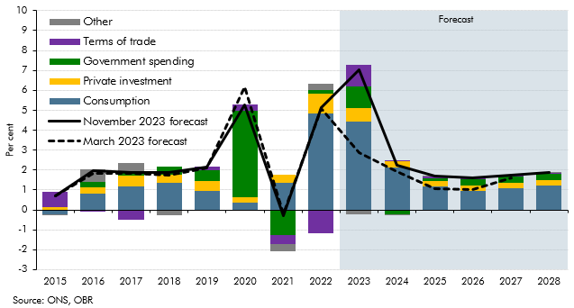

 |  | March 2023 forecast | November 2023 forecast | Consumption | Private investment | Government spending | Terms of trade | Other
 | 2015 | 0.7 | 0.7 | -0.2 | 0.1 | 0.0 | 0.8 | 0.0
 | 2016 | 1.8 | 1.9 | 0.8 | 0.3 | 0.3 | -0.1 | 0.6
 | 2017 | 1.8 | 1.9 | 1.2 | 0.5 | 0.2 | -0.5 | 0.5
 | 2018 | 1.7 | 1.9 | 1.3 | 0.4 | 0.4 | 0.0 | -0.2
 | 2019 | 2.1 | 2.1 | 1.0 | 0.5 | 0.5 | 0.2 | 0.0
 | 2020 | 6.2 | 5.3 | 0.4 | 0.2 | 4.3 | 0.3 | 0.0
 | 2021 | -0.2 | -0.3 | 1.4 | 0.4 | -1.3 | -0.5 | -0.3
 | 2022 | 5.1 | 5.1 | 4.8 | 1.0 | 0.1 | -1.2 | 0.3
 | 2023 | 2.9 | 7.0 | 4.4 | 0.7 | 1.1 | 1.1 | -0.2
 | 2024 | 1.9 | 2.3 | 2.1 | 0.3 | -0.2 | 0.0 | 0.0
 | 2025 | 1.1 | 1.7 | 1.2 | 0.3 | 0.1 | 0.1 | 0.0
 | 2026 | 1.0 | 1.6 | 1.0 | 0.2 | 0.3 | 0.1 | 0.0
 | 2027 | 1.6 | 1.7 | 1.1 | 0.3 | 0.3 | 0.1 | 0.0
 | 2028 |  | 1.9 | 1.2 | 0.3 | 0.3 | 0.0 | 0.0

C2.B
Back to contents
 | Chart 2.B: Changes to inflation and inflationary pressures

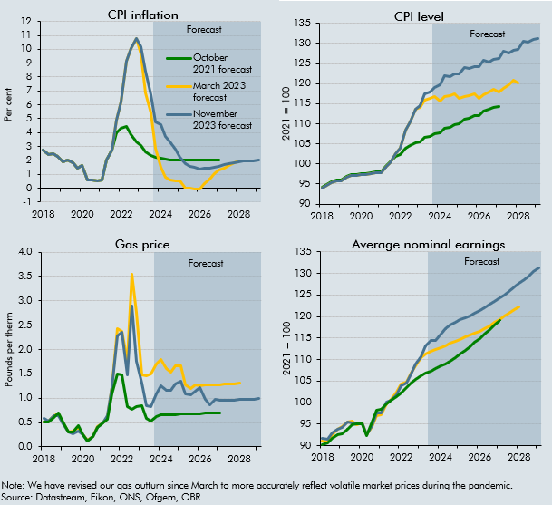

 | CPI inflation |  |  |  | CPI level |  |  |  | Gas price |  |  |  | Average nominal earnings
 |  | October 2021 forecast | March 2023 forecast | November 2023 forecast |  | October 2021 forecast | March 2023 forecast | November 2023 forecast |  | October 2021 forecast | March 2023 forecast | November 2023 forecast |  | October 2021 forecast | March 2023 forecast | November 2023 forecast
 | 2018Q1 | 2.7 | 2.7 | 2.7 | 2018Q1 | 94.1 | 93.9 | 93.9 | 2018Q1 | 0.5 | 0.5 | 0.6 | 2018Q1 | 90.3 | 91.2 | 91.8
 | 2018Q2 | 2.4 | 2.4 | 2.4 | 2018Q2 | 95.0 | 94.7 | 94.7 | 2018Q2 | 0.5 | 0.5 | 0.5 | 2018Q2 | 90.7 | 90.9 | 91.4
 | 2018Q3 | 2.5 | 2.5 | 2.5 | 2018Q3 | 95.5 | 95.3 | 95.3 | 2018Q3 | 0.6 | 0.6 | 0.6 | 2018Q3 | 91.7 | 92.6 | 92.9
 | 2018Q4 | 2.3 | 2.3 | 2.3 | 2018Q4 | 96.1 | 95.9 | 95.9 | 2018Q4 | 0.7 | 0.7 | 0.6 | 2018Q4 | 92.5 | 93.7 | 93.8
 | 2019Q1 | 1.9 | 1.9 | 1.9 | 2019Q1 | 95.9 | 95.7 | 95.7 | 2019Q1 | 0.5 | 0.5 | 0.5 | 2019Q1 | 92.7 | 94.4 | 94.3
 | 2019Q2 | 2.0 | 2.0 | 2.0 | 2019Q2 | 96.9 | 96.7 | 96.7 | 2019Q2 | 0.3 | 0.3 | 0.3 | 2019Q2 | 93.7 | 95.4 | 95.5
 | 2019Q3 | 1.8 | 1.8 | 1.8 | 2019Q3 | 97.3 | 97.1 | 97.1 | 2019Q3 | 0.3 | 0.3 | 0.3 | 2019Q3 | 94.8 | 95.7 | 95.4
 | 2019Q4 | 1.4 | 1.4 | 1.4 | 2019Q4 | 97.5 | 97.2 | 97.2 | 2019Q4 | 0.4 | 0.4 | 0.3 | 2019Q4 | 95.1 | 94.8 | 95.2
 | 2020Q1 | 1.7 | 1.7 | 1.7 | 2020Q1 | 97.5 | 97.3 | 97.3 | 2020Q1 | 0.3 | 0.2 | 0.2 | 2020Q1 | 95.1 | 95.2 | 95.3
 | 2020Q2 | 0.6 | 0.6 | 0.6 | 2020Q2 | 97.5 | 97.3 | 97.3 | 2020Q2 | 0.1 | 0.1 | 0.1 | 2020Q2 | 92.2 | 92.5 | 92.6
 | 2020Q3 | 0.6 | 0.6 | 0.6 | 2020Q3 | 97.9 | 97.6 | 97.6 | 2020Q3 | 0.2 | 0.2 | 0.2 | 2020Q3 | 95.4 | 94.4 | 94.7
 | 2020Q4 | 0.5 | 0.5 | 0.5 | 2020Q4 | 98.0 | 97.7 | 97.7 | 2020Q4 | 0.4 | 0.4 | 0.4 | 2020Q4 | 98.1 | 97.0 | 97.6
 | 2021Q1 | 0.6 | 0.6 | 0.6 | 2021Q1 | 98.1 | 97.8 | 97.8 | 2021Q1 | 0.5 | 0.5 | 0.5 | 2021Q1 | 98.3 | 97.2 | 97.7
 | 2021Q2 | 2.1 | 2.1 | 2.1 | 2021Q2 | 99.5 | 99.3 | 99.3 | 2021Q2 | 0.6 | 0.6 | 0.6 | 2021Q2 | 99.7 | 99.7 | 100.1
 | 2021Q3 | 2.8 | 2.8 | 2.8 | 2021Q3 | 100.6 | 100.3 | 100.3 | 2021Q3 | 1.1 | 1.2 | 1.2 | 2021Q3 | 100.5 | 100.7 | 100.4
 | 2021Q4 | 4.0 | 4.9 | 4.9 | 2021Q4 | 101.9 | 102.5 | 102.5 | 2021Q4 | 1.5 | 2.4 | 2.3 | 2021Q4 | 101.4 | 102.4 | 101.8
 | 2022Q1 | 4.3 | 6.2 | 6.2 | 2022Q1 | 102.3 | 103.9 | 103.9 | 2022Q1 | 1.5 | 2.4 | 2.4 | 2022Q1 | 102.2 | 104.4 | 103.8
 | 2022Q2 | 4.4 | 9.2 | 9.2 | 2022Q2 | 103.9 | 108.4 | 108.4 | 2022Q2 | 0.8 | 1.8 | 1.5 | 2022Q2 | 103.6 | 104.8 | 104.6
 | 2022Q3 | 3.9 | 10.0 | 10.0 | 2022Q3 | 104.5 | 110.4 | 110.4 | 2022Q3 | 0.8 | 3.5 | 2.9 | 2022Q3 | 104.5 | 106.9 | 106.7
 | 2022Q4 | 3.3 | 10.7 | 10.7 | 2022Q4 | 105.3 | 113.6 | 113.6 | 2022Q4 | 0.8 | 2.8 | 1.7 | 2022Q4 | 105.5 | 108.6 | 108.9
 | 2023Q1 | 3.1 | 9.7 | 10.2 | 2023Q1 | 105.5 | 114.0 | 114.5 | 2023Q1 | 0.9 | 1.5 | 1.3 | 2023Q1 | 106.3 | 110.5 | 110.7
 | 2023Q2 | 2.6 | 6.9 | 8.4 | 2023Q2 | 106.6 | 115.8 | 117.5 | 2023Q2 | 0.6 | 1.5 | 0.9 | 2023Q2 | 106.8 | 111.3 | 113.1
 | 2023Q3 | 2.4 | 5.4 | 6.7 | 2023Q3 | 106.9 | 116.4 | 117.8 | 2023Q3 | 0.5 | 1.5 | 0.8 | 2023Q3 | 107.3 | 112.0 | 114.5
 | 2023Q4 | 2.2 | 2.9 | 4.8 | 2023Q4 | 107.6 | 116.8 | 119.0 | 2023Q4 | 0.6 | 1.7 | 1.1 | 2023Q4 | 107.9 | 112.4 | 114.4
 | 2024Q1 | 2.1 | 1.5 | 4.6 | 2024Q1 | 107.7 | 115.7 | 119.8 | 2024Q1 | 0.7 | 1.8 | 1.2 | 2024Q1 | 108.4 | 112.8 | 115.8
 | 2024Q2 | 2.1 | 0.8 | 3.7 | 2024Q2 | 108.9 | 116.8 | 121.9 | 2024Q2 | 0.7 | 1.6 | 1.2 | 2024Q2 | 109.0 | 113.3 | 117.2
 | 2024Q3 | 2.0 | 0.6 | 3.3 | 2024Q3 | 109.1 | 117.0 | 121.7 | 2024Q3 | 0.7 | 1.5 | 1.2 | 2024Q3 | 109.7 | 113.7 | 118.0
 | 2024Q4 | 2.0 | 0.5 | 2.8 | 2024Q4 | 109.7 | 117.5 | 122.3 | 2024Q4 | 0.7 | 1.7 | 1.3 | 2024Q4 | 110.4 | 114.2 | 118.7
 | 2025Q1 | 2.0 | 0.5 | 2.3 | 2025Q1 | 109.9 | 116.3 | 122.5 | 2025Q1 | 0.7 | 1.7 | 1.3 | 2025Q1 | 111.2 | 114.7 | 119.2
 | 2025Q2 | 2.0 | 0.0 | 1.8 | 2025Q2 | 111.0 | 116.8 | 124.0 | 2025Q2 | 0.7 | 1.3 | 1.1 | 2025Q2 | 112.0 | 115.2 | 119.7
 | 2025Q3 | 2.0 | 0.0 | 1.6 | 2025Q3 | 111.3 | 117.1 | 123.7 | 2025Q3 | 0.7 | 1.2 | 1.1 | 2025Q3 | 113.0 | 115.6 | 120.2
 | 2025Q4 | 2.0 | -0.1 | 1.5 | 2025Q4 | 111.9 | 117.4 | 124.2 | 2025Q4 | 0.7 | 1.3 | 1.1 | 2025Q4 | 114.0 | 116.1 | 120.8
 | 2026Q1 | 2.0 | 0.0 | 1.4 | 2026Q1 | 112.1 | 116.3 | 124.2 | 2026Q1 | 0.7 | 1.3 | 1.2 | 2026Q1 | 114.9 | 116.5 | 121.3
 | 2026Q2 | 2.0 | 0.3 | 1.4 | 2026Q2 | 113.3 | 117.1 | 125.8 | 2026Q2 | 0.7 | 1.3 | 1.0 | 2026Q2 | 116.0 | 117.1 | 122.0
 | 2026Q3 | 2.0 | 0.7 | 1.4 | 2026Q3 | 113.5 | 117.8 | 125.5 | 2026Q3 | 0.7 | 1.3 | 0.9 | 2026Q3 | 117.0 | 117.9 | 122.8
 | 2026Q4 | 2.0 | 1.1 | 1.5 | 2026Q4 | 114.2 | 118.6 | 126.0 | 2026Q4 | 0.7 | 1.3 | 1.0 | 2026Q4 | 118.1 | 118.6 | 123.5
 | 2027Q1 | 2.0 | 1.3 | 1.6 | 2027Q1 | 114.3 | 117.8 | 126.1 | 2027Q1 | 0.7 | 1.3 | 1.0 | 2027Q1 | 119.1 | 119.4 | 124.3
 | 2027Q2 |  | 1.5 | 1.7 | 2027Q2 |  | 118.8 | 128.0 | 2027Q2 |  | 1.3 | 1.0 | 2027Q2 |  | 120.1 | 125.1
 | 2027Q3 |  | 1.7 | 1.8 | 2027Q3 |  | 119.8 | 127.7 | 2027Q3 |  | 1.3 | 1.0 | 2027Q3 |  | 120.8 | 125.9
 | 2027Q4 |  | 1.8 | 1.8 | 2027Q4 |  | 120.8 | 128.4 | 2027Q4 |  | 1.3 | 1.0 | 2027Q4 |  | 121.5 | 126.8
 | 2028Q1 |  | 2.0 | 1.9 | 2028Q1 |  | 120.2 | 128.6 | 2028Q1 |  | 1.3 | 1.0 | 2028Q1 |  | 122.2 | 127.7
 | 2028Q2 |  |  | 2.0 | 2028Q2 |  |  | 130.5 | 2028Q2 |  |  | 1.0 | 2028Q2 |  |  | 128.6
 | 2028Q3 |  |  | 2.0 | 2028Q3 |  |  | 130.2 | 2028Q3 |  |  | 1.0 | 2028Q3 |  |  | 129.5
 | 2028Q4 |  |  | 2.0 | 2028Q4 |  |  | 130.9 | 2028Q4 |  |  | 1.0 | 2028Q4 |  |  | 130.4
 | 2029Q1 |  |  | 2.0 | 2029Q1 |  |  | 131.1 | 2029Q1 |  |  | 1.0 | 2029Q1 |  |  | 131.3

C2.C
Back to contents
 | Chart 2.C: Terms of trade forecasts and inflation in 2023

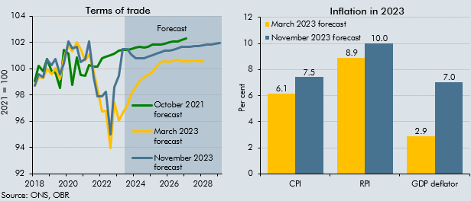

 | Terms of trade |  |  |  | Inflation in 2023
 |  | October 2021 forecast | March 2023 forecast | November 2023 forecast |  | March 2023 forecast | November 2023 forecast
 | 2018Q1 | 99.0 | 98.7 | 98.7 | CPI | 6.1 | 7.5
 | 2018Q2 | 100.2 | 99.4 | 99.6 | RPI | 8.9 | 10.0
 | 2018Q3 | 99.8 | 99.3 | 99.3 | GDP deflator | 2.9 | 7.0
 | 2018Q4 | 100.7 | 100.0 | 100.7
 | 2019Q1 | 99.8 | 99.6 | 100.3
 | 2019Q2 | 99.7 | 100.1 | 100.7
 | 2019Q3 | 98.5 | 99.2 | 99.6
 | 2019Q4 | 101.4 | 100.8 | 100.4
 | 2020Q1 | 101.1 | 101.8 | 102.1
 | 2020Q2 | 98.7 | 101.3 | 101.6
 | 2020Q3 | 100.9 | 102.0 | 101.7
 | 2020Q4 | 99.5 | 101.5 | 100.5
 | 2021Q1 | 99.5 | 100.6 | 100.7
 | 2021Q2 | 100.2 | 101.1 | 102.0
 | 2021Q3 | 100.1 | 99.8 | 99.3
 | 2021Q4 | 100.2 | 98.5 | 97.9
 | 2022Q1 | 100.8 | 96.7 | 97.9
 | 2022Q2 | 100.9 | 96.8 | 98.2
 | 2022Q3 | 101.0 | 93.9 | 95.0
 | 2022Q4 | 101.2 | 97.4 | 98.6
 | 2023Q1 | 101.3 | 96.0 | 99.5
 | 2023Q2 | 101.4 | 96.6 | 101.5
 | 2023Q3 | 101.4 | 97.2 | 101.5
 | 2023Q4 | 101.5 | 98.1 | 101.1
 | 2024Q1 | 101.6 | 98.6 | 100.8
 | 2024Q2 | 101.6 | 99.1 | 100.8
 | 2024Q3 | 101.6 | 99.3 | 100.8
 | 2024Q4 | 101.7 | 99.5 | 100.9
 | 2025Q1 | 101.8 | 99.8 | 101.0
 | 2025Q2 | 101.9 | 100.2 | 101.1
 | 2025Q3 | 101.8 | 100.5 | 101.3
 | 2025Q4 | 101.9 | 100.6 | 101.4
 | 2026Q1 | 102.0 | 100.5 | 101.4
 | 2026Q2 | 102.1 | 100.6 | 101.4
 | 2026Q3 | 102.1 | 100.7 | 101.5
 | 2026Q4 | 102.2 | 100.6 | 101.6
 | 2027Q1 | 102.3 | 100.5 | 101.7
 | 2027Q2 |  | 100.6 | 101.7
 | 2027Q3 |  | 100.6 | 101.7
 | 2027Q4 |  | 100.6 | 101.7
 | 2028Q1 |  | 100.6 | 101.8
 | 2028Q2 |  |  | 101.8
 | 2028Q3 |  |  | 101.8
 | 2028Q4 |  |  | 101.9
 | 2029Q1 |  |  | 101.9

C2.7
Back to contents
 | Chart 2.7: Decomposition of changes to potential output

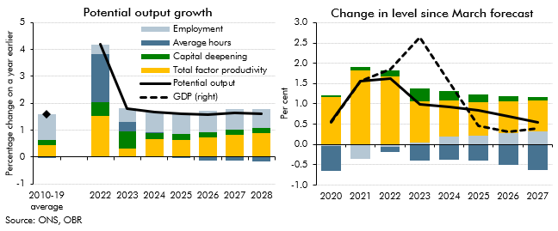

 | Potential output growth |  |  |  |  |  | Change in level since March forecast
 |  | Employment | Average hours | Capital deepening | Total factor productivity | Potential output |  | Employment | Average hours | Capital deepening | Total factor productivity | Potential output | GDP
 | 2010-19 average | 0.9 | 0.0 | 0.2 | 0.4 | 1.6 | 2020 | 0.0 | -0.6 | 0.0 | 1.2 | 0.6 | 0.6
 | 2022 | 0.4 | 1.8 | 0.5 | 1.5 | 4.2 | 2021 | -0.4 | 0.0 | 0.1 | 1.8 | 1.6 | 1.6
 | 2023 | 0.5 | 0.3 | 0.6 | 0.3 | 1.8 | 2022 | -0.1 | -0.1 | 0.1 | 1.7 | 1.6 | 1.9
 | 2024 | 0.7 | 0.0 | 0.2 | 0.7 | 1.7 | 2023 | 0.1 | -0.4 | 0.3 | 1.0 | 1.0 | 2.6
 | 2025 | 0.8 | 0.0 | 0.2 | 0.6 | 1.6 | 2024 | 0.2 | -0.4 | 0.2 | 0.9 | 0.9 | 1.5
 | 2026 | 0.8 | -0.1 | 0.2 | 0.7 | 1.6 | 2025 | 0.2 | -0.4 | 0.2 | 0.8 | 0.8 | 0.5
 | 2027 | 0.8 | -0.1 | 0.2 | 0.8 | 1.6 | 2026 | 0.3 | -0.5 | 0.1 | 0.8 | 0.7 | 0.3
 | 2028 | 0.7 | -0.2 | 0.2 | 0.9 | 1.6 | 2027 | 0.3 | -0.6 | 0.1 | 0.8 | 0.5 | 0.4

C2.D
Back to contents
 | Chart 2.D: Visas granted by category and migrants' stay rates 8 years after arrival

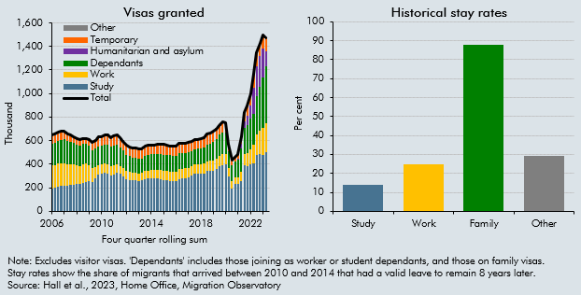

 | Visas granted |  |  |  |  |  |  |  | Historical stay rates
 |  | Work | Study | Dependants | Humanitarian and asylum | Other | Temporary | Total |  | Stay rate (per cent)
 | 2005Q4 | 193,578 | 191,410 | 185,076 |  | 9,284 | 61,921 | 641,269 | Study | 14
 | 2006Q1 | 192,833 | 194,772 | 188,340 |  | 9,254 | 61,671 | 646,870 | Work | 25
 | 2006Q2 | 190,529 | 200,074 | 189,421 |  | 8,981 | 63,428 | 652,433 | Family | 88
 | 2006Q3 | 192,028 | 210,666 | 196,720 |  | 9,006 | 63,063 | 671,483 | Other | 29
 | 2006Q4 | 191,854 | 213,434 | 202,244 |  | 9,071 | 61,008 | 677,611
 | 2007Q1 | 190,739 | 215,226 | 205,319 |  | 8,735 | 59,405 | 679,424
 | 2007Q2 | 180,932 | 216,028 | 200,463 |  | 7,694 | 55,180 | 660,297
 | 2007Q3 | 175,321 | 223,647 | 193,332 |  | 6,368 | 51,388 | 650,056
 | 2007Q4 | 169,258 | 226,919 | 185,753 |  | 5,246 | 48,077 | 635,253
 | 2008Q1 | 158,563 | 231,163 | 179,242 |  | 4,395 | 44,917 | 618,280
 | 2008Q2 | 152,986 | 228,941 | 176,367 |  | 4,168 | 43,265 | 605,727
 | 2008Q3 | 153,052 | 243,730 | 172,440 |  | 3,929 | 42,117 | 615,268
 | 2008Q4 | 153,938 | 250,012 | 168,248 |  | 3,838 | 41,283 | 617,319
 | 2009Q1 | 139,809 | 253,038 | 164,073 |  | 3,824 | 50,618 | 611,362
 | 2009Q2 | 119,983 | 244,117 | 156,791 |  | 4,039 | 59,176 | 584,106
 | 2009Q3 | 97,086 | 281,280 | 152,094 |  | 5,056 | 68,044 | 603,560
 | 2009Q4 | 81,561 | 310,908 | 158,461 |  | 5,621 | 74,250 | 630,801
 | 2010Q1 | 76,508 | 320,655 | 157,587 |  | 5,971 | 75,339 | 636,060
 | 2010Q2 | 76,070 | 329,445 | 160,817 |  | 5,754 | 75,935 | 648,021
 | 2010Q3 | 79,118 | 322,215 | 166,568 |  | 5,202 | 76,171 | 649,274
 | 2010Q4 | 77,927 | 302,977 | 165,788 |  | 4,847 | 75,542 | 627,081
 | 2011Q1 | 77,570 | 313,172 | 167,479 |  | 4,546 | 76,331 | 639,098
 | 2011Q2 | 74,313 | 326,301 | 164,469 |  | 4,464 | 75,763 | 645,310
 | 2011Q3 | 70,003 | 315,709 | 158,055 |  | 4,018 | 75,268 | 623,053
 | 2011Q4 | 68,633 | 298,877 | 146,193 |  | 4,089 | 74,777 | 592,569
 | 2012Q1 | 68,395 | 272,015 | 138,699 |  | 4,248 | 74,234 | 557,591
 | 2012Q2 | 67,429 | 266,451 | 134,801 |  | 4,198 | 74,404 | 547,283
 | 2012Q3 | 66,638 | 260,944 | 129,436 |  | 4,145 | 73,098 | 534,261
 | 2012Q4 | 65,974 | 261,398 | 128,688 |  | 3,954 | 74,211 | 534,225
 | 2013Q1 | 63,650 | 259,540 | 126,389 |  | 3,598 | 72,718 | 525,895
 | 2013Q2 | 64,010 | 259,892 | 125,442 |  | 3,704 | 74,700 | 527,748
 | 2013Q3 | 67,791 | 275,371 | 129,138 |  | 3,762 | 77,192 | 553,254
 | 2013Q4 | 69,530 | 277,209 | 130,995 |  | 3,720 | 76,226 | 557,680
 | 2014Q1 | 71,839 | 278,510 | 134,053 |  | 3,550 | 75,403 | 563,355
 | 2014Q2 | 72,536 | 276,369 | 134,453 |  | 3,392 | 76,418 | 563,168
 | 2014Q3 | 74,741 | 278,688 | 133,264 |  | 3,366 | 76,883 | 566,942
 | 2014Q4 | 77,672 | 273,904 | 136,166 |  | 3,464 | 78,806 | 570,012
 | 2015Q1 | 78,804 | 266,240 | 136,680 |  | 3,637 | 81,138 | 566,499
 | 2015Q2 | 79,263 | 262,737 | 136,918 |  | 3,613 | 78,277 | 560,808
 | 2015Q3 | 79,544 | 258,784 | 136,639 |  | 3,777 | 78,056 | 556,800
 | 2015Q4 | 79,527 | 257,583 | 134,601 |  | 3,852 | 79,010 | 554,573
 | 2016Q1 | 80,262 | 256,902 | 132,295 |  | 3,852 | 77,648 | 550,959
 | 2016Q2 | 82,047 | 273,506 | 134,805 |  | 4,079 | 78,882 | 573,319
 | 2016Q3 | 81,395 | 280,896 | 133,505 |  | 3,794 | 78,524 | 578,114
 | 2016Q4 | 80,987 | 281,885 | 132,423 |  | 3,609 | 77,341 | 576,245
 | 2017Q1 | 81,247 | 285,958 | 134,047 |  | 3,454 | 78,366 | 583,072
 | 2017Q2 | 80,898 | 304,393 | 127,889 |  | 3,108 | 78,646 | 594,934
 | 2017Q3 | 80,410 | 317,238 | 126,977 |  | 3,081 | 79,718 | 607,424
 | 2017Q4 | 80,999 | 317,890 | 131,502 |  | 3,014 | 78,878 | 612,283
 | 2018Q1 | 78,976 | 320,298 | 131,318 |  | 2,976 | 79,339 | 612,907
 | 2018Q2 | 80,995 | 323,063 | 138,526 |  | 3,037 | 80,534 | 626,155
 | 2018Q3 | 83,212 | 340,478 | 144,508 |  | 3,086 | 81,902 | 653,186
 | 2018Q4 | 85,675 | 342,072 | 148,115 |  | 3,087 | 83,407 | 662,356
 | 2019Q1 | 88,749 | 344,880 | 158,218 |  | 3,122 | 83,031 | 678,000
 | 2019Q2 | 91,030 | 355,488 | 166,244 |  | 3,108 | 83,310 | 699,180
 | 2019Q3 | 93,270 | 379,576 | 176,192 |  | 3,159 | 83,795 | 735,992
 | 2019Q4 | 96,138 | 388,363 | 186,260 |  | 3,200 | 84,217 | 758,178
 | 2020Q1 | 93,461 | 395,584 | 182,406 |  | 3,047 | 79,780 | 754,278
 | 2020Q2 | 68,093 | 297,869 | 142,385 |  | 2,280 | 59,260 | 569,887
 | 2020Q3 | 61,115 | 192,826 | 134,046 |  | 1,819 | 46,597 | 436,403
 | 2020Q4 | 54,431 | 230,982 | 135,398 |  | 1,614 | 38,623 | 461,048
 | 2021Q1 | 56,424 | 231,700 | 153,053 | 5,429 | 1,522 | 36,515 | 484,643
 | 2021Q2 | 78,683 | 256,382 | 201,691 | 34,740 | 2,012 | 57,718 | 631,226
 | 2021Q3 | 94,088 | 388,625 | 225,941 | 57,046 | 2,257 | 72,140 | 840,097
 | 2021Q4 | 111,661 | 380,624 | 241,005 | 75,579 | 2,506 | 86,593 | 897,968
 | 2022Q1 | 128,158 | 397,957 | 258,572 | 113,287 | 2,733 | 96,379 | 997,086
 | 2022Q2 | 150,933 | 410,394 | 269,031 | 219,225 | 3,204 | 108,924 | 1,161,711
 | 2022Q3 | 175,452 | 480,159 | 323,811 | 252,152 | 3,647 | 110,277 | 1,345,498
 | 2022Q4 | 196,643 | 489,127 | 371,418 | 263,400 | 3,838 | 103,109 | 1,427,535
 | 2023Q1 | 225,275 | 481,186 | 433,223 | 244,364 | 4,508 | 106,787 | 1,495,343
 | 2023Q2 | 245,935 | 503,145 | 479,343 | 127,455 | 5,017 | 111,167 | 1,472,062

C2.E
Back to contents
 | Chart 2.E: Net migration and the participation rate of recent migrants by reason

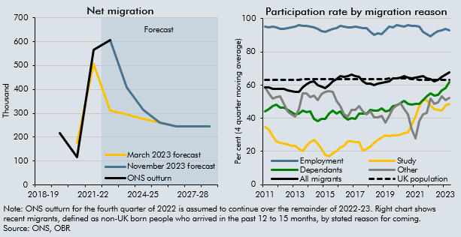

 | Net migration (thousand) |  |  |  | Participation rate by migration reason
 |  | ONS outturn* | March 2023 forecast | November 2023 forecast |  | Employment | Study | Dependants | Other | All migrants | UK population
 | 2019-20 | 218 |  |  | 2010Q4 | 93.6 | 34.2 | 42.3 | 59.0 | 57.5 | 63.2
 | 2020-21 | 115 | 175 |  | 2011Q1 | 95.3 | 34.8 | 44.0 | 58.7 | 58.5 | 63.3
 | 2021-22 | 565 | 505 |  | 2011Q2 | 94.8 | 33.5 | 45.6 | 55.0 | 58.7 | 63.3
 | 2022-23 | 606 | 310 | 606 | 2011Q3 | 95.2 | 29.2 | 47.3 | 51.9 | 57.7 | 63.2
 | 2023-24 |  | 295 | 410 | 2011Q4 | 94.8 | 26.2 | 48.4 | 52.7 | 57.8 | 63.1
 | 2024-25 |  | 275 | 315 | 2012Q1 | 93.7 | 25.1 | 46.4 | 53.2 | 57.5 | 63.1
 | 2025-26 |  | 260 | 260 | 2012Q2 | 93.8 | 24.7 | 46.4 | 48.5 | 57.7 | 63.1
 | 2026-27 |  | 245 | 245 | 2012Q3 | 94.2 | 24.5 | 45.2 | 44.2 | 57.0 | 63.2
 | 2027-28 |  | 245 | 245 | 2012Q4 | 94.6 | 23.3 | 43.6 | 42.5 | 56.4 | 63.3
 | 2028-29 |  | 245 | 245 | 2013Q1 | 95.1 | 23.3 | 42.4 | 41.1 | 56.0 | 63.3
 | 2029-30 |  | 245 | 245 | 2013Q2 | 95.9 | 21.6 | 42.6 | 45.3 | 55.9 | 63.3
 | *ONS outturn for the fourth quarter of 2022 is assumed to continue over the remainder of 2022-23 |  |  |  | 2013Q3 | 95.6 | 20.2 | 44.5 | 54.9 | 58.4 | 63.4
 |  |  |  |  | 2013Q4 | 95.8 | 23.3 | 43.9 | 55.2 | 60.2 | 63.4
 |  |  |  |  | 2014Q1 | 95.2 | 25.5 | 44.3 | 52.9 | 61.8 | 63.5
 |  |  |  |  | 2014Q2 | 94.8 | 27.1 | 39.8 | 53.7 | 62.2 | 63.5
 |  |  |  |  | 2014Q3 | 93.7 | 24.8 | 38.2 | 50.8 | 60.1 | 63.5
 |  |  |  |  | 2014Q4 | 92.6 | 21.4 | 39.5 | 54.7 | 58.9 | 63.4
 |  |  |  |  | 2015Q1 | 92.1 | 17.9 | 39.5 | 55.7 | 58.1 | 63.4
 |  |  |  |  | 2015Q2 | 92.7 | 16.9 | 42.6 | 56.3 | 59.9 | 63.4
 |  |  |  |  | 2015Q3 | 93.8 | 18.6 | 44.5 | 56.0 | 62.4 | 63.4
 |  |  |  |  | 2015Q4 | 94.5 | 20.3 | 43.0 | 50.5 | 63.5 | 63.5
 |  |  |  |  | 2016Q1 | 95.5 | 22.7 | 44.1 | 47.3 | 65.5 | 63.5
 |  |  |  |  | 2016Q2 | 95.1 | 23.2 | 41.2 | 42.5 | 64.9 | 63.6
 |  |  |  |  | 2016Q3 | 94.8 | 26.3 | 39.4 | 40.8 | 65.2 | 63.6
 |  |  |  |  | 2016Q4 | 94.9 | 26.2 | 40.1 | 45.0 | 66.2 | 63.6
 |  |  |  |  | 2017Q1 | 95.1 | 25.7 | 39.8 | 44.9 | 65.4 | 63.7
 |  |  |  |  | 2017Q2 | 95.0 | 25.5 | 42.6 | 47.2 | 65.1 | 63.6
 |  |  |  |  | 2017Q3 | 94.2 | 20.7 | 42.9 | 44.2 | 62.2 | 63.6
 |  |  |  |  | 2017Q4 | 94.2 | 21.4 | 42.7 | 42.4 | 60.7 | 63.6
 |  |  |  |  | 2018Q1 | 92.1 | 23.0 | 44.8 | 44.3 | 60.8 | 63.6
 |  |  |  |  | 2018Q2 | 90.1 | 25.0 | 44.6 | 40.6 | 59.9 | 63.6
 |  |  |  |  | 2018Q3 | 91.2 | 27.1 | 44.5 | 40.7 | 60.7 | 63.7
 |  |  |  |  | 2018Q4 | 90.6 | 28.5 | 45.8 | 41.5 | 61.5 | 63.8
 |  |  |  |  | 2019Q1 | 92.9 | 29.6 | 44.3 | 37.5 | 61.8 | 63.8
 |  |  |  |  | 2019Q2 | 95.1 | 29.1 | 44.4 | 41.4 | 62.4 | 63.9
 |  |  |  |  | 2019Q3 | 94.9 | 29.8 | 47.5 | 45.9 | 64.0 | 63.9
 |  |  |  |  | 2019Q4 | 96.0 | 29.8 | 47.9 | 47.7 | 64.2 | 64.0
 |  |  |  |  | 2020Q1 | 95.7 | 30.2 | 49.0 | 49.2 | 64.5 | 64.1
 |  |  |  |  | 2020Q2 | 95.3 | 30.9 | 50.3 | 45.3 | 65.2 | 63.9
 |  |  |  |  | 2020Q3 | 96.2 | 31.5 | 48.8 | 42.6 | 64.5 | 63.8
 |  |  |  |  | 2020Q4 | 95.5 | 35.9 | 48.2 | 33.3 | 63.8 | 63.7
 |  |  |  |  | 2021Q1 | 95.5 | 40.8 | 48.9 | 27.7 | 64.3 | 63.4
 |  |  |  |  | 2021Q2 | 95.2 | 47.2 | 48.7 | 38.4 | 64.8 | 63.3
 |  |  |  |  | 2021Q3 | 92.2 | 50.7 | 51.1 | 42.5 | 65.4 | 63.3
 |  |  |  |  | 2021Q4 | 90.8 | 51.1 | 53.4 | 43.5 | 64.1 | 63.2
 |  |  |  |  | 2022Q1 | 89.2 | 47.9 | 55.1 | 51.7 | 63.4 | 63.2
 |  |  |  |  | 2022Q2 | 91.3 | 45.6 | 53.5 | 48.6 | 62.2 | 63.2
 |  |  |  |  | 2022Q3 | 92.7 | 45.3 | 54.2 | 49.7 | 63.3 | 63.1
 |  |  |  |  | 2022Q4 | 92.9 | 44.8 | 56.9 | 53.3 | 65.0 | 63.1
 |  |  |  |  | 2023Q1 | 93.8 | 47.7 | 58.1 | 50.9 | 66.1 | 63.2
 |  |  |  |  | 2023Q2 | 92.9 | 48.5 | 61.7 | 52.4 | 67.5 | 63.3

C2.F
Back to contents
 | Chart 2.F: Business investment by asset type

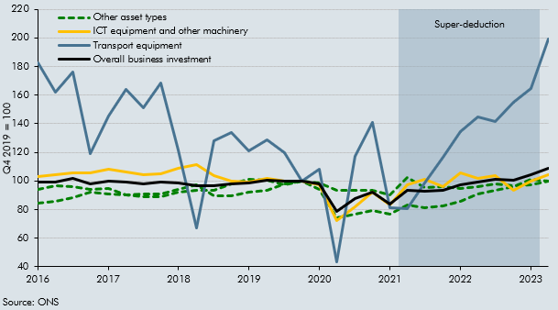

 |  |  |  |  | Other asset types
 |  | Overall business investment | Transport equipment | ICT equipment and other machinery | Other buildings and structures | Intellectual property products
 | 2016Q1 | 99.4 | 182.8 | 102.8 | 94.4 | 84.8
 | 2016Q2 | 99.1 | 162.3 | 104.2 | 96.7 | 85.7
 | 2016Q3 | 101.5 | 175.9 | 105.8 | 96.2 | 88.6
 | 2016Q4 | 97.8 | 119.0 | 105.4 | 94.3 | 92.4
 | 2017Q1 | 100.1 | 145.7 | 108.3 | 94.7 | 90.8
 | 2017Q2 | 99.5 | 164.0 | 106.6 | 90.1 | 90.3
 | 2017Q3 | 97.8 | 151.0 | 104.3 | 89.0 | 90.7
 | 2017Q4 | 99.5 | 168.4 | 104.8 | 89.1 | 91.2
 | 2018Q1 | 98.9 | 121.9 | 109.1 | 92.0 | 94.1
 | 2018Q2 | 96.9 | 67.1 | 111.6 | 93.6 | 97.1
 | 2018Q3 | 97.0 | 128.4 | 103.5 | 93.5 | 89.9
 | 2018Q4 | 97.7 | 134.1 | 99.6 | 97.7 | 89.5
 | 2019Q1 | 98.8 | 120.9 | 99.5 | 101.2 | 92.0
 | 2019Q2 | 100.3 | 128.8 | 101.8 | 100.5 | 93.6
 | 2019Q3 | 99.9 | 119.5 | 100.0 | 97.4 | 97.9
 | 2019Q4 | 100.0 | 100.0 | 100.0 | 100.0 | 100.0
 | 2020Q1 | 97.7 | 108.5 | 97.6 | 94.2 | 98.5
 | 2020Q2 | 79.0 | 43.2 | 72.2 | 74.2 | 93.7
 | 2020Q3 | 87.5 | 117.0 | 82.0 | 76.9 | 93.4
 | 2020Q4 | 92.3 | 141.0 | 91.9 | 79.2 | 93.7
 | 2021Q1 | 84.0 | 81.4 | 83.6 | 76.7 | 90.6
 | 2021Q2 | 93.7 | 80.6 | 97.5 | 83.1 | 102.8
 | 2021Q3 | 92.6 | 98.7 | 101.2 | 81.4 | 95.6
 | 2021Q4 | 93.3 | 116.5 | 96.1 | 82.4 | 95.9
 | 2022Q1 | 97.5 | 134.6 | 105.9 | 86.1 | 94.8
 | 2022Q2 | 99.4 | 144.6 | 102.1 | 91.1 | 95.8
 | 2022Q3 | 101.2 | 141.5 | 104.0 | 93.6 | 97.8
 | 2022Q4 | 100.3 | 155.2 | 93.7 | 95.9 | 96.7
 | 2023Q1 | 104.3 | 164.7 | 99.9 | 101.0 | 97.6
 | 2023Q2 | 108.6 | 199.0 | 104.4 | 99.9 | 100.1

C2.G
Back to contents
 | Chart 2.G: Business investment forecast

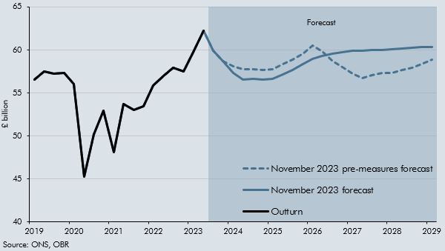

 |  | Outturn | November 2023 pre-measures forecast | November 2023 forecast
 | 2019Q1 | 56.6 | 56.6 | 56.6
 | 2019Q2 | 57.5 | 57.5 | 57.5
 | 2019Q3 | 57.2 | 57.2 | 57.2
 | 2019Q4 | 57.3 | 57.3 | 57.3
 | 2020Q1 | 56.0 | 56.0 | 56.0
 | 2020Q2 | 45.3 | 45.3 | 45.3
 | 2020Q3 | 50.1 | 50.1 | 50.1
 | 2020Q4 | 52.9 | 52.9 | 52.9
 | 2021Q1 | 48.1 | 48.1 | 48.1
 | 2021Q2 | 53.7 | 53.7 | 53.7
 | 2021Q3 | 53.0 | 53.0 | 53.0
 | 2021Q4 | 53.4 | 53.4 | 53.4
 | 2022Q1 | 55.9 | 55.9 | 55.9
 | 2022Q2 | 57.0 | 57.0 | 57.0
 | 2022Q3 | 58.0 | 58.0 | 58.0
 | 2022Q4 | 57.5 | 57.5 | 57.5
 | 2023Q1 | 59.8 | 59.8 | 59.8
 | 2023Q2 | 62.2 | 62.2 | 62.2
 | 2023Q3 |  | 59.9 | 59.9
 | 2023Q4 |  | 58.7 | 58.7
 | 2024Q1 |  | 58.1 | 57.3
 | 2024Q2 |  | 57.7 | 56.6
 | 2024Q3 |  | 57.8 | 56.6
 | 2024Q4 |  | 57.7 | 56.5
 | 2025Q1 |  | 57.8 | 56.6
 | 2025Q2 |  | 58.3 | 57.1
 | 2025Q3 |  | 58.8 | 57.7
 | 2025Q4 |  | 59.5 | 58.3
 | 2026Q1 |  | 60.5 | 59.0
 | 2026Q2 |  | 59.8 | 59.3
 | 2026Q3 |  | 58.7 | 59.6
 | 2026Q4 |  | 58.0 | 59.7
 | 2027Q1 |  | 57.2 | 59.9
 | 2027Q2 |  | 56.7 | 59.9
 | 2027Q3 |  | 57.1 | 60.0
 | 2027Q4 |  | 57.3 | 60.0
 | 2028Q1 |  | 57.4 | 60.1
 | 2028Q2 |  | 57.7 | 60.2
 | 2028Q3 |  | 58.0 | 60.3
 | 2028Q4 |  | 58.4 | 60.3
 | 2029Q1 |  | 58.8 | 60.4

C2.8
Back to contents
 | Chart 2.8: Real GDP forecast

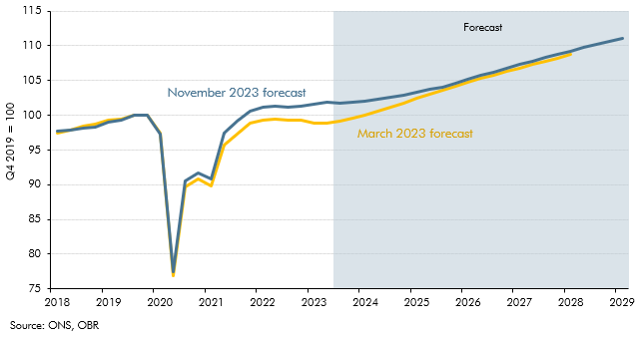

 |  | March 2023 forecast | November 2023 forecast
 | 2018Q1 | 97.4 | 97.7
 | 2018Q2 | 97.9 | 97.8
 | 2018Q3 | 98.4 | 98.1
 | 2018Q4 | 98.7 | 98.3
 | 2019Q1 | 99.3 | 99.0
 | 2019Q2 | 99.4 | 99.3
 | 2019Q3 | 100.0 | 100.0
 | 2019Q4 | 100.0 | 100.0
 | 2020Q1 | 97.4 | 97.3
 | 2020Q2 | 76.9 | 77.5
 | 2020Q3 | 89.7 | 90.5
 | 2020Q4 | 90.8 | 91.7
 | 2021Q1 | 89.8 | 90.8
 | 2021Q2 | 95.7 | 97.5
 | 2021Q3 | 97.4 | 99.1
 | 2021Q4 | 98.8 | 100.6
 | 2022Q1 | 99.3 | 101.2
 | 2022Q2 | 99.4 | 101.3
 | 2022Q3 | 99.2 | 101.2
 | 2022Q4 | 99.2 | 101.3
 | 2023Q1 | 98.8 | 101.6
 | 2023Q2 | 98.9 | 101.8
 | 2023Q3 | 99.1 | 101.8
 | 2023Q4 | 99.5 | 101.9
 | 2024Q1 | 100.0 | 102.1
 | 2024Q2 | 100.5 | 102.3
 | 2024Q3 | 101.1 | 102.6
 | 2024Q4 | 101.8 | 103.0
 | 2025Q1 | 102.5 | 103.3
 | 2025Q2 | 103.1 | 103.7
 | 2025Q3 | 103.6 | 104.1
 | 2025Q4 | 104.2 | 104.6
 | 2026Q1 | 104.7 | 105.1
 | 2026Q2 | 105.3 | 105.7
 | 2026Q3 | 105.8 | 106.2
 | 2026Q4 | 106.3 | 106.8
 | 2027Q1 | 106.8 | 107.3
 | 2027Q2 | 107.3 | 107.8
 | 2027Q3 | 107.8 | 108.3
 | 2027Q4 | 108.2 | 108.8
 | 2028Q1 | 108.7 | 109.2
 | 2028Q2 |  | 109.7
 | 2028Q3 |  | 110.2
 | 2028Q4 |  | 110.6
 | 2029Q1 |  | 111.0

C2.9
Back to contents
 | Chart 2.9: Output gap forecast

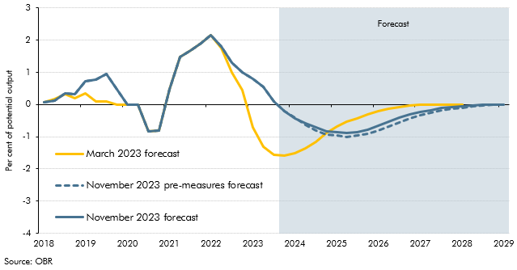

 |  | March 2023 forecast | November 2023 pre-measures forecast | November 2023 forecast
 | 2018Q1 | 0.1 | 0.1 | 0.1
 | 2018Q2 | 0.2 | 0.1 | 0.1
 | 2018Q3 | 0.3 | 0.3 | 0.3
 | 2018Q4 | 0.2 | 0.3 | 0.3
 | 2019Q1 | 0.3 | 0.7 | 0.7
 | 2019Q2 | 0.1 | 0.8 | 0.8
 | 2019Q3 | 0.1 | 1.0 | 1.0
 | 2019Q4 | 0.0 | 0.5 | 0.5
 | 2020Q1 | 0.0 | 0.0 | 0.0
 | 2020Q2 | 0.0 | 0.0 | 0.0
 | 2020Q3 | -0.8 | -0.8 | -0.8
 | 2020Q4 | -0.8 | -0.8 | -0.8
 | 2021Q1 | 0.5 | 0.5 | 0.5
 | 2021Q2 | 1.5 | 1.5 | 1.5
 | 2021Q3 | 1.7 | 1.7 | 1.7
 | 2021Q4 | 1.9 | 1.9 | 1.9
 | 2022Q1 | 2.1 | 2.1 | 2.1
 | 2022Q2 | 1.7 | 1.8 | 1.8
 | 2022Q3 | 1.0 | 1.3 | 1.3
 | 2022Q4 | 0.4 | 1.0 | 1.0
 | 2023Q1 | -0.7 | 0.8 | 0.8
 | 2023Q2 | -1.3 | 0.5 | 0.5
 | 2023Q3 | -1.6 | 0.1 | 0.1
 | 2023Q4 | -1.6 | -0.2 | -0.2
 | 2024Q1 | -1.5 | -0.4 | -0.4
 | 2024Q2 | -1.4 | -0.6 | -0.6
 | 2024Q3 | -1.2 | -0.8 | -0.7
 | 2024Q4 | -0.9 | -0.9 | -0.8
 | 2025Q1 | -0.7 | -1.0 | -0.9
 | 2025Q2 | -0.5 | -1.0 | -0.9
 | 2025Q3 | -0.4 | -1.0 | -0.9
 | 2025Q4 | -0.3 | -0.9 | -0.8
 | 2026Q1 | -0.2 | -0.8 | -0.7
 | 2026Q2 | -0.1 | -0.7 | -0.5
 | 2026Q3 | -0.1 | -0.5 | -0.4
 | 2026Q4 | 0.0 | -0.4 | -0.3
 | 2027Q1 | 0.0 | -0.3 | -0.2
 | 2027Q2 | 0.0 | -0.3 | -0.2
 | 2027Q3 | 0.0 | -0.2 | -0.1
 | 2027Q4 | 0.0 | -0.1 | -0.1
 | 2028Q1 | 0.0 | -0.1 | -0.1
 | 2028Q2 |  | -0.1 | 0.0
 | 2028Q3 |  | 0.0 | 0.0
 | 2028Q4 |  | 0.0 | 0.0
 | 2029Q1 |  | 0.0 | 0.0

C2.10
Back to contents
 | Chart 2.10: Real GDP growth fan chart and past GDP forecast errors

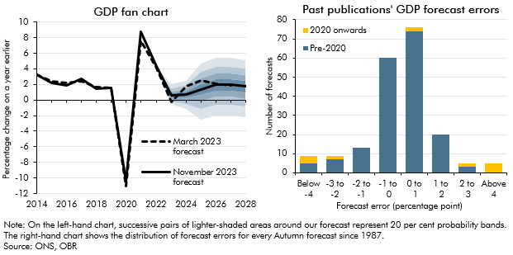

 | GDP fan chart |  |  |  |  |  |  |  |  |  |  |  | Past publications' GDP forecast errors
 |  |  |  | Percentile |  |  |  |  |  |  |  |  | Error groupings | Pre-2020 | 2020 onwards
 |  | March 2023 forecast | November 2023 forecast | 10 | 20 | 30 | 40 | 50 | 60 | 70 | 80 | 90
 | 2014 | 3.2 | 3.2 |  |  |  |  |  |  |  |  |  | Below -4 | 5 | 4
 | 2015 | 2.4 | 2.2 |  |  |  |  |  |  |  |  |  | -3 to -2 | 7 | 2
 | 2016 | 2.2 | 1.9 |  |  |  |  |  |  |  |  |  | -2 to -1 | 13 | 0
 | 2017 | 2.4 | 2.7 |  |  |  |  |  |  |  |  |  | -1 to 0 | 60 | 0
 | 2018 | 1.7 | 1.4 |  |  |  |  |  |  |  |  |  | 0 to 1 | 74 | 2
 | 2019 | 1.6 | 1.6 |  |  |  |  |  |  |  |  |  | 1 to 2 | 20 | 0
 | 2020 | -11.0 | -10.4 |  |  |  |  |  |  |  |  |  | 2 to 3 | 3 | 2
 | 2021 | 7.6 | 8.7 |  |  |  |  |  |  |  |  |  | Above 4 | 0 | 5
 | 2022 | 4.0 | 4.3
 | 2023 | -0.2 | 0.6 | -0.5 | -0.2 | 0.1 | 0.3 | 0.6 | 0.8 | 1.1 | 1.5 | 2.0
 | 2024 | 1.8 | 0.7 | -1.1 | -0.5 | 0.0 | 0.3 | 0.7 | 1.1 | 1.4 | 1.9 | 2.5
 | 2025 | 2.5 | 1.4 | -2.5 | -1.1 | -0.2 | 0.7 | 1.4 | 2.1 | 2.8 | 3.6 | 4.6
 | 2026 | 2.1 | 2.0 | -2.0 | -0.6 | 0.4 | 1.2 | 2.0 | 2.7 | 3.4 | 4.3 | 5.4
 | 2027 | 1.9 | 2.0 | -2.0 | -0.6 | 0.4 | 1.2 | 2.0 | 2.7 | 3.4 | 4.3 | 5.4
 | 2028 |  | 1.7 | -2.2 | -0.8 | 0.2 | 1.0 | 1.7 | 2.5 | 3.2 | 4.0 | 5.1

C2.11
Back to contents
 | Chart 2.11: Participation forecast and inactivity by reason

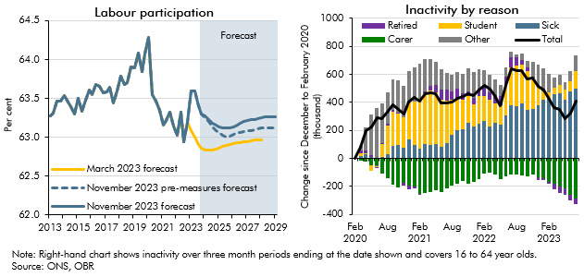

 | Labour participation |  |  |  | Inactivity by reason
 |  | March 2023 forecast | November 2023 pre-measures forecast | November 2023 forecast |  | Total | Other | Carer | Sick | Student | Retired
 | 2013Q1 | 63.3 | 63.3 | 63.3 | Feb 2020 | 0 | 0 | 0 | 0 | 0 | 0
 | 2013Q2 | 63.3 | 63.3 | 63.3 | Mar 2020 | 76 | 33 | -14 | 19 | 14 | 23
 | 2013Q3 | 63.5 | 63.5 | 63.5 | Apr 2020 | 196 | 162 | -23 | 30 | 3 | 23
 | 2013Q4 | 63.5 | 63.5 | 63.5 | May 2020 | 224 | 289 | -49 | 7 | -40 | 18
 | 2014Q1 | 63.5 | 63.5 | 63.5 | Jun 2020 | 290 | 362 | -49 | -9 | -4 | -10
 | 2014Q2 | 63.5 | 63.5 | 63.5 | Jul 2020 | 283 | 280 | -107 | 8 | 93 | 10
 | 2014Q3 | 63.4 | 63.4 | 63.4 | Aug 2020 | 328 | 224 | -145 | 26 | 208 | 15
 | 2014Q4 | 63.3 | 63.3 | 63.3 | Sep 2020 | 382 | 222 | -186 | 86 | 246 | 13
 | 2015Q1 | 63.5 | 63.5 | 63.5 | Oct 2020 | 348 | 232 | -210 | 93 | 227 | 6
 | 2015Q2 | 63.3 | 63.3 | 63.3 | Nov 2020 | 319 | 220 | -175 | 77 | 218 | -21
 | 2015Q3 | 63.5 | 63.5 | 63.5 | Dec 2020 | 403 | 224 | -193 | 135 | 266 | -30
 | 2015Q4 | 63.6 | 63.6 | 63.6 | Jan 2021 | 438 | 248 | -204 | 92 | 312 | -10
 | 2016Q1 | 63.5 | 63.5 | 63.5 | Feb 2021 | 412 | 263 | -254 | 71 | 340 | -7
 | 2016Q2 | 63.7 | 63.7 | 63.7 | Mar 2021 | 460 | 226 | -248 | 99 | 364 | 18
 | 2016Q3 | 63.7 | 63.7 | 63.7 | Apr 2021 | 471 | 192 | -242 | 93 | 391 | 36
 | 2016Q4 | 63.6 | 63.6 | 63.6 | May 2021 | 461 | 160 | -227 | 105 | 365 | 57
 | 2017Q1 | 63.6 | 63.6 | 63.6 | Jun 2021 | 394 | 146 | -241 | 80 | 341 | 68
 | 2017Q2 | 63.6 | 63.6 | 63.6 | Jul 2021 | 395 | 117 | -214 | 108 | 304 | 81
 | 2017Q3 | 63.4 | 63.4 | 63.4 | Aug 2021 | 403 | 115 | -193 | 165 | 255 | 61
 | 2017Q4 | 63.6 | 63.6 | 63.6 | Sep 2021 | 431 | 114 | -183 | 200 | 232 | 69
 | 2018Q1 | 63.8 | 63.8 | 63.8 | Oct 2021 | 443 | 140 | -162 | 208 | 210 | 46
 | 2018Q2 | 63.7 | 63.7 | 63.7 | Nov 2021 | 463 | 165 | -182 | 251 | 194 | 35
 | 2018Q3 | 63.7 | 63.7 | 63.7 | Dec 2021 | 448 | 183 | -169 | 224 | 161 | 50
 | 2018Q4 | 63.9 | 63.9 | 63.9 | Jan 2022 | 486 | 138 | -152 | 247 | 195 | 59
 | 2019Q1 | 63.9 | 63.9 | 63.9 | Feb 2022 | 522 | 108 | -107 | 270 | 173 | 77
 | 2019Q2 | 64.1 | 64.1 | 64.1 | Mar 2022 | 495 | 123 | -100 | 230 | 188 | 54
 | 2019Q3 | 63.8 | 63.8 | 63.8 | Apr 2022 | 447 | 114 | -116 | 251 | 141 | 58
 | 2019Q4 | 64.1 | 64.1 | 64.1 | May 2022 | 378 | 84 | -148 | 239 | 140 | 63
 | 2020Q1 | 64.3 | 64.3 | 64.3 | Jun 2022 | 521 | 63 | -127 | 304 | 207 | 74
 | 2020Q2 | 63.5 | 63.5 | 63.5 | July 2022 | 641 | 38 | -118 | 377 | 271 | 74
 | 2020Q3 | 63.5 | 63.5 | 63.5 | Aug 2022 | 629 | 22 | -114 | 373 | 289 | 59
 | 2020Q4 | 63.3 | 63.3 | 63.3 | Sep 2022 | 629 | 45 | -120 | 391 | 278 | 35
 | 2021Q1 | 63.2 | 63.2 | 63.2 | Oct 2022 | 565 | 49 | -132 | 348 | 274 | 25
 | 2021Q2 | 63.2 | 63.2 | 63.2 | Nov 2022 | 575 | 104 | -115 | 351 | 227 | 8
 | 2021Q3 | 63.3 | 63.3 | 63.3 | Dec 2022 | 516 | 150 | -138 | 376 | 144 | -15
 | 2021Q4 | 63.1 | 63.1 | 63.1 | Jan 2023 | 488 | 161 | -142 | 421 | 60 | -12
 | 2022Q1 | 63.0 | 63.0 | 63.0 | Feb 2023 | 422 | 133 | -168 | 423 | 46 | -12
 | 2022Q2 | 63.3 | 63.3 | 63.3 | Mar 2023 | 360 | 75 | -180 | 455 | 49 | -39
 | 2022Q3 | 62.9 | 62.9 | 62.9 | Apr 2023 | 348 | 72 | -200 | 466 | 56 | -47
 | 2022Q4 | 63.2 | 63.2 | 63.2 | May 2023 | 281 | 54 | -217 | 421 | 69 | -45
 | 2023Q1 | 63.1 | 63.6 | 63.6 | Jun 2023 | 323 | 76 | -258 | 479 | 70 | -45
 | 2023Q2 | 63.0 | 63.6 | 63.6 | Jul 2023 | 410 | 114 | -285 | 495 | 126 | -40
 | 2023Q3 | 62.9 | 63.4 | 63.4
 | 2023Q4 | 62.9 | 63.3 | 63.3
 | 2024Q1 | 62.8 | 63.2 | 63.3
 | 2024Q2 | 62.8 | 63.2 | 63.2
 | 2024Q3 | 62.8 | 63.1 | 63.2
 | 2024Q4 | 62.8 | 63.1 | 63.2
 | 2025Q1 | 62.9 | 63.1 | 63.1
 | 2025Q2 | 62.9 | 63.0 | 63.1
 | 2025Q3 | 62.9 | 63.0 | 63.1
 | 2025Q4 | 62.9 | 63.0 | 63.1
 | 2026Q1 | 62.9 | 63.0 | 63.1
 | 2026Q2 | 62.9 | 63.1 | 63.2
 | 2026Q3 | 62.9 | 63.1 | 63.2
 | 2026Q4 | 62.9 | 63.1 | 63.2
 | 2027Q1 | 62.9 | 63.1 | 63.2
 | 2027Q2 | 63.0 | 63.1 | 63.2
 | 2027Q3 | 63.0 | 63.1 | 63.2
 | 2027Q4 | 63.0 | 63.1 | 63.2
 | 2028Q1 | 63.0 | 63.1 | 63.2
 | 2028Q2 |  | 63.1 | 63.3
 | 2028Q3 |  | 63.1 | 63.3
 | 2028Q4 |  | 63.1 | 63.3
 | 2029Q1 |  | 63.1 | 63.3

C2.12
Back to contents
 | Chart 2.12: Unemployment and employment rates

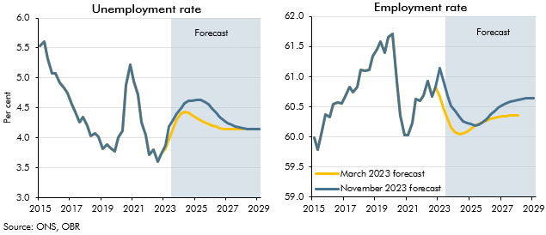

 | Unemployment rate |  |  | Employment rate
 |  | March 2023 forecast | November 2023 forecast |  | March 2023 forecast | November 2023 forecast
 | 2015Q1 | 5.5 | 5.5 | 2015Q1 | 60.0 | 60.0
 | 2015Q2 | 5.6 | 5.6 | 2015Q2 | 59.8 | 59.8
 | 2015Q3 | 5.3 | 5.3 | 2015Q3 | 60.1 | 60.1
 | 2015Q4 | 5.1 | 5.1 | 2015Q4 | 60.4 | 60.4
 | 2016Q1 | 5.1 | 5.1 | 2016Q1 | 60.3 | 60.3
 | 2016Q2 | 4.9 | 4.9 | 2016Q2 | 60.5 | 60.5
 | 2016Q3 | 4.8 | 4.8 | 2016Q3 | 60.6 | 60.6
 | 2016Q4 | 4.7 | 4.7 | 2016Q4 | 60.6 | 60.6
 | 2017Q1 | 4.6 | 4.6 | 2017Q1 | 60.7 | 60.7
 | 2017Q2 | 4.4 | 4.4 | 2017Q2 | 60.8 | 60.8
 | 2017Q3 | 4.3 | 4.3 | 2017Q3 | 60.7 | 60.7
 | 2017Q4 | 4.4 | 4.4 | 2017Q4 | 60.8 | 60.8
 | 2018Q1 | 4.2 | 4.2 | 2018Q1 | 61.1 | 61.1
 | 2018Q2 | 4.0 | 4.0 | 2018Q2 | 61.1 | 61.1
 | 2018Q3 | 4.1 | 4.1 | 2018Q3 | 61.1 | 61.1
 | 2018Q4 | 4.0 | 4.0 | 2018Q4 | 61.3 | 61.3
 | 2019Q1 | 3.8 | 3.8 | 2019Q1 | 61.5 | 61.5
 | 2019Q2 | 3.9 | 3.9 | 2019Q2 | 61.6 | 61.6
 | 2019Q3 | 3.8 | 3.8 | 2019Q3 | 61.4 | 61.4
 | 2019Q4 | 3.8 | 3.8 | 2019Q4 | 61.7 | 61.7
 | 2020Q1 | 4.0 | 4.0 | 2020Q1 | 61.7 | 61.7
 | 2020Q2 | 4.1 | 4.1 | 2020Q2 | 60.9 | 60.9
 | 2020Q3 | 4.9 | 4.9 | 2020Q3 | 60.4 | 60.4
 | 2020Q4 | 5.2 | 5.2 | 2020Q4 | 60.0 | 60.0
 | 2021Q1 | 4.9 | 4.9 | 2021Q1 | 60.0 | 60.0
 | 2021Q2 | 4.7 | 4.7 | 2021Q2 | 60.2 | 60.2
 | 2021Q3 | 4.3 | 4.3 | 2021Q3 | 60.6 | 60.6
 | 2021Q4 | 4.0 | 4.0 | 2021Q4 | 60.6 | 60.6
 | 2022Q1 | 3.7 | 3.7 | 2022Q1 | 60.7 | 60.7
 | 2022Q2 | 3.8 | 3.8 | 2022Q2 | 60.9 | 60.9
 | 2022Q3 | 3.6 | 3.6 | 2022Q3 | 60.7 | 60.7
 | 2022Q4 | 3.7 | 3.7 | 2022Q4 | 60.8 | 60.8
 | 2023Q1 | 3.8 | 3.9 | 2023Q1 | 60.7 | 61.1
 | 2023Q2 | 4.0 | 4.2 | 2023Q2 | 60.5 | 60.9
 | 2023Q3 | 4.2 | 4.3 | 2023Q3 | 60.3 | 60.7
 | 2023Q4 | 4.3 | 4.4 | 2023Q4 | 60.2 | 60.5
 | 2024Q1 | 4.4 | 4.5 | 2024Q1 | 60.1 | 60.4
 | 2024Q2 | 4.4 | 4.6 | 2024Q2 | 60.0 | 60.3
 | 2024Q3 | 4.4 | 4.6 | 2024Q3 | 60.1 | 60.3
 | 2024Q4 | 4.4 | 4.6 | 2024Q4 | 60.1 | 60.2
 | 2025Q1 | 4.3 | 4.6 | 2025Q1 | 60.1 | 60.2
 | 2025Q2 | 4.3 | 4.6 | 2025Q2 | 60.2 | 60.2
 | 2025Q3 | 4.3 | 4.6 | 2025Q3 | 60.2 | 60.2
 | 2025Q4 | 4.2 | 4.6 | 2025Q4 | 60.2 | 60.2
 | 2026Q1 | 4.2 | 4.5 | 2026Q1 | 60.3 | 60.3
 | 2026Q2 | 4.2 | 4.4 | 2026Q2 | 60.3 | 60.4
 | 2026Q3 | 4.2 | 4.4 | 2026Q3 | 60.3 | 60.4
 | 2026Q4 | 4.1 | 4.3 | 2026Q4 | 60.3 | 60.5
 | 2027Q1 | 4.1 | 4.3 | 2027Q1 | 60.3 | 60.5
 | 2027Q2 | 4.1 | 4.2 | 2027Q2 | 60.3 | 60.6
 | 2027Q3 | 4.1 | 4.2 | 2027Q3 | 60.4 | 60.6
 | 2027Q4 | 4.1 | 4.2 | 2027Q4 | 60.4 | 60.6
 | 2028Q1 | 4.1 | 4.2 | 2028Q1 | 60.4 | 60.6
 | 2028Q2 |  | 4.1 | 2028Q2 |  | 60.6
 | 2028Q3 |  | 4.1 | 2028Q3 |  | 60.6
 | 2028Q4 |  | 4.1 | 2028Q4 |  | 60.6
 | 2029Q1 |  | 4.1 | 2029Q1 |  | 60.6

C2.13
Back to contents
 | Chart 2.13: Average earnings

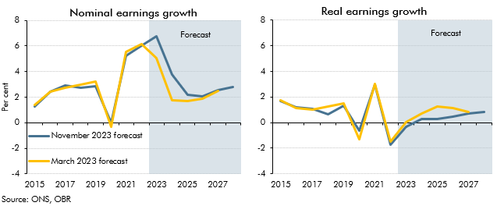

 | Nominal earnings growth |  |  | Real earnings growth
 |  | March 2023 forecast | November 2023 forecast |  | March 2023 forecast | November 2023 forecast
 | 2015 | 1.4 | 1.3 | 2015 | 1.7 | 1.7
 | 2016 | 2.4 | 2.5 | 2016 | 1.2 | 1.2
 | 2017 | 2.7 | 2.9 | 2017 | 1.0 | 1.1
 | 2018 | 3.0 | 2.8 | 2018 | 1.3 | 0.7
 | 2019 | 3.2 | 2.8 | 2019 | 1.5 | 1.3
 | 2020 | -0.3 | 0.0 | 2020 | -1.3 | -0.6
 | 2021 | 5.5 | 5.2 | 2021 | 3.0 | 2.9
 | 2022 | 6.2 | 6.0 | 2022 | -1.5 | -1.7
 | 2023 | 5.0 | 6.8 | 2023 | 0.1 | -0.3
 | 2024 | 1.8 | 3.7 | 2024 | 0.7 | 0.3
 | 2025 | 1.7 | 2.2 | 2025 | 1.3 | 0.3
 | 2026 | 1.9 | 2.0 | 2026 | 1.1 | 0.5
 | 2027 | 2.5 | 2.5 | 2027 | 0.8 | 0.7
 | 2028 |  | 2.8 | 2028 |  | 0.8

C2.14
Back to contents
 | Chart 2.14: Mortgage rates and house prices

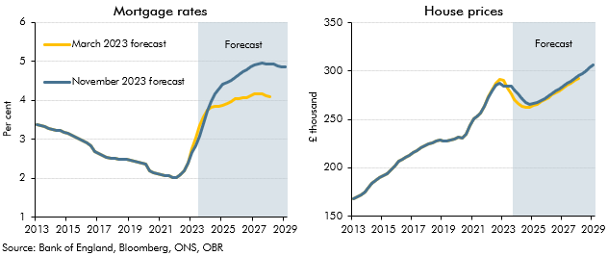

 | Mortgage rates (per cent) |  |  | House prices (£ thousand)
 |  | March 2023 forecast | November 2023 forecast |  | March 2023 forecast | November 2023 forecast
 | 201301 | 3.4 | 3.4 | 201301 | 169 | 169
 | 201302 | 3.3 | 3.3 | 201302 | 170 | 170
 | 201303 | 3.3 | 3.3 | 201303 | 172 | 172
 | 201304 | 3.3 | 3.3 | 201304 | 175 | 175
 | 201401 | 3.3 | 3.3 | 201401 | 179 | 179
 | 201402 | 3.2 | 3.2 | 201402 | 184 | 184
 | 201403 | 3.2 | 3.2 | 201403 | 187 | 187
 | 201404 | 3.2 | 3.2 | 201404 | 190 | 190
 | 201501 | 3.2 | 3.2 | 201501 | 191 | 191
 | 201502 | 3.1 | 3.1 | 201502 | 193 | 193
 | 201503 | 3.1 | 3.1 | 201503 | 198 | 198
 | 201504 | 3.0 | 3.0 | 201504 | 202 | 202
 | 201601 | 3.0 | 3.0 | 201601 | 207 | 207
 | 201602 | 2.9 | 2.9 | 201602 | 209 | 209
 | 201603 | 2.8 | 2.8 | 201603 | 211 | 211
 | 201604 | 2.7 | 2.7 | 201604 | 213 | 213
 | 201701 | 2.6 | 2.6 | 201701 | 216 | 216
 | 201702 | 2.6 | 2.6 | 201702 | 218 | 218
 | 201703 | 2.5 | 2.5 | 201703 | 221 | 221
 | 201704 | 2.5 | 2.5 | 201704 | 223 | 223
 | 201801 | 2.5 | 2.5 | 201801 | 225 | 225
 | 201802 | 2.5 | 2.5 | 201802 | 226 | 226
 | 201803 | 2.5 | 2.5 | 201803 | 227 | 227
 | 201804 | 2.5 | 2.5 | 201804 | 228 | 228
 | 201901 | 2.5 | 2.5 | 201901 | 228 | 228
 | 201902 | 2.4 | 2.4 | 201902 | 228 | 228
 | 201903 | 2.4 | 2.4 | 201903 | 229 | 229
 | 201904 | 2.4 | 2.4 | 201904 | 230 | 230
 | 202001 | 2.4 | 2.4 | 202001 | 232 | 232
 | 202002 | 2.2 | 2.2 | 202002 | 231 | 231
 | 202003 | 2.1 | 2.1 | 202003 | 235 | 235
 | 202004 | 2.1 | 2.1 | 202004 | 243 | 243
 | 202101 | 2.1 | 2.1 | 202101 | 251 | 251
 | 202102 | 2.1 | 2.1 | 202102 | 254 | 254
 | 202103 | 2.1 | 2.1 | 202103 | 256 | 256
 | 202104 | 2.0 | 2.0 | 202104 | 263 | 263
 | 202201 | 2.0 | 2.0 | 202201 | 273 | 273
 | 202202 | 2.1 | 2.1 | 202202 | 280 | 279
 | 202203 | 2.2 | 2.2 | 202203 | 287 | 285
 | 202204 | 2.4 | 2.4 | 202204 | 292 | 288
 | 202301 | 2.8 | 2.7 | 202301 | 290 | 284
 | 202302 | 3.0 | 2.8 | 202302 | 283 | 284
 | 202303 | 3.3 | 3.1 | 202303 | 276 | 284
 | 202304 | 3.6 | 3.4 | 202304 | 271 | 281
 | 202401 | 3.8 | 3.7 | 202401 | 267 | 277
 | 202402 | 3.8 | 4.0 | 202402 | 264 | 271
 | 202403 | 3.8 | 4.2 | 202403 | 263 | 268
 | 202404 | 3.8 | 4.3 | 202404 | 263 | 266
 | 202501 | 3.9 | 4.4 | 202501 | 264 | 266
 | 202502 | 3.9 | 4.5 | 202502 | 266 | 268
 | 202503 | 4.0 | 4.5 | 202503 | 268 | 270
 | 202504 | 4.0 | 4.6 | 202504 | 270 | 272
 | 202601 | 4.1 | 4.7 | 202601 | 273 | 274
 | 202602 | 4.1 | 4.7 | 202602 | 275 | 277
 | 202603 | 4.1 | 4.8 | 202603 | 277 | 279
 | 202604 | 4.1 | 4.8 | 202604 | 280 | 282
 | 202701 | 4.2 | 4.9 | 202701 | 282 | 284
 | 202702 | 4.2 | 4.9 | 202702 | 285 | 287
 | 202703 | 4.2 | 5.0 | 202703 | 287 | 290
 | 202704 | 4.1 | 4.9 | 202704 | 290 | 292
 | 202801 | 4.1 | 4.9 | 202801 | 292 | 295
 | 202802 |  | 4.9 | 202802 |  | 298
 | 202803 |  | 4.9 | 202803 |  | 300
 | 202804 |  | 4.9 | 202804 |  | 303
 | 202901 |  | 4.8 | 202901 |  | 306

C2.15
Back to contents
 | Chart 2.15: Contributions to real household disposable income growth

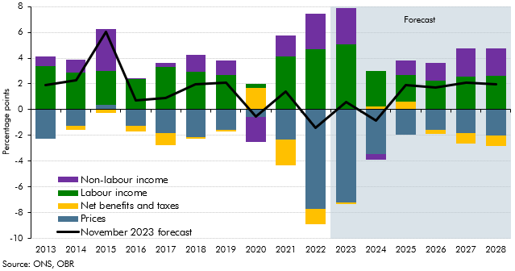

 |  | November 2023 forecast | Labour income | Non-labour income | Net benefits and taxes | Prices
 | 2013 | 1.9 | 3.3 | 0.8 | 0.0 | -2.3
 | 2014 | 2.3 | 2.8 | 1.0 | -0.4 | -1.2
 | 2015 | 6.1 | 2.6 | 3.3 | -0.2 | 0.4
 | 2016 | 0.7 | 2.4 | 0.0 | -0.4 | -1.3
 | 2017 | 0.9 | 3.3 | 0.3 | -0.9 | -1.8
 | 2018 | 2.0 | 3.0 | 1.3 | -0.1 | -2.1
 | 2019 | 2.1 | 2.7 | 1.1 | -0.2 | -1.5
 | 2020 | -0.5 | 0.3 | -1.9 | 1.7 | -0.6
 | 2021 | 1.4 | 4.1 | 1.6 | -2.0 | -2.3
 | 2022 | -1.4 | 4.7 | 2.7 | -1.2 | -7.7
 | 2023 | 0.6 | 5.0 | 2.8 | -0.1 | -7.2
 | 2024 | -0.9 | 2.8 | -0.4 | 0.2 | -3.4
 | 2025 | 1.9 | 2.0 | 1.1 | 0.6 | -1.9
 | 2026 | 1.7 | 2.2 | 1.4 | -0.3 | -1.6
 | 2027 | 2.1 | 2.6 | 2.2 | -0.8 | -1.8
 | 2028 | 2.0 | 2.6 | 2.1 | -0.8 | -2.0

C2.16
Back to contents
 | Chart 2.16: Real household disposable income per person

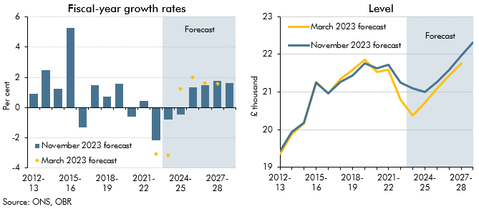

 | Fiscal-year growth rates |  |  | Level
 |  | March 2023 forecast | November 2023 forecast |  | March 2023 forecast | November 2023 forecast
 | 2012-13 |  | 0.9 | 2012-13 | 19.4 | 19.5
 | 2013-14 |  | 2.5 | 2013-14 | 19.9 | 19.9
 | 2014-15 |  | 1.2 | 2014-15 | 20.2 | 20.2
 | 2015-16 |  | 5.3 | 2015-16 | 21.3 | 21.2
 | 2016-17 |  | -1.3 | 2016-17 | 21.0 | 21.0
 | 2017-18 |  | 1.5 | 2017-18 | 21.3 | 21.3
 | 2018-19 |  | 0.7 | 2018-19 | 21.6 | 21.4
 | 2019-20 |  | 1.6 | 2019-20 | 21.9 | 21.8
 | 2020-21 |  | -0.6 | 2020-21 | 21.5 | 21.6
 | 2021-22 |  | 0.5 | 2021-22 | 21.6 | 21.7
 | 2022-23 | -3.1 | -2.2 | 2022-23 | 20.8 | 21.3
 | 2023-24 | -3.2 | -0.8 | 2023-24 | 20.4 | 21.1
 | 2024-25 | 1.2 | -0.4 | 2024-25 | 20.7 | 21.0
 | 2025-26 | 2.0 | 1.3 | 2025-26 | 21.1 | 21.3
 | 2026-27 | 1.6 | 1.5 | 2026-27 | 21.4 | 21.6
 | 2027-28 | 1.6 | 1.8 | 2027-28 | 21.8 | 22.0
 | 2028-29 |  | 1.6 | 2028-29 |  | 22.3

C2.17
Back to contents
 | Chart 2.17: Trade intensity

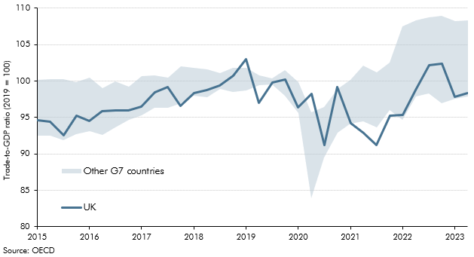

 |  | Other G7 countries (lowest) | Other G7 countries (highest) | UK
 | 2015Q1 | 92.5 | 100.2 | 94.7
 | 2015Q2 | 92.5 | 100.2 | 94.4
 | 2015Q3 | 91.8 | 100.3 | 92.5
 | 2015Q4 | 92.8 | 99.8 | 95.2
 | 2016Q1 | 93.1 | 100.5 | 94.5
 | 2016Q2 | 92.7 | 99.0 | 95.9
 | 2016Q3 | 93.7 | 100.0 | 95.9
 | 2016Q4 | 94.6 | 99.3 | 95.9
 | 2017Q1 | 95.3 | 100.7 | 96.5
 | 2017Q2 | 96.3 | 100.8 | 98.4
 | 2017Q3 | 96.4 | 100.5 | 99.2
 | 2017Q4 | 96.9 | 102.1 | 96.5
 | 2018Q1 | 98.0 | 101.8 | 98.3
 | 2018Q2 | 97.7 | 101.6 | 98.8
 | 2018Q3 | 98.9 | 101.1 | 99.4
 | 2018Q4 | 98.5 | 101.8 | 100.7
 | 2019Q1 | 98.8 | 101.8 | 103.0
 | 2019Q2 | 99.4 | 100.7 | 97.0
 | 2019Q3 | 99.5 | 100.4 | 99.8
 | 2019Q4 | 97.9 | 101.5 | 100.2
 | 2020Q1 | 95.6 | 99.8 | 96.4
 | 2020Q2 | 83.9 | 95.7 | 98.3
 | 2020Q3 | 89.5 | 96.4 | 91.2
 | 2020Q4 | 92.9 | 98.9 | 99.1
 | 2021Q1 | 94.2 | 100.2 | 94.2
 | 2021Q2 | 94.5 | 102.1 | 92.9
 | 2021Q3 | 93.6 | 101.2 | 91.2
 | 2021Q4 | 96.0 | 102.5 | 95.2
 | 2022Q1 | 94.7 | 107.5 | 95.4
 | 2022Q2 | 97.9 | 108.3 | 98.7
 | 2022Q3 | 98.3 | 108.7 | 102.2
 | 2022Q4 | 96.9 | 108.9 | 102.4
 | 2023Q1 | 97.5 | 108.2 | 97.9
 | 2023Q2 | 97.9 | 108.3 | 98.3

C2.18
Back to contents
 | Chart 2.18: Current account deficit

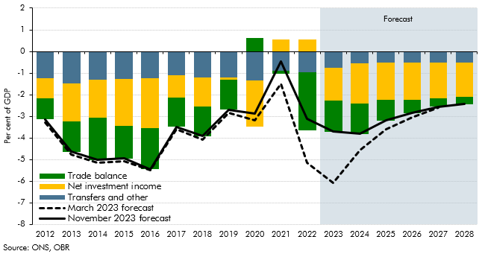

 |  | Transfers and other | Net investment income | Trade balance | March 2023 forecast | November 2023 forecast
 | 2012 | -1.2 | -0.9 | -1.0 | -3.3 | -3.1
 | 2013 | -1.5 | -1.8 | -1.4 | -4.8 | -4.6
 | 2014 | -1.3 | -1.8 | -1.9 | -5.2 | -5.0
 | 2015 | -1.3 | -2.2 | -1.5 | -5.1 | -4.9
 | 2016 | -1.2 | -2.3 | -1.9 | -5.5 | -5.4
 | 2017 | -1.1 | -1.1 | -1.3 | -3.6 | -3.5
 | 2018 | -1.2 | -1.3 | -1.4 | -4.1 | -3.9
 | 2019 | -1.2 | -0.1 | -1.4 | -2.8 | -2.7
 | 2020 | -1.4 | -2.1 | 0.6 | -3.2 | -2.9
 | 2021 | -0.9 | 0.6 | -0.2 | -1.5 | -0.5
 | 2022 | -0.9 | 0.5 | -2.7 | -5.1 | -3.1
 | 2023 | -0.7 | -1.5 | -1.4 | -6.1 | -3.7
 | 2024 | -0.5 | -1.9 | -1.4 | -4.6 | -3.8
 | 2025 | -0.5 | -1.7 | -0.9 | -3.6 | -3.2
 | 2026 | -0.5 | -1.7 | -0.6 | -3.1 | -2.8
 | 2027 | -0.5 | -1.7 | -0.4 | -2.6 | -2.6
 | 2028 | -0.5 | -1.6 | -0.3 |  | -2.4

C2.19
Back to contents
 | Chart 2.19: Sectoral net lending

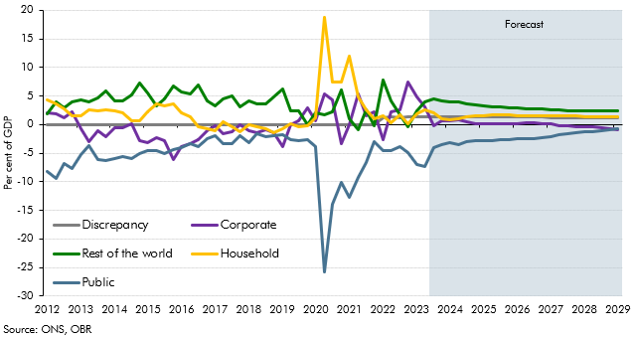

 |  | Household | Corporate | Public | Rest of the world | Discrepancy
 | 2012Q1 | 4.2 | 2.1 | -8.2 | 1.9 | 0.0
 | 2012Q2 | 3.6 | 1.8 | -9.4 | 4.0 | 0.0
 | 2012Q3 | 2.7 | 1.2 | -6.8 | 2.9 | 0.0
 | 2012Q4 | 1.5 | 2.2 | -7.7 | 4.0 | 0.0
 | 2013Q1 | 1.5 | -0.6 | -5.2 | 4.4 | 0.0
 | 2013Q2 | 2.6 | -2.9 | -3.7 | 4.0 | 0.0
 | 2013Q3 | 2.5 | -1.1 | -6.0 | 4.7 | 0.0
 | 2013Q4 | 2.6 | -2.1 | -6.3 | 5.8 | 0.0
 | 2014Q1 | 2.5 | -0.6 | -6.0 | 4.1 | 0.0
 | 2014Q2 | 2.1 | -0.6 | -5.6 | 4.1 | 0.0
 | 2014Q3 | 0.6 | 0.1 | -5.9 | 5.1 | 0.0
 | 2014Q4 | 0.6 | -2.7 | -5.1 | 7.2 | 0.0
 | 2015Q1 | 2.2 | -3.2 | -4.6 | 5.6 | 0.0
 | 2015Q2 | 3.7 | -2.4 | -4.6 | 3.2 | 0.0
 | 2015Q3 | 3.4 | -2.8 | -5.1 | 4.5 | 0.0
 | 2015Q4 | 3.7 | -6.2 | -4.3 | 6.8 | 0.0
 | 2016Q1 | 2.1 | -3.8 | -4.0 | 5.7 | 0.0
 | 2016Q2 | 1.4 | -3.4 | -3.3 | 5.3 | 0.0
 | 2016Q3 | -0.4 | -2.6 | -3.9 | 6.9 | 0.0
 | 2016Q4 | -0.6 | -1.1 | -2.4 | 4.2 | 0.0
 | 2017Q1 | -1.0 | -0.2 | -1.9 | 3.2 | 0.0
 | 2017Q2 | 0.4 | -1.6 | -3.4 | 4.5 | 0.0
 | 2017Q3 | -0.3 | -1.3 | -3.4 | 5.0 | 0.0
 | 2017Q4 | -1.2 | 0.0 | -1.9 | 3.2 | 0.0
 | 2018Q1 | 0.0 | -1.0 | -3.2 | 4.1 | 0.0
 | 2018Q2 | -0.4 | -1.5 | -1.7 | 3.5 | 0.0
 | 2018Q3 | -0.7 | -0.9 | -2.1 | 3.7 | 0.0
 | 2018Q4 | -1.4 | -1.5 | -1.9 | 4.8 | 0.0
 | 2019Q1 | -0.6 | -3.9 | -1.7 | 6.3 | 0.0
 | 2019Q2 | 0.2 | 0.0 | -2.6 | 2.4 | 0.0
 | 2019Q3 | -0.4 | 0.7 | -2.7 | 2.4 | 0.0
 | 2019Q4 | -0.2 | 3.0 | -2.7 | 0.0 | 0.0
 | 2020Q1 | 1.2 | 0.7 | -3.9 | 2.1 | 0.0
 | 2020Q2 | 18.7 | 5.4 | -25.7 | 1.7 | 0.0
 | 2020Q3 | 7.5 | 4.3 | -13.9 | 2.2 | 0.0
 | 2020Q4 | 7.5 | -3.3 | -10.2 | 6.0 | 0.0
 | 2021Q1 | 11.9 | -0.1 | -12.8 | 0.9 | 0.0
 | 2021Q2 | 4.9 | 5.3 | -9.3 | -1.0 | 0.0
 | 2021Q3 | 2.6 | 1.5 | -6.6 | 2.6 | 0.0
 | 2021Q4 | 1.0 | 2.2 | -3.0 | -0.2 | 0.0
 | 2022Q1 | 1.5 | -2.7 | -4.6 | 7.8 | 1.1
 | 2022Q2 | 0.3 | 2.3 | -4.6 | 4.2 | 1.3
 | 2022Q3 | 1.6 | 2.5 | -3.8 | 1.7 | 1.2
 | 2022Q4 | 0.1 | 7.5 | -4.8 | -0.4 | 1.3
 | 2023Q1 | 1.9 | 4.9 | -7.0 | 2.4 | 1.3
 | 2023Q2 | 2.6 | 3.2 | -7.3 | 3.9 | 1.3
 | 2023Q3 | 2.1 | -0.2 | -4.0 | 4.4 | 1.3
 | 2023Q4 | 1.0 | 0.7 | -3.6 | 4.2 | 1.3
 | 2024Q1 | 0.9 | 0.6 | -3.2 | 4.0 | 1.3
 | 2024Q2 | 1.0 | 0.8 | -3.4 | 3.9 | 1.3
 | 2024Q3 | 1.3 | 0.4 | -3.1 | 3.6 | 1.3
 | 2024Q4 | 1.6 | 0.1 | -2.8 | 3.5 | 1.3
 | 2025Q1 | 1.6 | 0.1 | -2.7 | 3.3 | 1.3
 | 2025Q2 | 1.7 | 0.2 | -2.8 | 3.2 | 1.3
 | 2025Q3 | 1.7 | 0.2 | -2.7 | 3.0 | 1.3
 | 2025Q4 | 1.7 | 0.2 | -2.6 | 3.0 | 1.3
 | 2026Q1 | 1.6 | 0.2 | -2.5 | 2.9 | 1.3
 | 2026Q2 | 1.6 | 0.2 | -2.5 | 2.8 | 1.3
 | 2026Q3 | 1.6 | 0.3 | -2.4 | 2.7 | 1.3
 | 2026Q4 | 1.5 | 0.2 | -2.2 | 2.7 | 1.3
 | 2027Q1 | 1.5 | 0.1 | -2.0 | 2.6 | 1.3
 | 2027Q2 | 1.5 | -0.1 | -1.8 | 2.5 | 1.3
 | 2027Q3 | 1.5 | -0.2 | -1.6 | 2.4 | 1.3
 | 2027Q4 | 1.5 | -0.3 | -1.4 | 2.4 | 1.3
 | 2028Q1 | 1.4 | -0.4 | -1.3 | 2.4 | 1.3
 | 2028Q2 | 1.4 | -0.5 | -1.2 | 2.4 | 1.2
 | 2028Q3 | 1.4 | -0.6 | -1.0 | 2.4 | 1.2
 | 2028Q4 | 1.3 | -0.8 | -0.9 | 2.4 | 1.2
 | 2029Q1 | 1.3 | -0.9 | -0.7 | 2.4 | 1.2

C2.20
Back to contents
 | Chart 2.20: Nominal GDP

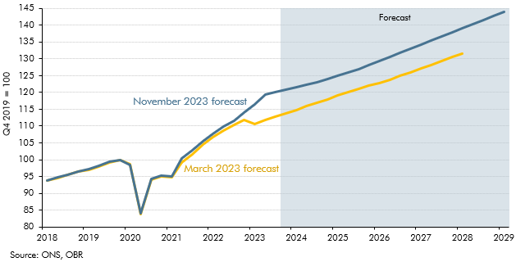

 |  | March 2023 forecast | November 2023 forecast
 | 2018Q1 | 93.7 | 93.9
 | 2018Q2 | 94.5 | 94.7
 | 2018Q3 | 95.4 | 95.5
 | 2018Q4 | 96.4 | 96.4
 | 2019Q1 | 97.1 | 97.1
 | 2019Q2 | 98.0 | 98.3
 | 2019Q3 | 99.2 | 99.5
 | 2019Q4 | 100.0 | 100.0
 | 2020Q1 | 98.6 | 98.3
 | 2020Q2 | 83.8 | 84.1
 | 2020Q3 | 94.1 | 94.3
 | 2020Q4 | 95.1 | 95.2
 | 2021Q1 | 94.7 | 95.1
 | 2021Q2 | 99.0 | 100.4
 | 2021Q3 | 101.7 | 102.8
 | 2021Q4 | 104.4 | 105.5
 | 2022Q1 | 106.7 | 107.6
 | 2022Q2 | 108.5 | 109.9
 | 2022Q3 | 110.3 | 111.5
 | 2022Q4 | 111.7 | 113.9
 | 2023Q1 | 110.5 | 116.4
 | 2023Q2 | 111.9 | 119.3
 | 2023Q3 | 112.8 | 120.2
 | 2023Q4 | 113.8 | 120.9
 | 2024Q1 | 114.8 | 121.5
 | 2024Q2 | 115.9 | 122.2
 | 2024Q3 | 117.0 | 123.1
 | 2024Q4 | 118.0 | 124.0
 | 2025Q1 | 119.1 | 124.9
 | 2025Q2 | 120.1 | 126.0
 | 2025Q3 | 121.1 | 127.0
 | 2025Q4 | 122.0 | 128.1
 | 2026Q1 | 122.8 | 129.3
 | 2026Q2 | 123.8 | 130.5
 | 2026Q3 | 125.0 | 131.7
 | 2026Q4 | 126.0 | 132.9
 | 2027Q1 | 127.1 | 134.2
 | 2027Q2 | 128.2 | 135.4
 | 2027Q3 | 129.4 | 136.6
 | 2027Q4 | 130.5 | 137.8
 | 2028Q1 | 131.5 | 139.1
 | 2028Q2 |  | 140.3
 | 2028Q3 |  | 141.6
 | 2028Q4 |  | 142.8
 | 2029Q1 |  | 144.1

C2.21
Back to contents
 | Chart 2.21: Nominal GDP: changes since March

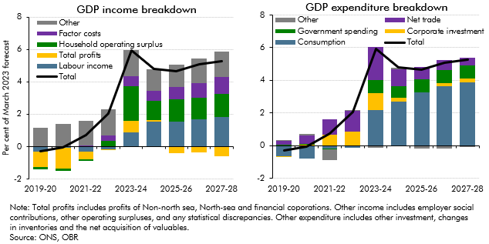

 | GDP income breakdown |  |  |  |  |  |  | GDP expenditure breakdown
 |  | Labour income | Total profits | Household operating surplus | Factor costs | Other | Total |  | Consumption | Corporate investment | Government spending | Net trade | Other | Total
 | 2019-20 | -0.3 | -1.0 | -0.1 | 0.0 | 1.1 | -0.3 | 2019-20 | -0.6 | 0.0 | 0.1 | 0.2 | 0.0 | -0.3
 | 2020-21 | -0.1 | -1.3 | -0.1 | 0.0 | 1.4 | -0.1 | 2020-21 | -0.8 | 0.0 | 0.1 | 0.5 | 0.1 | -0.1
 | 2021-22 | -0.3 | -0.5 | -0.1 | 0.1 | 1.5 | 0.7 | 2021-22 | -0.2 | 0.7 | -0.1 | 0.9 | -0.7 | 0.7
 | 2022-23 | -0.2 | -0.1 | 0.4 | 0.3 | 1.6 | 2.1 | 2022-23 | -0.1 | 0.8 | 0.0 | 1.3 | 0.1 | 2.1
 | 2023-24 | 0.9 | 0.7 | 2.1 | 0.6 | 1.6 | 5.9 | 2023-24 | 2.2 | 1.0 | 0.8 | 2.1 | -0.1 | 5.9
 | 2024-25 | 1.6 | 0.1 | 1.2 | 0.7 | 1.3 | 4.8 | 2024-25 | 2.7 | 0.2 | 0.7 | 1.1 | 0.1 | 4.8
 | 2025-26 | 1.5 | -0.4 | 1.4 | 0.8 | 1.4 | 4.7 | 2025-26 | 3.3 | 0.0 | 0.8 | 0.8 | -0.1 | 4.7
 | 2026-27 | 1.7 | -0.4 | 1.3 | 0.9 | 1.5 | 5.1 | 2026-27 | 3.6 | 0.2 | 0.8 | 0.6 | -0.2 | 5.1
 | 2027-28 | 1.8 | -0.6 | 1.4 | 1.0 | 1.6 | 5.3 | 2027-28 | 3.9 | 0.2 | 0.8 | 0.5 | -0.1 | 5.3

C2.22
Back to contents
 | Chart 2.22: Comparison of forecasts for cumulative growth in real GDP

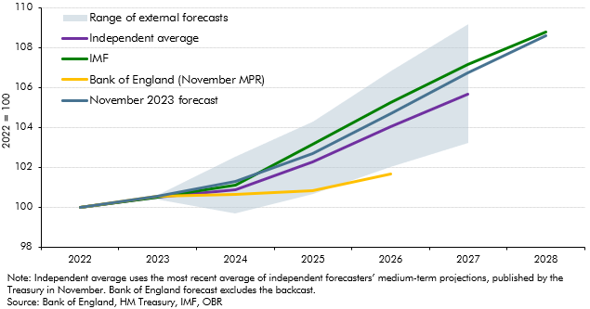

 |  |  |  |  |  | Range of external forecasts
 |  | November 2023 forecast | Bank of England (November MPR) | Independent average | IMF | Lowest | Highest | Average
 | 2022 | 100.0 | 100.0 | 100.0 | 100.0 | 100.0 | 100.0 | 0.0
 | 2023 | 100.6 | 100.5 | 100.5 | 100.5 | 100.4 | 100.6 | 0.2
 | 2024 | 101.3 | 100.6 | 100.9 | 101.1 | 99.7 | 102.5 | 2.8
 | 2025 | 102.7 | 100.8 | 102.2 | 103.1 | 100.7 | 104.3 | 3.6
 | 2026 | 104.7 | 101.7 | 104.0 | 105.2 | 102.0 | 106.8 | 4.8
 | 2027 | 106.7 |  | 105.6 | 107.2 | 103.2 | 109.1 | 5.9
 | 2028 | 108.6 |  |  | 108.8

