C3.1
Back to contents
 | Chart 3.1: Size of fiscal policy packages, 2010 to 2025
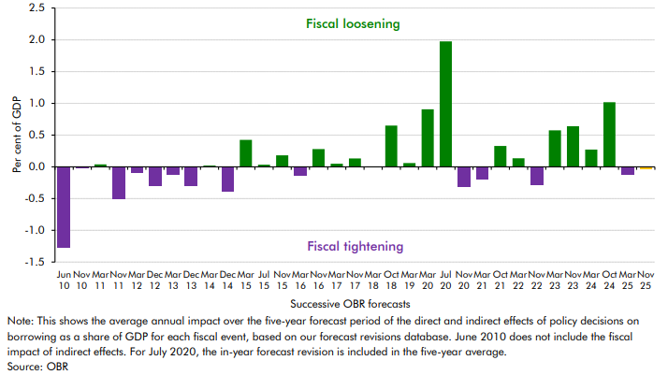

 | Fiscal event | Revision as a percentage of GDP over 5 years
 | Jun 10 | -1.3
 | Nov 10 | 0.0
 | Mar 11 | 0.0
 | Nov 11 | -0.5
 | Mar 12 | -0.1
 | Dec 12 | -0.3
 | Mar 13 | -0.1
 | Dec 13 | -0.3
 | Mar 14 | 0.0
 | Dec 14 | -0.4
 | Mar 15 | 0.4
 | Jul 15 | 0.0
 | Nov 15 | 0.2
 | Mar 16 | -0.1
 | Nov 16 | 0.3
 | Mar 17 | 0.0
 | Nov 17 | 0.1
 | Mar 18 | 0.0
 | Oct 18 | 0.6
 | Mar 19 | 0.1
 | Mar 20 | 0.9
 | Jul 20 | 2.0
 | Nov 20 | -0.3
 | Mar 21 | -0.2
 | Oct 21 | 0.3
 | Mar 22 | 0.1
 | Nov 22 | -0.3
 | Mar 23 | 0.6
 | Nov 23 | 0.6
 | Mar 24 | 0.3
 | Oct 24 | 1.0
 | Mar 25 | -0.1
 | Nov 25 | 0.0

C3.2
Back to contents
 | Chart 3.2: Impact of policy measures on borrowing at contractionary fiscal events
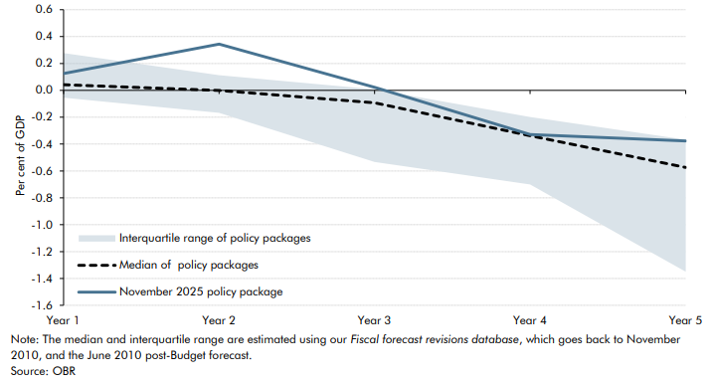

 |  | In-year | Year 1 | Year 2 | Year 3 | Year 4 | Year 5
 | Median of contractionary policy packages | 0.0 | 0.0 | 0.0 | -0.1 | -0.3 | -0.6
 | November 2025 policy package | 0.1 | 0.1 | 0.3 | 0.0 | -0.3 | -0.4
 | 25th percentile (clipped) | -0.1 | -0.1 | -0.2 | -0.5 | -0.7 | -1.3
 | 75th percentile (clipped) | 0.2 | 0.3 | 0.1 | 0.0 | -0.2 | -0.4

C3.A
Back to contents
 | Chart 3.A: Previously scored policies under our significance criteria

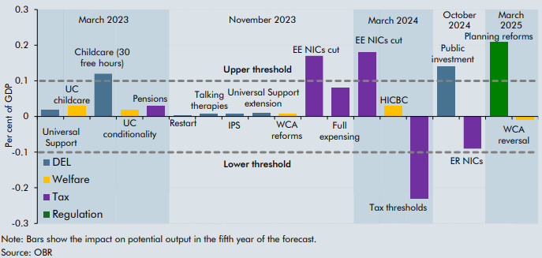

 | IE Policies (incl. packages) | GDP Impact (% GDP)
 | Universal Support | 0.0
 | UC childcare | 0.0
 | Childcare (30 free hours) | 0.1
 | UC conditionality | 0.0
 | Pensions | 0.0
 | Restart | 0.0
 | Talking therapies | 0.0
 | IPS | 0.0
 | Universal Support extension | 0.0
 | WCA reforms | 0.0
 | EE NICs cut | 0.2
 | Full expensing | 0.1
 | EE NICs cut | 0.2
 | HICBC | 0.0
 | Tax thresholds | -0.3
 | Public investment | 0.1
 | ER NICs | -0.1
 | Residential planning | 0.2
 | WCA reversal | 0.0

C3.3
Back to contents
 | Chart 3.3: Policy impacts on real GDP and its components
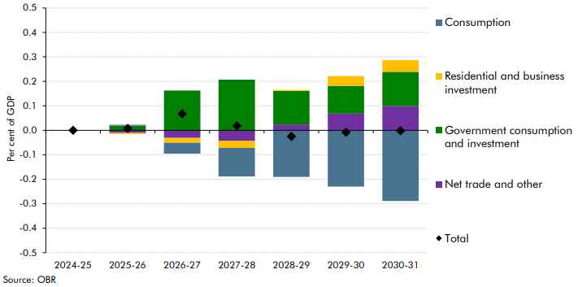

 |  | 2024-25 | 2025-26 | 2026-27 | 2027-28 | 2028-29 | 2029-30 | 2030-31
 | Consumption | 0.0 | 0.0 | 0.0 | -0.1 | -0.2 | -0.2 | -0.3
 | Residential and business investment | 0.0 | 0.0 | 0.0 | 0.0 | 0.0 | 0.0 | 0.0
 | Government consumption and investment | 0.0 | 0.0 | 0.2 | 0.2 | 0.1 | 0.1 | 0.1
 | Net trade and other | 0.0 | 0.0 | 0.0 | 0.0 | 0.0 | 0.1 | 0.1
 | Total | 0.0 | 0.0 | 0.1 | 0.0 | 0.0 | 0.0 | 0.0

C3.4
Back to contents
 | Chart 3.4: Impact of budget policies on CPI inflation
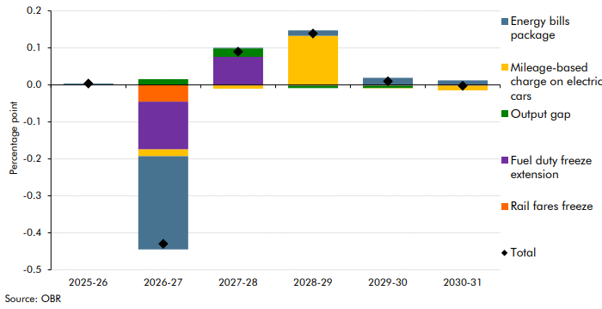

 |  | Fuel duty freeze extension | Energy bills package | Rail fares freeze | Mileage-based charge on electric cars | Output gap | Total
 | 2025-26 | 0.00 | 0.00 | 0.00 | 0.00 | 0.00 | 0.00
 | 2026-27 | -0.13 | -0.25 | -0.05 | -0.02 | 0.02 | -0.43
 | 2027-28 | 0.08 | 0.00 | 0.00 | -0.01 | 0.02 | 0.09
 | 2028-29 | 0.00 | 0.01 | 0.00 | 0.13 | -0.01 | 0.14
 | 2029-30 | 0.00 | 0.02 | 0.00 | 0.00 | -0.01 | 0.01
 | 2030-31 | 0.00 | 0.01 | 0.00 | -0.01 | 0.00 | 0.00

C3.B
Back to contents
 | Chart 3.B: Effect of threshold freezes on additional taxpayers and tax receipts
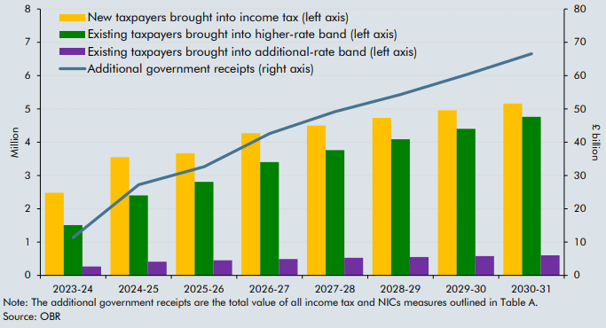

 | Date | 2023-24 | 2024-25 | 2025-26 | 2026-27 | 2027-28 | 2028-29 | 2029-30 | 2030-31
 | New taxpayers brought into income tax (left axis) | 2.5 | 3.6 | 3.7 | 4.3 | 4.5 | 4.7 | 5.0 | 5.2
 | Existing taxpayers brought into higher-rate band (left axis) | 1.5 | 2.4 | 2.8 | 3.4 | 3.8 | 4.1 | 4.4 | 4.8
 | Existing taxpayers brought into additional-rate band (left axis) | 0.3 | 0.4 | 0.5 | 0.5 | 0.5 | 0.6 | 0.6 | 0.6
 | Additional government receipts (right axis) | 11.4 | 27.2 | 32.7 | 42.6 | 49.2 | 54.3 | 60.3 | 66.6

C3.5
Back to contents
 | Chart 3.5: HMRC tax gap as a share of theoretical tax liabilities
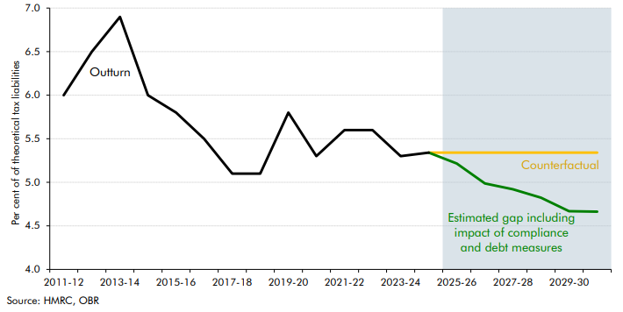

 |  | 2005-06 | 2006-07 | 2007-08 | 2008-09 | 2009-10 | 2010-11 | 2011-12 | 2012-13 | 2013-14 | 2014-15 | 2015-16 | 2016-17 | 2017-18 | 2018-19 | 2019-20 | 2020-21 | 2021-22 | 2022-23 | 2023-24 | 2024-25 | 2025-26 | 2026-27 | 2027-28 | 2028-29 | 2029-30 | 2030-31
 | Historical tax gap | 7.4 | 6.6 | 6.1 | 6.8 | 6.4 | 6.2 | 6.0 | 6.5 | 6.9 | 6.0 | 5.8 | 5.5 | 5.1 | 5.1 | 5.8 | 5.3 | 5.6 | 5.6 | 5.3 | 5.3
 | Counterfactual tax gap |  |  |  |  |  |  |  |  |  |  |  |  |  |  |  |  |  |  |  | 5.3 | 5.3 | 5.3 | 5.3 | 5.3 | 5.3 | 5.3
 | Estimated tax gap including impact of compliance and debt measures |  |  |  |  |  |  |  |  |  |  |  |  |  |  |  |  |  |  |  | 5.3 | 5.2 | 5.0 | 4.9 | 4.8 | 4.7 | 4.7

C3.6
Back to contents
 | Chart 3.6: Labour market adjustments since changes to employer NICs
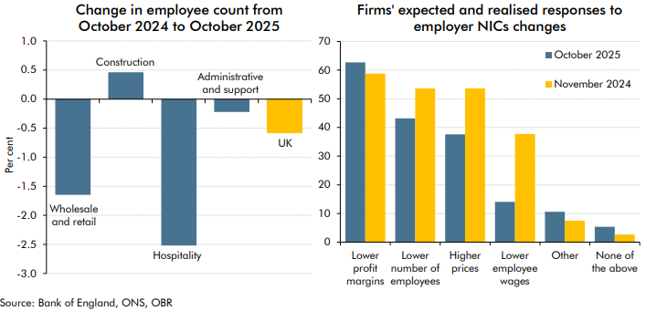

 | October 2024 to October 2025 | Wholesale and retail | Transportation and storage | Hospitality | Administrative and support services | All sectors | Reaction to the Change in National Insurance contribution following the November 2024 Budget, % of respondents | October 2025 | November 2024
 | % change in employee numbers | -1.6 | 0.5 | -2.5 | -0.2 | -0.6 | Lower profit margins | 62.7 | 58.8
 |  |  |  |  |  |  | Lower number of employees | 43.2 | 53.6
 |  |  |  |  |  |  | Higher prices | 37.6 | 53.6
 |  |  |  |  |  |  | Lower employee wages | 14.1 | 37.7
 |  |  |  |  |  |  | Other | 10.6 | 7.5
 |  |  |  |  |  |  | None of the above | 5.3 | 2.7

C3.7
Back to contents
 | Chart 3.7: Long-run impact of introducing a mileage-based charge on electric cars
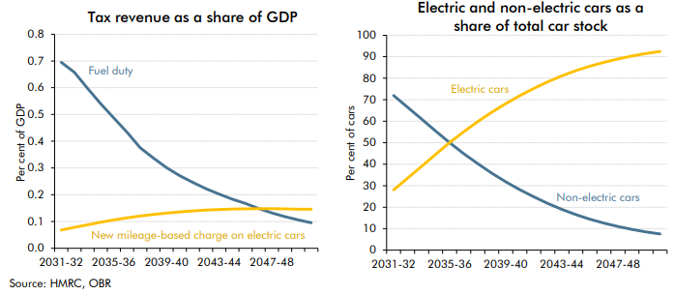

 | Year | 2025-26 | 2026-27 | 2027-28 | 2028-29 | 2029-30 | 2030-31 | 2031-32 | 2032-33 | 2033-34 | 2034-35 | 2035-36 | 2036-37 | 2037-38 | 2038-39 | 2039-40 | 2040-41 | 2041-42 | 2042-43 | 2043-44 | 2044-45 | 2045-46 | 2046-47 | 2047-48 | 2048-49 | 2049-50 | 2050-51
 | Fuel duty | 0.8 | 0.8 | 0.9 | 0.9 | 0.8 | 0.8 | 0.7 | 0.7 | 0.6 | 0.5 | 0.5 | 0.4 | 0.4 | 0.3 | 0.3 | 0.3 | 0.2 | 0.2 | 0.2 | 0.2 | 0.2 | 0.1 | 0.1 | 0.1 | 0.1 | 0.1
 | New mileage-based charge on electric cars | 0.0 | 0.0 | 0.0 | 0.0 | 0.0 | 0.1 | 0.1 | 0.1 | 0.1 | 0.1 | 0.1 | 0.1 | 0.1 | 0.1 | 0.1 | 0.1 | 0.1 | 0.1 | 0.1 | 0.1 | 0.1 | 0.1 | 0.1 | 0.1 | 0.1 | 0.1

 | Year | 2025-26 | 2026-27 | 2027-28 | 2028-29 | 2029-30 | 2030-31 | 2031-32 | 2032-33 | 2033-34 | 2034-35 | 2035-36 | 2036-37 | 2037-38 | 2038-39 | 2039-40 | 2040-41 | 2041-42 | 2042-43 | 2043-44 | 2044-45 | 2045-46 | 2046-47 | 2047-48 | 2048-49 | 2049-50 | 2050-51
 | Non-electric cars | 93.9 | 92.2 | 89.9 | 86.7 | 82.5 | 77.3 | 72.0 | 66.5 | 61.0 | 55.4 | 50.0 | 44.9 | 40.2 | 35.9 | 31.8 | 28.2 | 24.8 | 21.7 | 18.9 | 16.5 | 14.4 | 12.6 | 11.0 | 9.7 | 8.5 | 7.5
 | Electric cars | 6.1 | 7.8 | 10.1 | 13.3 | 17.5 | 22.7 | 28.0 | 33.5 | 39.0 | 44.6 | 50.0 | 55.1 | 59.8 | 64.1 | 68.2 | 71.8 | 75.2 | 78.3 | 81.1 | 83.5 | 85.6 | 87.4 | 89.0 | 90.3 | 91.5 | 92.5

