C2.1
Back to contents
 | Chart 2.1: Change in UK NSND income tax forecast since March 2026

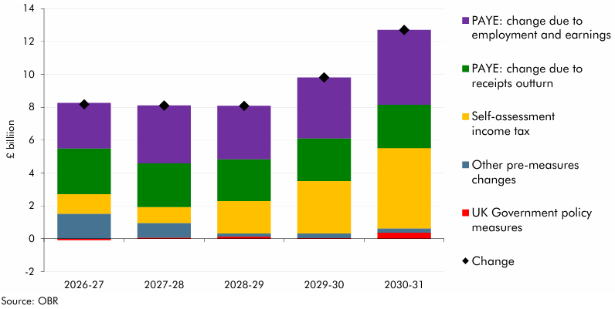

 |  | 2026-27 | 2027-28 | 2028-29 | 2029-30 | 2030-31
 | PAYE: change due to employment and earnings | 2.8 | 3.5 | 3.2 | 3.7 | 4.6
 | PAYE: change due to receipts outturn | 2.8 | 2.7 | 2.5 | 2.6 | 2.6
 | Self-assessment income tax | 1.2 | 1.0 | 2.0 | 3.2 | 4.9
 | Other pre-measures changes | 1.5 | 0.9 | 0.2 | 0.3 | 0.2
 | UK Government policy measures | -0.1 | 0.1 | 0.1 | 0.0 | 0.4
 | Change | 8.2 | 8.1 | 8.1 | 9.8 | 12.7

C2.A
Back to contents
 | Chart 2.A: Impact on the Scottish and Welsh net positions of the reclassification of carried interest receipts

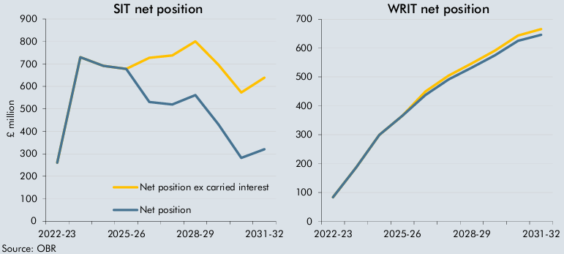

 | SIT net position | 2022-23 | 2023-24 | 2024-25 | 2025-26 | 2026-27 | 2027-28 | 2028-29 | 2029-30 | 2030-31 | 2031-32
 | Net position ex carried interest | 260.5 | 730.4 | 691.7 | 677.8 | 727.5 | 737.7 | 800.7 | 696.8 | 572.8 | 638.7
 | Net position | 260.5 | 730.4 | 691.7 | 677.8 | 530.7 | 519.6 | 561.5 | 431.4 | 281.7 | 320.2

 | WRIT net position | 2022-23 | 2023-24 | 2024-25 | 2025-26 | 2026-27 | 2027-28 | 2028-29 | 2029-30 | 2030-31 | 2031-32
 | Net position excl. carried interest | 83.2 | 186.5 | 299.3 | 365.8 | 449.9 | 504.7 | 547.1 | 591.3 | 643.2 | 665.8
 | Net position | 83.2 | 186.5 | 299.3 | 365.8 | 437.9 | 491.3 | 532.4 | 575.0 | 625.3 | 646.1

C3.1
Back to contents
 | Chart 3.1: Indicative change in the tax BGAs since March 2026 and January 2026

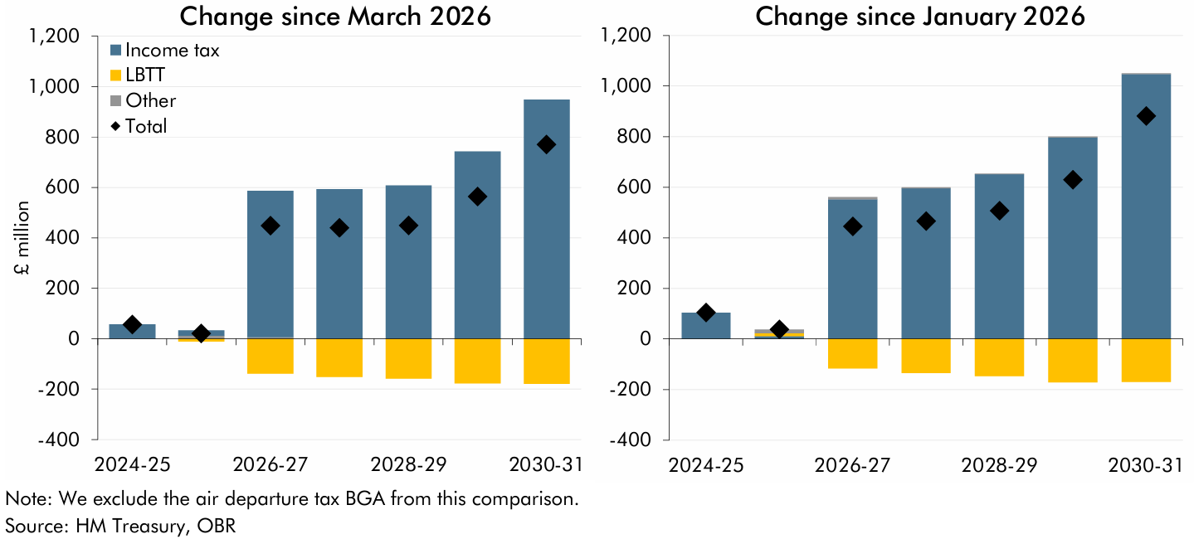

 | Change since March 2026 | 2024-25 | 2025-26 | 2026-27 | 2027-28 | 2028-29 | 2029-30 | 2030-31
 | Income tax | 56.3 | 20.1 | 580.3 | 592.4 | 607.2 | 740.1 | 946.6
 | LBTT | 0.0 | -10.9 | -138.2 | -151.6 | -158.5 | -177.7 | -178.0
 | Other | 0.0 | 12.7 | 6.5 | 0.2 | 0.9 | 1.9 | 1.1
 | Total | 56.3 | 21.9 | 448.7 | 440.9 | 449.6 | 564.4 | 769.7

 | Change since January 2026 | 2024-25 | 2025-26 | 2026-27 | 2027-28 | 2028-29 | 2029-30 | 2030-31
 | Income tax | 104.4 | 10.7 | 551.9 | 595.5 | 652.0 | 796.6 | 1046.6
 | LBTT | 0.0 | 11.7 | -115.8 | -134.3 | -146.9 | -171.4 | -169.3
 | Other | 0.0 | 15.7 | 9.3 | 4.4 | 2.0 | 3.6 | 3.4
 | Total | 104.4 | 38.1 | 445.4 | 465.5 | 507.1 | 628.8 | 880.7

C3.2
Back to contents
 | Chart 3.2: Change in OBR projected Scottish net tax position since March 2026

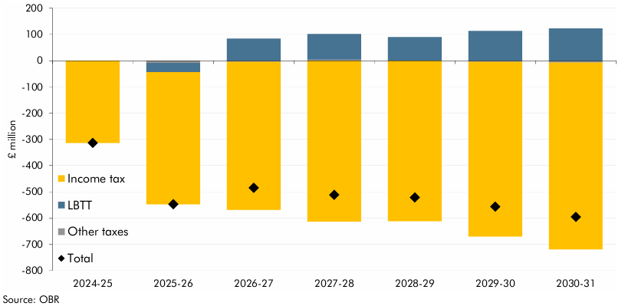

 |  | 2024-25 | 2025-26 | 2026-27 | 2027-28 | 2028-29 | 2029-30 | 2030-31
 | Income tax | -313.9 | -503.8 | -565.0 | -613.7 | -611.7 | -666.7 | -712.1
 | LBTT | 0.0 | -34.8 | 84.2 | 97.1 | 89.0 | 113.9 | 123.2
 | Other taxes | 0.0 | -9.0 | -4.4 | 4.3 | 1.0 | -4.0 | -7.4
 | Total change since March 2026 | -313.9 | -547.6 | -485.3 | -512.2 | -521.7 | -556.8 | -596.3

C3.3
Back to contents
 | Chart 3.3: Scottish net tax position projections

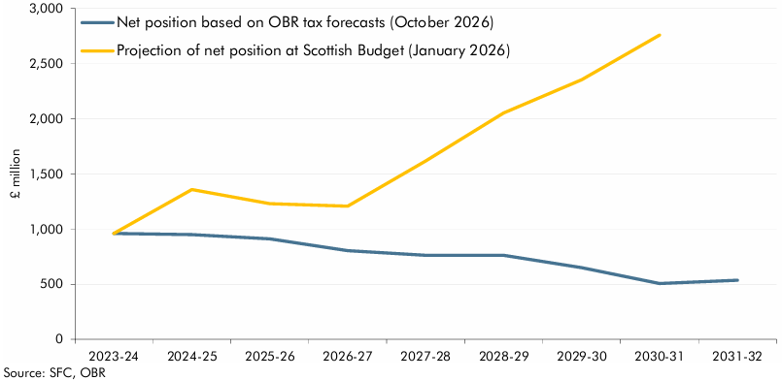

 |  | 2023-24 | 2024-25 | 2025-26 | 2026-27 | 2027-28 | 2028-29 | 2029-30 | 2030-31 | 2031-32
 | Net position based on OBR tax forecasts (October 2026) | 959.5 | 949.0 | 911.8 | 804.6 | 762.4 | 761.3 | 649.3 | 506.3 | 536.3
 | Projection of net position at Scottish Budget (January 2026) | 959.5 | 1358.3 | 1230.3 | 1206.8 | 1617.5 | 2052.6 | 2353.9 | 2758.5

C4.1
Back to contents
 | Chart 4.1: Change in the indicative tax BGA projections since March 2026

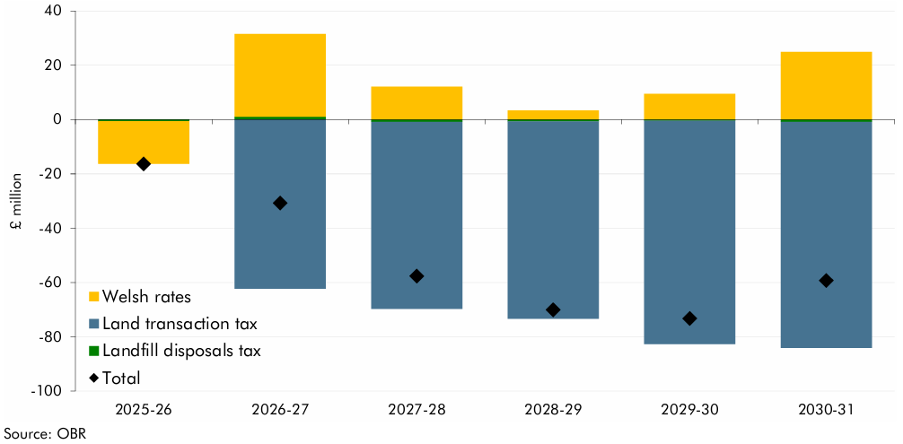

 |  | 2025-26 | 2026-27 | 2027-28 | 2028-29 | 2029-30 | 2030-31
 | Welsh rates | -15.7 | 30.5 | 12.1 | 3.3 | 9.5 | 24.9
 | Land transaction tax | -0.1 | -62.3 | -68.9 | -72.8 | -82.2 | -83.3
 | Landfill disposals tax | -0.6 | 1.0 | -0.9 | -0.7 | -0.5 | -0.9
 | Total change since March 2026 | -16.3 | -30.8 | -57.7 | -70.1 | -73.3 | -59.3

C4.2
Back to contents
 | Chart 4.2: Change in the Welsh net tax position since March

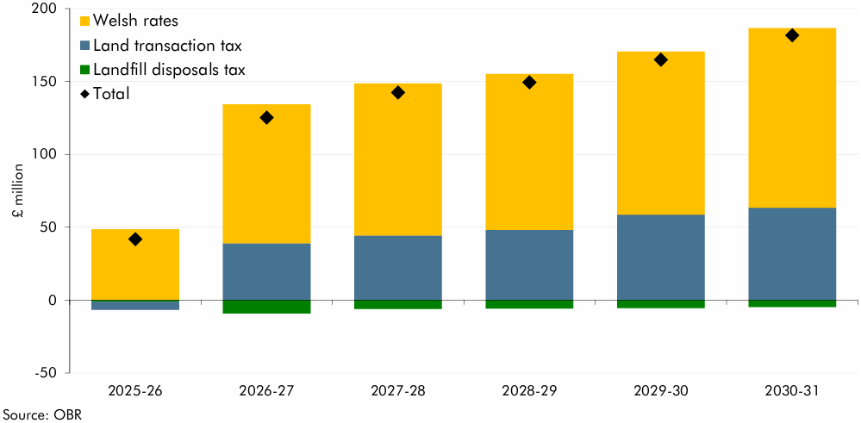

 |  | 2024-25 | 2025-26 | 2026-27 | 2027-28 | 2028-29 | 2029-30 | 2030-31
 | Welsh rates | 41.1 | 48.5 | 95.3 | 104.2 | 107.1 | 111.8 | 123.3
 | Land transaction tax | 0.0 | -5.5 | 38.9 | 44.3 | 48.0 | 58.7 | 63.3
 | Landfill disposals tax | 0.0 | -1.2 | -9.1 | -6.0 | -5.7 | -5.5 | -4.8
 | Total change since March 2026 | 41.1 | 41.8 | 125.2 | 142.5 | 149.5 | 165.0 | 181.8

