source
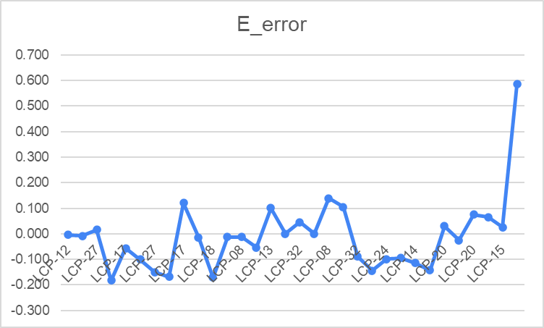
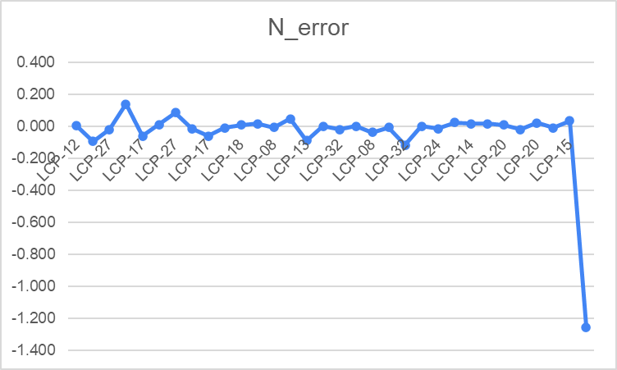
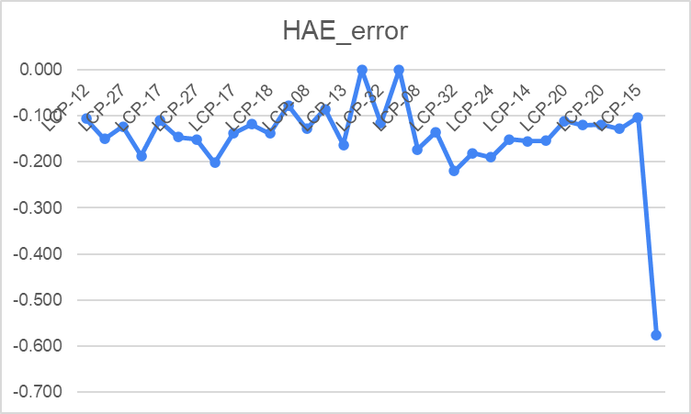
Name | E450 | N450 | HAE450 | Easting | Northing | HAE | flightnum | E_error | N_error | HAE_error
LCP-12 | 717389.866 | 1605865.325 | 3.235 | 717,389.870 | 1,605,865.322 | 3.341 | 1 | -0.004 | 0.003 | -0.106
LCP-22 | 717231.343 | 1606162.925 | -0.813 | 717,231.352 | 1,606,163.019 | -0.663 | 1 | -0.009 | -0.094 | -0.150
LCP-27 | 717136.321 | 1606298.477 | 0.298 | 717,136.305 | 1,606,298.496 | 0.421 | 1 | 0.016 | -0.019 | -0.123
LCP-12 | 717389.687 | 1605865.46 | 3.154 | 717,389.870 | 1,605,865.322 | 3.341 | 2 | -0.183 | 0.138 | -0.187
LCP-17 | 717335.668 | 1606035.074 | 0.941 | 717,335.724 | 1,606,035.136 | 1.051 | 2 | -0.056 | -0.062 | -0.110
LCP-22 | 717231.252 | 1606163.03 | -0.809 | 717,231.352 | 1,606,163.019 | -0.663 | 2 | -0.100 | 0.011 | -0.146
LCP-27 | 717136.155 | 1606298.58 | 0.27 | 717,136.305 | 1,606,298.496 | 0.421 | 2 | -0.150 | 0.084 | -0.151
LCP-07 | 717476.107 | 1605722.962 | 2.56 | 717,476.276 | 1,605,722.976 | 2.762 | 2 | -0.169 | -0.014 | -0.202
LCP-17 | 717335.844 | 1606035.076 | 0.913 | 717,335.724 | 1,606,035.136 | 1.051 | 3 | 0.120 | -0.060 | -0.138
LCP-13 | 717514.376 | 1605963.97 | 4.462 | 717,514.390 | 1,605,963.981 | 4.580 | 4 | -0.014 | -0.011 | -0.118
LCP-18 | 717458.504 | 1606085.684 | 1.848 | 717,458.675 | 1,606,085.675 | 1.986 | 4 | -0.171 | 0.009 | -0.138
LCP-28 | 717298.724 | 1606355.058 | 2.094 | 717,298.736 | 1,606,355.043 | 2.171 | 4 | -0.012 | 0.015 | -0.077
LCP-08 | 717599.818 | 1605811.706 | 3.518 | 717,599.831 | 1,605,811.713 | 3.646 | 4 | -0.013 | -0.007 | -0.128
LCP-23 | 717531.771 | 1605901.463 | 4.416 | 717,531.824 | 1,605,901.416 | 4.501 | 4 | -0.053 | 0.047 | -0.085
LCP-13 | 717514.491 | 1605963.892 | 4.417 | 717,514.390 | 1,605,963.981 | 4.580 | 5 | 0.101 | -0.089 | -0.163
LCP-18 | 717458.675 | 1606085.675 | 1.986 | 717,458.675 | 1,606,085.675 | 1.986 | 5 | 0.000 | 0.000 | 0.000
LCP-32 | 717382.162 | 1606245.179 | 0.522 | 717,382.116 | 1,606,245.198 | 0.638 | 5 | 0.046 | -0.019 | -0.116
LCP-28 | 717298.736 | 1606355.043 | 2.171 | 717,298.736 | 1,606,355.043 | 2.171 | 5 | 0.000 | 0.000 | 0.000
LCP-08 | 717599.97 | 1605811.674 | 3.473 | 717,599.831 | 1,605,811.713 | 3.646 | 5 | 0.139 | -0.039 | -0.173
LCP-23 | 717531.929 | 1605901.41 | 4.366 | 717,531.824 | 1,605,901.416 | 4.501 | 5 | 0.105 | -0.006 | -0.135
LCP-32 | 717,382.027 | 1,606,245.081 | 0.418 | 717,382.116 | 1,606,245.198 | 0.638 | 6 | -0.089 | -0.117 | -0.220
LCP-32 | 717,381.972 | 1,606,245.198 | 0.457 | 717,382.116 | 1,606,245.198 | 0.638 | 7 | -0.144 | 0.000 | -0.181
LCP-24 | 717,477.822 | 1,606,299.152 | 3.987 | 717,477.921 | 1,606,299.168 | 4.177 | 8 | -0.099 | -0.016 | -0.190
LCP-09 | 717,757.791 | 1,605,878.444 | 6.575 | 717,757.886 | 1,605,878.421 | 6.726 | 8 | -0.095 | 0.023 | -0.151
LCP-14 | 717,677.561 | 1,606,027.350 | 8.634 | 717,677.676 | 1,606,027.335 | 8.789 | 8 | -0.115 | 0.015 | -0.155
LCP-19 | 717,551.707 | 1,606,212.097 | 4.987 | 717,551.850 | 1,606,212.081 | 5.141 | 8 | -0.143 | 0.016 | -0.154
LCP-20 | 717,708.163 | 1,606,241.931 | 7.281 | 717,708.133 | 1,606,241.924 | 7.392 | 10 | 0.030 | 0.007 | -0.111
LCP-25 | 717,604.681 | 1,606,381.562 | 3.597 | 717,604.707 | 1,606,381.581 | 3.717 | 10 | -0.026 | -0.019 | -0.120
LCP-20 | 717,708.208 | 1,606,241.945 | 7.273 | 717,708.133 | 1,606,241.924 | 7.392 | 11 | 0.075 | 0.021 | -0.119
LCP-25 | 717,604.773 | 1,606,381.570 | 3.589 | 717,604.707 | 1,606,381.581 | 3.717 | 11 | 0.066 | -0.011 | -0.128
LCP-15 | 717,803.287 | 1,606,124.086 | 11.081 | 717,803.261 | 1,606,124.053 | 11.184 | 11 | 0.026 | 0.033 | -0.103
LCP-30 | 717,524.441 | 1,606,524.622 | 5.325 | 717,523.855 | 1,606,525.877 | 5.902 | 11 | 0.586 | -1.255 | -0.577

NSSDA_horizontal
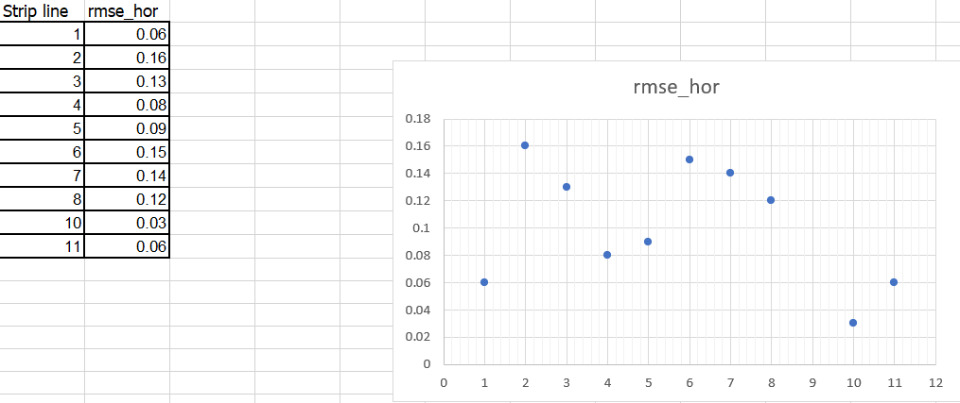
Pointnumber | Pointdescription | x | xtest | diffx | diffx^2 | y | ytest | diff in y | diffy^2 | difffx^2+diffy^2
LCP-12 | 1 | 717389.866 | 717389.87 | 0.00 | 0.00 | 1605865.325 | 1605865.32 | 0.00 | 0.00 | 0.00
LCP-22 | 1 | 717231.343 | 717231.35 | -0.01 | 0.00 | 1606162.925 | 1606163.02 | -0.09 | 0.01 | 0.01
LCP-27 | 1 | 717136.321 | 717136.31 | 0.02 | 0.00 | 1606298.477 | 1606298.50 | -0.02 | 0.00 | 0.00
LCP-12 | 2 | 717389.687 | 717389.87 | -0.18 | 0.03 | 1605865.46 | 1605865.32 | 0.14 | 0.02 | 0.05
LCP-17 | 2 | 717335.668 | 717335.72 | -0.06 | 0.00 | 1606035.074 | 1606035.14 | -0.06 | 0.00 | 0.01
LCP-22 | 2 | 717231.252 | 717231.35 | -0.10 | 0.01 | 1606163.03 | 1606163.02 | 0.01 | 0.00 | 0.01
LCP-27 | 2 | 717136.155 | 717136.31 | -0.15 | 0.02 | 1606298.58 | 1606298.50 | 0.08 | 0.01 | 0.03
LCP-07 | 2 | 717476.107 | 717476.28 | -0.17 | 0.03 | 1605722.962 | 1605722.98 | -0.01 | 0.00 | 0.03
LCP-17 | 3 | 717335.844 | 717335.72 | 0.12 | 0.01 | 1606035.076 | 1606035.14 | -0.06 | 0.00 | 0.02
LCP-13 | 4 | 717514.376 | 717514.39 | -0.01 | 0.00 | 1605963.97 | 1605963.98 | -0.01 | 0.00 | 0.00
LCP-18 | 4 | 717458.504 | 717458.68 | -0.17 | 0.03 | 1606085.684 | 1606085.68 | 0.01 | 0.00 | 0.03
LCP-28 | 4 | 717298.724 | 717298.74 | -0.01 | 0.00 | 1606355.058 | 1606355.04 | 0.01 | 0.00 | 0.00
LCP-08 | 4 | 717599.818 | 717599.83 | -0.01 | 0.00 | 1605811.706 | 1605811.71 | -0.01 | 0.00 | 0.00
LCP-23 | 4 | 717531.771 | 717531.82 | -0.05 | 0.00 | 1605901.463 | 1605901.42 | 0.05 | 0.00 | 0.01
LCP-13 | 5 | 717514.491 | 717514.39 | 0.10 | 0.01 | 1605963.892 | 1605963.98 | -0.09 | 0.01 | 0.02
LCP-18 | 5 | 717458.675 | 717458.68 | 0.00 | 0.00 | 1606085.675 | 1606085.68 | 0.00 | 0.00 | 0.00
LCP-32 | 5 | 717382.162 | 717382.12 | 0.05 | 0.00 | 1606245.179 | 1606245.20 | -0.02 | 0.00 | 0.00
LCP-28 | 5 | 717298.736 | 717298.74 | 0.00 | 0.00 | 1606355.043 | 1606355.04 | 0.00 | 0.00 | 0.00
LCP-08 | 5 | 717599.97 | 717599.83 | 0.14 | 0.02 | 1605811.674 | 1605811.71 | -0.04 | 0.00 | 0.02
LCP-23 | 5 | 717531.929 | 717531.82 | 0.11 | 0.01 | 1605901.41 | 1605901.42 | -0.01 | 0.00 | 0.01
LCP-32 | 6 | 717,382.027 | 717382.12 | -0.09 | 0.01 | 1,606,245.081 | 1606245.20 | -0.12 | 0.01 | 0.02
LCP-32 | 7 | 717,381.972 | 717382.12 | -0.14 | 0.02 | 1,606,245.198 | 1606245.20 | 0.00 | 0.00 | 0.02
LCP-24 | 8 | 717,477.822 | 717477.92 | -0.10 | 0.01 | 1,606,299.152 | 1606299.17 | -0.02 | 0.00 | 0.01
LCP-09 | 8 | 717,757.791 | 717757.89 | -0.10 | 0.01 | 1,605,878.444 | 1605878.42 | 0.02 | 0.00 | 0.01
LCP-14 | 8 | 717,677.561 | 717677.68 | -0.12 | 0.01 | 1,606,027.350 | 1606027.34 | 0.02 | 0.00 | 0.01
LCP-19 | 8 | 717,551.707 | 717551.85 | -0.14 | 0.02 | 1,606,212.097 | 1606212.08 | 0.02 | 0.00 | 0.02
LCP-20 | 10 | 717,708.163 | 717708.13 | 0.03 | 0.00 | 1,606,241.931 | 1606241.92 | 0.01 | 0.00 | 0.00
LCP-25 | 10 | 717,604.681 | 717604.71 | -0.03 | 0.00 | 1,606,381.562 | 1606381.58 | -0.02 | 0.00 | 0.00
LCP-20 | 11 | 717,708.208 | 717708.13 | 0.07 | 0.01 | 1,606,241.945 | 1606241.92 | 0.02 | 0.00 | 0.01
LCP-25 | 11 | 717,604.773 | 717604.71 | 0.07 | 0.00 | 1,606,381.570 | 1606381.58 | -0.01 | 0.00 | 0.00
LCP-15 | 11 | 717,803.287 | 717803.26 | 0.03 | 0.00 | 1,606,124.086 | 1606124.05 | 0.03 | 0.00 | 0.00
 |  |  |  |  |  |  |  |  | sum | 0.35
 |  |  |  |  |  |  |  |  | average | 0.01
 |  |  |  |  |  |  |  |  | RMSE | 0.11
 |  |  |  |  |  |  |  |  | NSSDA | 0.18

remove | outlier
LCP-30 | 11 | 717524.44 | 717523.86 | 0.59 | 0.34 | 1606524.62 | 1606525.88 | -1.26 | 1.58 | 1.92

NSSDA_vertical
Pointnumber | Pointdescription | z | ztest | diffz | diffz^2
LCP-12 | 1 | 3.235 | 3.34 | -0.11 | 0.01
LCP-22 | 1 | -0.813 | -0.66 | -0.15 | 0.02
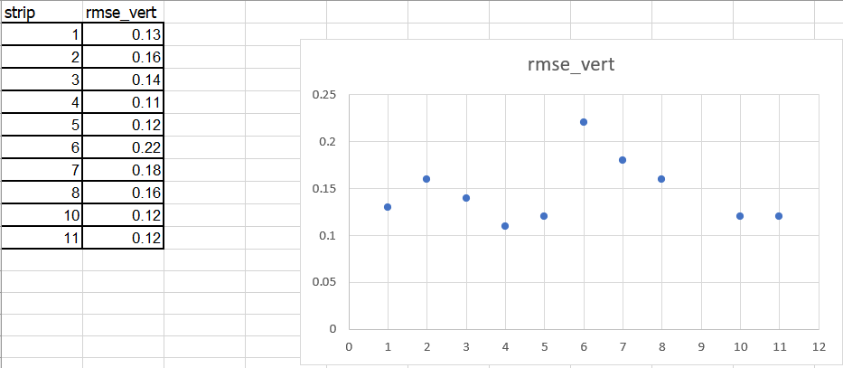
LCP-27 | 1 | 0.298 | 0.42 | -0.12 | 0.02
LCP-12 | 2 | 3.154 | 3.34 | -0.19 | 0.03
LCP-17 | 2 | 0.941 | 1.05 | -0.11 | 0.01
LCP-22 | 2 | -0.809 | -0.66 | -0.15 | 0.02
LCP-27 | 2 | 0.27 | 0.42 | -0.15 | 0.02
LCP-07 | 2 | 2.56 | 2.76 | -0.20 | 0.04
LCP-17 | 3 | 0.913 | 1.05 | -0.14 | 0.02
LCP-13 | 4 | 4.462 | 4.58 | -0.12 | 0.01
LCP-18 | 4 | 1.848 | 1.99 | -0.14 | 0.02
LCP-28 | 4 | 2.094 | 2.17 | -0.08 | 0.01
LCP-08 | 4 | 3.518 | 3.65 | -0.13 | 0.02
LCP-23 | 4 | 4.416 | 4.50 | -0.09 | 0.01
LCP-13 | 5 | 4.417 | 4.58 | -0.16 | 0.03
LCP-18 | 5 | 1.986 | 1.99 | 0.00 | 0.00
LCP-32 | 5 | 0.522 | 0.64 | -0.12 | 0.01
LCP-28 | 5 | 2.171 | 2.17 | 0.00 | 0.00
LCP-08 | 5 | 3.473 | 3.65 | -0.17 | 0.03
LCP-23 | 5 | 4.366 | 4.50 | -0.14 | 0.02
LCP-32 | 6 | 0.418 | 0.64 | -0.22 | 0.05
LCP-32 | 7 | 0.457 | 0.64 | -0.18 | 0.03
LCP-24 | 8 | 3.987 | 4.18 | -0.19 | 0.04
LCP-09 | 8 | 6.575 | 6.73 | -0.15 | 0.02
LCP-14 | 8 | 8.634 | 8.79 | -0.16 | 0.02
LCP-19 | 8 | 4.987 | 5.14 | -0.15 | 0.02
LCP-20 | 10 | 7.281 | 7.39 | -0.11 | 0.01
LCP-25 | 10 | 3.597 | 3.72 | -0.12 | 0.01
LCP-20 | 11 | 7.273 | 7.39 | -0.12 | 0.01
LCP-25 | 11 | 3.589 | 3.72 | -0.13 | 0.02
LCP-15 | 11 | 11.081 | 11.18 | -0.10 | 0.01
 |  |  |  | sum | 0.61
 |  |  |  | average | 0.02
 |  |  |  | RMSE | 0.14
 |  |  |  | NSSDA | 0.27

remove
LCP-30 | 11 | 5.325 | 5.90 | #REF! | #REF!

