Information-General Settings
General settings

Name --> | Thunnaphus
Lastname--> | Pornwattanekrilert
Employee ID--> | TIME108

General Information

The objective of this sheet is to:
- to standardize the information flow regarding work related activities.
- to establish a consistent data basis for several applications like cost accounting and reporting.
User Information General:
- Please send your completed time sheet on the last workday of the month to the BO Portal.
- Should a project not be available in the according drop down list, please add it on the sheet "DropDownLists"
Additional Information TIME Consulting Staff:
- Additional to the billable project days, please quote also all other work related activities. You find the legend beneath this box.

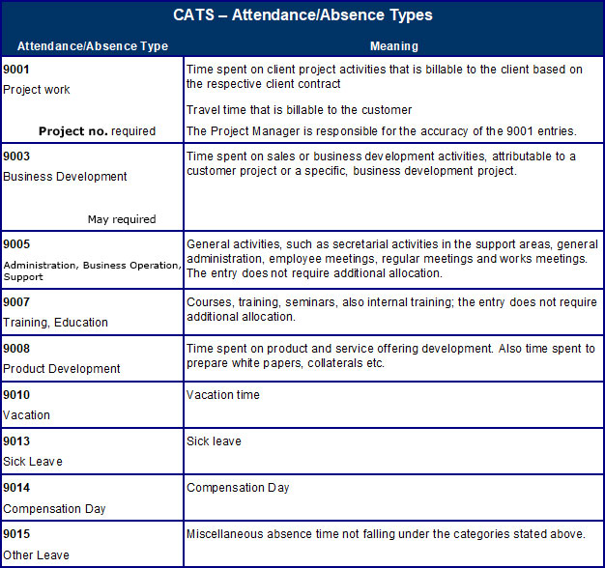

 |  | 9002 | สำหรับคนในทีม Case Team Assistant ไว้ book เวลาลงไป support project
 |  | Project Support

 |  | 9004 | BD กรณีไม่มี project number
 |  | Business Development (No Project No.)

