03_Mar
Timesheet TIME Consulting

Name: |  | [Laksami]
Lastname: |  | [Pracharktam]
Employee ID: |  | [TIME084]

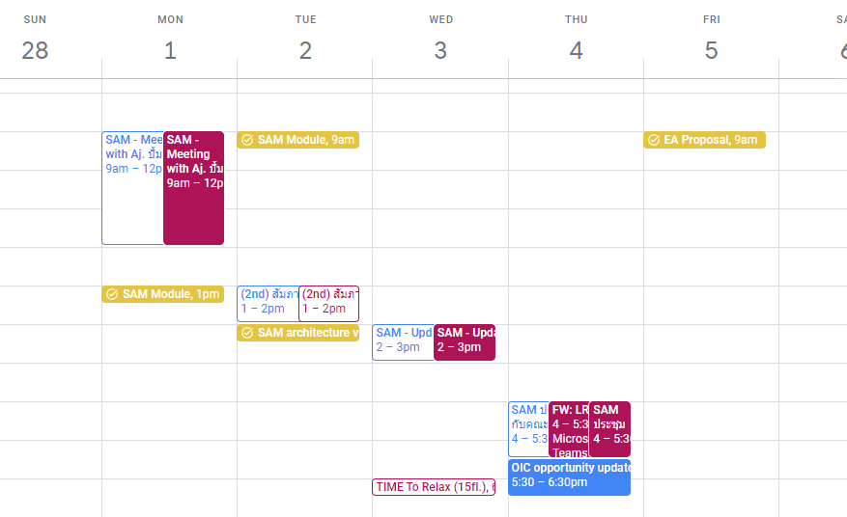
 |  |  |  |  | Total Work Hours | Total Man Day
 |  |  |  |  | 231.00 | 28.88

Mar-21 | Date | Project Number | Account Number | Task Description | Location | Hours
Mo | 2021-03-01 | TIME-202059 | 9001 | SAM internal expert meeting, SAM slides | TIME | 5.00
Mo | 2021-03-01 | TIME-202059 | 9001 | SAM LRS new platform Module Design | TIME | 6.00
Mo | 2021-03-01
Mo | 2021-03-01
Mo | 2021-03-01
Tue | 2021-03-02 | TIME-202059 | 9001 | SAM Module Design | TIME | 6.00
Tue | 2021-03-02 |  | 9009 | Intern Interview | TIME | 1.00
Tue | 2021-03-02 | TIME-202059 | 9001 | SAM vision summary slides | TIME | 4.00
Tue | 2021-03-02
Tue | 2021-03-02
Wed | 2021-03-03 | TIME-202059 | 9001 | SAM Weekly meeting | TIME | 1.00
Wed | 2021-03-03 | TIME-202059 | 9001 | SAM slides deck for executive interview and design Target business process flow | TIME | 8.00
Wed | 2021-03-03
Wed | 2021-03-03
Wed | 2021-03-03
Thu | 2021-03-04 | TIME-202059 | 9001 | SAM ประชุมกับคณะทำงาน ครั้งที่ 2 | TIME | 4.00
Thu | 2021-03-04 | TIME-202059 | 9001 | SAM Executive interview and collecting business requirement form user | TIME | 5.00
Thu | 2021-03-04
Thu | 2021-03-04
Thu | 2021-03-04
Fri | 2021-03-05 | TIME-202096 | 9003 | OIC EA PMC Proposal slide and report | TIME | 9.00
Fri | 2021-03-05
Fri | 2021-03-05
Fri | 2021-03-05
Fri | 2021-03-05
Sat | 2021-03-06
Sun | 2021-03-07
Mo | 2021-03-08 | TIME-202059 | 9001 | SAM Workshop business process Debt restructuring |  | 9.00
Mo | 2021-03-08 | TIME-202059 | 9001 | SAM Slide deck prep |  | 2.00
Mo | 2021-03-08
Mo | 2021-03-08
Mo | 2021-03-08
Tue | 2021-03-09 | TIME-202059 | 9001 | Workshop slide deck for workshop and interview SAM' executive to get vision to design new target EA | TIME | 6.00
Tue | 2021-03-09 | TIME-202096 | 9003 | OIC EA PMC opportunity meeting update | TIME | 1.00
Tue | 2021-03-09 | TIME-202096 | 9003 | OIC EA PMC scope expert discussion | TIME | 2.00
Tue | 2021-03-09
Tue | 2021-03-09
Wed | 2021-03-10 | TIME-202059 | 9001 | SAM Weekly meeting, Slide deck preparation | TIME | 4.00
Wed | 2021-03-10 | TIME-202059 | 9001 | SAM Executive working with IT for module design | TIME | 5.00
Wed | 2021-03-10
Wed | 2021-03-10
Wed | 2021-03-10
Thu | 2021-03-11 | TIME-202059 | 9001 | SAM discussing with head of IT department | TIME | 2.00
Thu | 2021-03-11 | TIME-202059 | 9001 | SAM working with expert for module design | TIME | 5.00
Thu | 2021-03-11 | TIME-202096 | 9003 | OIC EA PMC slide and report | TIME | 2.00
Thu | 2021-03-11
Thu | 2021-03-11
Fri | 2021-03-12 | TIME-202059 | 9001 | SAM Meeting with IT module designed, capabilities review | SAM | 4.00
Fri | 2021-03-12 | TIME-202059 | 9001 | SAM discussing with head of IT department | SAM | 2.00
Fri | 2021-03-12 | TIME-202059 | 9001 | SAM workshop business process รับซื้อรับโอน | SAM | 4.00
Fri | 2021-03-12
Fri | 2021-03-12
Sat | 2021-03-13
Sun | 2021-03-14
Mo | 2021-03-15 | TIME-202059 | 9001 | SAM workshop business process จัดการเอกสารสำคัญ | SAM | 9.00
Mo | 2021-03-15
Mo | 2021-03-15
Mo | 2021-03-15
Mo | 2021-03-15
Tue | 2021-03-16 | TIME-202059 | 9001 | SAM Weekly meeting | TIME | 2.00
Tue | 2021-03-16 | TIME-202096 | 9003 | OIC EA PMC slide and report | TIME | 9.00
Tue | 2021-03-16
Tue | 2021-03-16
Tue | 2021-03-16
Wed | 2021-03-17 | TIME-202059 | 9001 | Review capabilities in business process (Workshop1) | SAM | 2.00
Wed | 2021-03-17 | TIME-202096 | 9003 | OIC EA PMC slide and report | TIME | 8.00
Wed | 2021-03-17
Wed | 2021-03-17
Wed | 2021-03-17
Thu | 2021-03-18 | TIME-202096 | 9003 | OIC EA PMC slide and report | TIME | 9.00
Thu | 2021-03-18
Thu | 2021-03-18
Thu | 2021-03-18
Thu | 2021-03-18
Fri | 2021-03-19 | TIME-202096 | 9003 | OIC EA PMC slide and report | TIME | 9.00
Fri | 2021-03-19
Fri | 2021-03-19
Fri | 2021-03-19
Fri | 2021-03-19
Sat | 2021-03-20
Sun | 2021-03-21
Mo | 2021-03-22 | TIME-202059 | 9001 | SAM workshop business process ดำเนินคดี, ขายทอดตลาด | SAM | 9.00
Mo | 2021-03-22
Mo | 2021-03-22
Mo | 2021-03-22
Mo | 2021-03-22
Mo | 2021-03-22
Tue | 2021-03-23 | TIME-202059 | 9001 | SAM Weekly meeting, Slide deck preparation | TIME | 10.00
Tue | 2021-03-23
Tue | 2021-03-23
Tue | 2021-03-23
Tue | 2021-03-23
Wed | 2021-03-24 | TIME-202059 | 9001 | SAM workshop business process ประมูลขายหนี้ | SAM | 6.00
Wed | 2021-03-24 | TIME-202059 | 9001 | SAM IT Meeting, Slide deck preparation | TIME | 5.00
Wed | 2021-03-24
Wed | 2021-03-24
Wed | 2021-03-24
Thu | 2021-03-25 | TIME-202059 | 9001 | SAM Meeting with expert to design module for LRS New Platform | PTT | 2.00
Thu | 2021-03-25 | TIME-202059 | 9001 | SAM process capability ปรับโครงสร้างหนี้ ขายทอดตลาด ประมูลขายหนี้ | TIME | 9.00
Thu | 2021-03-25
Thu | 2021-03-25
Thu | 2021-03-25
Fri | 2021-03-26 | TIME-202059 | 9001 | SAM Preparing deck for workshop to confirm target architecture | TIME | 11.00
Fri | 2021-03-26
Fri | 2021-03-26
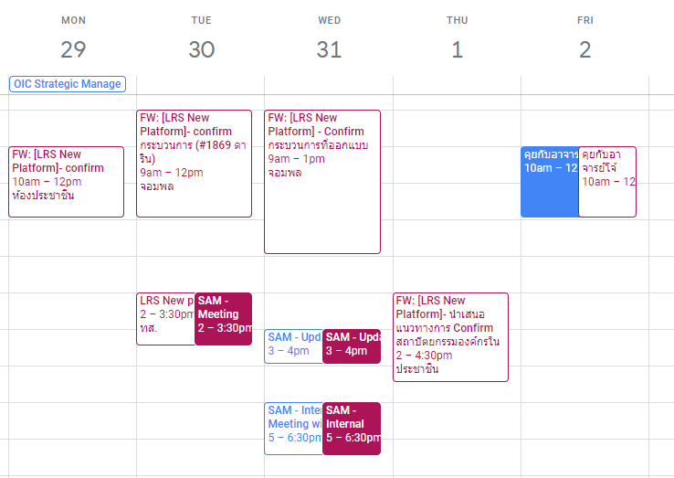
Fri | 2021-03-26
Fri | 2021-03-26
Sat | 2021-03-27
Sun | 2021-03-28
Mo | 2021-03-29 | TIME-202059 | 9001 | SAM Module Design | TIME | 5.00
Mo | 2021-03-29 | TIME-202059 | 9001 | SAM deck edit (client's and expert's comment) | TIME | 5.00
Mo | 2021-03-29
Mo | 2021-03-29
Mo | 2021-03-29
Tue | 2021-03-30 | TIME-202059 | 9001 | Meeting with client to get requirement to present final deliverable | SAM | 1.00
Tue | 2021-03-30 | TIME-202059 | 9001 | Making slide draft final deliverable | TIME | 12.50
Tue | 2021-03-30
Tue | 2021-03-30
Tue | 2021-03-30
Wed | 2021-03-31 | TIME-202059 | 9001 | Meeting with expert to design module for LRS New Platform and edit slide draft final deliverable | TIME | 10.50
Wed | 2021-03-31
Wed | 2021-03-31
Wed | 2021-03-31
Wed | 2021-03-31

