Pentagon_Calculations
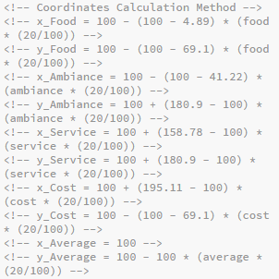
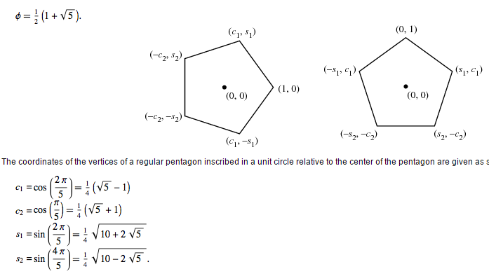
Pentagon Points | x-Value | y-Value
p1 | 100 | 0
p2 | 4.89 | 69.1
p3 | 41.22 | 180.9
p4 | 158.78 | 180.9
p5 | 195.11 | 69.1

Constants | Value
c1 | 0.309
c2 | 0.809
s1 | 0.9511
s2 | 0.5878

Restaurant | Raw Value | x-Value | y-Value
food | 4.52 | 14 | 72.1
ambiance | 3.55 | 58.3 | 157.4
service | 4.29 | 150.4 | 169.4
cost | 3.9 | 174.2 | 75.9
average | 4.07 | 100 | 18.6

