Son-parent example
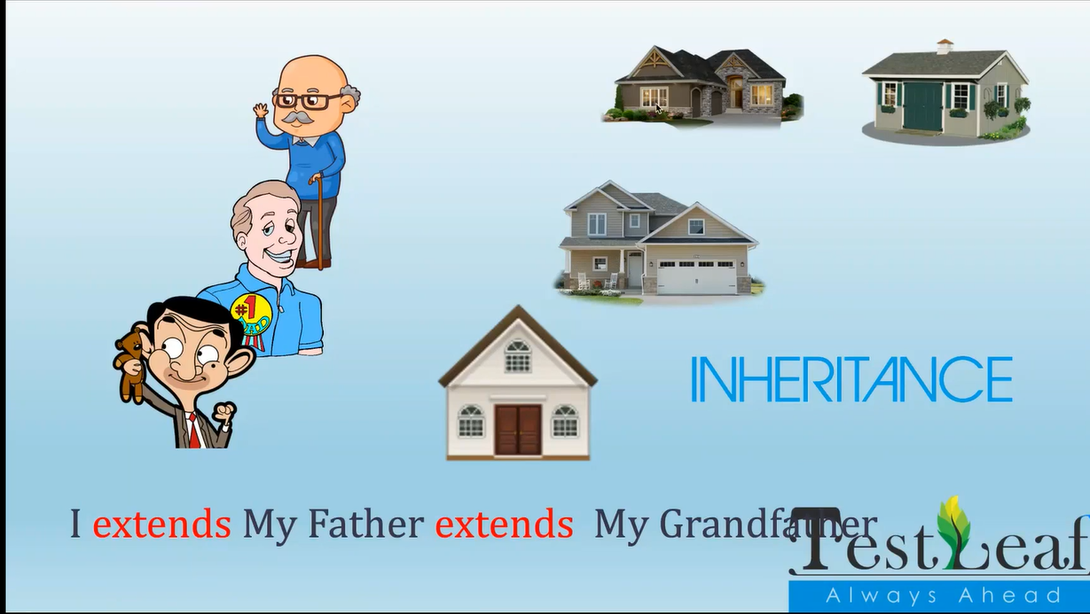

 |  |  | GrandFather
 |  |  | bungalow1()
 |  |  | castle()
 |  |  | Father
 |  |  | bungalow2() | bungalow1()
 |  |  |  | castle()
 |  |  | Child
 |  |  | smallHouse() |  | bungalow1()
 |  |  |  |  | castle()
 |  |  |  | bungalow2()
 |  |  |  | smallHouse()
 |  |  | Technical terms:
 |  |  | extends

 | Father | extends | GrandFather
 | Child | extends | Father

Types: | Single Level
 | Multilevel inheritance

parent class | child class
Base class | Derived Class
Super class | SubClass

No Multiple Inheritence

Vehicle example
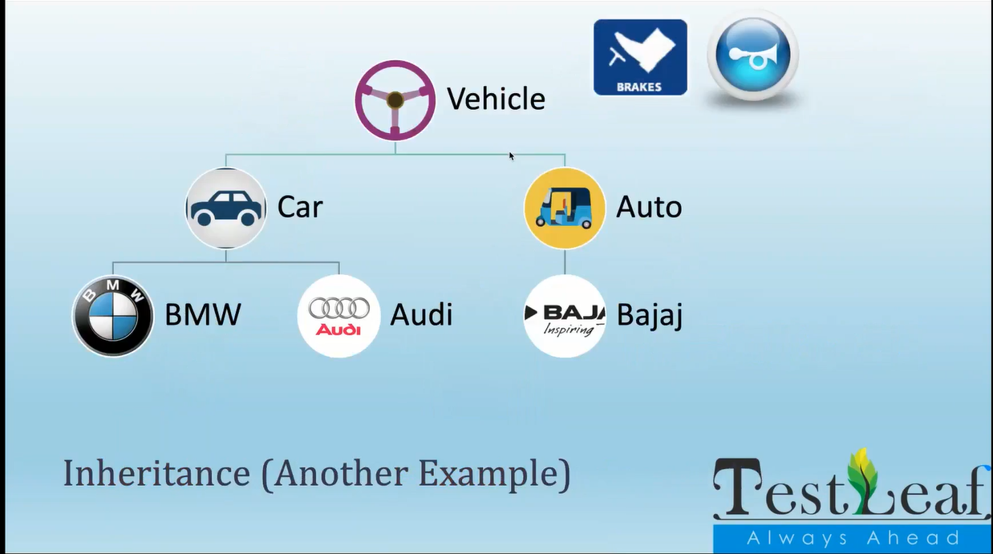

Final
